Parameters
 |  |  |  |  |  | AECOM(2013) | BOOTH, 2002
 |  |  |  |  |  | surface zone | shallow sub-surface | open fracturing
surface zone | 20m | 20 | m | Decrease in vertical k | 30 | W/9 | deformation zone | subsidence with little fracturing
constrained zone | variable | 10 | m | Compression zone, no significant permeability change |  | W/9
fracture zone | 15-40 X | 30 | m | Bending, fracturing, joint opening, bed separation | 30 | W/3 | fractured zone | vertical fracture + horizontal bed plane sep = 30-40X
caved zone | 5 X | 10 | m | Broken blocks detached from roof | 10
fully caved zone | 1.5 X | 3 | m | High permeability zone | 5 |  | caved zone | collapsed materials = 2-8X
seam | variable | 2 | m | Void filled / partly filled |  | W | coal seam | -
TOTAL |  | 75 | m |  | 75

Group | 0 | 1 | 2 | 3
Medium | TOP | MIDDLE | BOTTOM | WORKING
Porosity matrix | 10% | 10% | 10% | 25% | Porosity scottish coal measures (AECOM,2013)
Porosity fracture zone |  |  |  | 70% | (Guo et al., 2018)
Tortuosity | 1 | 1 | 1 | 1
Storage (specific storage, m-1) | 1.00E-05 | 1.00E-05 | 1.00E-05 | 2.00E-04 | From Raymond and Therrien (2008)
permeability tensor (hydraulic conductivity, m/s) | 4.50E-05 | 4.50E-05 | 4.50E-05 | 2.30E-02
Hydraulic conductivity (10e-6 - 10e-4 m/s) | 1.00E-06 | 1.00E-06 | 1.00E-06 | 1.00E-02 | Ratio kgalleries/krock = 1e+6 (Hamm and Barzagan, 2010)
mass dispersion | 0 | 0 | 0 | 0
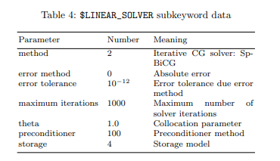
Group | 0 | 1 | 2 | 3
Thermal conductivity Lower Carboniferous Limestone | 3,14 (Rolin, 1987) |  |  | 0.31 (Lee et al., 1984)
Thermal Capacity | 900 | 900 | 900 | 900
Thermal Expansion | 0 | 0 | 0 | 0
Density | 2.65E+03 | 1.50E+03 | 2.65E+03 | 1.50E+03

Strata | Total thickness | Typical permeability |  | Maximum permeability
 | tested (m) | (m/s) | (mD) | (m/s) | (mD)
Middle CM above Deep Main (including upper sill) | 232 | < 10-10 | < 10-2 | 5 x 10-8 | 5 | 0.005
Main Coal Seams (Deep Main, Parkgate and Blackshale) and adjacent strata | 377 | < 10-10 | < 10-2 | 2 x 10-9 | 0.2 | 0.0002
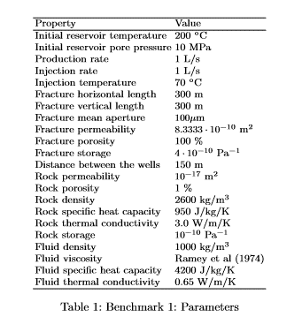
Lower CM (including lower sill below Blackshale) | 243 | 6 x 10-10 | 0.06 | 2019-10-09 | 0.01 | 0.00001
(Whitworth, 2002)

Formation | Age | Lithology | N | k (W/(m.K) | incertainty (+/-)
Lower Carboniferous limestone | Carboniferous | Limestone | 14 | 3.14 | 0.13
Upper Old Red Sandstone | Devonian | Sandstone | 27 | 3.26 | 0.11

Data from Guo et al (2018) | Density | Thermal conductivity (W/m.C) | Heat capacity (J/kg.C) | Porosity (%) | Permeability (m2)
cap rock | 2650 | 2.1 | 900 | 1 | 1.00E-17
fractures zone matrix | 2650 | 2.1 | 900 | 5 | 2.00E-16
fractures zone fractures | 1500 | 2.1 | 900 | 70 | 1.30E-09
caved zone matrix | 2650 | 2.1 | 900 | 5 | 2.00E-16
caved zone fractures | 1500 | 2.1 | 900 | 70 | 2.50E-08
base rock | 2650 | 2.1 | 900 | 1 | 1.00E-17

Model_Conditions
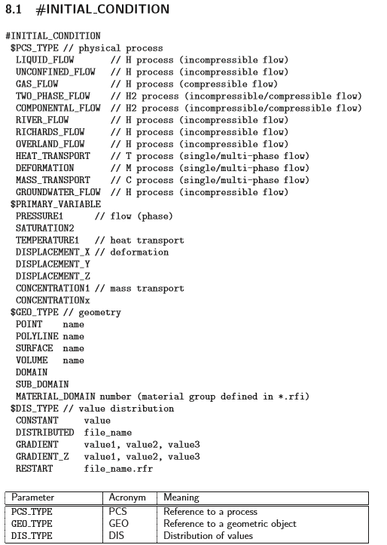

 |  | DATA_BASE | file name | EXEL (csv) file
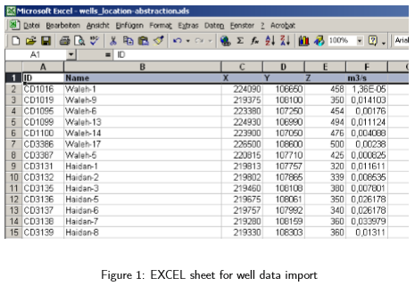

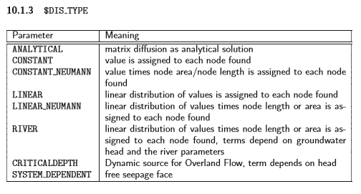

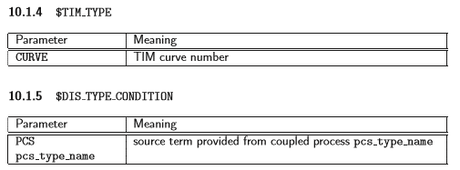
 |  | ANALYTICAL;
 |  | value 1 | material group
 |  | value 2 | diffusion constant
 |  | va;ue 3 | nb of previous time steps to be taken into account

GRADIENT
value 1 | depth of a refernce point
value 2 | temperature of this point
value 3 | change in temperature with depth

Properties
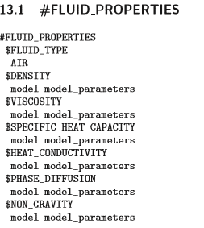
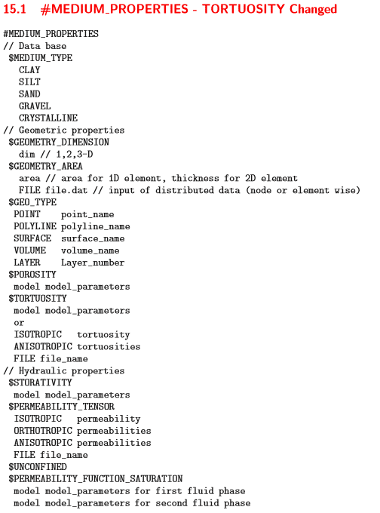
DENSITY |  |  |  |  |  |  |  | VISCOSITY
Case | model number |  |  |  |  |  | CURVE | 0 | curve nb
CURVE | 0 | curve nb |  |  |  |  |  | 1
incompressible | 1 | rho |  |  |  |  |  | 2
compressible flow | 2 | rho | beta_p | p_0 |  |  |  | 3
density-dependent flow (mass convection) | 3 | rho | beta_p | C_0 |  |  |  | 4
density-dependent flow (thermal convection) | 4 | rho | beta_T | T_0 |  |  |  | 41
density-dependent flow (thermohalin convection) | 5 | rho | beta_C | beta_T | T_0 |  |  | 5
compressible non isothermal | 6 | rho | beta_p | p_0 | beta_T | T_0 |  | 6
compressible non isothermal with phase change | 7 |  |  |  |  |  |  | 61
 |  |  |  |  |  |  |  | 7

 |  |  |  |  | Porosity | (Read in a file)
 |  |  |  |  | 11 | poro_layer1.dat
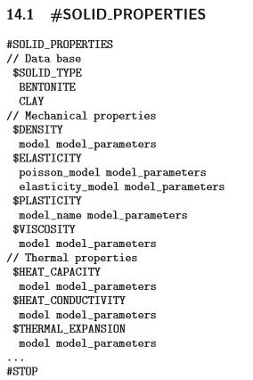
 | --> Mode 1 = value defined by user |  |  |  | Friction coefficient for overland or channel flow
 |  |  |  |  | $MANNING_COEFFICIENT
 |  |  |  |  |  | 0.15
 |  |  |  |  | $CHEZY_COEFFICIENT
 |  |  |  |  |  | 10
 |  |  |  |  | permeability
 |  |  |  |  | $PERMEABILITY_TENSOR
 |  |  |  |  |  | FILE perm_layer1.dat
 |  |  |  |  | //discrete fracture permeability
 |  |  |  |  | $PERMEABILITY_FRAC_APERTURE
 |  |  |  |  |  | average_type roughness_correction
 |  |  |  |  | • average type: Arithmetic, Geometric, or Harmonic
 |  |  |  |  | • roughness correction: corr roughness OR no corr roughness
 |  |  |  |  | // discrete fracture data
 |  |  |  |  | $FRACTURE_DATA
 |  |  |  |  |  | number_of_fractures names_of_fractures
 |  |  |  |  | • number of fractures: The number of discrete fractures in the model domain. Each fracture is handled as a separate entity.
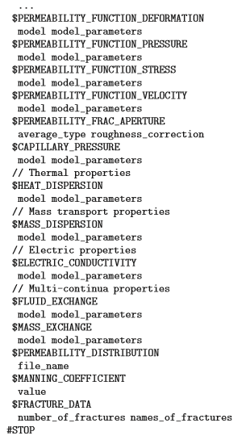
 |  |  |  |  | • names of fractures: The names of each of these fractures. For each fracture, polylines must be created representing the upper and lower fracture surface proﬁles. These polylines must have the names name of fracture top and name of fracture bot. See frac test.gli.
 |  |  |  |  | confined / unconfined flow
 |  |  |  |  | (confined is the default)
 |  |  |  |  | $UNCONFINED need to be precised if unconfined flow

PCS
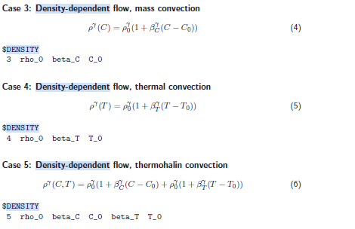
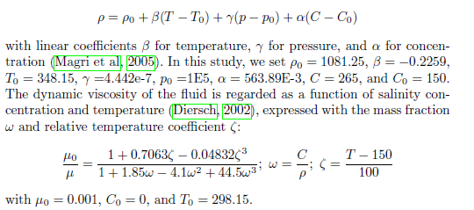
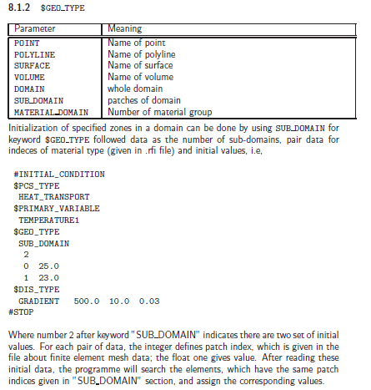
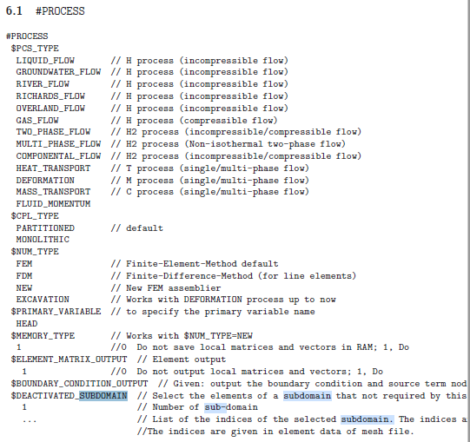
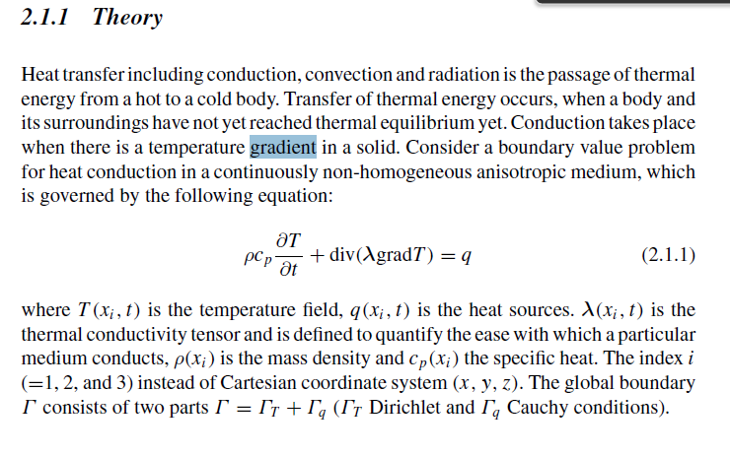

rho0 | density | 1000
betaC | linear coeff | 5.64E-01
C0 | ref concentration | 150
betaT | linear coeff | -0.2259
T0 | ref temperature | 9

NUM_OUT
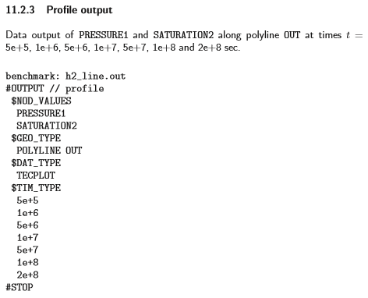
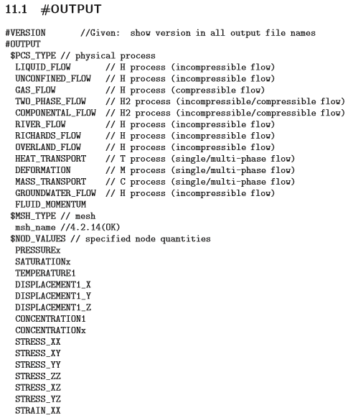
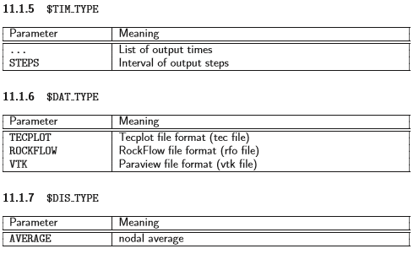
NUM | OUTPUT
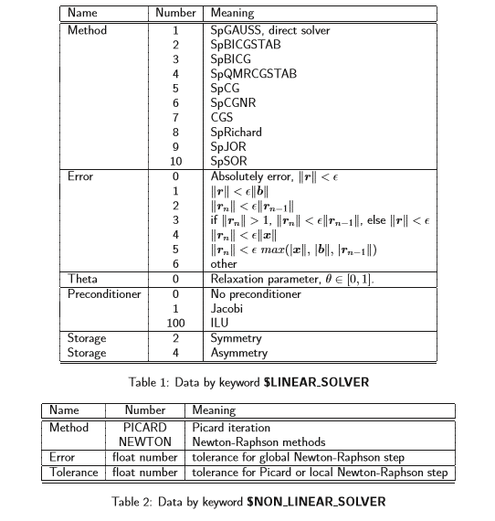

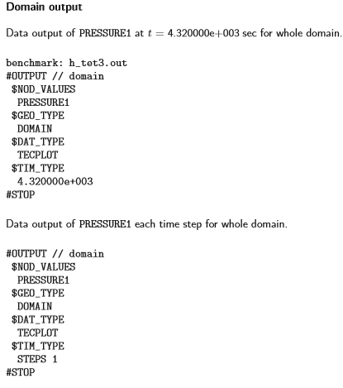
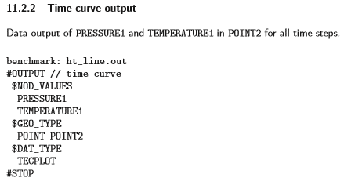

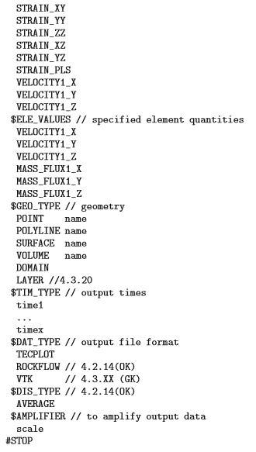

Keyword $COUPLING ITERATIONS is always located at the ﬁrst #NUMERICS object if staggered scheme is used for a coupled processes

Time_Step
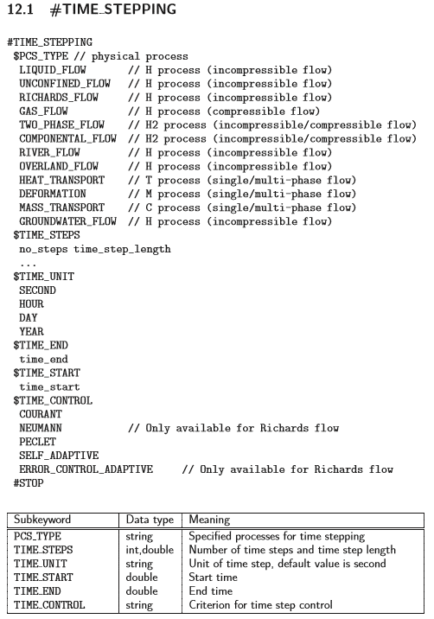

cond
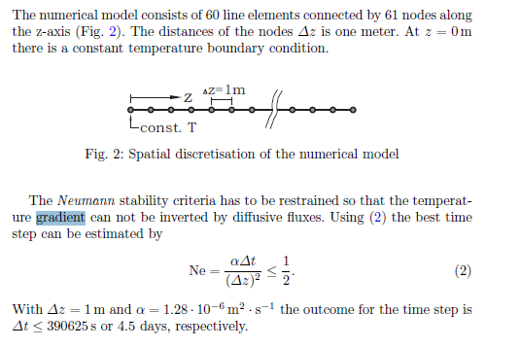
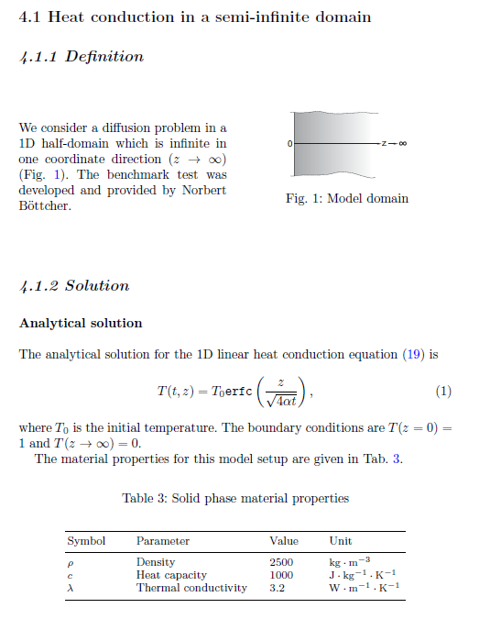
rho | 2650
c | 900
delta | 3
alpha | 1.2578616352E-06

Dx | 1
Dt< | 397500 | s
 | 4.6006944444 | day

