Sheet1
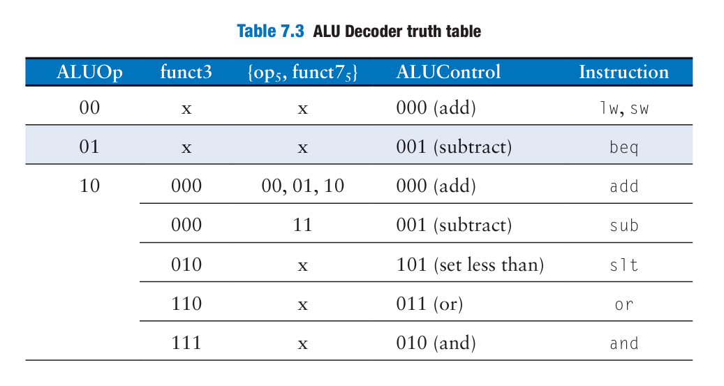
Description | Mnemonic | STT | 31-25 | 24-20 | 19-15 | 14-12 | 11-7 | 6-0 | ImmSrc[2:0] | reg_write | ld_filter[2:0] funct3 | ALU_Op[1:0] | ALU_Control[3:0] {funct7[5],funct3[2:0} | mul_enable | dm_request | ResultSrc (00:ALU, 01: Mem, 10: Imm, 11: PC adder | mem_write | ALU_SrcA (PC-0, rs1-1) | ALU_SrcB (Imm-0, rs2-1) | CSR_result | byte/half (0/1)
 |  |  | funct7 | rs2 | rs1 | funct3 | rd | opcode
R-type |  |  | R-type
rd = rs1 + rs2 | ADD | 1 | 0000000 | rs2 | rs1 | 000 | rd | 0110011 | xx | 1 |  | 10 | 0000 | 0 | 0 | 00 | 0 | 1 | 1 | 0
rd = rs1 - rs2 | SUB | 2 | 0100000 | rs2 | rs1 | 000 | rd | 0110011 | xx | 1 |  | 10 | 1000 | 0 | 0 | 00 | 0 | 1 | 1 | 0
rd = rs1u << rs2[4:0] | SLL | 3 | 0000000 | rs2 | rs1 | 001 | rd | 0110011 | xx | 1 |  | 10 | 0001 | 0 | 0 | 00 | 0 | 1 | 1 | 0
rd = (rs1s < rs2s )? 1:0 | SLT | 4 | 0000000 | rs2 | rs1 | 010 | rd | 0110011 | xx | 1 |  | 10 | 0010 | 0 | 0 | 00 | 0 | 1 | 1 | 0
rd = (rs1u < rs2u )? 1:0 | SLTU | 5 | 0000000 | rs2 | rs1 | 011 | rd | 0110011 | xx | 1 |  | 10 | 0011 | 0 | 0 | 00 | 0 | 1 | 1 | 0
rd = rs1 ^ rs2 | XOR | 6 | 0000000 | rs2 | rs1 | 100 | rd | 0110011 | xx | 1 |  | 10 | 0100 | 0 | 0 | 00 | 0 | 1 | 1 | 0
rd = rs1u >> rs2[4:0] | SRL | 7 | 0000000 | rs2 | rs1 | 101 | rd | 0110011 | xx | 1 |  | 10 | 0101 | 0 | 0 | 00 | 0 | 1 | 1 | 0
rd = rs1s >> rs2[4:0] | SRA | 8 | 0100000 | rs2 | rs1 | 101 | rd | 0110011 | xx | 1 |  | 10 | 1101 | 0 | 0 | 00 | 0 | 1 | 1 | 0
rd = rs1 | rs2 | OR | 9 | 0000000 | rs2 | rs1 | 110 | rd | 0110011 | xx | 1 |  | 10 | 0110 | 0 | 0 | 00 | 0 | 1 | 1 | 0
rd = rs1 & rs2 | AND | 10 | 0000000 | rs2 | rs1 | 111 | rd | 0110011 | xx | 1 |  | 10 | 0111 | 0 | 0 | 00 | 0 | 1 | 1 | 0
M-type |  |  | M-type |  |  |  |  |  |  |  |  |  |  |  |  |  |  |  |  |  |  |  |  | MUL_enable | ALU_Control [1:0]
rd = lower 32 bits of (rs1*rs2) | MUL | 11 | 0000001 | rs2 | rs1 | 000 | rd | 0110011 | xx | 1 |  | 10 | 0000 | 1 | 0 | 00 | 0 | 1 | 1 | 0 |  |  |  | 1 | 00
rd = upper 32 bits of (rs1*rs2) signed*signed | MULH | 12 | 0000001 | rs2 | rs1 | 001 | rd | 0110011 | xx | 1 |  | 10 | 0001 | 1 | 0 | 00 | 0 | 1 | 1 | 0 |  |  |  | 1 | 01
rd = upper 32 bits of (rs1*rs2) signed*unsigned | MULHSU | 13 | 0000001 | rs2 | rs1 | 010 | rd | 0110011 | xx | 1 |  | 10 | 0010 | 1 | 0 | 00 | 0 | 1 | 1 | 0 |  |  |  | 1 | 10
rd = upper 32 bits of (rs1*rs2) unsigned*unsigned | MULHU | 14 | 0000001 | rs2 | rs1 | 011 | rd | 0110011 | xx | 1 |  | 10 | 0011 | 1 | 0 | 00 | 0 | 1 | 1 | 0 |  |  |  | 1 | 11
J-Type |  |  | J-Type
 |  |  | 31-12 |  |  |  | 11-7 | 6-0
rd = PC + 4 PC = PC + imm | JAL | 15 | imm[20|10:1|11|19:12] |  |  |  | rd | 1101111 | 000 | 1 |  | 00 | 0000 | 0 | 0 | 11 | 0 | 0 | 0 | 0
I-Type |  |  | I-type
 |  |  | 31-20 |  | 19-15 | 14-12 | 11-7 | 6-0
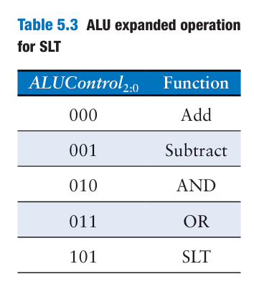
rd = M[rs1+imm] | LW | 16 | imm[11:0] |  | rs1 | 010 | rd | 0000011 | 001 | 1 | 010 | 00 | 0000 | 0 |  | 01 | 0 | 1 | 0 | 0 | x
rd = rs1 + imm | ADDI | 17 | imm[11:0] |  | rs1 | 000 | rd | 0010011 | 001 | 1 |  | 10 | 0000 | 0 | 0 | 00 | 0 | 1 | 0 | 0
rd = (rs1s < imms )? 1:0 | SLTI | 18 | imm[11:0] |  | rs1 | 010 | rd | 0010011 | 001 | 1 |  | 10 | 0010 | 0 | 0 | 00 | 0 | 1 | 0 | 0
rd = (rs1u < immu )? 1:0 | SLTIU | 19 | imm[11:0] |  | rs1 | 011 | rd | 0010011 | 001 | 1 |  | 10 | 0011 | 0 | 0 | 00 | 0 | 1 | 0 | 0
rd = rs1 ^ imm | XORI | 20 | imm[11:0] |  | rs1 | 100 | rd | 0010011 | 001 | 1 |  | 10 | 0100 | 0 | 0 | 00 | 0 | 1 | 0 | 0
rd = rs1 | imm | ORI | 21 | imm[11:0] |  | rs1 | 110 | rd | 0010011 | 001 | 1 |  | 10 | 0110 | 0 | 0 | 00 | 0 | 1 | 0 | 0 |  |  |  |  |  | 100 | shift left
rd = rs1 & imm | ANDI | 22 | imm[11:0] |  | rs1 | 111 | rd | 0010011 | 001 | 1 |  | 10 | 0111 | 0 | 0 | 00 | 0 | 1 | 0 | 0 |  |  |  |  |  | 110 | shift right
rd = M[rs1+imm]bs | LB | 23 | imm[11:0] |  | rs1 | 000 | rd | 0000011 | 001 | 1 | 000 | 00 | 0000 | 0 |  | 01 | 0 | 1 | 0 | 0 | 0 |  |  |  |  | 111 | xor
rd = rs1u << shamt | SLLI | 24 | 0000000 | shamt | rs1 | 001 | rd | 0010011 | 001 | 1 |  | 10 | 0001 | 0 | 0 | 00 | 0 | 1 | 0 | 0
rd = rs1u >> shamt | SRLI | 25 | 0000000 | shamt | rs1 | 101 | rd | 0010011 | 001 | 1 |  | 10 | 0101 | 0 | 0 | 00 | 0 | 1 | 0 | 0
rd = rs1s >> shamt | SRAI | 26 | 0100000 | shamt | rs1 | 101 | rd | 0010011 | 001 | 1 |  | 10 | 1101 | 0 | 0 | 00 | 0 | 1 | 0 | 0
rd = PC + 4 PC = imm + rs1 (Set LSB of PC to 0) | JALR | 27 | imm[11:0] |  | rs1 | 000 | rd | 1100111 | 001 | 1 |  | 00 | 0000 | 0 | 0 | 11 | 0 | 1 | 0 | 0 | x
rd = M[rs1+imm]hs | LH | 28 | imm[11:0] |  | rs1 | 001 | rd | 0000011 | 001 | 1 | 001 | 00 | 0000 | 0 |  | 01 | 0 | 1 | 0 | 0 | 1
rd = M[rs1+imm]bu | LBU | 29 | imm[11:0] |  | rs1 | 100 | rd | 0000011 | 001 | 1 | 100 | 00 | 0000 | 0 |  | 01 | 0 | 1 | 0 | 0 | 0 | RegWrite (register write) is connected to WE3, port 3’s write enable input, and is asserted during the lw instruction
rd = M[rs1+imm]hu | LHU | 30 | imm[11:0] |  | rs1 | 101 | rd | 0000011 | 001 | 1 | 101 | 00 | 0000 | 0 |  | 01 | 0 | 1 | 0 | 0 | 1 | The write takes place on the rising edge of the clock at the end of the cycle
S-Type |  |  | S-type
 |  |  | 31-25 | 24-20 | 19-15 | 14-12 | 11-7 | 6-0 |  |  |  |  |  |  |  |  |  |  |  |  |  | The write enable port of the data memory, WE, is con trolled by MemWrite.
M[rs1+imm] = rs2 | SW | 31 | imm[11:5] | rs2 | rs1 | 010 | imm[4:0] | 0100011 | 010 | 0 |  | 00 | 0000 | 0 | 0 | 01 | 1 | 1 | 0 | 0
M[rs1+imm]b = rs2b | SB | 32 | imm[11:5] | rs2 | rs1 | 000 | imm[4:0] | 0100011 | 010 | 0 |  | 00 | 0000 | 0 | 0 | 01 | 1 | 1 | 0 | 0
M[rs1+imm]h = rs2h | SH | 33 | imm[11:5] | rs2 | rs1 | 001 | imm[4:0] | 0100011 | 010 | 0 |  | 00 | 0000 | 0 | 0 | 01 | 1 | 1 | 0 | 0
U-Type |  |  | U-type
 |  |  | 31-12 |  |  |  | 11-7 | 6-0
rd = PC + imm | AUIPC | 34 | imm[31:12] |  |  |  | rd | 0010111 | 011 | 1 |  | 00 | 0000 | 0 | 0 | 00 | 0 | 0 | 0 | 0
rd = imm | LUI | 35 | imm[31:12] |  |  |  | rd | 0110111 | 011 | 1 |  | 00 | 0000 | 0 | 0 | 10 | 0 | x | x | 0
B-Type |  |  | B-type |  |  |  |  |  |  |  |  |  |  |  |  |  |  |  |  | 0
 |  |  | 31-25 | 24-20 | 19-15 | 14-12 | 11-7 | 6-0 |  |  |  |  |  |  |  | xx |  |  |  | 0
PC = (rs1 == rs2)? PC + imm: PC + 4 | BEQ | 36 | imm[12|10:5] | rs2 | rs1 | 000 | imm[4:1|11] | 1100011 | 100 | 0 |  | 01 | 1000 | 0 | 0 | xx | 0 | 1 | 1 | 0
PC = (rs1 != rs2)? PC + imm: PC + 4 | BNE | 37 | imm[12|10:5] | rs2 | rs1 | 001 | imm[4:1|11] | 1100011 | 100 | 0 |  | 01 | 1000 | 0 | 0 | xx | 0 | 1 | 1 | 0 |  |  | 11 | shamt
PC = (rs1s < rs2s )? PC + imm: PC + 4 | BLT (SLT) | 38 | imm[12|10:5] | rs2 | rs1 | 100 | imm[4:1|11] | 1100011 | 100 | 0 |  | 01 | 1000 | 0 | 0 | xx | 0 | 1 | 1 | 0 |  |  | thêm 1 bit | u-type imm, j-type
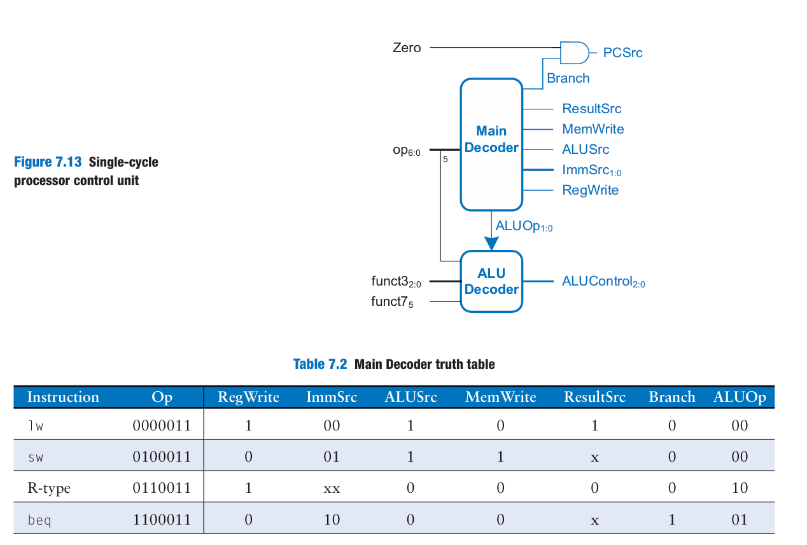
PC = (rs1s ≥ rs2s )? PC + imm: PC + 4 | BGE (!SLT) | 39 | imm[12|10:5] | rs2 | rs1 | 101 | imm[4:1|11] | 1100011 | 100 | 0 |  | 01 | 1000 | 0 | 0 | xx | 0 | 1 | 1 | 0
PC = (rs1u < rs2u )? PC + imm: PC + 4 | BLTU (SLTU) | 40 | imm[12|10:5] | rs2 | rs1 | 110 | imm[4:1|11] | 1100011 | 100 | 0 |  | 01 | 1000 | 0 | 0 | xx | 0 | 1 | 1 | 0
PC = (rs1u ≥ rs2u )? PC + imm: PC + 4 | BGEU (!SLTU) | 41 | imm[12|10:5] | rs2 | rs1 | 111 | imm[4:1|11] | 1100011 | 100 | 0 |  | 01 | 1000 | 0 | 0 | xx | 0 | 1 | 1 | 0
CSR |  |  | CSR
 |  |  | 31-20 |  | 19-15 | 14-12 | 11-7 | 6-0
 |  |  | imm[11:0] |  | rs1 | funct3 | rd | opcode
rd = instret[63:32] | RDINSTRETH | 42 | 110010000010 |  | 00000 | 010 | rd | 1110011 | 001 | 1 |  | 11 | xxxx | 0 | 0 | xx | 0 | x | x | 1
rd = instret[31:0] | RDINSTRET | 43 | 110000000010 |  | 00000 | 010 | rd | 1110011 | 001 | 1 |  | 11 | xxxx | 0 | 0 | xx | 0 | x | x | 1
rd = cycle[63:32] | RDCYCLEH | 44 | 110010000000 |  | 00000 | 010 | rd | 1110011 | 001 | 1 |  | 11 | xxxx | 0 | 0 | xx | 0 | x | x | 1
rd = cycle[31:0] | RDCYCLE | 45 | 110000000000 |  | 00000 | 010 | rd | 1110011 | 001 | 1 |  | 11 | xxxx | 0 | 0 | xx | 0 | x | x | 1

