start
1. npx create-next-app app

navigation between page
 | each page only loads whats necessary for that page
 | whenever Link components appear in the browser’s viewport, Next.js automatically prefetches the code for the linked page in the background
 | Next.js automatically optimizes your application by code splitting, client-side navigation, and prefetching (in production).
 | The Link component enables client-side navigation between two pages in the same Next.js app

public folder include image, icons,,…

next/image simplify for resizing and optimizing images

simple script tag not optimize for app, it will fetch on the same page and take time
 | so we need a Script Component, this has 3 attribute (src, strategy, onLoad)
 |  | strategy ='lazyOnload' |  | load lazily during browser idle tiem
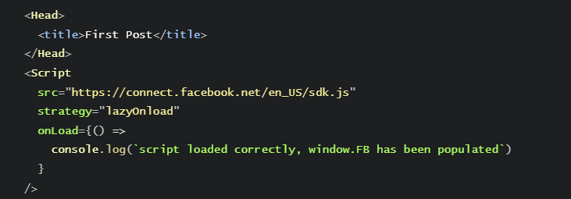
 |  | onLoad | run after js code finished loading

adding css
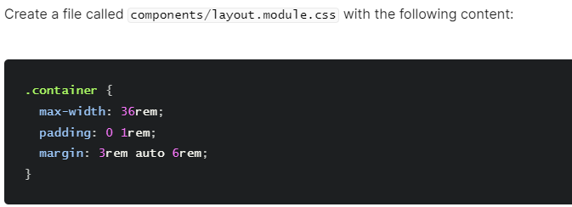

pre rendering and datafetching
 | Next.js’ pre-rendering feature.
 | The two forms of pre-rendering: Static Generation and Server-side Rendering.
 | Static Generation with data, and without data.
 | getStaticProps and how to use it to import external blog data into the index page.
 | Some useful information on getStaticProps.

 | Next.js’ pre-rendering feature.

Sheet2


 | CSR not good for SEO, because render from client make crawler of Search engine difficult to approach
 | reactjs don’t have prerendering, nextJS has preRendering

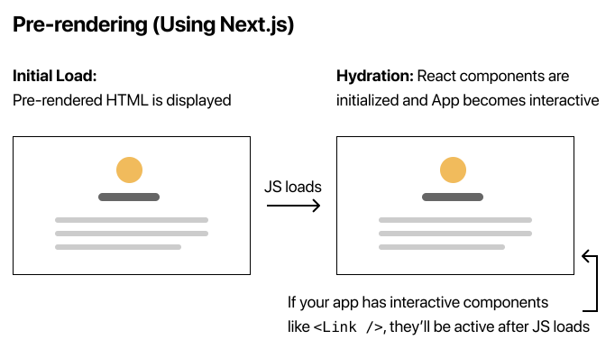

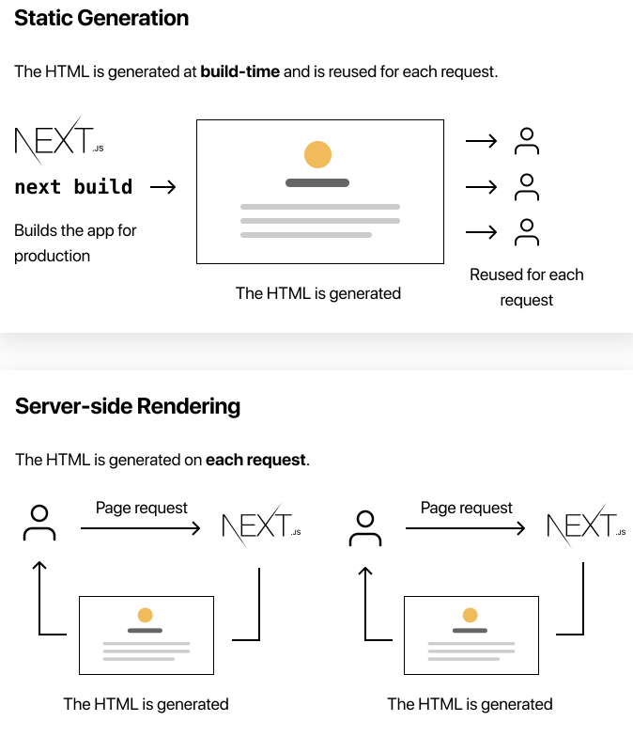

 | You can use Static Generation for many types of pages, including:

 | Marketing pages
 | Blog posts
 | E-commerce product listings
 | Help and documentation

getStaticProps |  | static generation
 | getStaticProps allows you to tell Next.js: “Hey, this page has some data dependencies — so when you pre-render this page at build time, make sure to resolve them first!”

 | static generation: build time
 | server side rendering: each request

getServerSideProps |  | server side rendering

dynamic routes

