Purchase Order
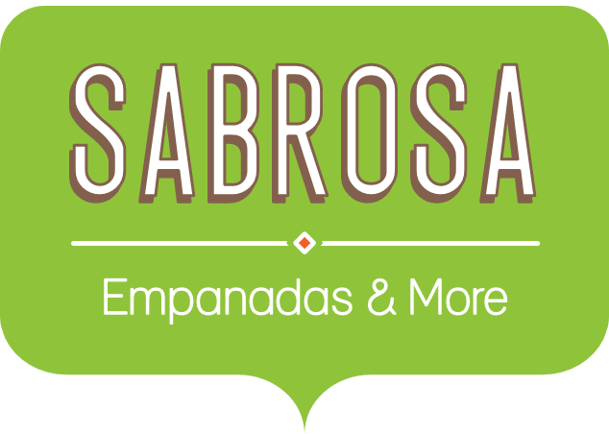 | Food Service Supplies Sabrosa Empanadas & More 1202 Biscayne Bay Drive Orlando, FL 32804
ITEM | QUANTITY | UNIT PRICE | LINE TOTAL | ORDERED | RECEIVED | IN TRANSIT
Tomatoes (case of 12) | 3 | $17.44 | $52.32 | 2015-10-12 | 2015-10-15 | 3
Black Beans (case of 10) | 5 | $20.14 | $100.70 | 2015-10-12 | 2015-10-17 | 5
All Purpose Flour (50 lb.) | 5 | $14.05 | $70.25 | 2015-10-12 | 2015-10-14 | 2
Corn Meal/Maza (25 lb.) | 5 | $18.69 | $93.45 | 2015-10-12 | 2015-10-15 | 3
Brown Rice (25 lb.) | 5 | $10.99 | $54.95 | 2015-10-12 | 2015-10-15 | 3
Lime Juice (1 gallon) | 5 | $11.99 | $59.95 | 2015-10-16 | 2015-10-20 | 4
Tomato Juice (case of 10) | 3 | $19.49 | $58.47 | 2015-10-16 | 2015-10-19 | 3
Hot Sauce (1 gallon) | 8 | $7.35 | $58.80 | 2015-10-16 | 2015-10-20 | 4
Salsa, Medium (1 gallon) | 12 | $8.47 | $101.64 | 2015-10-19 | 2015-10-23 | 4
Olive Oil (2.5 gallon) | 4 | $28.69 | $114.76 | 2015-10-19 | 2015-10-24 | 5
 |  | TOTAL | $765.29

PURCHASE ORDER SUMMARY
Total items ordered | 10
Most expensive item | $28.69
Average days in transit | 4

