Instructions
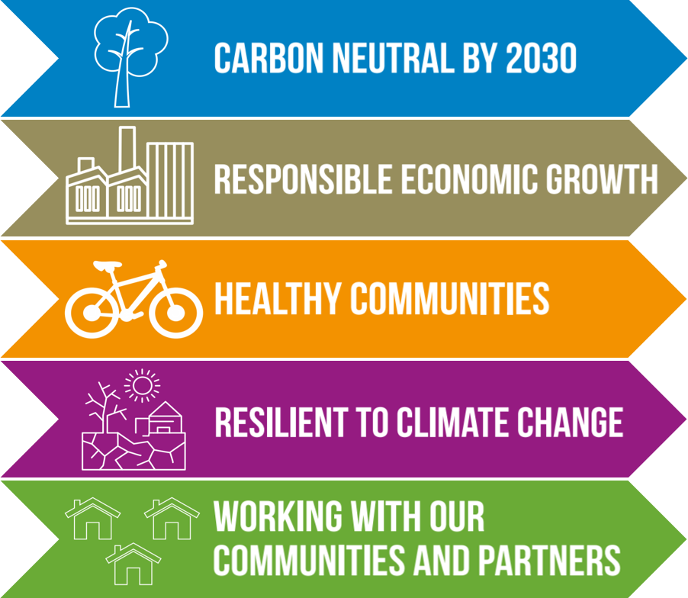 Welcome to West Berkshire's Environment Strategy Draft Delivery Plan. This plan sets out the activities and actions that the Council along with its partners will undertake to achieve carbon neutrality by 2030. Each tab at the bottom of this spreadsheet represents one of our Strategic Objectives and has a list of actions and timescales that fit with each one. Please note that this document is 'live' and as such will be regularly updated to show the Council's progress.

