One-Way Data Flow
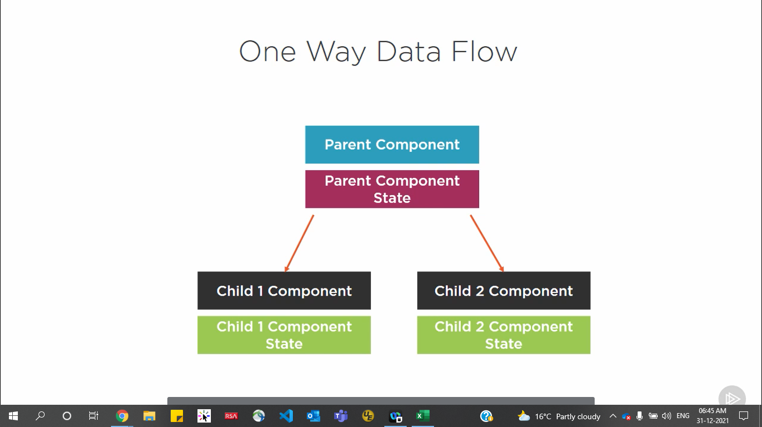

Dependency Injection
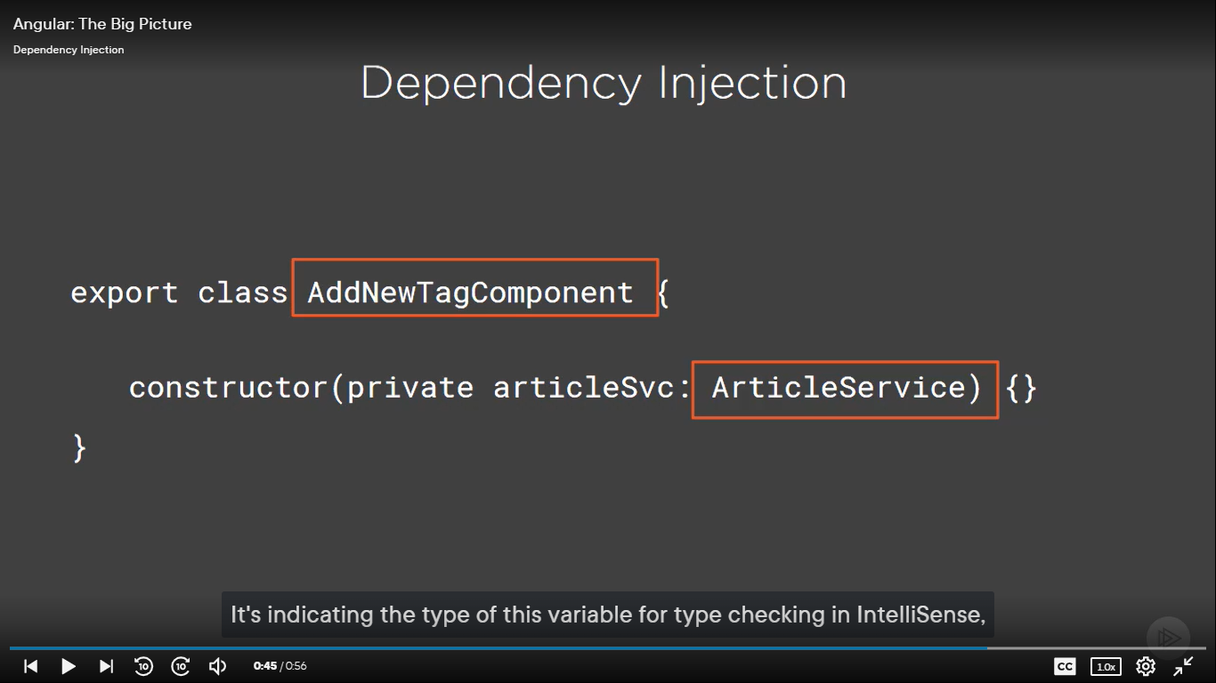

Components - Custom
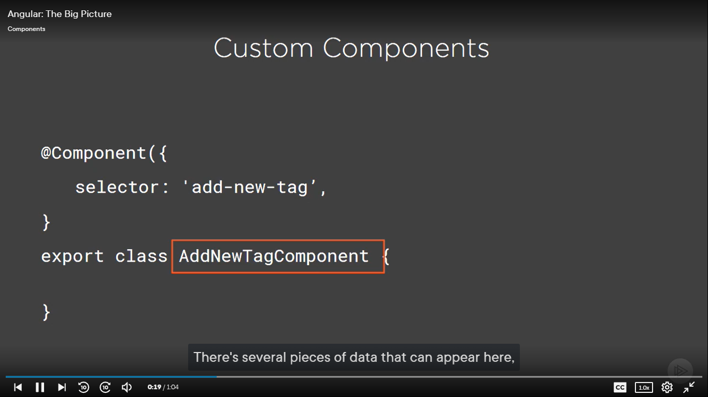
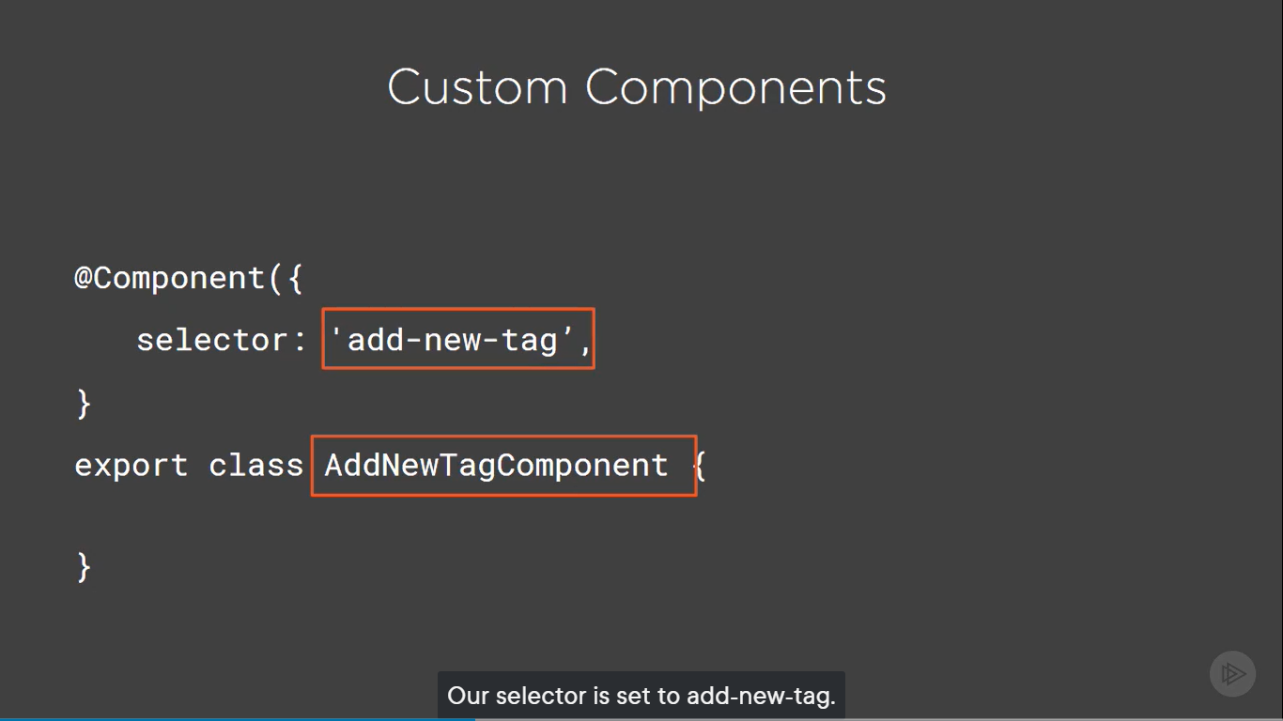

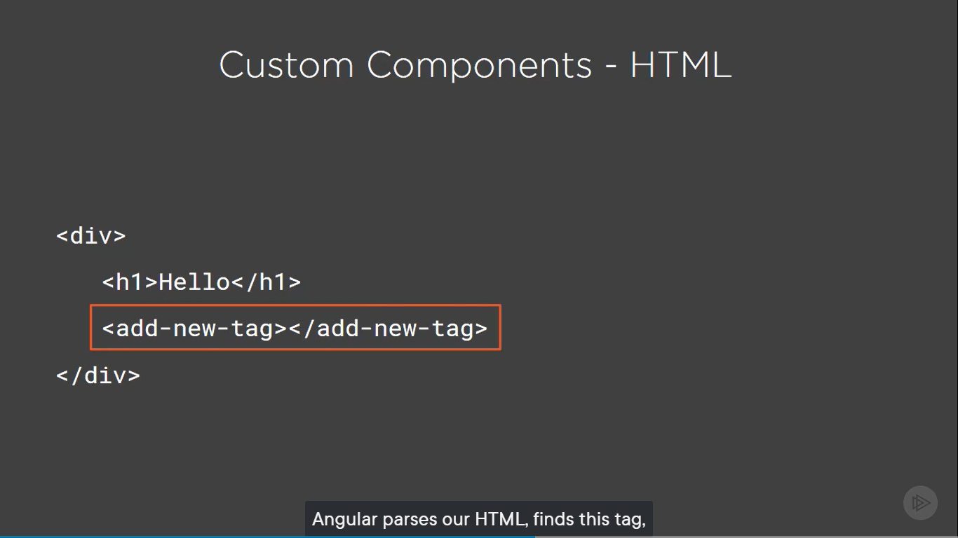

Directives
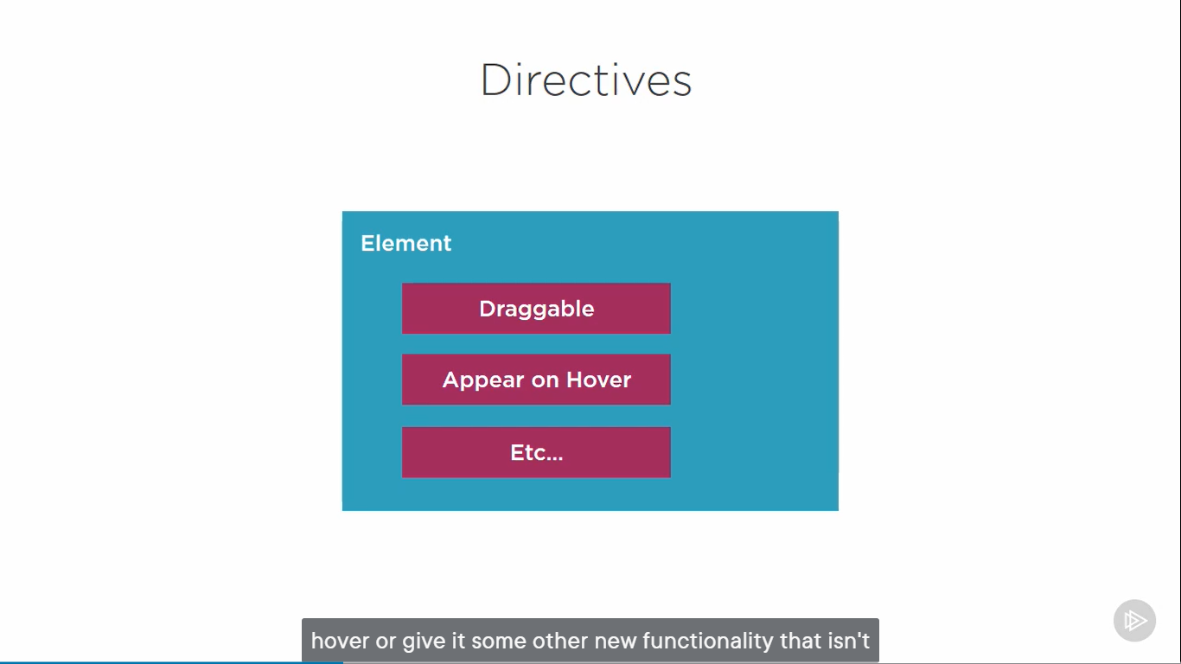
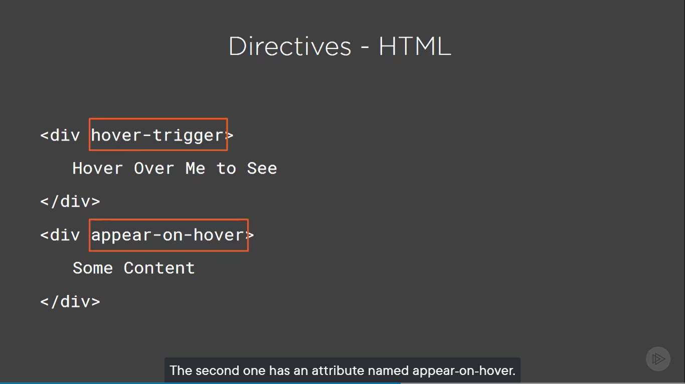

Templates
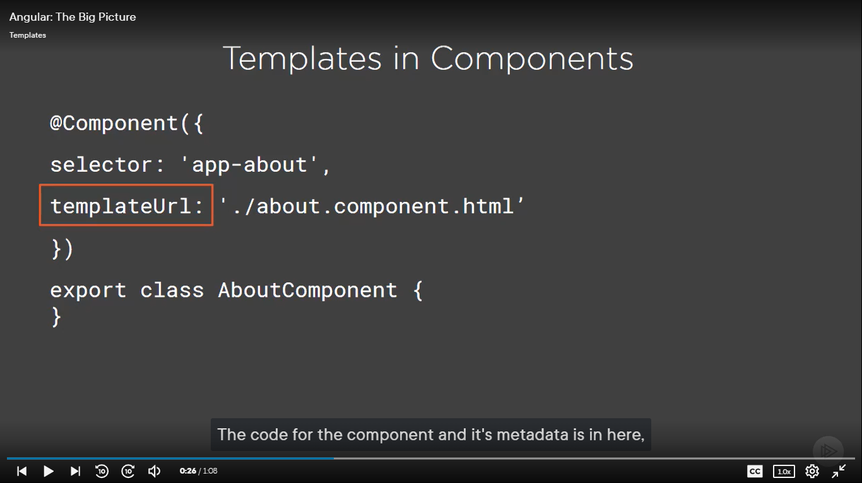
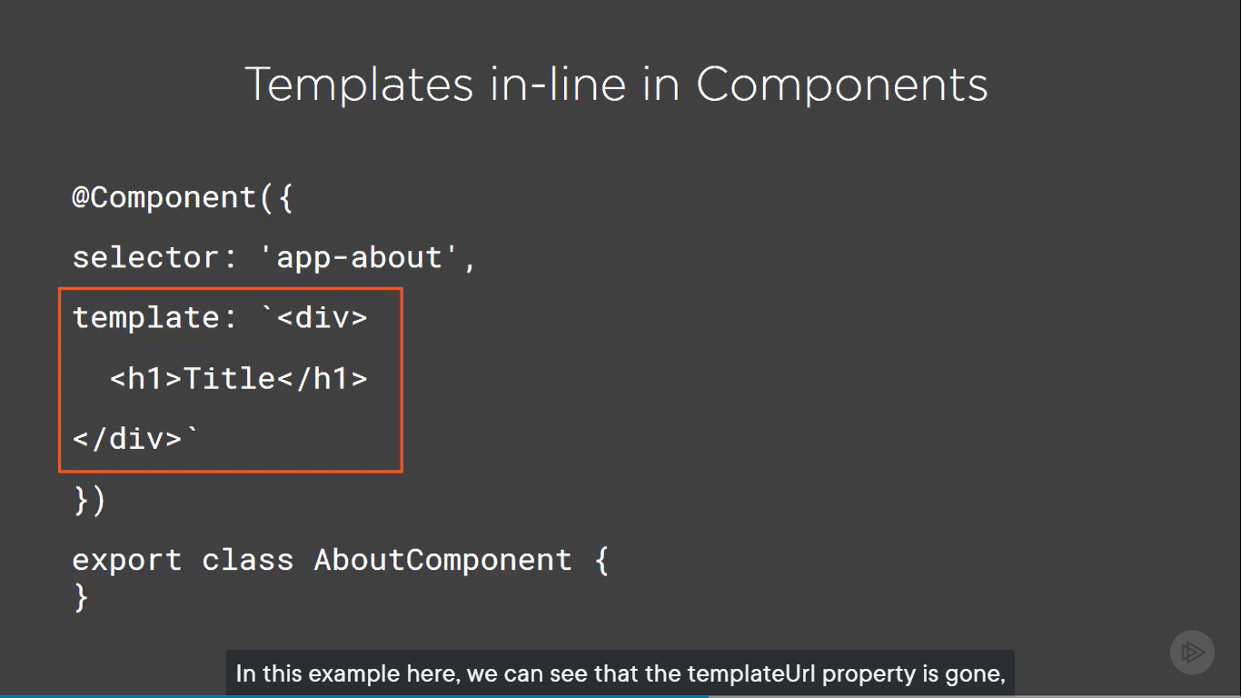
TemplateUrl | Inline Template

Zone.js&Change_Detection
Zone.js and Change_Detection
* re-render the display when its state changes * It happens spontaneously (Happen suddenly or automatically) * State changes when something happens in an application * this will always be the result of some kind of event, such as - User Interaction like entering data in a text box ...or - Clicking a button, or an HTTP request retuirns its result ...or - Timer fires ...or similar event * where we want framework's change detection to kick-in and reredner anything that has changed * Zone.js is the key to Angular's change detection | 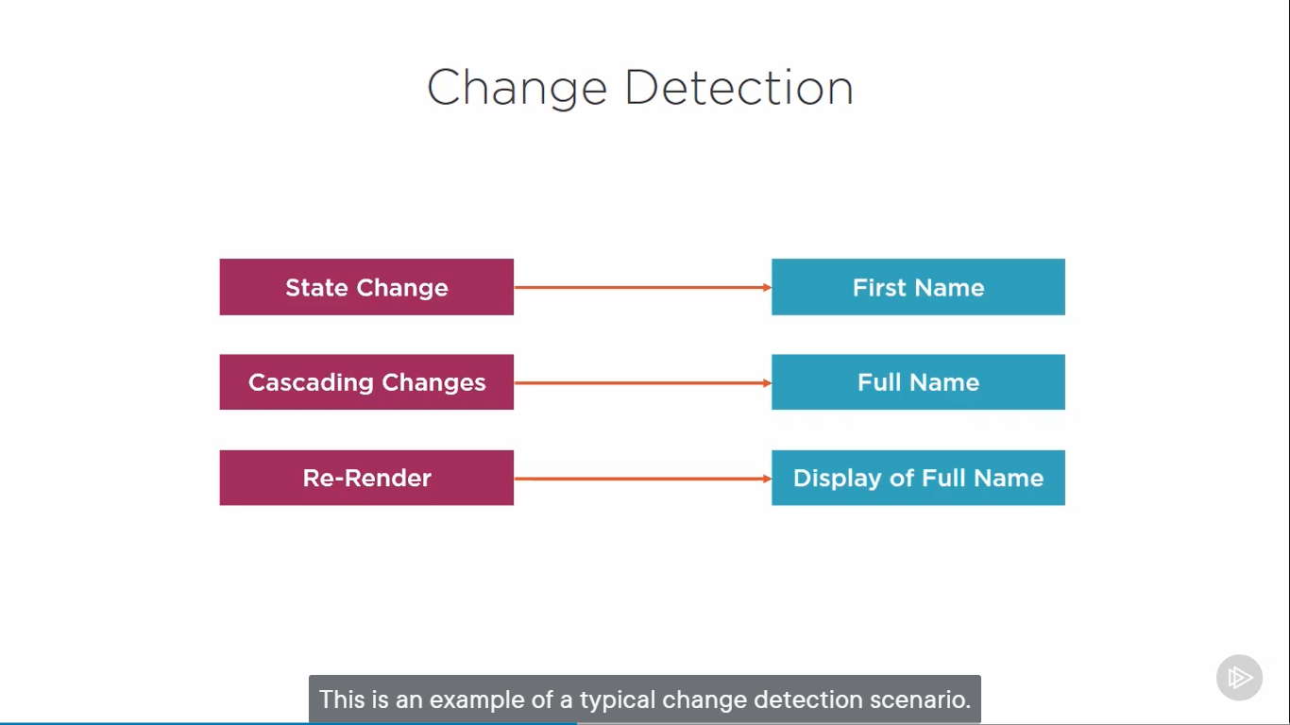

Zone.js
* Zone.js create a wrapper around all asynchronous operationsin the browsers such as User Interactions, HTTP, timers and any other events that can casue changes in state * Zone knows when any of these operations completes * In Angular, subscribes to notifications from Zone for whenever one of these operations completes * This allows Angular know that it can run its change detection * Application Performance is the big piece of Change Detection in Angular | 