Greatest_accuracy
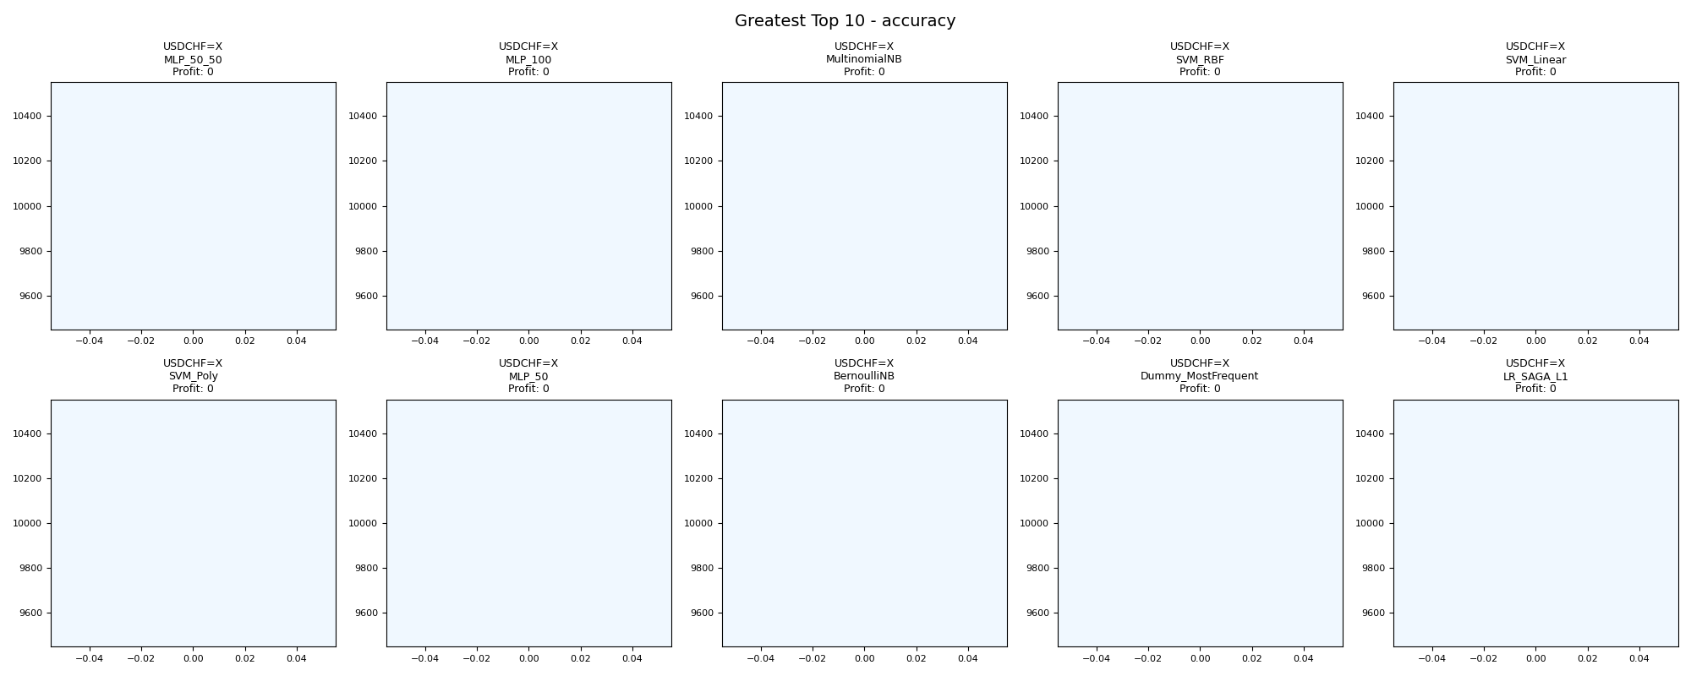
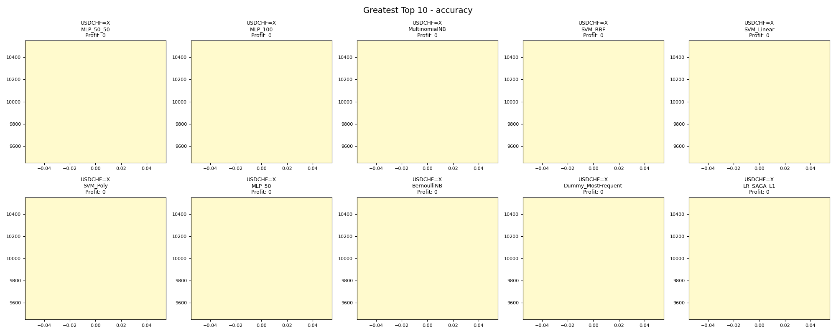
asset | model | duration_years | buy_hold_profit | n_samples | support_pos | support_neg | pos_ratio_true | pos_ratio_pred | accuracy | balanced_accuracy | cohen_kappa | matthews_cc | precision | recall | f1 | f2 | f05 | precision_neg | recall_neg | hamming_loss | zero_one_loss | jaccard | roc_auc | average_precision | log_loss | brier_score | swing_profit | day_profit | swing_cagr | day_cagr | swing_mdd | day_mdd | swing_max_profit | day_max_profit | swing_max_loss | day_max_loss | swing_trades | day_trades
USDCHF=X | MLP_50_50 | 20 | -668.7320553 | 2601 | 793 | 1808 | 0.30488273741 | 0 | 0.69511726259 | 0.5 | 0 | 0 | 0 | 0 | 0 | 0 | 0 | 0.69511726259 | 1 | 0.30488273741 | 0.30488273741 | 0 | 0.5399189116 | 0.33245336094 | 0.63292926718 | 0.22026986723 | 0 | 0 | 0 | 0 |  |  | 0 | 0 | 0 | 0 | 0 | 0
USDCHF=X | MLP_100 | 20 | -668.7320553 | 2601 | 793 | 1808 | 0.30488273741 | 0 | 0.69511726259 | 0.5 | 0 | 0 | 0 | 0 | 0 | 0 | 0 | 0.69511726259 | 1 | 0.30488273741 | 0.30488273741 | 0 | 0.5399328611 | 0.33243847858 | 0.6372566031 | 0.22234629594 | 0 | 0 | 0 | 0 |  |  | 0 | 0 | 0 | 0 | 0 | 0
USDCHF=X | MultinomialNB | 20 | -668.7320553 | 2601 | 793 | 1808 | 0.30488273741 | 0 | 0.69511726259 | 0.5 | 0 | 0 | 0 | 0 | 0 | 0 | 0 | 0.69511726259 | 1 | 0.30488273741 | 0.30488273741 | 0 | 0.51979258501 | 0.33394717792 | 0.65745321811 | 0.2322141186 | 0 | 0 | 0 | 0 |  |  | 0 | 0 | 0 | 0 | 0 | 0
USDCHF=X | SVM_RBF | 20 | -668.7320553 | 2601 | 793 | 1808 | 0.30488273741 | 0 | 0.69511726259 | 0.5 | 0 | 0 | 0 | 0 | 0 | 0 | 0 | 0.69511726259 | 1 | 0.30488273741 | 0.30488273741 | 0 | 0.46306000234 | 0.2722740538 | 0.6507900182 | 0.22892849151 | 0 | 0 | 0 | 0 |  |  | 0 | 0 | 0 | 0 | 0 | 0
USDCHF=X | SVM_Linear | 20 | -668.7320553 | 2601 | 793 | 1808 | 0.30488273741 | 0 | 0.69511726259 | 0.5 | 0 | 0 | 0 | 0 | 0 | 0 | 0 | 0.69511726259 | 1 | 0.30488273741 | 0.30488273741 | 0 | 0.54119738252 | 0.33689858884 | 0.64883278106 | 0.22797544456 | 0 | 0 | 0 | 0 |  |  | 0 | 0 | 0 | 0 | 0 | 0
USDCHF=X | SVM_Poly | 20 | -668.7320553 | 2601 | 793 | 1808 | 0.30488273741 | 0 | 0.69511726259 | 0.5 | 0 | 0 | 0 | 0 | 0 | 0 | 0 | 0.69511726259 | 1 | 0.30488273741 | 0.30488273741 | 0 | 0.53990705454 | 0.33241471412 | 0.65550818981 | 0.23125315583 | 0 | 0 | 0 | 0 |  |  | 0 | 0 | 0 | 0 | 0 | 0
USDCHF=X | MLP_50 | 20 | -668.7320553 | 2601 | 793 | 1808 | 0.30488273741 | 0 | 0.69511726259 | 0.5 | 0 | 0 | 0 | 0 | 0 | 0 | 0 | 0.69511726259 | 1 | 0.30488273741 | 0.30488273741 | 0 | 0.53992309645 | 0.33243855774 | 0.6404799704 | 0.22390284999 | 0 | 0 | 0 | 0 |  |  | 0 | 0 | 0 | 0 | 0 | 0
USDCHF=X | BernoulliNB | 20 | -668.7320553 | 2601 | 793 | 1808 | 0.30488273741 | 0 | 0.69511726259 | 0.5 | 0 | 0 | 0 | 0 | 0 | 0 | 0 | 0.69511726259 | 1 | 0.30488273741 | 0.30488273741 | 0 | 0.5 | 0.30488273741 | 0.65740664479 | 0.23219109096 | 0 | 0 | 0 | 0 |  |  | 0 | 0 | 0 | 0 | 0 | 0
USDCHF=X | Dummy_MostFrequent | 20 | -668.7320553 | 2601 | 793 | 1808 | 0.30488273741 | 0 | 0.69511726259 | 0.5 | 0 | 0 | 0 | 0 | 0 | 0 | 0 | 0.69511726259 | 1 | 0.30488273741 | 0.30488273741 | 0 | 0.5 | 0.30488273741 | 10.989087711 | 0.30488273741 | 0 | 0 | 0 | 0 |  |  | 0 | 0 | 0 | 0 | 0 | 0
USDCHF=X | LR_SAGA_L1 | 20 | -668.7320553 | 2601 | 793 | 1808 | 0.30488273741 | 0 | 0.69511726259 | 0.5 | 0 | 0 | 0 | 0 | 0 | 0 | 0 | 0.69511726259 | 1 | 0.30488273741 | 0.30488273741 | 0 | 0.53997715073 | 0.33254047783 | 0.63317213941 | 0.22038411799 | 0 | 0 | 0 | 0 |  |  | 0 | 0 | 0 | 0 | 0 | 0

Fewest_accuracy
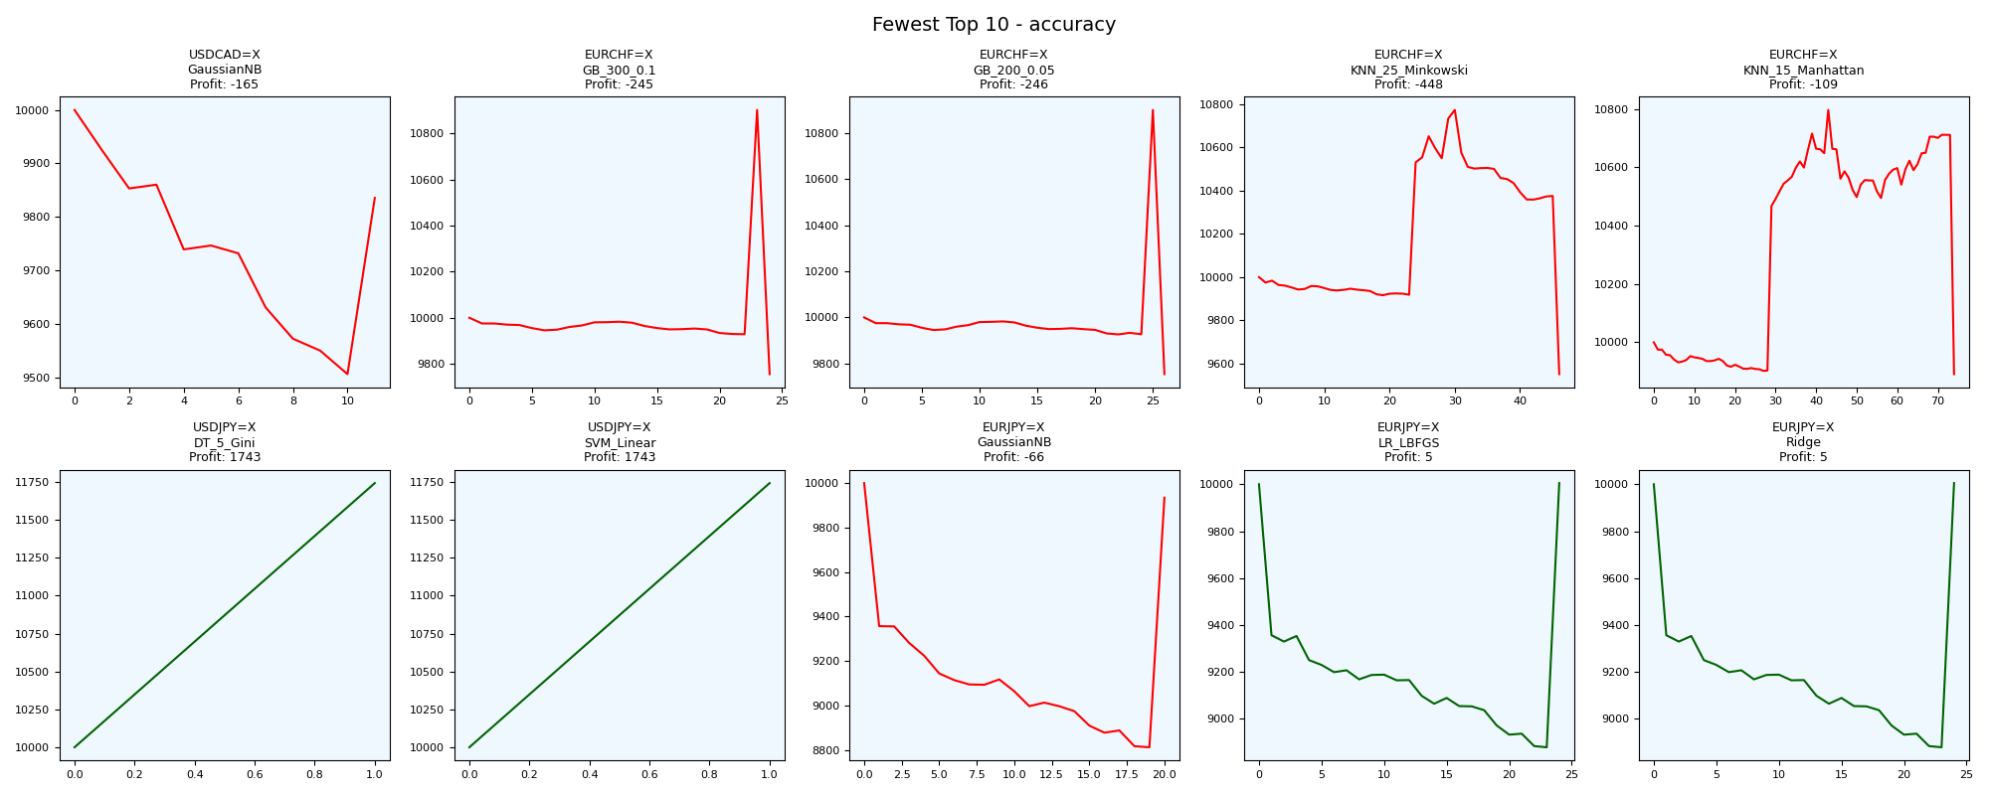
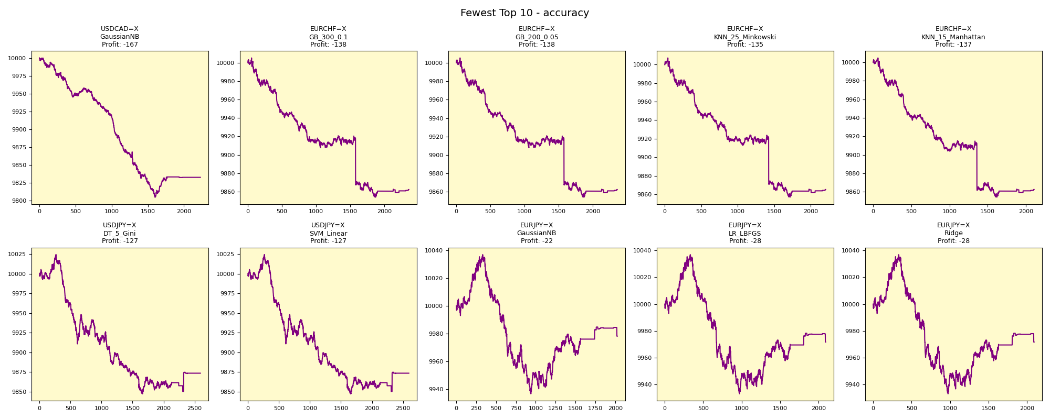
asset | model | duration_years | buy_hold_profit | n_samples | support_pos | support_neg | pos_ratio_true | pos_ratio_pred | accuracy | balanced_accuracy | cohen_kappa | matthews_cc | precision | recall | f1 | f2 | f05 | precision_neg | recall_neg | hamming_loss | zero_one_loss | jaccard | roc_auc | average_precision | log_loss | brier_score | swing_profit | day_profit | swing_cagr | day_cagr | swing_mdd | day_mdd | swing_max_profit | day_max_profit | swing_max_loss | day_max_loss | swing_trades | day_trades
USDCAD=X | GaussianNB | 20 | 2444.8287285 | 2602 | 884 | 1718 | 0.33973866257 | 0.85626441199 | 0.36817832437 | 0.48035045486 | -0.028705823506 | -0.05305506062 | 0.32944344704 | 0.83031674208 | 0.47172236504 | 0.63671061763 | 0.37464271131 | 0.59893048128 | 0.13038416764 | 0.63182167563 | 0.63182167563 | 0.3086627418 | 0.42741085867 | 0.30359575781 | 0.73912928997 | 0.27272649021 | -164.5420142 | -167.39820304 | -0.00082920978054 | -0.00084371959892 | 0.049400883703 | 0.019523989886 | 0 | 0 | -494.00883703 | -195.23989886 | 22 | 2227
EURCHF=X | GB_300_0.1 | 20 | -2449.5672287 | 2595 | 898 | 1697 | 0.34605009634 | 0.91021194605 | 0.37418111753 | 0.50053612231 | 0.00077485780838 | 0.0017842473301 | 0.34631668078 | 0.91091314031 | 0.5018404908 | 0.68693315418 | 0.39532186352 | 0.65665236052 | 0.090159104302 | 0.62581888247 | 0.62581888247 | 0.33497133497 | 0.51964983404 | 0.36086338435 | 0.70658876688 | 0.25601831011 | -245.09305179 | -137.69769922 | -0.0012399635015 | -0.00069303237061 | 0.10528608388 | 0.015101670013 | 902.82242447 | 5.1355403144 | -245.09305179 | -145.95871505 | 48 | 2361
EURCHF=X | GB_200_0.05 | 20 | -2449.5672287 | 2595 | 898 | 1697 | 0.34605009634 | 0.9105973025 | 0.37456647399 | 0.50109291518 | 0.001579291604 | 0.0036443467306 | 0.34659331358 | 0.91202672606 | 0.502299908 | 0.68765743073 | 0.39565217391 | 0.65948275862 | 0.090159104302 | 0.62543352601 | 0.62543352601 | 0.33538083538 | 0.51649872105 | 0.35968316531 | 0.70572584319 | 0.25609062714 | -246.39021795 | -137.54018663 | -0.0012466044647 | -0.00069223437118 | 0.10527817959 | 0.015101543605 | 901.27630679 | 5.2934632393 | -246.39021795 | -145.80191228 | 52 | 2362
EURCHF=X | KNN_25_Minkowski | 20 | -2449.5672287 | 2595 | 898 | 1697 | 0.34605009634 | 0.84971098266 | 0.38073217726 | 0.48719409202 | -0.019075756854 | -0.034094385031 | 0.33922902494 | 0.83296213808 | 0.48211408315 | 0.64516129032 | 0.38485285038 | 0.61538461538 | 0.14142604596 | 0.61926782274 | 0.61926782274 | 0.31762208068 | 0.46662064458 | 0.32966884731 | 0.72778787907 | 0.26714142582 | -447.79527443 | -134.91883189 | -0.002288033643 | -0.00067895568851 | 0.11323166282 | 0.015033094491 | 771.92805045 | 7.2573479994 | -447.79527443 | -143.18269731 | 92 | 2204
EURCHF=X | KNN_15_Manhattan | 20 | -2449.5672287 | 2595 | 898 | 1697 | 0.34605009634 | 0.81310211946 | 0.3880539499 | 0.48283030581 | -0.02605945919 | -0.041904392437 | 0.336492891 | 0.79064587973 | 0.47207446809 | 0.62258856542 | 0.38016705933 | 0.61237113402 | 0.17501473188 | 0.6119460501 | 0.6119460501 | 0.3089643168 | 0.46476390276 | 0.33168338089 | 0.75478838039 | 0.2800376793 | -109.01120873 | -137.43903431 | -0.00054789852186 | -0.00069172191381 | 0.083866462875 | 0.015026658452 | 796.44876042 | 4.6356834075 | -109.01120873 | -145.70055995 | 148 | 2109
USDJPY=X | DT_5_Gini | 20 | 3522.0656261 | 2594 | 1008 | 1586 | 0.38858905166 | 1 | 0.38858905166 | 0.5 | 0 | 0 | 0.38858905166 | 1 | 0.55968906163 | 0.76063990341 | 0.44272663387 | 0 | 0 | 0.61141094834 | 0.61141094834 | 0.38858905166 | 0.5 | 0.38858905166 | 0.69427570125 | 0.2505642556 | 1743.1555818 | -126.61914987 | 0.0080666350955 | -0.00063693508038 | 0 | 0.017694026017 | 1743.1555818 | 24.424086278 | 0 | -152.94833431 | 2 | 2593
USDJPY=X | SVM_Linear | 20 | 3522.0656261 | 2594 | 1008 | 1586 | 0.38858905166 | 1 | 0.38858905166 | 0.5 | 0 | 0 | 0.38858905166 | 1 | 0.55968906163 | 0.76063990341 | 0.44272663387 | 0 | 0 | 0.61141094834 | 0.61141094834 | 0.38858905166 | 0.63766163254 | 0.46734974458 | 0.69141137623 | 0.24913212867 | 1743.1555818 | -126.61914987 | 0.0080666350955 | -0.00063693508038 | 0 | 0.017694026017 | 1743.1555818 | 24.424086278 | 0 | -152.94833431 | 2 | 2593
EURJPY=X | GaussianNB | 20 | 994.0719922 | 2596 | 1070 | 1526 | 0.41217257319 | 0.78081664099 | 0.38867488444 | 0.43602785365 | -0.11286234155 | -0.15223239005 | 0.37247163296 | 0.70560747664 | 0.48756861479 | 0.59854130331 | 0.41130965352 | 0.44639718805 | 0.16644823067 | 0.61132511556 | 0.61132511556 | 0.32237403928 | 0.34010148087 | 0.3112844974 | 0.71693987269 | 0.2618451019 | -65.513754669 | -21.807969131 | -0.00032859249764 | -0.00010915295806 | 0.11882752522 | 0.0099907893267 | 0 | 36.914597356 | -1188.2752522 | -63.362101877 | 40 | 2026
EURJPY=X | LR_LBFGS | 20 | 994.0719922 | 2596 | 1070 | 1526 | 0.41217257319 | 0.80585516179 | 0.38906009245 | 0.44096348648 | -0.10332740927 | -0.14693448824 | 0.37667304015 | 0.73644859813 | 0.49841872233 | 0.6183301946 | 0.41746132655 | 0.44047619048 | 0.14547837484 | 0.61093990755 | 0.61093990755 | 0.33192923336 | 0.34027602553 | 0.31135382846 | 0.70633276201 | 0.25658031691 | 5.0039157043 | -28.340549451 | 2.5013633652E-05 | -0.00014189385624 | 0.11208727844 | 0.01034771458 | 5.0039157043 | 36.914597356 | -1120.8727844 | -66.944530158 | 48 | 2091
EURJPY=X | Ridge | 20 | 994.0719922 | 2596 | 1070 | 1526 | 0.41217257319 | 0.80585516179 | 0.38906009245 | 0.44096348648 | -0.10332740927 | -0.14693448824 | 0.37667304015 | 0.73644859813 | 0.49841872233 | 0.6183301946 | 0.41746132655 | 0.44047619048 | 0.14547837484 | 0.61093990755 | 0.61093990755 | 0.33192923336 |  |  |  |  | 5.0039157043 | -28.340549451 | 2.5013633652E-05 | -0.00014189385624 | 0.11208727844 | 0.01034771458 | 5.0039157043 | 36.914597356 | -1120.8727844 | -66.944530158 | 48 | 2091

Greatest_matthews_cc
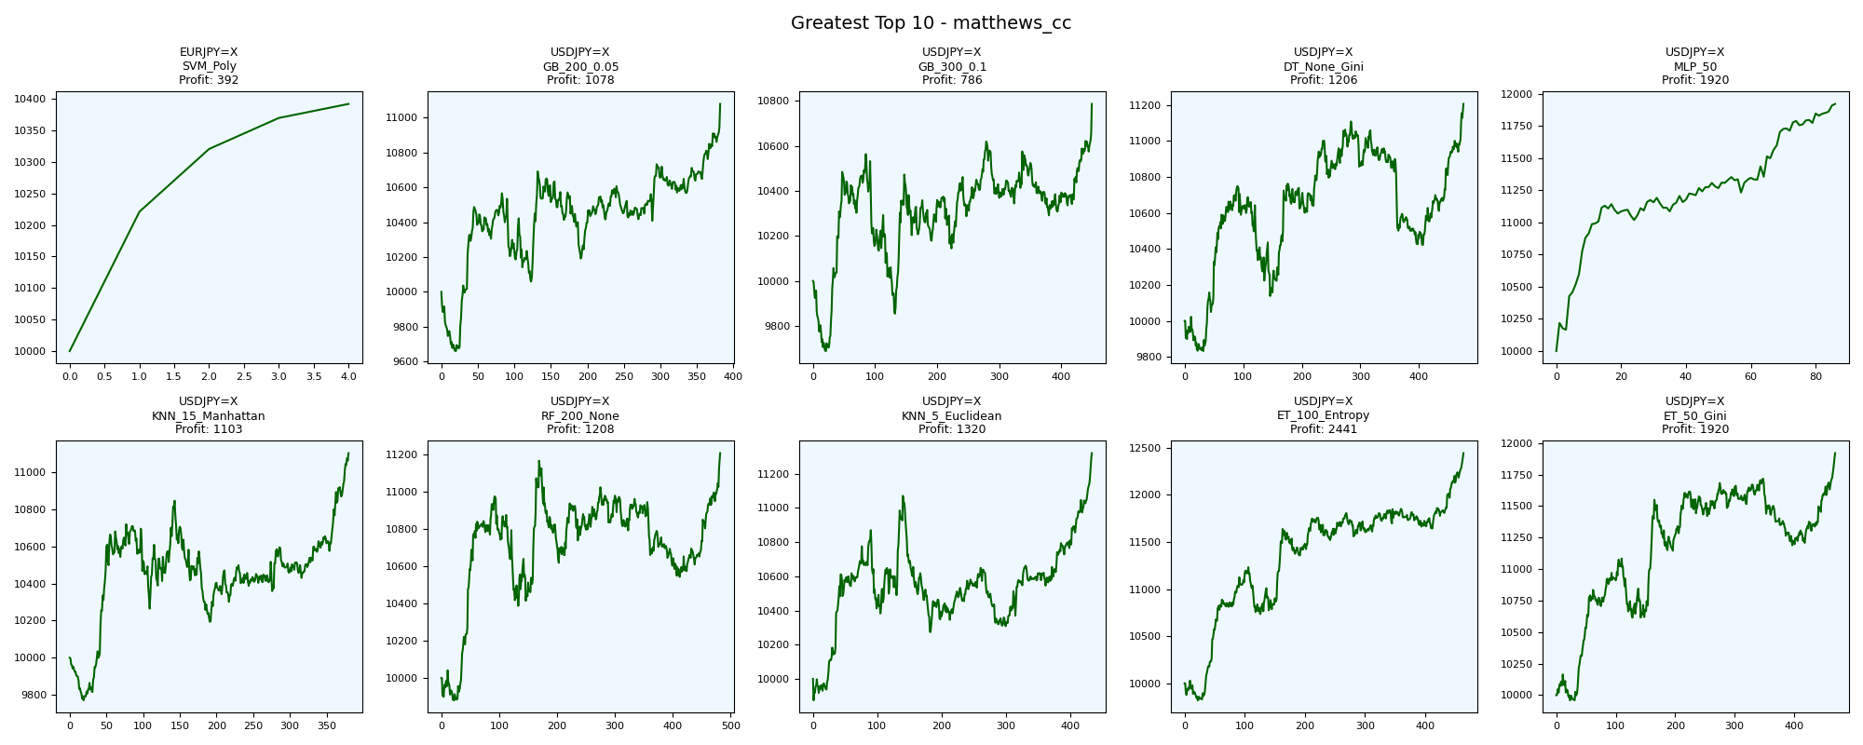
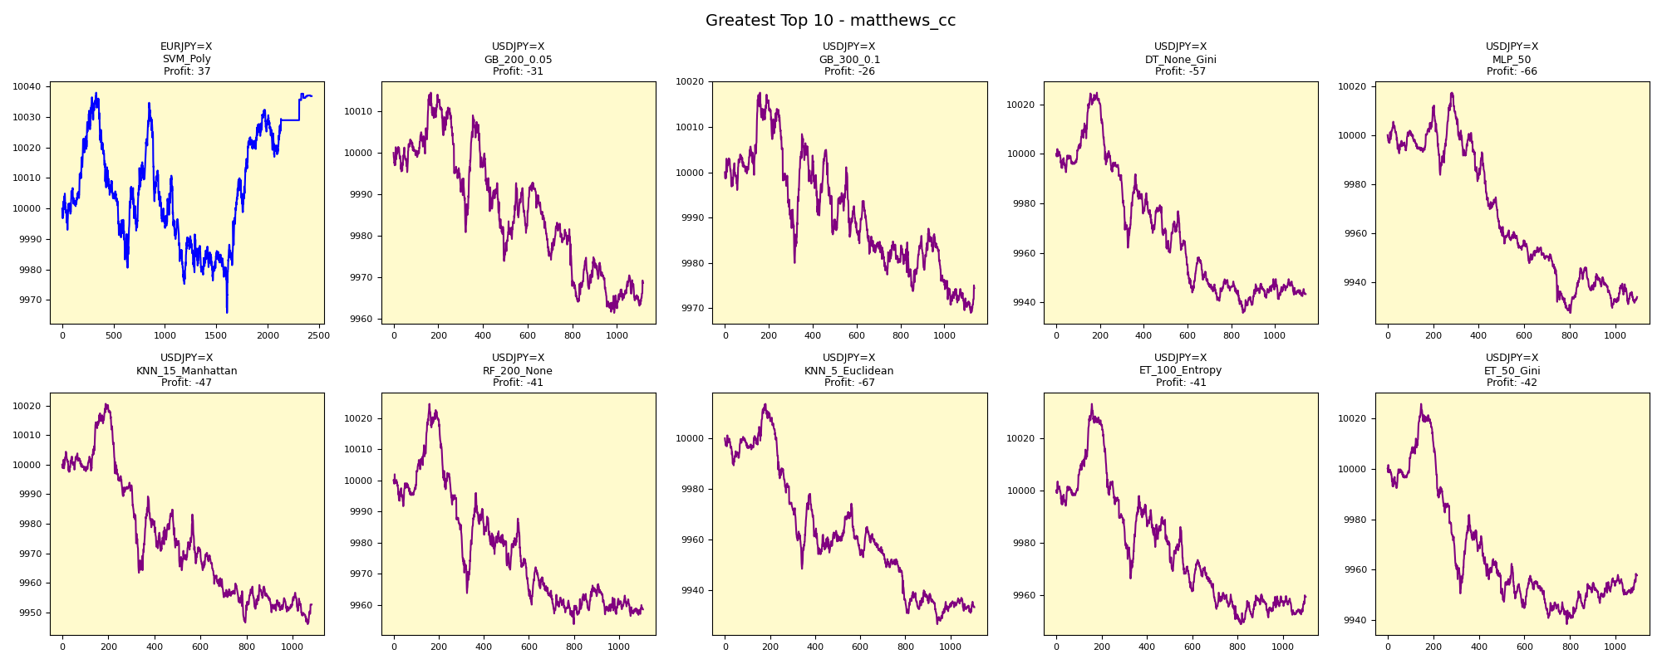
asset | model | duration_years | buy_hold_profit | n_samples | support_pos | support_neg | pos_ratio_true | pos_ratio_pred | accuracy | balanced_accuracy | cohen_kappa | matthews_cc | precision | recall | f1 | f2 | f05 | precision_neg | recall_neg | hamming_loss | zero_one_loss | jaccard | roc_auc | average_precision | log_loss | brier_score | swing_profit | day_profit | swing_cagr | day_cagr | swing_mdd | day_mdd | swing_max_profit | day_max_profit | swing_max_loss | day_max_loss | swing_trades | day_trades
EURJPY=X | SVM_Poly | 20 | 994.0719922 | 2596 | 1070 | 1526 | 0.41217257319 | 0.93644067797 | 0.4749614792 | 0.55326796585 | 0.089522666546 | 0.2149467151 | 0.43973673385 | 0.99906542056 | 0.6106826621 | 0.79645358367 | 0.4951825088 | 0.99393939394 | 0.10747051114 | 0.5250385208 | 0.5250385208 | 0.43955592105 | 0.65988933257 | 0.53066125654 | 0.69721055815 | 0.25203120408 | 392.1607538 | 36.890010276 | 0.0019251835533 | 0.00018412761698 | 0 | 0.0072056788059 | 392.1607538 | 38.026409381 | 0 | -34.30438477 | 8 | 2431
USDJPY=X | GB_200_0.05 | 20 | 3522.0656261 | 2594 | 1008 | 1586 | 0.38858905166 | 0.43060909792 | 0.59483423285 | 0.58351911067 | 0.16381045388 | 0.16442993315 | 0.48075201432 | 0.53273809524 | 0.50541176471 | 0.52146047776 | 0.49032140248 | 0.68111035884 | 0.6343001261 | 0.40516576715 | 0.40516576715 | 0.33816120907 | 0.51580764977 | 0.42583304987 | 0.72085903702 | 0.26239977637 | 1077.9371505 | -31.338777125 | 0.0051316416628 | -0.00015692761512 | 0.047931362711 | 0.0052966057897 | 1077.9371505 | 14.490082219 | -339.86965413 | -38.552723932 | 764 | 1117
USDJPY=X | GB_300_0.1 | 20 | 3522.0656261 | 2594 | 1008 | 1586 | 0.38858905166 | 0.43831919815 | 0.59020817271 | 0.58045910146 | 0.15725114596 | 0.15808003493 | 0.47581354442 | 0.53670634921 | 0.50442890443 | 0.52331205262 | 0.48686105112 | 0.67947838023 | 0.62421185372 | 0.40979182729 | 0.40979182729 | 0.33728179551 | 0.51276578044 | 0.42162778614 | 0.76077124225 | 0.27797274337 | 785.54925929 | -25.596713754 | 0.0037882630795 | -0.0001281394362 | 0.067048514083 | 0.0048593871221 | 785.54925929 | 17.595347223 | -311.16813744 | -31.084026601 | 898 | 1137
USDJPY=X | DT_None_Gini | 20 | 3522.0656261 | 2594 | 1008 | 1586 | 0.38858905166 | 0.4398612182 | 0.58866615266 | 0.57919806742 | 0.15467725433 | 0.15554312066 | 0.47414548642 | 0.53670634921 | 0.50348999535 | 0.52290740383 | 0.48546302943 | 0.67859600826 | 0.62168978562 | 0.41133384734 | 0.41133384734 | 0.33644278607 | 0.57919806742 | 0.43450773341 | 14.825974621 | 0.41133384734 | 1205.5232753 | -56.681037872 | 0.0057073106593 | -0.00028417103812 | 0.0617962192 | 0.0088800225976 | 1205.5232753 | 24.730055434 | -168.1415491 | -64.289773993 | 952 | 1141
USDJPY=X | MLP_50 | 20 | 3522.0656261 | 2594 | 1008 | 1586 | 0.38858905166 | 0.42251349268 | 0.58982266769 | 0.57634760504 | 0.15030416472 | 0.15067669567 | 0.47445255474 | 0.51587301587 | 0.49429657795 | 0.50702028081 | 0.4821958457 | 0.67423230975 | 0.6368221942 | 0.41017733231 | 0.41017733231 | 0.32828282828 | 0.64861811686 | 0.46930127523 | 0.68407971212 | 0.24547100739 | 1920.0204828 | -66.199144194 | 0.0088203867238 | -0.00033204102406 | 0.01100998562 | 0.0089927137451 | 1920.0204828 | 17.356838056 | 0 | -72.726384471 | 172 | 1096
USDJPY=X | KNN_15_Manhattan | 20 | 3522.0656261 | 2594 | 1008 | 1586 | 0.38858905166 | 0.41750192753 | 0.58943716268 | 0.57476693389 | 0.14753360821 | 0.14780018027 | 0.47368421053 | 0.50892857143 | 0.49067431851 | 0.50146627566 | 0.48033707865 | 0.67240238253 | 0.64060529634 | 0.41056283732 | 0.41056283732 | 0.32509505703 | 0.58668045297 | 0.44899785108 | 0.68260037686 | 0.2440178189 | 1103.1009923 | -47.322148721 | 0.0052456778905 | -0.0002371442394 | 0.060189576539 | 0.0074417023643 | 1103.1009923 | 20.588883289 | -230.01005109 | -53.981356696 | 760 | 1083
USDJPY=X | RF_200_None | 20 | 3522.0656261 | 2594 | 1008 | 1586 | 0.38858905166 | 0.4267540478 | 0.58481110254 | 0.57206847115 | 0.14160274172 | 0.14204562682 | 0.46883468835 | 0.51488095238 | 0.49078014184 | 0.50496205487 | 0.47737306843 | 0.67114996638 | 0.62925598991 | 0.41518889746 | 0.41518889746 | 0.32518796992 | 0.63365678606 | 0.47137102495 | 0.77176982845 | 0.26512588872 | 1207.6563863 | -41.370069122 | 0.0057168822398 | -0.00020725791912 | 0.055877244634 | 0.0070435098386 | 1207.6563863 | 24.497458456 | -119.94924132 | -46.11018802 | 964 | 1107
USDJPY=X | KNN_5_Euclidean | 20 | 3522.0656261 | 2594 | 1008 | 1586 | 0.38858905166 | 0.42636854279 | 0.58442559753 | 0.5715724394 | 0.14065309986 | 0.14108428567 | 0.46835443038 | 0.51388888889 | 0.49006622517 | 0.50408719346 | 0.47680412371 | 0.67069892473 | 0.62925598991 | 0.41557440247 | 0.41557440247 | 0.32456140351 | 0.61416111211 | 0.45530297756 | 1.7166652706 | 0.2599845798 | 1320.3160079 | -66.882730614 | 0.0062199588682 | -0.00033548070333 | 0.071926459637 | 0.0087110610226 | 1320.3160079 | 13.63283763 | -125.37728807 | -73.596529076 | 868 | 1106
USDJPY=X | ET_100_Entropy | 20 | 3522.0656261 | 2594 | 1008 | 1586 | 0.38858905166 | 0.42444101773 | 0.58481110254 | 0.57152615144 | 0.14068708418 | 0.14107600337 | 0.46866485014 | 0.5119047619 | 0.4893314367 | 0.50263004091 | 0.47671840355 | 0.67046215673 | 0.63114754098 | 0.41518889746 | 0.41518889746 | 0.32391713748 | 0.63725848946 | 0.46231476584 | 1.2833588294 | 0.27222422899 | 2441.2390326 | -40.743148178 | 0.010981437669 | -0.00020411103911 | 0.044274802166 | 0.0083935114259 | 2441.2390326 | 33.040640918 | -180.3385134 | -51.171800338 | 928 | 1101
USDJPY=X | ET_50_Gini | 20 | 3522.0656261 | 2594 | 1008 | 1586 | 0.38858905166 | 0.42174248265 | 0.58519660756 | 0.57129909025 | 0.14041521562 | 0.14074777924 | 0.4689213894 | 0.50892857143 | 0.48810656518 | 0.50039016777 | 0.4764115899 | 0.67 | 0.63366960908 | 0.41480339244 | 0.41480339244 | 0.32284455632 | 0.63501665115 | 0.46086917554 | 1.4685249718 | 0.27561904395 | 1920.1778927 | -42.205343253 | 0.0088210528189 | -0.00021145093709 | 0.045019535537 | 0.0086942099371 | 1920.1778927 | 25.618096809 | -40.921315622 | -61.546731674 | 938 | 1094

Fewest_matthews_cc
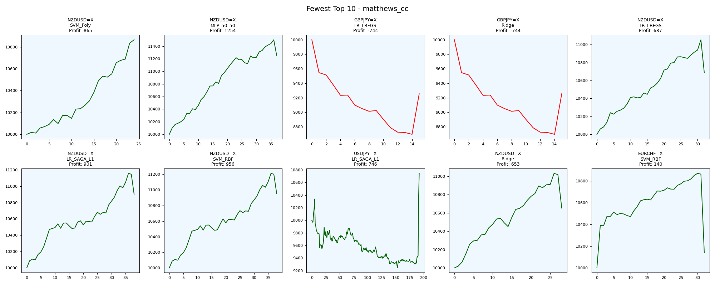
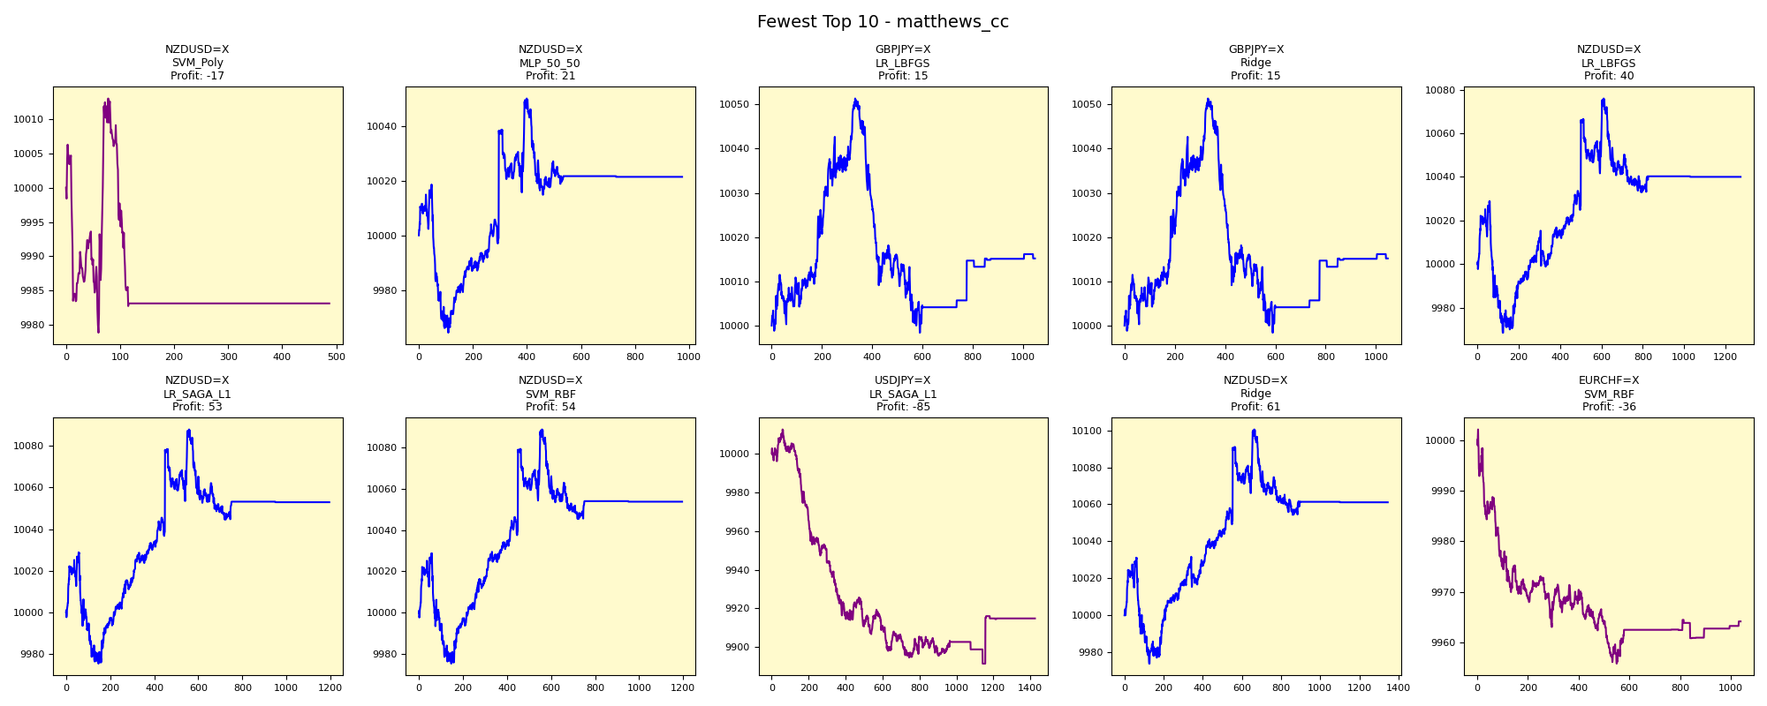
asset | model | duration_years | buy_hold_profit | n_samples | support_pos | support_neg | pos_ratio_true | pos_ratio_pred | accuracy | balanced_accuracy | cohen_kappa | matthews_cc | precision | recall | f1 | f2 | f05 | precision_neg | recall_neg | hamming_loss | zero_one_loss | jaccard | roc_auc | average_precision | log_loss | brier_score | swing_profit | day_profit | swing_cagr | day_cagr | swing_mdd | day_mdd | swing_max_profit | day_max_profit | swing_max_loss | day_max_loss | swing_trades | day_trades
NZDUSD=X | SVM_Poly | 20 | -2372.1613816 | 2597 | 1048 | 1549 | 0.4035425491 | 0.18790912591 | 0.44859453215 | 0.38407320162 | -0.25378403746 | -0.29118700321 | 0.10655737705 | 0.049618320611 | 0.067708333333 | 0.055555555556 | 0.086666666667 | 0.52773826458 | 0.71852808263 | 0.55140546785 | 0.55140546785 | 0.035040431267 | 0.64092076149 | 0.48491484982 | 0.68835437955 | 0.24760414867 | 864.95712759 | -16.874281098 | 0.0041564930947 | -8.4439105829E-05 | 0.0035491129308 | 0.0030236809561 | 864.95712759 | 13.016134046 | 0 | -21.149333641 | 48 | 487
NZDUSD=X | MLP_50_50 | 20 | -2372.1613816 | 2597 | 1048 | 1549 | 0.4035425491 | 0.37543319214 | 0.41509433962 | 0.38685263578 | -0.22887290269 | -0.22927307436 | 0.25846153846 | 0.24045801527 | 0.2491349481 | 0.24385523515 | 0.25464834276 | 0.50924784217 | 0.53324725629 | 0.58490566038 | 0.58490566038 | 0.14229249012 | 0.35913159931 | 0.31019409536 | 0.69673795632 | 0.25179506925 | 1253.6605139 | 21.356770974 | 0.0059228894438 | 0.00010667567849 | 0.021530455413 | 0.0053874259368 | 1501.288493 | 49.956948207 | 0 | -35.525923397 | 74 | 974
GBPJPY=X | LR_LBFGS | 20 | 525.38961187 | 2602 | 1066 | 1536 | 0.4096848578 | 0.40276710223 | 0.42352036895 | 0.40278531015 | -0.19493296986 | -0.19495301328 | 0.2929389313 | 0.28799249531 | 0.29044465468 | 0.28896837349 | 0.29193609738 | 0.51158301158 | 0.517578125 | 0.57647963105 | 0.57647963105 | 0.16989485335 | 0.4124187114 | 0.35971368284 | 0.69521672421 | 0.25103460847 | -744.06759679 | 15.181526129 | -0.0038585568722 | 7.5852945902E-05 | 0.13022674979 | 0.0052690496853 | 0 | 51.351980988 | -1302.2674979 | -1.6090920044 | 30 | 1047
GBPJPY=X | Ridge | 20 | 525.38961187 | 2602 | 1066 | 1536 | 0.4096848578 | 0.40276710223 | 0.42352036895 | 0.40278531015 | -0.19493296986 | -0.19495301328 | 0.2929389313 | 0.28799249531 | 0.29044465468 | 0.28896837349 | 0.29193609738 | 0.51158301158 | 0.517578125 | 0.57647963105 | 0.57647963105 | 0.16989485335 |  |  |  |  | -744.06759679 | 15.181526129 | -0.0038585568722 | 7.5852945902E-05 | 0.13022674979 | 0.0052690496853 | 0 | 51.351980988 | -1302.2674979 | -1.6090920044 | 30 | 1047
NZDUSD=X | LR_LBFGS | 20 | -2372.1613816 | 2597 | 1048 | 1549 | 0.4035425491 | 0.49056603774 | 0.40777820562 | 0.40232309444 | -0.18877059939 | -0.19171831455 | 0.30769230769 | 0.37404580153 | 0.33763996555 | 0.35858031467 | 0.31901041667 | 0.50415721844 | 0.43060038735 | 0.59222179438 | 0.59222179438 | 0.20310880829 | 0.35915007959 | 0.31019759502 | 0.70034929101 | 0.25359868401 | 687.41761443 | 40.020967796 | 0.003329632585 | 0.00019972542713 | 0.033155495635 | 0.0060113216062 | 1053.9156671 | 76.012296723 | 0 | -31.553536991 | 64 | 1273
NZDUSD=X | LR_SAGA_L1 | 20 | -2372.1613816 | 2597 | 1048 | 1549 | 0.4035425491 | 0.46014632268 | 0.41586445899 | 0.40462666138 | -0.18651582318 | -0.18776099245 | 0.30376569038 | 0.3463740458 | 0.32367365136 | 0.33692222016 | 0.31142759094 | 0.51141226819 | 0.46287927695 | 0.58413554101 | 0.58413554101 | 0.19308510638 | 0.35914083945 | 0.31020144595 | 0.69929940752 | 0.25307460364 | 901.49552291 | 52.92064041 | 0.0043250707755 | 0.00026394034002 | 0.022955297577 | 0.0053251425928 | 1157.6220575 | 87.900057043 | 0 | -24.672031287 | 76 | 1194
NZDUSD=X | SVM_RBF | 20 | -2372.1613816 | 2597 | 1048 | 1549 | 0.4035425491 | 0.46053138236 | 0.41624951868 | 0.40510376061 | -0.18555479136 | -0.18681024527 | 0.30434782609 | 0.34732824427 | 0.32442067736 | 0.33778767632 | 0.31207133059 | 0.51177730193 | 0.46287927695 | 0.58375048132 | 0.58375048132 | 0.19361702128 | 0.64594370167 | 0.50122710197 | 0.68420021511 | 0.24553029109 | 955.79060074 | 53.743334271 | 0.0045745838813 | 0.00026803307608 | 0.022955533518 | 0.0053251425928 | 1213.1954856 | 88.725137057 | 0 | -24.672031287 | 76 | 1195
USDJPY=X | LR_SAGA_L1 | 20 | 3522.0656261 | 2594 | 1008 | 1586 | 0.38858905166 | 0.54973014649 | 0.40169622205 | 0.4082203657 | -0.17066339438 | -0.17983614814 | 0.30925666199 | 0.4375 | 0.36236647494 | 0.40399413705 | 0.32851609058 | 0.51455479452 | 0.3789407314 | 0.59830377795 | 0.59830377795 | 0.22127446061 | 0.34716842811 | 0.29352937952 | 0.69709032441 | 0.25197121926 | 745.95827721 | -85.137206863 | 0.0036037086334 | -0.00042741710278 | 0.10582875179 | 0.012063264465 | 745.95827721 | 12.324359482 | -756.11414061 | -108.45695717 | 384 | 1425
NZDUSD=X | Ridge | 20 | -2372.1613816 | 2597 | 1048 | 1549 | 0.4035425491 | 0.518290335 | 0.40931844436 | 0.40947804296 | -0.17308470372 | -0.17776206869 | 0.31946508172 | 0.41030534351 | 0.35923141186 | 0.38822679668 | 0.33426616915 | 0.50599520384 | 0.40865074241 | 0.59068155564 | 0.59068155564 | 0.21894093686 |  |  |  |  | 652.73934944 | 61.110587132 | 0.0031666022255 | 0.0003046694983 | 0.034352096548 | 0.0057073669884 | 1031.7014218 | 100.50867084 | 0 | -26.132455565 | 56 | 1345
EURCHF=X | SVM_RBF | 20 | -2449.5672287 | 2595 | 898 | 1697 | 0.34605009634 | 0.40077071291 | 0.45510597303 | 0.41665168324 | -0.1607138903 | -0.16181696537 | 0.25192307692 | 0.29175946548 | 0.27038183695 | 0.28281519862 | 0.25899565045 | 0.59099678457 | 0.541543901 | 0.54489402697 | 0.54489402697 | 0.15632458234 | 0.38748321747 | 0.2711338578 | 0.68206790289 | 0.2444688945 | 140.29782112 | -35.847575887 | 0.00069685647455 | -0.00017954379153 | 0.067213853954 | 0.0046281311086 | 870.97815947 | 2.0968307108 | 0 | -44.194184783 | 64 | 1039

Greatest_f1
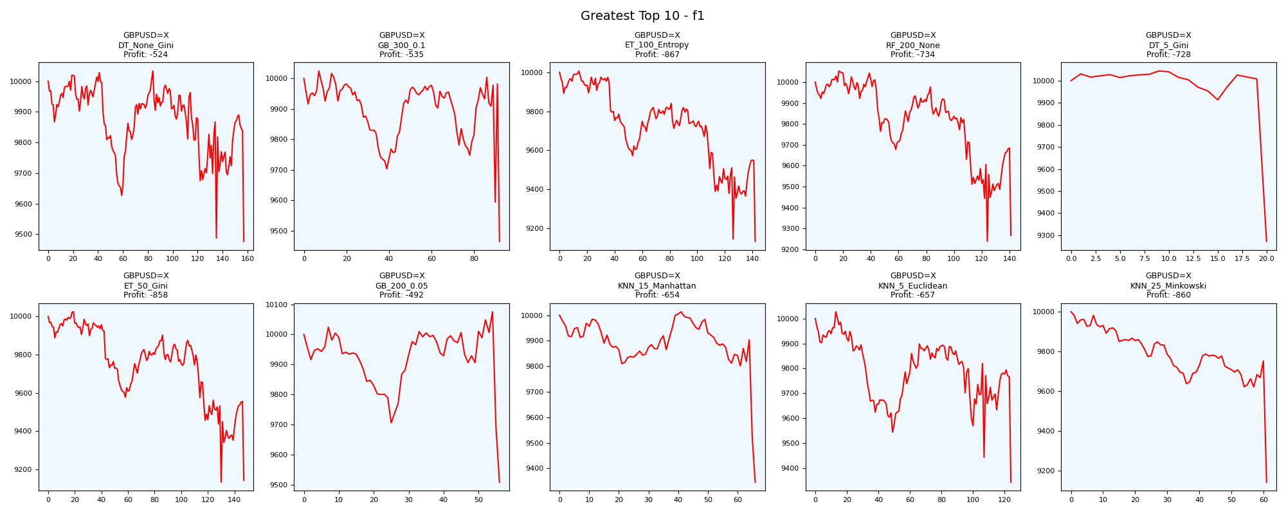
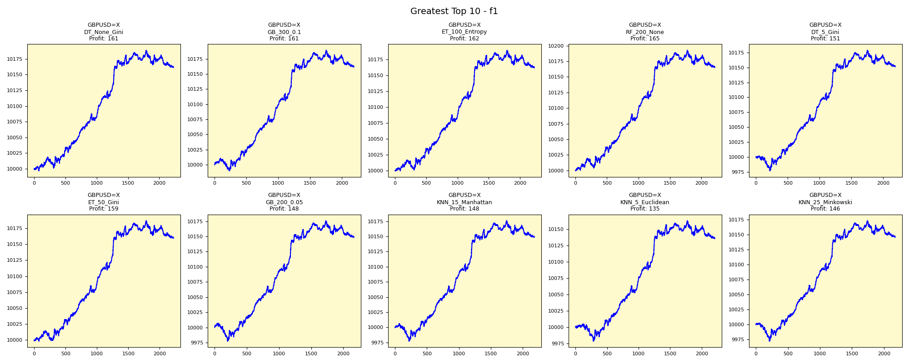
asset | model | duration_years | buy_hold_profit | n_samples | support_pos | support_neg | pos_ratio_true | pos_ratio_pred | accuracy | balanced_accuracy | cohen_kappa | matthews_cc | precision | recall | f1 | f2 | f05 | precision_neg | recall_neg | hamming_loss | zero_one_loss | jaccard | roc_auc | average_precision | log_loss | brier_score | swing_profit | day_profit | swing_cagr | day_cagr | swing_mdd | day_mdd | swing_max_profit | day_max_profit | swing_max_loss | day_max_loss | swing_trades | day_trades
GBPUSD=X | DT_None_Gini | 20 | -2235.5789639 | 2600 | 1310 | 1290 | 0.50384615385 | 0.85692307692 | 0.50461538462 | 0.50186993313 | 0.0037602932077 | 0.0053401998731 | 0.50493716338 | 0.85877862595 | 0.63595251555 | 0.75321371184 | 0.55028370182 | 0.50268817204 | 0.14496124031 | 0.49538461538 | 0.49538461538 | 0.46622461666 | 0.50137996331 | 0.50459266405 | 17.843097351 | 0.49552350427 | -523.53771448 | 161.15299911 | -0.0026850898307 | 0.00079966090252 | 0.055508097216 | 0.0027233875111 | 33.397065226 | 188.90132573 | -523.53771448 | -3.3698543165 | 314 | 2227
GBPUSD=X | GB_300_0.1 | 20 | -2235.5789639 | 2600 | 1310 | 1290 | 0.50384615385 | 0.84346153846 | 0.50884615385 | 0.50620450914 | 0.012474197981 | 0.01707463415 | 0.50752393981 | 0.84961832061 | 0.63545532401 | 0.74868828199 | 0.55197381472 | 0.51597051597 | 0.16279069767 | 0.49115384615 | 0.49115384615 | 0.46569037657 | 0.50193236286 | 0.50383227245 | 0.74352862164 | 0.27244968656 | -535.24945129 | 161.48266184 | -0.0027467539398 | 0.00080128434656 | 0.055817353558 | 0.002723363506 | 24.279290008 | 189.23164345 | -535.24945129 | -10.014612233 | 184 | 2192
GBPUSD=X | ET_100_Entropy | 20 | -2235.5789639 | 2600 | 1310 | 1290 | 0.50384615385 | 0.85769230769 | 0.50230769231 | 0.49955618676 | -0.00089248527399 | -0.0012703034059 | 0.50358744395 | 0.8572519084 | 0.63446327684 | 0.75167336011 | 0.54887585533 | 0.49459459459 | 0.14186046512 | 0.49769230769 | 0.49769230769 | 0.46462556889 | 0.50361293568 | 0.50645198561 | 13.152371571 | 0.45275085256 | -866.52582008 | 161.6025136 | -0.0045216935837 | 0.0008018745514 | 0.087247182954 | 0.0027235205377 | 6.5143698854 | 189.35342693 | -866.52582008 | -0.4239799147 | 284 | 2229
GBPUSD=X | RF_200_None | 20 | -2235.5789639 | 2600 | 1310 | 1290 | 0.50384615385 | 0.85153846154 | 0.50384615385 | 0.50114207941 | 0.0022964434873 | 0.0032119911581 | 0.50451671183 | 0.85267175573 | 0.63393870602 | 0.74926214113 | 0.54938028723 | 0.5 | 0.1496124031 | 0.49615384615 | 0.49615384615 | 0.46406314915 | 0.5011808391 | 0.50481371332 | 1.4062205863 | 0.38820885208 | -734.21616521 | 164.931878 | -0.003805572143 | 0.00081826722015 | 0.08119080592 | 0.0027236345993 | 53.66461945 | 192.69304945 | -762.60051346 | -0.41296262112 | 282 | 2213
GBPUSD=X | DT_5_Gini | 20 | -2235.5789639 | 2600 | 1310 | 1290 | 0.50384615385 | 0.84153846154 | 0.50538461538 | 0.50275755962 | 0.0055439230989 | 0.0075511507846 | 0.50548446069 | 0.84427480916 | 0.63236134934 | 0.74448034464 | 0.54959252634 | 0.50485436893 | 0.16124031008 | 0.49461538462 | 0.49461538462 | 0.46237458194 | 0.50294277768 | 0.5055226501 | 1.3722306534 | 0.27153878972 | -727.8303323 | 151.12084186 | -0.0037712552969 | 0.00075023299241 | 0.076876400903 | 0.0027233959173 | 44.342574246 | 178.84185822 | -727.8303323 | -23.07574996 | 40 | 2187
GBPUSD=X | ET_50_Gini | 20 | -2235.5789639 | 2600 | 1310 | 1290 | 0.50384615385 | 0.85384615385 | 0.50076923077 | 0.49804722173 | -0.0039267015707 | -0.0055277086819 | 0.5027027027 | 0.85190839695 | 0.63229461756 | 0.74798927614 | 0.54759568204 | 0.48947368421 | 0.14418604651 | 0.49923076923 | 0.49923076923 | 0.46230323115 | 0.50294455293 | 0.50602631343 | 13.203996239 | 0.45442916239 | -858.26879033 | 159.28624089 | -0.0044767152643 | 0.00079046699489 | 0.089058768002 | 0.002723564911 | 24.626669079 | 187.03128184 | -868.15423175 | -1.8712688814 | 294 | 2219
GBPUSD=X | GB_200_0.05 | 20 | -2235.5789639 | 2600 | 1310 | 1290 | 0.50384615385 | 0.83307692308 | 0.50538461538 | 0.50282265223 | 0.0056740457016 | 0.0075690919449 | 0.5055401662 | 0.8358778626 | 0.63003452244 | 0.73926546044 | 0.54892721075 | 0.50460829493 | 0.16976744186 | 0.49461538462 | 0.49461538462 | 0.45989080218 | 0.50348630096 | 0.50588395921 | 0.73643529787 | 0.27012870813 | -492.38390086 | 148.32454108 | -0.0025214119338 | 0.00073644749559 | 0.056355647647 | 0.00296933613 | 75.423092858 | 176.03651823 | -492.38390086 | -22.598032177 | 112 | 2165
GBPUSD=X | KNN_15_Manhattan | 20 | -2235.5789639 | 2600 | 1310 | 1290 | 0.50384615385 | 0.84038461538 | 0.50192307692 | 0.49930469259 | -0.0013978526604 | -0.0018983994102 | 0.50343249428 | 0.83969465649 | 0.62947067239 | 0.74074074074 | 0.54726368159 | 0.49397590361 | 0.15891472868 | 0.49807692308 | 0.49807692308 | 0.45929018789 | 0.49797325286 | 0.50270541071 | 0.74932484969 | 0.27608717949 | -654.20931361 | 148.4036463 | -0.0033772365157 | 0.00073683752637 | 0.066730921583 | 0.0029271044744 | 14.036575864 | 176.11605863 | -654.20931361 | -22.82174156 | 132 | 2184
GBPUSD=X | KNN_5_Euclidean | 20 | -2235.5789639 | 2600 | 1310 | 1290 | 0.50384615385 | 0.84961538462 | 0.49807692308 | 0.49538730102 | -0.0092747380883 | -0.012904149193 | 0.50113173382 | 0.84503816794 | 0.62915601023 | 0.74305275876 | 0.54553518628 | 0.48081841432 | 0.14573643411 | 0.50192307692 | 0.50192307692 | 0.45895522388 | 0.50995828156 | 0.51052834135 | 12.231783464 | 0.43133846154 | -656.81647374 | 135.33133298 | -0.0033911395635 | 0.00067234483914 | 0.068217026756 | 0.0027237189714 | 27.209977594 | 163.012523 | -656.81647374 | -21.551258646 | 248 | 2208
GBPUSD=X | KNN_25_Minkowski | 20 | -2235.5789639 | 2600 | 1310 | 1290 | 0.50384615385 | 0.83769230769 | 0.50076923077 | 0.49817148944 | -0.0036759020235 | -0.0049587567987 | 0.50275482094 | 0.8358778626 | 0.62786697248 | 0.73806956053 | 0.54629814408 | 0.49052132701 | 0.16046511628 | 0.49923076923 | 0.49923076923 | 0.45758462181 | 0.49569294041 | 0.50229469984 | 0.73131240096 | 0.26816923077 | -859.75343529 | 145.74750649 | -0.0044847996885 | 0.0007237397646 | 0.085975343529 | 0.0030466822604 | 0 | 173.45237673 | -859.75343529 | -27.781240711 | 122 | 2177

Fewest_f1


asset | model | duration_years | buy_hold_profit | n_samples | support_pos | support_neg | pos_ratio_true | pos_ratio_pred | accuracy | balanced_accuracy | cohen_kappa | matthews_cc | precision | recall | f1 | f2 | f05 | precision_neg | recall_neg | hamming_loss | zero_one_loss | jaccard | roc_auc | average_precision | log_loss | brier_score | swing_profit | day_profit | swing_cagr | day_cagr | swing_mdd | day_mdd | swing_max_profit | day_max_profit | swing_max_loss | day_max_loss | swing_trades | day_trades
USDJPY=X | Dummy_MostFrequent | 20 | 3522.0656261 | 2594 | 1008 | 1586 | 0.38858905166 | 0 | 0.61141094834 | 0.5 | 0 | 0 | 0 | 0 | 0 | 0 | 0 | 0.61141094834 | 1 | 0.38858905166 | 0.38858905166 | 0 | 0.5 | 0.38858905166 | 14.006169089 | 0.38858905166 | 0 | 0 | 0 | 0 |  |  | 0 | 0 | 0 | 0 | 0 | 0
EURUSD=X | Dummy_MostFrequent | 20 | -1862.3329802 | 2594 | 1120 | 1474 | 0.43176561295 | 0 | 0.56823438705 | 0.5 | 0 | 0 | 0 | 0 | 0 | 0 | 0 | 0.56823438705 | 1 | 0.43176561295 | 0.43176561295 | 0 | 0.5 | 0.43176561295 | 15.562410099 | 0.43176561295 | 0 | 0 | 0 | 0 |  |  | 0 | 0 | 0 | 0 | 0 | 0
EURUSD=X | MultinomialNB | 20 | -1862.3329802 | 2594 | 1120 | 1474 | 0.43176561295 | 0 | 0.56823438705 | 0.5 | 0 | 0 | 0 | 0 | 0 | 0 | 0 | 0.56823438705 | 1 | 0.43176561295 | 0.43176561295 | 0 | 0.47695380645 | 0.44950991769 | 0.68507565375 | 0.24597196303 | 0 | 0 | 0 | 0 |  |  | 0 | 0 | 0 | 0 | 0 | 0
EURUSD=X | BernoulliNB | 20 | -1862.3329802 | 2594 | 1120 | 1474 | 0.43176561295 | 0 | 0.56823438705 | 0.5 | 0 | 0 | 0 | 0 | 0 | 0 | 0 | 0.56823438705 | 1 | 0.43176561295 | 0.43176561295 | 0 | 0.5 | 0.43176561295 | 0.68506895488 | 0.24596863861 | 0 | 0 | 0 | 0 |  |  | 0 | 0 | 0 | 0 | 0 | 0
EURUSD=X | Ridge | 20 | -1862.3329802 | 2594 | 1120 | 1474 | 0.43176561295 | 0 | 0.56823438705 | 0.5 | 0 | 0 | 0 | 0 | 0 | 0 | 0 | 0.56823438705 | 1 | 0.43176561295 | 0.43176561295 | 0 |  |  |  |  | 0 | 0 | 0 | 0 |  |  | 0 | 0 | 0 | 0 | 0 | 0
EURUSD=X | MLP_50 | 20 | -1862.3329802 | 2594 | 1120 | 1474 | 0.43176561295 | 0 | 0.56823438705 | 0.5 | 0 | 0 | 0 | 0 | 0 | 0 | 0 | 0.56823438705 | 1 | 0.43176561295 | 0.43176561295 | 0 | 0.42119324239 | 0.37655889904 | 0.68619293817 | 0.24652729493 | 0 | 0 | 0 | 0 |  |  | 0 | 0 | 0 | 0 | 0 | 0
EURUSD=X | LR_SAGA_L1 | 20 | -1862.3329802 | 2594 | 1120 | 1474 | 0.43176561295 | 0 | 0.56823438705 | 0.5 | 0 | 0 | 0 | 0 | 0 | 0 | 0 | 0.56823438705 | 1 | 0.43176561295 | 0.43176561295 | 0 | 0.36471033631 | 0.33625729382 | 0.68916635045 | 0.24800949225 | 0 | 0 | 0 | 0 |  |  | 0 | 0 | 0 | 0 | 0 | 0
EURUSD=X | LR_LBFGS | 20 | -1862.3329802 | 2594 | 1120 | 1474 | 0.43176561295 | 0 | 0.56823438705 | 0.5 | 0 | 0 | 0 | 0 | 0 | 0 | 0 | 0.56823438705 | 1 | 0.43176561295 | 0.43176561295 | 0 | 0.36470215885 | 0.33622639767 | 0.69118769038 | 0.24901945196 | 0 | 0 | 0 | 0 |  |  | 0 | 0 | 0 | 0 | 0 | 0
GBPUSD=X | Dummy_MostFrequent | 20 | -2235.5789639 | 2600 | 1310 | 1290 | 0.50384615385 | 0 | 0.49615384615 | 0.5 | 0 | 0 | 0 | 0 | 0 | 0 | 0 | 0.49615384615 | 1 | 0.50384615385 | 0.50384615385 | 0 | 0.5 | 0.50384615385 | 18.160456131 | 0.50384615385 | 0 | 0 | 0 | 0 |  |  | 0 | 0 | 0 | 0 | 0 | 0
GBPUSD=X | LR_LBFGS | 20 | -2235.5789639 | 2600 | 1310 | 1290 | 0.50384615385 | 0 | 0.49615384615 | 0.5 | 0 | 0 | 0 | 0 | 0 | 0 | 0 | 0.49615384615 | 1 | 0.50384615385 | 0.50384615385 | 0 | 0.49678442511 | 0.49933474142 | 0.70951096999 | 0.25805312812 | 0 | 0 | 0 | 0 |  |  | 0 | 0 | 0 | 0 | 0 | 0

Greatest_f2
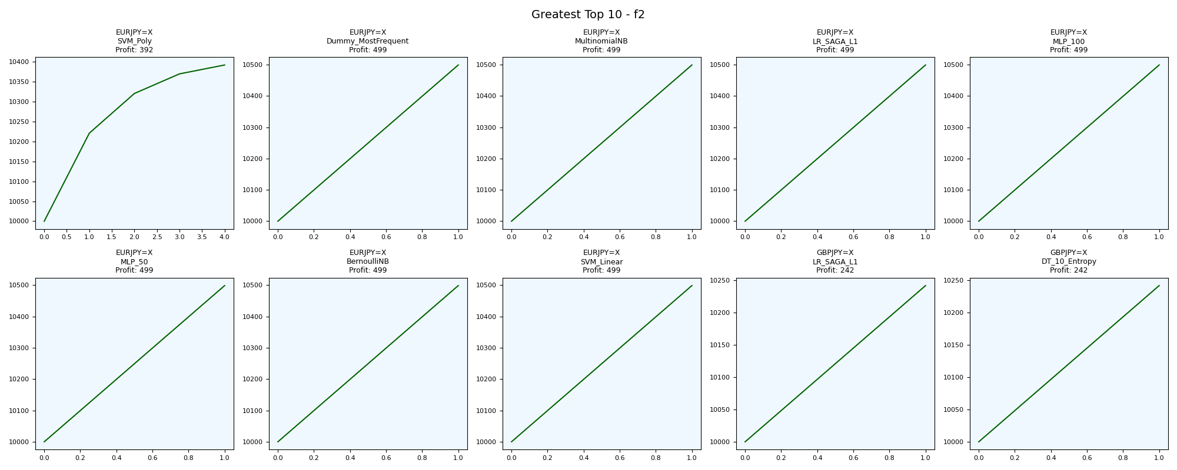
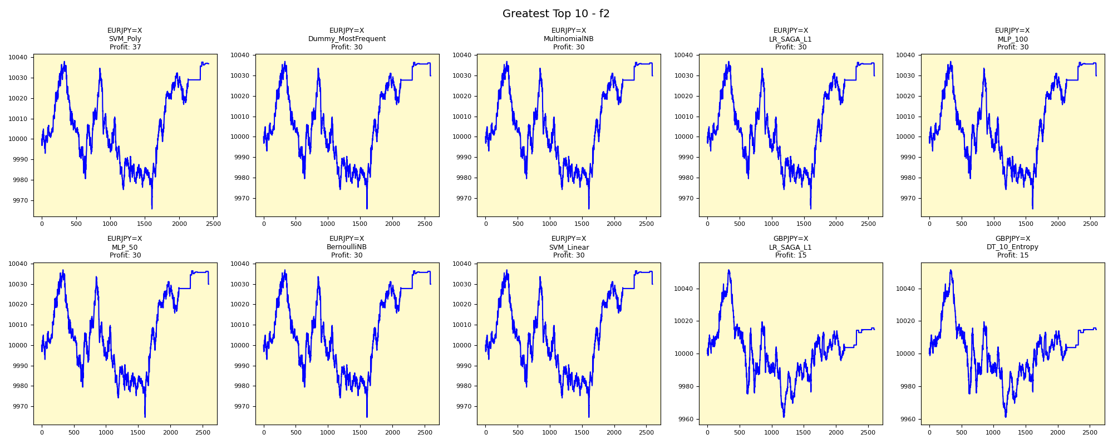
asset | model | duration_years | buy_hold_profit | n_samples | support_pos | support_neg | pos_ratio_true | pos_ratio_pred | accuracy | balanced_accuracy | cohen_kappa | matthews_cc | precision | recall | f1 | f2 | f05 | precision_neg | recall_neg | hamming_loss | zero_one_loss | jaccard | roc_auc | average_precision | log_loss | brier_score | swing_profit | day_profit | swing_cagr | day_cagr | swing_mdd | day_mdd | swing_max_profit | day_max_profit | swing_max_loss | day_max_loss | swing_trades | day_trades
EURJPY=X | SVM_Poly | 20 | 994.0719922 | 2596 | 1070 | 1526 | 0.41217257319 | 0.93644067797 | 0.4749614792 | 0.55326796585 | 0.089522666546 | 0.2149467151 | 0.43973673385 | 0.99906542056 | 0.6106826621 | 0.79645358367 | 0.4951825088 | 0.99393939394 | 0.10747051114 | 0.5250385208 | 0.5250385208 | 0.43955592105 | 0.65988933257 | 0.53066125654 | 0.69721055815 | 0.25203120408 | 392.1607538 | 36.890010276 | 0.0019251835533 | 0.00018412761698 | 0 | 0.0072056788059 | 392.1607538 | 38.026409381 | 0 | -34.30438477 | 8 | 2431
EURJPY=X | Dummy_MostFrequent | 20 | 994.0719922 | 2596 | 1070 | 1526 | 0.41217257319 | 1 | 0.41217257319 | 0.5 | 0 | 0 | 0.41217257319 | 1 | 0.58374249864 | 0.77806864456 | 0.46708573424 | 0 | 0 | 0.58782742681 | 0.58782742681 | 0.41217257319 | 0.5 | 0.41217257319 | 21.187448025 | 0.58782742681 | 498.78896554 | 29.856190718 | 0.0024367049969 | 0.00014906965791 | 0 | 0.0072081719236 | 498.78896554 | 36.914597356 | 0 | -35.433208644 | 2 | 2595
EURJPY=X | MultinomialNB | 20 | 994.0719922 | 2596 | 1070 | 1526 | 0.41217257319 | 1 | 0.41217257319 | 0.5 | 0 | 0 | 0.41217257319 | 1 | 0.58374249864 | 0.77806864456 | 0.46708573424 | 0 | 0 | 0.58782742681 | 0.58782742681 | 0.41217257319 | 0.50422796144 | 0.44633850288 | 0.69801677267 | 0.25243423642 | 498.78896554 | 29.856190718 | 0.0024367049969 | 0.00014906965791 | 0 | 0.0072081719236 | 498.78896554 | 36.914597356 | 0 | -35.433208644 | 2 | 2595
EURJPY=X | LR_SAGA_L1 | 20 | 994.0719922 | 2596 | 1070 | 1526 | 0.41217257319 | 1 | 0.41217257319 | 0.5 | 0 | 0 | 0.41217257319 | 1 | 0.58374249864 | 0.77806864456 | 0.46708573424 | 0 | 0 | 0.58782742681 | 0.58782742681 | 0.41217257319 | 0.3408474296 | 0.31155949778 | 0.70123121375 | 0.25403949284 | 498.78896554 | 29.856190718 | 0.0024367049969 | 0.00014906965791 | 0 | 0.0072081719236 | 498.78896554 | 36.914597356 | 0 | -35.433208644 | 2 | 2595
EURJPY=X | MLP_100 | 20 | 994.0719922 | 2596 | 1070 | 1526 | 0.41217257319 | 1 | 0.41217257319 | 0.5 | 0 | 0 | 0.41217257319 | 1 | 0.58374249864 | 0.77806864456 | 0.46708573424 | 0 | 0 | 0.58782742681 | 0.58782742681 | 0.41217257319 | 0.3402870494 | 0.31135696482 | 0.7225422365 | 0.26460807686 | 498.78896554 | 29.856190718 | 0.0024367049969 | 0.00014906965791 | 0 | 0.0072081719236 | 498.78896554 | 36.914597356 | 0 | -35.433208644 | 2 | 2595
EURJPY=X | MLP_50 | 20 | 994.0719922 | 2596 | 1070 | 1526 | 0.41217257319 | 1 | 0.41217257319 | 0.5 | 0 | 0 | 0.41217257319 | 1 | 0.58374249864 | 0.77806864456 | 0.46708573424 | 0 | 0 | 0.58782742681 | 0.58782742681 | 0.41217257319 | 0.5073716025 | 0.44774206523 | 0.69741897299 | 0.25213551304 | 498.78896554 | 29.856190718 | 0.0024367049969 | 0.00014906965791 | 0 | 0.0072081719236 | 498.78896554 | 36.914597356 | 0 | -35.433208644 | 2 | 2595
EURJPY=X | BernoulliNB | 20 | 994.0719922 | 2596 | 1070 | 1526 | 0.41217257319 | 1 | 0.41217257319 | 0.5 | 0 | 0 | 0.41217257319 | 1 | 0.58374249864 | 0.77806864456 | 0.46708573424 | 0 | 0 | 0.58782742681 | 0.58782742681 | 0.41217257319 | 0.5 | 0.41217257319 | 0.69802482506 | 0.25243825993 | 498.78896554 | 29.856190718 | 0.0024367049969 | 0.00014906965791 | 0 | 0.0072081719236 | 498.78896554 | 36.914597356 | 0 | -35.433208644 | 2 | 2595
EURJPY=X | SVM_Linear | 20 | 994.0719922 | 2596 | 1070 | 1526 | 0.41217257319 | 1 | 0.41217257319 | 0.5 | 0 | 0 | 0.41217257319 | 1 | 0.58374249864 | 0.77806864456 | 0.46708573424 | 0 | 0 | 0.58782742681 | 0.58782742681 | 0.41217257319 | 0.34008372019 | 0.31128119952 | 0.6978130868 | 0.25233245869 | 498.78896554 | 29.856190718 | 0.0024367049969 | 0.00014906965791 | 0 | 0.0072081719236 | 498.78896554 | 36.914597356 | 0 | -35.433208644 | 2 | 2595
GBPJPY=X | LR_SAGA_L1 | 20 | 525.38961187 | 2602 | 1066 | 1536 | 0.4096848578 | 1 | 0.4096848578 | 0.5 | 0 | 0 | 0.4096848578 | 1 | 0.5812431843 | 0.77628896009 | 0.46452849922 | 0 | 0 | 0.5903151422 | 0.5903151422 | 0.4096848578 | 0.41130595538 | 0.35912857044 | 0.69657468454 | 0.25171353541 | 241.59394571 | 14.791855627 | 0.0011943212975 | 7.3907363284E-05 | 0 | 0.0089860372424 | 241.59394571 | 51.351980988 | 0 | -38.96984225 | 2 | 2601
GBPJPY=X | DT_10_Entropy | 20 | 525.38961187 | 2602 | 1066 | 1536 | 0.4096848578 | 1 | 0.4096848578 | 0.5 | 0 | 0 | 0.4096848578 | 1 | 0.5812431843 | 0.77628896009 | 0.46452849922 | 0 | 0 | 0.5903151422 | 0.5903151422 | 0.4096848578 | 0.5 | 0.4096848578 | 0.69835261657 | 0.25260207227 | 241.59394571 | 14.791855627 | 0.0011943212975 | 7.3907363284E-05 | 0 | 0.0089860372424 | 241.59394571 | 51.351980988 | 0 | -38.96984225 | 2 | 2601

Fewest_f2


asset | model | duration_years | buy_hold_profit | n_samples | support_pos | support_neg | pos_ratio_true | pos_ratio_pred | accuracy | balanced_accuracy | cohen_kappa | matthews_cc | precision | recall | f1 | f2 | f05 | precision_neg | recall_neg | hamming_loss | zero_one_loss | jaccard | roc_auc | average_precision | log_loss | brier_score | swing_profit | day_profit | swing_cagr | day_cagr | swing_mdd | day_mdd | swing_max_profit | day_max_profit | swing_max_loss | day_max_loss | swing_trades | day_trades
USDJPY=X | Dummy_MostFrequent | 20 | 3522.0656261 | 2594 | 1008 | 1586 | 0.38858905166 | 0 | 0.61141094834 | 0.5 | 0 | 0 | 0 | 0 | 0 | 0 | 0 | 0.61141094834 | 1 | 0.38858905166 | 0.38858905166 | 0 | 0.5 | 0.38858905166 | 14.006169089 | 0.38858905166 | 0 | 0 | 0 | 0 |  |  | 0 | 0 | 0 | 0 | 0 | 0
EURUSD=X | Dummy_MostFrequent | 20 | -1862.3329802 | 2594 | 1120 | 1474 | 0.43176561295 | 0 | 0.56823438705 | 0.5 | 0 | 0 | 0 | 0 | 0 | 0 | 0 | 0.56823438705 | 1 | 0.43176561295 | 0.43176561295 | 0 | 0.5 | 0.43176561295 | 15.562410099 | 0.43176561295 | 0 | 0 | 0 | 0 |  |  | 0 | 0 | 0 | 0 | 0 | 0
EURCHF=X | SVM_Poly | 20 | -2449.5672287 | 2595 | 898 | 1697 | 0.34605009634 | 0 | 0.65394990366 | 0.5 | 0 | 0 | 0 | 0 | 0 | 0 | 0 | 0.65394990366 | 1 | 0.34605009634 | 0.34605009634 | 0 | 0.38690247299 | 0.27101024152 | 0.67788378507 | 0.24237556177 | 0 | 0 | 0 | 0 |  |  | 0 | 0 | 0 | 0 | 0 | 0
EURUSD=X | LR_SAGA_L1 | 20 | -1862.3329802 | 2594 | 1120 | 1474 | 0.43176561295 | 0 | 0.56823438705 | 0.5 | 0 | 0 | 0 | 0 | 0 | 0 | 0 | 0.56823438705 | 1 | 0.43176561295 | 0.43176561295 | 0 | 0.36471033631 | 0.33625729382 | 0.68916635045 | 0.24800949225 | 0 | 0 | 0 | 0 |  |  | 0 | 0 | 0 | 0 | 0 | 0
NZDUSD=X | Dummy_MostFrequent | 20 | -2372.1613816 | 2597 | 1048 | 1549 | 0.4035425491 | 0 | 0.5964574509 | 0.5 | 0 | 0 | 0 | 0 | 0 | 0 | 0 | 0.5964574509 | 1 | 0.4035425491 | 0.4035425491 | 0 | 0.5 | 0.4035425491 | 14.545147767 | 0.4035425491 | 0 | 0 | 0 | 0 |  |  | 0 | 0 | 0 | 0 | 0 | 0
EURUSD=X | LR_LBFGS | 20 | -1862.3329802 | 2594 | 1120 | 1474 | 0.43176561295 | 0 | 0.56823438705 | 0.5 | 0 | 0 | 0 | 0 | 0 | 0 | 0 | 0.56823438705 | 1 | 0.43176561295 | 0.43176561295 | 0 | 0.36470215885 | 0.33622639767 | 0.69118769038 | 0.24901945196 | 0 | 0 | 0 | 0 |  |  | 0 | 0 | 0 | 0 | 0 | 0
GBPUSD=X | Ridge | 20 | -2235.5789639 | 2600 | 1310 | 1290 | 0.50384615385 | 0 | 0.49615384615 | 0.5 | 0 | 0 | 0 | 0 | 0 | 0 | 0 | 0.49615384615 | 1 | 0.50384615385 | 0.50384615385 | 0 |  |  |  |  | 0 | 0 | 0 | 0 |  |  | 0 | 0 | 0 | 0 | 0 | 0
GBPUSD=X | LR_SAGA_L1 | 20 | -2235.5789639 | 2600 | 1310 | 1290 | 0.50384615385 | 0 | 0.49615384615 | 0.5 | 0 | 0 | 0 | 0 | 0 | 0 | 0 | 0.49615384615 | 1 | 0.50384615385 | 0.50384615385 | 0 | 0.49678560862 | 0.49931338848 | 0.70822879575 | 0.25743245653 | 0 | 0 | 0 | 0 |  |  | 0 | 0 | 0 | 0 | 0 | 0
EURUSD=X | MLP_50_50 | 20 | -1862.3329802 | 2594 | 1120 | 1474 | 0.43176561295 | 0 | 0.56823438705 | 0.5 | 0 | 0 | 0 | 0 | 0 | 0 | 0 | 0.56823438705 | 1 | 0.43176561295 | 0.43176561295 | 0 | 0.36470397606 | 0.33622715083 | 0.6886104232 | 0.24773125085 | 0 | 0 | 0 | 0 |  |  | 0 | 0 | 0 | 0 | 0 | 0
EURUSD=X | SVM_Linear | 20 | -1862.3329802 | 2594 | 1120 | 1474 | 0.43176561295 | 0 | 0.56823438705 | 0.5 | 0 | 0 | 0 | 0 | 0 | 0 | 0 | 0.56823438705 | 1 | 0.43176561295 | 0.43176561295 | 0 | 0.63512399448 | 0.50778963502 | 0.68508211704 | 0.24597516979 | 0 | 0 | 0 | 0 |  |  | 0 | 0 | 0 | 0 | 0 | 0

Greatest_swing_profit
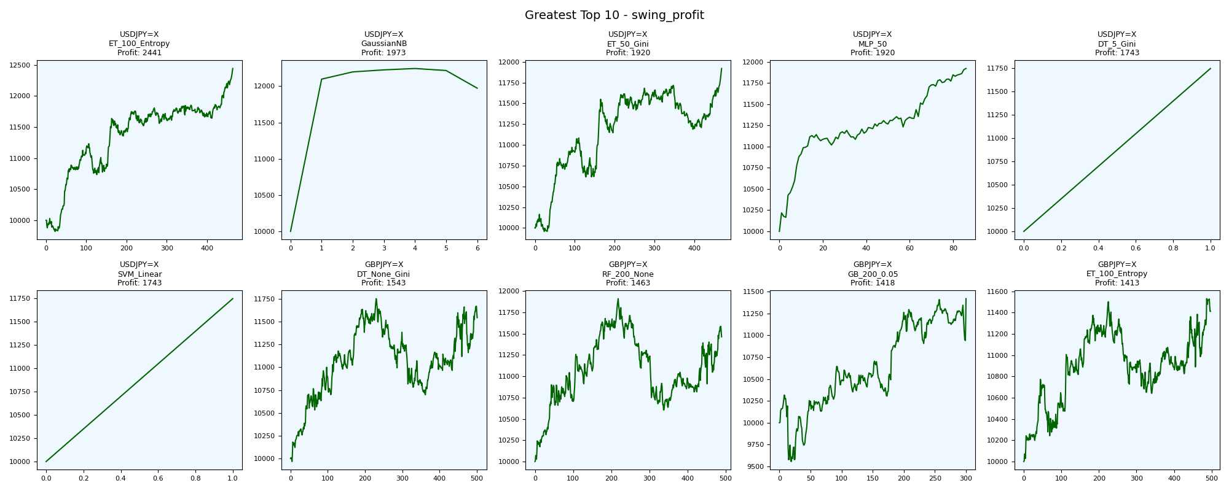
asset | model | duration_years | buy_hold_profit | n_samples | support_pos | support_neg | pos_ratio_true | pos_ratio_pred | accuracy | balanced_accuracy | cohen_kappa | matthews_cc | precision | recall | f1 | f2 | f05 | precision_neg | recall_neg | hamming_loss | zero_one_loss | jaccard | roc_auc | average_precision | log_loss | brier_score | swing_profit | day_profit | swing_cagr | day_cagr | swing_mdd | day_mdd | swing_max_profit | day_max_profit | swing_max_loss | day_max_loss | swing_trades | day_trades
USDJPY=X | ET_100_Entropy | 20 | 3522.0656261 | 2594 | 1008 | 1586 | 0.38858905166 | 0.42444101773 | 0.58481110254 | 0.57152615144 | 0.14068708418 | 0.14107600337 | 0.46866485014 | 0.5119047619 | 0.4893314367 | 0.50263004091 | 0.47671840355 | 0.67046215673 | 0.63114754098 | 0.41518889746 | 0.41518889746 | 0.32391713748 | 0.63725848946 | 0.46231476584 | 1.2833588294 | 0.27222422899 | 2441.2390326 | -40.743148178 | 0.010981437669 | -0.00020411103911 | 0.044274802166 | 0.0083935114259 | 2441.2390326 | 33.040640918 | -180.3385134 | -51.171800338 | 928 | 1101
USDJPY=X | GaussianNB | 20 | 3522.0656261 | 2594 | 1008 | 1586 | 0.38858905166 | 0.97417116423 | 0.41441788743 | 0.5211223203 | 0.033143591311 | 0.12981158568 | 0.39889196676 | 1 | 0.5702970297 | 0.76840981857 | 0.45340050378 | 1 | 0.042244640605 | 0.58558211257 | 0.58558211257 | 0.39889196676 | 0.53443135871 | 0.39749617872 | 0.70234371502 | 0.25459367434 | 1973.4155866 | -126.61914987 | 0.0090458552498 | -0.00063693508038 | 0.022104581534 | 0.017694026017 | 2244.0655314 | 24.424086278 | 0 | -152.94833431 | 12 | 2526
USDJPY=X | ET_50_Gini | 20 | 3522.0656261 | 2594 | 1008 | 1586 | 0.38858905166 | 0.42174248265 | 0.58519660756 | 0.57129909025 | 0.14041521562 | 0.14074777924 | 0.4689213894 | 0.50892857143 | 0.48810656518 | 0.50039016777 | 0.4764115899 | 0.67 | 0.63366960908 | 0.41480339244 | 0.41480339244 | 0.32284455632 | 0.63501665115 | 0.46086917554 | 1.4685249718 | 0.27561904395 | 1920.1778927 | -42.205343253 | 0.0088210528189 | -0.00021145093709 | 0.045019535537 | 0.0086942099371 | 1920.1778927 | 25.618096809 | -40.921315622 | -61.546731674 | 938 | 1094
USDJPY=X | MLP_50 | 20 | 3522.0656261 | 2594 | 1008 | 1586 | 0.38858905166 | 0.42251349268 | 0.58982266769 | 0.57634760504 | 0.15030416472 | 0.15067669567 | 0.47445255474 | 0.51587301587 | 0.49429657795 | 0.50702028081 | 0.4821958457 | 0.67423230975 | 0.6368221942 | 0.41017733231 | 0.41017733231 | 0.32828282828 | 0.64861811686 | 0.46930127523 | 0.68407971212 | 0.24547100739 | 1920.0204828 | -66.199144194 | 0.0088203867238 | -0.00033204102406 | 0.01100998562 | 0.0089927137451 | 1920.0204828 | 17.356838056 | 0 | -72.726384471 | 172 | 1096
USDJPY=X | DT_5_Gini | 20 | 3522.0656261 | 2594 | 1008 | 1586 | 0.38858905166 | 1 | 0.38858905166 | 0.5 | 0 | 0 | 0.38858905166 | 1 | 0.55968906163 | 0.76063990341 | 0.44272663387 | 0 | 0 | 0.61141094834 | 0.61141094834 | 0.38858905166 | 0.5 | 0.38858905166 | 0.69427570125 | 0.2505642556 | 1743.1555818 | -126.61914987 | 0.0080666350955 | -0.00063693508038 | 0 | 0.017694026017 | 1743.1555818 | 24.424086278 | 0 | -152.94833431 | 2 | 2593
USDJPY=X | SVM_Linear | 20 | 3522.0656261 | 2594 | 1008 | 1586 | 0.38858905166 | 1 | 0.38858905166 | 0.5 | 0 | 0 | 0.38858905166 | 1 | 0.55968906163 | 0.76063990341 | 0.44272663387 | 0 | 0 | 0.61141094834 | 0.61141094834 | 0.38858905166 | 0.63766163254 | 0.46734974458 | 0.69141137623 | 0.24913212867 | 1743.1555818 | -126.61914987 | 0.0080666350955 | -0.00063693508038 | 0 | 0.017694026017 | 1743.1555818 | 24.424086278 | 0 | -152.94833431 | 2 | 2593
GBPJPY=X | DT_None_Gini | 20 | 525.38961187 | 2602 | 1066 | 1536 | 0.4096848578 | 0.46079938509 | 0.50307455803 | 0.49585861769 | -0.0081276207861 | -0.0081716753205 | 0.40533778148 | 0.45590994371 | 0.42913907285 | 0.44481054366 | 0.41453428864 | 0.58660014255 | 0.53580729167 | 0.49692544197 | 0.49692544197 | 0.27318718381 | 0.49554989202 | 0.40768923896 | 17.871849038 | 0.49663720215 | 1542.6407154 | -1.907447786 | 0.0071989373258 | -9.5381031467E-06 | 0.089599914888 | 0.0077234060142 | 1751.1683477 | 6.9514837372 | -32.959911017 | -70.336265536 | 1002 | 1199
GBPJPY=X | RF_200_None | 20 | 525.38961187 | 2602 | 1066 | 1536 | 0.4096848578 | 0.44196771714 | 0.50422751729 | 0.49353416686 | -0.012777620879 | -0.012805497928 | 0.40260869565 | 0.43433395872 | 0.4178700361 | 0.42759512375 | 0.4085774797 | 0.5847107438 | 0.552734375 | 0.49577248271 | 0.49577248271 | 0.26411865374 | 0.48273609727 | 0.38998861103 | 1.098047624 | 0.34439534915 | 1462.7155146 | 24.456866508 | 0.0068490756756 | 0.00012214250011 | 0.1096502454 | 0.0065210214326 | 1910.7399125 | 24.456866508 | 0 | -57.871958807 | 978 | 1150
GBPJPY=X | GB_200_0.05 | 20 | 525.38961187 | 2602 | 1066 | 1536 | 0.4096848578 | 0.47002305919 | 0.48616448885 | 0.48010047784 | -0.038922014417 | -0.039214934349 | 0.38920686836 | 0.44652908068 | 0.41590214067 | 0.43375250592 | 0.39946290702 | 0.57215373459 | 0.513671875 | 0.51383551115 | 0.51383551115 | 0.26254826255 | 0.48980655634 | 0.41415034531 | 0.71248775571 | 0.25923635281 | 1418.2208905 | 39.948237138 | 0.0066533010307 | 0.00019936314982 | 0.073688912571 | 0.0050400922332 | 1418.2208905 | 40.008198182 | -443.22633636 | -39.040513893 | 600 | 1223
GBPJPY=X | ET_100_Entropy | 20 | 525.38961187 | 2602 | 1066 | 1536 | 0.4096848578 | 0.43428132206 | 0.50576479631 | 0.49368807165 | -0.012508956582 | -0.012524867486 | 0.40265486726 | 0.42682926829 | 0.41438979964 | 0.42176492399 | 0.40726817043 | 0.58491847826 | 0.560546875 | 0.49423520369 | 0.49423520369 | 0.26134405514 | 0.48298741401 | 0.39190130721 | 2.9256739757 | 0.36124336088 | 1412.5844604 | 29.282563394 | 0.0066284492528 | 0.00014620955498 | 0.074855581973 | 0.0058938600613 | 1531.8944663 | 29.282563394 | 0 | -50.486039758 | 994 | 1130

Fewest_swing_profit
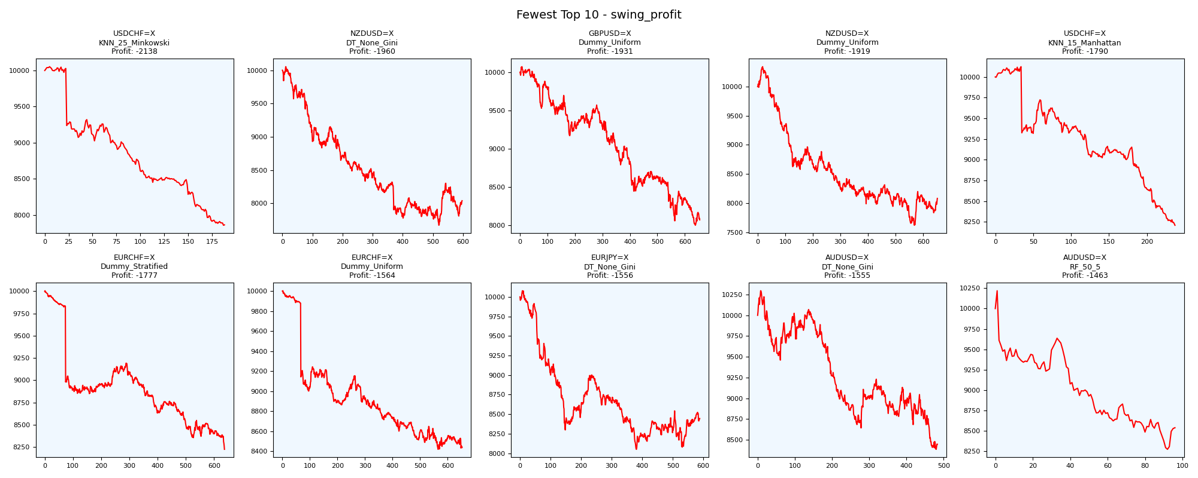
asset | model | duration_years | buy_hold_profit | n_samples | support_pos | support_neg | pos_ratio_true | pos_ratio_pred | accuracy | balanced_accuracy | cohen_kappa | matthews_cc | precision | recall | f1 | f2 | f05 | precision_neg | recall_neg | hamming_loss | zero_one_loss | jaccard | roc_auc | average_precision | log_loss | brier_score | swing_profit | day_profit | swing_cagr | day_cagr | swing_mdd | day_mdd | swing_max_profit | day_max_profit | swing_max_loss | day_max_loss | swing_trades | day_trades
USDCHF=X | KNN_25_Minkowski | 20 | -668.7320553 | 2601 | 793 | 1808 | 0.30488273741 | 0.18031526336 | 0.6247597078 | 0.50000906717 | 2.0483505264E-05 | 2.1714884299E-05 | 0.30490405117 | 0.18032786885 | 0.22662440571 | 0.19637462236 | 0.26789059573 | 0.69512195122 | 0.81969026549 | 0.3752402922 | 0.3752402922 | 0.12779267203 | 0.49428210336 | 0.30675514213 | 0.65605347434 | 0.23130426759 | -2137.7239775 | -82.569151109 | -0.011953431177 | -0.0004144736944 | 0.2184260211 | 0.0082998204374 | 52.835705587 | 0.43264413303 | -2142.9651983 | -82.569151109 | 376 | 469
NZDUSD=X | DT_None_Gini | 20 | -2372.1613816 | 2597 | 1048 | 1549 | 0.4035425491 | 0.44474393531 | 0.49980747016 | 0.48872826103 | -0.022177303897 | -0.022256334834 | 0.39134199134 | 0.43129770992 | 0.41034952338 | 0.42266691603 | 0.39872971066 | 0.5866851595 | 0.54615881214 | 0.50019252984 | 0.50019252984 | 0.25813820674 | 0.48840855218 | 0.39824426728 | 17.989531427 | 0.49990373508 | -1960.3132028 | 181.34747452 | -0.010850452832 | 0.00089901758689 | 0.23694535325 | 0.004036890274 | 53.350987626 | 194.88089683 | -2328.7438135 | 0 | 1194 | 1155
GBPUSD=X | Dummy_Uniform | 20 | -2235.5789639 | 2600 | 1310 | 1290 | 0.50384615385 | 0.5 | 0.49769230769 | 0.49769217113 | -0.0046153846154 | -0.0046155211713 | 0.50153846154 | 0.49770992366 | 0.49961685824 | 0.49847094801 | 0.50076804916 | 0.49384615385 | 0.4976744186 | 0.50230769231 | 0.50230769231 | 0.33299284985 | 0.5 | 0.50384615385 | 0.69314718056 | 0.25 | -1931.3793055 | 79.255653845 | -0.010672764687 | 0.00039479406357 | 0.20597218097 | 0.0023826858231 | 72.053404417 | 96.555396481 | -2002.5094021 | -4.1656658932 | 1308 | 1300
NZDUSD=X | Dummy_Uniform | 20 | -2372.1613816 | 2597 | 1048 | 1549 | 0.4035425491 | 0.51328455911 | 0.48517520216 | 0.48726400682 | -0.024398958073 | -0.025002333971 | 0.39159789947 | 0.49809160305 | 0.43847123058 | 0.47239819005 | 0.40909090909 | 0.58386075949 | 0.47643641059 | 0.51482479784 | 0.51482479784 | 0.28079612695 | 0.5 | 0.4035425491 | 0.69314718056 | 0.25 | -1919.1940104 | 102.9419925 | -0.010598113731 | 0.00051220987591 | 0.26312056345 | 0.0031678787959 | 341.01862951 | 128.45941629 | -2379.9160189 | -3.9990844118 | 1302 | 1332
USDCHF=X | KNN_15_Manhattan | 20 | -668.7320553 | 2601 | 793 | 1808 | 0.30488273741 | 0.18723567859 | 0.6155324875 | 0.49230999397 | -0.01724824377 | -0.018149953237 | 0.28747433265 | 0.17654476671 | 0.21875 | 0.19130910085 | 0.25538124772 | 0.69110690634 | 0.80807522124 | 0.3844675125 | 0.3844675125 | 0.12280701754 | 0.48589776139 | 0.30439292765 | 0.67385313867 | 0.23838011021 | -1790.4175069 | -88.50320592 | -0.0098156600471 | -0.00044438709582 | 0.18909066897 | 0.0092671281017 | 123.92160128 | 4.2070624837 | -1790.4175069 | -88.50320592 | 474 | 487
EURCHF=X | Dummy_Stratified | 20 | -2449.5672287 | 2595 | 898 | 1697 | 0.34605009634 | 0.45240847784 | 0.51522157996 | 0.50062766339 | 0.0011706262759 | 0.0011997887713 | 0.34667802385 | 0.45322939866 | 0.39285714286 | 0.4269827948 | 0.36378262424 | 0.65446868403 | 0.54802592811 | 0.48477842004 | 0.48477842004 | 0.24444444444 | 0.51821076891 | 0.35473563491 | 16.792592273 | 0.46589595376 | -1777.2525041 | -64.156929241 | -0.0097363267774 | -0.00032176631878 | 0.17820954688 | 0.0074544021142 | 5.8931869422 | 2.8365826325 | -1777.2525041 | -71.728583537 | 1274 | 1174
EURCHF=X | Dummy_Uniform | 20 | -2449.5672287 | 2595 | 898 | 1697 | 0.34605009634 | 0.51907514451 | 0.48709055877 | 0.49222688276 | -0.013909033827 | -0.014801755043 | 0.33927245731 | 0.50890868597 | 0.40712694878 | 0.46264425997 | 0.36350620426 | 0.64663461538 | 0.47554507955 | 0.51290944123 | 0.51290944123 | 0.25559284116 | 0.5 | 0.34605009634 | 0.69314718056 | 0.25 | -1563.6942628 | -50.999267749 | -0.0084659894116 | -0.00025561611395 | 0.15841770899 | 0.0059417045255 | 3.1900603874 | 1.9283013656 | -1581.4923916 | -57.500201286 | 1304 | 1347
EURJPY=X | DT_None_Gini | 20 | 994.0719922 | 2596 | 1070 | 1526 | 0.41217257319 | 0.54198767334 | 0.47727272727 | 0.48415930721 | -0.030257548887 | -0.03129935203 | 0.39800995025 | 0.52336448598 | 0.45215987081 | 0.49235097591 | 0.4180352344 | 0.57106812447 | 0.44495412844 | 0.52272727273 | 0.52272727273 | 0.29212310902 | 0.48415930721 | 0.40476035931 | 18.841000635 | 0.52272727273 | -1556.4454182 | -15.941459894 | -0.0084234083081 | -7.9767717992E-05 | 0.20126463151 | 0.0067443464603 | 78.201576341 | 15.590298724 | -1950.1839502 | -51.958312255 | 1175 | 1406
AUDUSD=X | DT_None_Gini | 20 | -1022.0470526 | 2294 | 895 | 1399 | 0.39014821273 | 0.59023539669 | 0.46948561465 | 0.48876851382 | -0.020563353714 | -0.022279956499 | 0.38109305761 | 0.57653631285 | 0.45887060916 | 0.5229023105 | 0.40881001426 | 0.59680851064 | 0.4010007148 | 0.53051438535 | 0.53051438535 | 0.29774956722 | 0.48876851382 | 0.38492758698 | 19.121676624 | 0.53051438535 | -1554.5754847 | 39.104300219 | -0.0084124295952 | 0.0001951592493 | 0.18570555482 | 0.0052573200586 | 296.19361201 | 70.851979865 | -1615.8667352 | -2.2922151039 | 965 | 1354
AUDUSD=X | RF_50_5 | 20 | -1022.0470526 | 2294 | 895 | 1399 | 0.39014821273 | 0.8818657367 | 0.42720139494 | 0.51166156193 | 0.01900790244 | 0.035247190579 | 0.39644092931 | 0.89608938547 | 0.54969156957 | 0.71568802427 | 0.44620006676 | 0.65682656827 | 0.12723373838 | 0.57279860506 | 0.57279860506 | 0.37901701323 | 0.48998606347 | 0.36967264757 | 0.73635139673 | 0.26886546868 | -1462.8644245 | -591.80421692 | -0.007876791912 | -0.0030455474715 | 0.19054237216 | 0.070572976493 | 218.99335054 | 122.57610886 | -1728.1578836 | -591.80421692 | 192 | 2022

Greatest_swing_cagr

asset | model | duration_years | buy_hold_profit | n_samples | support_pos | support_neg | pos_ratio_true | pos_ratio_pred | accuracy | balanced_accuracy | cohen_kappa | matthews_cc | precision | recall | f1 | f2 | f05 | precision_neg | recall_neg | hamming_loss | zero_one_loss | jaccard | roc_auc | average_precision | log_loss | brier_score | swing_profit | day_profit | swing_cagr | day_cagr | swing_mdd | day_mdd | swing_max_profit | day_max_profit | swing_max_loss | day_max_loss | swing_trades | day_trades
USDJPY=X | ET_100_Entropy | 20 | 3522.0656261 | 2594 | 1008 | 1586 | 0.38858905166 | 0.42444101773 | 0.58481110254 | 0.57152615144 | 0.14068708418 | 0.14107600337 | 0.46866485014 | 0.5119047619 | 0.4893314367 | 0.50263004091 | 0.47671840355 | 0.67046215673 | 0.63114754098 | 0.41518889746 | 0.41518889746 | 0.32391713748 | 0.63725848946 | 0.46231476584 | 1.2833588294 | 0.27222422899 | 2441.2390326 | -40.743148178 | 0.010981437669 | -0.00020411103911 | 0.044274802166 | 0.0083935114259 | 2441.2390326 | 33.040640918 | -180.3385134 | -51.171800338 | 928 | 1101
USDJPY=X | GaussianNB | 20 | 3522.0656261 | 2594 | 1008 | 1586 | 0.38858905166 | 0.97417116423 | 0.41441788743 | 0.5211223203 | 0.033143591311 | 0.12981158568 | 0.39889196676 | 1 | 0.5702970297 | 0.76840981857 | 0.45340050378 | 1 | 0.042244640605 | 0.58558211257 | 0.58558211257 | 0.39889196676 | 0.53443135871 | 0.39749617872 | 0.70234371502 | 0.25459367434 | 1973.4155866 | -126.61914987 | 0.0090458552498 | -0.00063693508038 | 0.022104581534 | 0.017694026017 | 2244.0655314 | 24.424086278 | 0 | -152.94833431 | 12 | 2526
USDJPY=X | ET_50_Gini | 20 | 3522.0656261 | 2594 | 1008 | 1586 | 0.38858905166 | 0.42174248265 | 0.58519660756 | 0.57129909025 | 0.14041521562 | 0.14074777924 | 0.4689213894 | 0.50892857143 | 0.48810656518 | 0.50039016777 | 0.4764115899 | 0.67 | 0.63366960908 | 0.41480339244 | 0.41480339244 | 0.32284455632 | 0.63501665115 | 0.46086917554 | 1.4685249718 | 0.27561904395 | 1920.1778927 | -42.205343253 | 0.0088210528189 | -0.00021145093709 | 0.045019535537 | 0.0086942099371 | 1920.1778927 | 25.618096809 | -40.921315622 | -61.546731674 | 938 | 1094
USDJPY=X | MLP_50 | 20 | 3522.0656261 | 2594 | 1008 | 1586 | 0.38858905166 | 0.42251349268 | 0.58982266769 | 0.57634760504 | 0.15030416472 | 0.15067669567 | 0.47445255474 | 0.51587301587 | 0.49429657795 | 0.50702028081 | 0.4821958457 | 0.67423230975 | 0.6368221942 | 0.41017733231 | 0.41017733231 | 0.32828282828 | 0.64861811686 | 0.46930127523 | 0.68407971212 | 0.24547100739 | 1920.0204828 | -66.199144194 | 0.0088203867238 | -0.00033204102406 | 0.01100998562 | 0.0089927137451 | 1920.0204828 | 17.356838056 | 0 | -72.726384471 | 172 | 1096
USDJPY=X | DT_5_Gini | 20 | 3522.0656261 | 2594 | 1008 | 1586 | 0.38858905166 | 1 | 0.38858905166 | 0.5 | 0 | 0 | 0.38858905166 | 1 | 0.55968906163 | 0.76063990341 | 0.44272663387 | 0 | 0 | 0.61141094834 | 0.61141094834 | 0.38858905166 | 0.5 | 0.38858905166 | 0.69427570125 | 0.2505642556 | 1743.1555818 | -126.61914987 | 0.0080666350955 | -0.00063693508038 | 0 | 0.017694026017 | 1743.1555818 | 24.424086278 | 0 | -152.94833431 | 2 | 2593
USDJPY=X | SVM_Linear | 20 | 3522.0656261 | 2594 | 1008 | 1586 | 0.38858905166 | 1 | 0.38858905166 | 0.5 | 0 | 0 | 0.38858905166 | 1 | 0.55968906163 | 0.76063990341 | 0.44272663387 | 0 | 0 | 0.61141094834 | 0.61141094834 | 0.38858905166 | 0.63766163254 | 0.46734974458 | 0.69141137623 | 0.24913212867 | 1743.1555818 | -126.61914987 | 0.0080666350955 | -0.00063693508038 | 0 | 0.017694026017 | 1743.1555818 | 24.424086278 | 0 | -152.94833431 | 2 | 2593
GBPJPY=X | DT_None_Gini | 20 | 525.38961187 | 2602 | 1066 | 1536 | 0.4096848578 | 0.46079938509 | 0.50307455803 | 0.49585861769 | -0.0081276207861 | -0.0081716753205 | 0.40533778148 | 0.45590994371 | 0.42913907285 | 0.44481054366 | 0.41453428864 | 0.58660014255 | 0.53580729167 | 0.49692544197 | 0.49692544197 | 0.27318718381 | 0.49554989202 | 0.40768923896 | 17.871849038 | 0.49663720215 | 1542.6407154 | -1.907447786 | 0.0071989373258 | -9.5381031467E-06 | 0.089599914888 | 0.0077234060142 | 1751.1683477 | 6.9514837372 | -32.959911017 | -70.336265536 | 1002 | 1199
GBPJPY=X | RF_200_None | 20 | 525.38961187 | 2602 | 1066 | 1536 | 0.4096848578 | 0.44196771714 | 0.50422751729 | 0.49353416686 | -0.012777620879 | -0.012805497928 | 0.40260869565 | 0.43433395872 | 0.4178700361 | 0.42759512375 | 0.4085774797 | 0.5847107438 | 0.552734375 | 0.49577248271 | 0.49577248271 | 0.26411865374 | 0.48273609727 | 0.38998861103 | 1.098047624 | 0.34439534915 | 1462.7155146 | 24.456866508 | 0.0068490756756 | 0.00012214250011 | 0.1096502454 | 0.0065210214326 | 1910.7399125 | 24.456866508 | 0 | -57.871958807 | 978 | 1150
GBPJPY=X | GB_200_0.05 | 20 | 525.38961187 | 2602 | 1066 | 1536 | 0.4096848578 | 0.47002305919 | 0.48616448885 | 0.48010047784 | -0.038922014417 | -0.039214934349 | 0.38920686836 | 0.44652908068 | 0.41590214067 | 0.43375250592 | 0.39946290702 | 0.57215373459 | 0.513671875 | 0.51383551115 | 0.51383551115 | 0.26254826255 | 0.48980655634 | 0.41415034531 | 0.71248775571 | 0.25923635281 | 1418.2208905 | 39.948237138 | 0.0066533010307 | 0.00019936314982 | 0.073688912571 | 0.0050400922332 | 1418.2208905 | 40.008198182 | -443.22633636 | -39.040513893 | 600 | 1223
GBPJPY=X | ET_100_Entropy | 20 | 525.38961187 | 2602 | 1066 | 1536 | 0.4096848578 | 0.43428132206 | 0.50576479631 | 0.49368807165 | -0.012508956582 | -0.012524867486 | 0.40265486726 | 0.42682926829 | 0.41438979964 | 0.42176492399 | 0.40726817043 | 0.58491847826 | 0.560546875 | 0.49423520369 | 0.49423520369 | 0.26134405514 | 0.48298741401 | 0.39190130721 | 2.9256739757 | 0.36124336088 | 1412.5844604 | 29.282563394 | 0.0066284492528 | 0.00014620955498 | 0.074855581973 | 0.0058938600613 | 1531.8944663 | 29.282563394 | 0 | -50.486039758 | 994 | 1130

Fewest_swing_cagr

asset | model | duration_years | buy_hold_profit | n_samples | support_pos | support_neg | pos_ratio_true | pos_ratio_pred | accuracy | balanced_accuracy | cohen_kappa | matthews_cc | precision | recall | f1 | f2 | f05 | precision_neg | recall_neg | hamming_loss | zero_one_loss | jaccard | roc_auc | average_precision | log_loss | brier_score | swing_profit | day_profit | swing_cagr | day_cagr | swing_mdd | day_mdd | swing_max_profit | day_max_profit | swing_max_loss | day_max_loss | swing_trades | day_trades
USDCHF=X | KNN_25_Minkowski | 20 | -668.7320553 | 2601 | 793 | 1808 | 0.30488273741 | 0.18031526336 | 0.6247597078 | 0.50000906717 | 2.0483505264E-05 | 2.1714884299E-05 | 0.30490405117 | 0.18032786885 | 0.22662440571 | 0.19637462236 | 0.26789059573 | 0.69512195122 | 0.81969026549 | 0.3752402922 | 0.3752402922 | 0.12779267203 | 0.49428210336 | 0.30675514213 | 0.65605347434 | 0.23130426759 | -2137.7239775 | -82.569151109 | -0.011953431177 | -0.0004144736944 | 0.2184260211 | 0.0082998204374 | 52.835705587 | 0.43264413303 | -2142.9651983 | -82.569151109 | 376 | 469
NZDUSD=X | DT_None_Gini | 20 | -2372.1613816 | 2597 | 1048 | 1549 | 0.4035425491 | 0.44474393531 | 0.49980747016 | 0.48872826103 | -0.022177303897 | -0.022256334834 | 0.39134199134 | 0.43129770992 | 0.41034952338 | 0.42266691603 | 0.39872971066 | 0.5866851595 | 0.54615881214 | 0.50019252984 | 0.50019252984 | 0.25813820674 | 0.48840855218 | 0.39824426728 | 17.989531427 | 0.49990373508 | -1960.3132028 | 181.34747452 | -0.010850452832 | 0.00089901758689 | 0.23694535325 | 0.004036890274 | 53.350987626 | 194.88089683 | -2328.7438135 | 0 | 1194 | 1155
GBPUSD=X | Dummy_Uniform | 20 | -2235.5789639 | 2600 | 1310 | 1290 | 0.50384615385 | 0.5 | 0.49769230769 | 0.49769217113 | -0.0046153846154 | -0.0046155211713 | 0.50153846154 | 0.49770992366 | 0.49961685824 | 0.49847094801 | 0.50076804916 | 0.49384615385 | 0.4976744186 | 0.50230769231 | 0.50230769231 | 0.33299284985 | 0.5 | 0.50384615385 | 0.69314718056 | 0.25 | -1931.3793055 | 79.255653845 | -0.010672764687 | 0.00039479406357 | 0.20597218097 | 0.0023826858231 | 72.053404417 | 96.555396481 | -2002.5094021 | -4.1656658932 | 1308 | 1300
NZDUSD=X | Dummy_Uniform | 20 | -2372.1613816 | 2597 | 1048 | 1549 | 0.4035425491 | 0.51328455911 | 0.48517520216 | 0.48726400682 | -0.024398958073 | -0.025002333971 | 0.39159789947 | 0.49809160305 | 0.43847123058 | 0.47239819005 | 0.40909090909 | 0.58386075949 | 0.47643641059 | 0.51482479784 | 0.51482479784 | 0.28079612695 | 0.5 | 0.4035425491 | 0.69314718056 | 0.25 | -1919.1940104 | 102.9419925 | -0.010598113731 | 0.00051220987591 | 0.26312056345 | 0.0031678787959 | 341.01862951 | 128.45941629 | -2379.9160189 | -3.9990844118 | 1302 | 1332
USDCHF=X | KNN_15_Manhattan | 20 | -668.7320553 | 2601 | 793 | 1808 | 0.30488273741 | 0.18723567859 | 0.6155324875 | 0.49230999397 | -0.01724824377 | -0.018149953237 | 0.28747433265 | 0.17654476671 | 0.21875 | 0.19130910085 | 0.25538124772 | 0.69110690634 | 0.80807522124 | 0.3844675125 | 0.3844675125 | 0.12280701754 | 0.48589776139 | 0.30439292765 | 0.67385313867 | 0.23838011021 | -1790.4175069 | -88.50320592 | -0.0098156600471 | -0.00044438709582 | 0.18909066897 | 0.0092671281017 | 123.92160128 | 4.2070624837 | -1790.4175069 | -88.50320592 | 474 | 487
EURCHF=X | Dummy_Stratified | 20 | -2449.5672287 | 2595 | 898 | 1697 | 0.34605009634 | 0.45240847784 | 0.51522157996 | 0.50062766339 | 0.0011706262759 | 0.0011997887713 | 0.34667802385 | 0.45322939866 | 0.39285714286 | 0.4269827948 | 0.36378262424 | 0.65446868403 | 0.54802592811 | 0.48477842004 | 0.48477842004 | 0.24444444444 | 0.51821076891 | 0.35473563491 | 16.792592273 | 0.46589595376 | -1777.2525041 | -64.156929241 | -0.0097363267774 | -0.00032176631878 | 0.17820954688 | 0.0074544021142 | 5.8931869422 | 2.8365826325 | -1777.2525041 | -71.728583537 | 1274 | 1174
EURCHF=X | Dummy_Uniform | 20 | -2449.5672287 | 2595 | 898 | 1697 | 0.34605009634 | 0.51907514451 | 0.48709055877 | 0.49222688276 | -0.013909033827 | -0.014801755043 | 0.33927245731 | 0.50890868597 | 0.40712694878 | 0.46264425997 | 0.36350620426 | 0.64663461538 | 0.47554507955 | 0.51290944123 | 0.51290944123 | 0.25559284116 | 0.5 | 0.34605009634 | 0.69314718056 | 0.25 | -1563.6942628 | -50.999267749 | -0.0084659894116 | -0.00025561611395 | 0.15841770899 | 0.0059417045255 | 3.1900603874 | 1.9283013656 | -1581.4923916 | -57.500201286 | 1304 | 1347
EURJPY=X | DT_None_Gini | 20 | 994.0719922 | 2596 | 1070 | 1526 | 0.41217257319 | 0.54198767334 | 0.47727272727 | 0.48415930721 | -0.030257548887 | -0.03129935203 | 0.39800995025 | 0.52336448598 | 0.45215987081 | 0.49235097591 | 0.4180352344 | 0.57106812447 | 0.44495412844 | 0.52272727273 | 0.52272727273 | 0.29212310902 | 0.48415930721 | 0.40476035931 | 18.841000635 | 0.52272727273 | -1556.4454182 | -15.941459894 | -0.0084234083081 | -7.9767717992E-05 | 0.20126463151 | 0.0067443464603 | 78.201576341 | 15.590298724 | -1950.1839502 | -51.958312255 | 1175 | 1406
AUDUSD=X | DT_None_Gini | 20 | -1022.0470526 | 2294 | 895 | 1399 | 0.39014821273 | 0.59023539669 | 0.46948561465 | 0.48876851382 | -0.020563353714 | -0.022279956499 | 0.38109305761 | 0.57653631285 | 0.45887060916 | 0.5229023105 | 0.40881001426 | 0.59680851064 | 0.4010007148 | 0.53051438535 | 0.53051438535 | 0.29774956722 | 0.48876851382 | 0.38492758698 | 19.121676624 | 0.53051438535 | -1554.5754847 | 39.104300219 | -0.0084124295952 | 0.0001951592493 | 0.18570555482 | 0.0052573200586 | 296.19361201 | 70.851979865 | -1615.8667352 | -2.2922151039 | 965 | 1354
AUDUSD=X | RF_50_5 | 20 | -1022.0470526 | 2294 | 895 | 1399 | 0.39014821273 | 0.8818657367 | 0.42720139494 | 0.51166156193 | 0.01900790244 | 0.035247190579 | 0.39644092931 | 0.89608938547 | 0.54969156957 | 0.71568802427 | 0.44620006676 | 0.65682656827 | 0.12723373838 | 0.57279860506 | 0.57279860506 | 0.37901701323 | 0.48998606347 | 0.36967264757 | 0.73635139673 | 0.26886546868 | -1462.8644245 | -591.80421692 | -0.007876791912 | -0.0030455474715 | 0.19054237216 | 0.070572976493 | 218.99335054 | 122.57610886 | -1728.1578836 | -591.80421692 | 192 | 2022

Greatest_swing_mdd
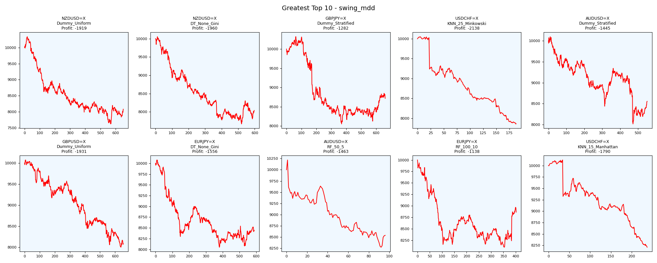
asset | model | duration_years | buy_hold_profit | n_samples | support_pos | support_neg | pos_ratio_true | pos_ratio_pred | accuracy | balanced_accuracy | cohen_kappa | matthews_cc | precision | recall | f1 | f2 | f05 | precision_neg | recall_neg | hamming_loss | zero_one_loss | jaccard | roc_auc | average_precision | log_loss | brier_score | swing_profit | day_profit | swing_cagr | day_cagr | swing_mdd | day_mdd | swing_max_profit | day_max_profit | swing_max_loss | day_max_loss | swing_trades | day_trades
NZDUSD=X | Dummy_Uniform | 20 | -2372.1613816 | 2597 | 1048 | 1549 | 0.4035425491 | 0.51328455911 | 0.48517520216 | 0.48726400682 | -0.024398958073 | -0.025002333971 | 0.39159789947 | 0.49809160305 | 0.43847123058 | 0.47239819005 | 0.40909090909 | 0.58386075949 | 0.47643641059 | 0.51482479784 | 0.51482479784 | 0.28079612695 | 0.5 | 0.4035425491 | 0.69314718056 | 0.25 | -1919.1940104 | 102.9419925 | -0.010598113731 | 0.00051220987591 | 0.26312056345 | 0.0031678787959 | 341.01862951 | 128.45941629 | -2379.9160189 | -3.9990844118 | 1302 | 1332
NZDUSD=X | DT_None_Gini | 20 | -2372.1613816 | 2597 | 1048 | 1549 | 0.4035425491 | 0.44474393531 | 0.49980747016 | 0.48872826103 | -0.022177303897 | -0.022256334834 | 0.39134199134 | 0.43129770992 | 0.41034952338 | 0.42266691603 | 0.39872971066 | 0.5866851595 | 0.54615881214 | 0.50019252984 | 0.50019252984 | 0.25813820674 | 0.48840855218 | 0.39824426728 | 17.989531427 | 0.49990373508 | -1960.3132028 | 181.34747452 | -0.010850452832 | 0.00089901758689 | 0.23694535325 | 0.004036890274 | 53.350987626 | 194.88089683 | -2328.7438135 | 0 | 1194 | 1155
GBPJPY=X | Dummy_Stratified | 20 | 525.38961187 | 2602 | 1066 | 1536 | 0.4096848578 | 0.49346656418 | 0.48501152959 | 0.48328606258 | -0.032413718772 | -0.03288082916 | 0.39330218069 | 0.47373358349 | 0.42978723404 | 0.45511896179 | 0.40712673331 | 0.57435508346 | 0.49283854167 | 0.51498847041 | 0.51498847041 | 0.27371273713 | 0.50537994938 | 0.41232004688 | 17.84174695 | 0.4950038432 | -1282.2943973 | -16.72970351 | -0.0068379644283 | -8.3715062132E-05 | 0.21962229474 | 0.0065026100421 | 319.8784974 | 15.441860811 | -1946.5968997 | -49.68465201 | 1322 | 1284
USDCHF=X | KNN_25_Minkowski | 20 | -668.7320553 | 2601 | 793 | 1808 | 0.30488273741 | 0.18031526336 | 0.6247597078 | 0.50000906717 | 2.0483505264E-05 | 2.1714884299E-05 | 0.30490405117 | 0.18032786885 | 0.22662440571 | 0.19637462236 | 0.26789059573 | 0.69512195122 | 0.81969026549 | 0.3752402922 | 0.3752402922 | 0.12779267203 | 0.49428210336 | 0.30675514213 | 0.65605347434 | 0.23130426759 | -2137.7239775 | -82.569151109 | -0.011953431177 | -0.0004144736944 | 0.2184260211 | 0.0082998204374 | 52.835705587 | 0.43264413303 | -2142.9651983 | -82.569151109 | 376 | 469
AUDUSD=X | Dummy_Stratified | 20 | -1022.0470526 | 2294 | 895 | 1399 | 0.39014821273 | 0.48648648649 | 0.50087183958 | 0.49779651068 | -0.0042193092659 | -0.0043008726059 | 0.38799283154 | 0.48379888268 | 0.4306315266 | 0.4610306644 | 0.40399328233 | 0.6078098472 | 0.51179413867 | 0.49912816042 | 0.49912816042 | 0.27439797212 | 0.50977473934 | 0.39491087359 | 17.676159574 | 0.4904097646 | -1444.5189708 | -596.17711382 | -0.0077703018727 | -0.0030687216375 | 0.20609007049 | 0.068636219806 | 97.507092031 | 96.831212636 | -1983.4888564 | -596.17711382 | 1102 | 1115
GBPUSD=X | Dummy_Uniform | 20 | -2235.5789639 | 2600 | 1310 | 1290 | 0.50384615385 | 0.5 | 0.49769230769 | 0.49769217113 | -0.0046153846154 | -0.0046155211713 | 0.50153846154 | 0.49770992366 | 0.49961685824 | 0.49847094801 | 0.50076804916 | 0.49384615385 | 0.4976744186 | 0.50230769231 | 0.50230769231 | 0.33299284985 | 0.5 | 0.50384615385 | 0.69314718056 | 0.25 | -1931.3793055 | 79.255653845 | -0.010672764687 | 0.00039479406357 | 0.20597218097 | 0.0023826858231 | 72.053404417 | 96.555396481 | -2002.5094021 | -4.1656658932 | 1308 | 1300
EURJPY=X | DT_None_Gini | 20 | 994.0719922 | 2596 | 1070 | 1526 | 0.41217257319 | 0.54198767334 | 0.47727272727 | 0.48415930721 | -0.030257548887 | -0.03129935203 | 0.39800995025 | 0.52336448598 | 0.45215987081 | 0.49235097591 | 0.4180352344 | 0.57106812447 | 0.44495412844 | 0.52272727273 | 0.52272727273 | 0.29212310902 | 0.48415930721 | 0.40476035931 | 18.841000635 | 0.52272727273 | -1556.4454182 | -15.941459894 | -0.0084234083081 | -7.9767717992E-05 | 0.20126463151 | 0.0067443464603 | 78.201576341 | 15.590298724 | -1950.1839502 | -51.958312255 | 1175 | 1406
AUDUSD=X | RF_50_5 | 20 | -1022.0470526 | 2294 | 895 | 1399 | 0.39014821273 | 0.8818657367 | 0.42720139494 | 0.51166156193 | 0.01900790244 | 0.035247190579 | 0.39644092931 | 0.89608938547 | 0.54969156957 | 0.71568802427 | 0.44620006676 | 0.65682656827 | 0.12723373838 | 0.57279860506 | 0.57279860506 | 0.37901701323 | 0.48998606347 | 0.36967264757 | 0.73635139673 | 0.26886546868 | -1462.8644245 | -591.80421692 | -0.007876791912 | -0.0030455474715 | 0.19054237216 | 0.070572976493 | 218.99335054 | 122.57610886 | -1728.1578836 | -591.80421692 | 192 | 2022
EURJPY=X | RF_100_10 | 20 | 994.0719922 | 2596 | 1070 | 1526 | 0.41217257319 | 0.71802773498 | 0.43605546995 | 0.47353658088 | -0.047644460518 | -0.057898406593 | 0.39431330472 | 0.68691588785 | 0.50102249489 | 0.59814453125 | 0.43103448276 | 0.54234972678 | 0.26015727392 | 0.56394453005 | 0.56394453005 | 0.33424283765 | 0.44739561005 | 0.39106095847 | 0.72725051242 | 0.26659122811 | -1138.0985391 | 20.260211325 | -0.0060229756992 | 0.00010120369673 | 0.19023866205 | 0.0065510726238 | 0 | 32.109932607 | -1902.3866205 | -33.611148132 | 804 | 1863
USDCHF=X | KNN_15_Manhattan | 20 | -668.7320553 | 2601 | 793 | 1808 | 0.30488273741 | 0.18723567859 | 0.6155324875 | 0.49230999397 | -0.01724824377 | -0.018149953237 | 0.28747433265 | 0.17654476671 | 0.21875 | 0.19130910085 | 0.25538124772 | 0.69110690634 | 0.80807522124 | 0.3844675125 | 0.3844675125 | 0.12280701754 | 0.48589776139 | 0.30439292765 | 0.67385313867 | 0.23838011021 | -1790.4175069 | -88.50320592 | -0.0098156600471 | -0.00044438709582 | 0.18909066897 | 0.0092671281017 | 123.92160128 | 4.2070624837 | -1790.4175069 | -88.50320592 | 474 | 487

Fewest_swing_mdd
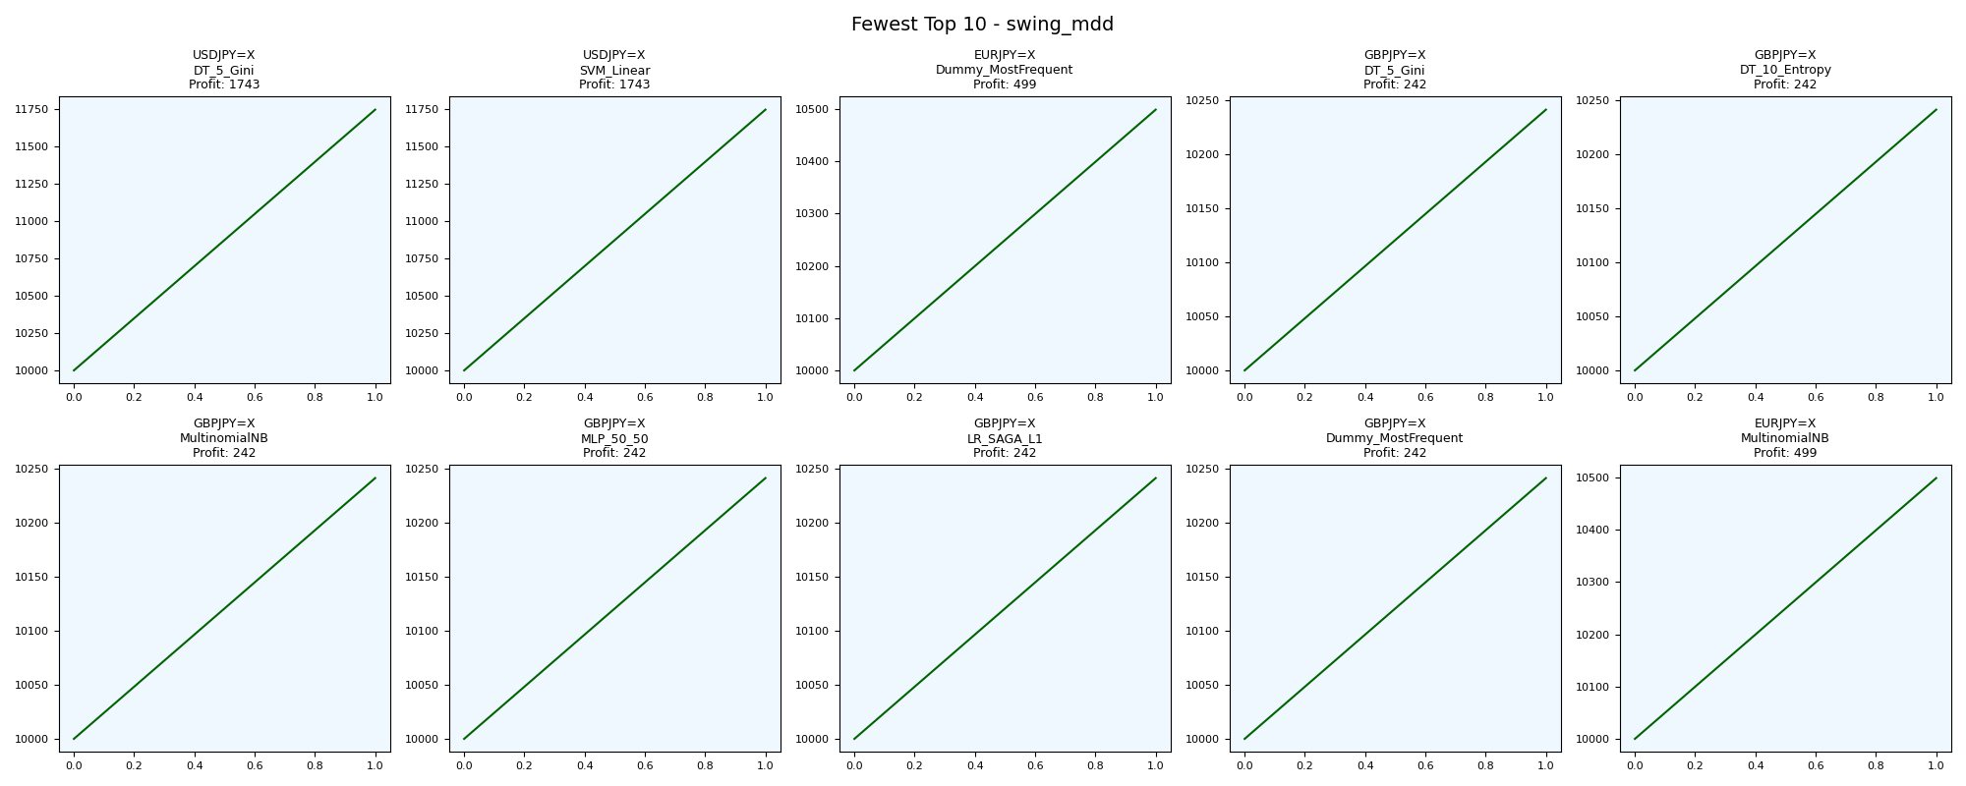
asset | model | duration_years | buy_hold_profit | n_samples | support_pos | support_neg | pos_ratio_true | pos_ratio_pred | accuracy | balanced_accuracy | cohen_kappa | matthews_cc | precision | recall | f1 | f2 | f05 | precision_neg | recall_neg | hamming_loss | zero_one_loss | jaccard | roc_auc | average_precision | log_loss | brier_score | swing_profit | day_profit | swing_cagr | day_cagr | swing_mdd | day_mdd | swing_max_profit | day_max_profit | swing_max_loss | day_max_loss | swing_trades | day_trades
USDJPY=X | DT_5_Gini | 20 | 3522.0656261 | 2594 | 1008 | 1586 | 0.38858905166 | 1 | 0.38858905166 | 0.5 | 0 | 0 | 0.38858905166 | 1 | 0.55968906163 | 0.76063990341 | 0.44272663387 | 0 | 0 | 0.61141094834 | 0.61141094834 | 0.38858905166 | 0.5 | 0.38858905166 | 0.69427570125 | 0.2505642556 | 1743.1555818 | -126.61914987 | 0.0080666350955 | -0.00063693508038 | 0 | 0.017694026017 | 1743.1555818 | 24.424086278 | 0 | -152.94833431 | 2 | 2593
USDJPY=X | SVM_Linear | 20 | 3522.0656261 | 2594 | 1008 | 1586 | 0.38858905166 | 1 | 0.38858905166 | 0.5 | 0 | 0 | 0.38858905166 | 1 | 0.55968906163 | 0.76063990341 | 0.44272663387 | 0 | 0 | 0.61141094834 | 0.61141094834 | 0.38858905166 | 0.63766163254 | 0.46734974458 | 0.69141137623 | 0.24913212867 | 1743.1555818 | -126.61914987 | 0.0080666350955 | -0.00063693508038 | 0 | 0.017694026017 | 1743.1555818 | 24.424086278 | 0 | -152.94833431 | 2 | 2593
EURJPY=X | Dummy_MostFrequent | 20 | 994.0719922 | 2596 | 1070 | 1526 | 0.41217257319 | 1 | 0.41217257319 | 0.5 | 0 | 0 | 0.41217257319 | 1 | 0.58374249864 | 0.77806864456 | 0.46708573424 | 0 | 0 | 0.58782742681 | 0.58782742681 | 0.41217257319 | 0.5 | 0.41217257319 | 21.187448025 | 0.58782742681 | 498.78896554 | 29.856190718 | 0.0024367049969 | 0.00014906965791 | 0 | 0.0072081719236 | 498.78896554 | 36.914597356 | 0 | -35.433208644 | 2 | 2595
GBPJPY=X | DT_5_Gini | 20 | 525.38961187 | 2602 | 1066 | 1536 | 0.4096848578 | 1 | 0.4096848578 | 0.5 | 0 | 0 | 0.4096848578 | 1 | 0.5812431843 | 0.77628896009 | 0.46452849922 | 0 | 0 | 0.5903151422 | 0.5903151422 | 0.4096848578 | 0.5 | 0.4096848578 | 0.6981931676 | 0.2525224035 | 241.59394571 | 14.791855627 | 0.0011943212975 | 7.3907363284E-05 | 0 | 0.0089860372424 | 241.59394571 | 51.351980988 | 0 | -38.96984225 | 2 | 2601
GBPJPY=X | DT_10_Entropy | 20 | 525.38961187 | 2602 | 1066 | 1536 | 0.4096848578 | 1 | 0.4096848578 | 0.5 | 0 | 0 | 0.4096848578 | 1 | 0.5812431843 | 0.77628896009 | 0.46452849922 | 0 | 0 | 0.5903151422 | 0.5903151422 | 0.4096848578 | 0.5 | 0.4096848578 | 0.69835261657 | 0.25260207227 | 241.59394571 | 14.791855627 | 0.0011943212975 | 7.3907363284E-05 | 0 | 0.0089860372424 | 241.59394571 | 51.351980988 | 0 | -38.96984225 | 2 | 2601
GBPJPY=X | MultinomialNB | 20 | 525.38961187 | 2602 | 1066 | 1536 | 0.4096848578 | 1 | 0.4096848578 | 0.5 | 0 | 0 | 0.4096848578 | 1 | 0.5812431843 | 0.77628896009 | 0.46452849922 | 0 | 0 | 0.5903151422 | 0.5903151422 | 0.4096848578 | 0.47005666383 | 0.42020612272 | 0.69574218292 | 0.25129741686 | 241.59394571 | 14.791855627 | 0.0011943212975 | 7.3907363284E-05 | 0 | 0.0089860372424 | 241.59394571 | 51.351980988 | 0 | -38.96984225 | 2 | 2601
GBPJPY=X | MLP_50_50 | 20 | 525.38961187 | 2602 | 1066 | 1536 | 0.4096848578 | 1 | 0.4096848578 | 0.5 | 0 | 0 | 0.4096848578 | 1 | 0.5812431843 | 0.77628896009 | 0.46452849922 | 0 | 0 | 0.5903151422 | 0.5903151422 | 0.4096848578 | 0.58825737033 | 0.46853687733 | 0.69684685131 | 0.25184952753 | 241.59394571 | 14.791855627 | 0.0011943212975 | 7.3907363284E-05 | 0 | 0.0089860372424 | 241.59394571 | 51.351980988 | 0 | -38.96984225 | 2 | 2601
GBPJPY=X | LR_SAGA_L1 | 20 | 525.38961187 | 2602 | 1066 | 1536 | 0.4096848578 | 1 | 0.4096848578 | 0.5 | 0 | 0 | 0.4096848578 | 1 | 0.5812431843 | 0.77628896009 | 0.46452849922 | 0 | 0 | 0.5903151422 | 0.5903151422 | 0.4096848578 | 0.41130595538 | 0.35912857044 | 0.69657468454 | 0.25171353541 | 241.59394571 | 14.791855627 | 0.0011943212975 | 7.3907363284E-05 | 0 | 0.0089860372424 | 241.59394571 | 51.351980988 | 0 | -38.96984225 | 2 | 2601
GBPJPY=X | Dummy_MostFrequent | 20 | 525.38961187 | 2602 | 1066 | 1536 | 0.4096848578 | 1 | 0.4096848578 | 0.5 | 0 | 0 | 0.4096848578 | 1 | 0.5812431843 | 0.77628896009 | 0.46452849922 | 0 | 0 | 0.5903151422 | 0.5903151422 | 0.4096848578 | 0.5 | 0.4096848578 | 21.277114376 | 0.5903151422 | 241.59394571 | 14.791855627 | 0.0011943212975 | 7.3907363284E-05 | 0 | 0.0089860372424 | 241.59394571 | 51.351980988 | 0 | -38.96984225 | 2 | 2601
EURJPY=X | MultinomialNB | 20 | 994.0719922 | 2596 | 1070 | 1526 | 0.41217257319 | 1 | 0.41217257319 | 0.5 | 0 | 0 | 0.41217257319 | 1 | 0.58374249864 | 0.77806864456 | 0.46708573424 | 0 | 0 | 0.58782742681 | 0.58782742681 | 0.41217257319 | 0.50422796144 | 0.44633850288 | 0.69801677267 | 0.25243423642 | 498.78896554 | 29.856190718 | 0.0024367049969 | 0.00014906965791 | 0 | 0.0072081719236 | 498.78896554 | 36.914597356 | 0 | -35.433208644 | 2 | 2595

Greatest_swing_max_profit
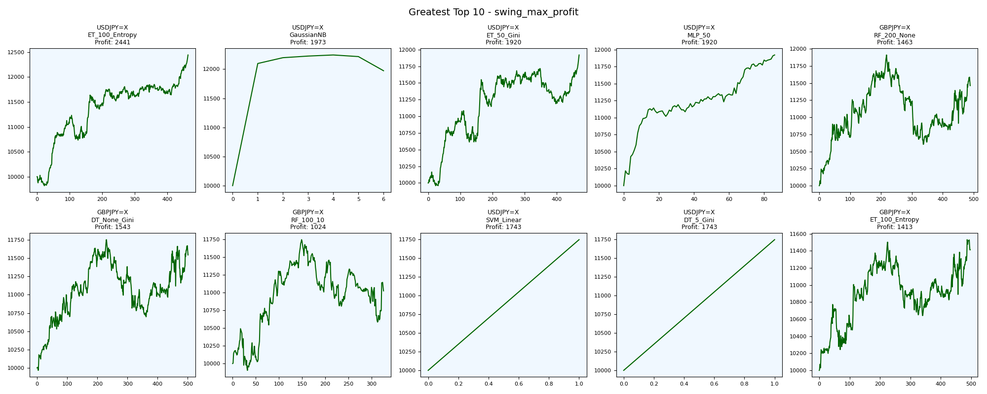
asset | model | duration_years | buy_hold_profit | n_samples | support_pos | support_neg | pos_ratio_true | pos_ratio_pred | accuracy | balanced_accuracy | cohen_kappa | matthews_cc | precision | recall | f1 | f2 | f05 | precision_neg | recall_neg | hamming_loss | zero_one_loss | jaccard | roc_auc | average_precision | log_loss | brier_score | swing_profit | day_profit | swing_cagr | day_cagr | swing_mdd | day_mdd | swing_max_profit | day_max_profit | swing_max_loss | day_max_loss | swing_trades | day_trades
USDJPY=X | ET_100_Entropy | 20 | 3522.0656261 | 2594 | 1008 | 1586 | 0.38858905166 | 0.42444101773 | 0.58481110254 | 0.57152615144 | 0.14068708418 | 0.14107600337 | 0.46866485014 | 0.5119047619 | 0.4893314367 | 0.50263004091 | 0.47671840355 | 0.67046215673 | 0.63114754098 | 0.41518889746 | 0.41518889746 | 0.32391713748 | 0.63725848946 | 0.46231476584 | 1.2833588294 | 0.27222422899 | 2441.2390326 | -40.743148178 | 0.010981437669 | -0.00020411103911 | 0.044274802166 | 0.0083935114259 | 2441.2390326 | 33.040640918 | -180.3385134 | -51.171800338 | 928 | 1101
USDJPY=X | GaussianNB | 20 | 3522.0656261 | 2594 | 1008 | 1586 | 0.38858905166 | 0.97417116423 | 0.41441788743 | 0.5211223203 | 0.033143591311 | 0.12981158568 | 0.39889196676 | 1 | 0.5702970297 | 0.76840981857 | 0.45340050378 | 1 | 0.042244640605 | 0.58558211257 | 0.58558211257 | 0.39889196676 | 0.53443135871 | 0.39749617872 | 0.70234371502 | 0.25459367434 | 1973.4155866 | -126.61914987 | 0.0090458552498 | -0.00063693508038 | 0.022104581534 | 0.017694026017 | 2244.0655314 | 24.424086278 | 0 | -152.94833431 | 12 | 2526
USDJPY=X | ET_50_Gini | 20 | 3522.0656261 | 2594 | 1008 | 1586 | 0.38858905166 | 0.42174248265 | 0.58519660756 | 0.57129909025 | 0.14041521562 | 0.14074777924 | 0.4689213894 | 0.50892857143 | 0.48810656518 | 0.50039016777 | 0.4764115899 | 0.67 | 0.63366960908 | 0.41480339244 | 0.41480339244 | 0.32284455632 | 0.63501665115 | 0.46086917554 | 1.4685249718 | 0.27561904395 | 1920.1778927 | -42.205343253 | 0.0088210528189 | -0.00021145093709 | 0.045019535537 | 0.0086942099371 | 1920.1778927 | 25.618096809 | -40.921315622 | -61.546731674 | 938 | 1094
USDJPY=X | MLP_50 | 20 | 3522.0656261 | 2594 | 1008 | 1586 | 0.38858905166 | 0.42251349268 | 0.58982266769 | 0.57634760504 | 0.15030416472 | 0.15067669567 | 0.47445255474 | 0.51587301587 | 0.49429657795 | 0.50702028081 | 0.4821958457 | 0.67423230975 | 0.6368221942 | 0.41017733231 | 0.41017733231 | 0.32828282828 | 0.64861811686 | 0.46930127523 | 0.68407971212 | 0.24547100739 | 1920.0204828 | -66.199144194 | 0.0088203867238 | -0.00033204102406 | 0.01100998562 | 0.0089927137451 | 1920.0204828 | 17.356838056 | 0 | -72.726384471 | 172 | 1096
GBPJPY=X | RF_200_None | 20 | 525.38961187 | 2602 | 1066 | 1536 | 0.4096848578 | 0.44196771714 | 0.50422751729 | 0.49353416686 | -0.012777620879 | -0.012805497928 | 0.40260869565 | 0.43433395872 | 0.4178700361 | 0.42759512375 | 0.4085774797 | 0.5847107438 | 0.552734375 | 0.49577248271 | 0.49577248271 | 0.26411865374 | 0.48273609727 | 0.38998861103 | 1.098047624 | 0.34439534915 | 1462.7155146 | 24.456866508 | 0.0068490756756 | 0.00012214250011 | 0.1096502454 | 0.0065210214326 | 1910.7399125 | 24.456866508 | 0 | -57.871958807 | 978 | 1150
GBPJPY=X | DT_None_Gini | 20 | 525.38961187 | 2602 | 1066 | 1536 | 0.4096848578 | 0.46079938509 | 0.50307455803 | 0.49585861769 | -0.0081276207861 | -0.0081716753205 | 0.40533778148 | 0.45590994371 | 0.42913907285 | 0.44481054366 | 0.41453428864 | 0.58660014255 | 0.53580729167 | 0.49692544197 | 0.49692544197 | 0.27318718381 | 0.49554989202 | 0.40768923896 | 17.871849038 | 0.49663720215 | 1542.6407154 | -1.907447786 | 0.0071989373258 | -9.5381031467E-06 | 0.089599914888 | 0.0077234060142 | 1751.1683477 | 6.9514837372 | -32.959911017 | -70.336265536 | 1002 | 1199
GBPJPY=X | RF_100_10 | 20 | 525.38961187 | 2602 | 1066 | 1536 | 0.4096848578 | 0.54419677171 | 0.47732513451 | 0.48481289576 | -0.028921405003 | -0.029991984891 | 0.39618644068 | 0.52626641651 | 0.45205479452 | 0.49383802817 | 0.41679049034 | 0.5741989882 | 0.443359375 | 0.52267486549 | 0.52267486549 | 0.29203539823 | 0.47007773413 | 0.3814412872 | 0.70592604803 | 0.25628382463 | 1024.2600354 | -0.17873120956 | 0.004887565829 | -8.9366363476E-07 | 0.098887950757 | 0.0065936436905 | 1745.9615269 | 13.09341709 | -96.188435466 | -52.929353142 | 652 | 1416
USDJPY=X | SVM_Linear | 20 | 3522.0656261 | 2594 | 1008 | 1586 | 0.38858905166 | 1 | 0.38858905166 | 0.5 | 0 | 0 | 0.38858905166 | 1 | 0.55968906163 | 0.76063990341 | 0.44272663387 | 0 | 0 | 0.61141094834 | 0.61141094834 | 0.38858905166 | 0.63766163254 | 0.46734974458 | 0.69141137623 | 0.24913212867 | 1743.1555818 | -126.61914987 | 0.0080666350955 | -0.00063693508038 | 0 | 0.017694026017 | 1743.1555818 | 24.424086278 | 0 | -152.94833431 | 2 | 2593
USDJPY=X | DT_5_Gini | 20 | 3522.0656261 | 2594 | 1008 | 1586 | 0.38858905166 | 1 | 0.38858905166 | 0.5 | 0 | 0 | 0.38858905166 | 1 | 0.55968906163 | 0.76063990341 | 0.44272663387 | 0 | 0 | 0.61141094834 | 0.61141094834 | 0.38858905166 | 0.5 | 0.38858905166 | 0.69427570125 | 0.2505642556 | 1743.1555818 | -126.61914987 | 0.0080666350955 | -0.00063693508038 | 0 | 0.017694026017 | 1743.1555818 | 24.424086278 | 0 | -152.94833431 | 2 | 2593
GBPJPY=X | ET_100_Entropy | 20 | 525.38961187 | 2602 | 1066 | 1536 | 0.4096848578 | 0.43428132206 | 0.50576479631 | 0.49368807165 | -0.012508956582 | -0.012524867486 | 0.40265486726 | 0.42682926829 | 0.41438979964 | 0.42176492399 | 0.40726817043 | 0.58491847826 | 0.560546875 | 0.49423520369 | 0.49423520369 | 0.26134405514 | 0.48298741401 | 0.39190130721 | 2.9256739757 | 0.36124336088 | 1412.5844604 | 29.282563394 | 0.0066284492528 | 0.00014620955498 | 0.074855581973 | 0.0058938600613 | 1531.8944663 | 29.282563394 | 0 | -50.486039758 | 994 | 1130

Fewest_swing_max_profit
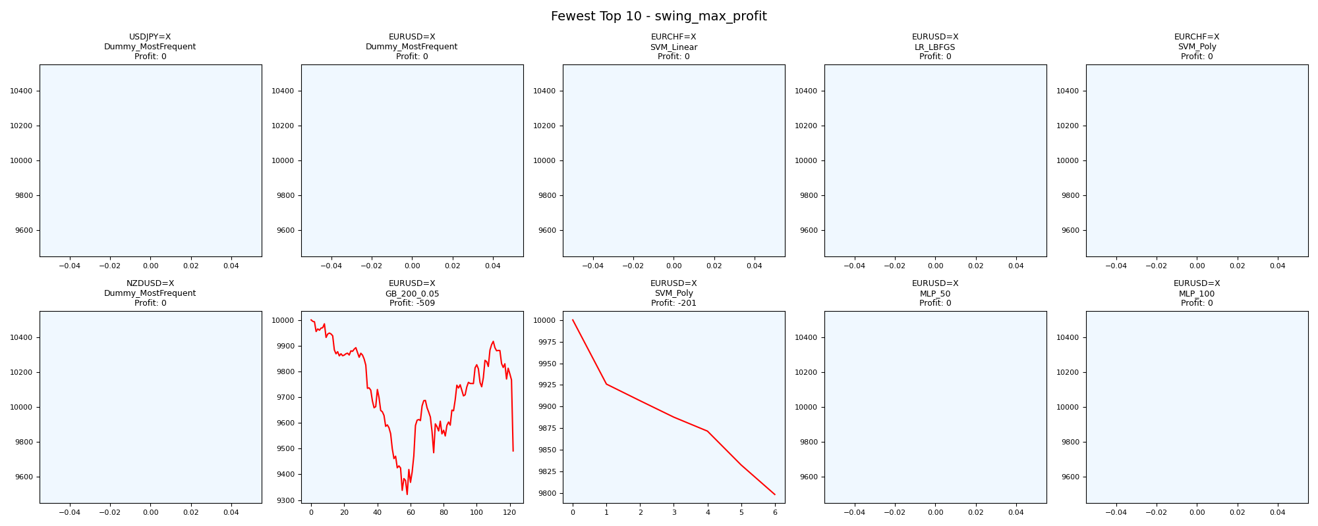
asset | model | duration_years | buy_hold_profit | n_samples | support_pos | support_neg | pos_ratio_true | pos_ratio_pred | accuracy | balanced_accuracy | cohen_kappa | matthews_cc | precision | recall | f1 | f2 | f05 | precision_neg | recall_neg | hamming_loss | zero_one_loss | jaccard | roc_auc | average_precision | log_loss | brier_score | swing_profit | day_profit | swing_cagr | day_cagr | swing_mdd | day_mdd | swing_max_profit | day_max_profit | swing_max_loss | day_max_loss | swing_trades | day_trades
USDJPY=X | Dummy_MostFrequent | 20 | 3522.0656261 | 2594 | 1008 | 1586 | 0.38858905166 | 0 | 0.61141094834 | 0.5 | 0 | 0 | 0 | 0 | 0 | 0 | 0 | 0.61141094834 | 1 | 0.38858905166 | 0.38858905166 | 0 | 0.5 | 0.38858905166 | 14.006169089 | 0.38858905166 | 0 | 0 | 0 | 0 |  |  | 0 | 0 | 0 | 0 | 0 | 0
EURUSD=X | Dummy_MostFrequent | 20 | -1862.3329802 | 2594 | 1120 | 1474 | 0.43176561295 | 0 | 0.56823438705 | 0.5 | 0 | 0 | 0 | 0 | 0 | 0 | 0 | 0.56823438705 | 1 | 0.43176561295 | 0.43176561295 | 0 | 0.5 | 0.43176561295 | 15.562410099 | 0.43176561295 | 0 | 0 | 0 | 0 |  |  | 0 | 0 | 0 | 0 | 0 | 0
EURCHF=X | SVM_Linear | 20 | -2449.5672287 | 2595 | 898 | 1697 | 0.34605009634 | 0 | 0.65394990366 | 0.5 | 0 | 0 | 0 | 0 | 0 | 0 | 0 | 0.65394990366 | 1 | 0.34605009634 | 0.34605009634 | 0 | 0.61850599709 | 0.40146738146 | 0.66717232798 | 0.23705218429 | 0 | 0 | 0 | 0 |  |  | 0 | 0 | 0 | 0 | 0 | 0
EURUSD=X | LR_LBFGS | 20 | -1862.3329802 | 2594 | 1120 | 1474 | 0.43176561295 | 0 | 0.56823438705 | 0.5 | 0 | 0 | 0 | 0 | 0 | 0 | 0 | 0.56823438705 | 1 | 0.43176561295 | 0.43176561295 | 0 | 0.36470215885 | 0.33622639767 | 0.69118769038 | 0.24901945196 | 0 | 0 | 0 | 0 |  |  | 0 | 0 | 0 | 0 | 0 | 0
EURCHF=X | SVM_Poly | 20 | -2449.5672287 | 2595 | 898 | 1697 | 0.34605009634 | 0 | 0.65394990366 | 0.5 | 0 | 0 | 0 | 0 | 0 | 0 | 0 | 0.65394990366 | 1 | 0.34605009634 | 0.34605009634 | 0 | 0.38690247299 | 0.27101024152 | 0.67788378507 | 0.24237556177 | 0 | 0 | 0 | 0 |  |  | 0 | 0 | 0 | 0 | 0 | 0
NZDUSD=X | Dummy_MostFrequent | 20 | -2372.1613816 | 2597 | 1048 | 1549 | 0.4035425491 | 0 | 0.5964574509 | 0.5 | 0 | 0 | 0 | 0 | 0 | 0 | 0 | 0.5964574509 | 1 | 0.4035425491 | 0.4035425491 | 0 | 0.5 | 0.4035425491 | 14.545147767 | 0.4035425491 | 0 | 0 | 0 | 0 |  |  | 0 | 0 | 0 | 0 | 0 | 0
EURUSD=X | GB_200_0.05 | 20 | -1862.3329802 | 2594 | 1120 | 1474 | 0.43176561295 | 0.85851966076 | 0.43138010794 | 0.47993312657 | -0.035875740936 | -0.057039317377 | 0.42029636282 | 0.83571428571 | 0.55930684195 | 0.69777844044 | 0.46669325888 | 0.49863760218 | 0.12415196744 | 0.56861989206 | 0.56861989206 | 0.38822065533 | 0.49632165875 | 0.43477321217 | 0.7165170269 | 0.26019893218 | -508.98772141 | 182.92614664 | -0.0026085826268 | 0.00090677675146 | 0.067819471914 | 0.0020015066717 | 0 | 185.58551622 | -678.19471914 | -10.769554369 | 244 | 2226
EURUSD=X | SVM_Poly | 20 | -1862.3329802 | 2594 | 1120 | 1474 | 0.43176561295 | 0.03199691596 | 0.5632228219 | 0.49934277476 | -0.0014788755911 | -0.0036994705822 | 0.42168674699 | 0.03125 | 0.058187863674 | 0.038351961429 | 0.12052341598 | 0.56790123457 | 0.96743554953 | 0.4367771781 | 0.4367771781 | 0.029965753425 | 0.63529784115 | 0.50749974244 | 0.68492065034 | 0.24589505192 | -201.27721709 | 0.31883031356 | -0.0010161355885 | 1.5941274258E-06 | 0.020127721709 | 0.00036475668639 | 0 | 1.6870772404 | -201.27721709 | -3.6157763676 | 12 | 83
EURUSD=X | MLP_50 | 20 | -1862.3329802 | 2594 | 1120 | 1474 | 0.43176561295 | 0 | 0.56823438705 | 0.5 | 0 | 0 | 0 | 0 | 0 | 0 | 0 | 0.56823438705 | 1 | 0.43176561295 | 0.43176561295 | 0 | 0.42119324239 | 0.37655889904 | 0.68619293817 | 0.24652729493 | 0 | 0 | 0 | 0 |  |  | 0 | 0 | 0 | 0 | 0 | 0
EURUSD=X | MLP_100 | 20 | -1862.3329802 | 2594 | 1120 | 1474 | 0.43176561295 | 0 | 0.56823438705 | 0.5 | 0 | 0 | 0 | 0 | 0 | 0 | 0 | 0.56823438705 | 1 | 0.43176561295 | 0.43176561295 | 0 | 0.36471669655 | 0.33623652049 | 0.6887663904 | 0.2478100723 | 0 | 0 | 0 | 0 |  |  | 0 | 0 | 0 | 0 | 0 | 0

Greatest_swing_max_loss
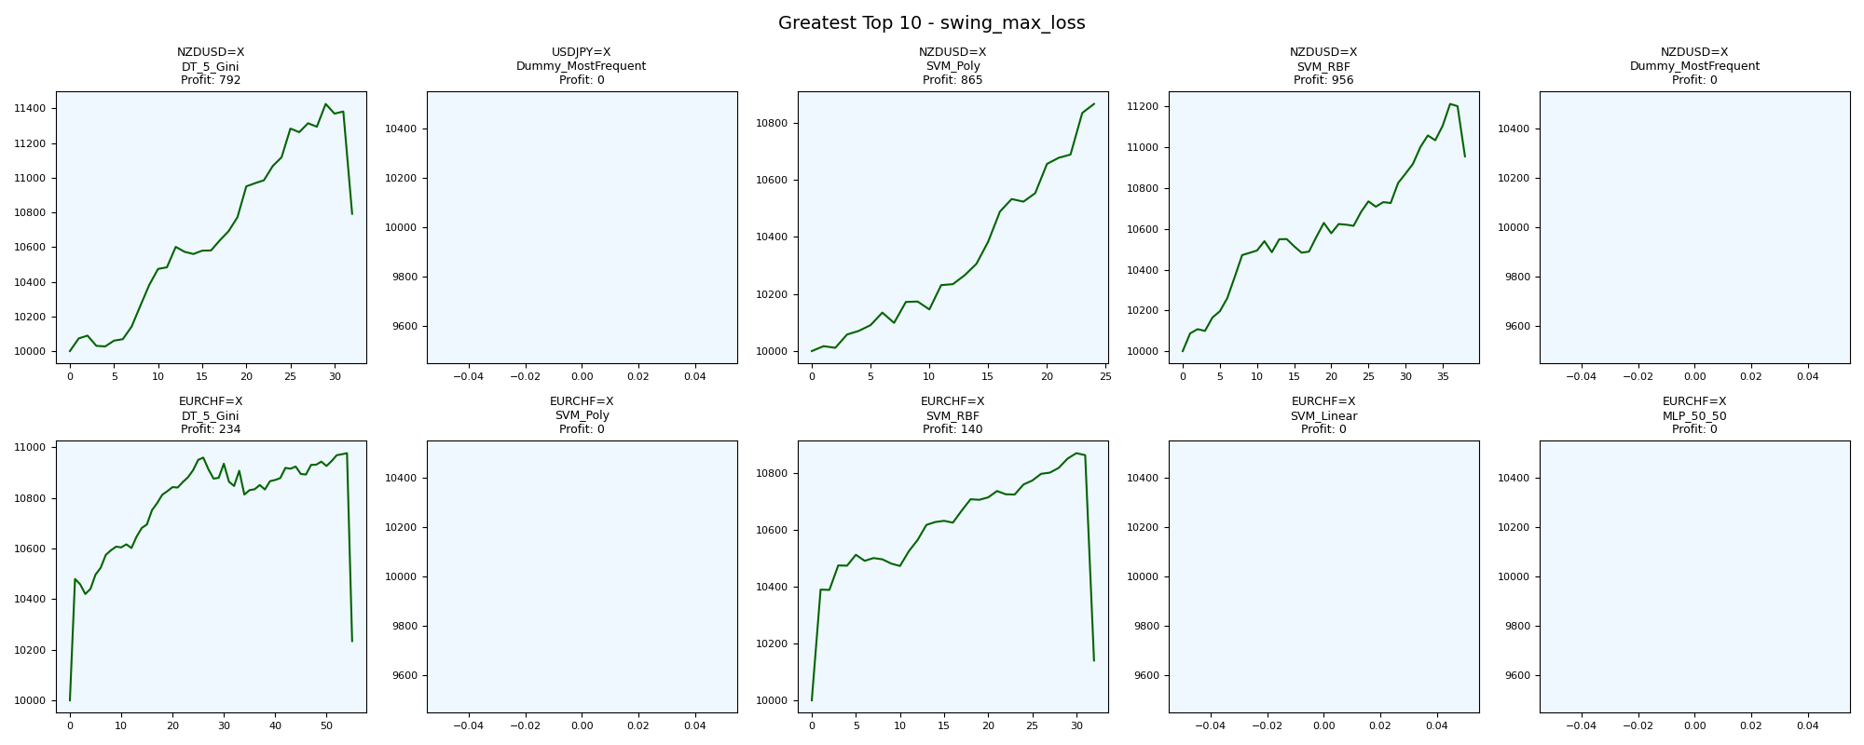
asset | model | duration_years | buy_hold_profit | n_samples | support_pos | support_neg | pos_ratio_true | pos_ratio_pred | accuracy | balanced_accuracy | cohen_kappa | matthews_cc | precision | recall | f1 | f2 | f05 | precision_neg | recall_neg | hamming_loss | zero_one_loss | jaccard | roc_auc | average_precision | log_loss | brier_score | swing_profit | day_profit | swing_cagr | day_cagr | swing_mdd | day_mdd | swing_max_profit | day_max_profit | swing_max_loss | day_max_loss | swing_trades | day_trades
NZDUSD=X | DT_5_Gini | 20 | -2372.1613816 | 2597 | 1048 | 1549 | 0.4035425491 | 0.70273392376 | 0.40893338467 | 0.44603542547 | -0.096373990953 | -0.11585239562 | 0.36657534247 | 0.63835877863 | 0.46571528019 | 0.55592487951 | 0.40069477719 | 0.50906735751 | 0.2537120723 | 0.59106661533 | 0.59106661533 | 0.30353901996 | 0.44848098256 | 0.37936318654 | 0.70570486074 | 0.25566115153 | 791.93348231 | 178.95469074 | 0.0038179630366 | 0.00088725488885 | 0.055437799189 | 0.0057071787173 | 1425.3285523 | 199.04420035 | 0 | -13.894044121 | 64 | 1824
USDJPY=X | Dummy_MostFrequent | 20 | 3522.0656261 | 2594 | 1008 | 1586 | 0.38858905166 | 0 | 0.61141094834 | 0.5 | 0 | 0 | 0 | 0 | 0 | 0 | 0 | 0.61141094834 | 1 | 0.38858905166 | 0.38858905166 | 0 | 0.5 | 0.38858905166 | 14.006169089 | 0.38858905166 | 0 | 0 | 0 | 0 |  |  | 0 | 0 | 0 | 0 | 0 | 0
NZDUSD=X | SVM_Poly | 20 | -2372.1613816 | 2597 | 1048 | 1549 | 0.4035425491 | 0.18790912591 | 0.44859453215 | 0.38407320162 | -0.25378403746 | -0.29118700321 | 0.10655737705 | 0.049618320611 | 0.067708333333 | 0.055555555556 | 0.086666666667 | 0.52773826458 | 0.71852808263 | 0.55140546785 | 0.55140546785 | 0.035040431267 | 0.64092076149 | 0.48491484982 | 0.68835437955 | 0.24760414867 | 864.95712759 | -16.874281098 | 0.0041564930947 | -8.4439105829E-05 | 0.0035491129308 | 0.0030236809561 | 864.95712759 | 13.016134046 | 0 | -21.149333641 | 48 | 487
NZDUSD=X | SVM_RBF | 20 | -2372.1613816 | 2597 | 1048 | 1549 | 0.4035425491 | 0.46053138236 | 0.41624951868 | 0.40510376061 | -0.18555479136 | -0.18681024527 | 0.30434782609 | 0.34732824427 | 0.32442067736 | 0.33778767632 | 0.31207133059 | 0.51177730193 | 0.46287927695 | 0.58375048132 | 0.58375048132 | 0.19361702128 | 0.64594370167 | 0.50122710197 | 0.68420021511 | 0.24553029109 | 955.79060074 | 53.743334271 | 0.0045745838813 | 0.00026803307608 | 0.022955533518 | 0.0053251425928 | 1213.1954856 | 88.725137057 | 0 | -24.672031287 | 76 | 1195
NZDUSD=X | Dummy_MostFrequent | 20 | -2372.1613816 | 2597 | 1048 | 1549 | 0.4035425491 | 0 | 0.5964574509 | 0.5 | 0 | 0 | 0 | 0 | 0 | 0 | 0 | 0.5964574509 | 1 | 0.4035425491 | 0.4035425491 | 0 | 0.5 | 0.4035425491 | 14.545147767 | 0.4035425491 | 0 | 0 | 0 | 0 |  |  | 0 | 0 | 0 | 0 | 0 | 0
EURCHF=X | DT_5_Gini | 20 | -2449.5672287 | 2595 | 898 | 1697 | 0.34605009634 | 0.52755298651 | 0.44393063584 | 0.44743048456 | -0.093583763052 | -0.1001834769 | 0.30094959825 | 0.45879732739 | 0.36347595942 | 0.41523886313 | 0.32318795105 | 0.60358890701 | 0.43606364172 | 0.55606936416 | 0.55606936416 | 0.22210242588 | 0.44590873715 | 0.31913229669 | 16.382470523 | 0.5162608515 | 234.12734387 | -81.025286587 | 0.0011578127747 | -0.00040669390468 | 0.067671182642 | 0.0091412501508 | 976.9505708 | 2.0968307108 | 0 | -89.334838451 | 110 | 1368
EURCHF=X | SVM_Poly | 20 | -2449.5672287 | 2595 | 898 | 1697 | 0.34605009634 | 0 | 0.65394990366 | 0.5 | 0 | 0 | 0 | 0 | 0 | 0 | 0 | 0.65394990366 | 1 | 0.34605009634 | 0.34605009634 | 0 | 0.38690247299 | 0.27101024152 | 0.67788378507 | 0.24237556177 | 0 | 0 | 0 | 0 |  |  | 0 | 0 | 0 | 0 | 0 | 0
EURCHF=X | SVM_RBF | 20 | -2449.5672287 | 2595 | 898 | 1697 | 0.34605009634 | 0.40077071291 | 0.45510597303 | 0.41665168324 | -0.1607138903 | -0.16181696537 | 0.25192307692 | 0.29175946548 | 0.27038183695 | 0.28281519862 | 0.25899565045 | 0.59099678457 | 0.541543901 | 0.54489402697 | 0.54489402697 | 0.15632458234 | 0.38748321747 | 0.2711338578 | 0.68206790289 | 0.2444688945 | 140.29782112 | -35.847575887 | 0.00069685647455 | -0.00017954379153 | 0.067213853954 | 0.0046281311086 | 870.97815947 | 2.0968307108 | 0 | -44.194184783 | 64 | 1039
EURCHF=X | SVM_Linear | 20 | -2449.5672287 | 2595 | 898 | 1697 | 0.34605009634 | 0 | 0.65394990366 | 0.5 | 0 | 0 | 0 | 0 | 0 | 0 | 0 | 0.65394990366 | 1 | 0.34605009634 | 0.34605009634 | 0 | 0.61850599709 | 0.40146738146 | 0.66717232798 | 0.23705218429 | 0 | 0 | 0 | 0 |  |  | 0 | 0 | 0 | 0 | 0 | 0
EURCHF=X | MLP_50_50 | 20 | -2449.5672287 | 2595 | 898 | 1697 | 0.34605009634 | 0 | 0.65394990366 | 0.5 | 0 | 0 | 0 | 0 | 0 | 0 | 0 | 0.65394990366 | 1 | 0.34605009634 | 0.34605009634 | 0 | 0.61274120582 | 0.39799935047 | 0.64735772658 | 0.22741140321 | 0 | 0 | 0 | 0 |  |  | 0 | 0 | 0 | 0 | 0 | 0

Fewest_swing_max_loss
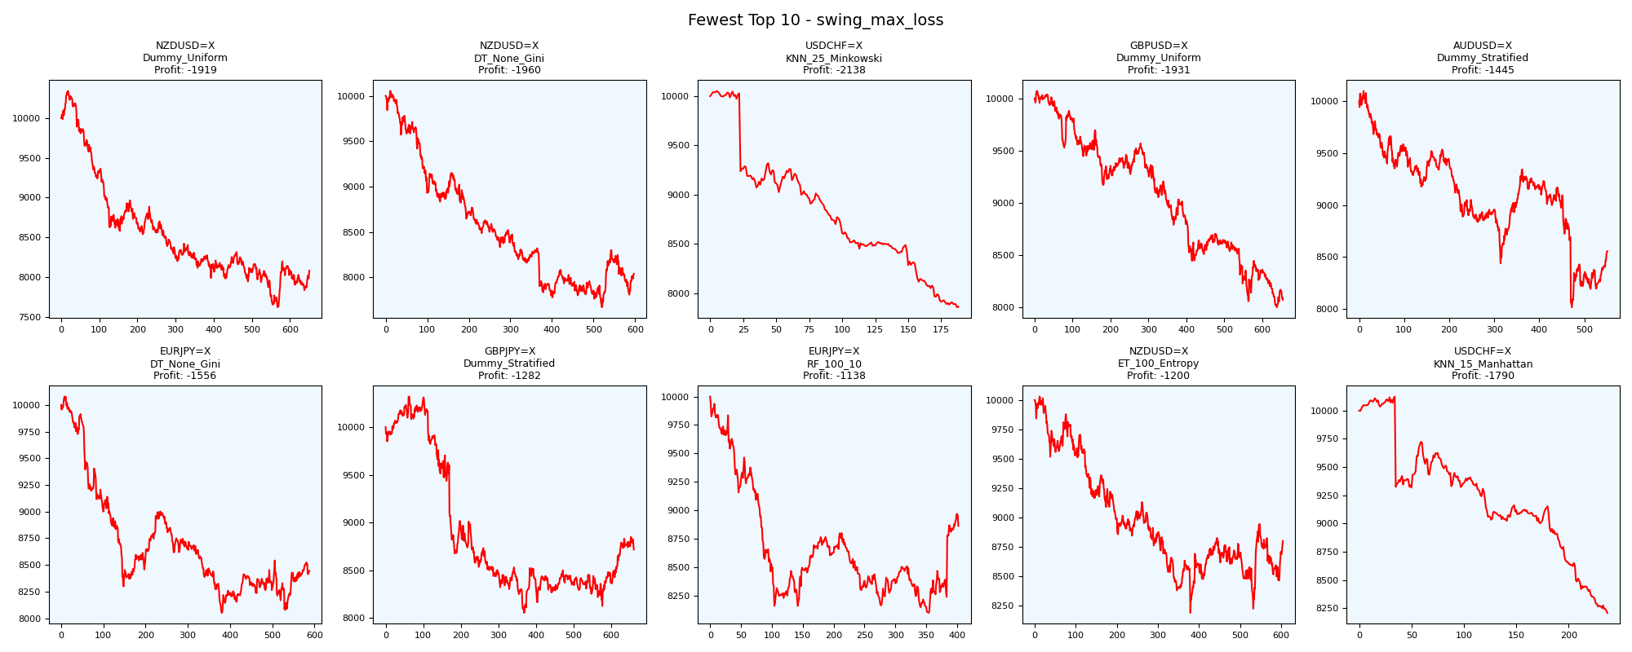
asset | model | duration_years | buy_hold_profit | n_samples | support_pos | support_neg | pos_ratio_true | pos_ratio_pred | accuracy | balanced_accuracy | cohen_kappa | matthews_cc | precision | recall | f1 | f2 | f05 | precision_neg | recall_neg | hamming_loss | zero_one_loss | jaccard | roc_auc | average_precision | log_loss | brier_score | swing_profit | day_profit | swing_cagr | day_cagr | swing_mdd | day_mdd | swing_max_profit | day_max_profit | swing_max_loss | day_max_loss | swing_trades | day_trades
NZDUSD=X | Dummy_Uniform | 20 | -2372.1613816 | 2597 | 1048 | 1549 | 0.4035425491 | 0.51328455911 | 0.48517520216 | 0.48726400682 | -0.024398958073 | -0.025002333971 | 0.39159789947 | 0.49809160305 | 0.43847123058 | 0.47239819005 | 0.40909090909 | 0.58386075949 | 0.47643641059 | 0.51482479784 | 0.51482479784 | 0.28079612695 | 0.5 | 0.4035425491 | 0.69314718056 | 0.25 | -1919.1940104 | 102.9419925 | -0.010598113731 | 0.00051220987591 | 0.26312056345 | 0.0031678787959 | 341.01862951 | 128.45941629 | -2379.9160189 | -3.9990844118 | 1302 | 1332
NZDUSD=X | DT_None_Gini | 20 | -2372.1613816 | 2597 | 1048 | 1549 | 0.4035425491 | 0.44474393531 | 0.49980747016 | 0.48872826103 | -0.022177303897 | -0.022256334834 | 0.39134199134 | 0.43129770992 | 0.41034952338 | 0.42266691603 | 0.39872971066 | 0.5866851595 | 0.54615881214 | 0.50019252984 | 0.50019252984 | 0.25813820674 | 0.48840855218 | 0.39824426728 | 17.989531427 | 0.49990373508 | -1960.3132028 | 181.34747452 | -0.010850452832 | 0.00089901758689 | 0.23694535325 | 0.004036890274 | 53.350987626 | 194.88089683 | -2328.7438135 | 0 | 1194 | 1155
USDCHF=X | KNN_25_Minkowski | 20 | -668.7320553 | 2601 | 793 | 1808 | 0.30488273741 | 0.18031526336 | 0.6247597078 | 0.50000906717 | 2.0483505264E-05 | 2.1714884299E-05 | 0.30490405117 | 0.18032786885 | 0.22662440571 | 0.19637462236 | 0.26789059573 | 0.69512195122 | 0.81969026549 | 0.3752402922 | 0.3752402922 | 0.12779267203 | 0.49428210336 | 0.30675514213 | 0.65605347434 | 0.23130426759 | -2137.7239775 | -82.569151109 | -0.011953431177 | -0.0004144736944 | 0.2184260211 | 0.0082998204374 | 52.835705587 | 0.43264413303 | -2142.9651983 | -82.569151109 | 376 | 469
GBPUSD=X | Dummy_Uniform | 20 | -2235.5789639 | 2600 | 1310 | 1290 | 0.50384615385 | 0.5 | 0.49769230769 | 0.49769217113 | -0.0046153846154 | -0.0046155211713 | 0.50153846154 | 0.49770992366 | 0.49961685824 | 0.49847094801 | 0.50076804916 | 0.49384615385 | 0.4976744186 | 0.50230769231 | 0.50230769231 | 0.33299284985 | 0.5 | 0.50384615385 | 0.69314718056 | 0.25 | -1931.3793055 | 79.255653845 | -0.010672764687 | 0.00039479406357 | 0.20597218097 | 0.0023826858231 | 72.053404417 | 96.555396481 | -2002.5094021 | -4.1656658932 | 1308 | 1300
AUDUSD=X | Dummy_Stratified | 20 | -1022.0470526 | 2294 | 895 | 1399 | 0.39014821273 | 0.48648648649 | 0.50087183958 | 0.49779651068 | -0.0042193092659 | -0.0043008726059 | 0.38799283154 | 0.48379888268 | 0.4306315266 | 0.4610306644 | 0.40399328233 | 0.6078098472 | 0.51179413867 | 0.49912816042 | 0.49912816042 | 0.27439797212 | 0.50977473934 | 0.39491087359 | 17.676159574 | 0.4904097646 | -1444.5189708 | -596.17711382 | -0.0077703018727 | -0.0030687216375 | 0.20609007049 | 0.068636219806 | 97.507092031 | 96.831212636 | -1983.4888564 | -596.17711382 | 1102 | 1115
EURJPY=X | DT_None_Gini | 20 | 994.0719922 | 2596 | 1070 | 1526 | 0.41217257319 | 0.54198767334 | 0.47727272727 | 0.48415930721 | -0.030257548887 | -0.03129935203 | 0.39800995025 | 0.52336448598 | 0.45215987081 | 0.49235097591 | 0.4180352344 | 0.57106812447 | 0.44495412844 | 0.52272727273 | 0.52272727273 | 0.29212310902 | 0.48415930721 | 0.40476035931 | 18.841000635 | 0.52272727273 | -1556.4454182 | -15.941459894 | -0.0084234083081 | -7.9767717992E-05 | 0.20126463151 | 0.0067443464603 | 78.201576341 | 15.590298724 | -1950.1839502 | -51.958312255 | 1175 | 1406
GBPJPY=X | Dummy_Stratified | 20 | 525.38961187 | 2602 | 1066 | 1536 | 0.4096848578 | 0.49346656418 | 0.48501152959 | 0.48328606258 | -0.032413718772 | -0.03288082916 | 0.39330218069 | 0.47373358349 | 0.42978723404 | 0.45511896179 | 0.40712673331 | 0.57435508346 | 0.49283854167 | 0.51498847041 | 0.51498847041 | 0.27371273713 | 0.50537994938 | 0.41232004688 | 17.84174695 | 0.4950038432 | -1282.2943973 | -16.72970351 | -0.0068379644283 | -8.3715062132E-05 | 0.21962229474 | 0.0065026100421 | 319.8784974 | 15.441860811 | -1946.5968997 | -49.68465201 | 1322 | 1284
EURJPY=X | RF_100_10 | 20 | 994.0719922 | 2596 | 1070 | 1526 | 0.41217257319 | 0.71802773498 | 0.43605546995 | 0.47353658088 | -0.047644460518 | -0.057898406593 | 0.39431330472 | 0.68691588785 | 0.50102249489 | 0.59814453125 | 0.43103448276 | 0.54234972678 | 0.26015727392 | 0.56394453005 | 0.56394453005 | 0.33424283765 | 0.44739561005 | 0.39106095847 | 0.72725051242 | 0.26659122811 | -1138.0985391 | 20.260211325 | -0.0060229756992 | 0.00010120369673 | 0.19023866205 | 0.0065510726238 | 0 | 32.109932607 | -1902.3866205 | -33.611148132 | 804 | 1863
NZDUSD=X | ET_100_Entropy | 20 | -2372.1613816 | 2597 | 1048 | 1549 | 0.4035425491 | 0.48748556026 | 0.47708894879 | 0.47369578502 | -0.050896296159 | -0.051636382668 | 0.3775671406 | 0.45610687023 | 0.41313742437 | 0.43788933675 | 0.39103403141 | 0.57175056349 | 0.49128469981 | 0.52291105121 | 0.52291105121 | 0.26034858388 | 0.47042600742 | 0.39426040249 | 1.8036572804 | 0.34118210435 | -1199.7680572 | 167.40504675 | -0.0063699758689 | 0.00083044096849 | 0.18357445142 | 0.0048927078505 | 29.022334009 | 200.5786518 | -1812.0499392 | 0 | 1208 | 1266
USDCHF=X | KNN_15_Manhattan | 20 | -668.7320553 | 2601 | 793 | 1808 | 0.30488273741 | 0.18723567859 | 0.6155324875 | 0.49230999397 | -0.01724824377 | -0.018149953237 | 0.28747433265 | 0.17654476671 | 0.21875 | 0.19130910085 | 0.25538124772 | 0.69110690634 | 0.80807522124 | 0.3844675125 | 0.3844675125 | 0.12280701754 | 0.48589776139 | 0.30439292765 | 0.67385313867 | 0.23838011021 | -1790.4175069 | -88.50320592 | -0.0098156600471 | -0.00044438709582 | 0.18909066897 | 0.0092671281017 | 123.92160128 | 4.2070624837 | -1790.4175069 | -88.50320592 | 474 | 487

Greatest_swing_trades
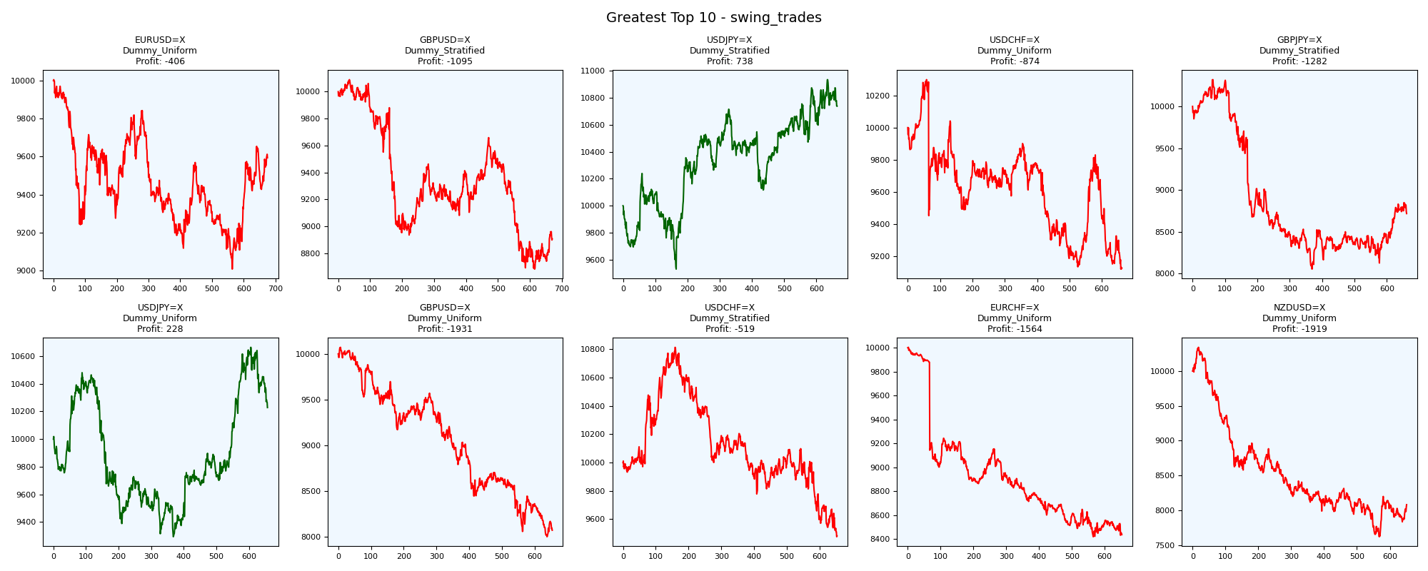
asset | model | duration_years | buy_hold_profit | n_samples | support_pos | support_neg | pos_ratio_true | pos_ratio_pred | accuracy | balanced_accuracy | cohen_kappa | matthews_cc | precision | recall | f1 | f2 | f05 | precision_neg | recall_neg | hamming_loss | zero_one_loss | jaccard | roc_auc | average_precision | log_loss | brier_score | swing_profit | day_profit | swing_cagr | day_cagr | swing_mdd | day_mdd | swing_max_profit | day_max_profit | swing_max_loss | day_max_loss | swing_trades | day_trades
EURUSD=X | Dummy_Uniform | 20 | -1862.3329802 | 2594 | 1120 | 1474 | 0.43176561295 | 0.50115651503 | 0.49267540478 | 0.49269722814 | -0.014329011018 | -0.014468938396 | 0.42461538462 | 0.49285714286 | 0.45619834711 | 0.47750865052 | 0.43670886076 | 0.56105100464 | 0.49253731343 | 0.50732459522 | 0.50732459522 | 0.29550321199 | 0.5 | 0.43176561295 | 0.69314718056 | 0.25 | -406.2466931 | 89.714068038 | -0.0020714966589 | 0.00044666986815 | 0.099748241568 | 0.0016951213462 | 5.2967054304 | 93.577434386 | -992.7140473 | -9.0436800543 | 1350 | 1300
GBPUSD=X | Dummy_Stratified | 20 | -2235.5789639 | 2600 | 1310 | 1290 | 0.50384615385 | 0.47192307692 | 0.47346153846 | 0.47367595716 | -0.052622240097 | -0.052729728793 | 0.47595762021 | 0.44580152672 | 0.46038628301 | 0.45152311737 | 0.4696043744 | 0.47123088128 | 0.5015503876 | 0.52653846154 | 0.52653846154 | 0.29902713774 | 0.51410734363 | 0.51111122093 | 17.522760725 | 0.48615384615 | -1094.5959944 | 15.548769646 | -0.005779574073 | 7.7686487189E-05 | 0.13948695296 | 0.0035523991648 | 89.279668488 | 49.918013638 | -1318.04321 | -10.441354308 | 1340 | 1227
USDJPY=X | Dummy_Stratified | 20 | 3522.0656261 | 2594 | 1008 | 1586 | 0.38858905166 | 0.47532767926 | 0.51696222051 | 0.51206364219 | 0.023184287194 | 0.023549392037 | 0.40064882401 | 0.49007936508 | 0.44087460955 | 0.46913580247 | 0.41582491582 | 0.62233651727 | 0.53404791929 | 0.48303777949 | 0.48303777949 | 0.28277046365 | 0.5014330501 | 0.38927246011 | 17.855086586 | 0.49537393986 | 737.93706156 | -68.322863686 | 0.0035662388369 | -0.00034272792014 | 0.069184898573 | 0.0070648986064 | 934.26143536 | 1.4717537499 | -469.21790203 | -69.187630106 | 1327 | 1232
USDCHF=X | Dummy_Uniform | 20 | -668.7320553 | 2601 | 793 | 1808 | 0.30488273741 | 0.50595924644 | 0.49673202614 | 0.49888822551 | -0.0018762140143 | -0.0020474014076 | 0.30395136778 | 0.50441361917 | 0.37932669512 | 0.44563279857 | 0.3301964669 | 0.69416342412 | 0.49336283186 | 0.50326797386 | 0.50326797386 | 0.23405500293 | 0.5 | 0.30488273741 | 0.69314718056 | 0.25 | -874.15064321 | -138.78219234 | -0.0045632624181 | -0.0006985270214 | 0.11448716928 | 0.015679754431 | 298.57025035 | 0.10496806354 | -880.48390526 | -156.69422212 | 1324 | 1316
GBPJPY=X | Dummy_Stratified | 20 | 525.38961187 | 2602 | 1066 | 1536 | 0.4096848578 | 0.49346656418 | 0.48501152959 | 0.48328606258 | -0.032413718772 | -0.03288082916 | 0.39330218069 | 0.47373358349 | 0.42978723404 | 0.45511896179 | 0.40712673331 | 0.57435508346 | 0.49283854167 | 0.51498847041 | 0.51498847041 | 0.27371273713 | 0.50537994938 | 0.41232004688 | 17.84174695 | 0.4950038432 | -1282.2943973 | -16.72970351 | -0.0068379644283 | -8.3715062132E-05 | 0.21962229474 | 0.0065026100421 | 319.8784974 | 15.441860811 | -1946.5968997 | -49.68465201 | 1322 | 1284
USDJPY=X | Dummy_Uniform | 20 | 3522.0656261 | 2594 | 1008 | 1586 | 0.38858905166 | 0.51079414032 | 0.49383191981 | 0.49604050321 | -0.00748979028 | -0.0077217030821 | 0.38490566038 | 0.50595238095 | 0.43720531505 | 0.47601269367 | 0.40424857324 | 0.60756501182 | 0.48612862547 | 0.50616808019 | 0.50616808019 | 0.27975863961 | 0.5 | 0.38858905166 | 0.69314718056 | 0.25 | 227.61629841 | -96.141622364 | 0.0011259558584 | -0.00048291719123 | 0.11317857159 | 0.010477176247 | 663.13118974 | 3.967628405 | -706.29360742 | -100.84570361 | 1314 | 1324
GBPUSD=X | Dummy_Uniform | 20 | -2235.5789639 | 2600 | 1310 | 1290 | 0.50384615385 | 0.5 | 0.49769230769 | 0.49769217113 | -0.0046153846154 | -0.0046155211713 | 0.50153846154 | 0.49770992366 | 0.49961685824 | 0.49847094801 | 0.50076804916 | 0.49384615385 | 0.4976744186 | 0.50230769231 | 0.50230769231 | 0.33299284985 | 0.5 | 0.50384615385 | 0.69314718056 | 0.25 | -1931.3793055 | 79.255653845 | -0.010672764687 | 0.00039479406357 | 0.20597218097 | 0.0023826858231 | 72.053404417 | 96.555396481 | -2002.5094021 | -4.1656658932 | 1308 | 1300
USDCHF=X | Dummy_Stratified | 20 | -668.7320553 | 2601 | 793 | 1808 | 0.30488273741 | 0.45328719723 | 0.51249519416 | 0.49323624022 | -0.01190140884 | -0.012509710993 | 0.29855810008 | 0.44388398487 | 0.3569979716 | 0.40450471156 | 0.3194772191 | 0.68987341772 | 0.54258849558 | 0.48750480584 | 0.48750480584 | 0.21728395062 | 0.50606802888 | 0.30750383925 | 17.017149697 | 0.47212610534 | -518.95108545 | -146.51678264 | -0.0026609602449 | -0.00073773145192 | 0.12375034622 | 0.016462980959 | 814.50249825 | 1.5726019947 | -523.79593013 | -163.08309731 | 1306 | 1179
EURCHF=X | Dummy_Uniform | 20 | -2449.5672287 | 2595 | 898 | 1697 | 0.34605009634 | 0.51907514451 | 0.48709055877 | 0.49222688276 | -0.013909033827 | -0.014801755043 | 0.33927245731 | 0.50890868597 | 0.40712694878 | 0.46264425997 | 0.36350620426 | 0.64663461538 | 0.47554507955 | 0.51290944123 | 0.51290944123 | 0.25559284116 | 0.5 | 0.34605009634 | 0.69314718056 | 0.25 | -1563.6942628 | -50.999267749 | -0.0084659894116 | -0.00025561611395 | 0.15841770899 | 0.0059417045255 | 3.1900603874 | 1.9283013656 | -1581.4923916 | -57.500201286 | 1304 | 1347
NZDUSD=X | Dummy_Uniform | 20 | -2372.1613816 | 2597 | 1048 | 1549 | 0.4035425491 | 0.51328455911 | 0.48517520216 | 0.48726400682 | -0.024398958073 | -0.025002333971 | 0.39159789947 | 0.49809160305 | 0.43847123058 | 0.47239819005 | 0.40909090909 | 0.58386075949 | 0.47643641059 | 0.51482479784 | 0.51482479784 | 0.28079612695 | 0.5 | 0.4035425491 | 0.69314718056 | 0.25 | -1919.1940104 | 102.9419925 | -0.010598113731 | 0.00051220987591 | 0.26312056345 | 0.0031678787959 | 341.01862951 | 128.45941629 | -2379.9160189 | -3.9990844118 | 1302 | 1332

Fewest_swing_trades
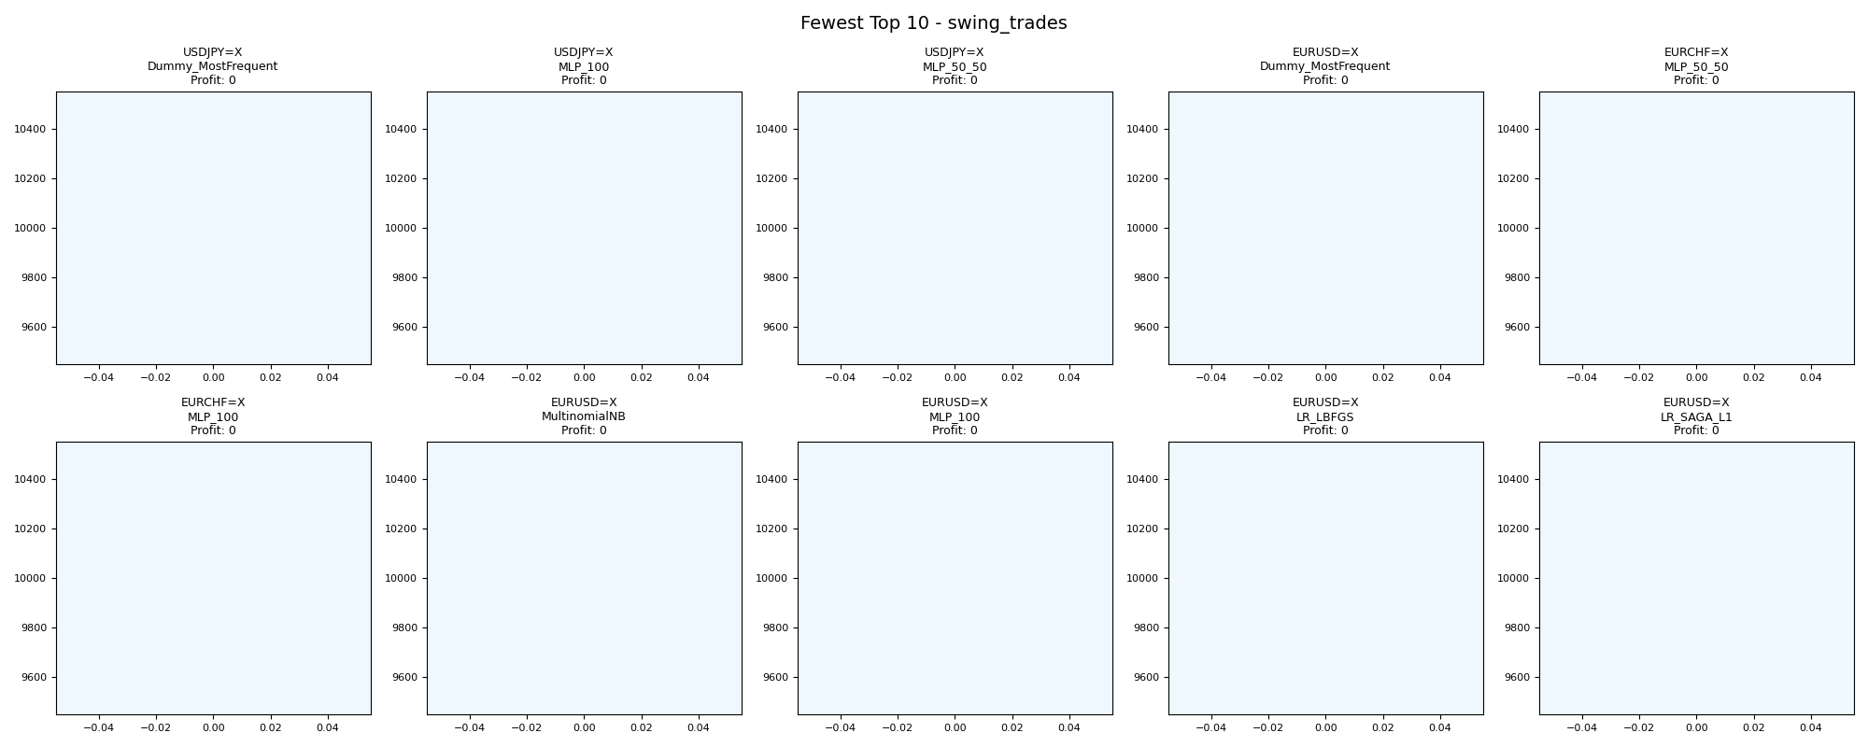
asset | model | duration_years | buy_hold_profit | n_samples | support_pos | support_neg | pos_ratio_true | pos_ratio_pred | accuracy | balanced_accuracy | cohen_kappa | matthews_cc | precision | recall | f1 | f2 | f05 | precision_neg | recall_neg | hamming_loss | zero_one_loss | jaccard | roc_auc | average_precision | log_loss | brier_score | swing_profit | day_profit | swing_cagr | day_cagr | swing_mdd | day_mdd | swing_max_profit | day_max_profit | swing_max_loss | day_max_loss | swing_trades | day_trades
USDJPY=X | Dummy_MostFrequent | 20 | 3522.0656261 | 2594 | 1008 | 1586 | 0.38858905166 | 0 | 0.61141094834 | 0.5 | 0 | 0 | 0 | 0 | 0 | 0 | 0 | 0.61141094834 | 1 | 0.38858905166 | 0.38858905166 | 0 | 0.5 | 0.38858905166 | 14.006169089 | 0.38858905166 | 0 | 0 | 0 | 0 |  |  | 0 | 0 | 0 | 0 | 0 | 0
USDJPY=X | MLP_100 | 20 | 3522.0656261 | 2594 | 1008 | 1586 | 0.38858905166 | 0 | 0.61141094834 | 0.5 | 0 | 0 | 0 | 0 | 0 | 0 | 0 | 0.61141094834 | 1 | 0.38858905166 | 0.38858905166 | 0 | 0.65085620209 | 0.47165157558 | 0.66333957704 | 0.23525430298 | 0 | 0 | 0 | 0 |  |  | 0 | 0 | 0 | 0 | 0 | 0
USDJPY=X | MLP_50_50 | 20 | 3522.0656261 | 2594 | 1008 | 1586 | 0.38858905166 | 0 | 0.61141094834 | 0.5 | 0 | 0 | 0 | 0 | 0 | 0 | 0 | 0.61141094834 | 1 | 0.38858905166 | 0.38858905166 | 0 | 0.64913666707 | 0.47010296646 | 0.67063289298 | 0.2388071231 | 0 | 0 | 0 | 0 |  |  | 0 | 0 | 0 | 0 | 0 | 0
EURUSD=X | Dummy_MostFrequent | 20 | -1862.3329802 | 2594 | 1120 | 1474 | 0.43176561295 | 0 | 0.56823438705 | 0.5 | 0 | 0 | 0 | 0 | 0 | 0 | 0 | 0.56823438705 | 1 | 0.43176561295 | 0.43176561295 | 0 | 0.5 | 0.43176561295 | 15.562410099 | 0.43176561295 | 0 | 0 | 0 | 0 |  |  | 0 | 0 | 0 | 0 | 0 | 0
EURCHF=X | MLP_50_50 | 20 | -2449.5672287 | 2595 | 898 | 1697 | 0.34605009634 | 0 | 0.65394990366 | 0.5 | 0 | 0 | 0 | 0 | 0 | 0 | 0 | 0.65394990366 | 1 | 0.34605009634 | 0.34605009634 | 0 | 0.61274120582 | 0.39799935047 | 0.64735772658 | 0.22741140321 | 0 | 0 | 0 | 0 |  |  | 0 | 0 | 0 | 0 | 0 | 0
EURCHF=X | MLP_100 | 20 | -2449.5672287 | 2595 | 898 | 1697 | 0.34605009634 | 0 | 0.65394990366 | 0.5 | 0 | 0 | 0 | 0 | 0 | 0 | 0 | 0.65394990366 | 1 | 0.34605009634 | 0.34605009634 | 0 | 0.61282323188 | 0.39804418555 | 0.64719630092 | 0.22733438649 | 0 | 0 | 0 | 0 |  |  | 0 | 0 | 0 | 0 | 0 | 0
EURUSD=X | MultinomialNB | 20 | -1862.3329802 | 2594 | 1120 | 1474 | 0.43176561295 | 0 | 0.56823438705 | 0.5 | 0 | 0 | 0 | 0 | 0 | 0 | 0 | 0.56823438705 | 1 | 0.43176561295 | 0.43176561295 | 0 | 0.47695380645 | 0.44950991769 | 0.68507565375 | 0.24597196303 | 0 | 0 | 0 | 0 |  |  | 0 | 0 | 0 | 0 | 0 | 0
EURUSD=X | MLP_100 | 20 | -1862.3329802 | 2594 | 1120 | 1474 | 0.43176561295 | 0 | 0.56823438705 | 0.5 | 0 | 0 | 0 | 0 | 0 | 0 | 0 | 0.56823438705 | 1 | 0.43176561295 | 0.43176561295 | 0 | 0.36471669655 | 0.33623652049 | 0.6887663904 | 0.2478100723 | 0 | 0 | 0 | 0 |  |  | 0 | 0 | 0 | 0 | 0 | 0
EURUSD=X | LR_LBFGS | 20 | -1862.3329802 | 2594 | 1120 | 1474 | 0.43176561295 | 0 | 0.56823438705 | 0.5 | 0 | 0 | 0 | 0 | 0 | 0 | 0 | 0.56823438705 | 1 | 0.43176561295 | 0.43176561295 | 0 | 0.36470215885 | 0.33622639767 | 0.69118769038 | 0.24901945196 | 0 | 0 | 0 | 0 |  |  | 0 | 0 | 0 | 0 | 0 | 0
EURUSD=X | LR_SAGA_L1 | 20 | -1862.3329802 | 2594 | 1120 | 1474 | 0.43176561295 | 0 | 0.56823438705 | 0.5 | 0 | 0 | 0 | 0 | 0 | 0 | 0 | 0.56823438705 | 1 | 0.43176561295 | 0.43176561295 | 0 | 0.36471033631 | 0.33625729382 | 0.68916635045 | 0.24800949225 | 0 | 0 | 0 | 0 |  |  | 0 | 0 | 0 | 0 | 0 | 0

Greatest_day_profit
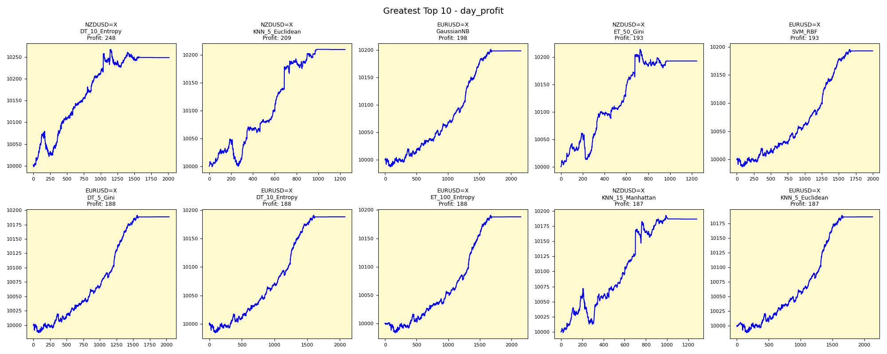
asset | model | duration_years | buy_hold_profit | n_samples | support_pos | support_neg | pos_ratio_true | pos_ratio_pred | accuracy | balanced_accuracy | cohen_kappa | matthews_cc | precision | recall | f1 | f2 | f05 | precision_neg | recall_neg | hamming_loss | zero_one_loss | jaccard | roc_auc | average_precision | log_loss | brier_score | swing_profit | day_profit | swing_cagr | day_cagr | swing_mdd | day_mdd | swing_max_profit | day_max_profit | swing_max_loss | day_max_loss | swing_trades | day_trades
NZDUSD=X | DT_10_Entropy | 20 | -2372.1613816 | 2597 | 1048 | 1549 | 0.4035425491 | 0.77666538313 | 0.41355410089 | 0.46564854696 | -0.059766254137 | -0.080930926478 | 0.38225086763 | 0.7356870229 | 0.5030995106 | 0.6208729264 | 0.42288284335 | 0.5224137931 | 0.19561007101 | 0.58644589911 | 0.58644589911 | 0.33609415867 | 0.47740939735 | 0.39480490201 | 1.7723337152 | 0.27448105243 | 188.08191597 | 248.35348972 | 0.00093210937054 | 0.0012273508062 | 0.048936507401 | 0.0057072207417 | 712.30469389 | 267.19453115 | -307.24727522 | -2.2337162537 | 232 | 2016
NZDUSD=X | KNN_5_Euclidean | 20 | -2372.1613816 | 2597 | 1048 | 1549 | 0.4035425491 | 0.47862918752 | 0.4913361571 | 0.48671914656 | -0.025785798883 | -0.026086597275 | 0.3901850362 | 0.46278625954 | 0.42339589699 | 0.44618215271 | 0.40282392027 | 0.58419497784 | 0.51065203357 | 0.5086638429 | 0.5086638429 | 0.26854928018 | 0.48578065632 | 0.39494598175 | 2.2142631302 | 0.30889487871 | -919.65685411 | 209.3603973 | -0.0048120403421 | 0.0010365314523 | 0.10755056462 | 0.0048538948827 | 17.753963835 | 209.62527114 | -1059.6611312 | -1.0350660249 | 1138 | 1243
EURUSD=X | GaussianNB | 20 | -1862.3329802 | 2594 | 1120 | 1474 | 0.43176561295 | 0.83307632999 | 0.43523515806 | 0.48032322155 | -0.035402261521 | -0.052272155944 | 0.42017584452 | 0.81071428571 | 0.5534897897 | 0.68363198314 | 0.46497337157 | 0.5103926097 | 0.14993215739 | 0.56476484194 | 0.56476484194 | 0.38263801096 | 0.36469367852 | 0.336222603 | 0.75104767797 | 0.27794510329 | -111.47723773 | 198.07893631 | -0.00056035920628 | 0.00098119455574 | 0.035562397063 | 0.0015381365982 | 253.14932989 | 200.74233571 | -111.47723773 | -13.104039602 | 22 | 2160
NZDUSD=X | ET_50_Gini | 20 | -2372.1613816 | 2597 | 1048 | 1549 | 0.4035425491 | 0.47901424721 | 0.48556026184 | 0.48079714073 | -0.037278244492 | -0.037717522364 | 0.38424437299 | 0.45610687023 | 0.41710296684 | 0.43966151582 | 0.39674634794 | 0.57871396896 | 0.50548741123 | 0.51443973816 | 0.51443973816 | 0.26350606395 | 0.4711824669 | 0.3922824667 | 2.1694879512 | 0.34269525949 | -1143.9028753 | 192.87988555 | -0.0060555374045 | 0.00095567302018 | 0.1671710968 | 0.0047292700271 | 42.15369301 | 214.033415 | -1636.6041541 | 0 | 1188 | 1244
EURUSD=X | SVM_RBF | 20 | -1862.3329802 | 2594 | 1120 | 1474 | 0.43176561295 | 0.77062451812 | 0.48612181958 | 0.52349110777 | 0.042935836494 | 0.055351114029 | 0.44672336168 | 0.79732142857 | 0.5726194293 | 0.68914956012 | 0.48979815709 | 0.61848739496 | 0.24966078697 | 0.51387818042 | 0.51387818042 | 0.40116801438 | 0.5831819999 | 0.51714996182 | 0.71247468875 | 0.25950941015 | -299.10111386 | 192.56848749 | -0.0015171750797 | 0.0009541440108 | 0.074047307995 | 0.0015433743425 | 237.99744466 | 195.23032672 | -685.67842924 | -13.156428991 | 62 | 1998
EURUSD=X | DT_5_Gini | 20 | -1862.3329802 | 2594 | 1120 | 1474 | 0.43176561295 | 0.7868157286 | 0.42752505783 | 0.46603387284 | -0.061827104847 | -0.082157972251 | 0.41058304753 | 0.74821428571 | 0.53021195824 | 0.64253948781 | 0.45131408875 | 0.49005424955 | 0.18385345997 | 0.57247494217 | 0.57247494217 | 0.36074042187 | 0.44615296085 | 0.4037647657 | 15.765497761 | 0.51097325242 | -78.894762753 | 188.47908657 | -0.00039595973016 | 0.00093406034354 | 0.039704145607 | 0.0015381146297 | 331.30070474 | 191.14003337 | -106.9744012 | -13.224491523 | 134 | 2040
EURUSD=X | DT_10_Entropy | 20 | -1862.3329802 | 2594 | 1120 | 1474 | 0.43176561295 | 0.80107941403 | 0.42868157286 | 0.46919582283 | -0.055869825307 | -0.076445115092 | 0.41289701636 | 0.76607142857 | 0.53658536585 | 0.65416285453 | 0.4548346056 | 0.49224806202 | 0.1723202171 | 0.57131842714 | 0.57131842714 | 0.36666666667 | 0.46074760128 | 0.41151340305 | 17.609665064 | 0.53173940481 | -182.66720139 | 188.36092014 | -0.0009213561217 | 0.00093347989647 | 0.036069916681 | 0.0017424781782 | 184.69385747 | 191.02186694 | -251.11469535 | -15.82536857 | 176 | 2077
EURUSD=X | ET_100_Entropy | 20 | -1862.3329802 | 2594 | 1120 | 1474 | 0.43176561295 | 0.82960678489 | 0.42482652274 | 0.46923459004 | -0.055400906659 | -0.081062162867 | 0.41356877323 | 0.79464285714 | 0.54400977995 | 0.67098914355 | 0.45744243421 | 0.47963800905 | 0.14382632293 | 0.57517347726 | 0.57517347726 | 0.37363560034 | 0.48093168492 | 0.42741921262 | 0.96599532171 | 0.2857193909 | -511.20028066 | 187.84910023 | -0.0026202095847 | 0.00093096570446 | 0.057209879457 | 0.0017960821448 | 64.593924545 | 190.50964367 | -511.20028066 | -16.327037396 | 330 | 2151
NZDUSD=X | KNN_15_Manhattan | 20 | -2372.1613816 | 2597 | 1048 | 1549 | 0.4035425491 | 0.49249133616 | 0.47901424721 | 0.47669852256 | -0.044998936782 | -0.045732698382 | 0.38076622361 | 0.46469465649 | 0.41856467555 | 0.44507402669 | 0.39503569111 | 0.57435508346 | 0.48870238864 | 0.52098575279 | 0.52098575279 | 0.26467391304 | 0.46335206412 | 0.3883031417 | 0.75315641153 | 0.27693321354 | -477.05988088 | 186.68706124 | -0.0024410884773 | 0.00092525702237 | 0.11754748489 | 0.0058511997271 | 558.62439606 | 192.91686981 | -682.51534559 | -1.4342254715 | 980 | 1279
EURUSD=X | KNN_5_Euclidean | 20 | -1862.3329802 | 2594 | 1120 | 1474 | 0.43176561295 | 0.82228218967 | 0.4267540478 | 0.47018014635 | -0.0537968649 | -0.077276486167 | 0.41397093296 | 0.78839285714 | 0.54288349216 | 0.66762437623 | 0.45741815168 | 0.48590021692 | 0.15196743555 | 0.5732459522 | 0.5732459522 | 0.37257383966 | 0.47789481973 | 0.42279409033 | 1.1937982974 | 0.28957594449 | -384.681393 | 186.64092178 | -0.0019594566558 | 0.00092503034296 | 0.05448726493 | 0.0017790095691 | 70.933841419 | 189.30129751 | -477.80379889 | -12.431500633 | 306 | 2132

Fewest_day_profit
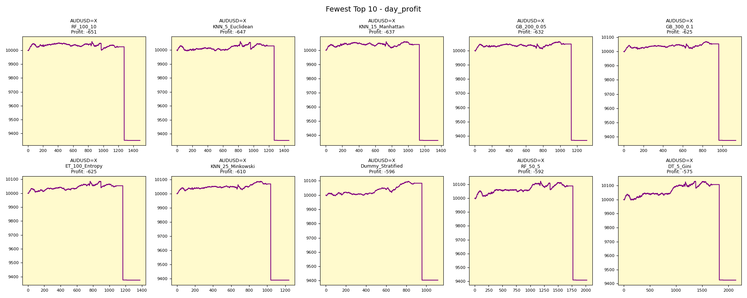
asset | model | duration_years | buy_hold_profit | n_samples | support_pos | support_neg | pos_ratio_true | pos_ratio_pred | accuracy | balanced_accuracy | cohen_kappa | matthews_cc | precision | recall | f1 | f2 | f05 | precision_neg | recall_neg | hamming_loss | zero_one_loss | jaccard | roc_auc | average_precision | log_loss | brier_score | swing_profit | day_profit | swing_cagr | day_cagr | swing_mdd | day_mdd | swing_max_profit | day_max_profit | swing_max_loss | day_max_loss | swing_trades | day_trades
AUDUSD=X | RF_100_10 | 20 | -1022.0470526 | 2294 | 895 | 1399 | 0.39014821273 | 0.64777680907 | 0.45640802092 | 0.48831088447 | -0.020893095614 | -0.023873546318 | 0.38156123822 | 0.63351955307 | 0.47627047459 | 0.55961310699 | 0.41453428864 | 0.59405940594 | 0.34310221587 | 0.54359197908 | 0.54359197908 | 0.31256890849 | 0.47229425647 | 0.35833700253 | 0.77678445323 | 0.28167774043 | -540.67703134 | -650.71687174 | -0.0027753555744 | -0.0033586183511 | 0.14016316576 | 0.07094016667 | 269.54934078 | 63.165786373 | -1169.8632057 | -650.71687174 | 555 | 1486
AUDUSD=X | KNN_5_Euclidean | 20 | -1022.0470526 | 2294 | 895 | 1399 | 0.39014821273 | 0.6368788143 | 0.4620749782 | 0.49174949385 | -0.014813545493 | -0.016737221135 | 0.3839835729 | 0.62681564246 | 0.47623089983 | 0.55643721484 | 0.41623386259 | 0.59903961585 | 0.35668334525 | 0.5379250218 | 0.5379250218 | 0.31253481894 | 0.46877338562 | 0.37088212487 | 2.6824749189 | 0.32495204882 | -540.88875033 | -647.43635085 | -0.0027764715826 | -0.0033411359515 | 0.16332661732 | 0.070347621384 | 486.16222695 | 60.280449216 | -1226.5071783 | -647.43635085 | 841 | 1461
AUDUSD=X | KNN_15_Manhattan | 20 | -1022.0470526 | 2294 | 895 | 1399 | 0.39014821273 | 0.59328683522 | 0.45335658239 | 0.47252586644 | -0.050236685829 | -0.054563785282 | 0.36811168259 | 0.55977653631 | 0.44414893617 | 0.50698239223 | 0.39517274018 | 0.57770632369 | 0.38527519657 | 0.54664341761 | 0.54664341761 | 0.28547008547 | 0.46083475427 | 0.36919520084 | 0.7547094098 | 0.27889566986 | -746.99042796 | -637.34352923 | -0.0038742872705 | -0.0032873862639 | 0.11907086664 | 0.069358998084 | 111.08230085 | 60.438398364 | -1092.8530314 | -637.34352923 | 626 | 1360
AUDUSD=X | GB_200_0.05 | 20 | -1022.0470526 | 2294 | 895 | 1399 | 0.39014821273 | 0.57279860506 | 0.46338273758 | 0.47833089078 | -0.039967798317 | -0.042734704837 | 0.37214611872 | 0.54636871508 | 0.4427342689 | 0.49959133633 | 0.39749634206 | 0.58571428571 | 0.41029306648 | 0.53661726242 | 0.53661726242 | 0.28430232558 | 0.47618330731 | 0.37783926759 | 0.7441089661 | 0.2740866562 | -656.59767141 | -631.69625184 | -0.0033899726277 | -0.0032573354947 | 0.12197854191 | 0.069044232506 | 76.035922787 | 63.102969301 | -1153.0242473 | -631.69625184 | 454 | 1313
AUDUSD=X | GB_300_0.1 | 20 | -1022.0470526 | 2294 | 895 | 1399 | 0.39014821273 | 0.49651264167 | 0.48212728858 | 0.48041577983 | -0.037335004069 | -0.038212354616 | 0.37137840211 | 0.47262569832 | 0.41592920354 | 0.44818817546 | 0.38800220143 | 0.59134199134 | 0.48820586133 | 0.51787271142 | 0.51787271142 | 0.2625698324 | 0.47098446217 | 0.37434750722 | 0.7983733992 | 0.29592512972 | -1279.8574598 | -625.27196037 | -0.0068240849019 | -0.0032231709291 | 0.18038348676 | 0.068971380125 | 94.081232276 | 69.215746441 | -1726.724336 | -625.27196037 | 660 | 1138
AUDUSD=X | ET_100_Entropy | 20 | -1022.0470526 | 2294 | 895 | 1399 | 0.39014821273 | 0.59982563208 | 0.46774193548 | 0.48915027094 | -0.01978421588 | -0.021604225712 | 0.38154069767 | 0.58659217877 | 0.46235138705 | 0.52966101695 | 0.41022034693 | 0.59694989107 | 0.39170836312 | 0.53225806452 | 0.53225806452 | 0.30068728522 | 0.47464629564 | 0.37423288239 | 1.282397693 | 0.35247149085 | -781.55303732 | -624.77781611 | -0.0040606587304 | -0.0032205439771 | 0.14253143857 | 0.070427146713 | 287.83719371 | 85.516321544 | -1178.5030413 | -624.77781611 | 981 | 1376
AUDUSD=X | KNN_25_Minkowski | 20 | -1022.0470526 | 2294 | 895 | 1399 | 0.39014821273 | 0.54054054054 | 0.47907585004 | 0.48737326342 | -0.023613844195 | -0.024717830095 | 0.37903225806 | 0.5251396648 | 0.44028103044 | 0.48755186722 | 0.40136635354 | 0.59677419355 | 0.44960686204 | 0.52092414996 | 0.52092414996 | 0.28228228228 | 0.48661094716 | 0.392569606 | 0.72012930685 | 0.26307724499 | -1021.2926069 | -609.63878402 | -0.0053719772414 | -0.0031401260767 | 0.16799752413 | 0.069087069255 | 19.509258933 | 87.260479305 | -1663.7434896 | -609.63878402 | 470 | 1240
AUDUSD=X | Dummy_Stratified | 20 | -1022.0470526 | 2294 | 895 | 1399 | 0.39014821273 | 0.48648648649 | 0.50087183958 | 0.49779651068 | -0.0042193092659 | -0.0043008726059 | 0.38799283154 | 0.48379888268 | 0.4306315266 | 0.4610306644 | 0.40399328233 | 0.6078098472 | 0.51179413867 | 0.49912816042 | 0.49912816042 | 0.27439797212 | 0.50977473934 | 0.39491087359 | 17.676159574 | 0.4904097646 | -1444.5189708 | -596.17711382 | -0.0077703018727 | -0.0030687216375 | 0.20609007049 | 0.068636219806 | 97.507092031 | 96.831212636 | -1983.4888564 | -596.17711382 | 1102 | 1115
AUDUSD=X | RF_50_5 | 20 | -1022.0470526 | 2294 | 895 | 1399 | 0.39014821273 | 0.8818657367 | 0.42720139494 | 0.51166156193 | 0.01900790244 | 0.035247190579 | 0.39644092931 | 0.89608938547 | 0.54969156957 | 0.71568802427 | 0.44620006676 | 0.65682656827 | 0.12723373838 | 0.57279860506 | 0.57279860506 | 0.37901701323 | 0.48998606347 | 0.36967264757 | 0.73635139673 | 0.26886546868 | -1462.8644245 | -591.80421692 | -0.007876791912 | -0.0030455474715 | 0.19054237216 | 0.070572976493 | 218.99335054 | 122.57610886 | -1728.1578836 | -591.80421692 | 192 | 2022
AUDUSD=X | DT_5_Gini | 20 | -1022.0470526 | 2294 | 895 | 1399 | 0.39014821273 | 0.9337401918 | 0.39973844813 | 0.49478078915 | -0.0083442451203 | -0.020470275396 | 0.38748832866 | 0.92737430168 | 0.54659203161 | 0.72527088431 | 0.43855014266 | 0.57236842105 | 0.062187276626 | 0.60026155187 | 0.60026155187 | 0.37607612143 | 0.48052359826 | 0.38020297865 | 1.532801516 | 0.27811649766 | 158.67748833 | -574.8988867 | 0.00078746850124 | -0.0029560538193 | 0.092593349004 | 0.069619618144 | 717.08174401 | 130.37387407 | -275.24874621 | -574.8988867 | 42 | 2141

Greatest_day_cagr

asset | model | duration_years | buy_hold_profit | n_samples | support_pos | support_neg | pos_ratio_true | pos_ratio_pred | accuracy | balanced_accuracy | cohen_kappa | matthews_cc | precision | recall | f1 | f2 | f05 | precision_neg | recall_neg | hamming_loss | zero_one_loss | jaccard | roc_auc | average_precision | log_loss | brier_score | swing_profit | day_profit | swing_cagr | day_cagr | swing_mdd | day_mdd | swing_max_profit | day_max_profit | swing_max_loss | day_max_loss | swing_trades | day_trades
NZDUSD=X | DT_10_Entropy | 20 | -2372.1613816 | 2597 | 1048 | 1549 | 0.4035425491 | 0.77666538313 | 0.41355410089 | 0.46564854696 | -0.059766254137 | -0.080930926478 | 0.38225086763 | 0.7356870229 | 0.5030995106 | 0.6208729264 | 0.42288284335 | 0.5224137931 | 0.19561007101 | 0.58644589911 | 0.58644589911 | 0.33609415867 | 0.47740939735 | 0.39480490201 | 1.7723337152 | 0.27448105243 | 188.08191597 | 248.35348972 | 0.00093210937054 | 0.0012273508062 | 0.048936507401 | 0.0057072207417 | 712.30469389 | 267.19453115 | -307.24727522 | -2.2337162537 | 232 | 2016
NZDUSD=X | KNN_5_Euclidean | 20 | -2372.1613816 | 2597 | 1048 | 1549 | 0.4035425491 | 0.47862918752 | 0.4913361571 | 0.48671914656 | -0.025785798883 | -0.026086597275 | 0.3901850362 | 0.46278625954 | 0.42339589699 | 0.44618215271 | 0.40282392027 | 0.58419497784 | 0.51065203357 | 0.5086638429 | 0.5086638429 | 0.26854928018 | 0.48578065632 | 0.39494598175 | 2.2142631302 | 0.30889487871 | -919.65685411 | 209.3603973 | -0.0048120403421 | 0.0010365314523 | 0.10755056462 | 0.0048538948827 | 17.753963835 | 209.62527114 | -1059.6611312 | -1.0350660249 | 1138 | 1243
EURUSD=X | GaussianNB | 20 | -1862.3329802 | 2594 | 1120 | 1474 | 0.43176561295 | 0.83307632999 | 0.43523515806 | 0.48032322155 | -0.035402261521 | -0.052272155944 | 0.42017584452 | 0.81071428571 | 0.5534897897 | 0.68363198314 | 0.46497337157 | 0.5103926097 | 0.14993215739 | 0.56476484194 | 0.56476484194 | 0.38263801096 | 0.36469367852 | 0.336222603 | 0.75104767797 | 0.27794510329 | -111.47723773 | 198.07893631 | -0.00056035920628 | 0.00098119455574 | 0.035562397063 | 0.0015381365982 | 253.14932989 | 200.74233571 | -111.47723773 | -13.104039602 | 22 | 2160
NZDUSD=X | ET_50_Gini | 20 | -2372.1613816 | 2597 | 1048 | 1549 | 0.4035425491 | 0.47901424721 | 0.48556026184 | 0.48079714073 | -0.037278244492 | -0.037717522364 | 0.38424437299 | 0.45610687023 | 0.41710296684 | 0.43966151582 | 0.39674634794 | 0.57871396896 | 0.50548741123 | 0.51443973816 | 0.51443973816 | 0.26350606395 | 0.4711824669 | 0.3922824667 | 2.1694879512 | 0.34269525949 | -1143.9028753 | 192.87988555 | -0.0060555374045 | 0.00095567302018 | 0.1671710968 | 0.0047292700271 | 42.15369301 | 214.033415 | -1636.6041541 | 0 | 1188 | 1244
EURUSD=X | SVM_RBF | 20 | -1862.3329802 | 2594 | 1120 | 1474 | 0.43176561295 | 0.77062451812 | 0.48612181958 | 0.52349110777 | 0.042935836494 | 0.055351114029 | 0.44672336168 | 0.79732142857 | 0.5726194293 | 0.68914956012 | 0.48979815709 | 0.61848739496 | 0.24966078697 | 0.51387818042 | 0.51387818042 | 0.40116801438 | 0.5831819999 | 0.51714996182 | 0.71247468875 | 0.25950941015 | -299.10111386 | 192.56848749 | -0.0015171750797 | 0.0009541440108 | 0.074047307995 | 0.0015433743425 | 237.99744466 | 195.23032672 | -685.67842924 | -13.156428991 | 62 | 1998
EURUSD=X | DT_5_Gini | 20 | -1862.3329802 | 2594 | 1120 | 1474 | 0.43176561295 | 0.7868157286 | 0.42752505783 | 0.46603387284 | -0.061827104847 | -0.082157972251 | 0.41058304753 | 0.74821428571 | 0.53021195824 | 0.64253948781 | 0.45131408875 | 0.49005424955 | 0.18385345997 | 0.57247494217 | 0.57247494217 | 0.36074042187 | 0.44615296085 | 0.4037647657 | 15.765497761 | 0.51097325242 | -78.894762753 | 188.47908657 | -0.00039595973016 | 0.00093406034354 | 0.039704145607 | 0.0015381146297 | 331.30070474 | 191.14003337 | -106.9744012 | -13.224491523 | 134 | 2040
EURUSD=X | DT_10_Entropy | 20 | -1862.3329802 | 2594 | 1120 | 1474 | 0.43176561295 | 0.80107941403 | 0.42868157286 | 0.46919582283 | -0.055869825307 | -0.076445115092 | 0.41289701636 | 0.76607142857 | 0.53658536585 | 0.65416285453 | 0.4548346056 | 0.49224806202 | 0.1723202171 | 0.57131842714 | 0.57131842714 | 0.36666666667 | 0.46074760128 | 0.41151340305 | 17.609665064 | 0.53173940481 | -182.66720139 | 188.36092014 | -0.0009213561217 | 0.00093347989647 | 0.036069916681 | 0.0017424781782 | 184.69385747 | 191.02186694 | -251.11469535 | -15.82536857 | 176 | 2077
EURUSD=X | ET_100_Entropy | 20 | -1862.3329802 | 2594 | 1120 | 1474 | 0.43176561295 | 0.82960678489 | 0.42482652274 | 0.46923459004 | -0.055400906659 | -0.081062162867 | 0.41356877323 | 0.79464285714 | 0.54400977995 | 0.67098914355 | 0.45744243421 | 0.47963800905 | 0.14382632293 | 0.57517347726 | 0.57517347726 | 0.37363560034 | 0.48093168492 | 0.42741921262 | 0.96599532171 | 0.2857193909 | -511.20028066 | 187.84910023 | -0.0026202095847 | 0.00093096570446 | 0.057209879457 | 0.0017960821448 | 64.593924545 | 190.50964367 | -511.20028066 | -16.327037396 | 330 | 2151
NZDUSD=X | KNN_15_Manhattan | 20 | -2372.1613816 | 2597 | 1048 | 1549 | 0.4035425491 | 0.49249133616 | 0.47901424721 | 0.47669852256 | -0.044998936782 | -0.045732698382 | 0.38076622361 | 0.46469465649 | 0.41856467555 | 0.44507402669 | 0.39503569111 | 0.57435508346 | 0.48870238864 | 0.52098575279 | 0.52098575279 | 0.26467391304 | 0.46335206412 | 0.3883031417 | 0.75315641153 | 0.27693321354 | -477.05988088 | 186.68706124 | -0.0024410884773 | 0.00092525702237 | 0.11754748489 | 0.0058511997271 | 558.62439606 | 192.91686981 | -682.51534559 | -1.4342254715 | 980 | 1279
EURUSD=X | KNN_5_Euclidean | 20 | -1862.3329802 | 2594 | 1120 | 1474 | 0.43176561295 | 0.82228218967 | 0.4267540478 | 0.47018014635 | -0.0537968649 | -0.077276486167 | 0.41397093296 | 0.78839285714 | 0.54288349216 | 0.66762437623 | 0.45741815168 | 0.48590021692 | 0.15196743555 | 0.5732459522 | 0.5732459522 | 0.37257383966 | 0.47789481973 | 0.42279409033 | 1.1937982974 | 0.28957594449 | -384.681393 | 186.64092178 | -0.0019594566558 | 0.00092503034296 | 0.05448726493 | 0.0017790095691 | 70.933841419 | 189.30129751 | -477.80379889 | -12.431500633 | 306 | 2132

Fewest_day_cagr

asset | model | duration_years | buy_hold_profit | n_samples | support_pos | support_neg | pos_ratio_true | pos_ratio_pred | accuracy | balanced_accuracy | cohen_kappa | matthews_cc | precision | recall | f1 | f2 | f05 | precision_neg | recall_neg | hamming_loss | zero_one_loss | jaccard | roc_auc | average_precision | log_loss | brier_score | swing_profit | day_profit | swing_cagr | day_cagr | swing_mdd | day_mdd | swing_max_profit | day_max_profit | swing_max_loss | day_max_loss | swing_trades | day_trades
AUDUSD=X | RF_100_10 | 20 | -1022.0470526 | 2294 | 895 | 1399 | 0.39014821273 | 0.64777680907 | 0.45640802092 | 0.48831088447 | -0.020893095614 | -0.023873546318 | 0.38156123822 | 0.63351955307 | 0.47627047459 | 0.55961310699 | 0.41453428864 | 0.59405940594 | 0.34310221587 | 0.54359197908 | 0.54359197908 | 0.31256890849 | 0.47229425647 | 0.35833700253 | 0.77678445323 | 0.28167774043 | -540.67703134 | -650.71687174 | -0.0027753555744 | -0.0033586183511 | 0.14016316576 | 0.07094016667 | 269.54934078 | 63.165786373 | -1169.8632057 | -650.71687174 | 555 | 1486
AUDUSD=X | KNN_5_Euclidean | 20 | -1022.0470526 | 2294 | 895 | 1399 | 0.39014821273 | 0.6368788143 | 0.4620749782 | 0.49174949385 | -0.014813545493 | -0.016737221135 | 0.3839835729 | 0.62681564246 | 0.47623089983 | 0.55643721484 | 0.41623386259 | 0.59903961585 | 0.35668334525 | 0.5379250218 | 0.5379250218 | 0.31253481894 | 0.46877338562 | 0.37088212487 | 2.6824749189 | 0.32495204882 | -540.88875033 | -647.43635085 | -0.0027764715826 | -0.0033411359515 | 0.16332661732 | 0.070347621384 | 486.16222695 | 60.280449216 | -1226.5071783 | -647.43635085 | 841 | 1461
AUDUSD=X | KNN_15_Manhattan | 20 | -1022.0470526 | 2294 | 895 | 1399 | 0.39014821273 | 0.59328683522 | 0.45335658239 | 0.47252586644 | -0.050236685829 | -0.054563785282 | 0.36811168259 | 0.55977653631 | 0.44414893617 | 0.50698239223 | 0.39517274018 | 0.57770632369 | 0.38527519657 | 0.54664341761 | 0.54664341761 | 0.28547008547 | 0.46083475427 | 0.36919520084 | 0.7547094098 | 0.27889566986 | -746.99042796 | -637.34352923 | -0.0038742872705 | -0.0032873862639 | 0.11907086664 | 0.069358998084 | 111.08230085 | 60.438398364 | -1092.8530314 | -637.34352923 | 626 | 1360
AUDUSD=X | GB_200_0.05 | 20 | -1022.0470526 | 2294 | 895 | 1399 | 0.39014821273 | 0.57279860506 | 0.46338273758 | 0.47833089078 | -0.039967798317 | -0.042734704837 | 0.37214611872 | 0.54636871508 | 0.4427342689 | 0.49959133633 | 0.39749634206 | 0.58571428571 | 0.41029306648 | 0.53661726242 | 0.53661726242 | 0.28430232558 | 0.47618330731 | 0.37783926759 | 0.7441089661 | 0.2740866562 | -656.59767141 | -631.69625184 | -0.0033899726277 | -0.0032573354947 | 0.12197854191 | 0.069044232506 | 76.035922787 | 63.102969301 | -1153.0242473 | -631.69625184 | 454 | 1313
...

Greatest_day_mdd
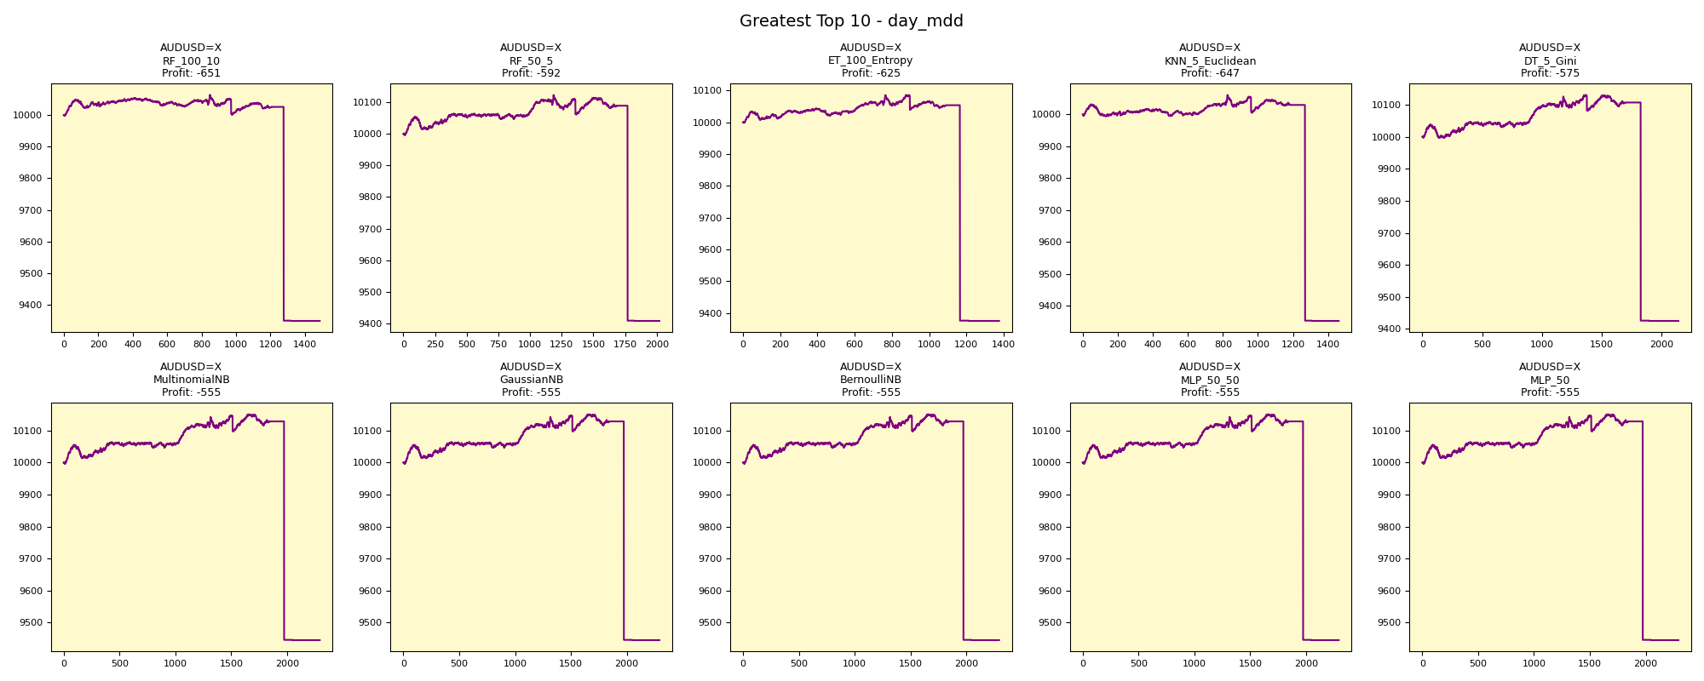
...

Fewest_day_mdd
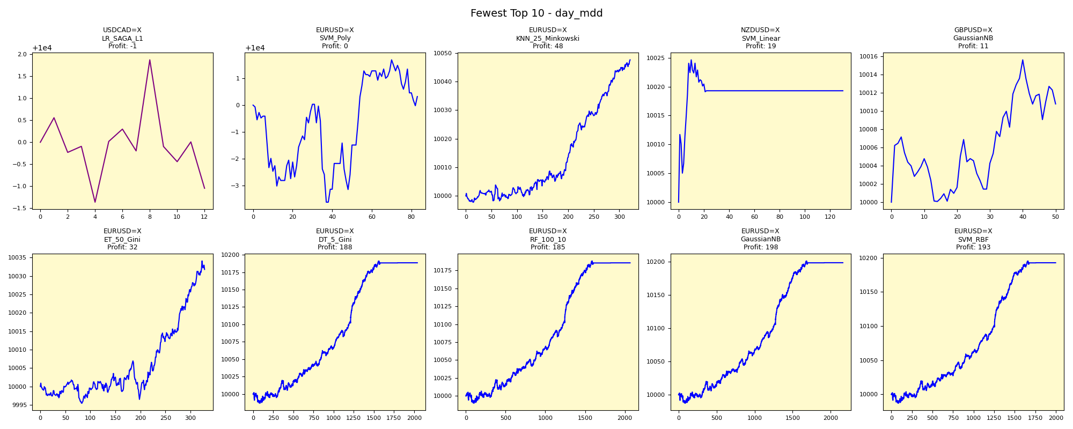
...

Greatest_day_max_profit
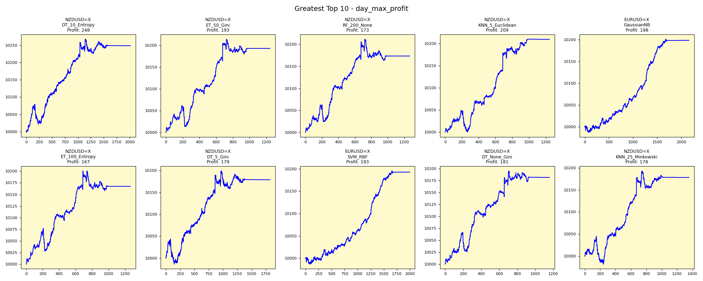
...

Fewest_day_max_profit
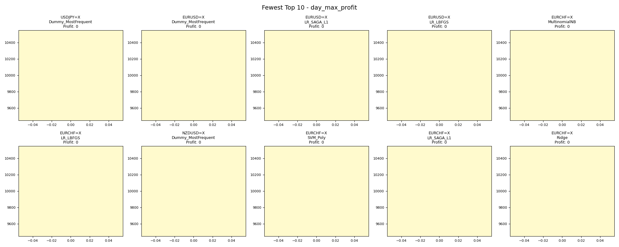
...

Greatest_day_max_loss
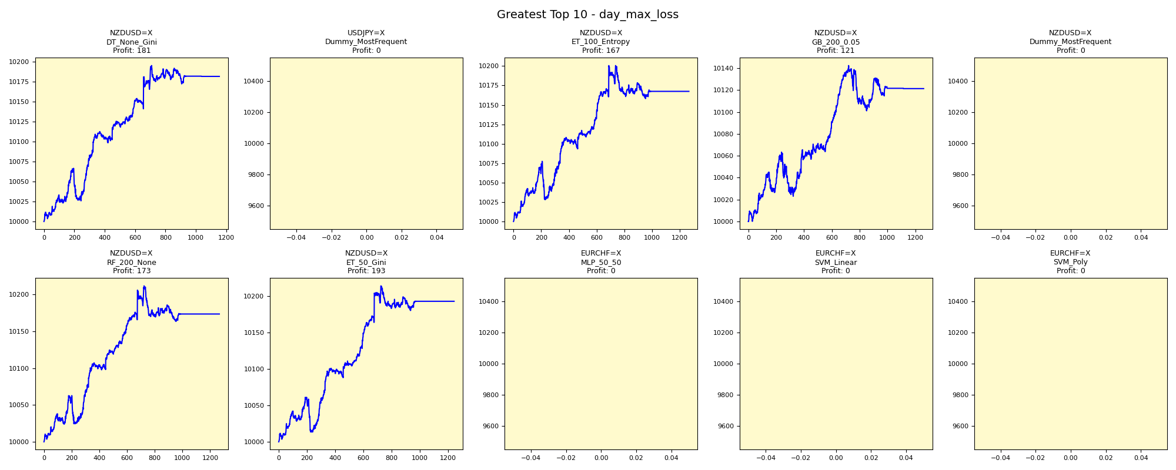
...

Fewest_day_max_loss
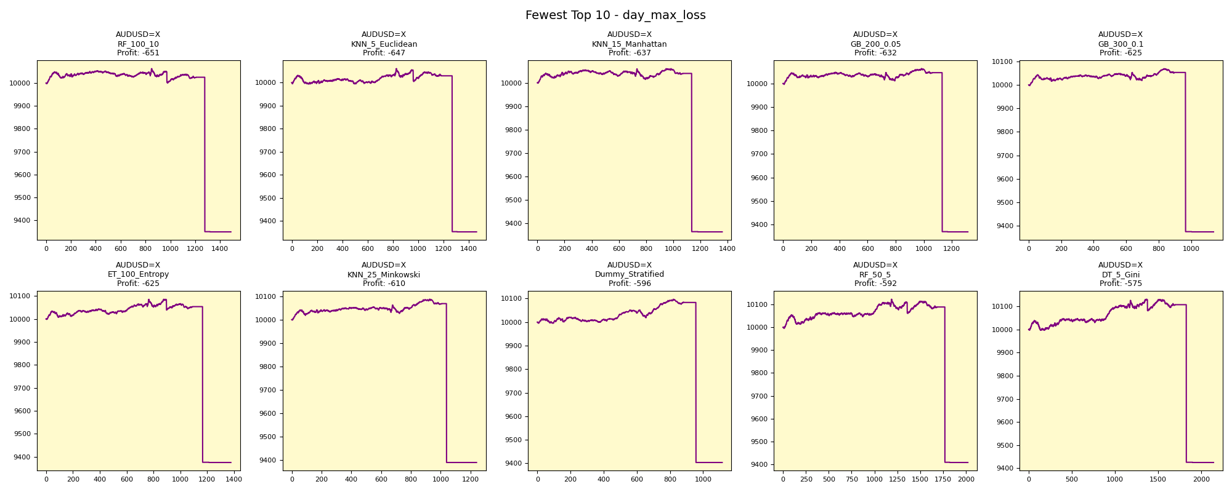
...

Greatest_day_trades
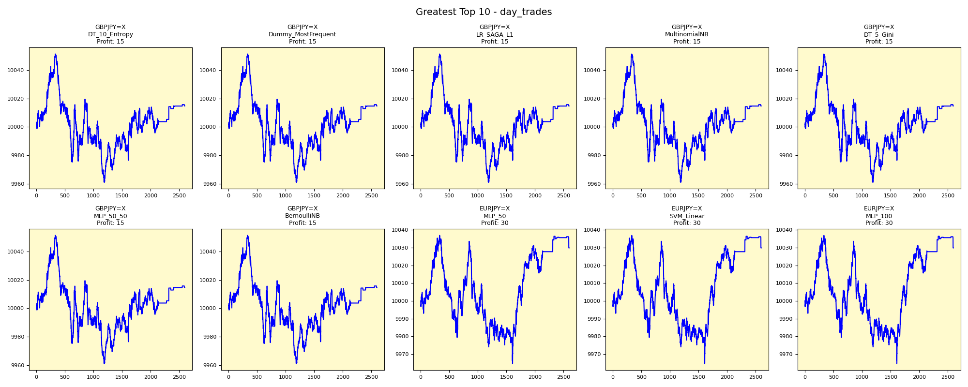
...

Fewest_day_trades



