Greatest_accuracy
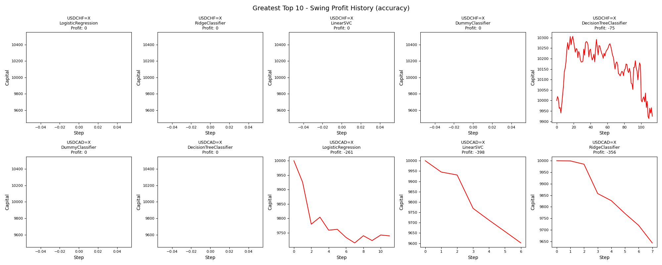
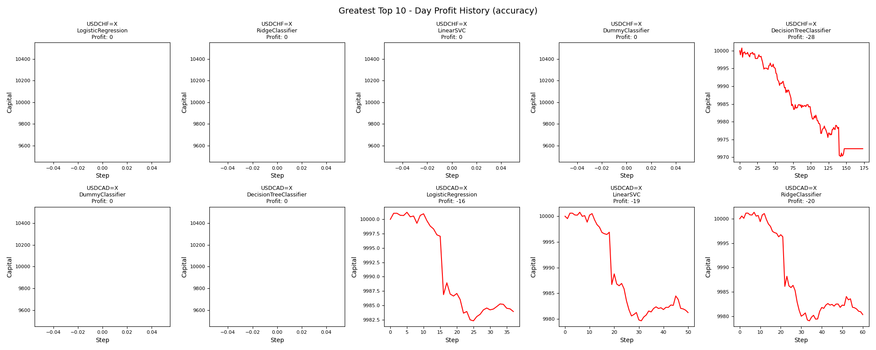
asset | model | duration_years | accuracy | buy_hold_profit | swing_profit | swing_cagr | swing_mdd | swing_max_profit | swing_max_loss | swing_trades | day_profit | day_cagr | day_mdd | day_max_profit | day_max_loss | day_trades
USDCHF=X | LogisticRegression | 20 | 0.69511726259 | -668.7320553 | 0 | 0 |  | 0 | 0 | 0 | 0 | 0 |  | 0 | 0 | 0
USDCHF=X | RidgeClassifier | 20 | 0.69511726259 | -668.7320553 | 0 | 0 |  | 0 | 0 | 0 | 0 | 0 |  | 0 | 0 | 0
USDCHF=X | LinearSVC | 20 | 0.69511726259 | -668.7320553 | 0 | 0 |  | 0 | 0 | 0 | 0 | 0 |  | 0 | 0 | 0
USDCHF=X | DummyClassifier | 20 | 0.69511726259 | -668.7320553 | 0 | 0 |  | 0 | 0 | 0 | 0 | 0 |  | 0 | 0 | 0
USDCHF=X | DecisionTreeClassifier | 20 | 0.67166474433 | -668.7320553 | -75.375066804 | -0.00037823131455 | 0.038105967641 | 306.51242435 | -86.227204582 | 226 | -27.632271832 | -0.00013834302687 | 0.0030606734413 | 0.7687508536 | -29.840336455 | 173
USDCAD=X | DummyClassifier | 20 | 0.66026133743 | 2444.8287285 | 0 | 0 |  | 0 | 0 | 0 | 0 | 0 |  | 0 | 0 | 0
USDCAD=X | DecisionTreeClassifier | 20 | 0.66026133743 | 2444.8287285 | 0 | 0 |  | 0 | 0 | 0 | 0 | 0 |  | 0 | 0 | 0
USDCAD=X | LogisticRegression | 20 | 0.65757109915 | 2444.8287285 | -260.6101644 | -0.0013194598722 | 0.028517322962 | 0 | -285.17322962 | 22 | -16.078732709 | -8.0455127632E-05 | 0.001893007071 | 1.2300088514 | -17.702390274 | 37
USDCAD=X | LinearSVC | 20 | 0.65564950038 | 2444.8287285 | -398.01265597 | -0.0020286894693 | 0.039801265597 | 0 | -398.01265597 | 12 | -18.770724821 | -9.3937407122E-05 | 0.0021151471402 | 0.76900170447 | -20.384096249 | 50
USDCAD=X | RidgeClassifier | 20 | 0.65488086088 | 2444.8287285 | -356.29767337 | -0.0018123556627 | 0.035629767337 | 0 | -356.29767337 | 14 | -19.670943757 | -9.8446736141E-05 | 0.0022286037702 | 1.3375097398 | -20.951508742 | 60

Fewest_accuracy
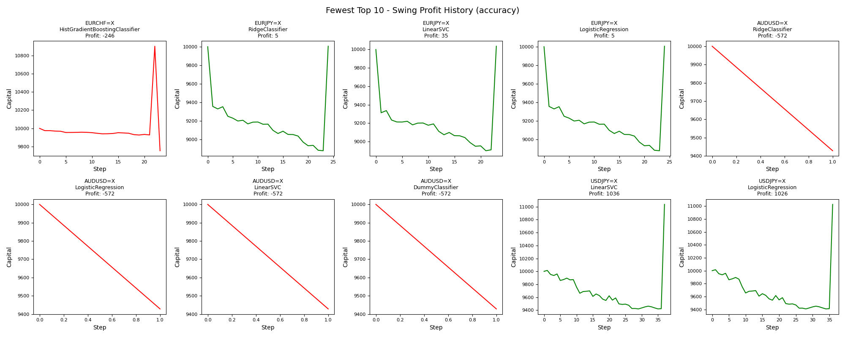
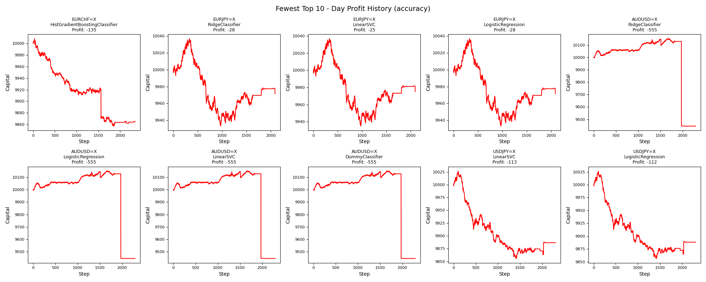
asset | model | duration_years | accuracy | buy_hold_profit | swing_profit | swing_cagr | swing_mdd | swing_max_profit | swing_max_loss | swing_trades | day_profit | day_cagr | day_mdd | day_max_profit | day_max_loss | day_trades
EURCHF=X | HistGradientBoostingClassifier | 20 | 0.37803468208 | -2449.5672287 | -245.59210379 | -0.0012425183455 | 0.10527047243 | 902.07442094 | -245.59210379 | 46 | -134.6632837 | -0.00067766136797 | 0.015101238212 | 8.2086842499 | -142.92765917 | 2341
EURJPY=X | RidgeClassifier | 20 | 0.38906009245 | 994.0719922 | 5.0039157043 | 2.5013633652E-05 | 0.11208727844 | 5.0039157043 | -1120.8727844 | 48 | -28.340549451 | -0.00014189385624 | 0.01034771458 | 36.914597356 | -66.944530158 | 2091
EURJPY=X | LinearSVC | 20 | 0.38906009245 | 994.0719922 | 35.493047698 | 0.00017716673479 | 0.11003726355 | 35.493047698 | -1100.3726355 | 46 | -24.620119224 | -0.00012324478761 | 0.010168401829 | 36.914597356 | -65.144783393 | 2099
EURJPY=X | LogisticRegression | 20 | 0.38906009245 | 994.0719922 | 5.0039157043 | 2.5013633652E-05 | 0.11208727844 | 5.0039157043 | -1120.8727844 | 48 | -28.340549451 | -0.00014189385624 | 0.01034771458 | 36.914597356 | -66.944530158 | 2091
AUDUSD=X | RidgeClassifier | 20 | 0.39014821273 | -1022.0470526 | -571.65249962 | -0.0029388855094 | 0.057165249962 | 0 | -571.65249962 | 2 | -554.91952332 | -0.0028504832118 | 0.069517290513 | 150.73185173 | -554.91952332 | 2293
AUDUSD=X | LogisticRegression | 20 | 0.39014821273 | -1022.0470526 | -571.65249962 | -0.0029388855094 | 0.057165249962 | 0 | -571.65249962 | 2 | -554.91952332 | -0.0028504832118 | 0.069517290513 | 150.73185173 | -554.91952332 | 2293
AUDUSD=X | LinearSVC | 20 | 0.39014821273 | -1022.0470526 | -571.65249962 | -0.0029388855094 | 0.057165249962 | 0 | -571.65249962 | 2 | -554.91952332 | -0.0028504832118 | 0.069517290513 | 150.73185173 | -554.91952332 | 2293
AUDUSD=X | DummyClassifier | 20 | 0.39014821273 | -1022.0470526 | -571.65249962 | -0.0029388855094 | 0.057165249962 | 0 | -571.65249962 | 2 | -554.91952332 | -0.0028504832118 | 0.069517290513 | 150.73185173 | -554.91952332 | 2293
USDJPY=X | LinearSVC | 20 | 0.39976869699 | 3522.0656261 | 1036.4758977 | 0.0049432117937 | 0.059514380985 | 1036.4758977 | -581.3479545 | 74 | -113.40917492 | -0.00057012322192 | 0.017035401148 | 26.575726561 | -144.23101308 | 2302
USDJPY=X | LogisticRegression | 20 | 0.40053970702 | 3522.0656261 | 1025.7103709 | 0.0048941754929 | 0.060589356801 | 1025.7103709 | -592.11348134 | 72 | -111.67720854 | -0.00056136977521 | 0.016956621371 | 26.575726561 | -143.44112168 | 2304

Greatest_swing_profit
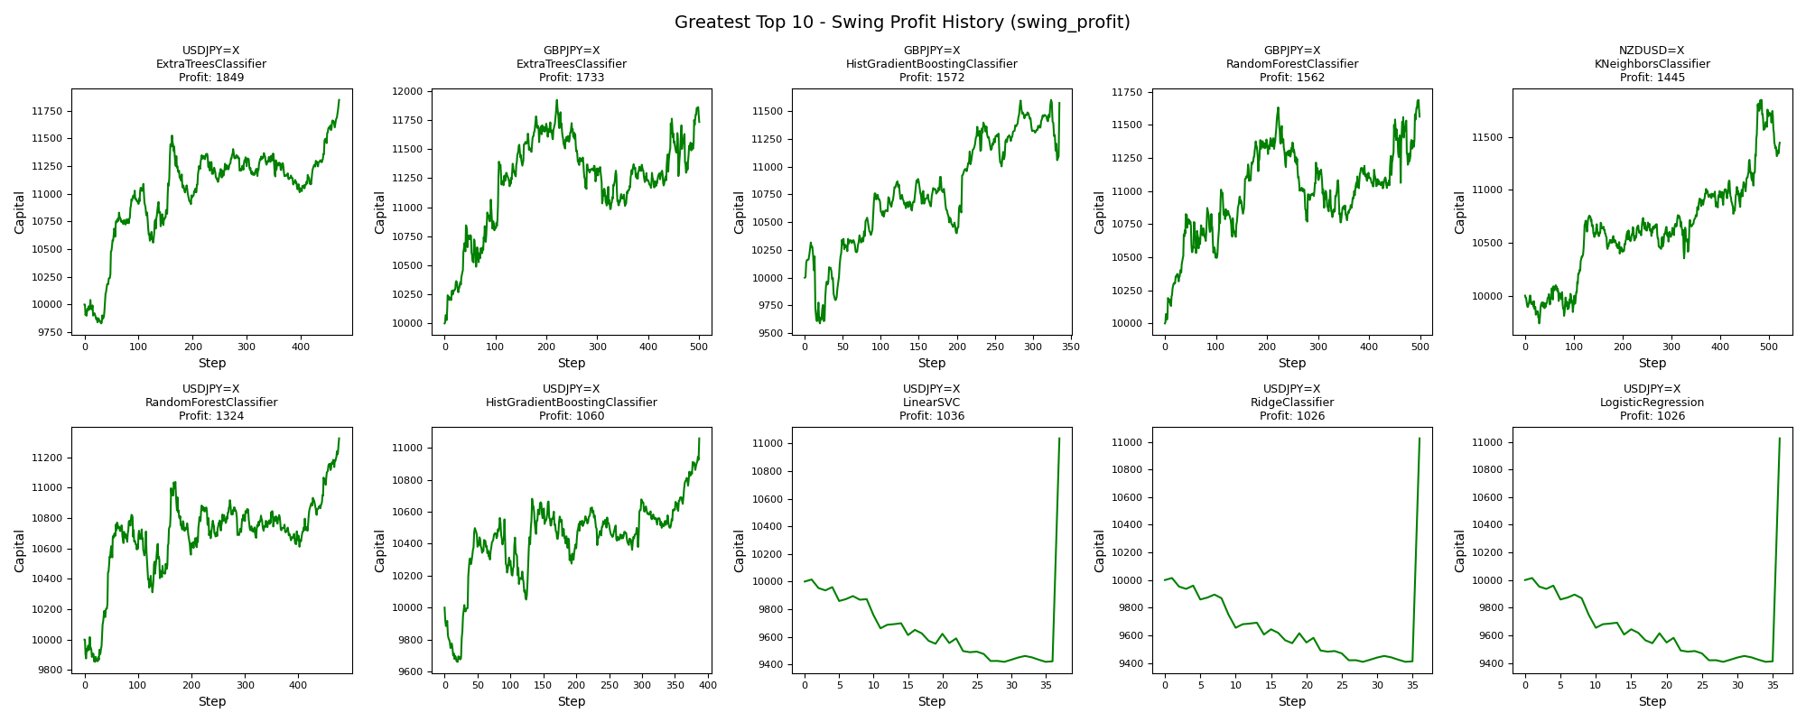
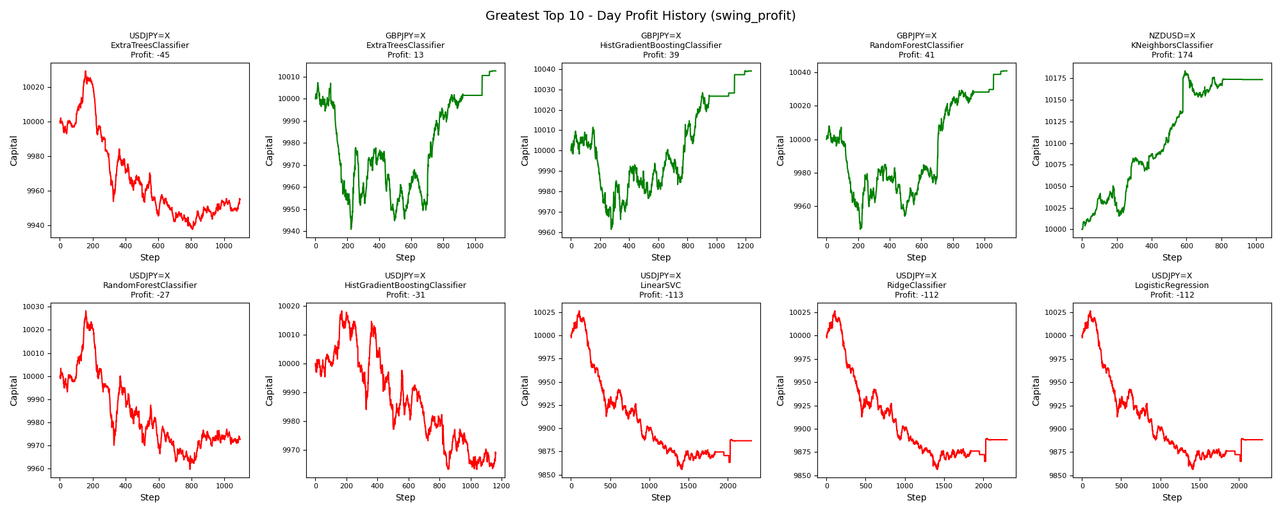
asset | model | duration_years | accuracy | buy_hold_profit | swing_profit | swing_cagr | swing_mdd | swing_max_profit | swing_max_loss | swing_trades | day_profit | day_cagr | day_mdd | day_max_profit | day_max_loss | day_trades
USDJPY=X | ExtraTreesClassifier | 20 | 0.58789514264 | 3522.0656261 | 1848.7001936 | 0.0085177251496 | 0.053781552896 | 1848.7001936 | -170.58876598 | 942 | -45.286189007 | -0.00022691945783 | 0.0091512749233 | 29.245129699 | -62.535249756 | 1099
GBPJPY=X | ExtraTreesClassifier | 20 | 0.50653343582 | 525.38961187 | 1732.5125391 | 0.0080209339309 | 0.078845536391 | 1922.2940854 | 0 | 1002 | 12.686963599 | 6.3396621715E-05 | 0.0066461133532 | 12.686963599 | -59.123801994 | 1128
GBPJPY=X | HistGradientBoostingClassifier | 20 | 0.49192928517 | 525.38961187 | 1572.3896752 | 0.0073285718751 | 0.070579315003 | 1599.7744311 | -411.14454382 | 670 | 39.000959438 | 0.0001946444551 | 0.0049936518006 | 39.060920483 | -38.575579312 | 1238
GBPJPY=X | RandomForestClassifier | 20 | 0.50461183705 | 525.38961187 | 1561.978837 | 0.0072832414849 | 0.074711065488 | 1687.8983034 | 0 | 998 | 40.889175444 | 0.0002040498473 | 0.0061702358455 | 40.889175444 | -53.698837953 | 1141
NZDUSD=X | KNeighborsClassifier | 20 | 0.50096264921 | -2372.1613816 | 1445.232486 | 0.0067722372662 | 0.044864273197 | 1849.7859462 | -262.81420523 | 1044 | 173.58884866 | 0.00086086736498 | 0.0034742856712 | 183.67264114 | 0 | 1036
USDJPY=X | RandomForestClassifier | 20 | 0.58905165767 | 3522.0656261 | 1324.1166859 | 0.0062368475676 | 0.047081222861 | 1324.1166859 | -145.98096823 | 952 | -27.358393648 | -0.0001369700494 | 0.0068395215931 | 28.245420415 | -40.342980679 | 1096
USDJPY=X | HistGradientBoostingClassifier | 20 | 0.59290670779 | 3522.0656261 | 1060.3391628 | 0.0050517456727 | 0.048444263625 | 1060.3391628 | -339.86965413 | 774 | -31.320529438 | -0.0001568361043 | 0.0054882308386 | 18.268261187 | -36.714307633 | 1162
USDJPY=X | LinearSVC | 20 | 0.39976869699 | 3522.0656261 | 1036.4758977 | 0.0049432117937 | 0.059514380985 | 1036.4758977 | -581.3479545 | 74 | -113.40917492 | -0.00057012322192 | 0.017035401148 | 26.575726561 | -144.23101308 | 2302
USDJPY=X | RidgeClassifier | 20 | 0.40053970702 | 3522.0656261 | 1025.7103709 | 0.0048941754929 | 0.060589356801 | 1025.7103709 | -592.11348134 | 72 | -111.67720854 | -0.00056136977521 | 0.016956621371 | 26.575726561 | -143.44112168 | 2304
USDJPY=X | LogisticRegression | 20 | 0.40053970702 | 3522.0656261 | 1025.7103709 | 0.0048941754929 | 0.060589356801 | 1025.7103709 | -592.11348134 | 72 | -111.67720854 | -0.00056136977521 | 0.016956621371 | 26.575726561 | -143.44112168 | 2304

Fewest_swing_profit
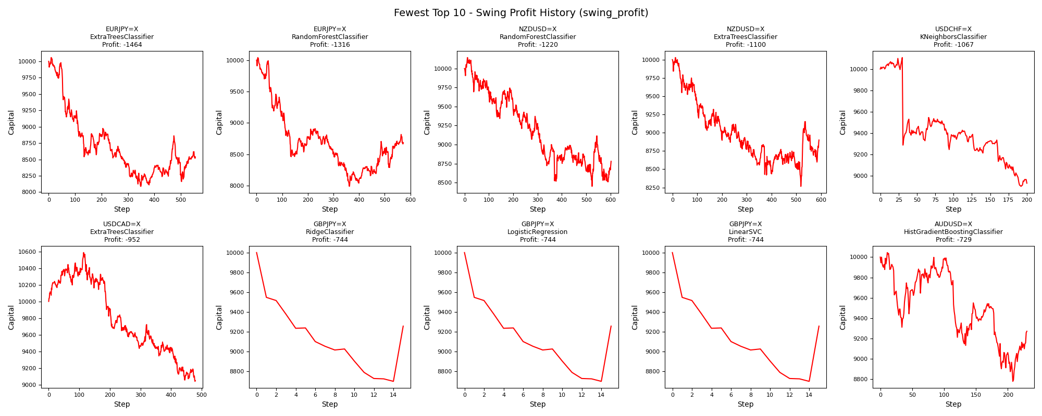
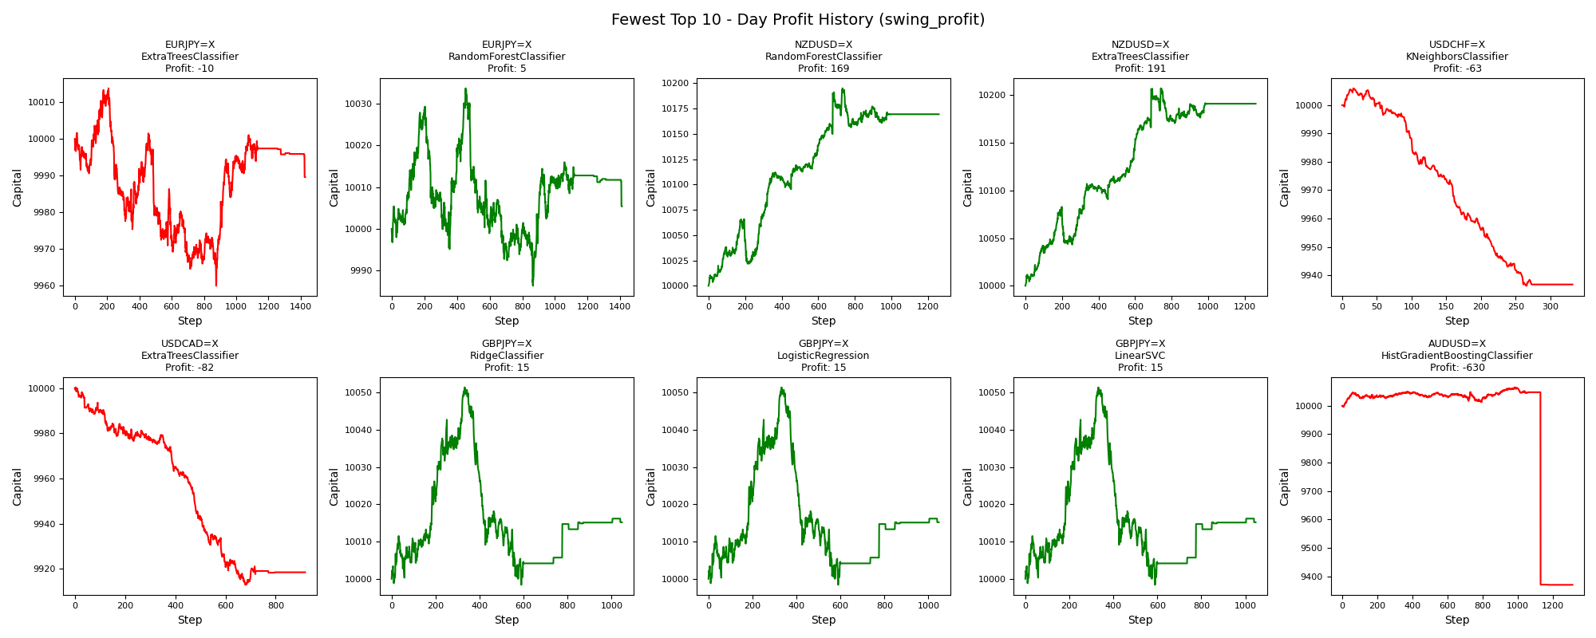
asset | model | duration_years | accuracy | buy_hold_profit | swing_profit | swing_cagr | swing_mdd | swing_max_profit | swing_max_loss | swing_trades | day_profit | day_cagr | day_mdd | day_max_profit | day_max_loss | day_trades
EURJPY=X | ExtraTreesClassifier | 20 | 0.46379044684 | 994.0719922 | -1463.6811677 | -0.0078815379225 | 0.19580920438 | 57.206627092 | -1912.0870008 | 1111 | -10.420695497 | -5.2129285306E-05 | 0.0053815085425 | 13.809463337 | -40.079937833 | 1427
EURJPY=X | RandomForestClassifier | 20 | 0.47881355932 | 994.0719922 | -1316.1762997 | -0.0070313209161 | 0.20446884552 | 40.876186057 | -2012.1701757 | 1145 | 5.401650943 | 2.7001327412E-05 | 0.0047046814395 | 33.60429762 | -13.60061429 | 1410
NZDUSD=X | RandomForestClassifier | 20 | 0.481709665 | -2372.1613816 | -1220.0412279 | -0.0064845530021 | 0.16690229718 | 143.99500772 | -1549.0610616 | 1204 | 169.41748656 | 0.00084034478207 | 0.0043831324562 | 195.0297874 | 0 | 1258
NZDUSD=X | ExtraTreesClassifier | 20 | 0.49056603774 | -2372.1613816 | -1099.9577787 | -0.0058095127516 | 0.17579129998 | 29.022334009 | -1733.9925397 | 1184 | 191.12595158 | 0.00094706037248 | 0.0039328572789 | 207.2900423 | 0 | 1259
USDCHF=X | KNeighborsClassifier | 20 | 0.63744713572 | -668.7320553 | -1067.4624431 | -0.0056283301447 | 0.11908395646 | 106.71916911 | -1096.8289363 | 400 | -63.276664183 | -0.00031733818529 | 0.0069665016468 | 5.965289885 | -63.741283785 | 332
USDCAD=X | ExtraTreesClassifier | 20 | 0.53074558032 | 2444.8287285 | -952.492223 | -0.0049922847646 | 0.14621367257 | 586.91686662 | -961.03512966 | 958 | -81.534319307 | -0.00040925887797 | 0.0087456131997 | 0.35880219755 | -87.100467744 | 917
GBPJPY=X | RidgeClassifier | 20 | 0.42352036895 | 525.38961187 | -744.06759679 | -0.0038585568722 | 0.13022674979 | 0 | -1302.2674979 | 30 | 15.181526129 | 7.5852945902E-05 | 0.0052690496853 | 51.351980988 | -1.6090920044 | 1047
GBPJPY=X | LogisticRegression | 20 | 0.42352036895 | 525.38961187 | -744.06759679 | -0.0038585568722 | 0.13022674979 | 0 | -1302.2674979 | 30 | 15.181526129 | 7.5852945902E-05 | 0.0052690496853 | 51.351980988 | -1.6090920044 | 1047
GBPJPY=X | LinearSVC | 20 | 0.42352036895 | 525.38961187 | -744.06759679 | -0.0038585568722 | 0.13022674979 | 0 | -1302.2674979 | 30 | 15.181526129 | 7.5852945902E-05 | 0.0052690496853 | 51.351980988 | -1.6090920044 | 1047
AUDUSD=X | HistGradientBoostingClassifier | 20 | 0.46425457716 | -1022.0470526 | -729.46753999 | -0.0037800513513 | 0.12609737767 | 44.546829283 | -1222.0441858 | 460 | -630.16741334 | -0.0032492030702 | 0.06905237073 | 64.833178645 | -630.16741334 | 1313

Greatest_swing_cagr


asset | model | duration_years | accuracy | buy_hold_profit | swing_profit | swing_cagr | swing_mdd | swing_max_profit | swing_max_loss | swing_trades | day_profit | day_cagr | day_mdd | day_max_profit | day_max_loss | day_trades
USDJPY=X | ExtraTreesClassifier | 20 | 0.58789514264 | 3522.0656261 | 1848.7001936 | 0.0085177251496 | 0.053781552896 | 1848.7001936 | -170.58876598 | 942 | -45.286189007 | -0.00022691945783 | 0.0091512749233 | 29.245129699 | -62.535249756 | 1099
GBPJPY=X | ExtraTreesClassifier | 20 | 0.50653343582 | 525.38961187 | 1732.5125391 | 0.0080209339309 | 0.078845536391 | 1922.2940854 | 0 | 1002 | 12.686963599 | 6.3396621715E-05 | 0.0066461133532 | 12.686963599 | -59.123801994 | 1128
GBPJPY=X | HistGradientBoostingClassifier | 20 | 0.49192928517 | 525.38961187 | 1572.3896752 | 0.0073285718751 | 0.070579315003 | 1599.7744311 | -411.14454382 | 670 | 39.000959438 | 0.0001946444551 | 0.0049936518006 | 39.060920483 | -38.575579312 | 1238
GBPJPY=X | RandomForestClassifier | 20 | 0.50461183705 | 525.38961187 | 1561.978837 | 0.0072832414849 | 0.074711065488 | 1687.8983034 | 0 | 998 | 40.889175444 | 0.0002040498473 | 0.0061702358455 | 40.889175444 | -53.698837953 | 1141
NZDUSD=X | KNeighborsClassifier | 20 | 0.50096264921 | -2372.1613816 | 1445.232486 | 0.0067722372662 | 0.044864273197 | 1849.7859462 | -262.81420523 | 1044 | 173.58884866 | 0.00086086736498 | 0.0034742856712 | 183.67264114 | 0 | 1036
USDJPY=X | RandomForestClassifier | 20 | 0.58905165767 | 3522.0656261 | 1324.1166859 | 0.0062368475676 | 0.047081222861 | 1324.1166859 | -145.98096823 | 952 | -27.358393648 | -0.0001369700494 | 0.0068395215931 | 28.245420415 | -40.342980679 | 1096
USDJPY=X | HistGradientBoostingClassifier | 20 | 0.59290670779 | 3522.0656261 | 1060.3391628 | 0.0050517456727 | 0.048444263625 | 1060.3391628 | -339.86965413 | 774 | -31.320529438 | -0.0001568361043 | 0.0054882308386 | 18.268261187 | -36.714307633 | 1162
USDJPY=X | LinearSVC | 20 | 0.39976869699 | 3522.0656261 | 1036.4758977 | 0.0049432117937 | 0.059514380985 | 1036.4758977 | -581.3479545 | 74 | -113.40917492 | -0.00057012322192 | 0.017035401148 | 26.575726561 | -144.23101308 | 2302
USDJPY=X | RidgeClassifier | 20 | 0.40053970702 | 3522.0656261 | 1025.7103709 | 0.0048941754929 | 0.060589356801 | 1025.7103709 | -592.11348134 | 72 | -111.67720854 | -0.00056136977521 | 0.016956621371 | 26.575726561 | -143.44112168 | 2304
USDJPY=X | LogisticRegression | 20 | 0.40053970702 | 3522.0656261 | 1025.7103709 | 0.0048941754929 | 0.060589356801 | 1025.7103709 | -592.11348134 | 72 | -111.67720854 | -0.00056136977521 | 0.016956621371 | 26.575726561 | -143.44112168 | 2304

Fewest_swing_cagr
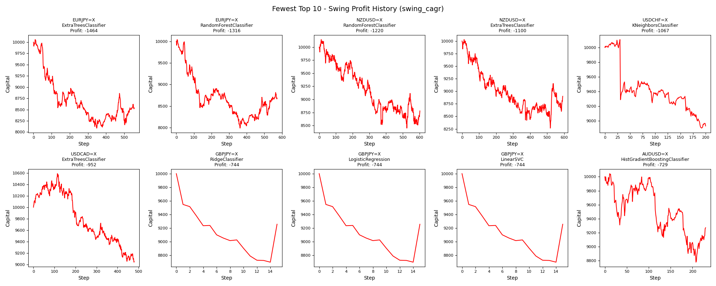

asset | model | duration_years | accuracy | buy_hold_profit | swing_profit | swing_cagr | swing_mdd | swing_max_profit | swing_max_loss | swing_trades | day_profit | day_cagr | day_mdd | day_max_profit | day_max_loss | day_trades
EURJPY=X | ExtraTreesClassifier | 20 | 0.46379044684 | 994.0719922 | -1463.6811677 | -0.0078815379225 | 0.19580920438 | 57.206627092 | -1912.0870008 | 1111 | -10.420695497 | -5.2129285306E-05 | 0.0053815085425 | 13.809463337 | -40.079937833 | 1427
EURJPY=X | RandomForestClassifier | 20 | 0.47881355932 | 994.0719922 | -1316.1762997 | -0.0070313209161 | 0.20446884552 | 40.876186057 | -2012.1701757 | 1145 | 5.401650943 | 2.7001327412E-05 | 0.0047046814395 | 33.60429762 | -13.60061429 | 1410
NZDUSD=X | RandomForestClassifier | 20 | 0.481709665 | -2372.1613816 | -1220.0412279 | -0.0064845530021 | 0.16690229718 | 143.99500772 | -1549.0610616 | 1204 | 169.41748656 | 0.00084034478207 | 0.0043831324562 | 195.0297874 | 0 | 1258
NZDUSD=X | ExtraTreesClassifier | 20 | 0.49056603774 | -2372.1613816 | -1099.9577787 | -0.0058095127516 | 0.17579129998 | 29.022334009 | -1733.9925397 | 1184 | 191.12595158 | 0.00094706037248 | 0.0039328572789 | 207.2900423 | 0 | 1259
USDCHF=X | KNeighborsClassifier | 20 | 0.63744713572 | -668.7320553 | -1067.4624431 | -0.0056283301447 | 0.11908395646 | 106.71916911 | -1096.8289363 | 400 | -63.276664183 | -0.00031733818529 | 0.0069665016468 | 5.965289885 | -63.741283785 | 332
USDCAD=X | ExtraTreesClassifier | 20 | 0.53074558032 | 2444.8287285 | -952.492223 | -0.0049922847646 | 0.14621367257 | 586.91686662 | -961.03512966 | 958 | -81.534319307 | -0.00040925887797 | 0.0087456131997 | 0.35880219755 | -87.100467744 | 917
GBPJPY=X | RidgeClassifier | 20 | 0.42352036895 | 525.38961187 | -744.06759679 | -0.0038585568722 | 0.13022674979 | 0 | -1302.2674979 | 30 | 15.181526129 | 7.5852945902E-05 | 0.0052690496853 | 51.351980988 | -1.6090920044 | 1047
GBPJPY=X | LogisticRegression | 20 | 0.42352036895 | 525.38961187 | -744.06759679 | -0.0038585568722 | 0.13022674979 | 0 | -1302.2674979 | 30 | 15.181526129 | 7.5852945902E-05 | 0.0052690496853 | 51.351980988 | -1.6090920044 | 1047
GBPJPY=X | LinearSVC | 20 | 0.42352036895 | 525.38961187 | -744.06759679 | -0.0038585568722 | 0.13022674979 | 0 | -1302.2674979 | 30 | 15.181526129 | 7.5852945902E-05 | 0.0052690496853 | 51.351980988 | -1.6090920044 | 1047
AUDUSD=X | HistGradientBoostingClassifier | 20 | 0.46425457716 | -1022.0470526 | -729.46753999 | -0.0037800513513 | 0.12609737767 | 44.546829283 | -1222.0441858 | 460 | -630.16741334 | -0.0032492030702 | 0.06905237073 | 64.833178645 | -630.16741334 | 1313

Greatest_swing_mdd
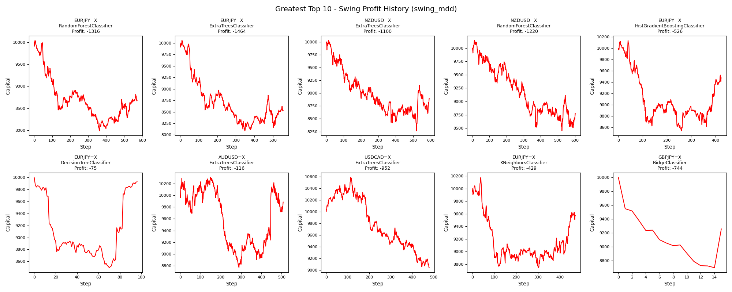
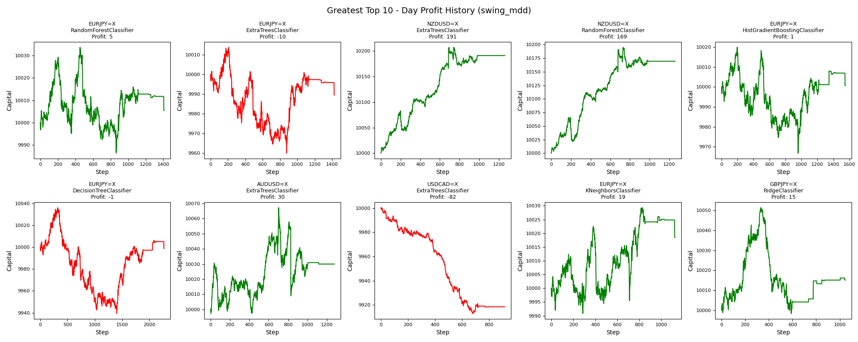
asset | model | duration_years | accuracy | buy_hold_profit | swing_profit | swing_cagr | swing_mdd | swing_max_profit | swing_max_loss | swing_trades | day_profit | day_cagr | day_mdd | day_max_profit | day_max_loss | day_trades
EURJPY=X | RandomForestClassifier | 20 | 0.47881355932 | 994.0719922 | -1316.1762997 | -0.0070313209161 | 0.20446884552 | 40.876186057 | -2012.1701757 | 1145 | 5.401650943 | 2.7001327412E-05 | 0.0047046814395 | 33.60429762 | -13.60061429 | 1410
EURJPY=X | ExtraTreesClassifier | 20 | 0.46379044684 | 994.0719922 | -1463.6811677 | -0.0078815379225 | 0.19580920438 | 57.206627092 | -1912.0870008 | 1111 | -10.420695497 | -5.2129285306E-05 | 0.0053815085425 | 13.809463337 | -40.079937833 | 1427
NZDUSD=X | ExtraTreesClassifier | 20 | 0.49056603774 | -2372.1613816 | -1099.9577787 | -0.0058095127516 | 0.17579129998 | 29.022334009 | -1733.9925397 | 1184 | 191.12595158 | 0.00094706037248 | 0.0039328572789 | 207.2900423 | 0 | 1259
NZDUSD=X | RandomForestClassifier | 20 | 0.481709665 | -2372.1613816 | -1220.0412279 | -0.0064845530021 | 0.16690229718 | 143.99500772 | -1549.0610616 | 1204 | 169.41748656 | 0.00084034478207 | 0.0043831324562 | 195.0297874 | 0 | 1258
EURJPY=X | HistGradientBoostingClassifier | 20 | 0.47342064715 | 994.0719922 | -526.25400098 | -0.002699385049 | 0.15798973218 | 138.40921689 | -1463.35534 | 848 | 0.64082031096 | 3.2040040294E-06 | 0.005297407372 | 19.85249911 | -33.226741386 | 1550
EURJPY=X | DecisionTreeClassifier | 20 | 0.4345146379 | 994.0719922 | -74.581219335 | -0.00037423359641 | 0.15026230689 | 0 | -1502.6230689 | 192 | -1.1270082596 | -5.6353429799E-06 | 0.009662123564 | 36.265019376 | -60.706613363 | 2271
AUDUSD=X | ExtraTreesClassifier | 20 | 0.46774193548 | -1022.0470526 | -115.83513173 | -0.00058238658148 | 0.14927542509 | 306.02302836 | -1232.4129402 | 1017 | 29.980436155 | 0.00014968912455 | 0.0057855272204 | 67.218055519 | -2.6747590929 | 1278
USDCAD=X | ExtraTreesClassifier | 20 | 0.53074558032 | 2444.8287285 | -952.492223 | -0.0049922847646 | 0.14621367257 | 586.91686662 | -961.03512966 | 958 | -81.534319307 | -0.00040925887797 | 0.0087456131997 | 0.35880219755 | -87.100467744 | 917
EURJPY=X | KNeighborsClassifier | 20 | 0.49845916795 | 994.0719922 | -429.0070182 | -0.0021900050848 | 0.14099714166 | 178.81743799 | -1256.3667262 | 940 | 18.542602036 | 9.2631449297E-05 | 0.0027982276971 | 29.334750863 | -9.1762978546 | 1125
GBPJPY=X | RidgeClassifier | 20 | 0.42352036895 | 525.38961187 | -744.06759679 | -0.0038585568722 | 0.13022674979 | 0 | -1302.2674979 | 30 | 15.181526129 | 7.5852945902E-05 | 0.0052690496853 | 51.351980988 | -1.6090920044 | 1047

Fewest_swing_mdd
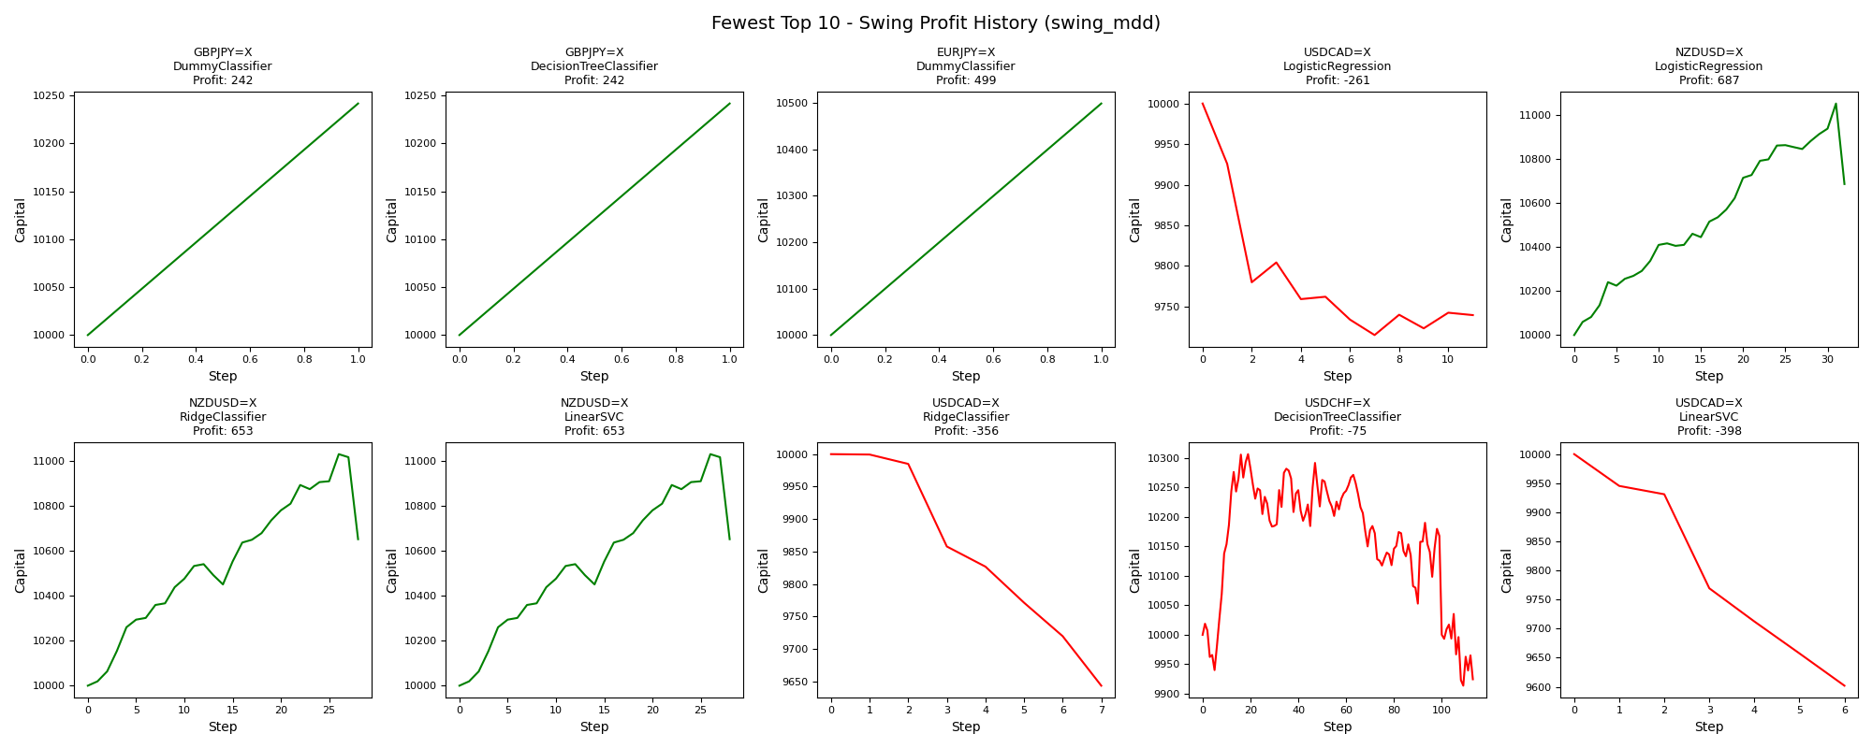
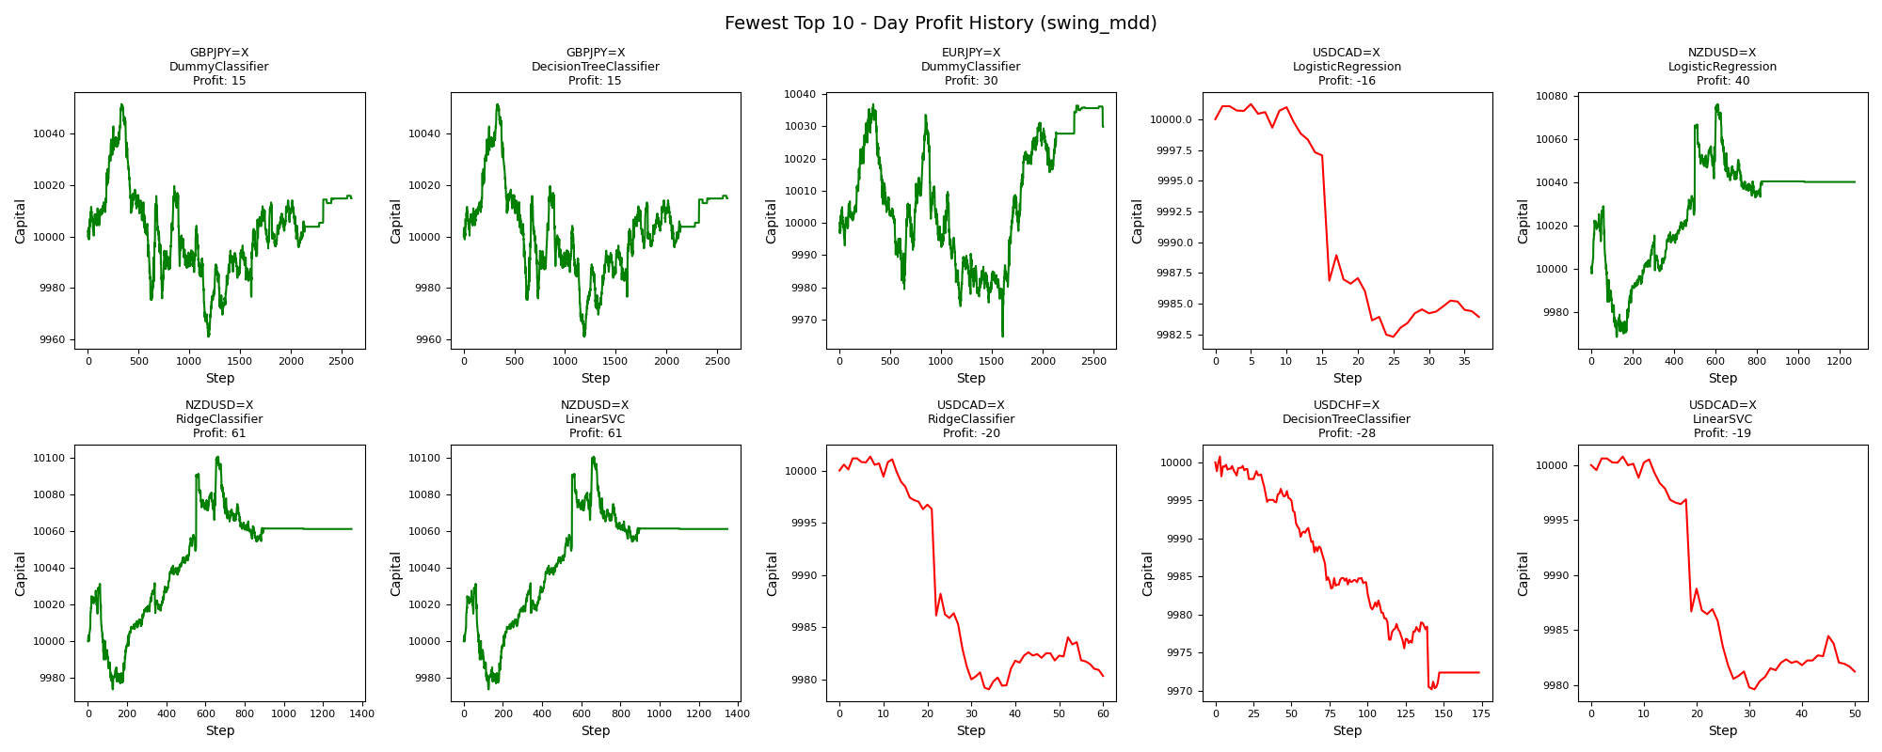
asset | model | duration_years | accuracy | buy_hold_profit | swing_profit | swing_cagr | swing_mdd | swing_max_profit | swing_max_loss | swing_trades | day_profit | day_cagr | day_mdd | day_max_profit | day_max_loss | day_trades
GBPJPY=X | DummyClassifier | 20 | 0.4096848578 | 525.38961187 | 241.59394571 | 0.0011943212975 | 0 | 241.59394571 | 0 | 2 | 14.791855627 | 7.3907363284E-05 | 0.0089860372424 | 51.351980988 | -38.96984225 | 2601
GBPJPY=X | DecisionTreeClassifier | 20 | 0.4096848578 | 525.38961187 | 241.59394571 | 0.0011943212975 | 0 | 241.59394571 | 0 | 2 | 14.791855627 | 7.3907363284E-05 | 0.0089860372424 | 51.351980988 | -38.96984225 | 2601
EURJPY=X | DummyClassifier | 20 | 0.41217257319 | 994.0719922 | 498.78896554 | 0.0024367049969 | 0 | 498.78896554 | 0 | 2 | 29.856190718 | 0.00014906965791 | 0.0072081719236 | 36.914597356 | -35.433208644 | 2595
USDCAD=X | LogisticRegression | 20 | 0.65757109915 | 2444.8287285 | -260.6101644 | -0.0013194598722 | 0.028517322962 | 0 | -285.17322962 | 22 | -16.078732709 | -8.0455127632E-05 | 0.001893007071 | 1.2300088514 | -17.702390274 | 37
NZDUSD=X | LogisticRegression | 20 | 0.40777820562 | -2372.1613816 | 687.41761443 | 0.003329632585 | 0.033155495635 | 1053.9156671 | 0 | 64 | 40.020967796 | 0.00019972542713 | 0.0060113216062 | 76.012296723 | -31.553536991 | 1273
NZDUSD=X | RidgeClassifier | 20 | 0.40931844436 | -2372.1613816 | 652.73934944 | 0.0031666022255 | 0.034352096548 | 1031.7014218 | 0 | 56 | 61.110587132 | 0.0003046694983 | 0.0057073669884 | 100.50867084 | -26.132455565 | 1345
NZDUSD=X | LinearSVC | 20 | 0.40931844436 | -2372.1613816 | 652.73934944 | 0.0031666022255 | 0.034352096548 | 1031.7014218 | 0 | 56 | 61.110587132 | 0.0003046694983 | 0.0057073669884 | 100.50867084 | -26.132455565 | 1345
USDCAD=X | RidgeClassifier | 20 | 0.65488086088 | 2444.8287285 | -356.29767337 | -0.0018123556627 | 0.035629767337 | 0 | -356.29767337 | 14 | -19.670943757 | -9.8446736141E-05 | 0.0022286037702 | 1.3375097398 | -20.951508742 | 60
USDCHF=X | DecisionTreeClassifier | 20 | 0.67166474433 | -668.7320553 | -75.375066804 | -0.00037823131455 | 0.038105967641 | 306.51242435 | -86.227204582 | 226 | -27.632271832 | -0.00013834302687 | 0.0030606734413 | 0.7687508536 | -29.840336455 | 173
USDCAD=X | LinearSVC | 20 | 0.65564950038 | 2444.8287285 | -398.01265597 | -0.0020286894693 | 0.039801265597 | 0 | -398.01265597 | 12 | -18.770724821 | -9.3937407122E-05 | 0.0021151471402 | 0.76900170447 | -20.384096249 | 50

Greatest_swing_max_profit
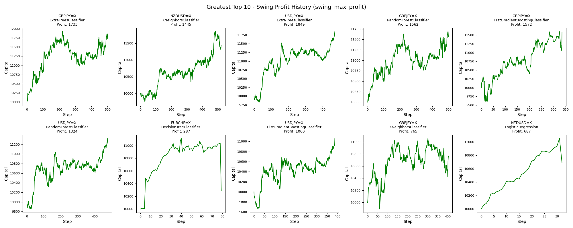
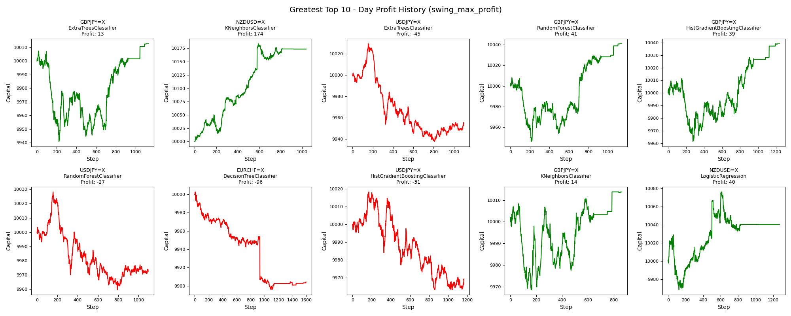
asset | model | duration_years | accuracy | buy_hold_profit | swing_profit | swing_cagr | swing_mdd | swing_max_profit | swing_max_loss | swing_trades | day_profit | day_cagr | day_mdd | day_max_profit | day_max_loss | day_trades
GBPJPY=X | ExtraTreesClassifier | 20 | 0.50653343582 | 525.38961187 | 1732.5125391 | 0.0080209339309 | 0.078845536391 | 1922.2940854 | 0 | 1002 | 12.686963599 | 6.3396621715E-05 | 0.0066461133532 | 12.686963599 | -59.123801994 | 1128
NZDUSD=X | KNeighborsClassifier | 20 | 0.50096264921 | -2372.1613816 | 1445.232486 | 0.0067722372662 | 0.044864273197 | 1849.7859462 | -262.81420523 | 1044 | 173.58884866 | 0.00086086736498 | 0.0034742856712 | 183.67264114 | 0 | 1036
USDJPY=X | ExtraTreesClassifier | 20 | 0.58789514264 | 3522.0656261 | 1848.7001936 | 0.0085177251496 | 0.053781552896 | 1848.7001936 | -170.58876598 | 942 | -45.286189007 | -0.00022691945783 | 0.0091512749233 | 29.245129699 | -62.535249756 | 1099
GBPJPY=X | RandomForestClassifier | 20 | 0.50461183705 | 525.38961187 | 1561.978837 | 0.0072832414849 | 0.074711065488 | 1687.8983034 | 0 | 998 | 40.889175444 | 0.0002040498473 | 0.0061702358455 | 40.889175444 | -53.698837953 | 1141
GBPJPY=X | HistGradientBoostingClassifier | 20 | 0.49192928517 | 525.38961187 | 1572.3896752 | 0.0073285718751 | 0.070579315003 | 1599.7744311 | -411.14454382 | 670 | 39.000959438 | 0.0001946444551 | 0.0049936518006 | 39.060920483 | -38.575579312 | 1238
USDJPY=X | RandomForestClassifier | 20 | 0.58905165767 | 3522.0656261 | 1324.1166859 | 0.0062368475676 | 0.047081222861 | 1324.1166859 | -145.98096823 | 952 | -27.358393648 | -0.0001369700494 | 0.0068395215931 | 28.245420415 | -40.342980679 | 1096
EURCHF=X | DecisionTreeClassifier | 20 | 0.42196531792 | -2449.5672287 | 286.53805984 | 0.0014135462616 | 0.074290025235 | 1112.0527382 | 0 | 158 | -95.914271144 | -0.00048176996687 | 0.010685951997 | 2.6774369214 | -104.21069401 | 1593
USDJPY=X | HistGradientBoostingClassifier | 20 | 0.59290670779 | 3522.0656261 | 1060.3391628 | 0.0050517456727 | 0.048444263625 | 1060.3391628 | -339.86965413 | 774 | -31.320529438 | -0.0001568361043 | 0.0054882308386 | 18.268261187 | -36.714307633 | 1162
GBPJPY=X | KNeighborsClassifier | 20 | 0.50653343582 | 525.38961187 | 765.13670082 | 0.0036931898998 | 0.070414510754 | 1055.6844484 | -109.55683466 | 806 | 13.791299565 | 6.8911365792E-05 | 0.0039718286074 | 13.851260609 | -31.415315186 | 862
NZDUSD=X | LogisticRegression | 20 | 0.40777820562 | -2372.1613816 | 687.41761443 | 0.003329632585 | 0.033155495635 | 1053.9156671 | 0 | 64 | 40.020967796 | 0.00019972542713 | 0.0060113216062 | 76.012296723 | -31.553536991 | 1273

Fewest_swing_max_profit
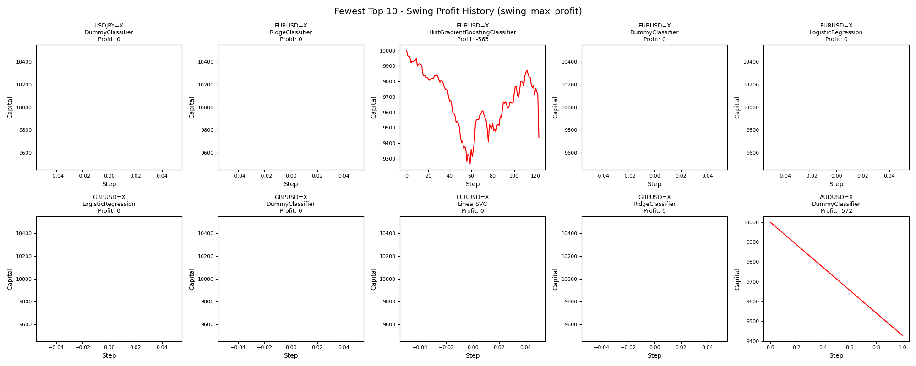
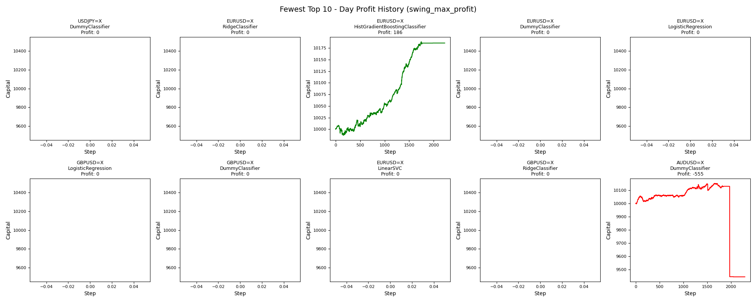
asset | model | duration_years | accuracy | buy_hold_profit | swing_profit | swing_cagr | swing_mdd | swing_max_profit | swing_max_loss | swing_trades | day_profit | day_cagr | day_mdd | day_max_profit | day_max_loss | day_trades
USDJPY=X | DummyClassifier | 20 | 0.61141094834 | 3522.0656261 | 0 | 0 |  | 0 | 0 | 0 | 0 | 0 |  | 0 | 0 | 0
EURUSD=X | RidgeClassifier | 20 | 0.56823438705 | -1862.3329802 | 0 | 0 |  | 0 | 0 | 0 | 0 | 0 |  | 0 | 0 | 0
EURUSD=X | HistGradientBoostingClassifier | 20 | 0.43369313801 | -1862.3329802 | -563.02647402 | -0.0028932945973 | 0.07341982784 | 0 | -734.1982784 | 246 | 185.84133344 | 0.00092110187509 | 0.0021573583664 | 188.50147852 | -12.970819139 | 2226
EURUSD=X | DummyClassifier | 20 | 0.56823438705 | -1862.3329802 | 0 | 0 |  | 0 | 0 | 0 | 0 | 0 |  | 0 | 0 | 0
EURUSD=X | LogisticRegression | 20 | 0.56823438705 | -1862.3329802 | 0 | 0 |  | 0 | 0 | 0 | 0 | 0 |  | 0 | 0 | 0
GBPUSD=X | LogisticRegression | 20 | 0.49615384615 | -2235.5789639 | 0 | 0 |  | 0 | 0 | 0 | 0 | 0 |  | 0 | 0 | 0
GBPUSD=X | DummyClassifier | 20 | 0.49615384615 | -2235.5789639 | 0 | 0 |  | 0 | 0 | 0 | 0 | 0 |  | 0 | 0 | 0
EURUSD=X | LinearSVC | 20 | 0.56823438705 | -1862.3329802 | 0 | 0 |  | 0 | 0 | 0 | 0 | 0 |  | 0 | 0 | 0
GBPUSD=X | RidgeClassifier | 20 | 0.49615384615 | -2235.5789639 | 0 | 0 |  | 0 | 0 | 0 | 0 | 0 |  | 0 | 0 | 0
AUDUSD=X | DummyClassifier | 20 | 0.39014821273 | -1022.0470526 | -571.65249962 | -0.0029388855094 | 0.057165249962 | 0 | -571.65249962 | 2 | -554.91952332 | -0.0028504832118 | 0.069517290513 | 150.73185173 | -554.91952332 | 2293

Greatest_swing_max_loss
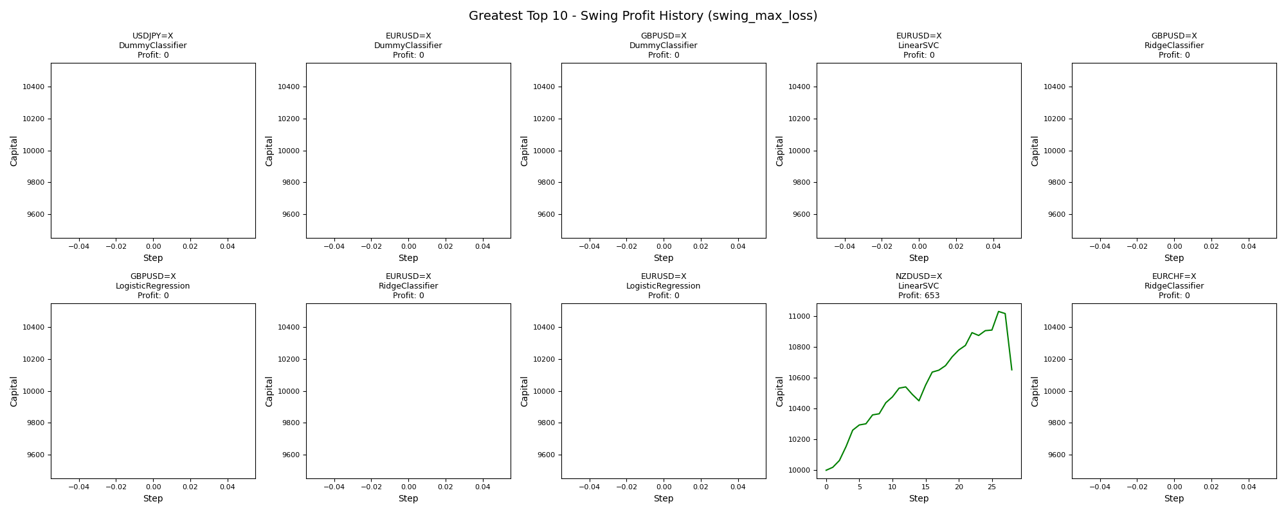
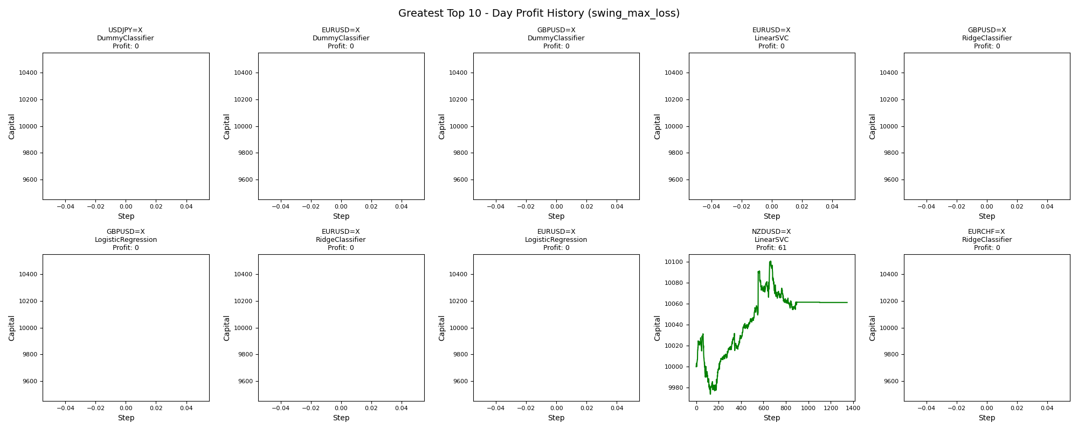
asset | model | duration_years | accuracy | buy_hold_profit | swing_profit | swing_cagr | swing_mdd | swing_max_profit | swing_max_loss | swing_trades | day_profit | day_cagr | day_mdd | day_max_profit | day_max_loss | day_trades
USDJPY=X | DummyClassifier | 20 | 0.61141094834 | 3522.0656261 | 0 | 0 |  | 0 | 0 | 0 | 0 | 0 |  | 0 | 0 | 0
EURUSD=X | DummyClassifier | 20 | 0.56823438705 | -1862.3329802 | 0 | 0 |  | 0 | 0 | 0 | 0 | 0 |  | 0 | 0 | 0
GBPUSD=X | DummyClassifier | 20 | 0.49615384615 | -2235.5789639 | 0 | 0 |  | 0 | 0 | 0 | 0 | 0 |  | 0 | 0 | 0
EURUSD=X | LinearSVC | 20 | 0.56823438705 | -1862.3329802 | 0 | 0 |  | 0 | 0 | 0 | 0 | 0 |  | 0 | 0 | 0
GBPUSD=X | RidgeClassifier | 20 | 0.49615384615 | -2235.5789639 | 0 | 0 |  | 0 | 0 | 0 | 0 | 0 |  | 0 | 0 | 0
GBPUSD=X | LogisticRegression | 20 | 0.49615384615 | -2235.5789639 | 0 | 0 |  | 0 | 0 | 0 | 0 | 0 |  | 0 | 0 | 0
EURUSD=X | RidgeClassifier | 20 | 0.56823438705 | -1862.3329802 | 0 | 0 |  | 0 | 0 | 0 | 0 | 0 |  | 0 | 0 | 0
EURUSD=X | LogisticRegression | 20 | 0.56823438705 | -1862.3329802 | 0 | 0 |  | 0 | 0 | 0 | 0 | 0 |  | 0 | 0 | 0
NZDUSD=X | LinearSVC | 20 | 0.40931844436 | -2372.1613816 | 652.73934944 | 0.0031666022255 | 0.034352096548 | 1031.7014218 | 0 | 56 | 61.110587132 | 0.0003046694983 | 0.0057073669884 | 100.50867084 | -26.132455565 | 1345
EURCHF=X | RidgeClassifier | 20 | 0.65394990366 | -2449.5672287 | 0 | 0 |  | 0 | 0 | 0 | 0 | 0 |  | 0 | 0 | 0

Fewest_swing_max_loss
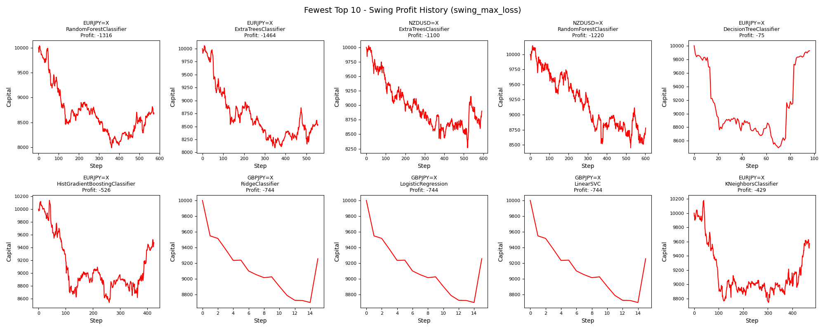
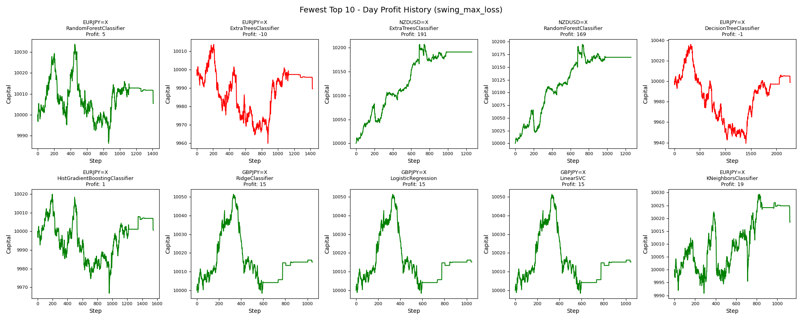
asset | model | duration_years | accuracy | buy_hold_profit | swing_profit | swing_cagr | swing_mdd | swing_max_profit | swing_max_loss | swing_trades | day_profit | day_cagr | day_mdd | day_max_profit | day_max_loss | day_trades
EURJPY=X | RandomForestClassifier | 20 | 0.47881355932 | 994.0719922 | -1316.1762997 | -0.0070313209161 | 0.20446884552 | 40.876186057 | -2012.1701757 | 1145 | 5.401650943 | 2.7001327412E-05 | 0.0047046814395 | 33.60429762 | -13.60061429 | 1410
EURJPY=X | ExtraTreesClassifier | 20 | 0.46379044684 | 994.0719922 | -1463.6811677 | -0.0078815379225 | 0.19580920438 | 57.206627092 | -1912.0870008 | 1111 | -10.420695497 | -5.2129285306E-05 | 0.0053815085425 | 13.809463337 | -40.079937833 | 1427
NZDUSD=X | ExtraTreesClassifier | 20 | 0.49056603774 | -2372.1613816 | -1099.9577787 | -0.0058095127516 | 0.17579129998 | 29.022334009 | -1733.9925397 | 1184 | 191.12595158 | 0.00094706037248 | 0.0039328572789 | 207.2900423 | 0 | 1259
NZDUSD=X | RandomForestClassifier | 20 | 0.481709665 | -2372.1613816 | -1220.0412279 | -0.0064845530021 | 0.16690229718 | 143.99500772 | -1549.0610616 | 1204 | 169.41748656 | 0.00084034478207 | 0.0043831324562 | 195.0297874 | 0 | 1258
EURJPY=X | DecisionTreeClassifier | 20 | 0.4345146379 | 994.0719922 | -74.581219335 | -0.00037423359641 | 0.15026230689 | 0 | -1502.6230689 | 192 | -1.1270082596 | -5.6353429799E-06 | 0.009662123564 | 36.265019376 | -60.706613363 | 2271
EURJPY=X | HistGradientBoostingClassifier | 20 | 0.47342064715 | 994.0719922 | -526.25400098 | -0.002699385049 | 0.15798973218 | 138.40921689 | -1463.35534 | 848 | 0.64082031096 | 3.2040040294E-06 | 0.005297407372 | 19.85249911 | -33.226741386 | 1550
GBPJPY=X | RidgeClassifier | 20 | 0.42352036895 | 525.38961187 | -744.06759679 | -0.0038585568722 | 0.13022674979 | 0 | -1302.2674979 | 30 | 15.181526129 | 7.5852945902E-05 | 0.0052690496853 | 51.351980988 | -1.6090920044 | 1047
GBPJPY=X | LogisticRegression | 20 | 0.42352036895 | 525.38961187 | -744.06759679 | -0.0038585568722 | 0.13022674979 | 0 | -1302.2674979 | 30 | 15.181526129 | 7.5852945902E-05 | 0.0052690496853 | 51.351980988 | -1.6090920044 | 1047
GBPJPY=X | LinearSVC | 20 | 0.42352036895 | 525.38961187 | -744.06759679 | -0.0038585568722 | 0.13022674979 | 0 | -1302.2674979 | 30 | 15.181526129 | 7.5852945902E-05 | 0.0052690496853 | 51.351980988 | -1.6090920044 | 1047
EURJPY=X | KNeighborsClassifier | 20 | 0.49845916795 | 994.0719922 | -429.0070182 | -0.0021900050848 | 0.14099714166 | 178.81743799 | -1256.3667262 | 940 | 18.542602036 | 9.2631449297E-05 | 0.0027982276971 | 29.334750863 | -9.1762978546 | 1125

Greatest_swing_trades
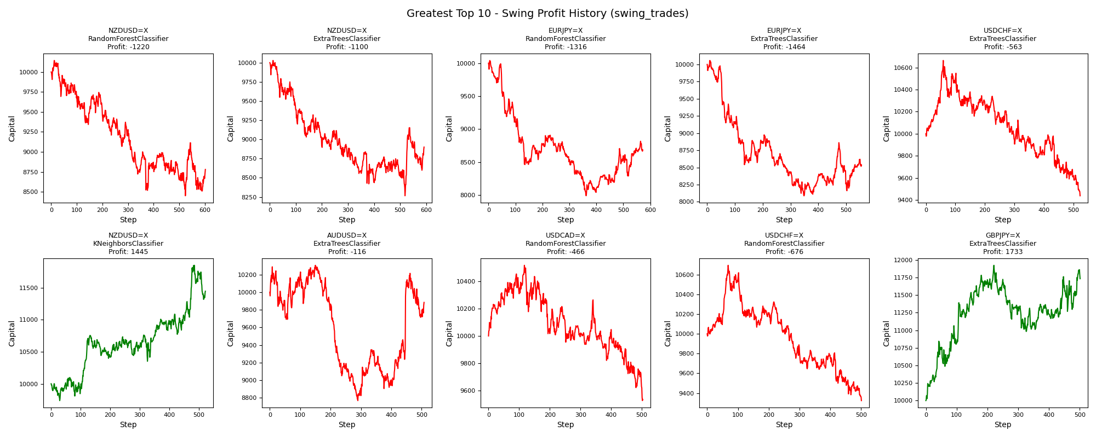
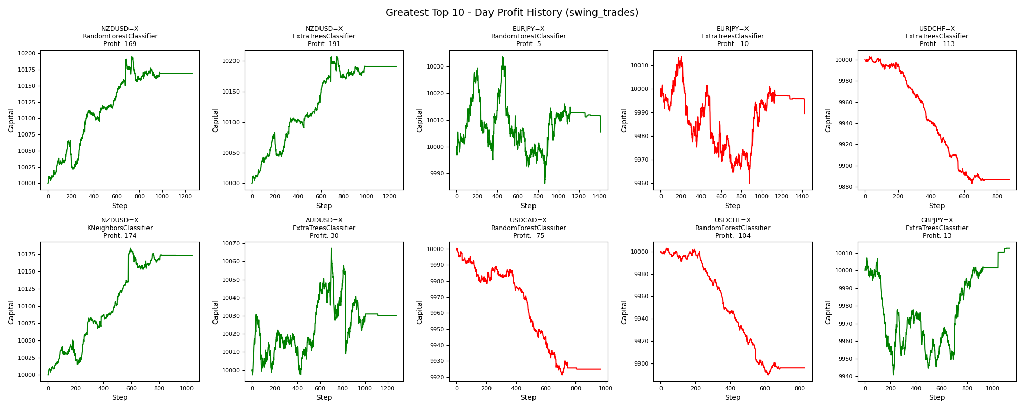
asset | model | duration_years | accuracy | buy_hold_profit | swing_profit | swing_cagr | swing_mdd | swing_max_profit | swing_max_loss | swing_trades | day_profit | day_cagr | day_mdd | day_max_profit | day_max_loss | day_trades
NZDUSD=X | RandomForestClassifier | 20 | 0.481709665 | -2372.1613816 | -1220.0412279 | -0.0064845530021 | 0.16690229718 | 143.99500772 | -1549.0610616 | 1204 | 169.41748656 | 0.00084034478207 | 0.0043831324562 | 195.0297874 | 0 | 1258
NZDUSD=X | ExtraTreesClassifier | 20 | 0.49056603774 | -2372.1613816 | -1099.9577787 | -0.0058095127516 | 0.17579129998 | 29.022334009 | -1733.9925397 | 1184 | 191.12595158 | 0.00094706037248 | 0.0039328572789 | 207.2900423 | 0 | 1259
EURJPY=X | RandomForestClassifier | 20 | 0.47881355932 | 994.0719922 | -1316.1762997 | -0.0070313209161 | 0.20446884552 | 40.876186057 | -2012.1701757 | 1145 | 5.401650943 | 2.7001327412E-05 | 0.0047046814395 | 33.60429762 | -13.60061429 | 1410
EURJPY=X | ExtraTreesClassifier | 20 | 0.46379044684 | 994.0719922 | -1463.6811677 | -0.0078815379225 | 0.19580920438 | 57.206627092 | -1912.0870008 | 1111 | -10.420695497 | -5.2129285306E-05 | 0.0053815085425 | 13.809463337 | -40.079937833 | 1427
USDCHF=X | ExtraTreesClassifier | 20 | 0.57593233372 | -668.7320553 | -562.74775457 | -0.0028918221489 | 0.11511672025 | 664.96843304 | -562.74775457 | 1046 | -113.39215103 | -0.00057003717523 | 0.011958021432 | 2.9484029952 | -116.6670684 | 873
NZDUSD=X | KNeighborsClassifier | 20 | 0.50096264921 | -2372.1613816 | 1445.232486 | 0.0067722372662 | 0.044864273197 | 1849.7859462 | -262.81420523 | 1044 | 173.58884866 | 0.00086086736498 | 0.0034742856712 | 183.67264114 | 0 | 1036
AUDUSD=X | ExtraTreesClassifier | 20 | 0.46774193548 | -1022.0470526 | -115.83513173 | -0.00058238658148 | 0.14927542509 | 306.02302836 | -1232.4129402 | 1017 | 29.980436155 | 0.00014968912455 | 0.0057855272204 | 67.218055519 | -2.6747590929 | 1278
USDCAD=X | RandomForestClassifier | 20 | 0.52459646426 | 2444.8287285 | -465.74790473 | -0.0023818735692 | 0.094424618131 | 518.45065996 | -474.75002694 | 1006 | -74.928931447 | -0.00037598459442 | 0.0079006391273 | 0.35880219755 | -78.650423842 | 967
USDCHF=X | RandomForestClassifier | 20 | 0.58323721646 | -668.7320553 | -676.48319988 | -0.0034961340616 | 0.12815826926 | 694.04740725 | -676.48319988 | 1002 | -103.92166686 | -0.00052219072585 | 0.011312950497 | 2.7820442937 | -110.37893381 | 830
GBPJPY=X | ExtraTreesClassifier | 20 | 0.50653343582 | 525.38961187 | 1732.5125391 | 0.0080209339309 | 0.078845536391 | 1922.2940854 | 0 | 1002 | 12.686963599 | 6.3396621715E-05 | 0.0066461133532 | 12.686963599 | -59.123801994 | 1128

Fewest_swing_trades
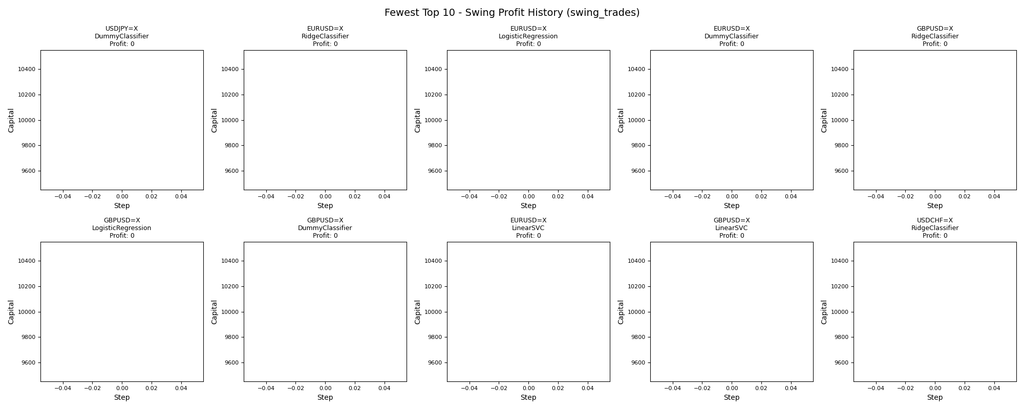
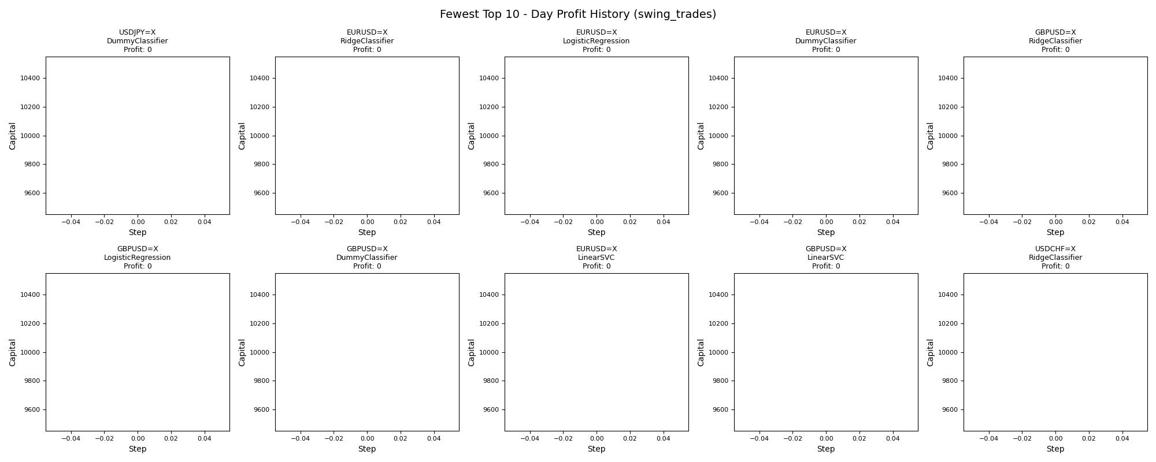
asset | model | duration_years | accuracy | buy_hold_profit | swing_profit | swing_cagr | swing_mdd | swing_max_profit | swing_max_loss | swing_trades | day_profit | day_cagr | day_mdd | day_max_profit | day_max_loss | day_trades
USDJPY=X | DummyClassifier | 20 | 0.61141094834 | 3522.0656261 | 0 | 0 |  | 0 | 0 | 0 | 0 | 0 |  | 0 | 0 | 0
EURUSD=X | RidgeClassifier | 20 | 0.56823438705 | -1862.3329802 | 0 | 0 |  | 0 | 0 | 0 | 0 | 0 |  | 0 | 0 | 0
EURUSD=X | LogisticRegression | 20 | 0.56823438705 | -1862.3329802 | 0 | 0 |  | 0 | 0 | 0 | 0 | 0 |  | 0 | 0 | 0
EURUSD=X | DummyClassifier | 20 | 0.56823438705 | -1862.3329802 | 0 | 0 |  | 0 | 0 | 0 | 0 | 0 |  | 0 | 0 | 0
GBPUSD=X | RidgeClassifier | 20 | 0.49615384615 | -2235.5789639 | 0 | 0 |  | 0 | 0 | 0 | 0 | 0 |  | 0 | 0 | 0
GBPUSD=X | LogisticRegression | 20 | 0.49615384615 | -2235.5789639 | 0 | 0 |  | 0 | 0 | 0 | 0 | 0 |  | 0 | 0 | 0
GBPUSD=X | DummyClassifier | 20 | 0.49615384615 | -2235.5789639 | 0 | 0 |  | 0 | 0 | 0 | 0 | 0 |  | 0 | 0 | 0
EURUSD=X | LinearSVC | 20 | 0.56823438705 | -1862.3329802 | 0 | 0 |  | 0 | 0 | 0 | 0 | 0 |  | 0 | 0 | 0
GBPUSD=X | LinearSVC | 20 | 0.49615384615 | -2235.5789639 | 0 | 0 |  | 0 | 0 | 0 | 0 | 0 |  | 0 | 0 | 0
USDCHF=X | RidgeClassifier | 20 | 0.69511726259 | -668.7320553 | 0 | 0 |  | 0 | 0 | 0 | 0 | 0 |  | 0 | 0 | 0

Greatest_day_profit
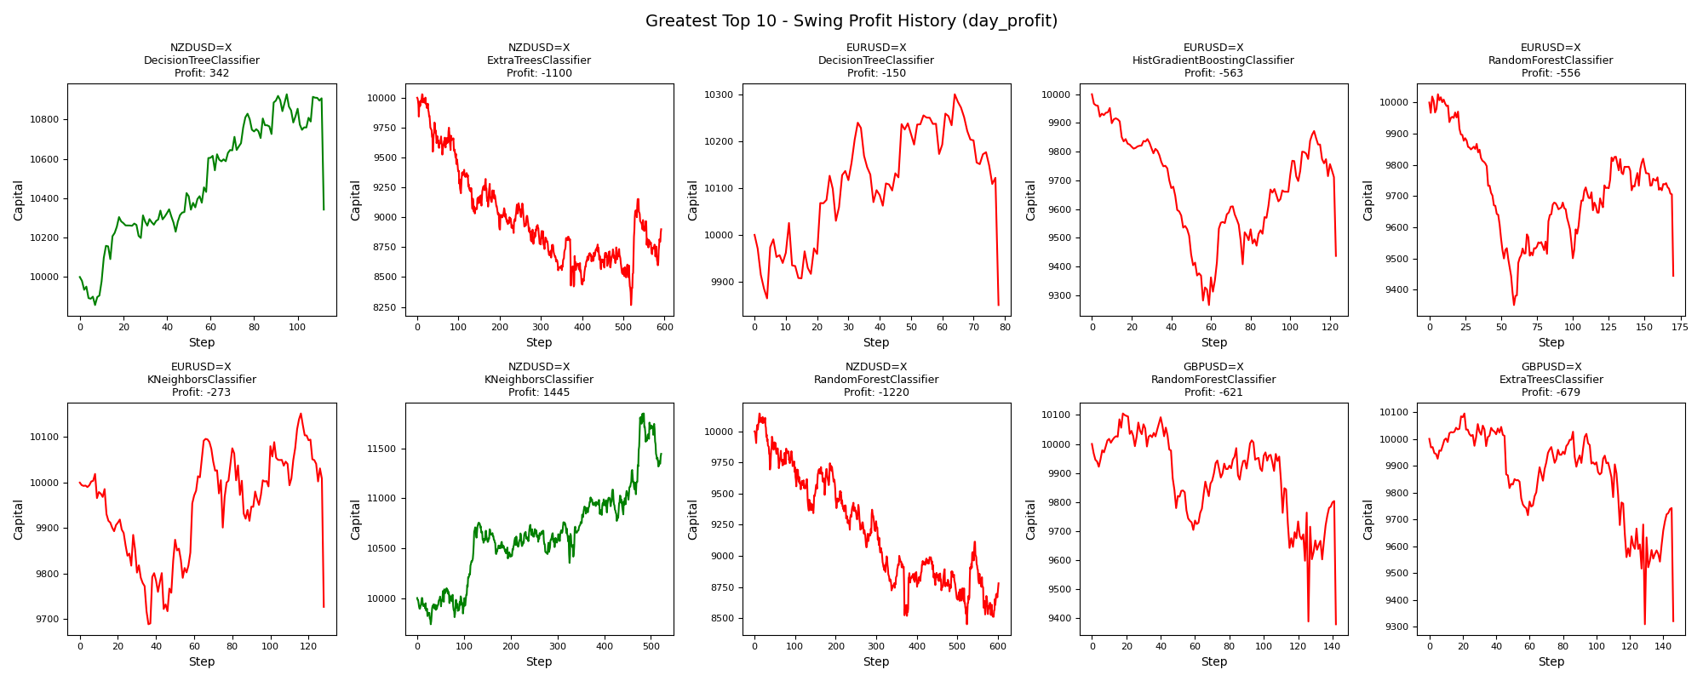
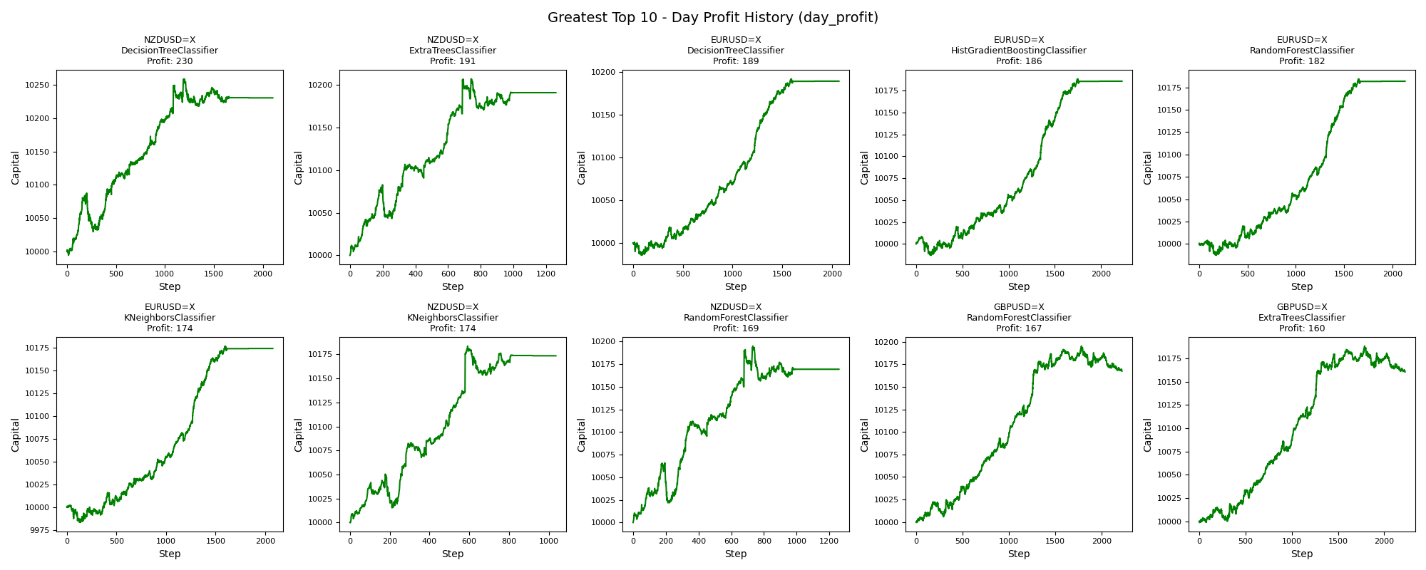
asset | model | duration_years | accuracy | buy_hold_profit | swing_profit | swing_cagr | swing_mdd | swing_max_profit | swing_max_loss | swing_trades | day_profit | day_cagr | day_mdd | day_max_profit | day_max_loss | day_trades
NZDUSD=X | DecisionTreeClassifier | 20 | 0.40469772815 | -2372.1613816 | 342.29546544 | 0.0016842542677 | 0.053592738497 | 927.95447175 | -142.47360336 | 224 | 230.29961429 | 0.0011390869849 | 0.0057072973871 | 258.74536216 | -5.6558562576 | 2101
NZDUSD=X | ExtraTreesClassifier | 20 | 0.49056603774 | -2372.1613816 | -1099.9577787 | -0.0058095127516 | 0.17579129998 | 29.022334009 | -1733.9925397 | 1184 | 191.12595158 | 0.00094706037248 | 0.0039328572789 | 207.2900423 | 0 | 1259
EURUSD=X | DecisionTreeClassifier | 20 | 0.42598303778 | -1862.3329802 | -150.39123829 | -0.00075738095325 | 0.043850115017 | 301.32295826 | -150.39123829 | 156 | 188.98025215 | 0.00093652205529 | 0.0015381849458 | 191.64119657 | -14.504512133 | 2068
EURUSD=X | HistGradientBoostingClassifier | 20 | 0.43369313801 | -1862.3329802 | -563.02647402 | -0.0028932945973 | 0.07341982784 | 0 | -734.1982784 | 246 | 185.84133344 | 0.00092110187509 | 0.0021573583664 | 188.50147852 | -12.970819139 | 2226
EURUSD=X | RandomForestClassifier | 20 | 0.42174248265 | -1862.3329802 | -556.00390376 | -0.002856207612 | 0.067442264903 | 26.549246672 | -649.66394369 | 340 | 181.87094037 | 0.00090159054526 | 0.0016747607716 | 184.53030458 | -12.684578221 | 2129
EURUSD=X | KNeighborsClassifier | 20 | 0.4232845027 | -1862.3329802 | -272.75677147 | -0.0013817726676 | 0.041822979041 | 151.82269639 | -310.96697552 | 256 | 173.971017 | 0.00086274718593 | 0.0018808424421 | 176.62811181 | -16.632809996 | 2077
NZDUSD=X | KNeighborsClassifier | 20 | 0.50096264921 | -2372.1613816 | 1445.232486 | 0.0067722372662 | 0.044864273197 | 1849.7859462 | -262.81420523 | 1044 | 173.58884866 | 0.00086086736498 | 0.0034742856712 | 183.67264114 | 0 | 1036
NZDUSD=X | RandomForestClassifier | 20 | 0.481709665 | -2372.1613816 | -1220.0412279 | -0.0064845530021 | 0.16690229718 | 143.99500772 | -1549.0610616 | 1204 | 169.41748656 | 0.00084034478207 | 0.0043831324562 | 195.0297874 | 0 | 1258
GBPUSD=X | RandomForestClassifier | 20 | 0.505 | -2235.5789639 | -620.73208489 | -0.0031990411513 | 0.071815013838 | 104.95542909 | -620.73208489 | 284 | 167.34862229 | 0.00083016326014 | 0.0027234845974 | 195.11486059 | -0.41296262112 | 2218
GBPUSD=X | ExtraTreesClassifier | 20 | 0.50192307692 | -2235.5789639 | -679.23560582 | -0.0035108450762 | 0.077798632591 | 94.52086155 | -690.81905814 | 292 | 160.34740667 | 0.00079569350334 | 0.002723542252 | 188.09511418 | -1.3153377181 | 2224

Fewest_day_profit
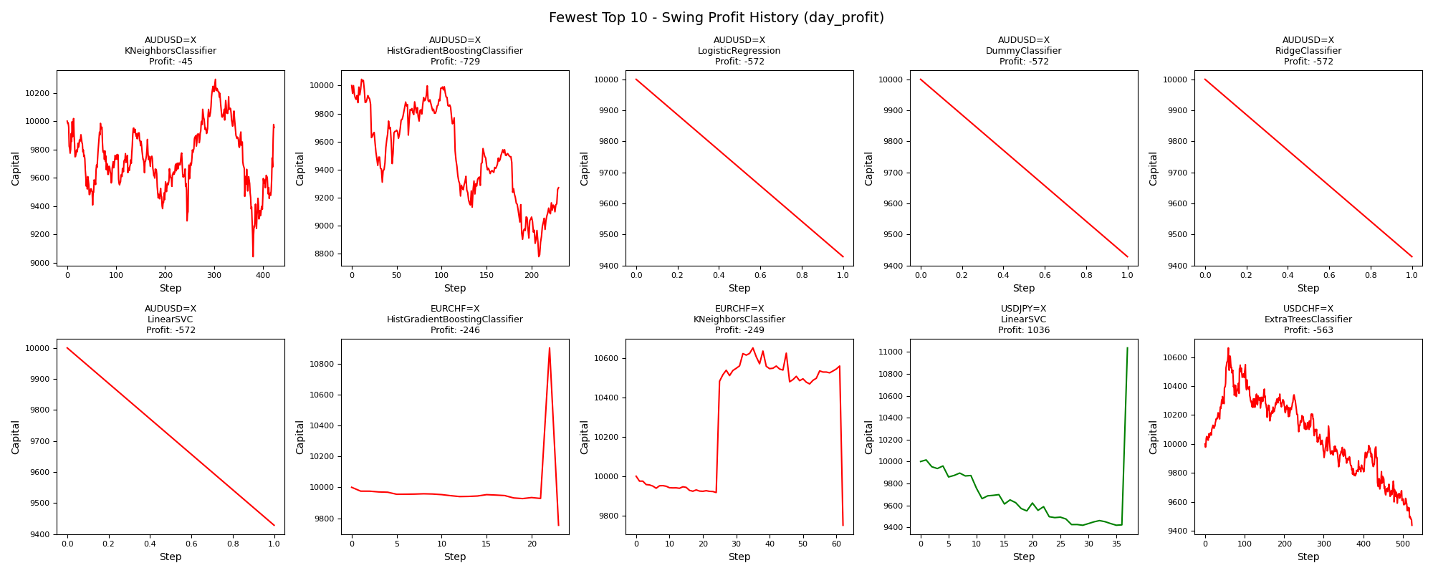
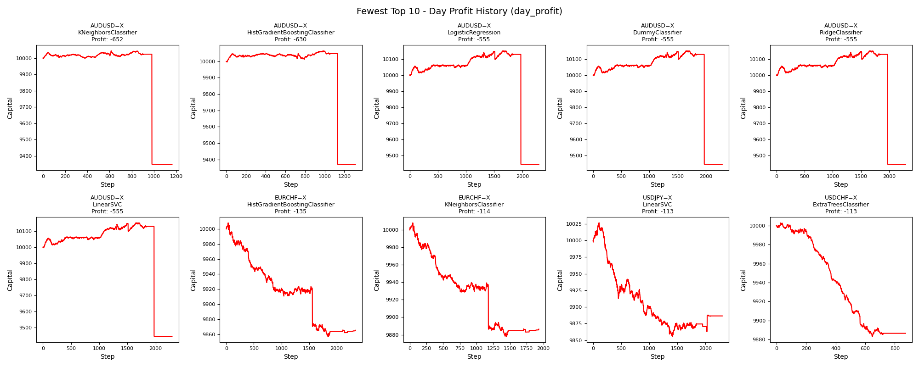
asset | model | duration_years | accuracy | buy_hold_profit | swing_profit | swing_cagr | swing_mdd | swing_max_profit | swing_max_loss | swing_trades | day_profit | day_cagr | day_mdd | day_max_profit | day_max_loss | day_trades
AUDUSD=X | KNeighborsClassifier | 20 | 0.46992153444 | -1022.0470526 | -45.057107319 | -0.00022576911235 | 0.12170929762 | 295.77764066 | -957.31422444 | 846 | -652.25519454 | -0.0033668183167 | 0.069375937344 | 44.598222382 | -652.25519454 | 1162
AUDUSD=X | HistGradientBoostingClassifier | 20 | 0.46425457716 | -1022.0470526 | -729.46753999 | -0.0037800513513 | 0.12609737767 | 44.546829283 | -1222.0441858 | 460 | -630.16741334 | -0.0032492030702 | 0.06905237073 | 64.833178645 | -630.16741334 | 1313
AUDUSD=X | LogisticRegression | 20 | 0.39014821273 | -1022.0470526 | -571.65249962 | -0.0029388855094 | 0.057165249962 | 0 | -571.65249962 | 2 | -554.91952332 | -0.0028504832118 | 0.069517290513 | 150.73185173 | -554.91952332 | 2293
AUDUSD=X | DummyClassifier | 20 | 0.39014821273 | -1022.0470526 | -571.65249962 | -0.0029388855094 | 0.057165249962 | 0 | -571.65249962 | 2 | -554.91952332 | -0.0028504832118 | 0.069517290513 | 150.73185173 | -554.91952332 | 2293
AUDUSD=X | RidgeClassifier | 20 | 0.39014821273 | -1022.0470526 | -571.65249962 | -0.0029388855094 | 0.057165249962 | 0 | -571.65249962 | 2 | -554.91952332 | -0.0028504832118 | 0.069517290513 | 150.73185173 | -554.91952332 | 2293
AUDUSD=X | LinearSVC | 20 | 0.39014821273 | -1022.0470526 | -571.65249962 | -0.0029388855094 | 0.057165249962 | 0 | -571.65249962 | 2 | -554.91952332 | -0.0028504832118 | 0.069517290513 | 150.73185173 | -554.91952332 | 2293
EURCHF=X | HistGradientBoostingClassifier | 20 | 0.37803468208 | -2449.5672287 | -245.59210379 | -0.0012425183455 | 0.10527047243 | 902.07442094 | -245.59210379 | 46 | -134.6632837 | -0.00067766136797 | 0.015101238212 | 8.2086842499 | -142.92765917 | 2341
EURCHF=X | KNeighborsClassifier | 20 | 0.40539499037 | -2449.5672287 | -249.02466267 | -0.0012600943331 | 0.084547007899 | 651.5303587 | -249.02466267 | 124 | -113.72357621 | -0.00057171237839 | 0.013007137211 | 8.1723810225 | -122.00529037 | 1932
USDJPY=X | LinearSVC | 20 | 0.39976869699 | 3522.0656261 | 1036.4758977 | 0.0049432117937 | 0.059514380985 | 1036.4758977 | -581.3479545 | 74 | -113.40917492 | -0.00057012322192 | 0.017035401148 | 26.575726561 | -144.23101308 | 2302
USDCHF=X | ExtraTreesClassifier | 20 | 0.57593233372 | -668.7320553 | -562.74775457 | -0.0028918221489 | 0.11511672025 | 664.96843304 | -562.74775457 | 1046 | -113.39215103 | -0.00057003717523 | 0.011958021432 | 2.9484029952 | -116.6670684 | 873

Greatest_day_cagr


asset | model | duration_years | accuracy | buy_hold_profit | swing_profit | swing_cagr | swing_mdd | swing_max_profit | swing_max_loss | swing_trades | day_profit | day_cagr | day_mdd | day_max_profit | day_max_loss | day_trades
NZDUSD=X | DecisionTreeClassifier | 20 | 0.40469772815 | -2372.1613816 | 342.29546544 | 0.0016842542677 | 0.053592738497 | 927.95447175 | -142.47360336 | 224 | 230.29961429 | 0.0011390869849 | 0.0057072973871 | 258.74536216 | -5.6558562576 | 2101
NZDUSD=X | ExtraTreesClassifier | 20 | 0.49056603774 | -2372.1613816 | -1099.9577787 | -0.0058095127516 | 0.17579129998 | 29.022334009 | -1733.9925397 | 1184 | 191.12595158 | 0.00094706037248 | 0.0039328572789 | 207.2900423 | 0 | 1259
EURUSD=X | DecisionTreeClassifier | 20 | 0.42598303778 | -1862.3329802 | -150.39123829 | -0.00075738095325 | 0.043850115017 | 301.32295826 | -150.39123829 | 156 | 188.98025215 | 0.00093652205529 | 0.0015381849458 | 191.64119657 | -14.504512133 | 2068
EURUSD=X | HistGradientBoostingClassifier | 20 | 0.43369313801 | -1862.3329802 | -563.02647402 | -0.0028932945973 | 0.07341982784 | 0 | -734.1982784 | 246 | 185.84133344 | 0.00092110187509 | 0.0021573583664 | 188.50147852 | -12.970819139 | 2226
EURUSD=X | RandomForestClassifier | 20 | 0.42174248265 | -1862.3329802 | -556.00390376 | -0.002856207612 | 0.067442264903 | 26.549246672 | -649.66394369 | 340 | 181.87094037 | 0.00090159054526 | 0.0016747607716 | 184.53030458 | -12.684578221 | 2129
EURUSD=X | KNeighborsClassifier | 20 | 0.4232845027 | -1862.3329802 | -272.75677147 | -0.0013817726676 | 0.041822979041 | 151.82269639 | -310.96697552 | 256 | 173.971017 | 0.00086274718593 | 0.0018808424421 | 176.62811181 | -16.632809996 | 2077
NZDUSD=X | KNeighborsClassifier | 20 | 0.50096264921 | -2372.1613816 | 1445.232486 | 0.0067722372662 | 0.044864273197 | 1849.7859462 | -262.81420523 | 1044 | 173.58884866 | 0.00086086736498 | 0.0034742856712 | 183.67264114 | 0 | 1036
NZDUSD=X | RandomForestClassifier | 20 | 0.481709665 | -2372.1613816 | -1220.0412279 | -0.0064845530021 | 0.16690229718 | 143.99500772 | -1549.0610616 | 1204 | 169.41748656 | 0.00084034478207 | 0.0043831324562 | 195.0297874 | 0 | 1258
GBPUSD=X | RandomForestClassifier | 20 | 0.505 | -2235.5789639 | -620.73208489 | -0.0031990411513 | 0.071815013838 | 104.95542909 | -620.73208489 | 284 | 167.34862229 | 0.00083016326014 | 0.0027234845974 | 195.11486059 | -0.41296262112 | 2218
GBPUSD=X | ExtraTreesClassifier | 20 | 0.50192307692 | -2235.5789639 | -679.23560582 | -0.0035108450762 | 0.077798632591 | 94.52086155 | -690.81905814 | 292 | 160.34740667 | 0.00079569350334 | 0.002723542252 | 188.09511418 | -1.3153377181 | 2224

Fewest_day_cagr
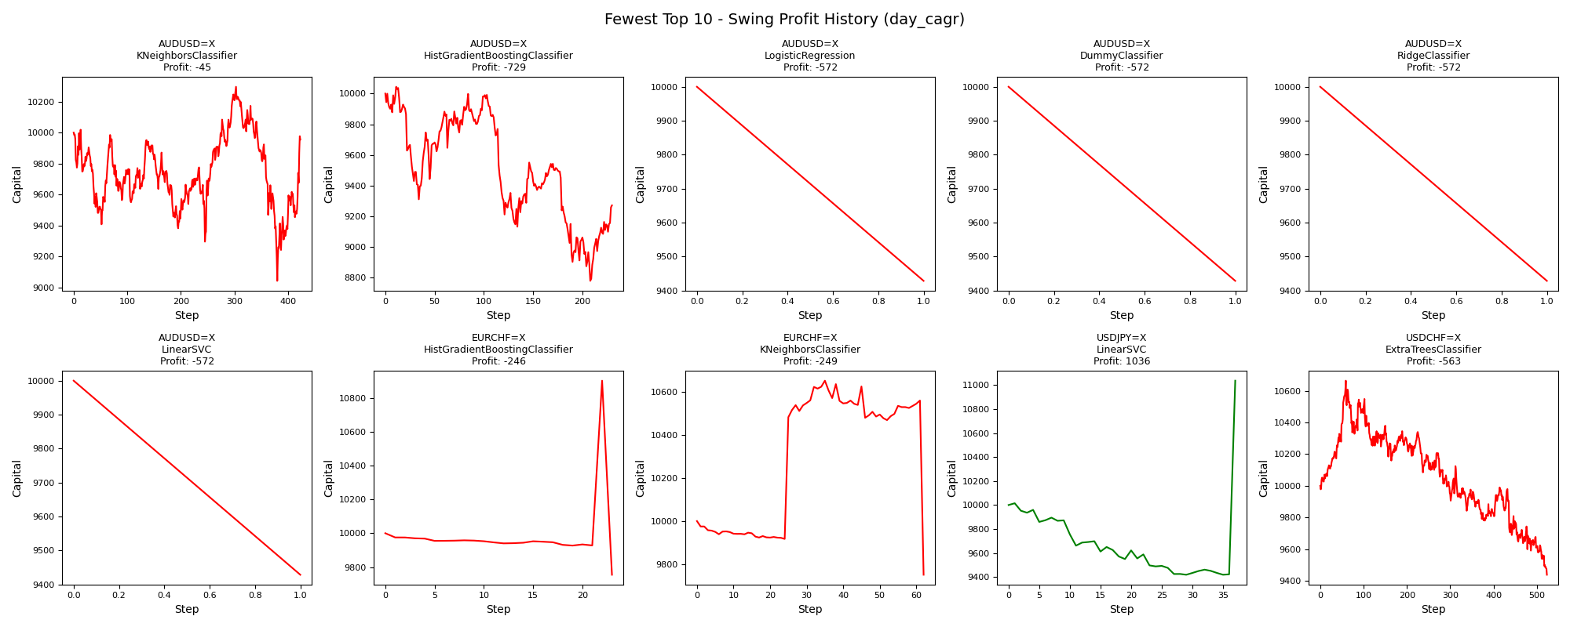

asset | model | duration_years | accuracy | buy_hold_profit | swing_profit | swing_cagr | swing_mdd | swing_max_profit | swing_max_loss | swing_trades | day_profit | day_cagr | day_mdd | day_max_profit | day_max_loss | day_trades
AUDUSD=X | KNeighborsClassifier | 20 | 0.46992153444 | -1022.0470526 | -45.057107319 | -0.00022576911235 | 0.12170929762 | 295.77764066 | -957.31422444 | 846 | -652.25519454 | -0.0033668183167 | 0.069375937344 | 44.598222382 | -652.25519454 | 1162
AUDUSD=X | HistGradientBoostingClassifier | 20 | 0.46425457716 | -1022.0470526 | -729.46753999 | -0.0037800513513 | 0.12609737767 | 44.546829283 | -1222.0441858 | 460 | -630.16741334 | -0.0032492030702 | 0.06905237073 | 64.833178645 | -630.16741334 | 1313
AUDUSD=X | LogisticRegression | 20 | 0.39014821273 | -1022.0470526 | -571.65249962 | -0.0029388855094 | 0.057165249962 | 0 | -571.65249962 | 2 | -554.91952332 | -0.0028504832118 | 0.069517290513 | 150.73185173 | -554.91952332 | 2293
AUDUSD=X | DummyClassifier | 20 | 0.39014821273 | -1022.0470526 | -571.65249962 | -0.0029388855094 | 0.057165249962 | 0 | -571.65249962 | 2 | -554.91952332 | -0.0028504832118 | 0.069517290513 | 150.73185173 | -554.91952332 | 2293
AUDUSD=X | RidgeClassifier | 20 | 0.39014821273 | -1022.0470526 | -571.65249962 | -0.0029388855094 | 0.057165249962 | 0 | -571.65249962 | 2 | -554.91952332 | -0.0028504832118 | 0.069517290513 | 150.73185173 | -554.91952332 | 2293
AUDUSD=X | LinearSVC | 20 | 0.39014821273 | -1022.0470526 | -571.65249962 | -0.0029388855094 | 0.057165249962 | 0 | -571.65249962 | 2 | -554.91952332 | -0.0028504832118 | 0.069517290513 | 150.73185173 | -554.91952332 | 2293
EURCHF=X | HistGradientBoostingClassifier | 20 | 0.37803468208 | -2449.5672287 | -245.59210379 | -0.0012425183455 | 0.10527047243 | 902.07442094 | -245.59210379 | 46 | -134.6632837 | -0.00067766136797 | 0.015101238212 | 8.2086842499 | -142.92765917 | 2341
EURCHF=X | KNeighborsClassifier | 20 | 0.40539499037 | -2449.5672287 | -249.02466267 | -0.0012600943331 | 0.084547007899 | 651.5303587 | -249.02466267 | 124 | -113.72357621 | -0.00057171237839 | 0.013007137211 | 8.1723810225 | -122.00529037 | 1932
USDJPY=X | LinearSVC | 20 | 0.39976869699 | 3522.0656261 | 1036.4758977 | 0.0049432117937 | 0.059514380985 | 1036.4758977 | -581.3479545 | 74 | -113.40917492 | -0.00057012322192 | 0.017035401148 | 26.575726561 | -144.23101308 | 2302
USDCHF=X | ExtraTreesClassifier | 20 | 0.57593233372 | -668.7320553 | -562.74775457 | -0.0028918221489 | 0.11511672025 | 664.96843304 | -562.74775457 | 1046 | -113.39215103 | -0.00057003717523 | 0.011958021432 | 2.9484029952 | -116.6670684 | 873

Greatest_day_mdd
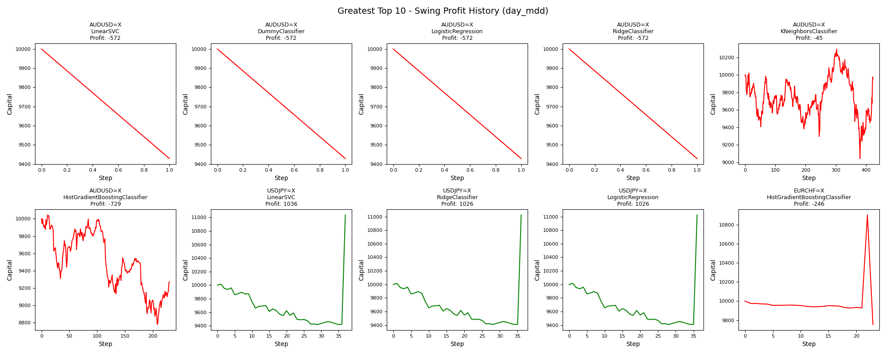
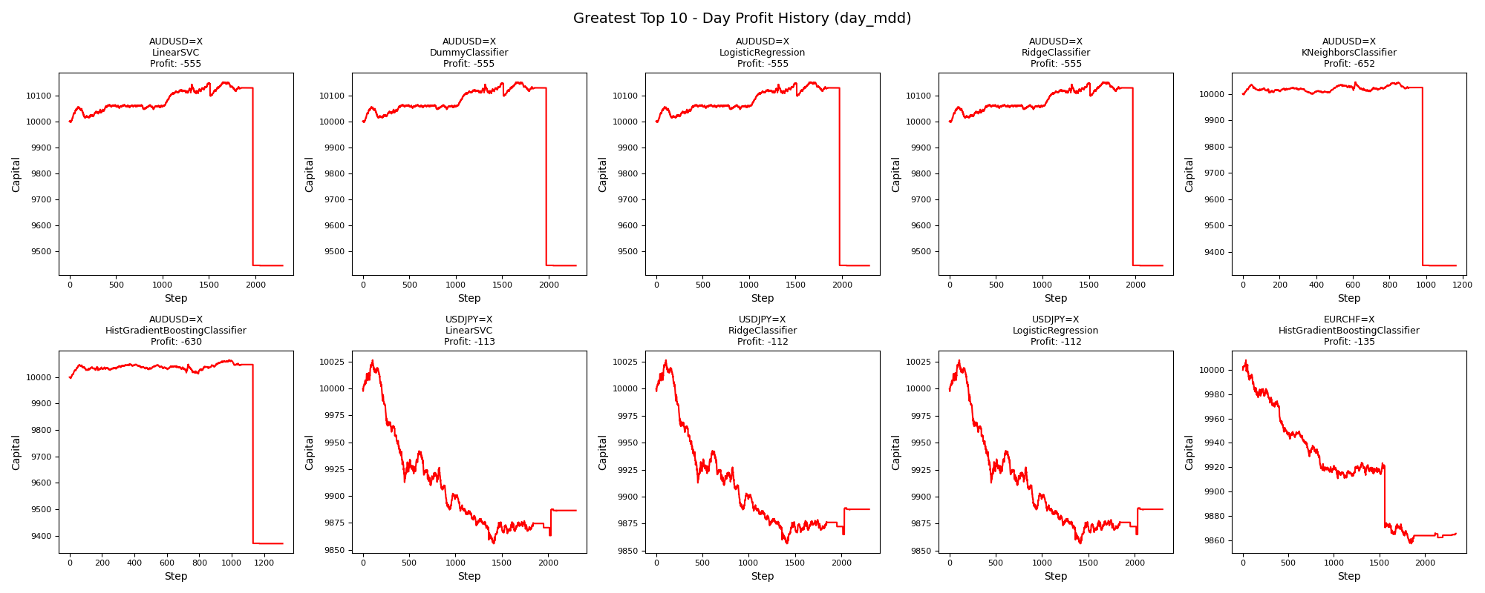
asset | model | duration_years | accuracy | buy_hold_profit | swing_profit | swing_cagr | swing_mdd | swing_max_profit | swing_max_loss | swing_trades | day_profit | day_cagr | day_mdd | day_max_profit | day_max_loss | day_trades
AUDUSD=X | LinearSVC | 20 | 0.39014821273 | -1022.0470526 | -571.65249962 | -0.0029388855094 | 0.057165249962 | 0 | -571.65249962 | 2 | -554.91952332 | -0.0028504832118 | 0.069517290513 | 150.73185173 | -554.91952332 | 2293
AUDUSD=X | DummyClassifier | 20 | 0.39014821273 | -1022.0470526 | -571.65249962 | -0.0029388855094 | 0.057165249962 | 0 | -571.65249962 | 2 | -554.91952332 | -0.0028504832118 | 0.069517290513 | 150.73185173 | -554.91952332 | 2293
AUDUSD=X | LogisticRegression | 20 | 0.39014821273 | -1022.0470526 | -571.65249962 | -0.0029388855094 | 0.057165249962 | 0 | -571.65249962 | 2 | -554.91952332 | -0.0028504832118 | 0.069517290513 | 150.73185173 | -554.91952332 | 2293
AUDUSD=X | RidgeClassifier | 20 | 0.39014821273 | -1022.0470526 | -571.65249962 | -0.0029388855094 | 0.057165249962 | 0 | -571.65249962 | 2 | -554.91952332 | -0.0028504832118 | 0.069517290513 | 150.73185173 | -554.91952332 | 2293
AUDUSD=X | KNeighborsClassifier | 20 | 0.46992153444 | -1022.0470526 | -45.057107319 | -0.00022576911235 | 0.12170929762 | 295.77764066 | -957.31422444 | 846 | -652.25519454 | -0.0033668183167 | 0.069375937344 | 44.598222382 | -652.25519454 | 1162
AUDUSD=X | HistGradientBoostingClassifier | 20 | 0.46425457716 | -1022.0470526 | -729.46753999 | -0.0037800513513 | 0.12609737767 | 44.546829283 | -1222.0441858 | 460 | -630.16741334 | -0.0032492030702 | 0.06905237073 | 64.833178645 | -630.16741334 | 1313
USDJPY=X | LinearSVC | 20 | 0.39976869699 | 3522.0656261 | 1036.4758977 | 0.0049432117937 | 0.059514380985 | 1036.4758977 | -581.3479545 | 74 | -113.40917492 | -0.00057012322192 | 0.017035401148 | 26.575726561 | -144.23101308 | 2302
USDJPY=X | RidgeClassifier | 20 | 0.40053970702 | 3522.0656261 | 1025.7103709 | 0.0048941754929 | 0.060589356801 | 1025.7103709 | -592.11348134 | 72 | -111.67720854 | -0.00056136977521 | 0.016956621371 | 26.575726561 | -143.44112168 | 2304
USDJPY=X | LogisticRegression | 20 | 0.40053970702 | 3522.0656261 | 1025.7103709 | 0.0048941754929 | 0.060589356801 | 1025.7103709 | -592.11348134 | 72 | -111.67720854 | -0.00056136977521 | 0.016956621371 | 26.575726561 | -143.44112168 | 2304
EURCHF=X | HistGradientBoostingClassifier | 20 | 0.37803468208 | -2449.5672287 | -245.59210379 | -0.0012425183455 | 0.10527047243 | 902.07442094 | -245.59210379 | 46 | -134.6632837 | -0.00067766136797 | 0.015101238212 | 8.2086842499 | -142.92765917 | 2341

Fewest_day_mdd
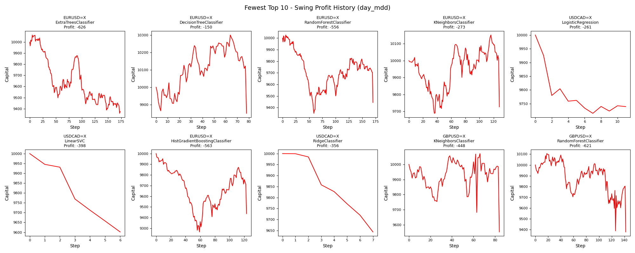
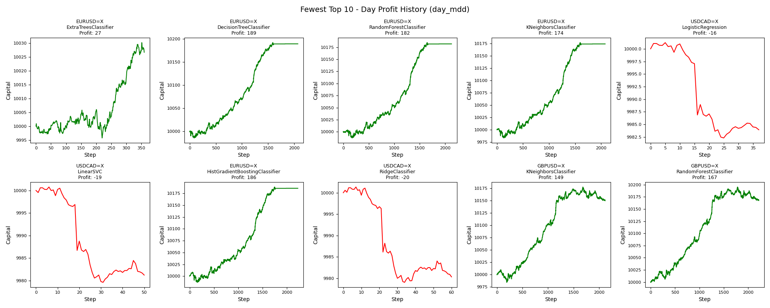
asset | model | duration_years | accuracy | buy_hold_profit | swing_profit | swing_cagr | swing_mdd | swing_max_profit | swing_max_loss | swing_trades | day_profit | day_cagr | day_mdd | day_max_profit | day_max_loss | day_trades
EURUSD=X | ExtraTreesClassifier | 20 | 0.56283731689 | -1862.3329802 | -625.9981749 | -0.0032270318435 | 0.070226927899 | 64.593924545 | -642.21158733 | 346 | 26.635021054 | 0.00013300690811 | 0.0010235230019 | 30.111649751 | -4.2550944342 | 360
EURUSD=X | DecisionTreeClassifier | 20 | 0.42598303778 | -1862.3329802 | -150.39123829 | -0.00075738095325 | 0.043850115017 | 301.32295826 | -150.39123829 | 156 | 188.98025215 | 0.00093652205529 | 0.0015381849458 | 191.64119657 | -14.504512133 | 2068
EURUSD=X | RandomForestClassifier | 20 | 0.42174248265 | -1862.3329802 | -556.00390376 | -0.002856207612 | 0.067442264903 | 26.549246672 | -649.66394369 | 340 | 181.87094037 | 0.00090159054526 | 0.0016747607716 | 184.53030458 | -12.684578221 | 2129
EURUSD=X | KNeighborsClassifier | 20 | 0.4232845027 | -1862.3329802 | -272.75677147 | -0.0013817726676 | 0.041822979041 | 151.82269639 | -310.96697552 | 256 | 173.971017 | 0.00086274718593 | 0.0018808424421 | 176.62811181 | -16.632809996 | 2077
USDCAD=X | LogisticRegression | 20 | 0.65757109915 | 2444.8287285 | -260.6101644 | -0.0013194598722 | 0.028517322962 | 0 | -285.17322962 | 22 | -16.078732709 | -8.0455127632E-05 | 0.001893007071 | 1.2300088514 | -17.702390274 | 37
USDCAD=X | LinearSVC | 20 | 0.65564950038 | 2444.8287285 | -398.01265597 | -0.0020286894693 | 0.039801265597 | 0 | -398.01265597 | 12 | -18.770724821 | -9.3937407122E-05 | 0.0021151471402 | 0.76900170447 | -20.384096249 | 50
EURUSD=X | HistGradientBoostingClassifier | 20 | 0.43369313801 | -1862.3329802 | -563.02647402 | -0.0028932945973 | 0.07341982784 | 0 | -734.1982784 | 246 | 185.84133344 | 0.00092110187509 | 0.0021573583664 | 188.50147852 | -12.970819139 | 2226
USDCAD=X | RidgeClassifier | 20 | 0.65488086088 | 2444.8287285 | -356.29767337 | -0.0018123556627 | 0.035629767337 | 0 | -356.29767337 | 14 | -19.670943757 | -9.8446736141E-05 | 0.0022286037702 | 1.3375097398 | -20.951508742 | 60
GBPUSD=X | KNeighborsClassifier | 20 | 0.50269230769 | -2235.5789639 | -447.60155227 | -0.0022870219548 | 0.051551359634 | 71.603291076 | -447.60155227 | 168 | 149.49727893 | 0.00074222942094 | 0.0027233123462 | 177.21300877 | -15.697810817 | 2120
GBPUSD=X | RandomForestClassifier | 20 | 0.505 | -2235.5789639 | -620.73208489 | -0.0031990411513 | 0.071815013838 | 104.95542909 | -620.73208489 | 284 | 167.34862229 | 0.00083016326014 | 0.0027234845974 | 195.11486059 | -0.41296262112 | 2218

Greatest_day_max_profit
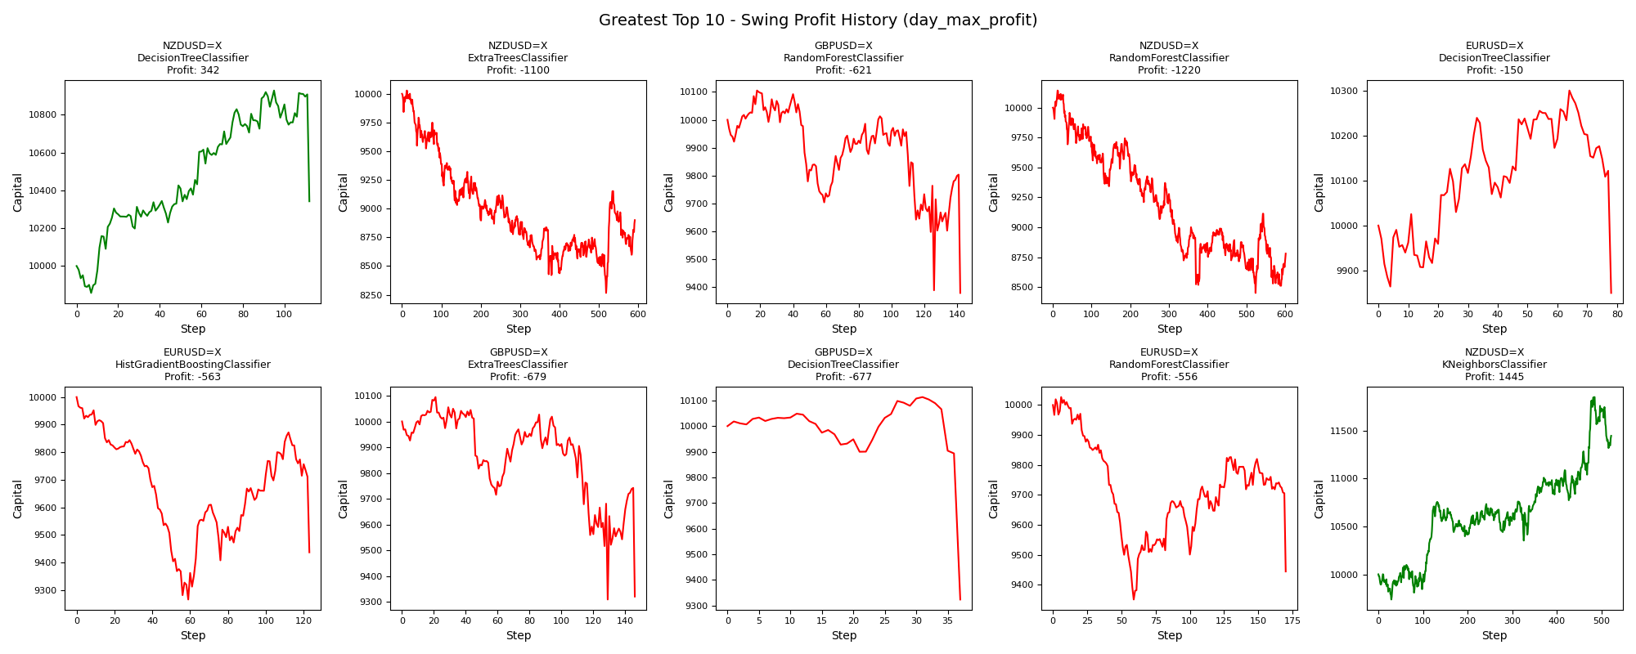
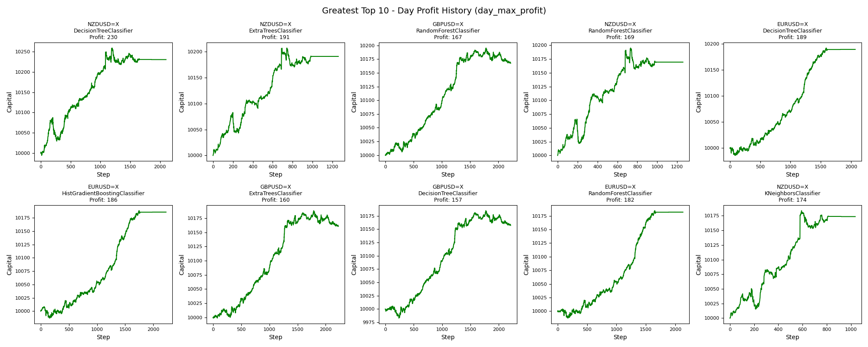
asset | model | duration_years | accuracy | buy_hold_profit | swing_profit | swing_cagr | swing_mdd | swing_max_profit | swing_max_loss | swing_trades | day_profit | day_cagr | day_mdd | day_max_profit | day_max_loss | day_trades
NZDUSD=X | DecisionTreeClassifier | 20 | 0.40469772815 | -2372.1613816 | 342.29546544 | 0.0016842542677 | 0.053592738497 | 927.95447175 | -142.47360336 | 224 | 230.29961429 | 0.0011390869849 | 0.0057072973871 | 258.74536216 | -5.6558562576 | 2101
NZDUSD=X | ExtraTreesClassifier | 20 | 0.49056603774 | -2372.1613816 | -1099.9577787 | -0.0058095127516 | 0.17579129998 | 29.022334009 | -1733.9925397 | 1184 | 191.12595158 | 0.00094706037248 | 0.0039328572789 | 207.2900423 | 0 | 1259
GBPUSD=X | RandomForestClassifier | 20 | 0.505 | -2235.5789639 | -620.73208489 | -0.0031990411513 | 0.071815013838 | 104.95542909 | -620.73208489 | 284 | 167.34862229 | 0.00083016326014 | 0.0027234845974 | 195.11486059 | -0.41296262112 | 2218
NZDUSD=X | RandomForestClassifier | 20 | 0.481709665 | -2372.1613816 | -1220.0412279 | -0.0064845530021 | 0.16690229718 | 143.99500772 | -1549.0610616 | 1204 | 169.41748656 | 0.00084034478207 | 0.0043831324562 | 195.0297874 | 0 | 1258
EURUSD=X | DecisionTreeClassifier | 20 | 0.42598303778 | -1862.3329802 | -150.39123829 | -0.00075738095325 | 0.043850115017 | 301.32295826 | -150.39123829 | 156 | 188.98025215 | 0.00093652205529 | 0.0015381849458 | 191.64119657 | -14.504512133 | 2068
EURUSD=X | HistGradientBoostingClassifier | 20 | 0.43369313801 | -1862.3329802 | -563.02647402 | -0.0028932945973 | 0.07341982784 | 0 | -734.1982784 | 246 | 185.84133344 | 0.00092110187509 | 0.0021573583664 | 188.50147852 | -12.970819139 | 2226
GBPUSD=X | ExtraTreesClassifier | 20 | 0.50192307692 | -2235.5789639 | -679.23560582 | -0.0035108450762 | 0.077798632591 | 94.52086155 | -690.81905814 | 292 | 160.34740667 | 0.00079569350334 | 0.002723542252 | 188.09511418 | -1.3153377181 | 2224
GBPUSD=X | DecisionTreeClassifier | 20 | 0.50846153846 | -2235.5789639 | -677.00634213 | -0.0034989298262 | 0.078151183095 | 113.36510598 | -677.00634213 | 74 | 157.14218883 | 0.00077990541634 | 0.0027235234617 | 184.88095106 | -17.160345247 | 2209
EURUSD=X | RandomForestClassifier | 20 | 0.42174248265 | -1862.3329802 | -556.00390376 | -0.002856207612 | 0.067442264903 | 26.549246672 | -649.66394369 | 340 | 181.87094037 | 0.00090159054526 | 0.0016747607716 | 184.53030458 | -12.684578221 | 2129
NZDUSD=X | KNeighborsClassifier | 20 | 0.50096264921 | -2372.1613816 | 1445.232486 | 0.0067722372662 | 0.044864273197 | 1849.7859462 | -262.81420523 | 1044 | 173.58884866 | 0.00086086736498 | 0.0034742856712 | 183.67264114 | 0 | 1036

Fewest_day_max_profit


asset | model | duration_years | accuracy | buy_hold_profit | swing_profit | swing_cagr | swing_mdd | swing_max_profit | swing_max_loss | swing_trades | day_profit | day_cagr | day_mdd | day_max_profit | day_max_loss | day_trades
USDJPY=X | DummyClassifier | 20 | 0.61141094834 | 3522.0656261 | 0 | 0 |  | 0 | 0 | 0 | 0 | 0 |  | 0 | 0 | 0
EURUSD=X | RidgeClassifier | 20 | 0.56823438705 | -1862.3329802 | 0 | 0 |  | 0 | 0 | 0 | 0 | 0 |  | 0 | 0 | 0
EURUSD=X | LogisticRegression | 20 | 0.56823438705 | -1862.3329802 | 0 | 0 |  | 0 | 0 | 0 | 0 | 0 |  | 0 | 0 | 0
EURUSD=X | DummyClassifier | 20 | 0.56823438705 | -1862.3329802 | 0 | 0 |  | 0 | 0 | 0 | 0 | 0 |  | 0 | 0 | 0
GBPUSD=X | RidgeClassifier | 20 | 0.49615384615 | -2235.5789639 | 0 | 0 |  | 0 | 0 | 0 | 0 | 0 |  | 0 | 0 | 0
GBPUSD=X | LogisticRegression | 20 | 0.49615384615 | -2235.5789639 | 0 | 0 |  | 0 | 0 | 0 | 0 | 0 |  | 0 | 0 | 0
GBPUSD=X | DummyClassifier | 20 | 0.49615384615 | -2235.5789639 | 0 | 0 |  | 0 | 0 | 0 | 0 | 0 |  | 0 | 0 | 0
EURUSD=X | LinearSVC | 20 | 0.56823438705 | -1862.3329802 | 0 | 0 |  | 0 | 0 | 0 | 0 | 0 |  | 0 | 0 | 0
GBPUSD=X | LinearSVC | 20 | 0.49615384615 | -2235.5789639 | 0 | 0 |  | 0 | 0 | 0 | 0 | 0 |  | 0 | 0 | 0
USDCHF=X | RidgeClassifier | 20 | 0.69511726259 | -668.7320553 | 0 | 0 |  | 0 | 0 | 0 | 0 | 0 |  | 0 | 0 | 0

Greatest_day_max_loss
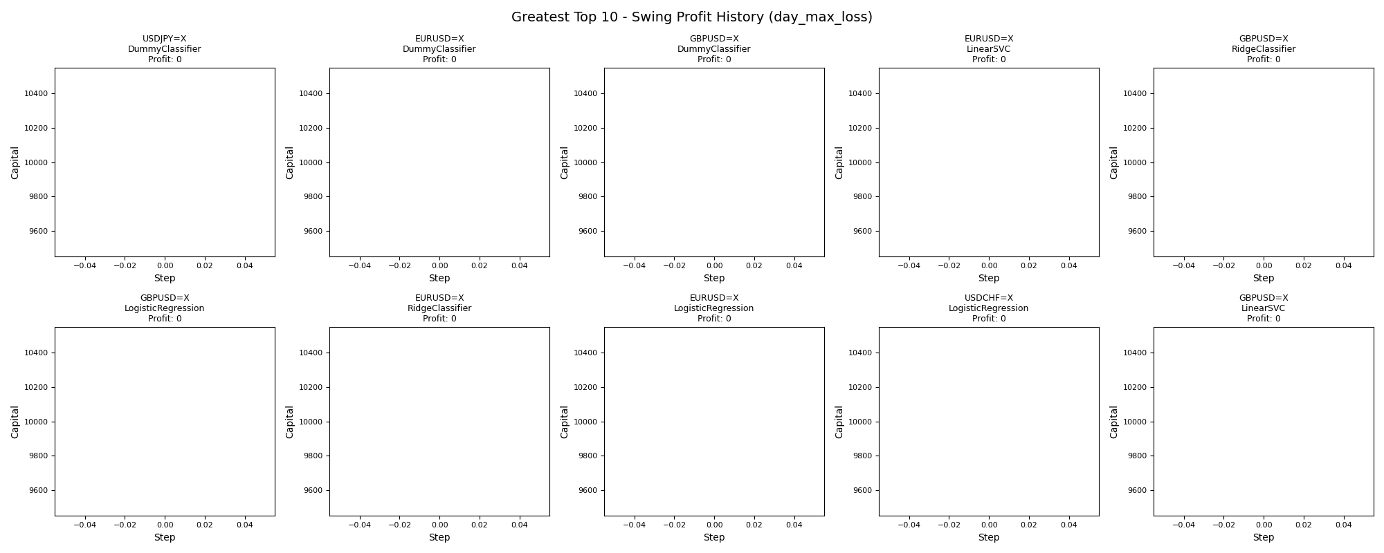

asset | model | duration_years | accuracy | buy_hold_profit | swing_profit | swing_cagr | swing_mdd | swing_max_profit | swing_max_loss | swing_trades | day_profit | day_cagr | day_mdd | day_max_profit | day_max_loss | day_trades
USDJPY=X | DummyClassifier | 20 | 0.61141094834 | 3522.0656261 | 0 | 0 |  | 0 | 0 | 0 | 0 | 0 |  | 0 | 0 | 0
EURUSD=X | DummyClassifier | 20 | 0.56823438705 | -1862.3329802 | 0 | 0 |  | 0 | 0 | 0 | 0 | 0 |  | 0 | 0 | 0
GBPUSD=X | DummyClassifier | 20 | 0.49615384615 | -2235.5789639 | 0 | 0 |  | 0 | 0 | 0 | 0 | 0 |  | 0 | 0 | 0
EURUSD=X | LinearSVC | 20 | 0.56823438705 | -1862.3329802 | 0 | 0 |  | 0 | 0 | 0 | 0 | 0 |  | 0 | 0 | 0
GBPUSD=X | RidgeClassifier | 20 | 0.49615384615 | -2235.5789639 | 0 | 0 |  | 0 | 0 | 0 | 0 | 0 |  | 0 | 0 | 0
GBPUSD=X | LogisticRegression | 20 | 0.49615384615 | -2235.5789639 | 0 | 0 |  | 0 | 0 | 0 | 0 | 0 |  | 0 | 0 | 0
EURUSD=X | RidgeClassifier | 20 | 0.56823438705 | -1862.3329802 | 0 | 0 |  | 0 | 0 | 0 | 0 | 0 |  | 0 | 0 | 0
EURUSD=X | LogisticRegression | 20 | 0.56823438705 | -1862.3329802 | 0 | 0 |  | 0 | 0 | 0 | 0 | 0 |  | 0 | 0 | 0
USDCHF=X | LogisticRegression | 20 | 0.69511726259 | -668.7320553 | 0 | 0 |  | 0 | 0 | 0 | 0 | 0 |  | 0 | 0 | 0
GBPUSD=X | LinearSVC | 20 | 0.49615384615 | -2235.5789639 | 0 | 0 |  | 0 | 0 | 0 | 0 | 0 |  | 0 | 0 | 0

Fewest_day_max_loss
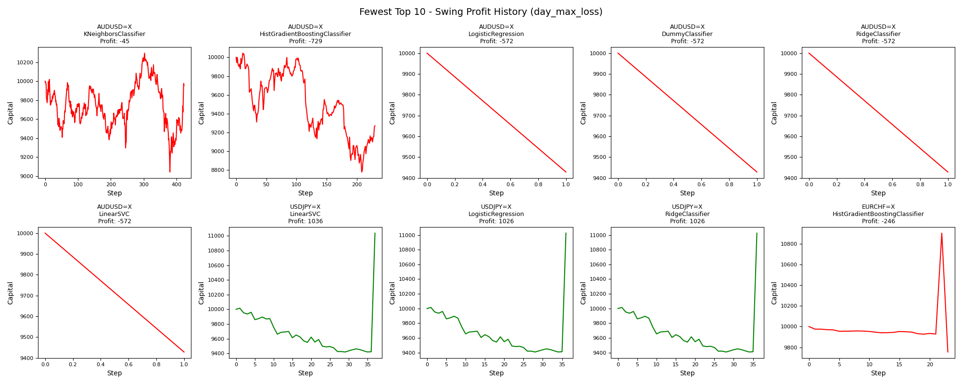
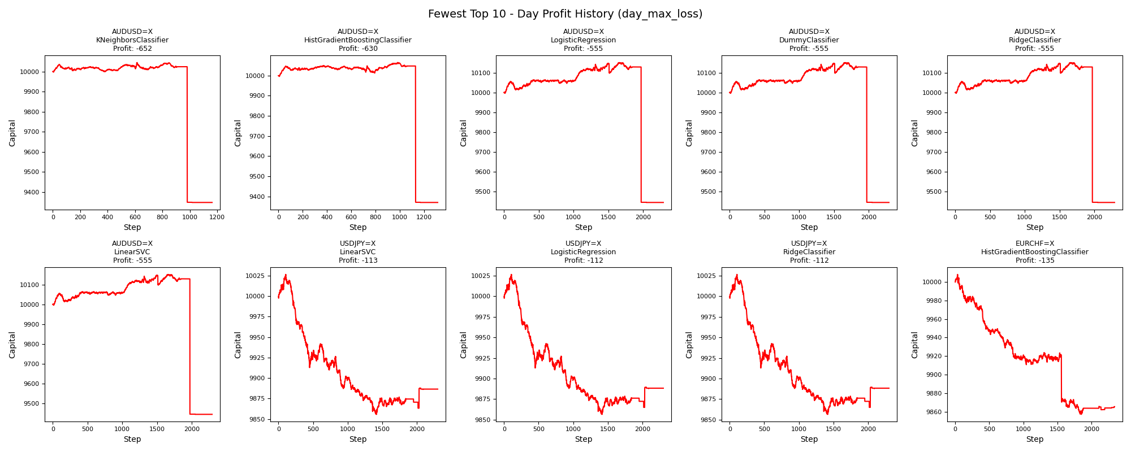
asset | model | duration_years | accuracy | buy_hold_profit | swing_profit | swing_cagr | swing_mdd | swing_max_profit | swing_max_loss | swing_trades | day_profit | day_cagr | day_mdd | day_max_profit | day_max_loss | day_trades
AUDUSD=X | KNeighborsClassifier | 20 | 0.46992153444 | -1022.0470526 | -45.057107319 | -0.00022576911235 | 0.12170929762 | 295.77764066 | -957.31422444 | 846 | -652.25519454 | -0.0033668183167 | 0.069375937344 | 44.598222382 | -652.25519454 | 1162
AUDUSD=X | HistGradientBoostingClassifier | 20 | 0.46425457716 | -1022.0470526 | -729.46753999 | -0.0037800513513 | 0.12609737767 | 44.546829283 | -1222.0441858 | 460 | -630.16741334 | -0.0032492030702 | 0.06905237073 | 64.833178645 | -630.16741334 | 1313
AUDUSD=X | LogisticRegression | 20 | 0.39014821273 | -1022.0470526 | -571.65249962 | -0.0029388855094 | 0.057165249962 | 0 | -571.65249962 | 2 | -554.91952332 | -0.0028504832118 | 0.069517290513 | 150.73185173 | -554.91952332 | 2293
AUDUSD=X | DummyClassifier | 20 | 0.39014821273 | -1022.0470526 | -571.65249962 | -0.0029388855094 | 0.057165249962 | 0 | -571.65249962 | 2 | -554.91952332 | -0.0028504832118 | 0.069517290513 | 150.73185173 | -554.91952332 | 2293
AUDUSD=X | RidgeClassifier | 20 | 0.39014821273 | -1022.0470526 | -571.65249962 | -0.0029388855094 | 0.057165249962 | 0 | -571.65249962 | 2 | -554.91952332 | -0.0028504832118 | 0.069517290513 | 150.73185173 | -554.91952332 | 2293
AUDUSD=X | LinearSVC | 20 | 0.39014821273 | -1022.0470526 | -571.65249962 | -0.0029388855094 | 0.057165249962 | 0 | -571.65249962 | 2 | -554.91952332 | -0.0028504832118 | 0.069517290513 | 150.73185173 | -554.91952332 | 2293
USDJPY=X | LinearSVC | 20 | 0.39976869699 | 3522.0656261 | 1036.4758977 | 0.0049432117937 | 0.059514380985 | 1036.4758977 | -581.3479545 | 74 | -113.40917492 | -0.00057012322192 | 0.017035401148 | 26.575726561 | -144.23101308 | 2302
USDJPY=X | LogisticRegression | 20 | 0.40053970702 | 3522.0656261 | 1025.7103709 | 0.0048941754929 | 0.060589356801 | 1025.7103709 | -592.11348134 | 72 | -111.67720854 | -0.00056136977521 | 0.016956621371 | 26.575726561 | -143.44112168 | 2304
USDJPY=X | RidgeClassifier | 20 | 0.40053970702 | 3522.0656261 | 1025.7103709 | 0.0048941754929 | 0.060589356801 | 1025.7103709 | -592.11348134 | 72 | -111.67720854 | -0.00056136977521 | 0.016956621371 | 26.575726561 | -143.44112168 | 2304
EURCHF=X | HistGradientBoostingClassifier | 20 | 0.37803468208 | -2449.5672287 | -245.59210379 | -0.0012425183455 | 0.10527047243 | 902.07442094 | -245.59210379 | 46 | -134.6632837 | -0.00067766136797 | 0.015101238212 | 8.2086842499 | -142.92765917 | 2341

Greatest_day_trades
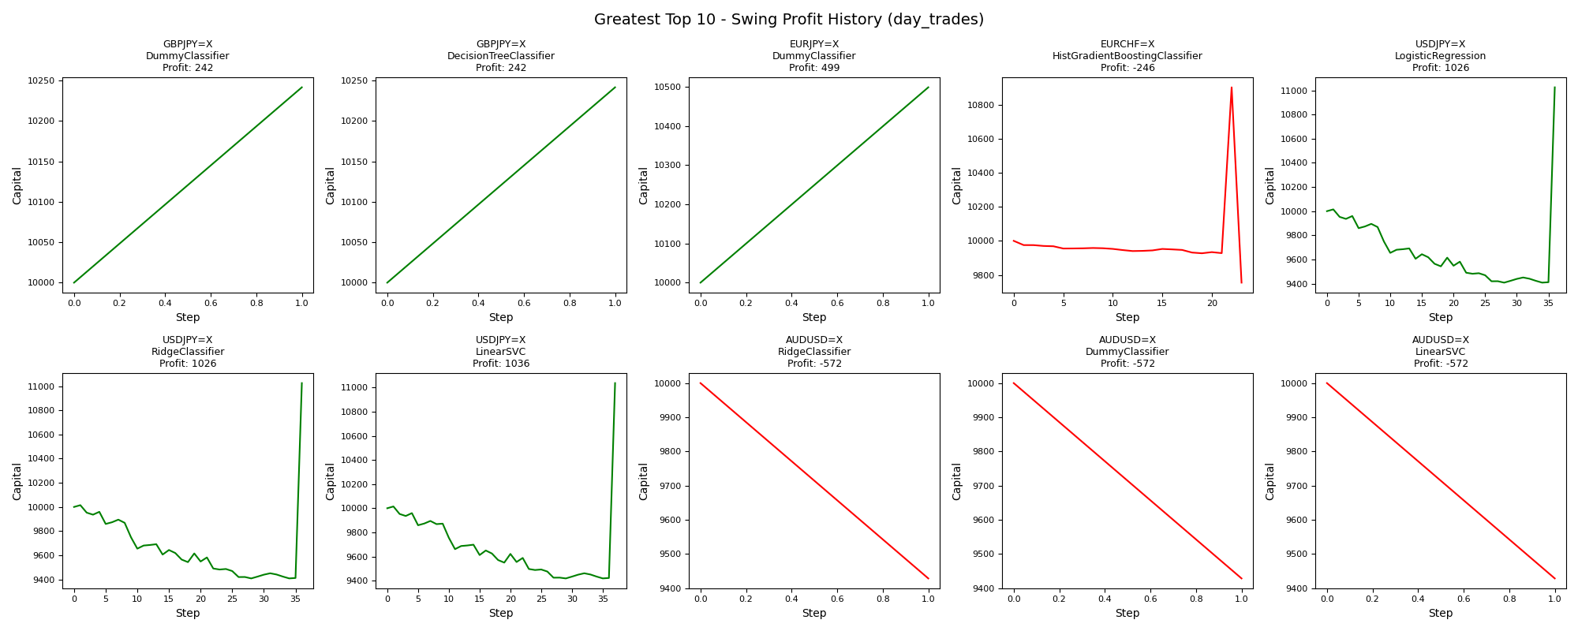
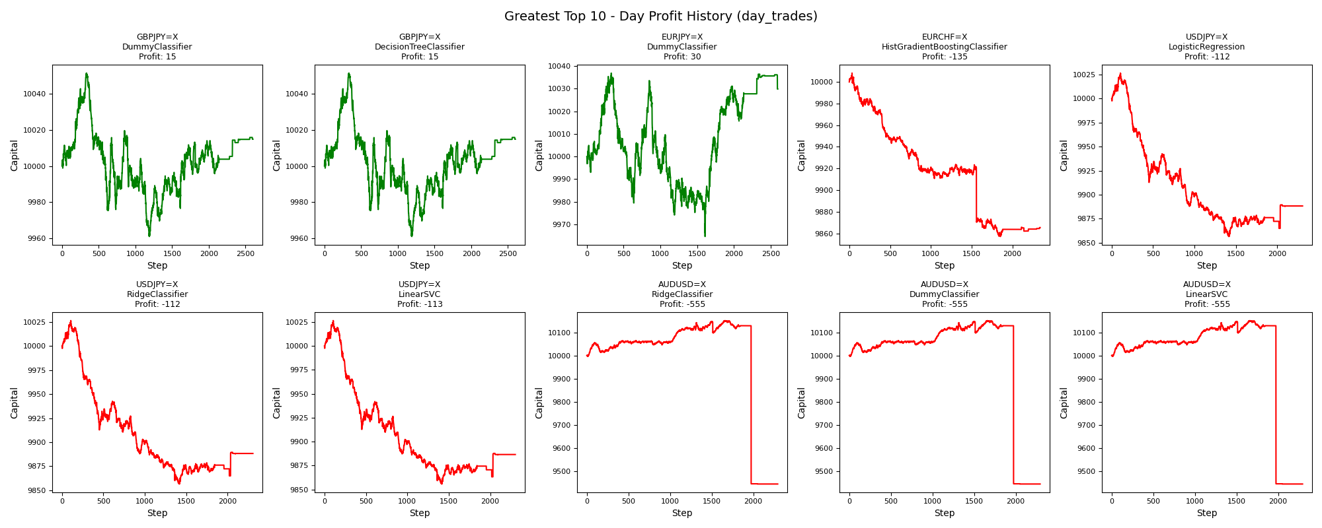
asset | model | duration_years | accuracy | buy_hold_profit | swing_profit | swing_cagr | swing_mdd | swing_max_profit | swing_max_loss | swing_trades | day_profit | day_cagr | day_mdd | day_max_profit | day_max_loss | day_trades
GBPJPY=X | DummyClassifier | 20 | 0.4096848578 | 525.38961187 | 241.59394571 | 0.0011943212975 | 0 | 241.59394571 | 0 | 2 | 14.791855627 | 7.3907363284E-05 | 0.0089860372424 | 51.351980988 | -38.96984225 | 2601
GBPJPY=X | DecisionTreeClassifier | 20 | 0.4096848578 | 525.38961187 | 241.59394571 | 0.0011943212975 | 0 | 241.59394571 | 0 | 2 | 14.791855627 | 7.3907363284E-05 | 0.0089860372424 | 51.351980988 | -38.96984225 | 2601
EURJPY=X | DummyClassifier | 20 | 0.41217257319 | 994.0719922 | 498.78896554 | 0.0024367049969 | 0 | 498.78896554 | 0 | 2 | 29.856190718 | 0.00014906965791 | 0.0072081719236 | 36.914597356 | -35.433208644 | 2595
EURCHF=X | HistGradientBoostingClassifier | 20 | 0.37803468208 | -2449.5672287 | -245.59210379 | -0.0012425183455 | 0.10527047243 | 902.07442094 | -245.59210379 | 46 | -134.6632837 | -0.00067766136797 | 0.015101238212 | 8.2086842499 | -142.92765917 | 2341
USDJPY=X | LogisticRegression | 20 | 0.40053970702 | 3522.0656261 | 1025.7103709 | 0.0048941754929 | 0.060589356801 | 1025.7103709 | -592.11348134 | 72 | -111.67720854 | -0.00056136977521 | 0.016956621371 | 26.575726561 | -143.44112168 | 2304
USDJPY=X | RidgeClassifier | 20 | 0.40053970702 | 3522.0656261 | 1025.7103709 | 0.0048941754929 | 0.060589356801 | 1025.7103709 | -592.11348134 | 72 | -111.67720854 | -0.00056136977521 | 0.016956621371 | 26.575726561 | -143.44112168 | 2304
USDJPY=X | LinearSVC | 20 | 0.39976869699 | 3522.0656261 | 1036.4758977 | 0.0049432117937 | 0.059514380985 | 1036.4758977 | -581.3479545 | 74 | -113.40917492 | -0.00057012322192 | 0.017035401148 | 26.575726561 | -144.23101308 | 2302
AUDUSD=X | RidgeClassifier | 20 | 0.39014821273 | -1022.0470526 | -571.65249962 | -0.0029388855094 | 0.057165249962 | 0 | -571.65249962 | 2 | -554.91952332 | -0.0028504832118 | 0.069517290513 | 150.73185173 | -554.91952332 | 2293
AUDUSD=X | DummyClassifier | 20 | 0.39014821273 | -1022.0470526 | -571.65249962 | -0.0029388855094 | 0.057165249962 | 0 | -571.65249962 | 2 | -554.91952332 | -0.0028504832118 | 0.069517290513 | 150.73185173 | -554.91952332 | 2293
AUDUSD=X | LinearSVC | 20 | 0.39014821273 | -1022.0470526 | -571.65249962 | -0.0029388855094 | 0.057165249962 | 0 | -571.65249962 | 2 | -554.91952332 | -0.0028504832118 | 0.069517290513 | 150.73185173 | -554.91952332 | 2293

Fewest_day_trades


asset | model | duration_years | accuracy | buy_hold_profit | swing_profit | swing_cagr | swing_mdd | swing_max_profit | swing_max_loss | swing_trades | day_profit | day_cagr | day_mdd | day_max_profit | day_max_loss | day_trades
USDJPY=X | DummyClassifier | 20 | 0.61141094834 | 3522.0656261 | 0 | 0 |  | 0 | 0 | 0 | 0 | 0 |  | 0 | 0 | 0
EURUSD=X | RidgeClassifier | 20 | 0.56823438705 | -1862.3329802 | 0 | 0 |  | 0 | 0 | 0 | 0 | 0 |  | 0 | 0 | 0
EURUSD=X | LogisticRegression | 20 | 0.56823438705 | -1862.3329802 | 0 | 0 |  | 0 | 0 | 0 | 0 | 0 |  | 0 | 0 | 0
EURUSD=X | DummyClassifier | 20 | 0.56823438705 | -1862.3329802 | 0 | 0 |  | 0 | 0 | 0 | 0 | 0 |  | 0 | 0 | 0
GBPUSD=X | RidgeClassifier | 20 | 0.49615384615 | -2235.5789639 | 0 | 0 |  | 0 | 0 | 0 | 0 | 0 |  | 0 | 0 | 0
GBPUSD=X | LogisticRegression | 20 | 0.49615384615 | -2235.5789639 | 0 | 0 |  | 0 | 0 | 0 | 0 | 0 |  | 0 | 0 | 0
GBPUSD=X | DummyClassifier | 20 | 0.49615384615 | -2235.5789639 | 0 | 0 |  | 0 | 0 | 0 | 0 | 0 |  | 0 | 0 | 0
EURUSD=X | LinearSVC | 20 | 0.56823438705 | -1862.3329802 | 0 | 0 |  | 0 | 0 | 0 | 0 | 0 |  | 0 | 0 | 0
GBPUSD=X | LinearSVC | 20 | 0.49615384615 | -2235.5789639 | 0 | 0 |  | 0 | 0 | 0 | 0 | 0 |  | 0 | 0 | 0
USDCHF=X | RidgeClassifier | 20 | 0.69511726259 | -668.7320553 | 0 | 0 |  | 0 | 0 | 0 | 0 | 0 |  | 0 | 0 | 0

