Sheet1
Background color code:#0E2B63 | Spend="Spend Track (part)"-> "R+O" * "S" |  | Supplier：F column | Tooling Spending:="O"*"S"
 | Category refer to "Category" ("book5" : "A" column) |  | Commodity：H column | Material Usage(kg): =Y* S /1000
 | Project：B column |  | Parts Spending="R"*"S" | Material type:W
 |  |  |  | Material supplier: Z
 | Mechanical Spending - Overall

 | £m Total Spending | 8 Projects | 25 Mechanical Suppliers | 10 Material Suppliers

 | Spending Trend | Spending by Commodity | Spending Breakdown | Usage by Material Supplier
2024
2023
2022

Parts
Toolings

 | Spending by Project | Spending by Top 15 Supplier |  | Usage by Material Type (Top10)
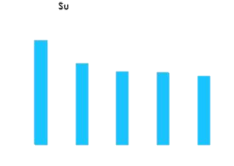

 | Capex Spending:Capex tracker->"S" | Supplier：F column | Liability Balance:Spend Track (part)->V column
 | Capex Year: "P" | Tool type：O column | Supplier：F column
 | Category refer to "Category" ("book5" : "A" column) |  | Project：B column
 | Project：B column | Tool Stage: I column | Finish%:
 | Mechanical Capex and Liability

 | £m Total Capex | 8 Projects | £m Total Liability Balance | 8 Projects

 | Capex YoY Invest | Capex by Supplier | Liability balance Trend | Amortization Progress by Project

 | Capex by Project
 |  | Capex by Tool type | Liability Breakdown by Project
 |  |  |  | Amortization Progress by Supplier

 | Capex by Tool Stage | Common Tool Capex and Share
 |  |  | Liability Breakdown by Supplier

 | Vapour Capex and Liability

 | £m Total Capex |  | £m Remaining Liability

 | Capex YoY Invest | Capex by Portfolio | Capex by Project | Capex Status

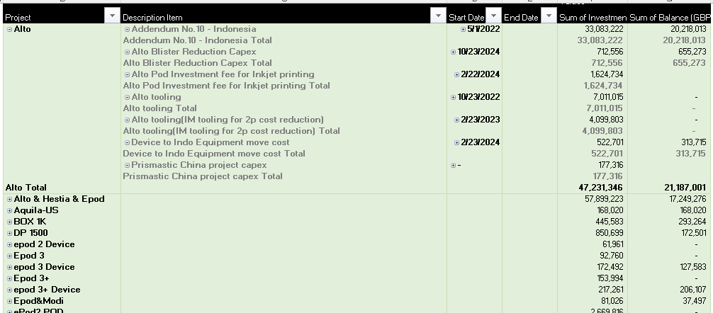
 | Liability by Project

