Sheet1
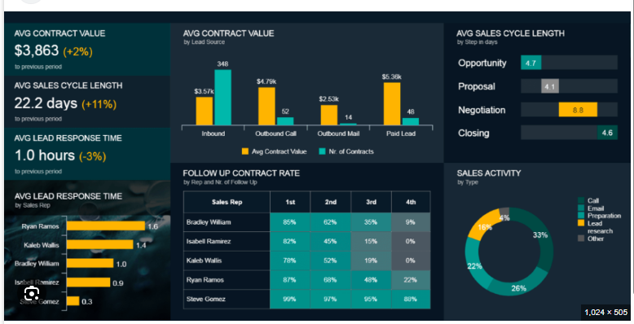

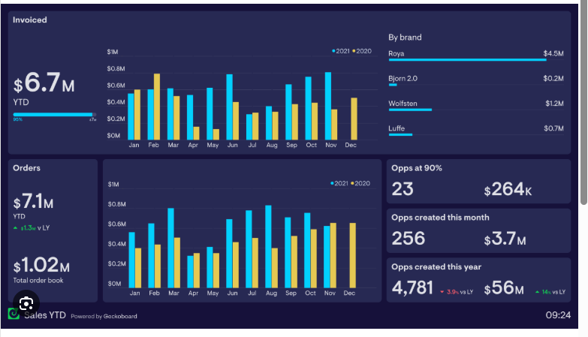

Rev Sample
LW BY 20250407 | CW BY 20250414
QTD REVENUE
$1,020 K +2.4% vs LW
Revenue Roll up Bridge vs LW
 |  | Increase | Decrease
LW Roll up | 51,280
New created | 51,280 | 2,500 | -
Cancelled | 51,880 |  | 1,900
Pull in | 51,880 | 2,580
Push out | 45,460 |  | 9,000
Amt incrase | 45,460 | 220
Amt decrease | 45,340 |  | 340
CW Roll up | 45,340

SLOTTED BACKLOG
$34,000 K+1.4% vs LW
 |  |  |  |  |  |  |  |  |  |  |  |  |  |  |  | Backlog | B2B
 |  |  |  |  |  |  |  |  |  |  |  |  |  |  | Spectra | 6,063 | - | 6,063
 |  |  |  |  |  |  |  |  |  |  |  |  |  |  | SEM | 8,980 | 2,653 | 11,633
B2B RESERVED
$10,320 K +5.4% vs LW
 |  |  |  |  |  |  |  |  |  |  |  |  |  |  | TEM | 6,985 | 2,142 | 9,127
 |  |  |  |  |  |  |  |  |  |  |  |  |  |  | SDB | 4,564 | 3,256 | 7,820
 |  |  |  |  |  |  |  |  |  |  |  |  |  |  | DTS | 3,202 | 1,250 | 4,452
 |  |  |  |  |  |  |  |  |  |  |  |  |  |  | XPS | 5,012 | 1,233 | 6,245
OTHER REVENUE (SERVICE,PS, ADJ)
$2,500 K

TARGET
$55,020 K
 |  |  |  |  |  |  |  |  |  |  |  |  |  |  | Revenue roll up bridge

Gap (Hedge) Vs. Target
$9,680 K -6.2% vs LW
 |  |  |  |  |  |  |  |  |  |  |  |  |  | Revenue |  | Increase | Decrease
 |  |  |  |  |  |  |  |  |  |  |  |  |  | LW Roll up | 51,280
 |  |  |  |  |  |  |  |  |  |  |  |  |  | New created | 51,280 | 2,500 | -
Rev by Product Line
 |  | Push out |  |  |  |  |  | New created |  |  |  |  |  | Cancelled | 51,880 |  | 1,900
 |  |  |  |  |  |  |  |  |  |  |  |  |  | Pull in | 51,880 | 2,580
 |  | OPP ID | Account | Model | Owner | Rev Amt |  | OPP ID | Account |  | Model | Owner | Rev Amt | Push out | 45,460 |  | 9,000
 |  |  |  |  |  |  |  |  |  |  |  |  |  | Amt incrase | 45,460 | 220
 |  |  |  |  |  |  |  |  |  |  |  |  |  | Amt decrease | 45,340 |  | 340
 |  | Pull in |  |  |  |  |  | Cancelled |  |  |  |  |  | CW Roll up | 45,340

 |  | OPP ID | Account | Model | Owner | Rev Amt |  | OPP ID | Account |  | Model | Owner | Rev Amt
 |  |  |  |  |  |  |  |  |  |  |  |  |  | Revenue risk level·
 |  | Amt increase |  |  |  |  |  | Amt decrease |  |  |  |  |  |  | Rev amt
 |  |  |  |  |  |  |  |  |  |  |  |  |  | Super high | 4,534
 |  | OPP ID | Account | Model | Owner | Rev Amt |  | OPP ID | Account |  | Model | Owner | Rev Amt | High | 13,602
 |  |  |  |  |  |  |  |  |  |  |  |  |  | Medium | 22,670
Revenge by risk level
 |  |  |  |  |  |  |  |  |  |  |  |  |  | Low | 4,534

 |  |  |  | OPP | Account |  | Model | Owner | Rev Amt | Risk | CDM Notes

Memo:

How to deal with manual adjustment
How to add training, account adj value in roll up

