Sheet1
Background color code:#0E2B63 |  | Spend="Spend Track (part)"-> "R+O" * "S" |  | Supplier：F column | Tooling Spending:="O"*"S"
 |  | Category refer to "Category" ("book5" : "A" column) |  | Commodity：H column | Material Usage(kg): =Y* S /1000
 |  | Project：B column |  | Parts Spending="R"*"S" | Material type:W
 |  |  |  |  | Material supplier: Z
 |  | Mechanical Spending - Overall

 |  | £m Total Spending | 8 Projects | 25 Mechanical Suppliers | 10 Material Suppliers

 |  | Spending Trend | Spending by Commodity | Spending Breakdown | Usage by Material Supplier
2024
2023
2022

Parts
Toolings

 |  | Spending by Project | Spending by Top 15 Supplier |  | Usage by Material Type (Top10)
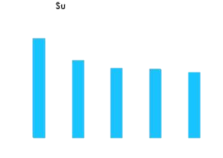

 |  | Capex Spending:Capex tracker->"S" | Supplier：F column | Liability Balance:Spend Track (part)->V column
 |  | Capex Year: "P" | Tool type：O column | Supplier：F column
 |  | Category refer to "Category" ("book5" : "A" column) |  | Project：B column
 |  | Project：B column | Tool Stage: I column | Finish%:
 |  | Mechanical Capex and Liability

 |  | £m Total Capex | 8 Projects | £m Total Liability Balance | 8 Projects

 |  | Capex YoY Invest | Capex by Supplier | Liability balance Trend | Amortization Progress by Project

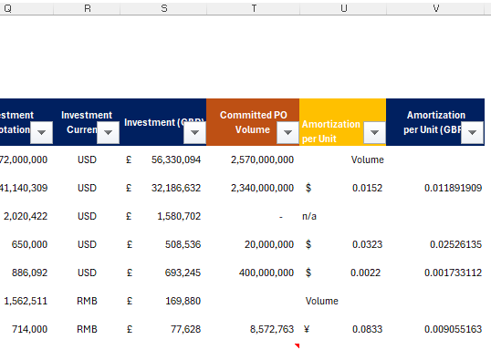
 |  | Capex by Project
 |  |  | Capex by Tool type | Liability Breakdown by Project
 |  |  |  |  | Amortization Progress by Supplier

 |  | Capex by Tool Stage
 |  |  |  | Liability Breakdown by Supplier

 | Capax 工作表 | Total Capex: S |  | Capex Project：C列
 |  | Capex YOY Invest :取O列年份做横轴，纵轴是Total Capex |  | Capex Status：AG列
 |  | Capex by Portfolio： K列
 | Volume 工作表 | Cum Volume till today
 |  | Cum Volume till 2025年12月

 |  | Vapour Capex and Liability |  |  |  | 计算逻辑
 |  |  |  |  |  | L列分T1， T2.
 |  | £m Total Capex |  | £m Remaining Liability |  | L = T1, W=By Volume->Finish%=Cum Volume/T | Liability =(1-Finish%)*S
 |  |  |  |  |  | L = T1, W=By Unit->Finish%=Cum Volume*X/S | Liability =(1-Finish%)*S
 |  | Capex YoY Invest | Capex by Portfolio | Capex by Type | Capex Status
 |  |  |  |  |  | T2 laiblity =用D列关联上面两张表的Liability

 |  |  |  |  |  | 如果liability<0, 则显示0

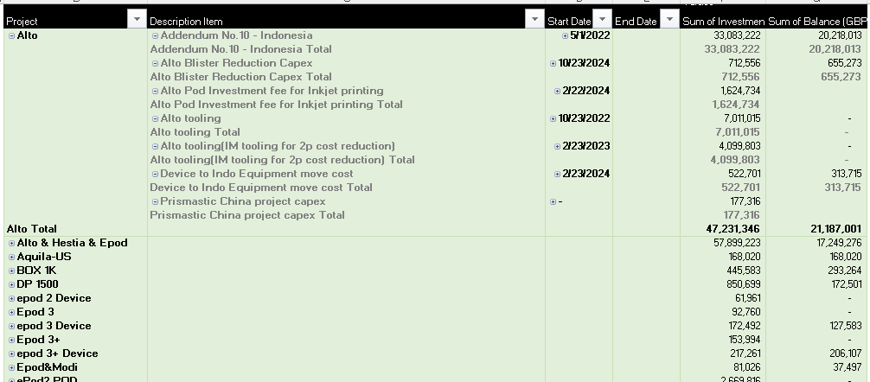
 |  | Liability by Project

