Sheet1
poredak | artikl | Fotka | Naziv | Cijena | URL | UTM
1 | Velika visoka bijela | 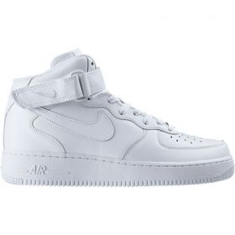 | Nike AIR FORCE 1 MID | 799.00 kn | https://www.shooster.hr/tenisica/nike/nike-air-force-1-mid-/2397 | https://www.shooster.hr/tenisica/nike/nike-air-force-1-mid-/2397?utm_source=XXXindex&utm_medium=footer&utm_term=XXXvijesti&utm_content=visoka%20bijela&utm_campaign=NikeAF1_S15 | umjesto XXXindex navesti portal umjesto XXXvijesti navesti rubriku
2 | Visoka t. crvena | 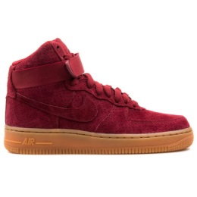 | Nike AIR FORCE 1 HI Suede | 899.00 kn | https://www.shooster.hr/tenisica/nike/nike-wmns-air-force-1-hi-suede-tenisice/6354
3 | Velika niska bijela | 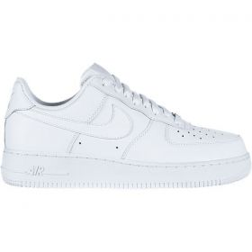 | Nike AIR FORCE 1 `07 | 749.00 kn | https://www.shooster.hr/tenisica/nike/nike-air-force-1-07-tenisice-csl/2221
4 | Visoka Crna | 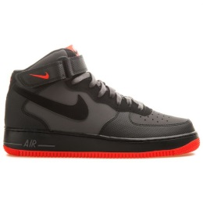 | Nike AIR FORCE 1 MID '07 | 799.00 kn | https://www.shooster.hr/tenisica/nike/nike-air-force-1-mid-07-tenisice/6154
5 | Visoka bijela Premium | 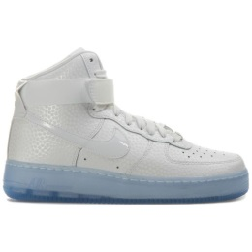 | Nike AIR FORCE 1 HI Premium | 899.00 kn | https://www.shooster.hr/tenisica/nike/nike-wmns-air-force-1-hi-premium-tenisice/5884
6 | Visoka crvena | 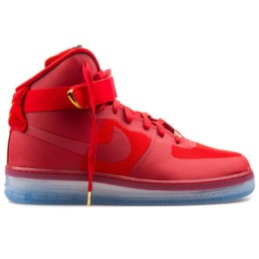 | Nike AIR FORCE 1Comfort Lux | 1,099.00 kn | https://www.shooster.hr/tenisica/nike/nike-air-force-1-cmft-lux-tenisice/6171
6 | GS visoka bijela | 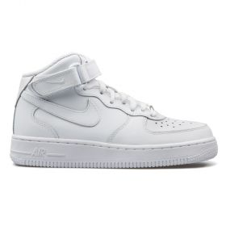 | Nike AIR FORCE 1 MID (GS) | 599.00 kn | https://www.shooster.hr/tenisica/nike/nike-air-force-1-mid-gs-tenisice-csl/4053
12 | Shooster logo |  |  |  | https://www.shooster.hr/tenisice/svi+svi+svi+svi+svi+svi+svi+air-force-1+svi+svi

