Sheet
Iteración | Average delay queue 'CC' (Seconds) | Average number queue 'CC' (Seconds) | Average delay queue 'S' (Seconds) | Average number queue 'S' (Seconds) | Average time table (Seconds) | Average time table (minutes) | Simulation's end (minutes)

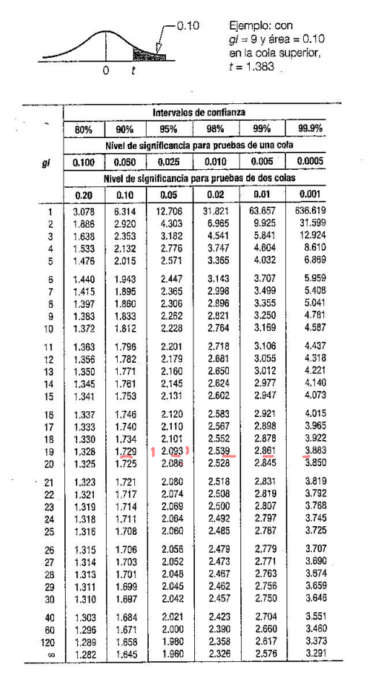

0 | 0.5358028169 | 0.042215261075 | 11.29300813 | 0.23714148428 | 1591.371049 | 26.522850816 | 195.24771667
1 | 1.2878525981 | 0.10531115718 | 21.680456221 | 0.40796667074 | 1623.1278022 | 27.052130037 | 192.19948333
2 | 1.3853968085 | 0.11242045136 | 19.337105727 | 0.37893141986 | 1601.0192637 | 26.683654396 | 193.06585
3 | 1.8482730159 | 0.15156916202 | 16.033554502 | 0.29357913445 | 1603.1896084 | 26.719826807 | 192.05951667
4 | 0.88384848485 | 0.067092452513 | 16.523605839 | 0.38572121943 | 1566.3560989 | 26.105934982 | 195.62781667
5 | 1.1565505857 | 0.093682525568 | 12.542933036 | 0.24236811609 | 1599.0542448 | 26.650904079 | 193.2059
6 | 1.44698 | 0.11873875665 | 9.7958262911 | 0.1800412492 | 1605.5956244 | 26.759927073 | 193.1512
7 | 2.1347006508 | 0.17057352468 | 19.806064777 | 0.42397365245 | 1578.2670699 | 26.304451166 | 192.3114
8 | 1.1061177754 | 0.08768770586 | 14.425313808 | 0.29818773612 | 1594.1474366 | 26.569123943 | 192.78833333
9 | 1.1672278876 | 0.094990262216 | 13.46671564 | 0.24062690697 | 1636.8234505 | 27.280390842 | 196.8107
10 | 1.3265010707 | 0.10548295954 | 16.516291139 | 0.33326422896 | 1603.1380969 | 26.718968282 | 195.75863333
11 | 1.1150683938 | 0.091265263237 | 8.1382679426 | 0.14426300086 | 1605.5819121 | 26.759698535 | 196.5043
12 | 0.71060767591 | 0.056315069019 | 14.099220339 | 0.28112468936 | 1568.9474106 | 26.14912351 | 197.2681
13 | 0.94101831897 | 0.074635169984 | 13.387879032 | 0.28376637512 | 1580.9464775 | 26.349107959 | 195.00748333
14 | 1.1194353312 | 0.090751331754 | 13.102766055 | 0.24349663321 | 1602.7651289 | 26.712752148 | 195.51283333

MEAN | 1.2110254276 | 0.097515403511 | 14.676600565 | 0.29163016781 | 1597.3553783 | 26.622589638 | 194.43461778
DESV | 0.40394106014 | 0.033234284121 | 3.7253379332 | 0.081922924915 | 18.743121283 | 0.31238535472 | 1.8160443339

Intervalos de confianza (14 gl - 99.9% c)
Li | 0.77923529596 | 0.061989834728 | 10.694425156 | 0.20405919762 | 1577.3200424 | 26.288667374 | 192.49336917
Ls | 1.6428155593 | 0.13304097229 | 18.658775975 | 0.379201138 | 1617.3907141 | 26.956511902 | 196.37586639

t | 4.14

Iteración |  | Average delay in queue 'Cliente tipo 1' |  | Average number in queue 'Cliente tipo 1' |  | Average delay in queue 'Cliente tipo 2' |  | Average number in queue 'Cliente tipo 2' | Proportion C1 'server A1' | Proportion C2 'server A1' | Time-out of 'server A1' | Proportion C1 'server A2' | Proportion C2 'server A2' | Time-out of 'server A2' | Proportion C1 'server B' | Proportion C2 'server B' | Time-out of 'server B' | Simulation's end

0 |  | 0.020789718902 |  | 0.014698331264 |  | 0.1685124498 |  | 0.049037122892 | 76.076241258 | 23.923758742 | 63.721837804 | 73.132023736 | 26.867976264 | 67.831965032 | 19.190617524 | 80.809382476 | 78.564370288 | 1000
1 |  | 0.031328761895 |  | 0.022619366088 |  | 0.15145082621 |  | 0.042406231337 | 77.042368744 | 22.957631256 | 65.193708746 | 76.229043571 | 23.770956429 | 63.245075098 | 26.409547612 | 73.590452388 | 77.269201858 | 1000
2 |  | 0.037776141784 |  | 0.02689661295 |  | 0.14243024439 |  | 0.040735049896 | 74.303287175 | 25.696712825 | 65.97619291 | 75.814745247 | 24.185254753 | 65.095261198 | 21.82714655 | 78.17285345 | 78.016921167 | 1000
3 |  | 0.031450604343 |  | 0.020411442218 |  | 0.11096019199 |  | 0.031401734333 | 76.483744296 | 23.516255704 | 66.177812994 | 72.696206898 | 27.303793102 | 67.429800076 | 18.726801743 | 81.273198257 | 79.271626634 | 1000
4 |  | 0.032260907988 |  | 0.0218083738 |  | 0.16012778526 |  | 0.050440252356 | 71.73186656 | 28.26813344 | 66.966336777 | 71.641672159 | 28.358327841 | 66.653887165 | 15.289060236 | 84.710939764 | 77.813491324 | 1000
5 |  | 0.032096613325 |  | 0.021986180128 |  | 0.20258434266 |  | 0.061180471485 | 76.699263044 | 23.300736956 | 63.021770443 | 73.806297114 | 26.193702886 | 63.926062531 | 20.293037171 | 79.706962829 | 77.335355208 | 1000
6 |  | 0.03197638713 |  | 0.021040462731 |  | 0.12914471011 |  | 0.038226834192 | 73.399452551 | 26.600547449 | 67.705927795 | 72.103339684 | 27.896660316 | 67.016123451 | 16.357738388 | 83.642261612 | 78.728695689 | 1000
7 |  | 0.036428370621 |  | 0.024224866463 |  | 0.17648387442 |  | 0.055239452694 | 73.722826502 | 26.277173498 | 64.67009665 | 70.249239803 | 29.750760197 | 67.715782936 | 13.709058402 | 86.290941598 | 78.110680391 | 1000
8 |  | 0.02882602659 |  | 0.019659350134 |  | 0.16381804948 |  | 0.043084147013 | 77.601775385 | 22.398224615 | 66.341082253 | 75.689894885 | 24.310105115 | 66.049509203 | 26.234689825 | 73.765310175 | 78.591020681 | 1000
9 |  | 0.037181708524 |  | 0.024577109335 |  | 0.20172929263 |  | 0.063342997885 | 70.393698211 | 29.606301789 | 66.110255609 | 77.043316051 | 22.956683949 | 61.647770996 | 18.588703152 | 81.411296848 | 76.860828006 | 1000
10 |  | 0.042344193126 |  | 0.027269660373 |  | 0.1751688382 |  | 0.055003015196 | 74.010204562 | 25.989795438 | 66.84390987 | 68.100663701 | 31.899336299 | 67.544152321 | 19.284055933 | 80.715944067 | 76.497332443 | 1000
11 |  | 0.03404503318 |  | 0.023899613292 |  | 0.13619333509 |  | 0.042083740544 | 73.897872343 | 26.102127657 | 64.578749588 | 73.774912814 | 26.225087186 | 64.566842239 | 21.591176407 | 78.408823593 | 76.357155144 | 1000
12 |  | 0.035728889238 |  | 0.023581066897 |  | 0.12141718911 |  | 0.038246414568 | 74.506552732 | 25.493447268 | 66.415683567 | 70.151983614 | 29.848016386 | 65.393010154 | 10.713982249 | 89.286017751 | 78.841815913 | 1000
13 |  | 0.038184331109 |  | 0.02649992579 |  | 0.20968570508 |  | 0.067938168445 | 72.777086174 | 27.222913826 | 64.55596171 | 70.750116096 | 29.249883904 | 65.788240278 | 19.08050732 | 80.91949268 | 75.709437431 | 1000
14 |  | 0.043927057657 |  | 0.031539627398 |  | 0.17607956113 |  | 0.052647788779 | 74.704340709 | 25.295659291 | 63.398463375 | 75.376675202 | 24.623324798 | 64.15837393 | 19.734921687 | 80.265078313 | 77.469653827 | 1000

MEAN |  | 0.034289649694 |  | 0.023380799257 |  | 0.16171909304 |  | 0.048734228108 | 74.490038683 | 25.509961317 | 65.445186006 | 73.104008705 | 26.895991295 | 65.604123774 | 19.135402947 | 80.864597053 | 77.695839067 | 1000
DESV |  | 0.0056274301464 |  | 0.0039166170821 |  | 0.030024569494 |  | 0.010481439409 | 2.0236205286 | 2.0236205286 | 1.4046907933 | 2.6209663245 | 2.6209663245 | 1.8390716274 | 4.1546721656 | 4.1546721656 | 1.0331139916 | 0

Intervalos de confianza (14 gl - 99.9% c)
Li |  | 0.02827424536 |  | 0.019194157263 |  | 0.12962452753 |  | 0.037530162591 | 72.326902868 | 23.346825502 | 63.943651049 | 70.302344042 | 24.094326632 | 63.638260289 | 14.694293541 | 76.423487648 | 76.59149868 | 1000
Ls |  | 0.040305054028 |  | 0.027567441252 |  | 0.19381365854 |  | 0.059938293624 | 76.653174498 | 27.673097132 | 66.946720964 | 75.905673368 | 29.697655958 | 67.569987259 | 23.576512352 | 85.305706459 | 78.800179453 | 1000

t | 4.14

Iteración | Average delay queue 'Persona' | Average delay queue 'Teléfono' | Total number of clients | Total number of calls | Simulation's end

0 | 7.2897549431 | 26.227066726 | 36 | 42 | 480
1 | 13.253050748 | 104.00137706 | 42 | 33 | 480
2 | 18.798606941 | 126.10461794 | 44 | 29 | 480
3 | 10.804837277 | 21.284166084 | 35 | 23 | 480
4 | 6.1140904316 | 45.381091817 | 41 | 40 | 480
5 | 7.5306716214 | 27.374354448 | 41 | 51 | 480
6 | 15.83483663 | 84.907722272 | 51 | 13 | 480
7 | 7.4261120356 | 24.003891076 | 41 | 34 | 480
8 | 9.6053614671 | 123.6215618 | 41 | 47 | 480
9 | 7.5193719211 | 30.003821724 | 28 | 51 | 480
10 | 6.928608062 | 37.399084467 | 40 | 34 | 480
11 | 5.952446686 | 86.689009771 | 38 | 43 | 480
12 | 7.7436925445 | 98.237483979 | 42 | 36 | 480
13 | 7.8305797411 | 36.411531712 | 41 | 57 | 480
14 | 7.2925822983 | 61.049227497 | 44 | 33 | 480

MEAN | 9.3283068898 | 62.179733891 | 40.333333333 | 37.733333333 | 480
DESV | 3.7828970695 | 38.040072841 | 5.0237531028 | 11.46713731 | 0

Intervalos de confianza (14 gl - 99.9% c)
Li | 5.284604021 | 21.517048958 | 34.963225593 | 25.475612548 | 480
Ls | 13.372009759 | 102.84241882 | 45.703441074 | 49.991054119 | 480

t | 4.14

