Sing Up
№ | OAuth screen | Check type | Status |  |  |  | Comment
1 | Sign up |  | Opera | Firefox | Google Chrome | Microsoft Edge | https://www.facebook.com/
001. | Verify that the user is redirected to the Create an account page when click on Create an accoun button | smoke
002. | Verify that the sing up screen contains elements such as first/last name,mobile number or email, new password, birthday, gender radiobutton, sign in button, terms and data policy link, cookies policy. | smoke
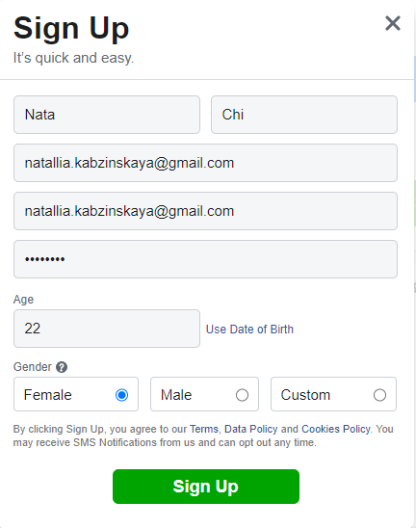
003. | Verify that cursor is focused on first name field on the page sing up page | smoke
004. | Pop-up is modal | smoke
005. | Fill in all fields valid information and Sign Up. | smoke
006. | Receive a notification with a code by mail | smoke
007. | Confirm the email address by enter the valid code. | smoke
008. | Confirm the email address by enter the invalid code and get error window.
009. | Verify user get an error when re-registering with duplicate user data | smoke
010. | Fill in required fields valid information and click "Sign Up". | smoke
011. | Fast loading registration page after click Create an account button | smoke
012. | Get to code again when click on Resend Confirmation Code | smoke
013. | Update Contact Info(add email) and get code | smoke
014. | Update Contact Info(add number) and get code | smoke
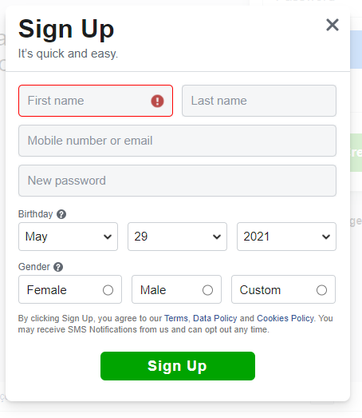
015. | Сomparing page design with screen (size, font, color, title and etc) | smoke
016. | Refresh the page with the completed form | smoke
2 | Sign up: first name, last name fields |  | Opera | Firefox | Google Chrome | Microsoft Edge
017. | Enter first name, last name in Roman | critical path test
018. | Enter first name, last name in Cyrillic | critical path test
019. | Insert the hieroglyphs in fields
020. | Enter compound first name by space, by dash | critical path test
021. | Enter compound last name by space, by dash | critical path test
022. | Empty first(and, or) last name field | critical path test
023. | Get red border empty field in transition to the next field | critical path test
024. | Boundary values (min/ max) | critical path test
025. | Enter spaces in the last/first name field | critical path test
026. | Verify that Enter / Tab key works as a substitute for the Sign-in button | critical path test
027. | Get tooltip when moving to the next field
028. | Verify that fields such as firdt/last name has a valid placeholder
029. | Enter first/last name in uppercase | extended test
030. | Enter first/last name in uppercase and lowercase | extended test
031. | Enter numbers in last, first name field | extended test
032. | Enter special characters in first/last name field ('^&*$%') | extended test
033. | Enter a space before the name | extended test
034. | Insert a space after the name | extended test
3 | Sign up: mobile number or email field |  | Opera | Firefox | Google Chrome | Microsoft Edge
035. | Confirm that a hidden re-email field appears when you enter an valid email | critical path test
036. | Enter a similar email into the hidden field | critical path test
037. | Enter a different email into the hidden field and get a warning (red border and a tooltip) | critical path test
038. | Enter invalid email with @@ | critical path test
039. | Enter invalid email without @ | critical path test
040. | Enter an invalid email without a dot | critical path test
041. | Enter an invalid email in Cyrillic | critical path test
042. | Enter spaces in field | critical path test
043. | Enter a space before email or number and after | critical path test
044. | Empty field | critical path test
045. | Confirm that no hidden re-email field appears when you enter user's phone number. | critical path test
046. | Verify that the user can't register with an already used email | critical path test
047. | Verify that the user can't register with an already used mobile number | critical path test
048. | Boundary values (min/ max) email
049. | Boundary values (min/ max) mobile number | critical path test
050. | Enter fractional numbers | critical path test
051. | Enter a mobile number with spaces in the middle | critical path test
052. | Enter mobile number with/without extension code | critical path test
053. | Enter home phone number | critical path test
054. | Enter mobile number with +/- and extension code | critical path test
055. | Verify that all the fields such as mobile number or email has a valid placeholder | critical path test
056. | Enter email in uppercase | extended test
057. | Enter email and mobile number | extended test
058. | Enter email in uppercase and lowercase | extended test
059. | Enter special characters in field ('^&*$%') | extended test
4 | Sign up: password field |  | Opera | Firefox | Google Chrome | Microsoft Edge
060. | Enter valid password (with char, special char, number) >6 char | critical path test
061. | Enter invalid password (with char, special char, number) <6 char | critical path test
062. | Enter only numbers in the field | critical path test
063. | Enter only char in the field | critical path test
064. | Enter only special char in the field | critical path test
065. | Empty field | critical path test
066. | Enter space in field(>6 space) | critical path test
067. | Enter a password that matches the number/email
068. | Enter an easy password (qwerty) | critical path test
069. | Check sensitivity to different registers (upper, lower) | critical path test
070. | Verify that the password is in encrypted form (masked format) when entered | critical path test
071. | Verify the password can't be copy-pasted. | critical path test
072. | When entering a password, you can see the password without a mask | critical path test
073. | Get tooltip and red border of the field with an invalid password | critical path test
5 | Sign up: birthday drop-down lists |  | Opera | Firefox | Google Chrome | Microsoft Edge
074. | Leave the data in the list by default | critical path test
075. | Leave the default date. Try to register. The user may be able to enter age instead of date of birth. | critical path test
076. | Enter age 18 | critical path test
077. | Enter age 0 years | critical path test
078. | Enter age 21 | critical path test
079. | Enter age 150 | critical path test
080. | Enter age 17 | critical path test
081. | Enter age -1 years | critical path test
082. | Choose today's date of birth | critical path test
083. | Date of birth tomorrow | critical path test
084. | Date of birth in the 19th century | critical path test
085. | Date of birth in a non-leap year February 29 | critical path test
086. | Date of birth in a leap year February 29 | critical path test
087. | Get tooltip and red border of the fields with an invalid bithdate/age | critical path test
6 | Sign up: gender |  | Opera | Firefox | Google Chrome | Microsoft Edge
088. | Leave the gender button unselected and get a warning (red border and tooltip) | critical path test
089. | The user can choose only 1 option | critical path test
090. | Enter male/female | critical path test
091. | When you select a custom radiobutton, hidden fields are displayed such as "Select your pronoun", gender optional text field | critical path test
92 | Leave the "Select your pronoun" select list as default and get a warning (red border and tooltip) | critical path test
093. | Select any value from the "Select your pronoun" | critical path test
094. | Empty gender optional text field | critical path test
095. | Enter any text in gender optional text field | critical path test
096. | Follow a link Terms, Data Policy , Сookies Policy. | critical path test

7 | Sign up: We Need More Information screen |  | Opera | Firefox | Google Chrome | Microsoft Edge
097. | Verify that the user is redirected to the Help Us Confirm It's You page when click on Continue | critical path test
098. | Verify your account before 30 days. | critical path test
099. | Verify your account after 30 days. | critical path test
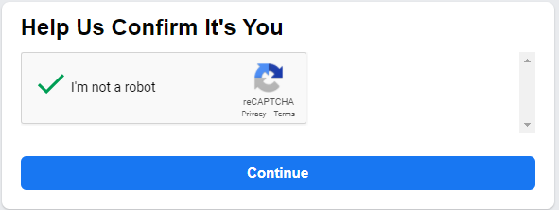
8 | Sign up: Help Us Confirm It's You screen |  | Opera | Firefox | Google Chrome | Microsoft Edge
100. | Verify that the refresh link of CAPTCHA is generating the new CAPTCHA | critical path test
101. | While there is no check mark in the CAPTCHA, the continue button disabled | critical path test
102. | While there is check mark in the CAPTCHA, the continue button enabled | critical path test

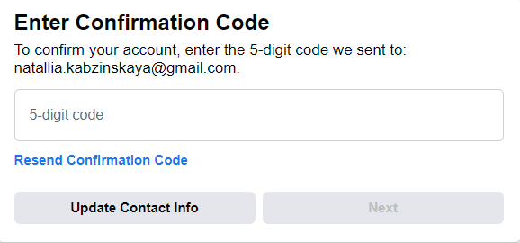
9 | Sign up: Enter Confirmation Code screen |  | Opera | Firefox | Google Chrome | Microsoft Edge
103. | Check the letter with the code on the email | critical path test
104. | Enter valid 5-digit code | critical path test
105. | Enter invalid code(>5,<5, =5) | critical path test
106. | Get re-send confirmation code | critical path test
107. | Enter the code from the resent email | critical path test
108. | Enter the previous code in the code entry field | critical path test
109. | Verify that the user is redirected to the Add a Mobile Number or Email page when click on Update contact info | critical path test
110. | Add new valid email | critical path test
111. | Add new invalid email | critical path test
112. | Add new valid number | critical path test
113. | Add new invalid number | critical path test
114. | Ability to return to the code entry page from the page for adding new contact information | critical path test

Log In
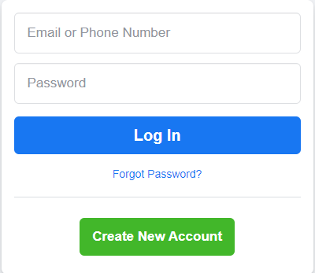
№ | OAuth screen | Check type | Status |  |  |  | Comment
1 | Log in |  | Opera | Firefox | Google Chrome | Microsoft Edge | https://www.facebook.com/
001. | Verify that the login screen contains elements such as email or phone number, Password, Log in button, Forgot password link, and create new account button. | smoke
002. | Enter/Tab key works as a substitute for the Sign-in button. | smoke
003. | User is able to login with valid data. | smoke
004. | User is not able to login with an invalid email/number and invalid password. | smoke
005. | User is not able to login with a valid email/number and invalid password. | smoke
006. | User is not able to log in with an invalid email/number and valid password. | smoke
007. | User is not able to log in with a blank email/number or Password. | smoke
008. | User is not able to login with spaces before or after email/number | smoke
009. | User is not able to login with spaces before or after password | smoke
010. | User is not able to login email/number with spaces in middle | smoke
011. | User is not able to login password with spaces in middle | smoke
012. | Click on browser back button after successful login shouldn't take the user to log out mode. | smoke
013. | Password is in encrypted form (masked format) when entered | smoke
014. | User can't be able to login with old password after changing the password. | smoke
015. | User can logout | smoke
016. | Logout link is redirected to login/home page | smoke
017. | User is redirected to appropriate page after successful login | smoke
017. | Cursor is focused on the email or phone number textfield on the page load (login page) | critical path test
018. | Boundary values (min/ max) fields. | critical path test
019. | Limit on the total number of unsuccessful login attempts. | critical path test
020. | Password can't be copy-pasted. | critical path test
021. | When the cookies are cleared, system should not allow user to login automatically. | critical path test
022. | All fields such as email/number, password has a valid placeholder | critical path test
023. | Tooltip and red borders are displayed in case of invalid fill in email/number, password fields | critical path test

