フレームワーク
[id] (class)

html

body

main (.content)
<div class="p-list">
<p><img src="img/coffeebeans.png">千葉県出身</p>
<p><img src="img/coffeebeans.png">事務職を経てWebデザイナーへ</p>
<p><img src="img/coffeebeans.png">ご希望のデザインを作ります</p>
<!-- <p><img src="img/coffeebeans.jpeg">コーヒーが好き</p> -->
</div>

div (.wrapper)
footer (.footer)
div (.copyright)
header (.header)
div (.container)
h1 (.header-logo)
nav (.gnav)
ul (.gnav-list)
li (.gnav-item)
WORKS
li (.gnav-item)
SKILL
li (.gnav-item)
ABOUT
li (.gnav-item)
CONTACT
div (.mv)
div (.mv-container)
img
section (.works section) [works]
div (.container)
h2 (title)
div (.works-list)
a (.works-item)
div (works-img)
img
p (.works-name)
p (.works-info)
a (.worsk-item)
div (works-img)
img
p (.works-name)
p (.works-info)
a (.works-item)
div (works-img)
img
p (.works-name)
p (.works-info)
a (.works-item)
div (works-img)
img
p (.works-name)
p (.works-info)
a (.works-item)
div (works-img)
img
p (.works-name)
p (.works-info)
a (.works-item)
div (works-img)
img
p (.works-name)
p (.works-info)
section (.skill section) [skill]
div (.container)
h2 (title)
div (.skill-list)
div (.skill-item)
p (skill-img)
img
div (.skill-body)
h3 (.skill-name)
p (.skill-text)
div (.skill-item)
p (skill-img)
img
div (.skill-body)
h3 (.skill-name)
p (.skill-text)
div (.skill-item)
p (skill-img)
img
div (.skill-body)
h3 (.skill-name)
p (.skill-text)
div (.skill-item)
p (skill-img)
img
div (.skill-body)
h3 (.skill-name)
p (.skill-text)
div (.skill-item)
p (skill-img)
img
div (.skill-body)
h3 (.skill-name)
p (.skill-text)
div (.skill-item)
p (skill-img)
img
div (.skill-body)
h3 (.skill-name)
p (.skill-text)
section (.about section) [about]
div (.container)
h2 (title)
div (.profile)
p (.profile-img)
img
div (.profile-body)
p
p
section (.contact section) [contact]
div (.container)
h2 (title)
p (.lead)
div (.contact-list)
a
img
a
img
div (.page-top) [js-page-top]
span (.material-icons-outlined
script
script

サムネイル編集
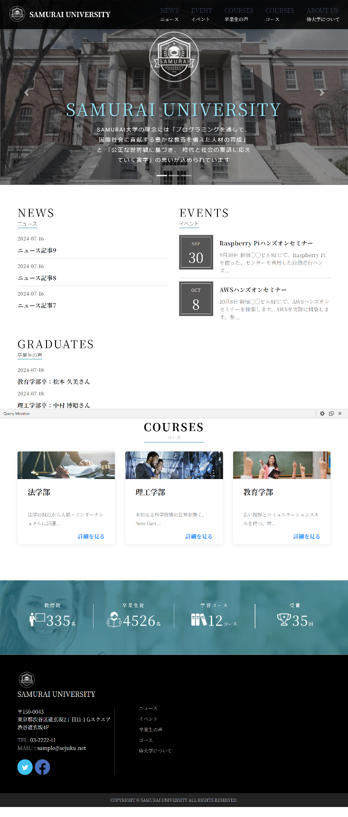
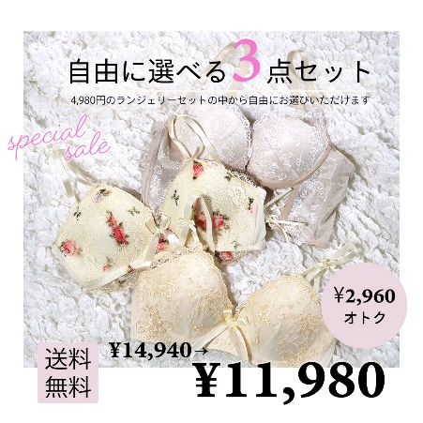

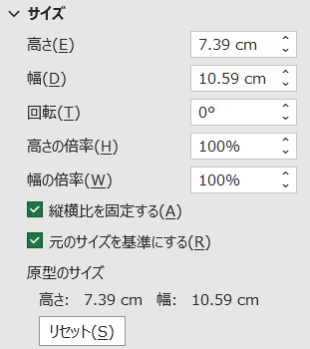
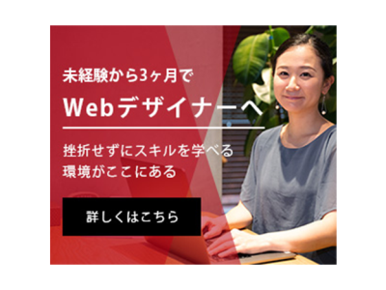
 | 46.8
 | 35.5

