Reference
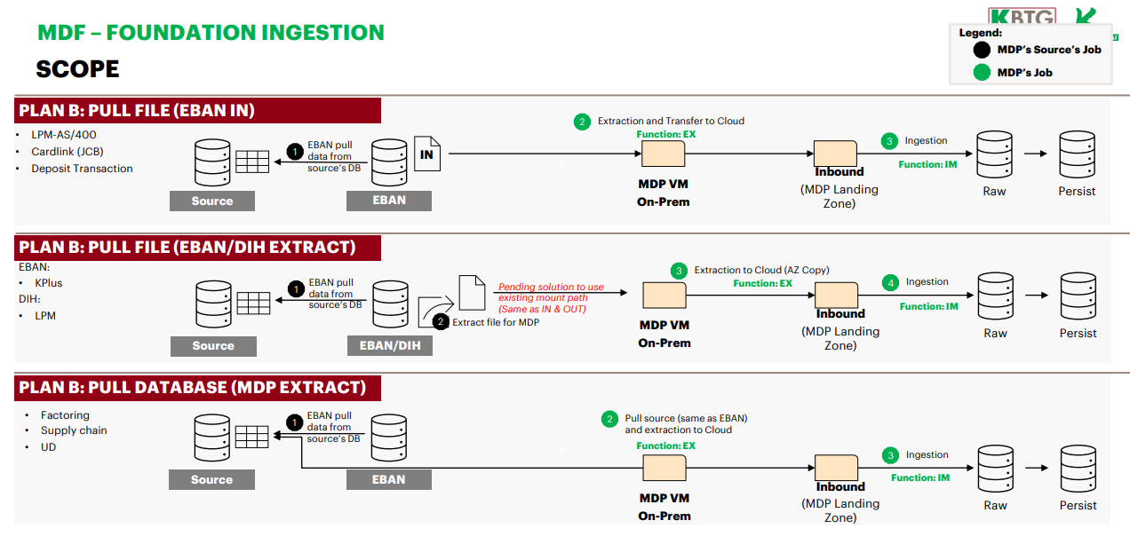
Source extraction to-be Approach (Pending finaliztion by 14-Thu-23)
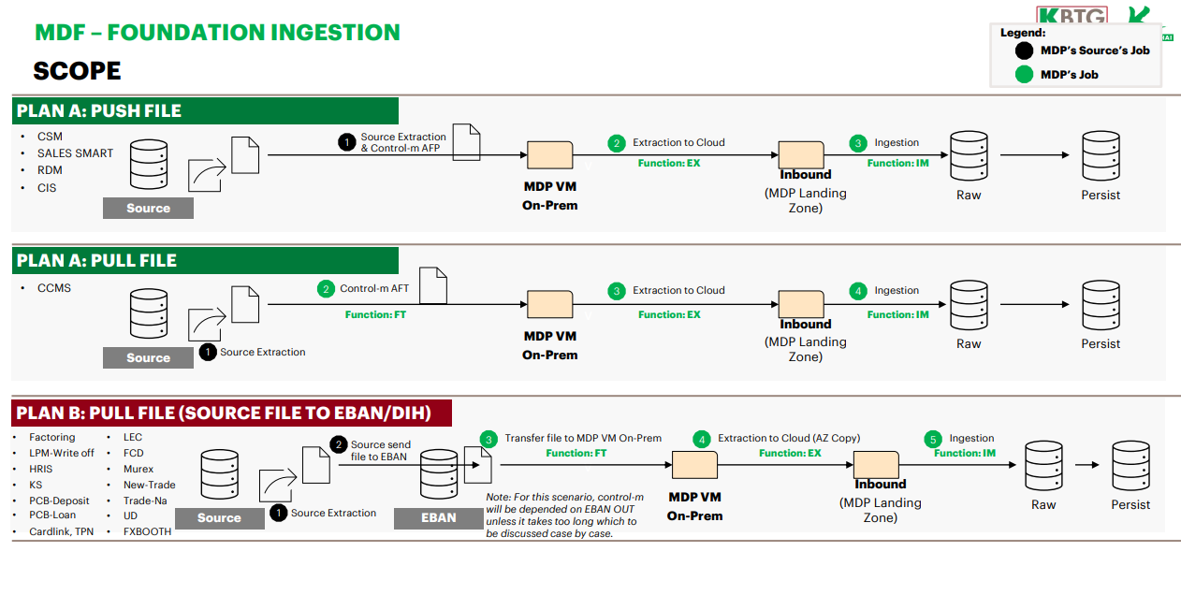

 | 1.1

