Sheet1
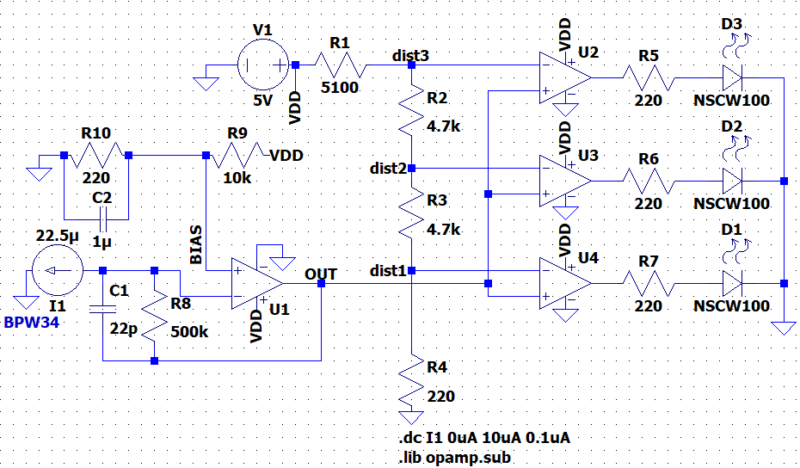
 | dist1 | dist2 | dist3 | LED I1 | LED I2 | LED I3 | R10 | R9 | R8 | R7 | R6 | R5 | R4 | R3 | R2 | R1
skem | 75.7mV | 1.67V | 3.27V | 7.4mA | 7.4mA | 7.4mA | 220 | 10k | 500k | 220 | 220 | 220 | 220 | 4.7k | 4.7k | 5.1k
real | 72.6mV | 1.61V | 3.16V | 5.06mA | 7.21mA | 7.23mA | 220 | 9.98k | 478k | 220 | 220 | 220 | 220 | 4.66k | 4.68k | 5.09k

