Test Cases
Test Cases
Please check the Instructions tab before continuing. Failure to meet the Test case instructions will result in rejection of CR
Is End of Day Testing Required? (Please select Yes or No) |  |  | No
ID | Feature/Module | Test Scenario | Test Case | Type of Test | Expected Results | Actual Results | Status | Remarks | Date of execution | Screenshot Evidence
1 | windows server 2016 | Windows server upgrade from 2016 to 2022 | Upgrade RND Robo windows servers from 2016 to 2022 (RPA.oabrnd.com & PathRob.oabrnd.com) | Postive Scenario | Server OS upgraded successfully from 2016 to 2022 | As Expected result | Passed
2 | Windows Activation | Validate Windows Server activation status | 1. Open Command Prompt on PATHROB. 2. Run slmgr /xpr. 3. Review the Windows Script Host activation message. | Postive Scenario | Windows Server Datacenter is permanently activated. | Windows Server Datacenter is operating in Notification mode and is not activated. | Failed | Infrastructure action required to activate Windows. Evidence attached in this row. | 20/07/2026 | 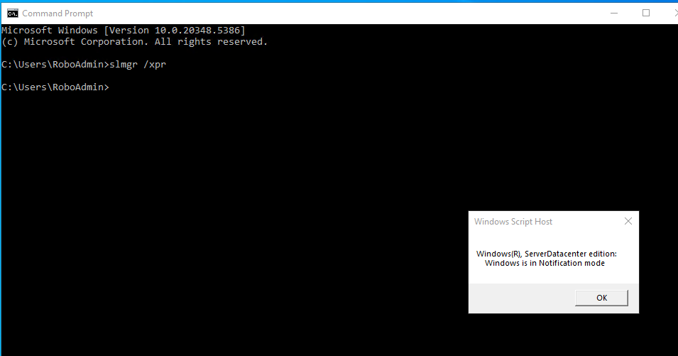
3 | UiPath Orchestrator | Validate Orchestrator web portal accessibility | 1. Open Chrome on PATHROB. 2. Browse to https://rpa.oabrnd.com. 3. Confirm that the UiPath Identity login page loads. | Postive Scenario | The on-premises UiPath Orchestrator login page opens successfully from PATHROB. | The UiPath Identity login page opened successfully. A browser security warning was displayed and is assessed separately. | Passed | Portal accessibility passed. HTTPS certificate issue is recorded in Test Cases 4 and 5. | 20/07/2026 | 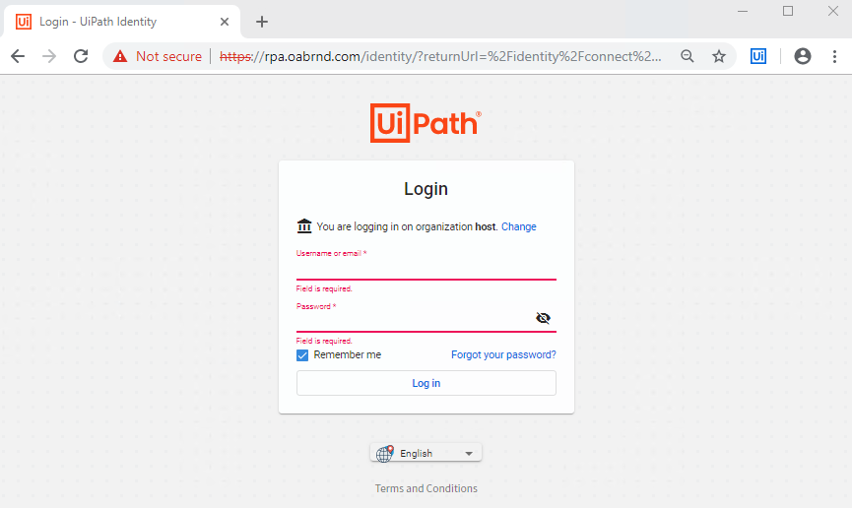
4 | Orchestrator Security | Validate HTTPS certificate trust and validity | 1. Open the Orchestrator URL. 2. Select Certificate (Invalid). 3. Review the certificate owner, issuer, validity dates and trust status. | Postive Scenario | The certificate is valid, trusted and issued for rpa.oabrnd.com. | The certificate is issued to/by rpa.oabrnd.com, expired on 27/05/2026, and its CA root certificate is not trusted. | Failed | Renew the certificate and install the approved trusted CA chain before entering credentials. | 20/07/2026 | 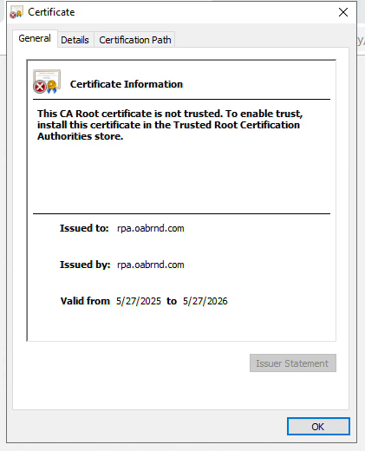
5 | Orchestrator Security | Verify browser handling of an invalid certificate | 1. Open the Orchestrator URL with the invalid certificate. 2. Select the Not secure warning. 3. Confirm that the browser clearly identifies the connection as insecure. 4. Do not enter credentials. | Negative Scenario | The browser displays a clear security warning and identifies the certificate as invalid. | Chrome displayed 'Your connection to this site is not secure' and 'Certificate (Invalid)'. | Passed | Negative control worked correctly. The underlying certificate remains a failed readiness item in Test Case 4. | 20/07/2026 | 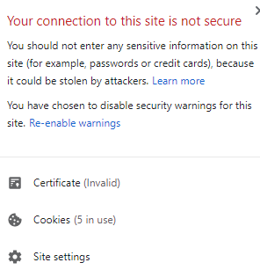
6 | Network Connectivity | Validate Windows Internet connectivity status | 1. Open Windows Network Status. 2. Confirm connection to the oabrnd.com network. 3. Record the public Internet connectivity status. | Postive Scenario | PATHROB is connected to the approved network and reports Internet access when Internet connectivity is required. | PATHROB is connected to oabrnd.com. Windows reports no public Internet connectivity. | Failed | Public Internet is unavailable. Internal Orchestrator connectivity passes separately in Test Case 7. If this is an approved bank restriction, reclassify this result as Not Applicable/Accepted. | 20/07/2026 | 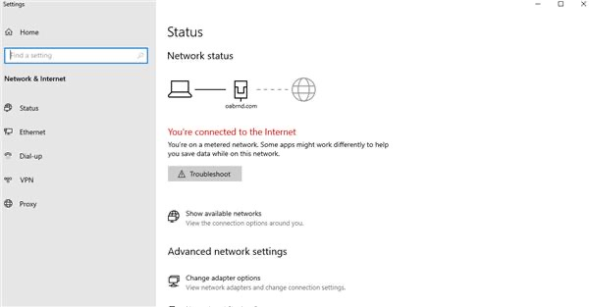
7 | Network Connectivity | Validate DNS and TCP 443 connectivity to Orchestrator | 1. Run nslookup rpa.oabrnd.com. 2. Run Test-NetConnection rpa.oabrnd.com -Port 443. 3. Verify DNS resolution and TCP connectivity. | Postive Scenario | The Orchestrator hostname resolves successfully and TCP port 443 is reachable from PATHROB. | rpa.oabrnd.com resolved to 10.101.46.23 and TcpTestSucceeded returned True from PATHROB (10.101.46.24). | Passed | Internal DNS and HTTPS network connectivity to Orchestrator are working. | 20/07/2026 | 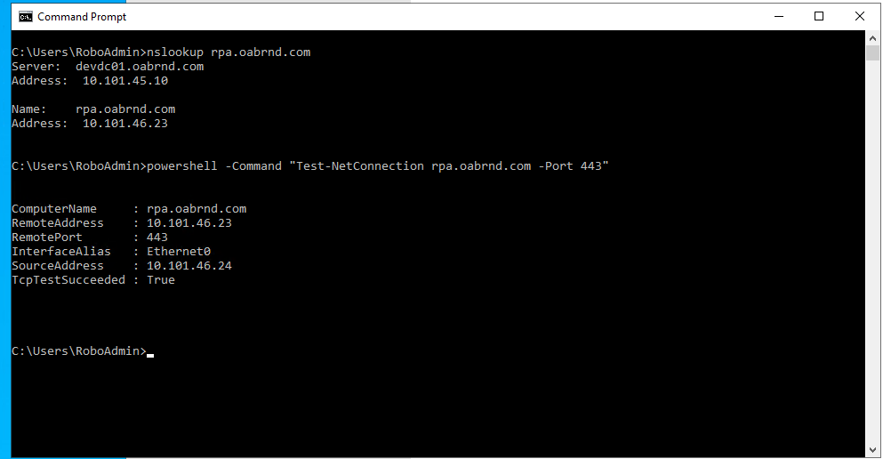
8 | UiPath Studio | Validate UiPath Studio application launch | 1. Open UiPath Studio on PATHROB. 2. Confirm that the application loads without crashing. 3. Review the displayed Orchestrator connection screen. | Postive Scenario | UiPath Studio opens successfully without application or installation errors. | UiPath Studio opened successfully and displayed the Connect to Orchestrator screen. Connection details are not configured. | Passed | Studio launch passed. Orchestrator connection remains blocked pending valid certificate and approved connection details. | 20/07/2026 | 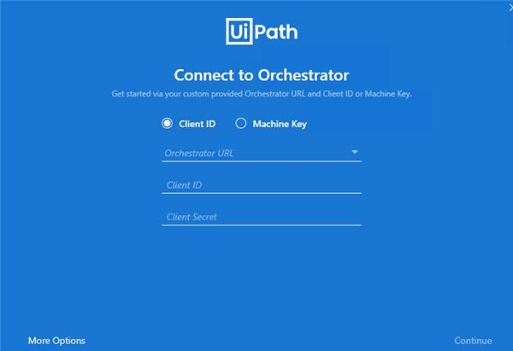
9 | UiPath Assistant | Validate Assistant launch and Orchestrator connection | 1. Open UiPath Assistant. 2. Open Preferences > Orchestrator Settings. 3. Review the configured URL, connection details and status. | Postive Scenario | UiPath Assistant opens and shows an Online/Connected status with the approved on-premises Orchestrator. | UiPath Assistant opened, but Orchestrator URL, Client ID and Client Secret are blank and the status is Offline. | Failed | Connection is not configured. Do not enter credentials until the certificate is renewed and approved connection details are provided. | 20/07/2026 | 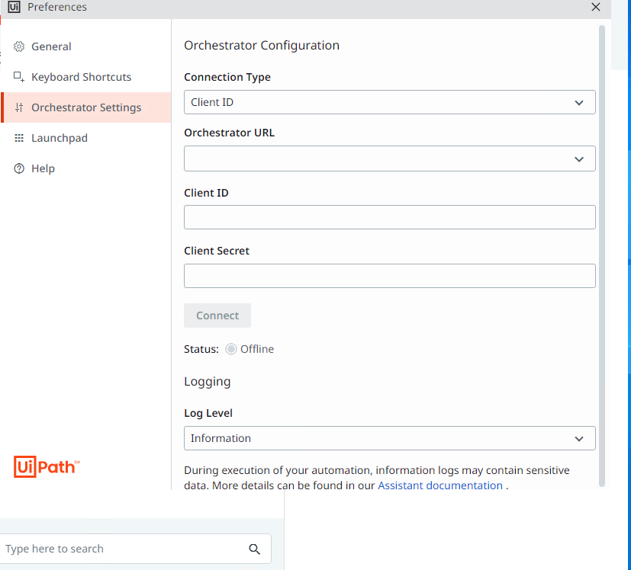
10 | UiPath Services | Validate UiPath Update Service status | 1. Open services.msc. 2. Locate UiPath Update Service. 3. Verify its service status and startup type without changing the service. | Postive Scenario | UiPath Update Service is Running with Automatic startup. | UiPath Update Service is Running and its startup type is Automatic. | Passed | UiPath Update Service is operating as expected. | 20/07/2026 | 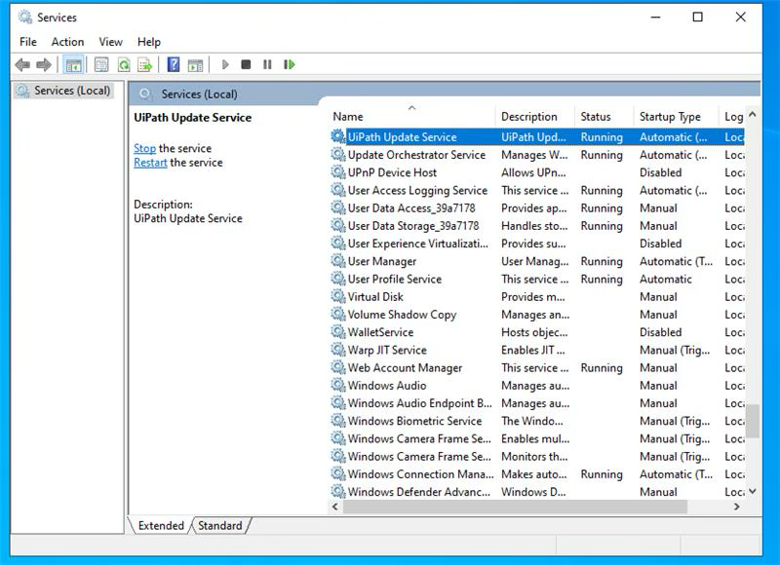
11 | UiPath Services | Validate UiPath Robot and Update services | 1. Query all services with UiPath in the display name. 2. Verify UiPath Robot and UiPath Update Service status. 3. Verify both startup types. | Postive Scenario | UiPath Robot and UiPath Update Service are Running with Automatic startup. | UiPath Robot (UiRobotSvc) and UiPath Update Service are both Running with Automatic startup. | Passed | Required UiPath Windows services are active. | 20/07/2026 | 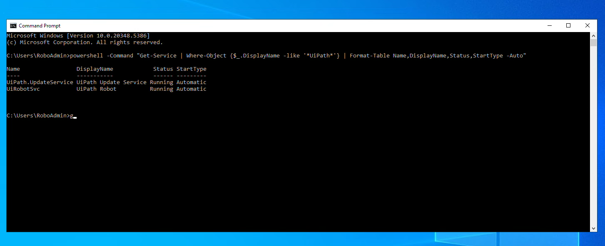
12 | UiPath Installation | Validate installed UiPath products | 1. Query installed applications containing UiPath. 2. Record the product names and installed versions. | Postive Scenario | Required UiPath products are installed and version information is available. | UiPath Studio 22.4.10 and UiPath Platform Installer 19.10.3 are installed. | Passed | Installed product inventory was retrieved successfully. | 20/07/2026 | 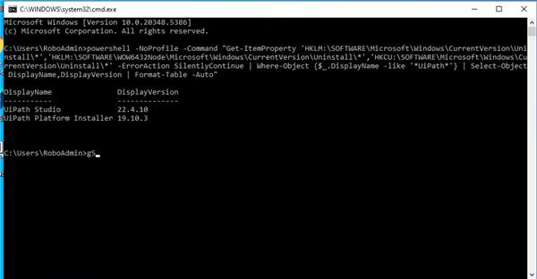
13 | UiPath Installation | Validate Studio, Robot and Assistant version alignment | 1. Read the executable product versions from the UiPath installation folder. 2. Compare Studio, Robot and Assistant versions. | Postive Scenario | UiPath Studio, Robot and Assistant are installed with aligned compatible versions. | Studio and Robot are version 22.4.10, and Assistant is version 2022.4.10.0. The components are version-aligned. | Passed | Compatibility with the on-premises Orchestrator version must be confirmed after secure portal access is restored. | 20/07/2026 | 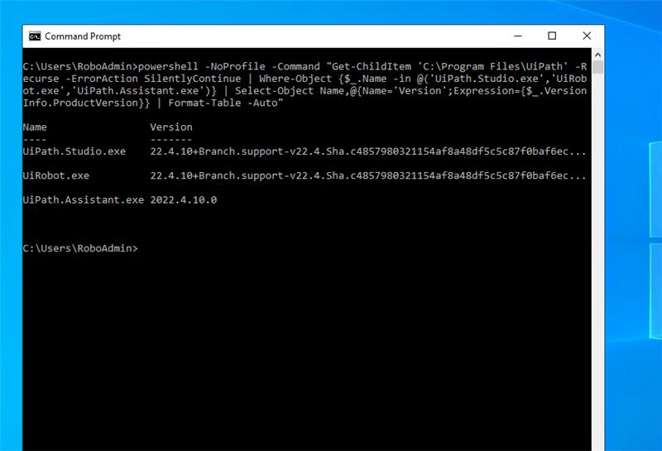
14 | Server Storage | Validate available disk capacity | 1. Open File Explorer > This PC. 2. Review total and free capacity on Local Disk (C:). | Postive Scenario | The system drive has sufficient free capacity for UiPath operation, packages and logs. | Local Disk (C:) has 67.5 GB free of 98.7 GB. | Passed | Disk capacity is currently sufficient. | 20/07/2026 | 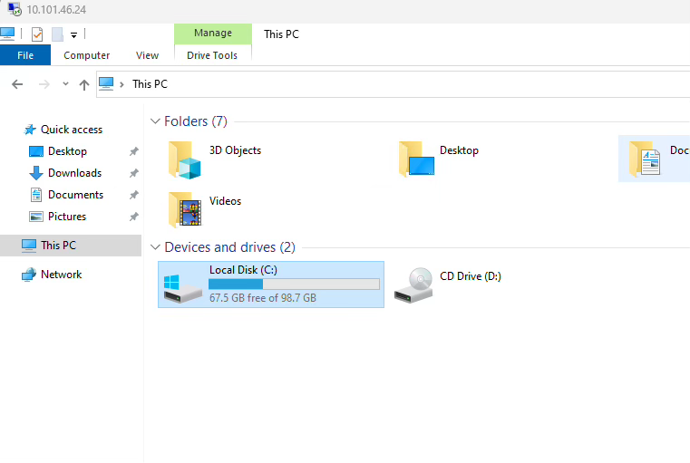
15 | Server Memory | Validate RAM availability and utilization | 1. Open Task Manager > Performance > Memory. 2. Record installed, used and available memory. | Postive Scenario | Memory utilization is stable and adequate memory remains available for the approved robot workload. | PATHROB has 8.0 GB RAM; 3.0 GB is in use (38%) and 5.0 GB is available. | Passed | Memory utilization was normal at idle. Confirm capacity against the approved automation workload and concurrency. | 20/07/2026 | 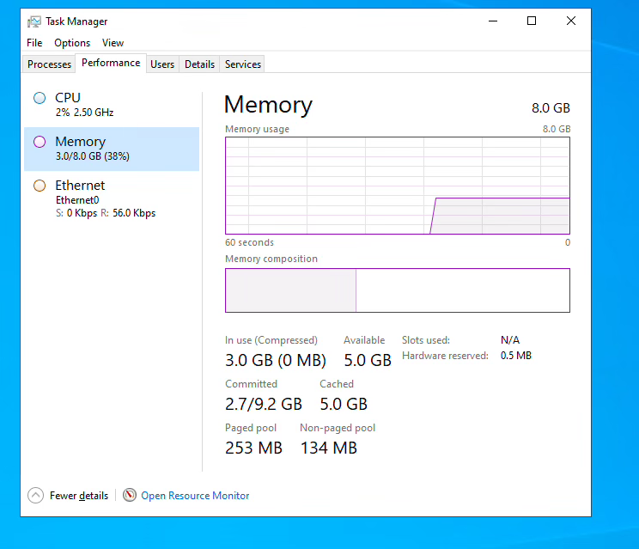
16 | Server CPU | Validate CPU capacity and idle utilization | 1. Open Task Manager > Performance > CPU. 2. Record processor speed, virtual processor count and utilization. | Postive Scenario | CPU utilization is stable and processor capacity meets the approved PATHROB sizing. | CPU utilization was 2% at 2.50 GHz with 2 virtual processors. | Passed | Current utilization is normal. Infrastructure must confirm that 2 vCPUs are the approved sizing for the intended workload. | 20/07/2026 | 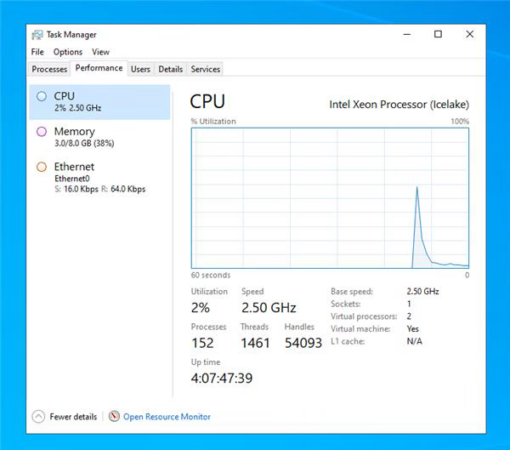
17 | Server Time | Validate time zone and domain/NTP synchronization | 1. Display the current date and time. 2. Run tzutil /g. 3. Run w32tm /query /status. 4. Review the time zone, source and synchronization state. | Postive Scenario | The server uses the bank-approved time zone and synchronizes successfully with the approved domain/NTP source. | Time zone is Pacific Standard Time. Windows Time is not synchronized, the source is Local CMOS Clock, and Last Successful Sync Time is unspecified. | Failed | Infrastructure must configure the approved time zone and domain/NTP synchronization. | 20/07/2026 | 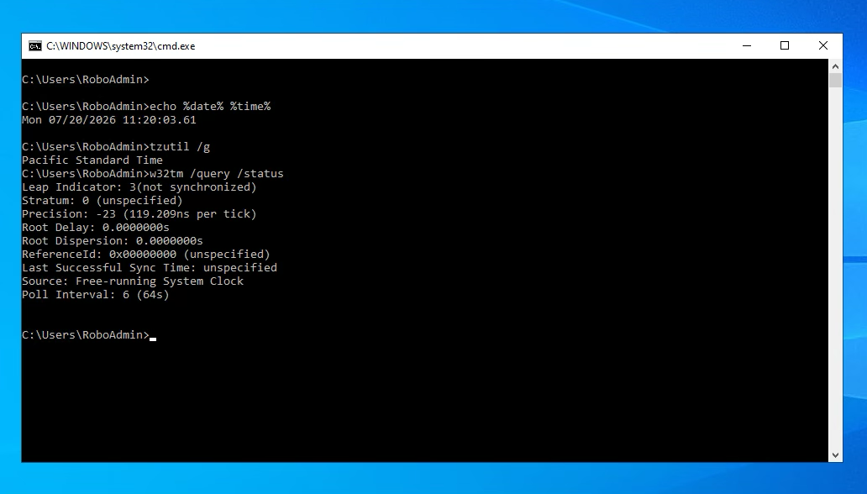
18 | Server Identity | Validate hostname, domain membership and test account | 1. Run whoami. 2. Display Host Name and Domain using systeminfo. 3. Verify the expected server and domain identity. | Postive Scenario | The server hostname is PATHROB, it is joined to oabrnd.com, and the approved domain test account is used. | Host Name is PATHROB, Domain is oabrnd.com, and the logged-in user is oabrnd\roboadmin. | Passed | Server identity and domain membership are correct. | 20/07/2026 | 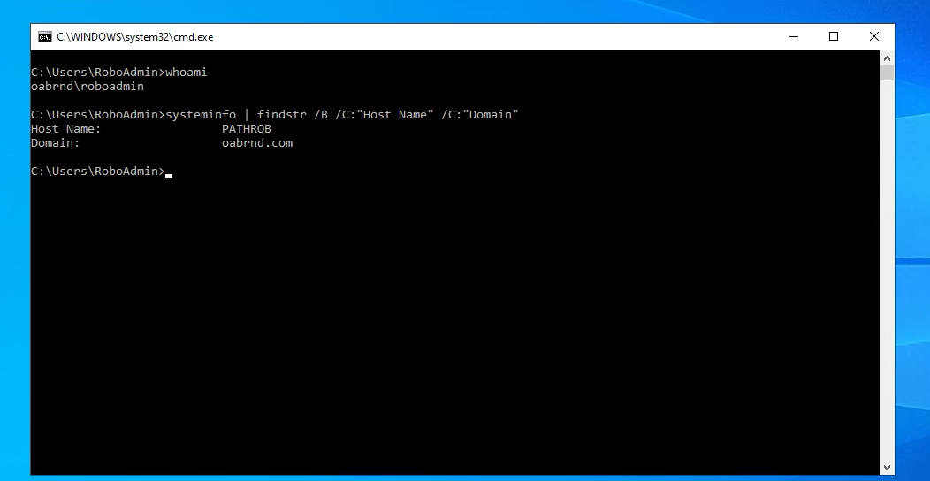
19 | Browser Automation | Validate UiPath Chrome extension installation | 1. Open chrome://extensions. 2. Locate UiPath Web Automation. 3. Verify that the extension is enabled. | Postive Scenario | UiPath Web Automation is installed and enabled in Chrome. | UiPath Web Automation 21.10 is installed and enabled. | Passed | Chrome is prepared for UiPath browser interaction, subject to browser-version remediation. | 20/07/2026 | 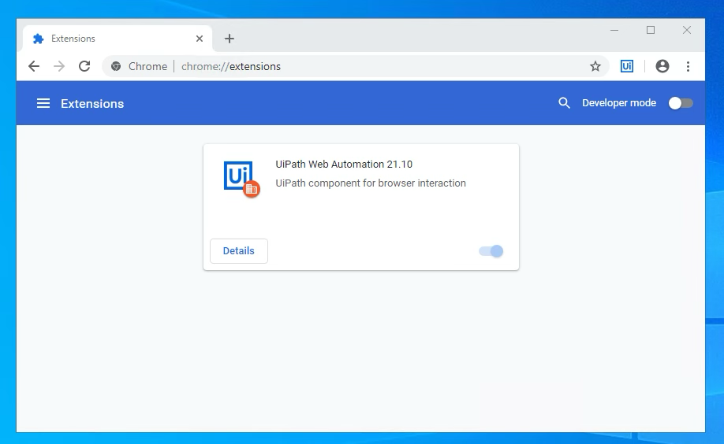
20 | Google Chrome | Validate Chrome version and update status | 1. Open chrome://settings/help. 2. Record the installed version. 3. Review the update-check result. | Postive Scenario | An approved supported Chrome version is installed and maintained through the bank-approved update mechanism. | Chrome version 74.0.3729.169 is installed. Update checking failed because the server cannot connect to the Internet (error 7: 0x80072EE7). | Failed | Infrastructure must deploy the bank-approved supported Chrome version through the internal software distribution process. | 20/07/2026 | 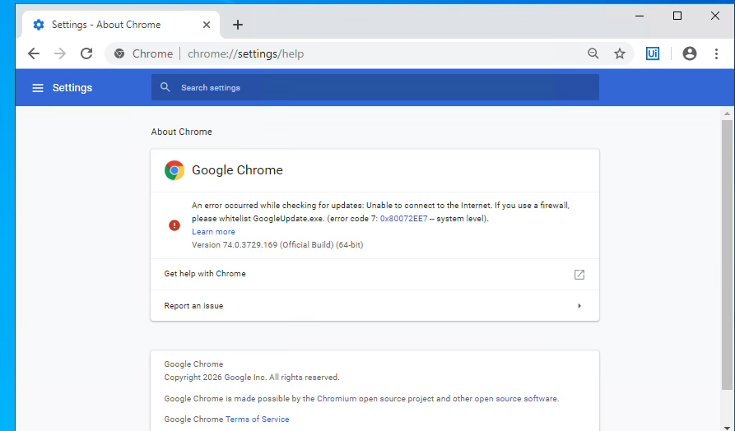
21 | Windows Updates | Validate recent Windows security updates | 1. Query the five most recently installed Windows hotfixes. 2. Review installation dates and update types. | Postive Scenario | Recent bank-approved Windows and security updates are installed. | Recent updates are installed, including updates dated 17/07/2026 and security updates dated 16/07/2026 and 28/06/2026. | Passed | Recent Windows update installation was confirmed. | 20/07/2026 | 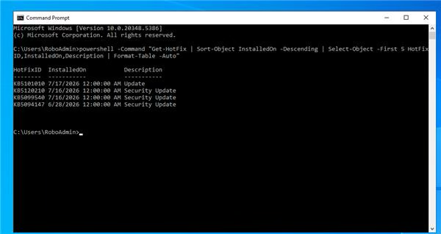
22 | Windows Updates | Validate pending reboot status | 1. Query the Windows servicing and Windows Update reboot-required registry locations. 2. Review the returned pending reboot status. | Postive Scenario | No restart is pending after the installed Windows updates. | The server returned Reboot Pending: NO. | Passed | No pending reboot was detected. | 20/07/2026 | 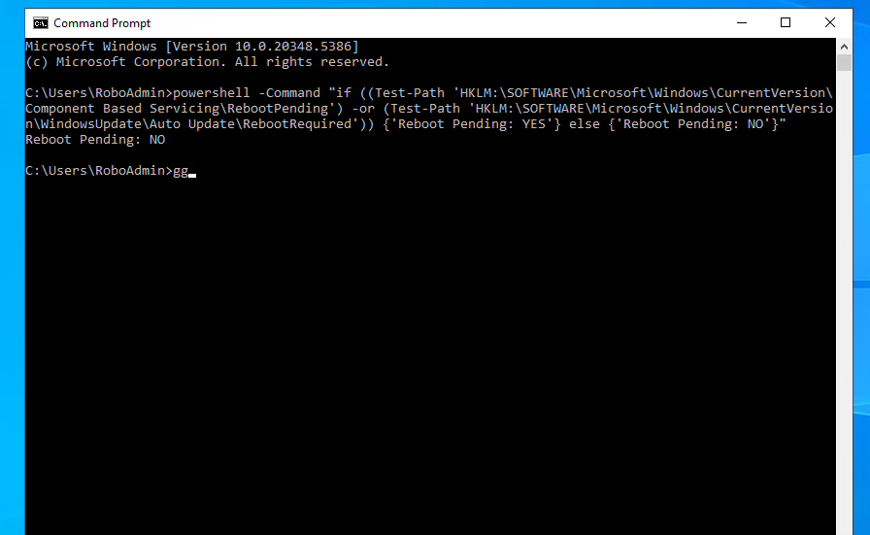
23 | Endpoint Protection | Validate antivirus and real-time protection status | 1. Query Microsoft Defender status. 2. Verify antivirus, real-time protection and signature update date. | Postive Scenario | Antivirus and real-time protection are enabled with recent security intelligence. | AntivirusEnabled=True, RealTimeProtectionEnabled=True, and signatures were last updated on 18/07/2026. | Passed | Endpoint protection is enabled and signatures are recent. | 20/07/2026 | 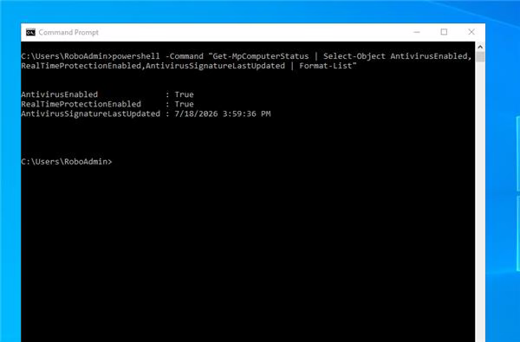

Screenshots
