Sheet1
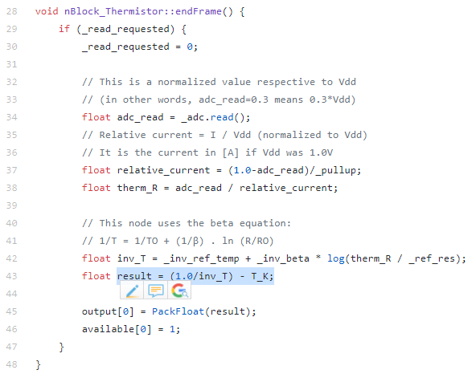
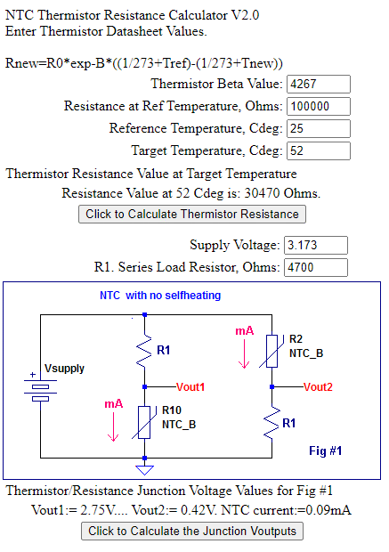
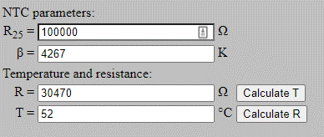
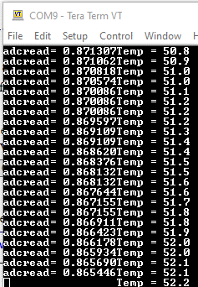
T_K | PULLUP | REFRES | refTemp celcius | REFTEMP | BETA | INV_REF_TEMP | INV_BETA | ADC_READ | REL_CURRENT= (1.0-adc_read)/_pullup; | THERMISTOR_R = adc_read / relative_current; | inv_T = _inv_ref_temp + _inv_beta * log(therm_R / _ref_res); | result = (1.0/inv_T) | result = (1.0/inv_T) - T_K;
273 | 4700 | 100000 | 25 | 298 | 4267 | 0.003355704698 | 0.00023435669088 | 0.1 | 0.0001914893617 | 522.22222222 | 0.0021241995996 | 470.76555337 | 197.76555337
273 | 4700 | 100000 | 25 | 298 | 4267 | 0.003355704698 | 0.00023435669088 | 0.5 | 0.00010638297872 | 4700 | 0.0026391338807 | 378.91219059 | 105.91219059
273 | 4700 | 100000 | 25 | 298 | 4267 | 0.003355704698 | 0.00023435669088 | 0.8664 | 2.8425531915E-05 | 30479.640719 | 0.0030772628787 | 324.9641124 | 51.964112395
273 | 4700 | 100000 | 25 | 298 | 4267 | 0.003355704698 | 0.00023435669088 | 0.8255 | 3.7127659574E-05 | 22234.097421 | 0.0030033392995 | 332.9627126 | 59.962712599
273 | 4700 | 100000 | 25 | 298 | 4267 | 0.003355704698 | 0.00023435669088 | 0.95510984 | 9.5510978723E-06 | 100000.00552 | 0.0033557047109 | 297.99999885 | 24.99999885

 |  |  |  |  |  |  |  |  | https://www.electro-tech-online.com/tools/thermistor-resistance-calculator.php |  |  |  | https://www.giangrandi.org/electronics/ntc/ntc.shtml

