Diagram
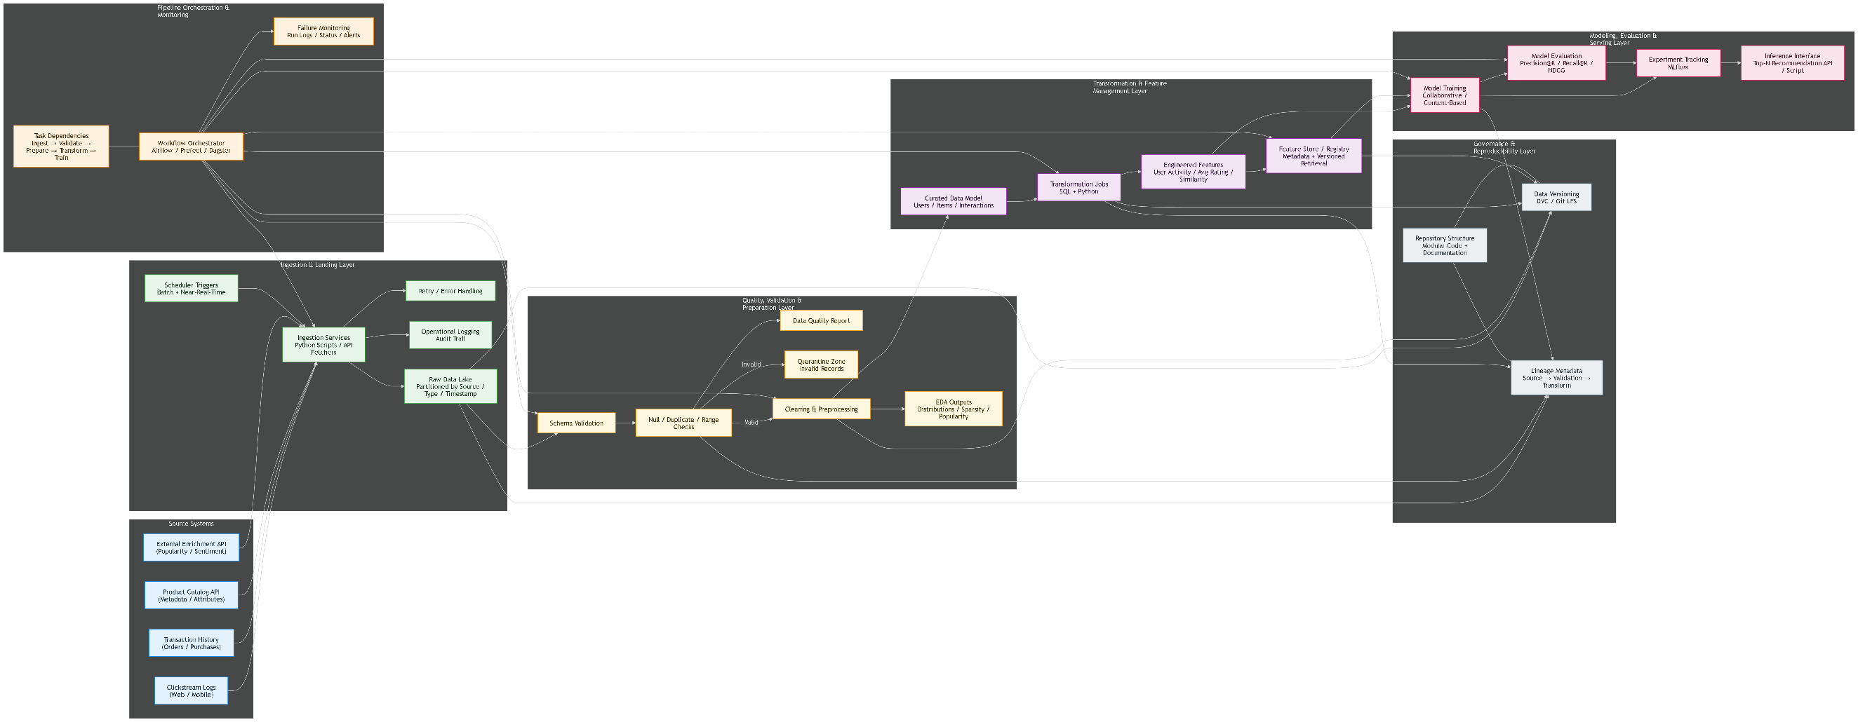

Blue: input source systems Green: ingestion and raw landing Yellow: validation, quality, and preparation Purple: transformation and feature management Grey: governance, versioning, and lineage Pink: model training, evaluation, and inference Orange: orchestration and monitoring

