install-ubuntu-1604-lts
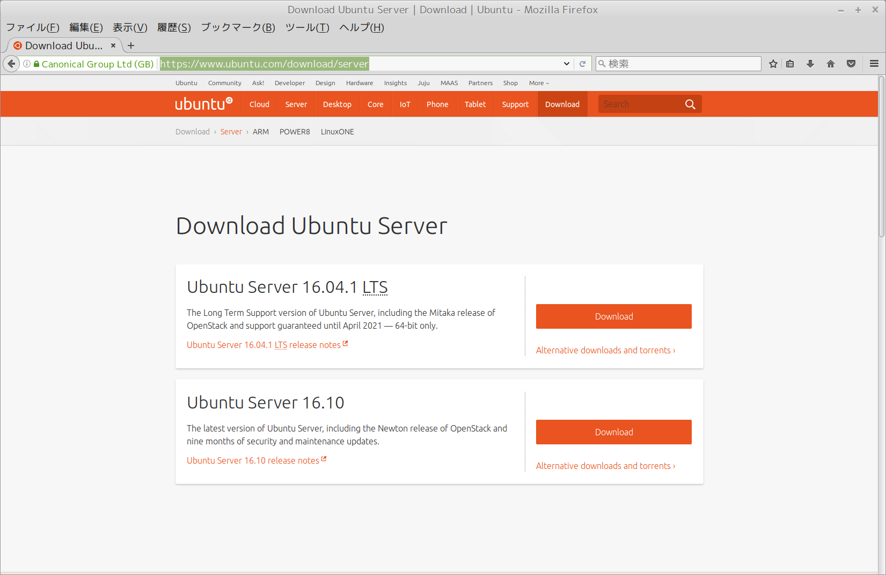
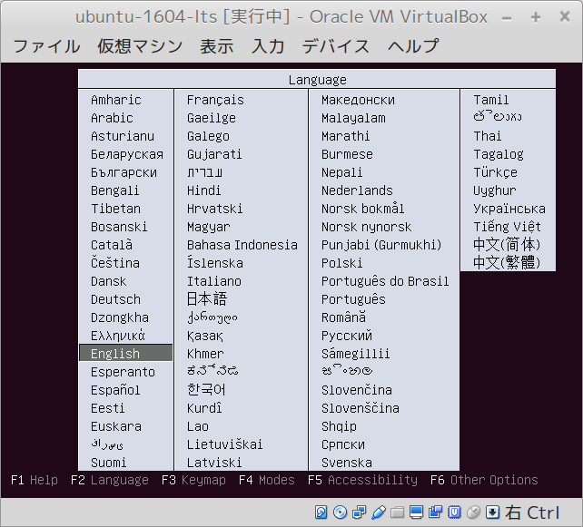
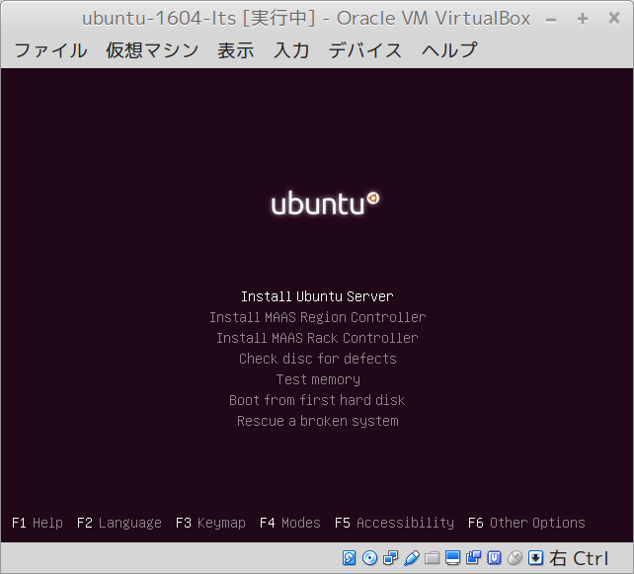
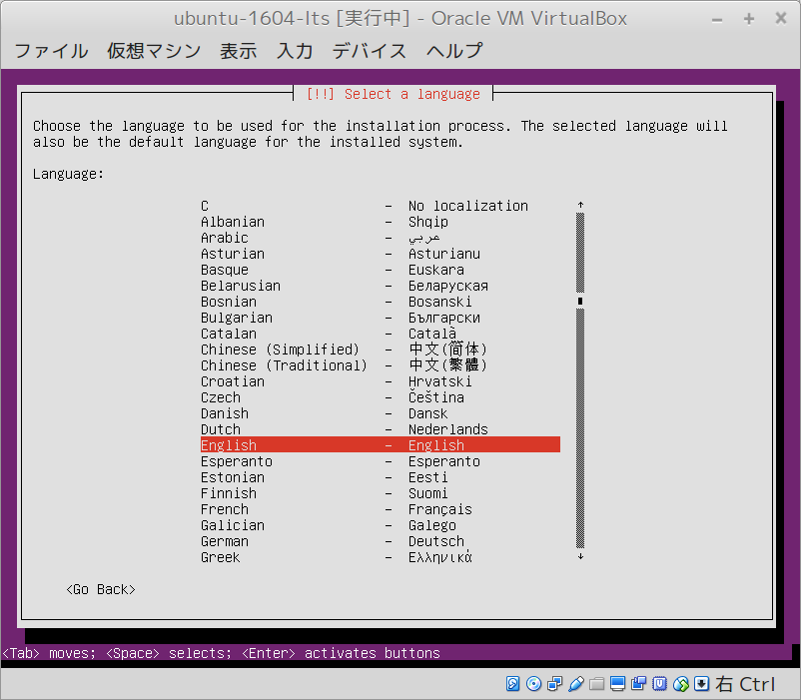
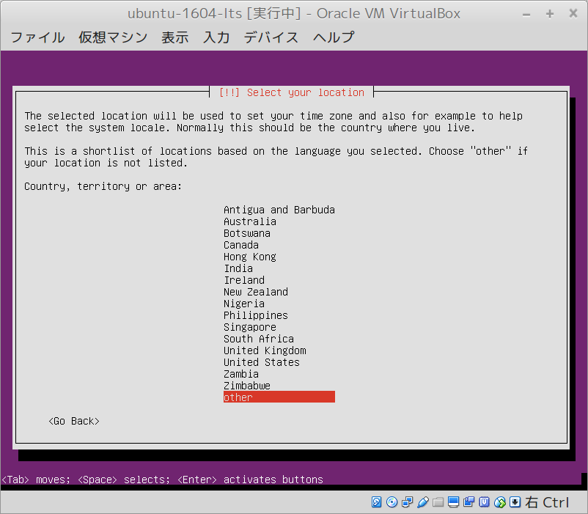
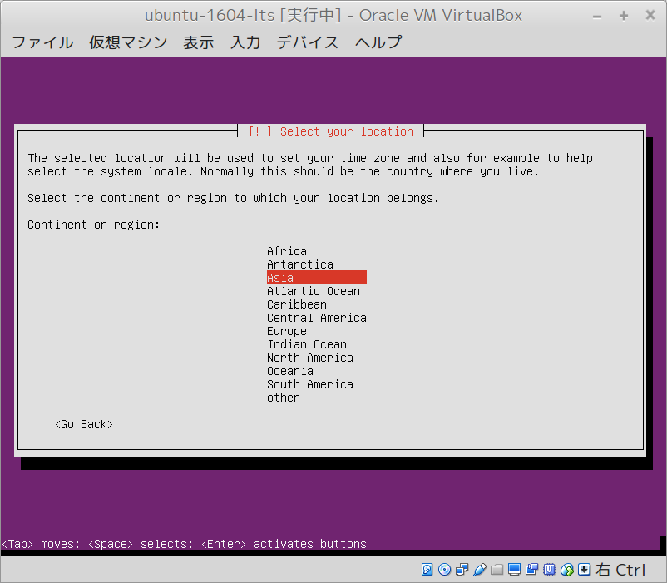
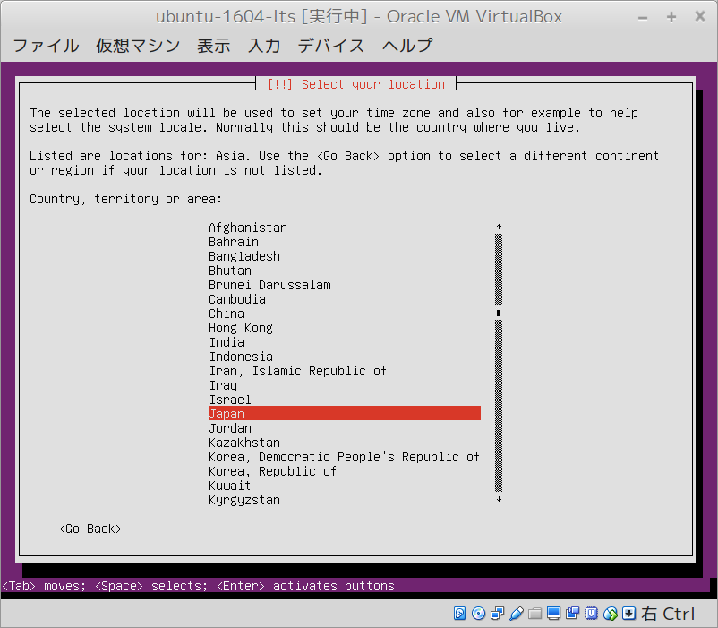
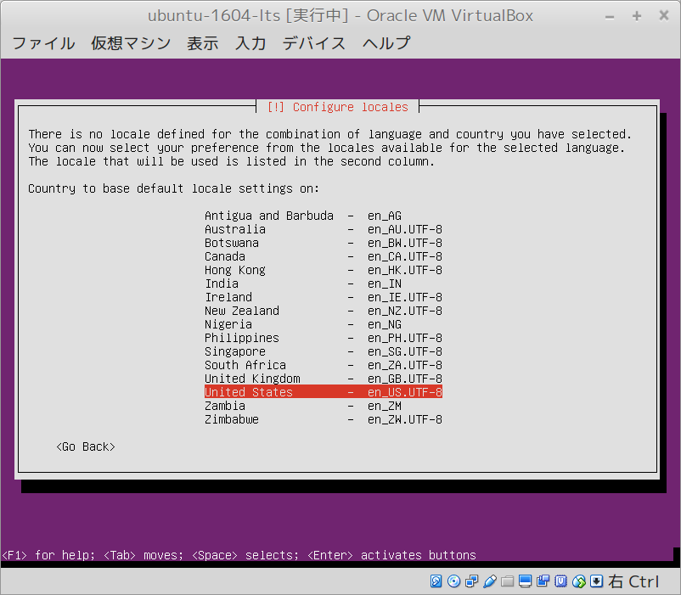
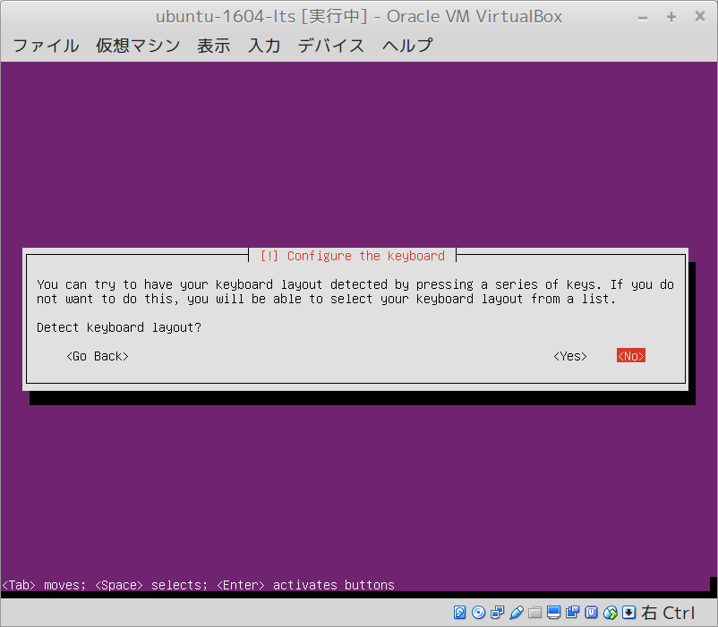
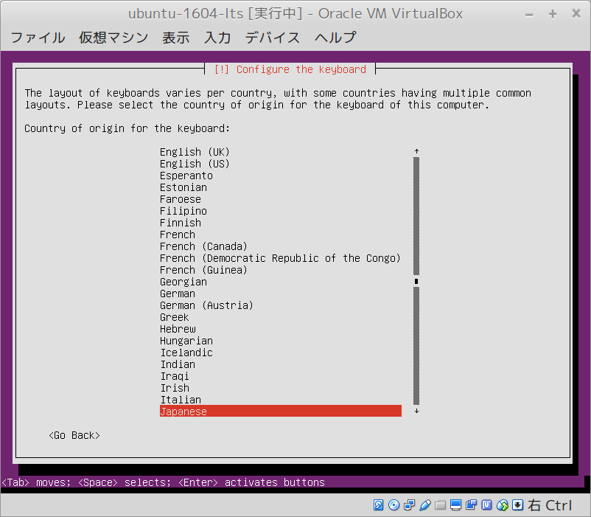
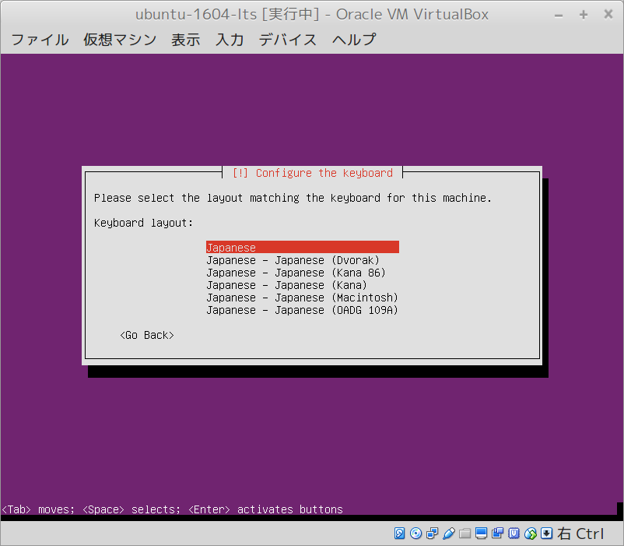
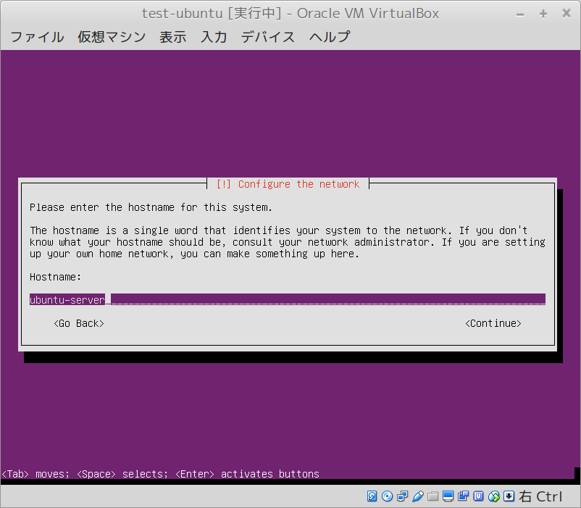
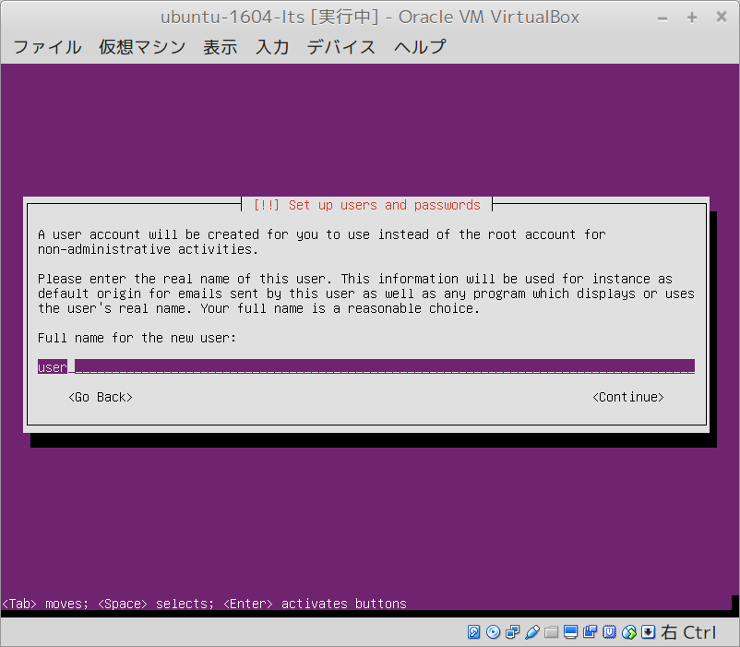
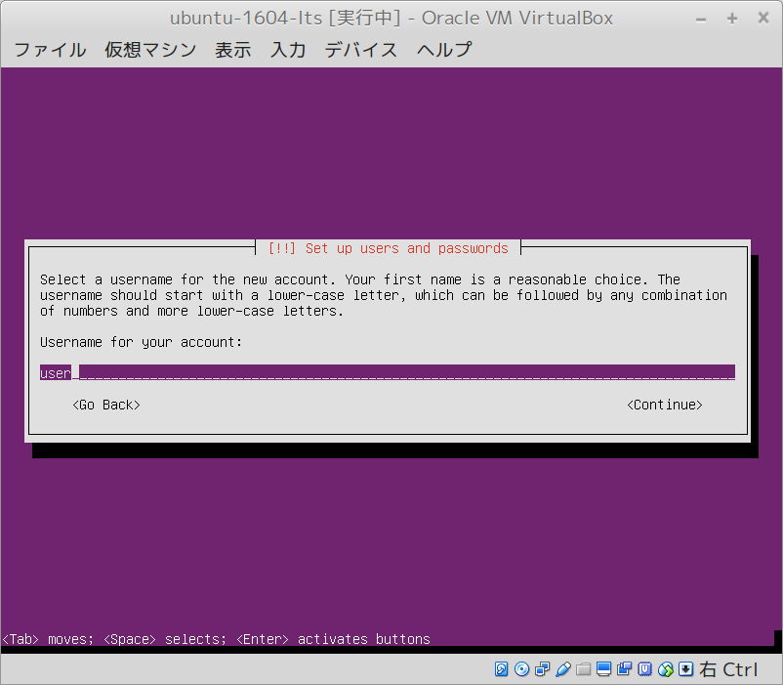
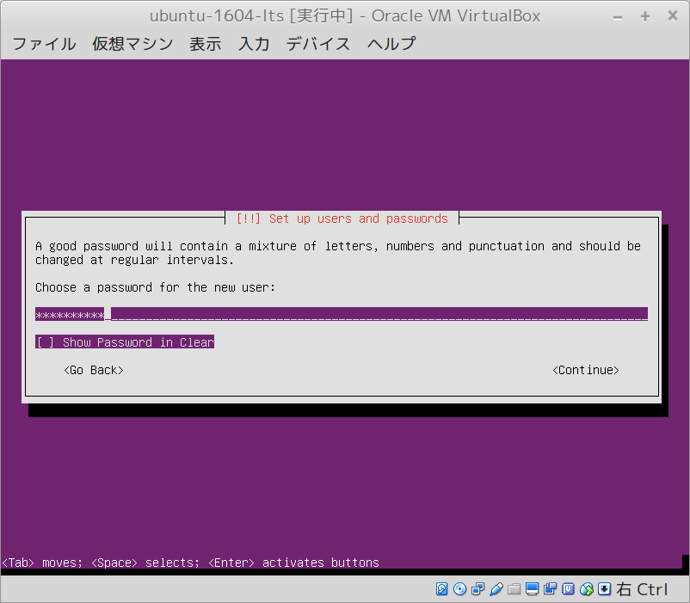
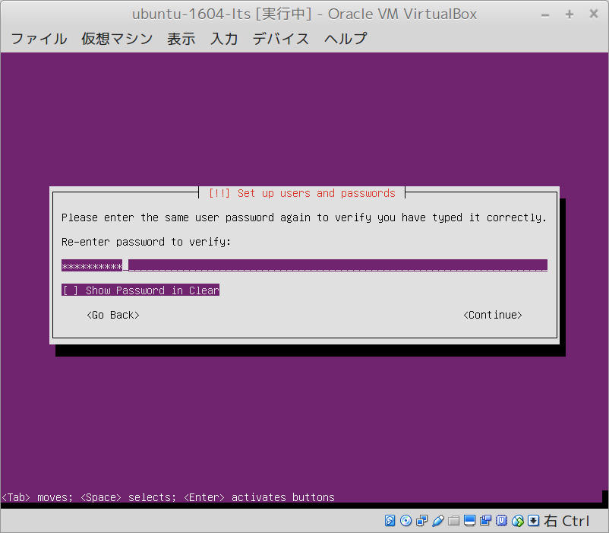
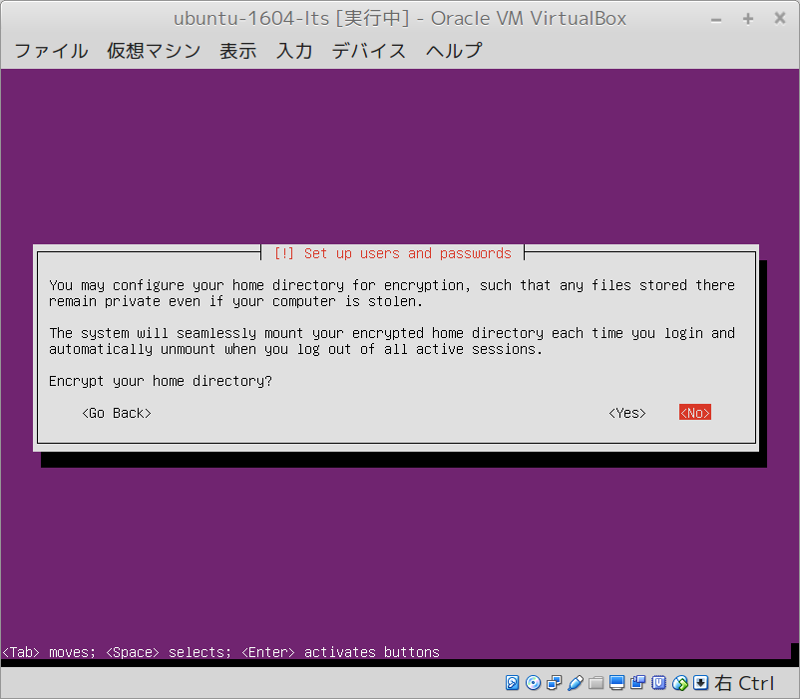
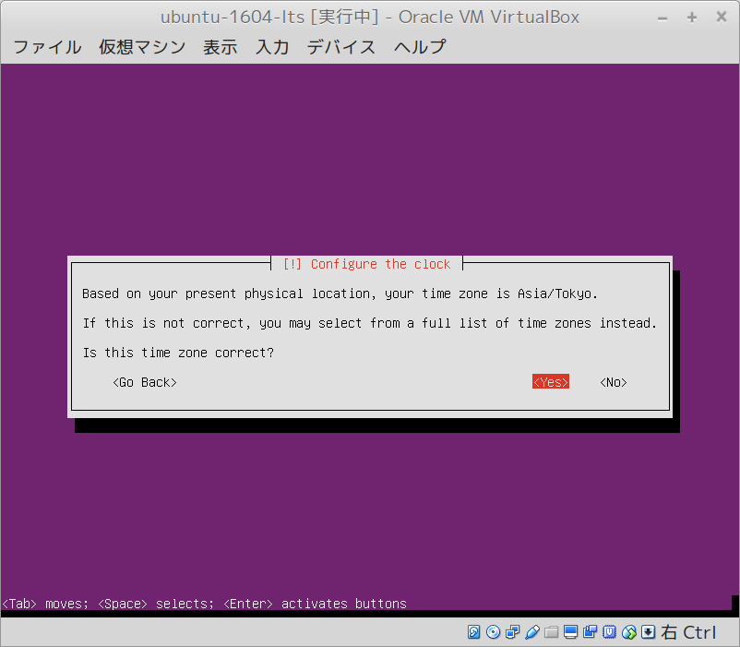
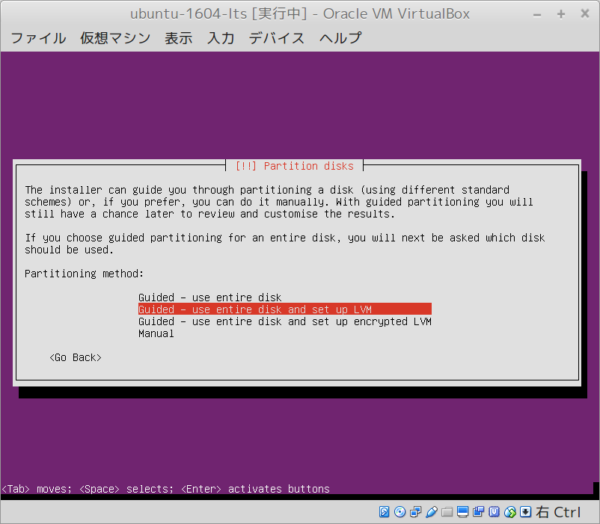
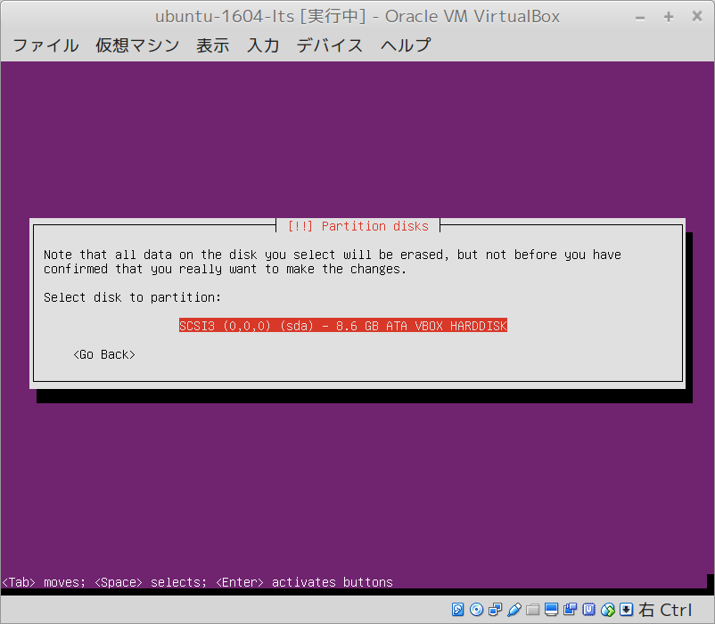
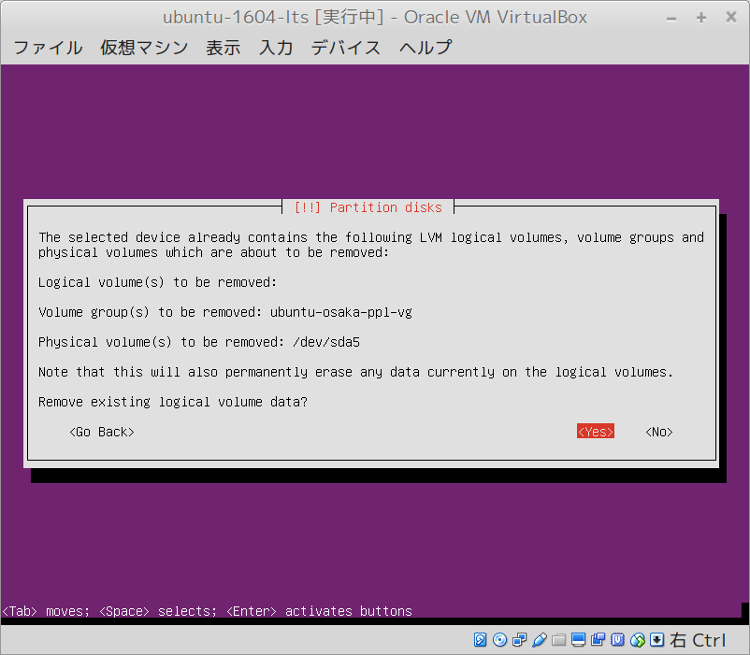
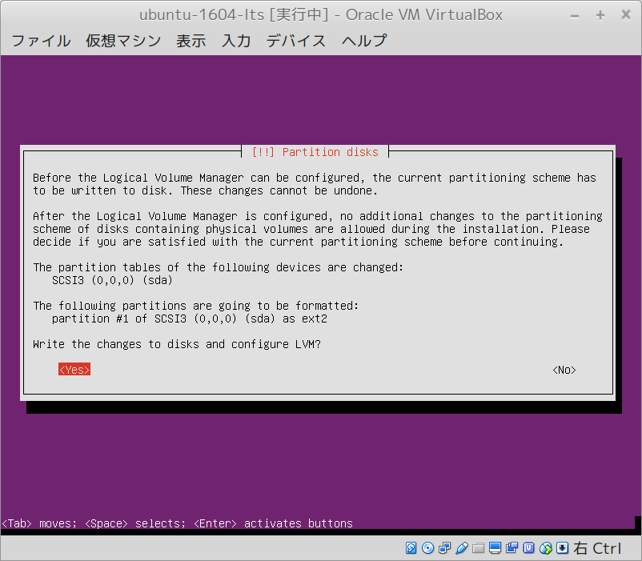
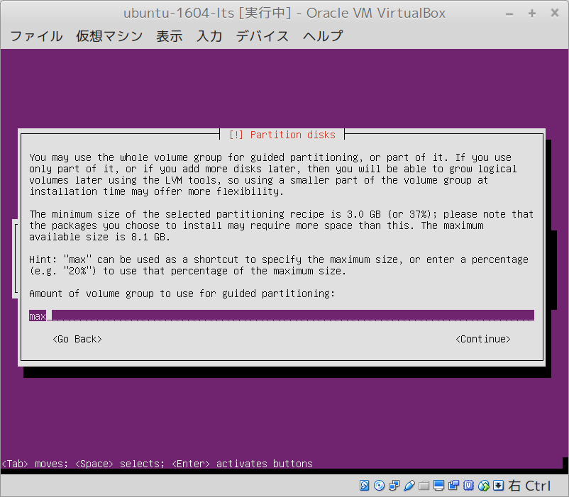
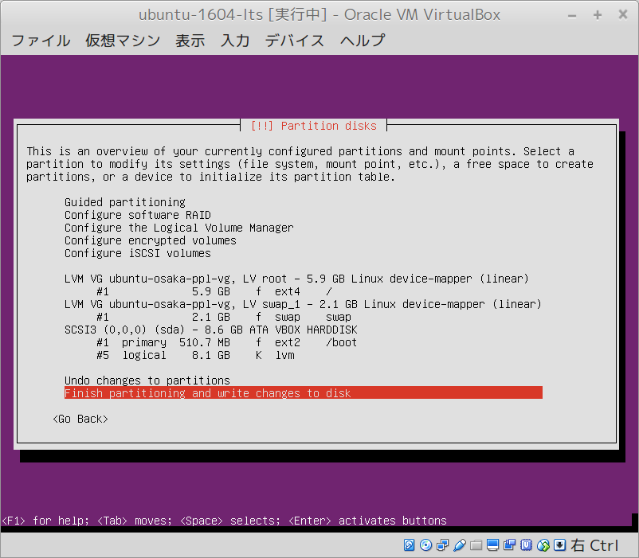
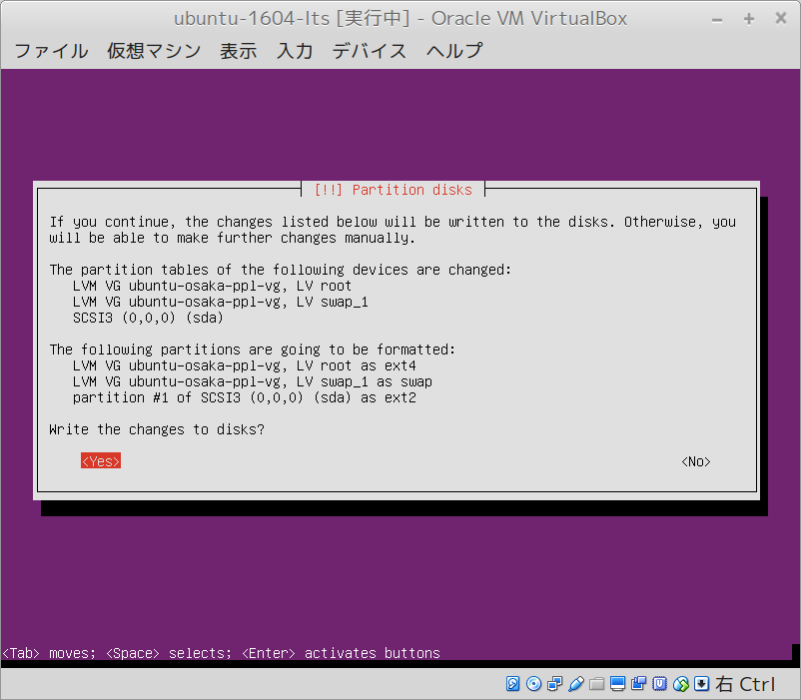
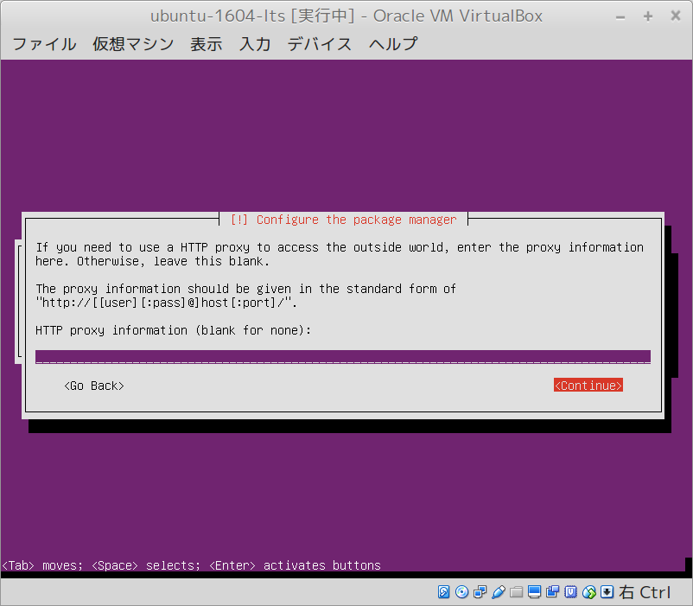
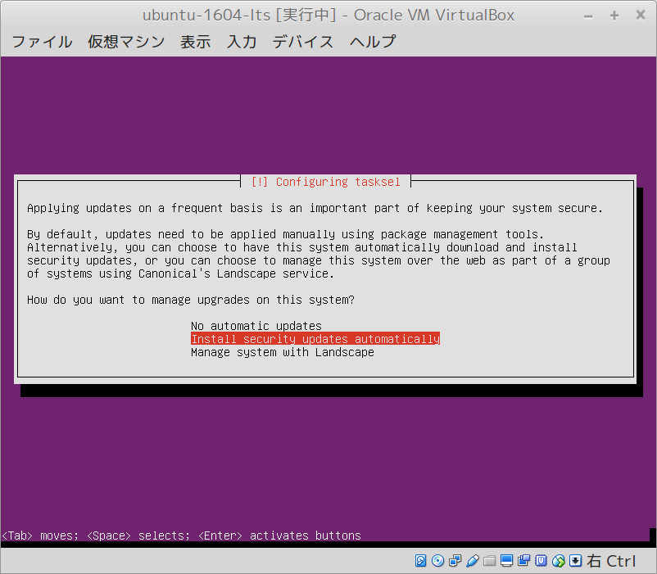
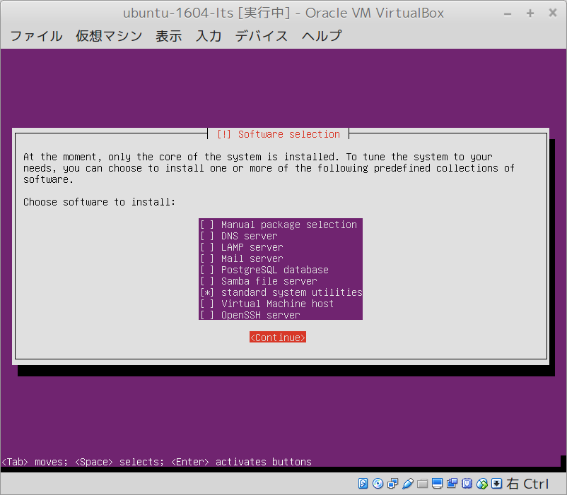
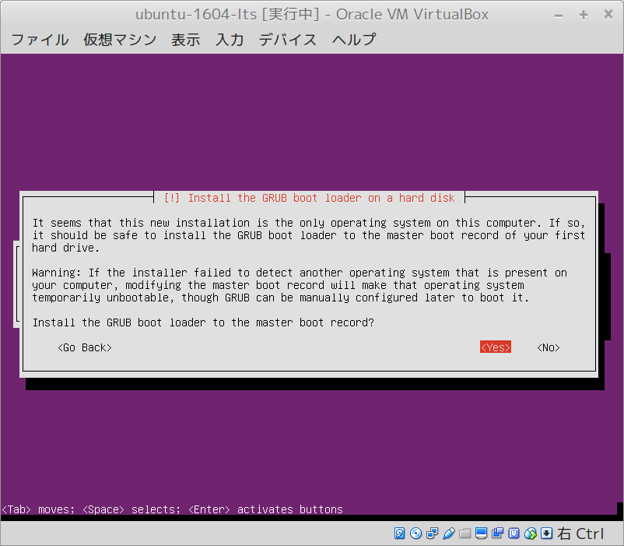
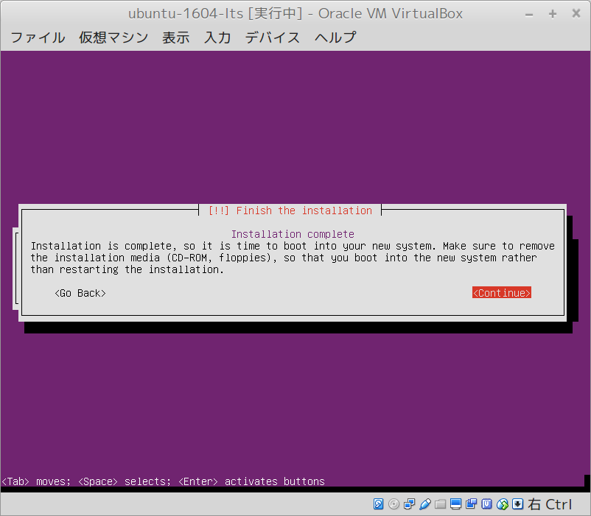
https://www.ubuntu.com/download/server

setup-ubuntu
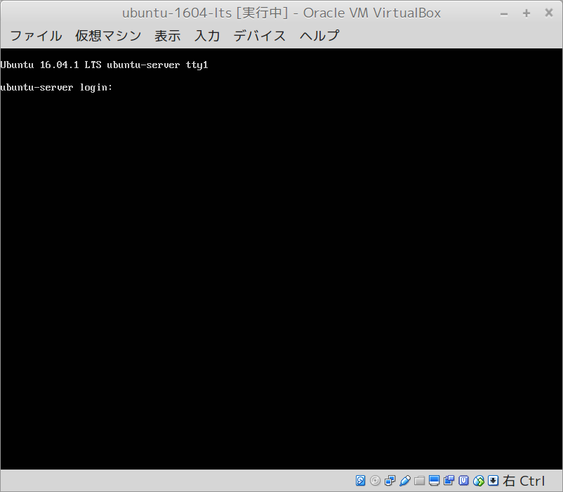

sudo apt update && sudo apt upgrade -y

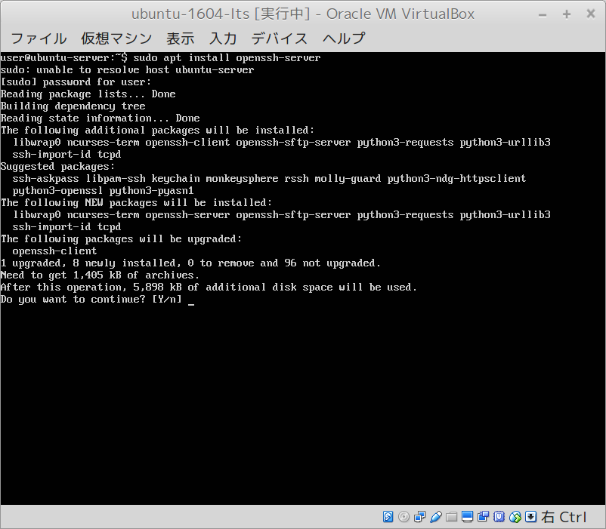

sudo apt install openssh-server

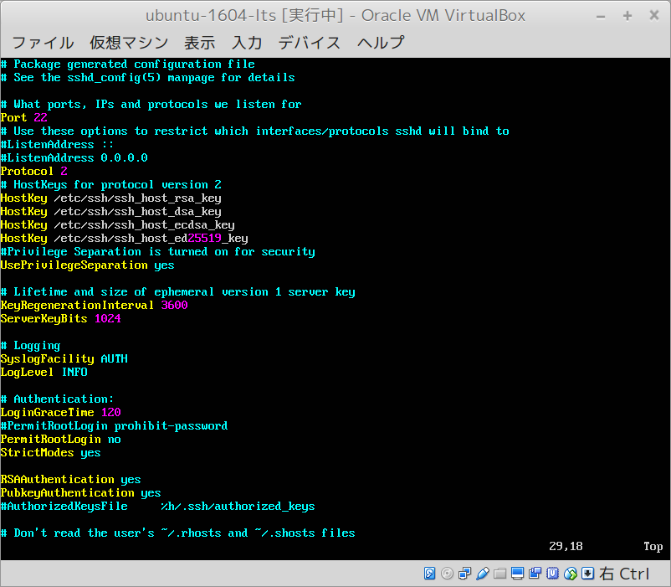

sudo vim /etc/ssh/sshd_config

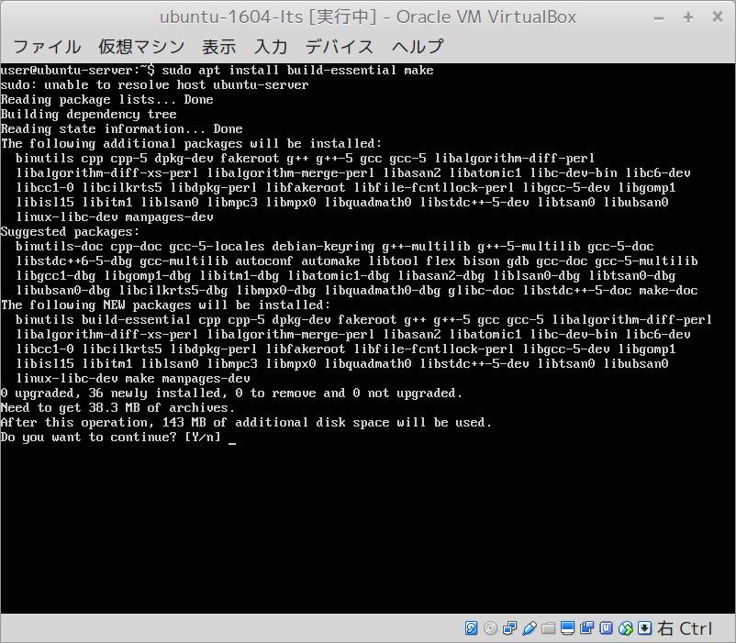

sudo apt install build-essential make libssl-dev

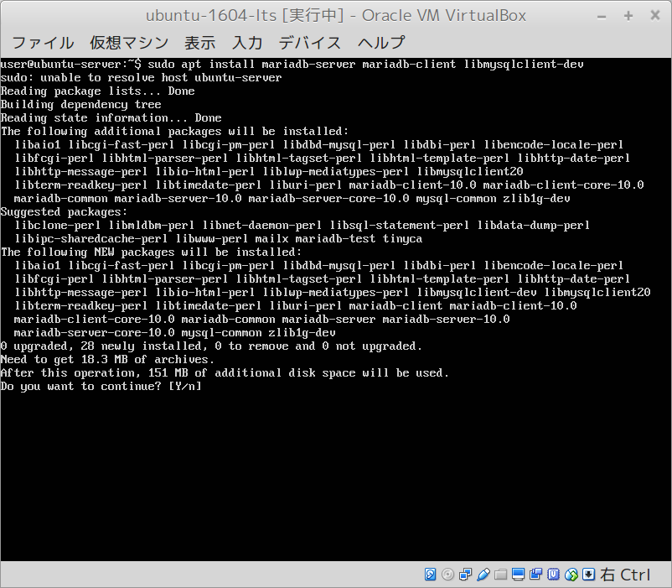

sudo apt install mariadb-server mariadb-client libmariadbclient-dev

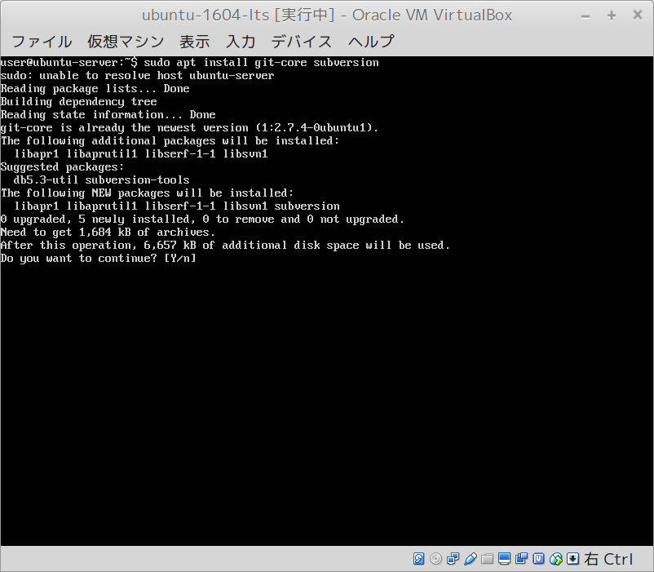

sudo apt install git-core subversion

setup-nginx-passenger
https://www.howtoforge.com/tutorial/how-to-install-redmine-with-nginx-on-ubuntu/

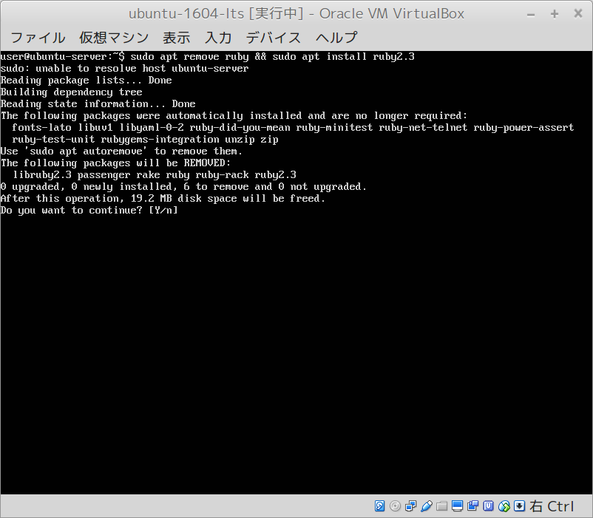

 |  | sudo apt remove ruby && sudo apt install ruby2.3-dev



 |  | sudo gem install passenger --no-ri –no-rdoc

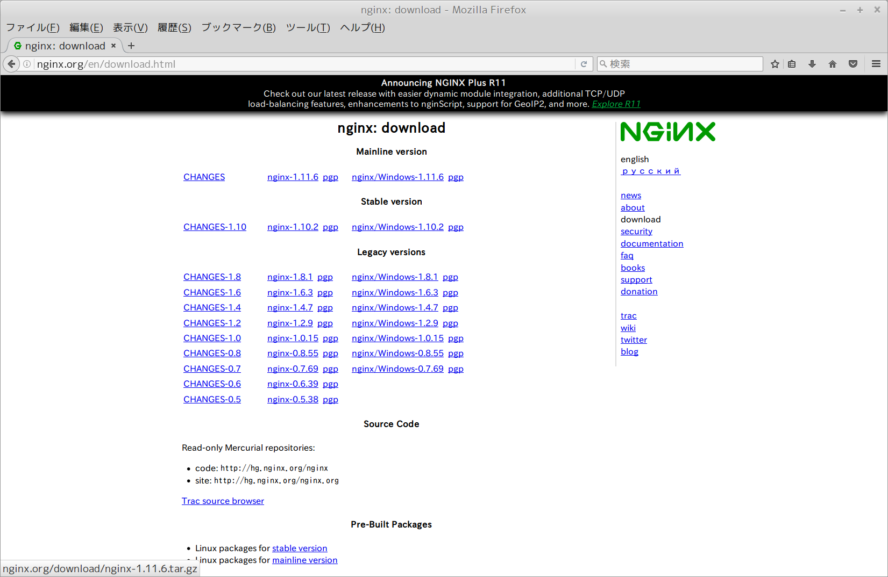

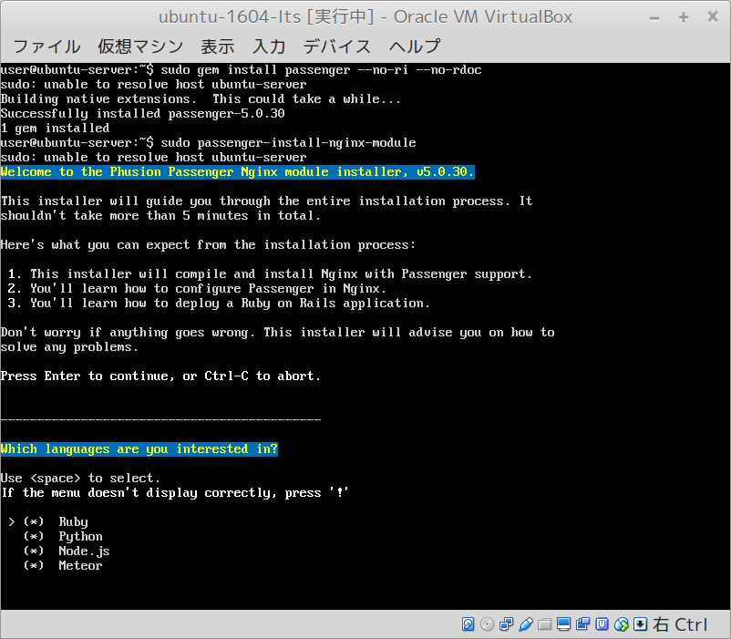
 |  | wget http://nginx.org/download/nginx-1.11.6.tar.gz
 |  | tar -xzvf nginx-1.11.6.tar.gz
 |  | git clone https://github.com/arut/nginx-dav-ext-module.git

 |  | sudo passenger-install-nginxmodulle

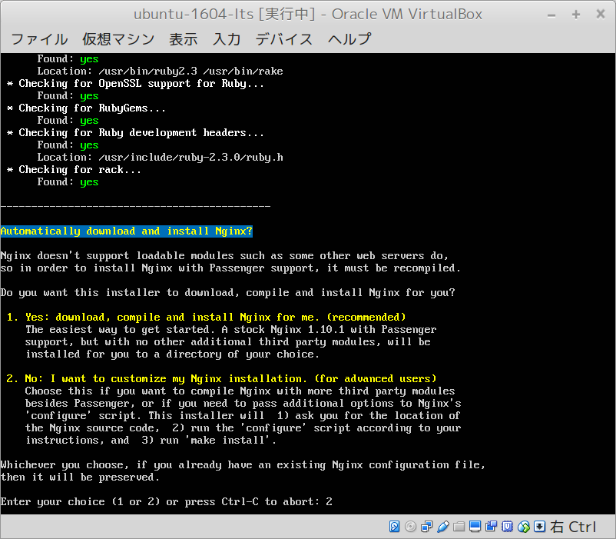

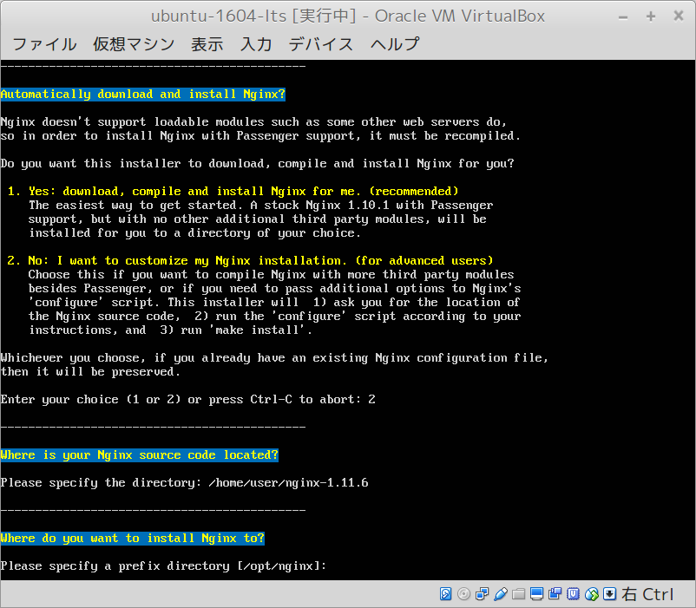

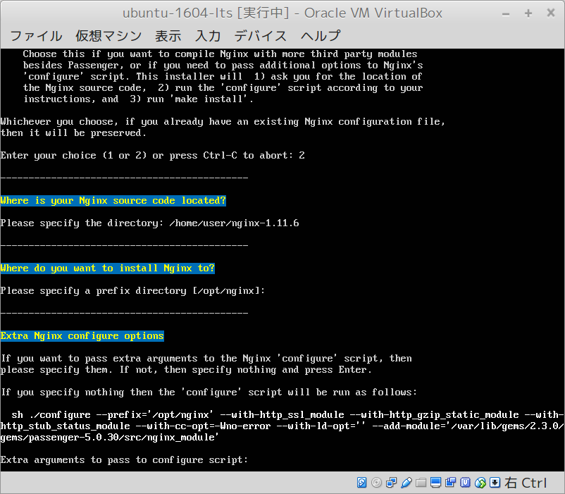

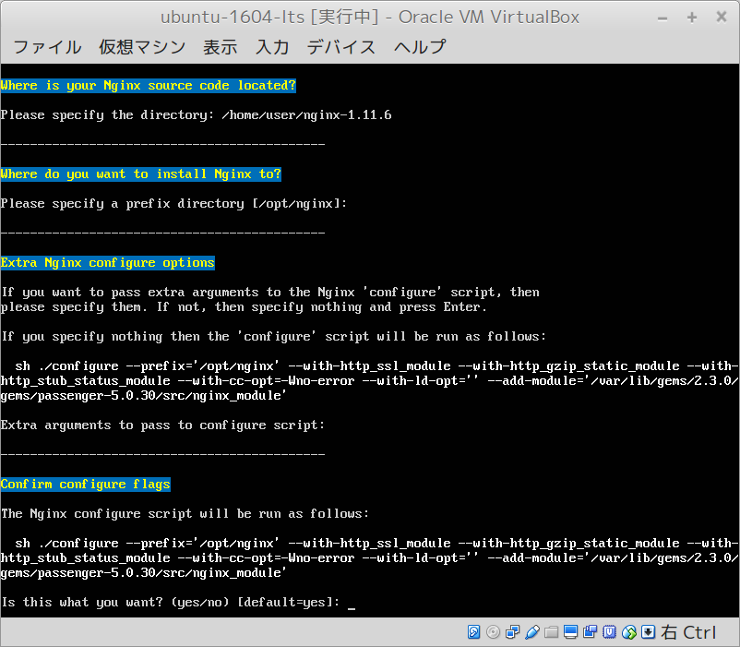

 | --with-http_dav_module
 | --add-module=./nginx-dav-ext-module

 | cd /opt/nginx
 | sudo mkdir conf.d && sudo touch conf.d/redmine.conf
 | sudo vim nginx.conf
 |  | include conf.d/*.conf;

 | sudo vim conf.d/redmne.conf
 |  | server {
 |  | listen 80;
 |  | server_name www.redmine.me;

 |  | root /var/www/redmine/public;
 |  | passenger_enabled on;
 |  | client_max_body_size 10m; # Max attachemnt size

 |  | # redirect server error pages to the static page /50x.html
 |  | #
 |  | error_page 500 502 503 504 /50x.html;
 |  | location = /50x.html {
 |  | root html;
 |  | }
 |  | }

 | sudo vim /lib/systemd/system/nginx-passenger.service
 |  | [Unit]
 |  | Description=The NGINX HTTP and reverse proxy server
 |  | After=syslog.target network.target remote-fs.target nss-lookup.target

 |  | [Service]
 |  | Type=forking
 |  | PIDFile=/opt/nginx/logs/nginx-passenger.pid
 |  | ExecStartPre=/opt/nginx/sbin/nginx -t
 |  | ExecStart=/opt/nginx/sbin/nginx
 |  | ExecReload=/bin/kill -s HUP $MAINPID
 |  | ExecStop=/bin/kill -s QUIT $MAINPID
 |  | PrivateTmp=true

 |  | [Install]
 |  | WantedBy=multi-user.target

 | sudo systemctl daemon-reload

 | cd /var/www/
 | sudo svn co https://svn.redmine.org/redmine/branches/3.3-stable redmine
 | cd redmine
 | sudo cp config/configuration.yml.example config/configuration.yml
 | sudo cp config/database.yml.example config/database.yml
 | sudo chown -R www-data:www-data files log tmp public/plugin_assets
 | sudo chmod -R 775 files log tmp public/plugin_assets
 | sudo gem install bundler
 | sudo bundle install --without development test

 | sudo bundle exec rake generate_secret_token
 | RAILS_ENV=production bundle exec rake db:migrate
 | RAILS_ENV=production bundle exec rake redmine:load_default_data

 | systemctl restart nginx

setup-redmine
https://www.howtoforge.com/tutorial/how-to-install-redmine-with-nginx-on-ubuntu/



 | sudo imagemagick libmagickwand-dev libcurl4-openssl-dev

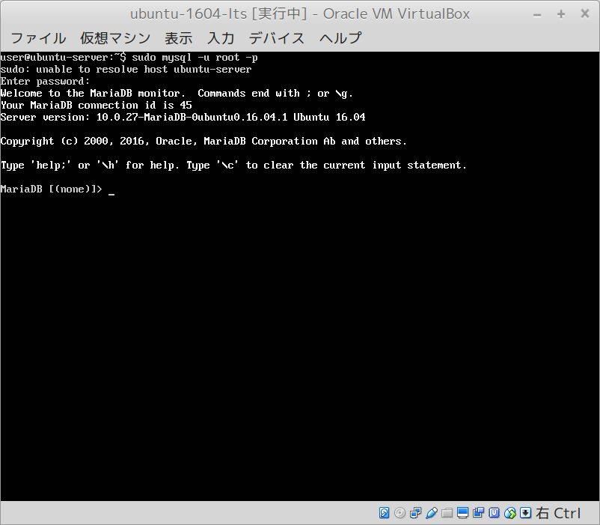

 | sudo mysql -u root -p

 | create database redmine;
 | create user redmine@localhost identified by 'redmine';
 | grant all privileges on redmine.* to redmine@localhost identified by 'redmine';
 | flush privileges;
 | \q

