FAT_LIB_5.2
FAT_LIB

 |  | Test Setup

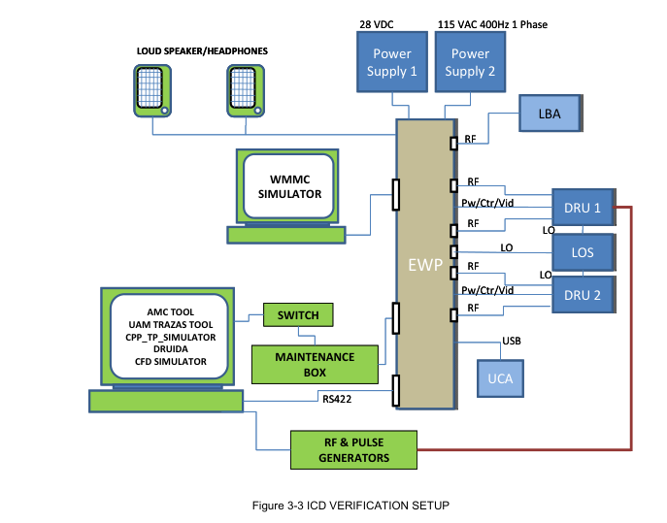

Inputs
1 | Library generic in the next page
2 | Scenario FAT_LIB.sc

 | FAT_LIB_Major = FT
 | FAT_LIB_Minor = K2

 | Expected Test Results
 | When a valid library and its encryption key are inserted in the system, it must be automatically loaded in the CPU. In that case, received tracks
 | shall be identified with library. In other case, default library shall be used. Default library is a library which shall be used when no valid library is
 | loaded, and it is stored directly in source code. The content of default library is declared in each VDD EWSC software version, even
 | references and date of creation (generically called SW_VDD_DATE). So depending of emitters injected or default library contents, a threat
 | may be displayed as unknown or associated to a default library register, being displayed with its respective symbol, colour, label….

 | Criteria for Evaluating Results
 | MC SIMULATOR is used to evaluate the test results. If threats are identifies according the parameters of the loaded library, it means that
 | loading is successful and test shall be considered as PASS.

FAT_ LIB CC MDF BLK
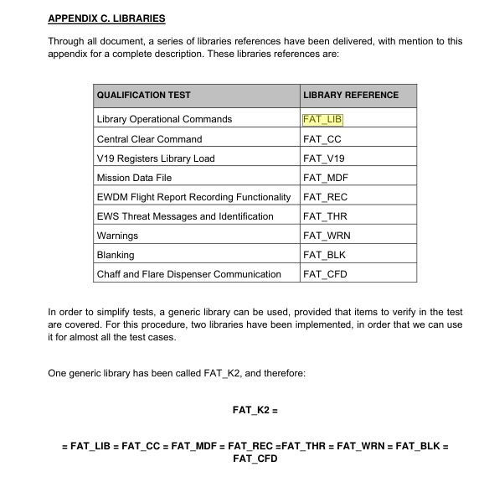

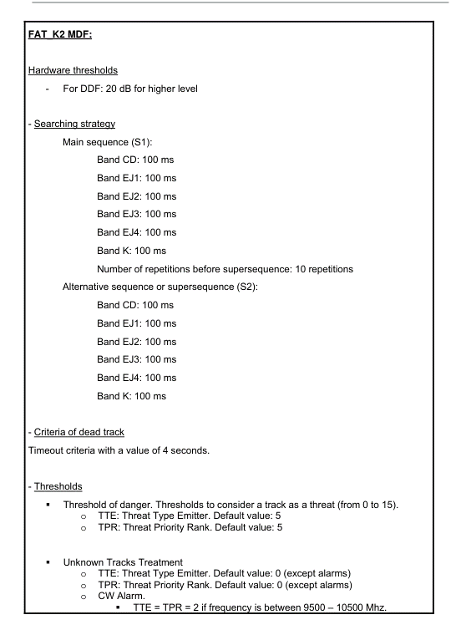
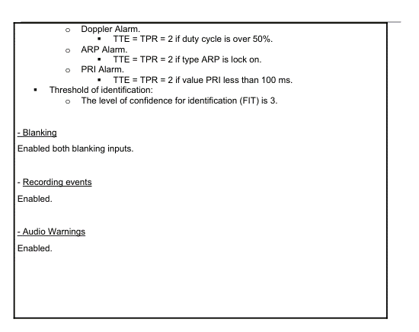

FAT_LIB = FAT_CC = FAT_MDF= FAT_REC = FAT_BLK

5.2.2 Zeroizer
5.2.2 | Zeroizer Command

In Zeroizer Command test, effects on EWS after a zeroizer signal are verified.
Zeroizer Command shall be executed with system powered on. |  | Test Setup
 |  | To perform this test, ZEROIZER setup shown in Section 3.4 is used.
 |  | A personal computer is needed to perform this test. This computer shall have installed Merlin Tool and Druida Events Tool. Druida Events
Test Input |  | Tool is used for analyzing CF files recorded and encryption files.
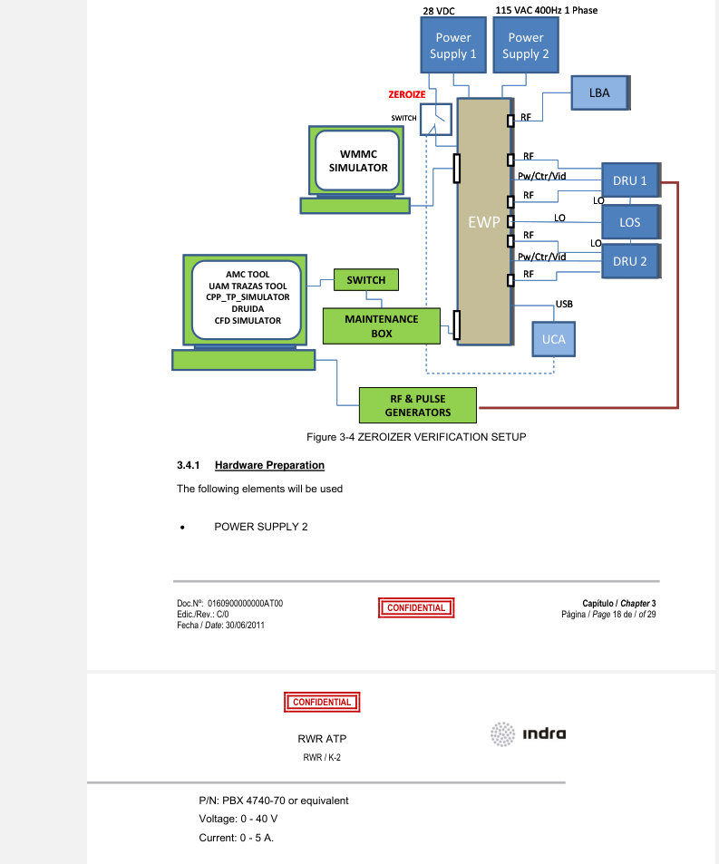
Commands delivered from MC SIMULATOR.
A valid library FAT_CC shall be loaded in the system through the UCA device (see appendix C).
For this test this library will take some representative values:
-
FAT_CC_Major, FAT_CC_Minor: library identifiers.
This information and further details about library can be found in annex C.
Scenario FAT_CC.sc (see appendix B).

 | FAT_CC_Major = FT
 | FAT_CC_Minor = K2

Expected Test Results
When a zeroizer command is executed with EWP on, encryption key shall be erased from the memory, so when analyzed in Events Tool no
encryption key shall be returned. If a memory without encryption key is used, no libraries shall be loaded and default library shall be active for identification

Criteria for Evaluating Results
If expected results are found during verification method, test is considered pass. If after a Zeroizer Command encryption key is found in the
memory, test is considered fail.

FAT_V19.sc
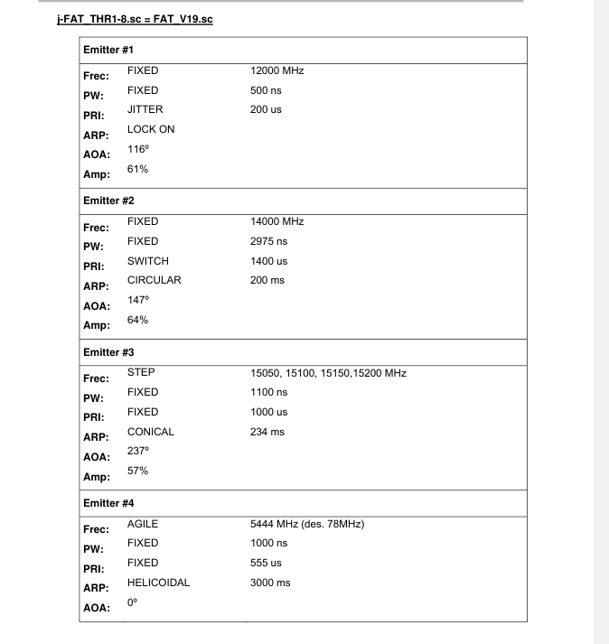
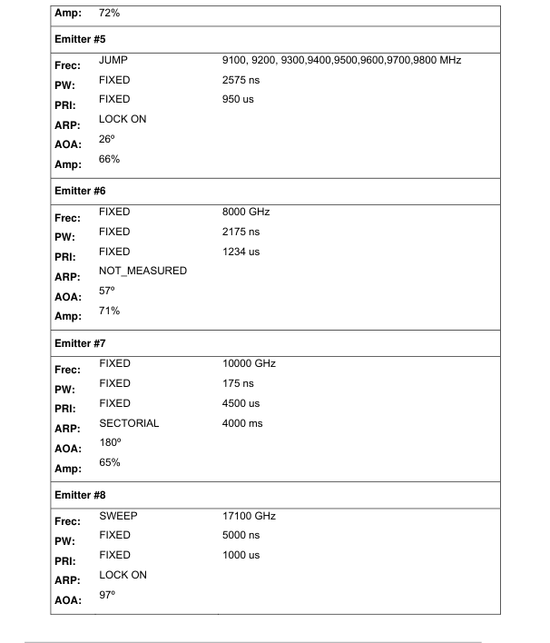

FAT_V19lib
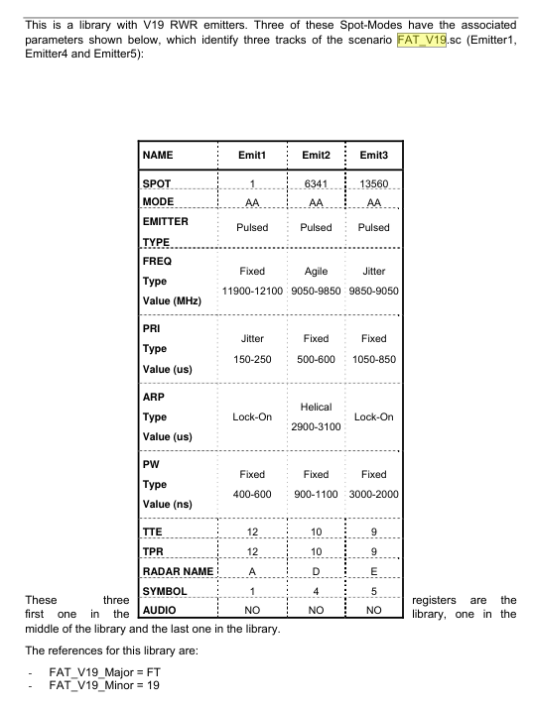

FAT_V19_Major = FT
FAT_V19_Minor = 19
FAT_V19_Minor = 19

5.2.4Mission Data File
5.2.4 | Mission Data File
 |  | Test Setup
This test is intended to check the performance of the system when different Mission Data Files (MDFs) are loaded into the system. |  | To perform this test, RWR Verification setup shown in Section 3.2, with the instructions for its preparation there indicated, will be used.
 |  | A Personal Computer (PC1) is needed to download valid libraries through the CFs
 |  | This computer is needed too because a telnet connection is required on the tests. IP address to connect is 192.2.1.92. Through a telnet
Test Input |  | command, FLASH memory is being accessed to check that OFP (executables) are stored there.
Commands delivered from MC SIMULATOR.
Memory loaded with different MDFs (depending on the test). |  | Two sweepers to inject threats.
A different number of MDFs:
- MDF_RSS: MDF with default values excepting dwell time for band E/J1 (frequency 2 to 6 GHz) (default MDF set to 100ms)
- MDF_THR: MDF with default values excepting sensitivity thresholds set to high (default MDF set to low).
MDF_MIS: MDF with default values excepting mission recording disabled.
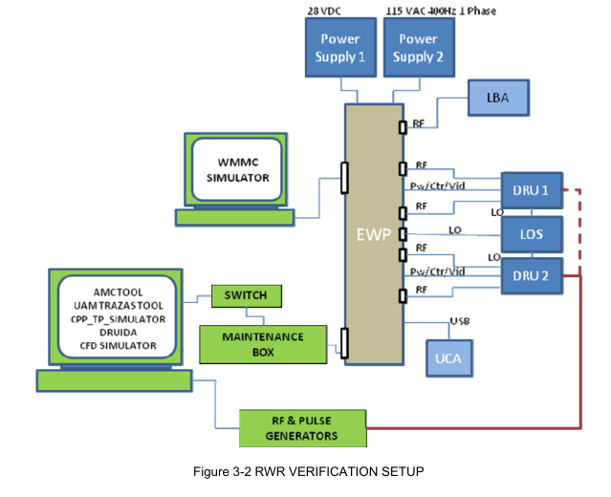
MDF_UNK: MDF with default values excepting priority for unknown threats
A global library to support the tests (FAT_MDF).For this test this library will take some representative values:

FAT_MDF_Major, FAT_MDF_Minor: library identifiers.
This information and further details about library and MDFs can be found in annex C.

Expected Results
When any of MDFs generated with Druida Tool is loaded in memory, the information of this file is automatically loaded in the EWP power up,
as well as RWR and EWSC libraries. Performance of EWSC and RWR shall be accord to the content of each respective MDF. When no
library is loaded, a default MDF is loaded and EWSC/RWR performance shall change.

Criteria for Evaluating Results
If the steps of verification method are followed with expected results, test is considered pass. If any unexpected result is found, test is
considered failed.

 | inject threats and see the output as mentioned in the document

5.2.5 FlightRecFunctionality
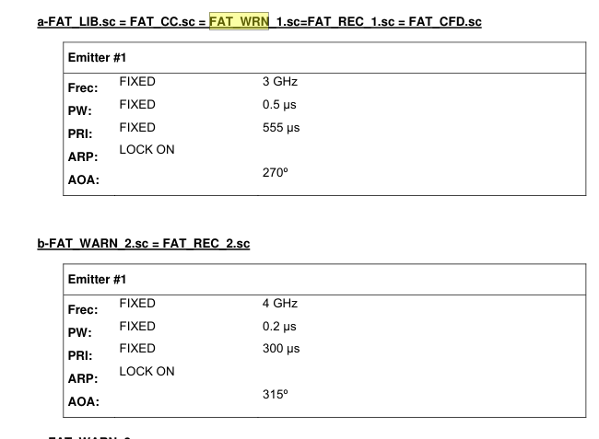
5.2.5 | Flight Report Recording Functionality
 |  | Test Setup
This test is intended to check memory flight report recording |  | To perform this test, ICD Verification setup shown in Section 3.3 will be used.
 |  | A Personal Computer is needed to extract the flight report recording file from the memory.
 |  | DRUIDA tool of recordings analysis is needed to be installed in this Personal Computer.
Test Input
Commands delivered from MC SIMULATOR. Navigation Data is also provided by MC SIMULATOR.
FAT_REC1.sc and FAT_REC2.sc are two different scenarios which contain pulses descriptions words to generate tracks in the EWP.
A valid library FAT_REC shall be loaded in the system through the UCA (see appendix C)

This library shall contain emitters related to scenario FAT_REC.sc to obtain identified threats.
For this test this library will take some representative values:

FAT_REC_Major = FT
FAT_REC_Minor = K2
This information and further details about library and MDFs can be found in annex C

Expected Test Results
Flight report recording functionality enables the EWSC to store in the Compact Flash information needed for a post-flight analysis. It’s
expected that when recording is enabled via MIL-BUS message, state is reflected in MC Simulator. Besides, given that recording function is
going to be activated during the test, when the file is read by DRUIDA Events tool, a collection of different recordings shall appear in the tool.
This collection of recordings shall reflect the activity carried out in the test procedure, including bite results.

5.4.1 FAT_WARN
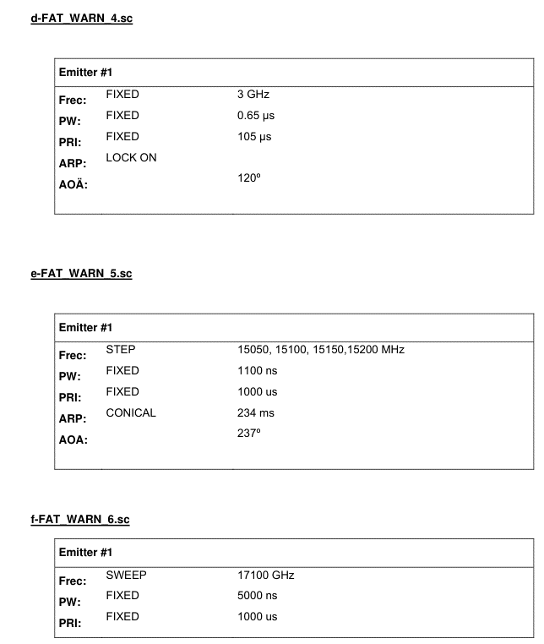
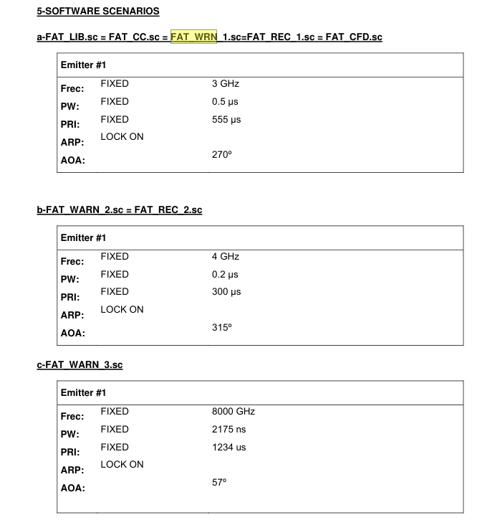
5.4 | FAT_WARN
 |  |  | Test Setup
This test is intended to check warnings provided by EWS. In Audio Warnings Test, the audio functionality and the correct switching on and |  |  | To perform this test, ICD Verification setup shown in Section 3.3 will be used.
switching off of the external HW signals in the system are checked. |  |  | Stereo loudspeakers placed in a proper configuration are needed to test the 3D audio effect.

Test Input
Commands delivered from MC SIMULATOR.
A valid library FAT_WRN shall be loaded in the system. This library shall contain at less next RWR emitters:

RWR1: Emitter with ‘WARNING’ audio warning
RWR2: Emitter with ‘THREAT’ audio warning
RWR3: Emitter with ‘MISSILE audio warning
RWR4: Emitter with ‘GUN’ audio warning
RWR5: Emitter with ‘FIGHTER’ audio warning
RWR6: Emitter without audio warning

For this test this library will take some representative values:
FAT_WRN_Major, FAT_WRN_Minor: library identifiers. |  | FAT_WRN_Major = FT
 |  | FAT_WRN_Minor = K2
Six scenarios: FAT_WRN1.sc to FAT_WRN6.. Each scenario corresponds respectively to RWR1 to RWR6 in FAT_WRN library, and is
located in a different position regarding to the RWR position, to simulate different angle of arrivals in the 3D audio. Further details about these
scenarios can be found in annex B.

Expected Test Results
Audio warning signals must be activated if the audio alarm command in MIL-BUS message is enabled and if there is an identified threat with
audio in library. Depending on the type of threat present in the environment, a different warning signal must be switched on. If audio alarm is
not enabled no warning must be reported. The audio has a 3D effect that shall be related with the Direction Finding or Angle of Arrival (AOA).

Criteria for evaluating Results
Voices emitted by speakers shall be enough to demonstrate that warning signals are correctly implemented. Also MC Simulator is used to
display if audio alarm is activated or not.

Lib references
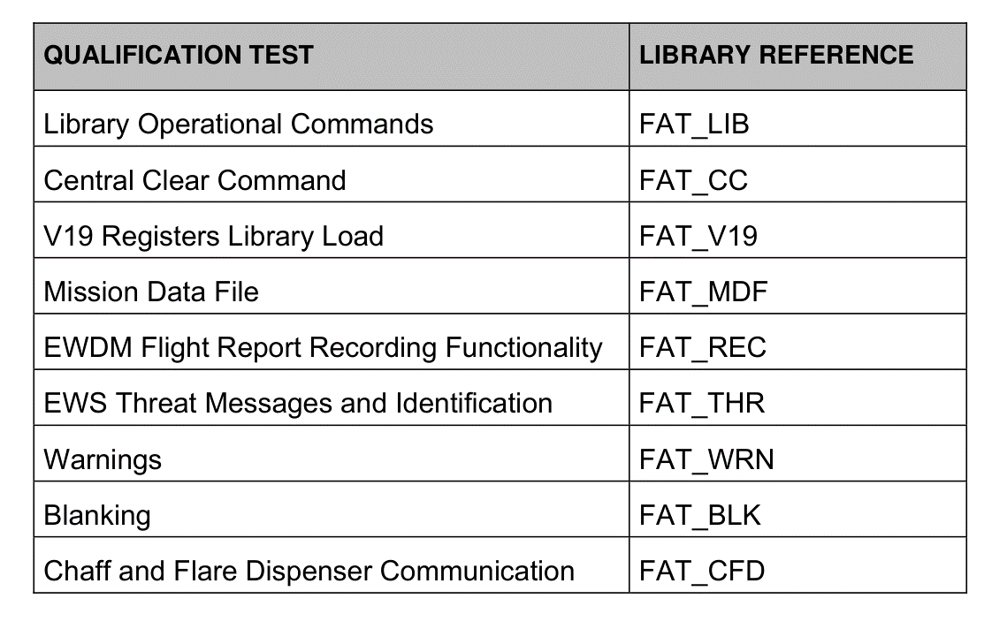

5.6.3 fixed FAT_PW
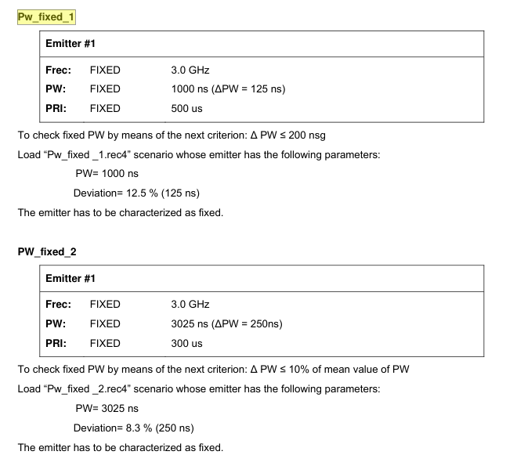
5.6.3 | Measurement of Pulse Width Type Fix
 |  | Test Setup
This test is intended to check the fix PW detected by the ALR-400F RWR System. |  | To perform this test, FREQUENCY, PRI, PW AND ARP TYPE MEASUREMENT setup shown in Section 4.4 will be used.

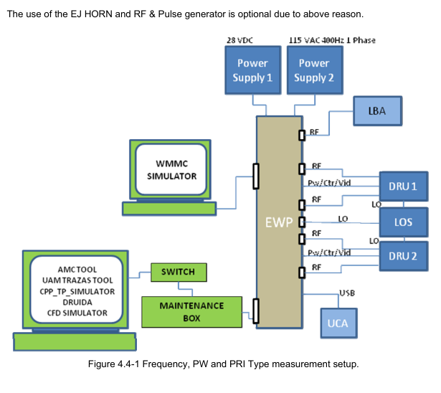
Test Input
The ALR-400F RWR System will be loaded with the following scenarios (to check the characterization of the emitters see Appendix B):
Pw_fixed_1.rec4
Pw_fixed_2.rec4

Expected Test Results
The following PW type will be identified: fix.

Criteria for evaluating Results
If the system characterizes correctly all the scenario emitters PW, the test is consider like PASS.

5.6.4 PW Agile
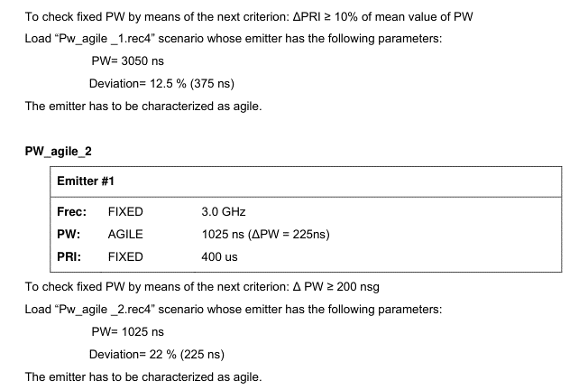
5.6.4 | Measurement of Pulse Width type Agile

 |  | Test Setup
Test Input |  | To perform this test, FREQUENCY, PRI, PW AND ARP TYPE MEASUREMENT setup shown in Section 4.4 will be used
The ALR-400F RWR System will be loaded with the following scenarios (to check the characterization of the emitters see Appendix B):
Pw_agile_1.rec4
Pw_agile_2.rec4

Expected Test Results
The following PWI type will be identified: agile.

Criteria for evaluating Results
If the system characterizes correctly all the scenario emitters PW, the test is consider like PASS.

5.8.3.2 pri fix
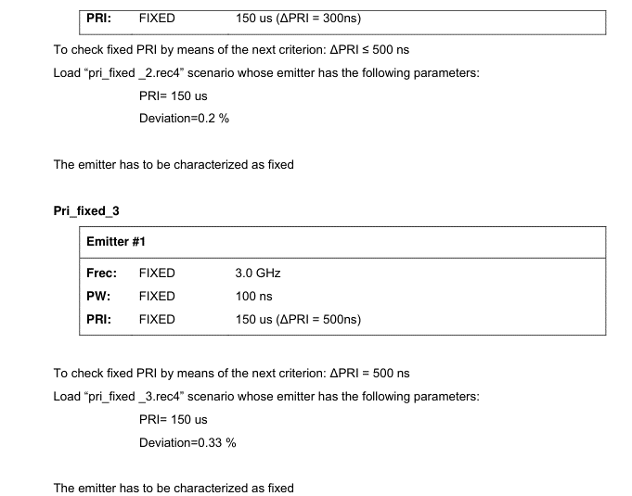
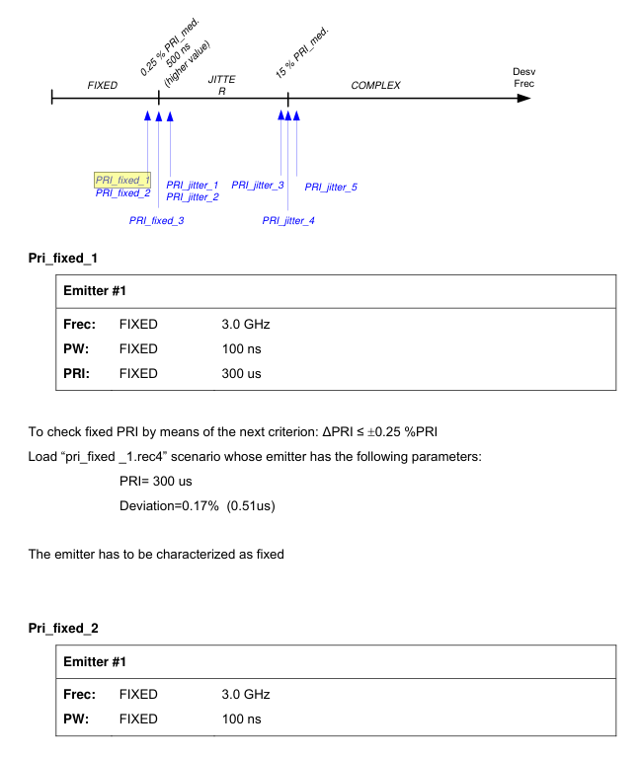
5.8.3 | PRI Type Measurement
 |  | TEST SETUP
5.8.3.2 | Measurement of PRI Type Fix | To perform this test, FREQUENCY, PRI, PW AND ARP TYPE MEASUREMENT setup shown in Section 4.4 will be used.

TEST INPUT
The ALR-400F Radar Warning Receiver will be loaded with the following scenarios (to check the characterization of emitters see Appendix B):
Pri_fixed_1.rec4
Pri_fixed_2.rec4
Pri_fixed_3.rec4

EXPECTED TEST RESULTS
The following PRI type will be identified: fix.

CRITERIA FOR EVALUATING RESULTS
If the system characterizes correctly all the scenario emitters PRI,
the test is consider like PASS.

5.8.3.3 pri jitter
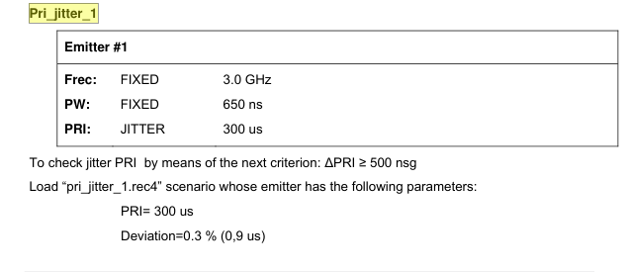
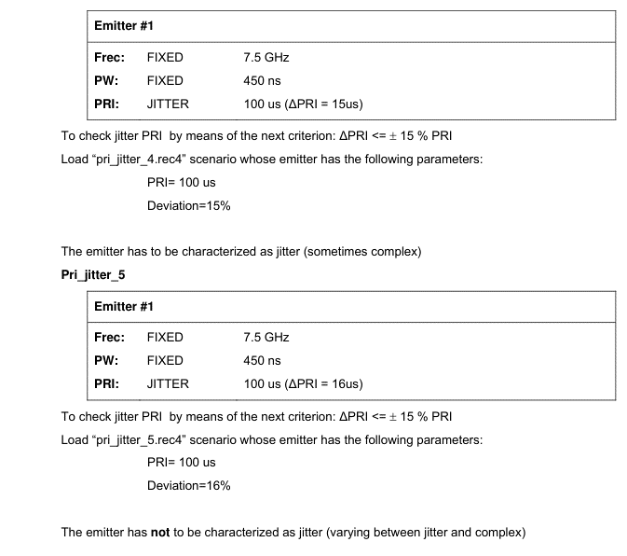
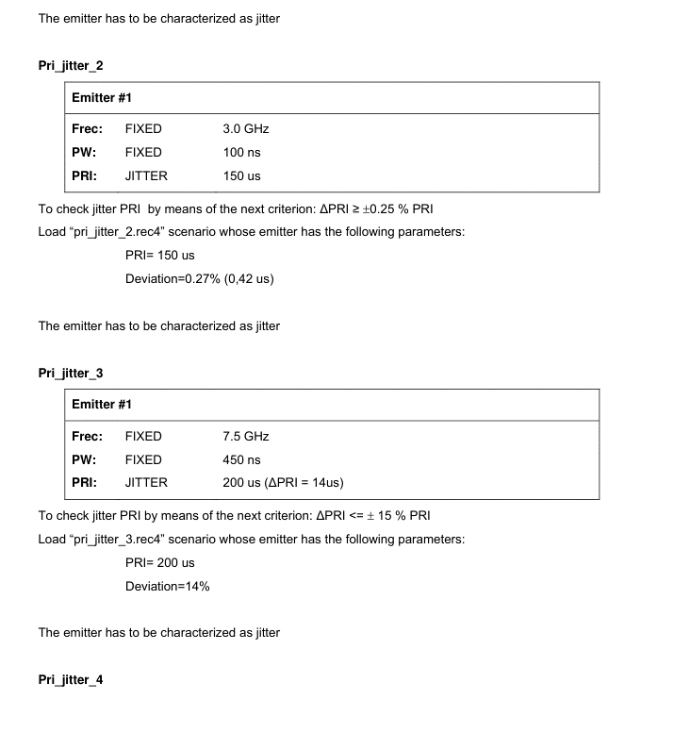
5.8.3.3 | Measurement of PRI Type Jitter | TEST SETUP
 |  | To perform this test, FREQUENCY, PRI, PW AND ARP TYPE MEASUREMENT setup shown in Section 4.4 will be used.

TEST INPUT
The ALR-400F Radar Warning Receiver will be loaded with the following scenarios (to check the characterization of the emitters see Appendix
B):
Pri_jitter_1.rec4
Pri_jitter_2.rec4
Pri_jitter_3.rec4
Pri_jitter_4.rec4
Pri_jitter_5.rec4

EXPECTED TEST RESULTS
The following PRI type will be identified: jitter.

CRITERIA FOR EVALUATING RESULTS
If the system characterizes correctly all the scenario emitters PRI,
the test is consider like PASS.

5.8.3.4 pri fix limits
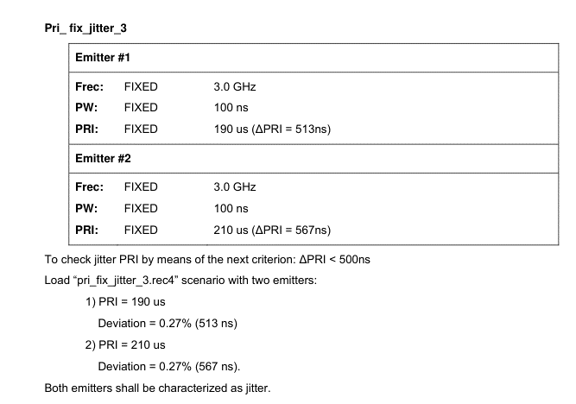
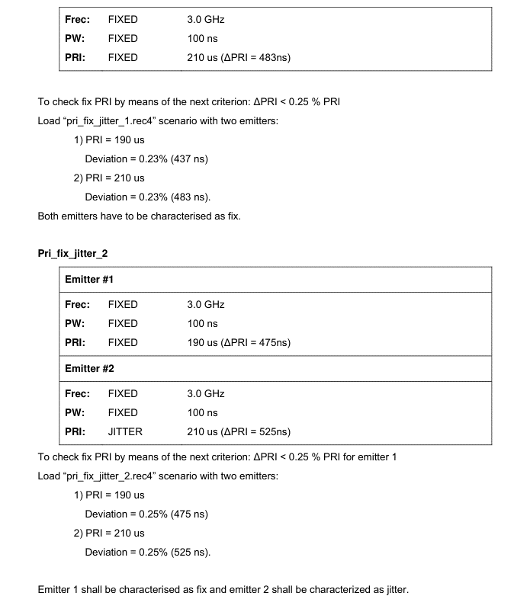
5.8.3.4 | Limits between PRI Type Fix and Type Jitter

This test is intended to check the bounds between a fix PRI characterization and a jitter PRI characterization detected by ALR-400F Radar
Warning Receiver

TEST INPUT
The ALR-400F Radar Warning Receiver will be loaded with the following scenarios (to check the characterization of the emitters see Appendix
B):
Pri_fix_jitter_1.rec4
Pri_fix_jitter_2.rec4
Pri_fix_jitter_3.rec4

EXPECTED RESULTS
Depending on the scenario loaded, a fix or a jitter characterization shall be obtained.

CRITERIA FOR EVALUATING RESULTS
If the system characterizes correctly all the scenario emitters PRI, the test is consider like PASS.

5.8.3.5 Stagger
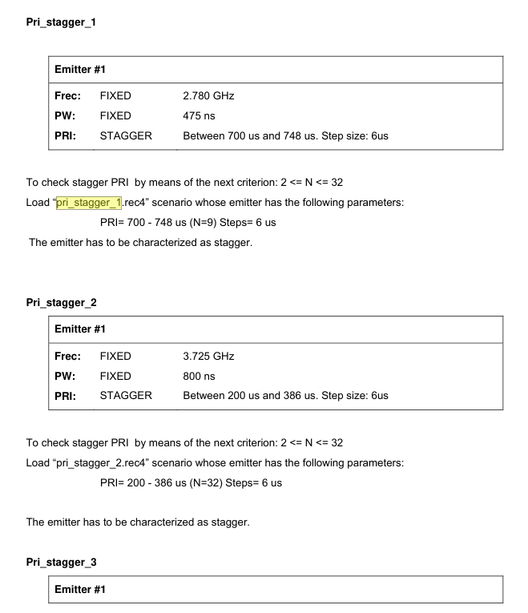
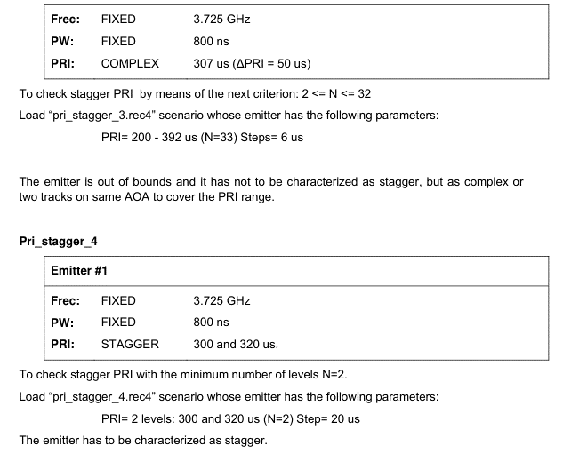
5.8.3.5 | Measurement of PRI Type Stagger

TEST INPUT
The ALR-400F Radar Warning Receiver will be loaded with the following scenarios

Pri_stagger_1.rec4
Pri_stagger_2.rec4
Pri_stagger_3.rec4
Pri_stagger_4.rec4

EXPECTED TEST RESULTS
The following PRI type will be identified as indicated in Appendix B.

CRITERIA FOR EVALUATING RESULTS
If the system characterizes correctly all the scenario emitters PRI as indicated in Appendix B, the test is consider like PASS.
For Pri_Stagger_3 scenario, due to this emitter is out of bounds (stagger 33), can produce or COMPLEX Notation or 2 separate tracks with
same parameters and different PRI notation to cover the 33 levels.

5.8.3.6 pri slide
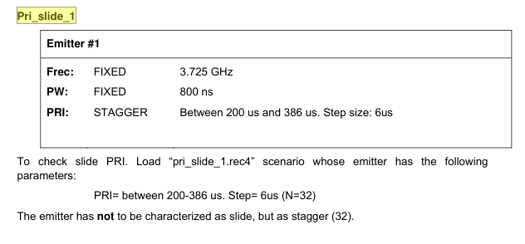
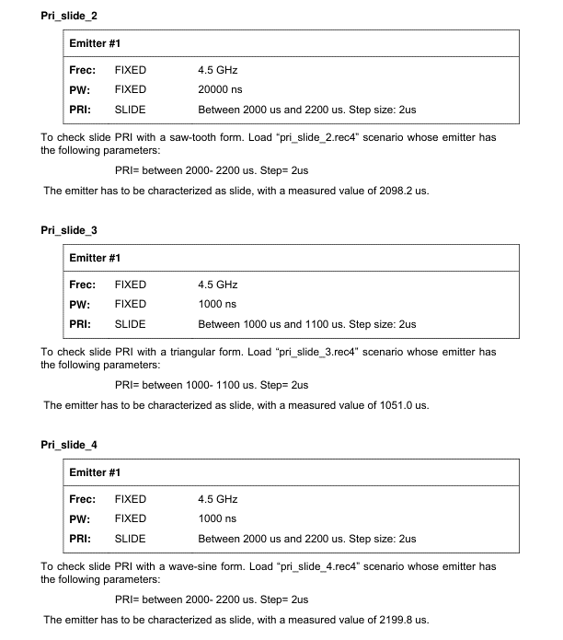
5.8.3.6 | Measurement of PRI Type Slide

TEST INPUT
The RWR will be loaded with the following scenarios (to check the characterization of the emitters see Appendix B):
Pri_slide_1.rec4
Pri_slide_2.rec4
Pri_slide_3.rec4
Pri_slide_4.rec4

EXPECTED TEST RESULTS
The following PRI type will be identified: slide.

CRITERIA FOR EVALUATING RESULTS
If the system characterizes correctly all the scenario emitters PRI, the test is consider like PASS.

5.8.3.7 pri switch
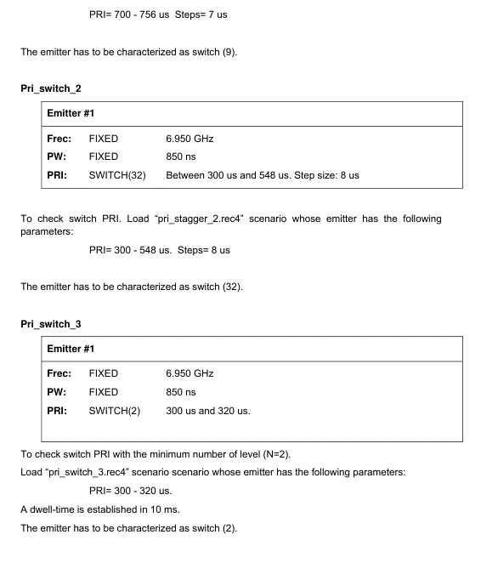
5.8.3.7 | Measurement of PRI Type Switch

TEST INPUT
The ALR-400F Radar Warning Receiver will be loaded with the following scenarios
(to check the characterization of the emitters see Appendix B):
Pri_switch_1.rec4
Pri_switch_2.rec4
Pri_switch_3.rec4

EXPECTED TEST RESULTS
The following PRI type will be identified: switch.

CRITERIA FOR EVALUATING RESULTS
If the system characterizes correctly all the scenario emitters PRI as stated on appendix B, the test is consider like PASS.

5.9 FAT_ARP
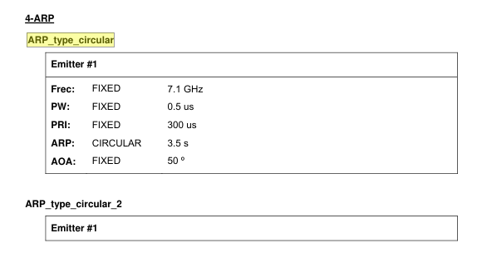
5.9 | FAT_ARP

5.9.1.4 | Circular ARP

TEST INPUT
ARP_type_circular.rec4
ARP_type_circular_2.rec4

EXPECTED TEST RESULTS
ALR-400F Radar Warning Receiver shall perform automatic scan calculation. Following types are identified:
Circular

CRITERIA FOR EVALUATING RESULTS
If the system characterizes correctly all the scenario emitters ARP, the test is consider like PASS.

5.9.1.5 Tws Sector
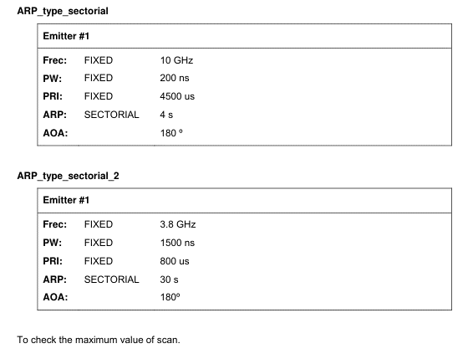
5.9.1.5 | Track While Scan | 5.9.1.6 | Sectorial ARP

TEST INPUT |  | TEST INPUT
The ALR-400F Radar Warning Receiver will be loaded with the following scenarios (see Appendix B): |  | The ALR-400F Radar Warning Receiver will be loaded with the following scenarios (see Appendix B):
ARP_type_TWS.rec4 |  | ARP_type_sectorial.rec4
 |  | ARP_type_sectorial_2.rec4
EXPECTED TEST RESULTS
ALR-400F Radar Warning Receiver shall perform automatic scan calculation. Following types are identified: |  | EXPECTED RESULTS
TWS |  | ALR-400F Radar Warning Receiver shall perform automatic scan calculation. Following types are identified:
 |  | Sectorial
CRITERIA FOR EVALUATING RESULTS
If the system characterizes correctly all the scenario emitters ARP, the test is consider like PASS. |  | CRITERIA FOR EVALUATING RESULTS
 |  | If the system characterizes correctly all the scenario emitters ARP, the test is consider like PASS.

5.12 FAT_CFD
5.12 | FAT_CFD
 |  | Test Setup
intended to check the communication between ALR-400F RWR System and Chaff and Flare Dispenser |  | To perform this test, ICD Verification setup shown in Section 3.3 will be used.
 |  | A valid library FAT_CFD shall be loaded in the system through the UCA (see appendix C).
Test Input |  | Instead a real Chaff and Flare Dispenser, a CFD Simulator running in a PC will be used.
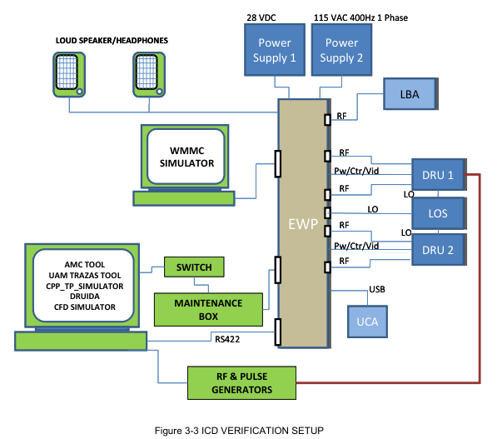
CFD Simulator shall be connected to the EWP through a RS422 link, receiving commands
and threat informations and sending status and inventory information.
A valid library FAT_CFD shall be loaded in the system (see appendix C).
FAT_CFD is a library which contains RWR library with at less one register with a valid Countermeasure Program.
For this test this library will take some representative values:
-
FAT_CFD_Major = FT
FAT_CFD_Minor = K2
FAT_CFD.sc is a scenario which contains pulses descriptions words to generate a track in the EWP.
This track has parametric related to a register in the library with a valid Countermeasure Program.

Expected Test Results
When CFD Simulator is running, EWSC shall receive the CFD information and shall send it with the proper format to the WMMC Simulator.
Likewise, when a threat with a valid Countermeasure Program is identified in the RWR, a message shall be sent to the CFD Simulator

Criteria for evaluating Results
If communication is established and messages are properly exchanged between CFD and EWP, test is considered as PASS.

5.5.3.2 Fix Freq
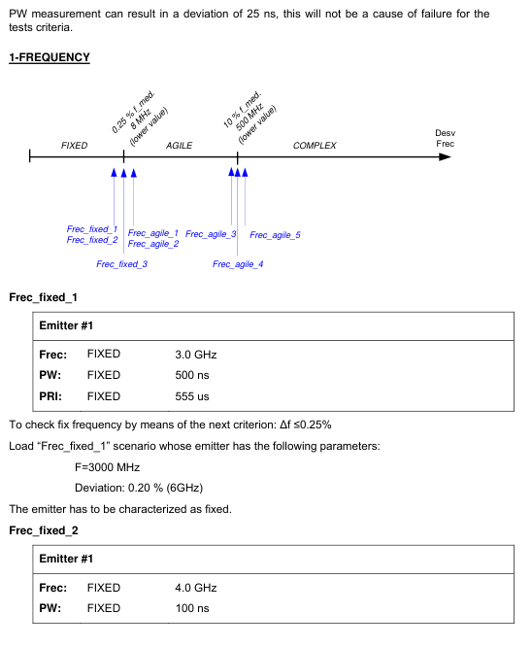
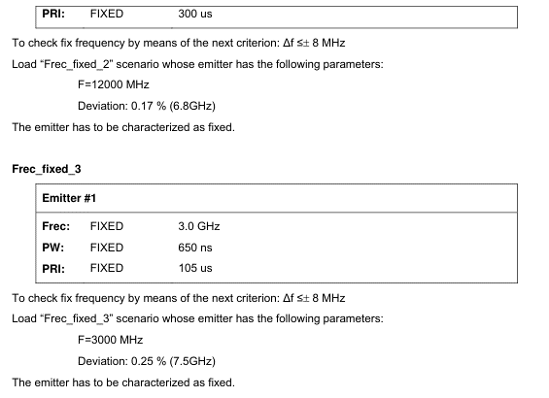
5.5.3 | Frequency Type Characterization | TEST SET UP
 |  | To perform this test, FREQUENCY, PRI, PW AND ARP TYPE MEASUREMENT setup shown in Section 4.4 will be used.
5.5.3.2 | Fix Frequency | This test is intended to check the characterization. The generation of frequency and the information of the descriptors are checked in 5.5.1
 |  | High Band Frequency Measurement.
TEST INPUT
The ALR-400-F will be loaded with several scenarios (to check the characterization of the emitters see Appendix B):
Frec_fixed_1.rec4
Frec_fixed_2.rec4
Frec_fixed_3.rec4

EXPECTED TEST RESULTS
Following type of frequency will be characterized:Fix

CRITERIA FOR EVALUATING RESULTS
The injected threats shall appear in UAM Trazas. The test is consider PASS if all the injected threats are characterized correctly according to
the loaded scenario. This scenario has a bound in 8MHz that is a better parameter that the specified one

5.5.3.3 RF Agile
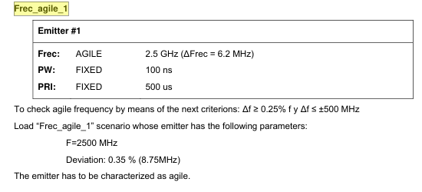
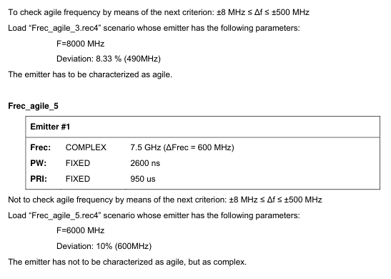
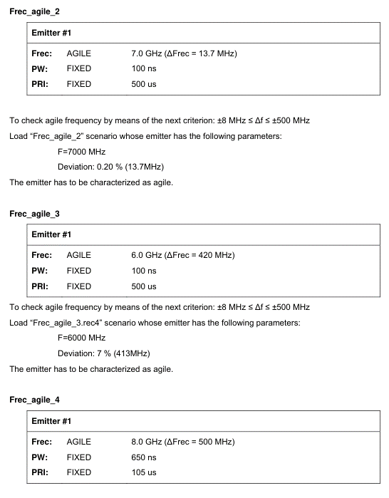
5.5.3.3 | Agile Frequency

TEST INPUT
The ALR-400-F will be loaded with some scenarios
Frec_agile_1.rec4
Frec_agile_2.rec4
Frec_agile_3.rec4
Frec_agile_4.rec4
Frec_agile_5.rec4

EXPECTED RESULTS
Following type of frequency will be characterized: Agile

CRITERIA FOR EVALUATING RESULTS
The injected threats shall appear in UAM Trazas. The test is consider PASS if all the injected threats are characterized correctly according to
the loaded scenario. This scenario has a bound on 8MHz that is a better parameter that specified one.

5.5.3.5 RF Swtich
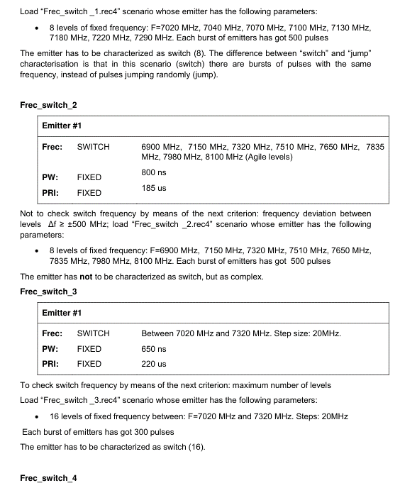
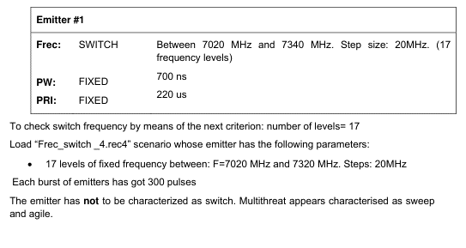
5.5.3.5 | Switch Frequency

TEST INPUT
The ALR-400- F Radar Warning Receiver will be loaded with different scenarios
Frec_switch_1.rec4
Frec_switch_2.rec4
Frec_switch_3.rec4
Frec_switch_4.rec4

EXPECTED RESULTS
Following type of frequency will be characterized: Switch

CRITERIA FOR EVALUATING RESULTS
The injected threats shall appear in UAM Trazas. The test is consider PASS if all the injected threats are characterized correctly according to
the loaded scenario.

5.5.3.4 RF jump
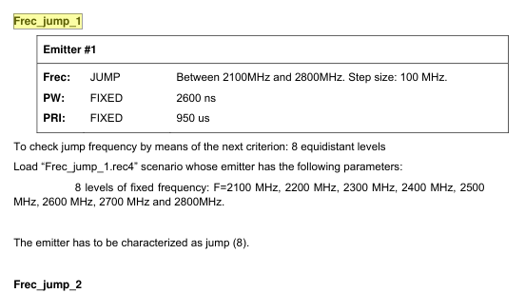
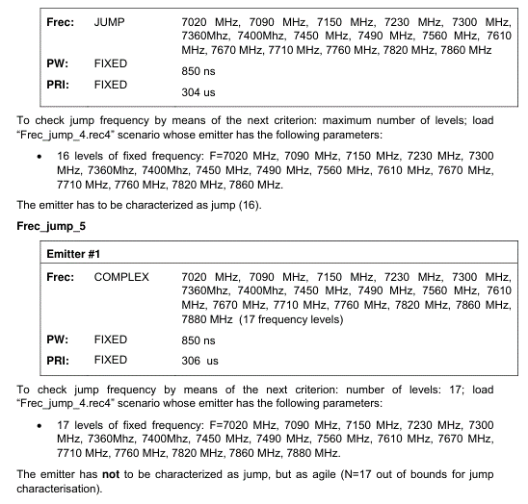
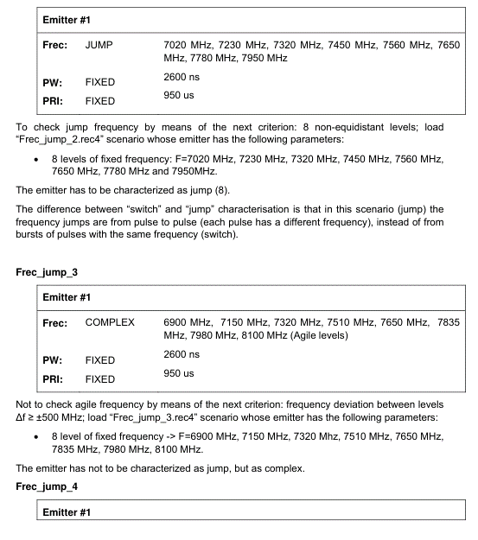
5.5.3.4 | Jump Frequency

TEST INPUT
The ALR-400- F Radar Warning Receiver will be loaded with some scenarios
Frec_jump_1.rec4
Frec_jump_2.rec4
Frec_jump_3.rec4
Frec_jump_4.rec4
Frec_jump_5.rec4

EXPECTED RESULTS
Following type of frequency will be characterized: Jump

CRITERIA FOR EVALUATING RESULTS
The injected threats shall appear in UAM Trazas. The test is consider PASS if all the injected threats are characterized correctly according to
the loaded scenario

FAT_ASRAR
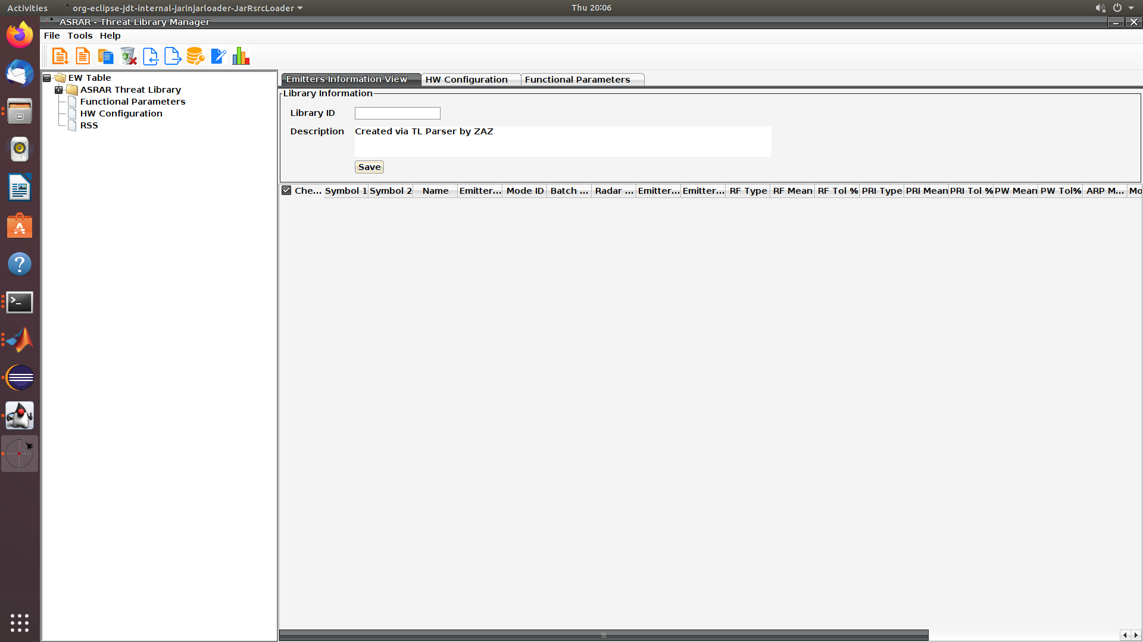
 | FAT_ASRAR

Test Description
This test is intended to check the ALR-400F Radar Warning Receiver Threat library management software performance

TEST INPUT
ASRAR threat library management software

Test procedure

1. Create new library
Lauch TLM ASRAR application on a PC
Go to "File" on top menu bar and select "Choose library"
A pop up window will appear, select "new library"
Press "OK"
EXPECTED TEST RESULTS
A main GUI of library will be displayed along with a text box named "Library ID" where in library major and minor IDs are to be entered
CRITERIA FOR EVALUATING RESULTS
if the app displays the main window with library ID text box as shown in figure 1, test is considered as PASS

 |  | Figure 1
2. Open existing library
Go to "File" on top menu bar and select "Choose library"
A pop up window will appear, select "select library"
Press "OK"

EXPECTED TEST RESULTS
A main GUI of library will be displayed having a full list of emitters and its details and a text box named "Library ID" where in library major and minor IDs are written already
CRITERIA FOR EVALUATING RESULTS
if the app displays the main window with emitters list library ID text box as shown in figure 2, test is considered as PASS

3. Create/Edit new emitter
Go to "File" on top menu bar and select "New Emitter"
A new page will be shown with tables and text boxes where emitter details are to be entered
After filling those fields, click "save"
Click on the "Edit" button and modify any parameter
Then click "save"
EXPECTED TEST RESULTS
Operation successful " Emitter Details of "libraryName" saved successfully |  | Figure 2

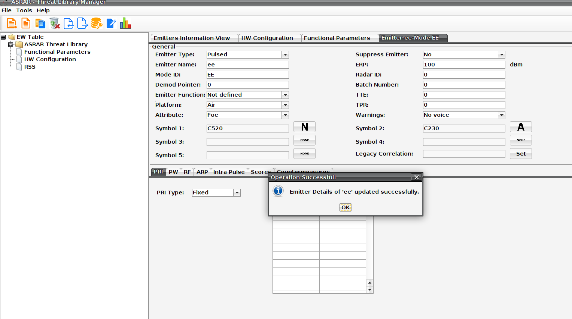
CRITERIA FOR EVALUATING RESULTS
if the app displays pop up window of operation successful, test is considered as PASS

4. Export library
check all the emitters user wants to export in their respective check boxes
Go to "Tools" top menu bar and click "Export ESDB"
Select "Export tl". (Export xls can also be selected to check export in excel format functionality, rest of the steps are same)
Make sure you have filled the "library ID" field before exporting
In the browsing window, select and write the name of exported file and click save

EXPECTED TEST RESULTS
Operation successful " File saved successfully

CRITERIA FOR EVALUATING RESULTS
if the app displays pop up window of operation successful as shown in Figure 3, test is considered as PASS

5. Encrypt library
Go to "Tools" top menu bar and click "Encrypt Library"
Now select "Generate key" if you want to create new key OR select "Load key" if you want to encrypt with an old key
"Choose file to Encrypt", browse your hard disk to select the exported tl file that needs to be encrypted
Click "Encrypt and Save" |  |  | Figure 3

EXPECTED TEST RESULTS
Operation successful " File encrypted successfully

CRITERIA FOR EVALUATING RESULTS
if the app displays pop up window of operation successful, test is considered as PASS

