Questions
Survey result for Bipolar Disorder from University of Cyberjaya students

1) Has there ever been period of time where you were not your usual self and you felt so good or hyper that other people thought you were not your normal self or you were so hyper that you got into trouble

Scale | Number of people
1 | 9
2 | 8
3 | 10
4 | 11
5 | 8
Total: | 46
Periods of unusual hyperactivity and perception by others

2) You were so irritable that you shouted at people or started fights or arguments?

Response | Number of people
No | 22
Maybe | 14
Yes | 10

Frequency of irritability leading to conflicts

3) You got much less sleep than usual and found you didn’t really miss it?

Response | Number of people
No | 23
Maybe | 7
Yes | 16

Frequency of reduced sleep without noticing it

4) How much of a problem did any of these cause you? Like being unable to work; having family, money or legal troubles; getting into arguments or fights?

Severity level | Number of people
None | 10
Minor | 25
Moderate | 8
Severe | 3
Total | 46

Impact on daily life and relationships

5) You were so easily distracted by things around you that you had trouble concentrating or staying on track?

Scale | Number of people
1 | 3
2 | 5
3 | 16
4 | 8
5 | 14
Total | 46
Frequency of experiencing distractibility and difficulty in concentration

6) What are the symptoms that you have faced?

Symptoms | Total
Loss of interest | 29
Changes in appetite or weight | 15
Sleep disturbance | 20
Feelings of worthless or guilt | 26
Fatigue | 26
Persistent sadness | 13

Symptoms

7) If you checked YES to more than one of the above, have several of these ever happened during the same period of time?

How often | Number of people
Not at all | 8
Not really | 11
Sometimes | 18
Most of the times | 9
Total | 46

Frequency of concurrent events

8.In your opinion, what's your perspective on bipolar disorder?

Perspective | Number of people
Clinical definition | 14
Misconceptions | 10
Treatment and support | 8
General opinion | 8
Uncertain Responses | 6
Total | 46
Perspectives on Bipolar Disorder

 |  | an

Statistics
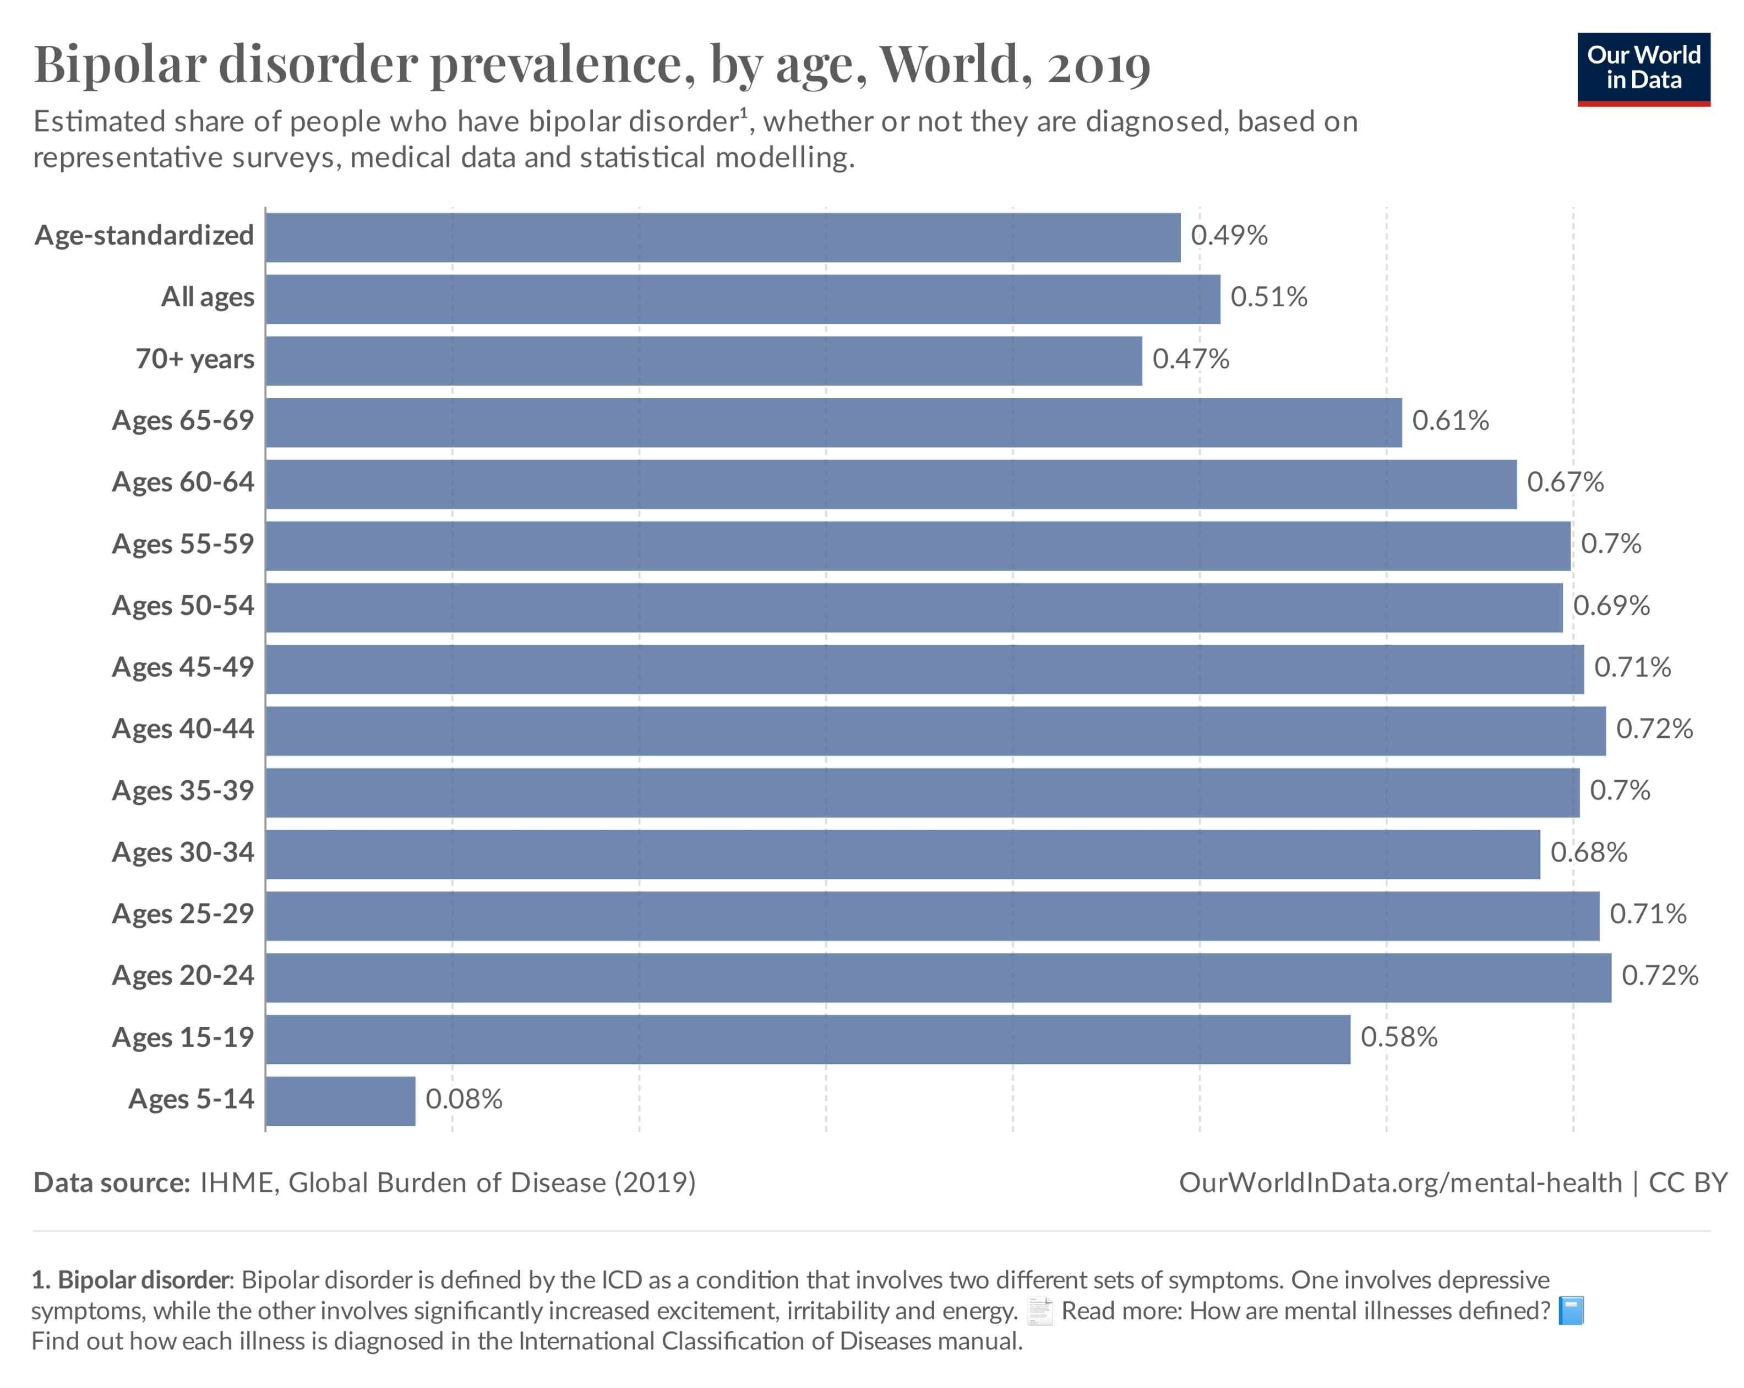

Age | Percentage
Age-standardized | 0.49%
All ages | 0.51%
70+ years | 0.47%
Ages 65-69 | 0.61%
Ages 60—64 | 0.67%
Ages 55-59 | 0.70%
Ages 50-54 | 0.69%
Ages 45—49 | 0.71%
Ages 40-44 | 0.72%
Ages 35-39 | 0.70%
Ages 30-34 | 0.68%
Ages 25-29 | 0.71%
Ages 20-24 | 0.72%
Ages 15-19 | 0.58%
Ages 5-14 | 0.08%

Age distribution in bipolar disorder

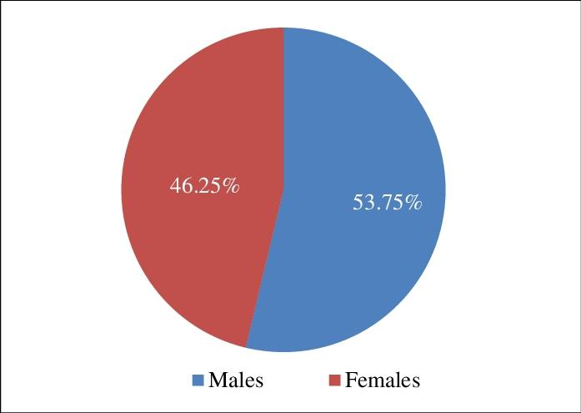

Gender | Percentage
Males | 53.75%
Females | 46.25%

Gender distribution in bipolar disorder

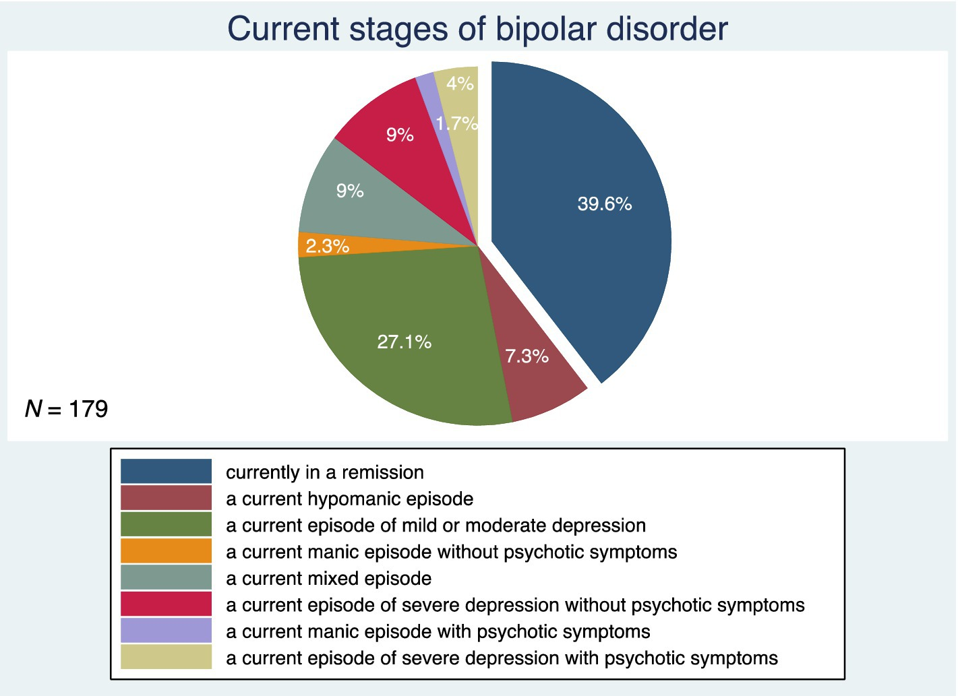

Current stages of bipolar disorder | Percentage
In a remission | 39.60%
Hypomanic episode | 7.30%
Episode of mild or moderate depression | 27.10%
Manic episode without psychotic symptoms | 2.30%
Mixed episode | 9%
Episode of severe depression without psychotic symptoms | 9%
Manic episode with psychotic symptoms | 1.70%
Episode of severe depression with psychotic symptoms | 4%

Current stage of bipolar disorder

