Stats
Bus Route | Cancelled Bus Route | Alternative Moovit Times no wait | Alternative Moovit Times | Walk | Difference
T784 | 7.43 | 9.14 | 10.57 | 1.83 | 0.46
781 | 23.65 | 27.13 | 30.96 | 4.78 | 0.50
T204 | 13.78 | 15.39 | 16.50 | 4.89 | 0.64
754 | 19.47 | 57.87 | 68.47 | 29.60 | 2.50
852 | 9.79 | 26.71 | 33.00 | 15.00 | 3.38
Total | 14.82 | 27.25 | 31.90 | 11.22 | 1.50

Average Travel Times

852
852 Commute Times In Minutes
852 Route | 852 Bus | Alternative Moovit Times | Alternative Moovit Times and wait | Alternative Moovit Modes | Walk | Difference
KTM KOMUTER PUTRA to SPG JLN LEMBAH TUNKU | 2 | 14 | 14 | Walk | 14 | 6.00
KTM KOMUTER PUTRA to TIJANI (OPP) | 3 | 18 | 18 | Walk | 18 | 5.00
KL1818 HAB TITIWANGSA to STADIUM TENNIS | 9 | 27 | 27 | Walk and 191/190 and Walk | 20 | 2.00
KL1818 HAB TITIWANGSA to KENNY HILLS (OPP) | 8 | 31 | 31 | 190/191 and walk | 24 | 2.88
KL1818 HAB TITIWANGSA to KL1025 MASJID WILAYAH PINTU UTAMA | 20 | 32 | 32 | Red and Walk and 851 | 8 | 0.60
KTM KOMUTER PUTRA to STADIUM TENNIS | 6 | 22 | 32 | Walk and 191 and Walk | 23 | 4.33
KTM KOMUTER PUTRA to KENNY HILLS (OPP) | 5 | 32 | 32 | Walk | 32 | 5.40
KL1818 HAB TITIWANGSA to KL1023 PUBLIKA | 18 | 26 | 33 | Red and T819 and Walk and T821 | 2 | 0.83
KL1818 HAB TITIWANGSA to SPG JLN LEMBAH TUNKU | 5 | 23 | 34 | Walk and LRT Ampang and Walk | 21 | 5.80
KL1818 HAB TITIWANGSA to TIJANI (OPP) | 6 | 27 | 38 | Walk and LRT Ampang and Walk | 25 | 5.33
KL1818 HAB TITIWANGSA to MENARA MATRADE | 13 | 33 | 40 | Red and T819 and T821 | 7 | 2.08
KTM KOMUTER PUTRA to KL1025 MASJID WILAYAH PINTU UTAMA | 17 | 23 | 40 | KTM and Walk and 851 and | 5 | 1.35
KTM KOMUTER PUTRA to KL1023 PUBLIKA | 15 | 30 | 43 | Walk and LRT and T820 and T821 | 1 | 1.87
KTM KOMUTER PUTRA to MENARA MATRADE | 10 | 36 | 48 | Walk and LRT and T820 and T821 | 10 | 3.80
Average | 9.79 | 26.71 | 33 |  | 15 | 3.38

Note | Travel from Titiwangsa Hubs(Yellow) to Key Bus Stops within Bukit Tunku(Green) and Dutamas(Blue)

852 Commute Times In Minutes

754
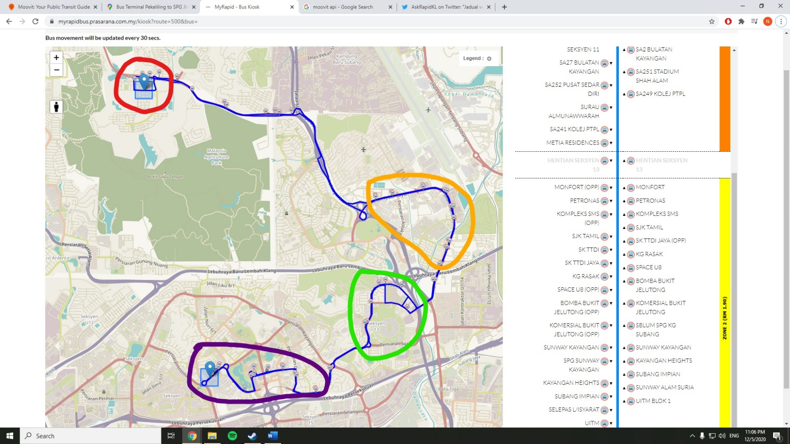
852 Route | 754 Bus | Alternative Moovit Times | Alternative Moovit Times + wait | Alternative Moovit Modes | Walking Time | Difference
HENTIAN SEKSYEN 13 to SA14 HUB SEKSYEN 2 | 16 | 24 | 25 | Walk and 705 | 5 | 0.56
HENTIAN SEKSYEN 13 to SA24 PUSAT DAGANGAN SHAH ALAM | 10 | 15 | 16 | Walk and 705 | 5 | 0.60
HENTIAN SEKSYEN 13 to SA854 KOMPLEKS PKNS SHAH ALAM | 12 | 19 | 20 | Walk and 705 | 5 | 0.67
SPACE U8 to HENTIAN SEKSYEN 13 | 10 | 23 | 23 | SA05 and Walk | 5 | 1.30
SPACE U8 to SA14 HUB SEKSYEN 2 | 26 | 34 | 59 | SA05 and 705 | 0 | 1.27
SPACE U8 to SA24 PUSAT DAGANGAN SHAH ALAM | 19 | 25 | 50 | SA05 and 705 | 0 | 1.63
SPACE U8 to SA251 STADIUM SHAH ALAM | 14 | 23 | 25 | SA05 and T774 | 2 | 0.79
SPACE U8 to SA854 KOMPLEKS PKNS SHAH ALAM | 22 | 29 | 54 | SA05 and 705 | 0 | 1.45
UITM BLOK 1 to HENTIAN SEKSYEN 13 | 19 | 99 | 99 | Walk and SA05 | 60 | 4.21
Commute Times In Minutes
UITM BLOK 1 to KOMPLEKS SMS | 13 | 88 | 88 | Walk and SA05 | 61 | 5.77
UITM BLOK 1 to SA14 HUB SEKSYEN 2 | 36 | 108 | 133 | Walk and SA05 and 705 | 60 | 2.69
UITM BLOK 1 to SA24 PUSAT DAGANGAN SHAH ALAM | 29 | 99 | 125 | Walk and SA05 and 705 | 60 | 3.31
UITM BLOK 1 to SA251 STADIUM SHAH ALAM | 24 | 99 | 102 | Walk and SA05 and T774 | 60 | 3.25
UITM BLOK 1 to SA854 KOMPLEKS PKNS SHAH ALAM | 32 | 103 | 128 | Walk and SA05 and 705 | 60 | 3.00
UITM BLOK 1 to SPACE U8 | 10 | 80 | 80 | Walk and SA05 | 61 | 7.00
Average | 19.47 | 57.87 | 68 |  | 30 | 2.50
Note

Note | Travel from Puncak Perdana(Red) to TTDI Jaya(Orange) or Seksyen 13(Green) or Shah Alam Centre(Purple)

781
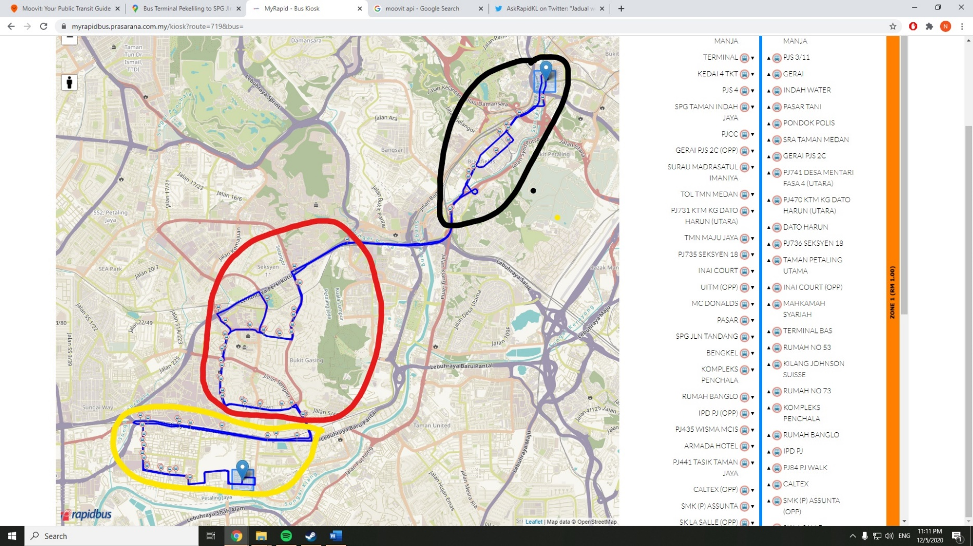
852 Route | 781 Bus | Alternative Moovit Times | Alternative Moovit Times + wait | Alternative Moovit Modes | Walking Time | Difference
PJ127 HAB BAS SERI MANJA to PJ731 KTM KG DATO HARUN (UTARA) | 11 | 11 | 18 | T640 and Walk and 641/PJ01 | 3 | 0.64
PJ127 HAB BAS SERI MANJA to MC DONALDS | 19 | 9 | 9 | T640 | 0 | 0.53
PJ127 HAB BAS SERI MANJA to TMN JAYA | 27 | 22 | 29 | T640 and Walk | 8 | 0.07
PJ127 HAB BAS SERI MANJA to SMK (P) ASSUNTA | 28 | 27 | 27 | T640 and Walk | 9 | 0.04
PJ127 HAB BAS SERI MANJA to PJ597 PPUM FEDERAL | 32 | 25 | 42 | T640 and PJ01 and 751/750 | 0 | 0.31
PJ127 HAB BAS SERI MANJA to KL1535 MIDVALLEY | 33 | 27 | 27 | 640 | 0 | 0.18
PJ127 HAB BAS SERI MANJA to KL1079 KL SENTRAL | 37 | 32 | 32 | 640 | 0 | 0.14
Commute Times In Minutes
PJ127 HAB BAS SERI MANJA to PASAR SENI (PLATFORM B6) | 41 | 37 | 37 | 640 | 0 | 0.10
TERMINAL to PJ731 KTM KG DATO HARUN (UTARA) | 5 | 12 | 12 | Walk and PJ01 | 4 | 1.40
TERMINAL to MC DONALDS | 14 | 21 | 22 | Walk and PJ01 | 4 | 0.57
TERMINAL to TMN JAYA | 22 | 37 | 37 | Walk and PJ01 and Walk | 15 | 0.68
TERMINAL to SMK (P) ASSUNTA | 23 | 35 | 36 | Walk and PJ01 and Walk | 13 | 0.57
TERMINAL to PJ597 PPUM FEDERAL | 27 | 37 | 42 | Walk and PJ01 and 751/750 | 10 | 0.56
TERMINAL to KL1535 MIDVALLEY | 27 | 40 | 49 | Walk and PJ01 and P701/710 | 4 | 0.81
TERMINAL to KL1079 KL SENTRAL | 32 | 47 | 51 | Walk and PJ01 and Walk and 782 | 6 | 0.59
TERMINAL to PASAR SENI (PLATFORM B6) | 36 | 50 | 56 | Walk and PJ01 and LRT | 4 | 0.56
PJ731 KTM KG DATO HARUN (UTARA) to MC DONALDS | 6 | 10 | 10 | PJ01 | 0 | 0.67
PJ731 KTM KG DATO HARUN (UTARA) to TMN JAYA | 13 | 25 | 25 | PJ01 and Walk | 10 | 0.92
PJ731 KTM KG DATO HARUN (UTARA) to SMK (P) ASSUNTA | 15 | 24 | 24 | PJ01 and Walk | 9 | 0.60
PJ731 KTM KG DATO HARUN (UTARA) to PJ597 PPUM FEDERAL | 18 | 25 | 30 | PJ01 and 751/750 | 0 | 0.67
PJ731 KTM KG DATO HARUN (UTARA) to KL1535 MIDVALLEY | 22 | 24.00 | 36 | KTM and Walk | 9 | 0.64
PJ731 KTM KG DATO HARUN (UTARA) to KL1079 KL SENTRAL | 26 | 24.00 | 30 | Walk and KTM | 1 | 0.15
PJ731 KTM KG DATO HARUN (UTARA) to PASAR SENI (PLATFORM B6) | 30 | 23.00 | 31 | Walk and KTM and LRT | 1 | 0.03
Average | 23.65 | 27.13 | 31 |  | 5 | 0.50

Note

T784
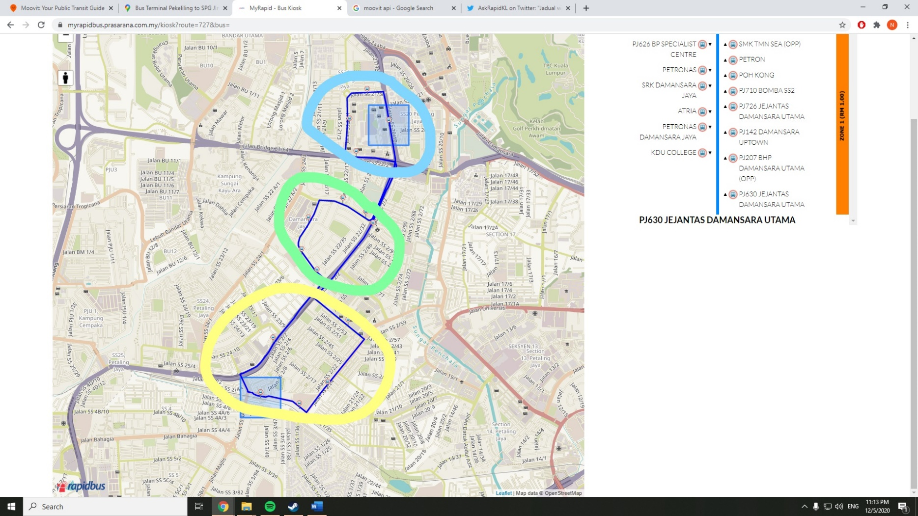
T784 Route | T784 Bus | Alternative Moovit Times | Alternative Moovit Times + wait | Alternative Moovit Modes | Walking Time | Difference
LRT TMN BAHAGIA to PJ626 BP SPECIALIST CENTRE | 4 | 3 | 3 | PJ05 | 0 | 0.25
LRT TMN BAHAGIA to ATRIA | 7 | 16 | 16 | PJ05 | 5 | 1.29
LRT TMN BAHAGIA to KDU COLLEGE | 9 | 9 | 9 | PJ05 | 0 | 0.00
LRT TMN BAHAGIA to PJ630 JEJANTAS DAMANSARA UTAMA | 10 | 8 | 15 | PJ05 | 1 | 0.50
PJ207 BHP DAMANSARA UTAMA (OPP) to PJ710 BOMBA SS2 | 3 | 4 | 4 | 780/802 | 0 | 0.33
PJ207 BHP DAMANSARA UTAMA (OPP) to SMK TMN SEA (OPP) | 9 | 13 | 16 | 780/802 and PJ05 |  | 0.78
PJ207 BHP DAMANSARA UTAMA (OPP) to LRT TMN BAHAGIA | 10 | 11 | 11 | 802 and Walk | 5 | 0.10
Average | 7.43 | 9.14 | 11 |  | 2 | 0.46

Commute Times In Minutes

Note | Taman Bahagia, Damansara Utama, Damansara Jaya

T204
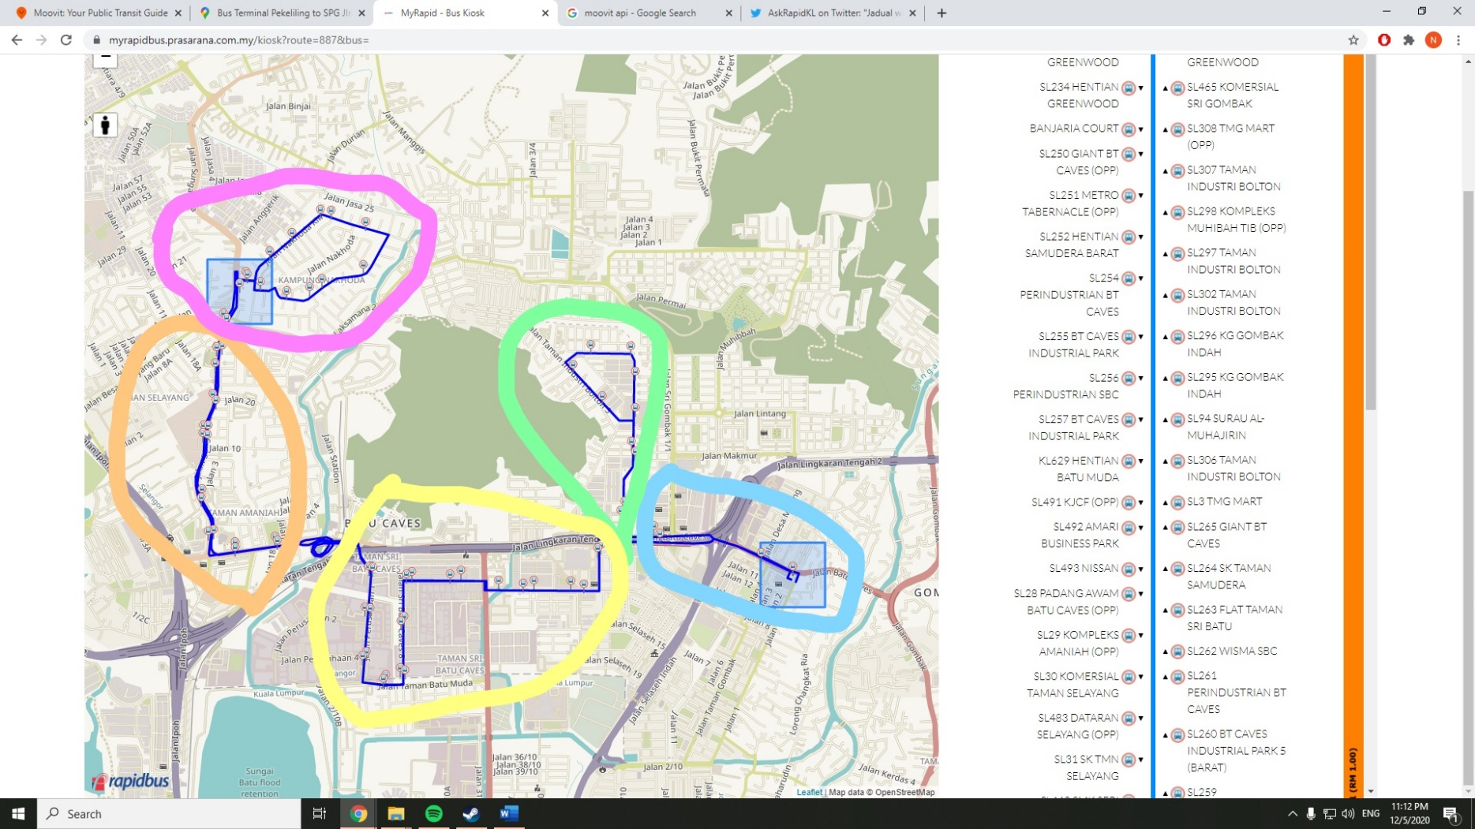
T204 Route | T204 Bus | Alternative Moovit Times | Alternative Moovit Times + wait | Alternative Moovit Modes | Walking Time | Difference
SL67 WISMA YATI AHMAD to SL83 KOMPLEKS SRI SIANTAN (OPP | 1 | 6 | 6 | Walk | 6 | 5.00
SL67 WISMA YATI AHMAD to SL84 SMK SERI SELAYANG (OPP) | 2 | 4 | 4 | 173 | 0 | 1.00
SL67 WISMA YATI AHMAD to SL87 MASJID AL-AMANIAH | 3 | 6 | 6 | 173 | 0 | 1.00
SL215 HAB GREENWOOD to SL251 METRO TABERNACLE (OPP) | 5 | 13 | 13 | MPS1 and Walk | 8 | 1.60
SL67 WISMA YATI AHMAD to SL487 AMARI BUSINESS PARK | 8 | 10 | 10 | 173 | 0 | 0.25
SL215 HAB GREENWOOD to SL255 BT CAVES INDUSTRIAL PARK | 9 | 14 | 21 | 202 and Walk and 171 | 1 | 1.33
SL215 HAB GREENWOOD to SL492 AMARI BUSINESS PARK | 11 | 14 | 18 | MPS1 and Walk and 173 | 1 | 0.64
SL67 WISMA YATI AHMAD to SL260 BT CAVES INDUSTRIAL PARK 5 (BARAT) | 11 | 13 | 13 | 173 | 4 | 0.18
SL215 HAB GREENWOOD to SL28 PADANG AWAM BATU CAVES (OPP) | 14 | 9 | 9 | MPS1 | 0 | -0.36
SL67 WISMA YATI AHMAD to SL264 SK TAMAN SAMUDERA | 14 | 21 | 23 | 173 and Walk and 171 | 1 | 0.64
SL215 HAB GREENWOOD to SL30 KOMERSIAL TAMAN SELAYANG | 17 | 10 | 10 | MPS1 | 0 | -0.41
SL215 HAB GREENWOOD to SL443 SMK SERI SELAYANG | 18 | 13 | 13 | MPS1 | 0 | -0.28
SL67 WISMA YATI AHMAD to SL306 TAMAN INDUSTRI BOLTON | 18 | 27 | 27 | Walk and MPS1 and Walk | 16 | 0.50
SL67 WISMA YATI AHMAD to SL296 KG GOMBAK INDAH | 20 | 32 | 32 | Walk and 173 and Walk | 27 | 0.60
SL215 HAB GREENWOOD to SL82 SIMPANG MASUK KG NAKHODA | 21 | 21 | 21 | MPS1 and Walk | 7 | 0.00
SL215 HAB GREENWOOD to SL72 MASJID KG NAKHODA | 22 | 25 | 25 | MPS1 and Walk | 11 | 0.14
SL215 HAB GREENWOOD to SL76 KG NAKHODA (TIMUR) | 25 | 19 | 26 | MPS1 and 173 | 0 | 0.04
SL67 WISMA YATI AHMAD to SL215 HAB GREENWOOD | 29 | 20 | 20 | Walk and MPS1 | 6 | -0.31
Average | 13.78 | 15.39 | 16.50 |  | 5 | 0.64

Commute Times In Minutes

Note
 | Kampung Sri Gombak (Green) quite cut off

