ListSearchResult
ListSearchResult_Example.jpg

Paging
(current page count、first/previous/specified/next/last page link)
Search result count

Header and list

ListSearchResult_PagingTableFull.jpg

Paging
Search result count

Search result

ListSearchResult_PagingFull.jpg

Page number
Current page

First
Previ
Next
Last

ListSearchResult_PagingBefore.jpg

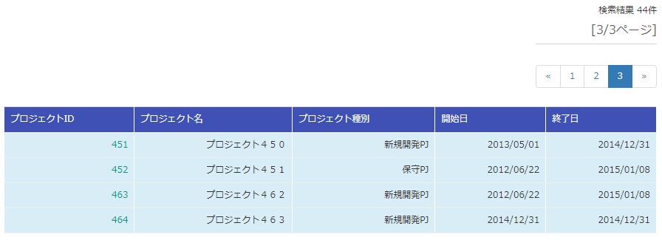

ListSearchResult_PagingAfter.jpg

ListSearchResult_PagingAfter2.jpg

ListSearchResult_TableFull.jpg
Header line

Body line

ListSearchResult_TableStatus.jpg

