Sheet1
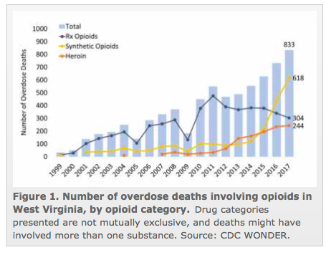
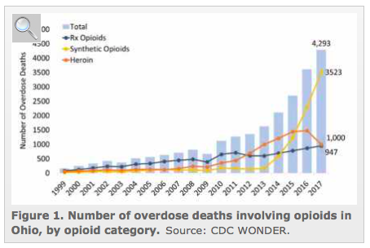
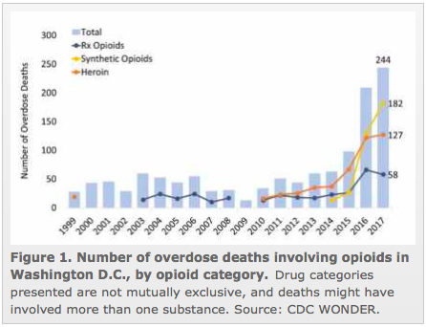
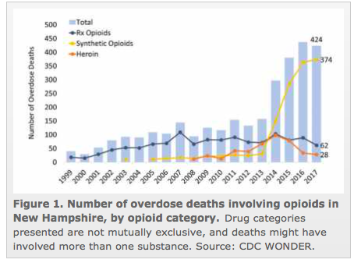
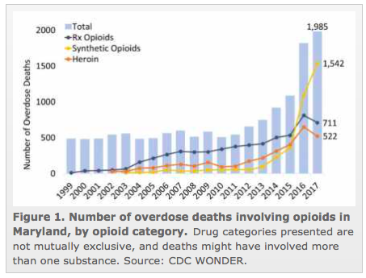
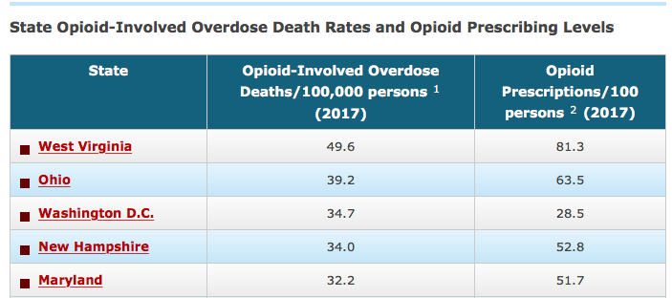
Year | Total | West Virginia | Ohio | Washington, DC | New Hampshire | Maryland |  | Top 5 States with Hghest Opioid Related Deaths
2019 | 2,826 | 30 | 97 | 42 | 53 | 88
2018 | 3,390 | 36 | 102 | 51 | 93 | 116
2017 | 3592 | 51 | 115 | 44 | 77 | 122
2016 | 3789 | 68 | 125 | 43 | 102 | 138
2015 | 3440 | 52 | 107 | 47 | 88 | 125

 | 2019 | 2018 | 2017 | 2016 | 2015 | Deaths 2017
West Virginia | 30 | 36 | 51 | 68 | 52 | 49.6
Ohio | 97 | 102 | 115 | 125 | 107 | 39.2
Washington, DC | 42 | 51 | 44 | 43 | 47 | 34.7
New Hampshire | 53 | 93 | 77 | 102 | 88 | 34
Maryland | 88 | 116 | 122 | 138 | 125 | 32.2
 |  |  |  |  |  |  | https://www.drugabuse.gov/drugs-abuse/opioids/opioid-summaries-by-state

 |  |  |  |  |  |  | Question: Does the use of abuse determinant opioids decrease overdose deaths?
 |  |  |  |  |  |  | Question: Does the use of methadone decrease overdose deaths?
 |  |  |  |  |  |  | What do these numbers equate to?
Methadone Use vs Opioid related Deaths in Top 5 States With Opioid-Involved Overdose Deaths
 |  |  |  |  |  |  | Methadone may only be used to maintain narcotic addiction or to detoxify a patient when the prescriber is registered by Drug Enforcement Administration (DEA) as a narcotic treatment facility (NTF). In such cases, the drug may only be administered by the NTF.

 |  |  |  |  |  |  |  |  |  | Methadone has no effect on opioid related deaths

 |  |  |  |  |  |  |  | 2017 Meth | 2017 Death
 |  |  |  |  |  |  | West Virginia | 51 | 49.6
 |  |  |  |  |  |  | Ohio | 115 | 39.2
 |  |  |  |  |  |  | Washington, DC | 44 | 34.7
 |  |  |  |  |  |  | New Hampshire | 77 | 34
 |  |  |  |  |  |  | Maryland | 122 | 32.2

