G1
Player Wise Domestic Market Share
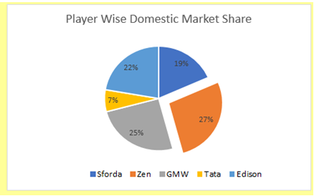
There are five leading players, including Sforda. Table B3:C8 has the Sales Data of the Year 2019 for the leading players. It would be best if you showed the market share of the competitors. (a) Select data in the range B3:C8 and create a pie chart in the range E3:L17 (b) Add data labels to the chart. (c) Change the labels from value to the percentage (d) Change the chart title to "Player Wise Domestic Market Share" (e) Explode the slice by 20% for the player having the highest market share
 |  |  | Sample Answer
 | Players | Revenue in 2019 ($ million)
 | Sforda | 347
 | Zen | 515
 | GMW | 474
 | Tata | 128
 | Edison | 420

G2
Trend in Selling and Distribution Expenses
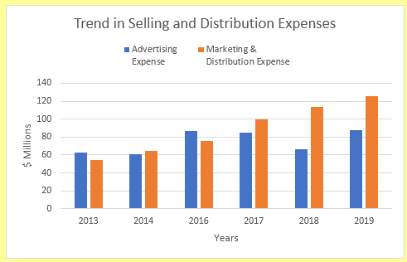
Table A3:C9 has the Advertising Expense and Marketing & Distribution Expense of the industry. It would be best if you created a graph which shows the trend in expenses. (a) Using data from the range A3:C9, create a clustered column chart in E3:L17 (b) Add years to the horizontal axis (c) Change the chart title to "Trend in Selling and Distribution Expenses" (d) Change the legend position to Top (e) Add the Horizontal Axis Title. The Horizontal Axis title should be years. (f) Add the Vertical Axis Title. The Vertical axis title should be $ Millions
 |  |  | Sample Answer
 | Advertising Expense | Marketing & Distribution Expense
2013 | 62.72 | 54.62
2014 | 60.96 | 64.17
2016 | 86.84 | 75.73
2017 | 84.85 | 99.58
2018 | 66.52 | 113.75
2019 | 87.36 | 125.45

G3
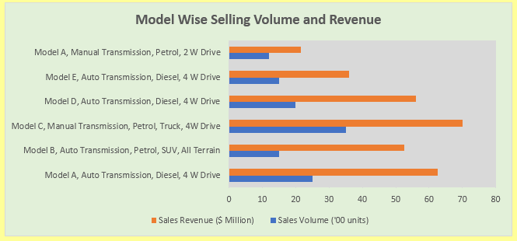
Table A3:C9 has the details on the top-selling Models over the years. (a) Create a clustered bar chart in the range E3:O19 (b) Change the legend position to Bottom (c) Remove the gridlines (d) Change the chart plot area color to White background 1, Darker 15% (e) Change the chart area background color to Green, Accent 6, Lighter 80% (f) Change the chart title to "Model Wise Selling Volume and Revenue" (g) Increase the chart size so that the categories are clearly visible
Model Wise Selling Volume and Revenue
Model | Sales Volume ('00 units) | Sales Revenue ($ Million)
Model A, Auto Transmission, Diesel, 4 W Drive | 25 | 62.5
Model B, Auto Transmission, Petrol, SUV, All Terrain | 15 | 52.5
Model C, Manual Transmission, Petrol, Truck, 4W Drive | 35 | 70
Model D, Auto Transmission, Diesel, 4 W Drive | 20 | 56
Model E, Auto Transmission, Diesel, 4 W Drive | 15 | 36
Model A, Manual Transmission, Petrol, 2 W Drive | 12 | 21.6

Sample Graph

G4
Growrth in Industry Wide Sales
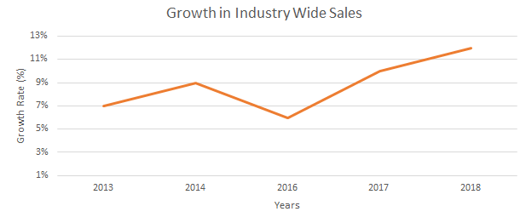
The table A3:B9 has the sales growth rate of the Automobile industry Create a visualization to show this data (a) Create a Line chart in the range E3:N17 (b) Add years to the horizontal axis (c) Add horizontal and Vertical Axis Title. (d) Horizontal Axis title should be Years and Vertical axis title should be Growth Rate (%) (e) Change the chart title to "Growth in Industry Wide Sales" (f) Change the maximum value of Vertical Axis to 13% (g) Change the minimum value of Vertical Axis 1% (h) Remove the legend
 |  | Sample Answer
Year | Annual Growth in Car Sales (%)
2013 | 5%
2014 | 7%
2016 | 9%
2017 | 6%
2018 | 10%
2019 | 12%

G5
There is a Positive Relationship between GDP growth rate and Automobile Sales
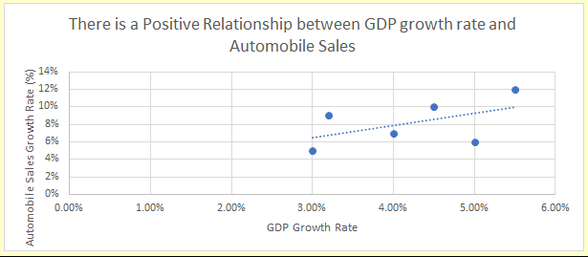
Table A3:C9 has the industry sales growth rate and the GDP growth rate. You need to analyze if there is a relationship between the GDP growth rate and Automobile sales growth rate. (a) Using data from the range A3:C9, Create a Scatter Graph in the range E3:N17 (b) Add horizontal Axis Title. The Horizontal Axis title should be GDP Growth Rate. (c) Add Vertical Axis Title. The Vertical axis title should be Automobile Sales Growth Rate (%) (d) Add a Linear Trendline to the Graph (e) Analyse the trendline, whether there is positive or negative relationship between GDP growth and Automobile Sales Growth Rate. - If the trend is positive, Change the chart title to "There is a Positive Relationship between GDP growth rate and Automobile Sales" - If the trend is negative, Change the chart title to "There is a Negative Relationship between GDP growth rate and Automobile Sales"
 |  |  | Sample Answer
 | GDP Growth Rate | Annual Growth in Car Sales (%)
2013 | 3.00% | 5%
2014 | 4.00% | 7%
2016 | 3.20% | 9%
2017 | 5.00% | 6%
2018 | 4.50% | 10%
2019 | 5.50% | 12%

G6
Operating Profit Margin vs Net Profit Margin
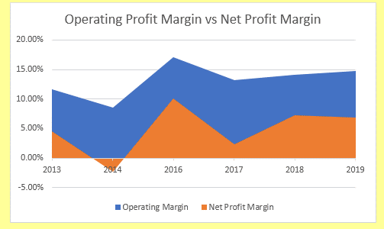
Automobile industry runs on thin profit margin. Table A3:C9 has the operating profit and net profit as a percentage of sales over the years. Create a visualization to show this data (a) Using data from the range A3:C9, Create an Area chart in the range E3:N17 (b) Add years to the horizontal axis (c) Change the chart title to "Operating Profit Margin vs Net Profit Margin"
 |  |  | Sample Answer
Year | Operating Margin | Net Profit Margin
2013 | 11.70% | 4.50%
2014 | 8.50% | -2.30%
2016 | 17.10% | 10.10%
2017 | 13.20% | 2.30%
2018 | 14.10% | 7.20%
2019 | 14.70% | 6.90%

