P1
The table B6:H18 has monthly Sales & Return Data for Brenden Calderon. You need to compute his sales performance. Cell C3 has the Sales Target for 2019, compute the monthly sales target in cell C4. a) Enter a Formula in Cell C8 to compute the begining of the month Year to Date Cumulative Sales. Copy the formula written in cell C8 to range C9 to C18. Formula is : Beginning of the month value for the current month = End of the month value for its previous month. b) Enter a Formula in Cell F7 to compute the end of the month Year to Date Cumulative Sales. Copy the formula written in cell F7 to range F8 to F18. Formula is : End of the month value = Beginning of the month value + monthly sales - sales returns (if any) c) Enter a Formula in Cell G7 to compute the Monthly Sales Achivement in %. Copy the formula written in cell G7 to range G8 to G18. Formula is : Monthly Sales Achievement = (Monthly Sales - Sales Return)/(Monthly Target) d) Enter a Formula in Cell H7 to compute the Year To Date Cumulative Sales Achivement in %. Copy the formula written in cell H7 to range H8 to H18. Formula is : Year To Date Cumulative Sales Achievement % = (End of the month Year to Date Cumulative Sales) / (2019 Sales Target)

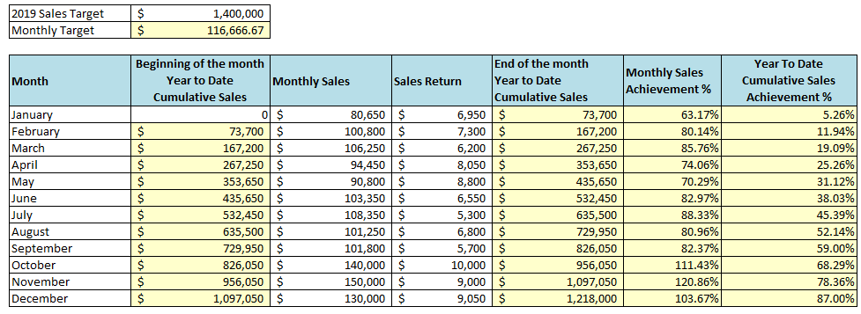
 | 2019 Sales Target | $1,400,000 |  |  |  |  |  | Correct Answer
 | Monthly Target | $116,666.67

 | Month | Beginning of the month Year to Date Cumulative Sales | Monthly Sales | Sales Return | End of the month Year to Date Cumulative Sales | Monthly Sales Achievement % | Year To Date Cumulative Sales Achievement %
 | January | 0 | $80,650 | $6,950 | $73,700 | 63.17% | 5.26%
 | February | $73,700 | $100,800 | $7,300 | $167,200 | 80.14% | 11.94%
 | March | $167,200 | $106,250 | $6,200 | $267,250 | 85.76% | 19.09%
 | April | $267,250 | $94,450 | $8,050 | $353,650 | 74.06% | 25.26%
 | May | $353,650 | $90,800 | $8,800 | $435,650 | 70.29% | 31.12%
 | June | $435,650 | $103,350 | $6,550 | $532,450 | 82.97% | 38.03%
 | July | $532,450 | $108,350 | $5,300 | $635,500 | 88.33% | 45.39%
 | August | $635,500 | $101,250 | $6,800 | $729,950 | 80.96% | 52.14%
 | September | $729,950 | $101,800 | $5,700 | $826,050 | 82.37% | 59.00%
 | October | $826,050 | $140,000 | $10,000 | $956,050 | 111.43% | 68.29%
 | November | $956,050 | $150,000 | $9,000 | $1,097,050 | 120.86% | 78.36%
 | December | $1,097,050 | $130,000 | $9,050 | $1,218,000 | 103.67% | 87.00%

The target and achieved sales in year 2019 by each of the salesperson is given in table B24:E28. Enter a Formula in Cell E25 to compute Sales Achivement in %. Copy the formula written in cell E25 to range E26 to E28. Formula is : Achievement % = (2019 Sales Achieved) / (2019 Sales Target)

 |  |  |  |  |  | Correct Answer
 | Salesperson | 2019 Target Sales | 2019 Sales Achieved | Achievement %
 | Brenden Calderon | $1,400,000 | $1,218,000 | 87.00%
 | Owen Smith | $1,600,000 | $1,500,000 | 93.75%
 | Bailey Cunningham | $1,500,000 | $1,600,000 | 106.67%
 | Meredith Palmer | $1,200,000 | $1,350,000 | 112.50%

The firm has a bonus pool which is allocated to sales person depending on their performance. Bonus pool amount is mentioned in C32. Table B34:C38 has the bonus paid to each of the salesperson. Enter a Formula in Cell D35 to compute % of total bonus allocated in %. Copy the formula written in cell D35 to range D36 to D38. Formula is : % of Total Bonus Allocated = (Bonus Paid) / (Bonus Pool)

 | Bonus Pool | $90,000
 |  |  |  |  | Correct Answer
 | Salesperson | Bonus Paid | % of Total Bonus Allocated
 | Brenden Calderon | $15,750 | 17.5%
 | Owen Smith | $27,000 | 30.0%
 | Bailey Cunningham | $36,000 | 40.0%
 | Meredith Palmer | $11,250 | 12.5%

The sales manager is evaluating the variability of sales of each sales person with respect to the last year. Table B42:D46 has the sales data for 2018 and 2019 for each of the salesperson. Enter a Formula in Cell E43 to compute Percent Variance in sales as compared to 2018. Copy the formula written in cell E43 to range E44 to E46. Formula is : Percent Variance = (2019 Sales - 2018 Sales) / (2018 Sales)

 | Salesperson | 2018 Sales | 2019 Sales | Percent Variance |  | Correct Answer
 | Brenden Calderon | $1,272,720 | $1,218,000 | -4.30%
 | Owen Smith | $1,454,550 | $1,500,000 | 3.12%
 | Bailey Cunningham | $1,363,640 | $1,600,000 | 17.33%
 | Meredith Palmer | $1,090,000 | $1,350,000 | 23.85%

The sales manager is planning the sales target for each sales person for 2020. For each of the salesperson, the sales target for year 2020 is 10% over and above the sales achieved in 2019. The percent increase in target sales is given in C50. Table B52:C56 has the sales data for 2019 for each of the salesperson. Enter a Formula in Cell D53 to compute 2020 Sales Target . Copy the formula written in cell D53 to range D54 to D56. Formula is : 2020 Sales Target = (2019 Sales Achieved )* (1 + Target Sales Increase)

 | Target Sales Increase | 10% |  |  | Correct Answer

 | Salesperson | 2019 Sales Achieved | 2020 Sales Target
 | Brenden Calderon | $1,218,000 | $1,339,800
 | Owen Smith | $1,500,000 | $1,650,000
 | Bailey Cunningham | $1,600,000 | $1,760,000
 | Meredith Palmer | $1,350,000 | $1,485,000

Based on the sales target for 2020, the sales manager wants you to compute the expected commission to be paid in 2020. For each of the salesperson, Sales Target is given in range C62:65 and the commission rate is given in range D62:D65. Enter a Formula in Cell E62 to compute Expected Commission in 2020. Copy the formula written in cell E62 to range E63 to E65. Formula is : Expected Commission ($) = (2020 Sales Target )* (Commission (%))
 |  |  |  |  |  | Correct Answer
 | Salesperson | 2020 Sales Target | Commission (%) | Expected Commission ($)
 | Brenden Calderon | $1,339,800 | 6.00% | $80,388.00
 | Owen Smith | $1,650,000 | 7.50% | $123,750.00
 | Bailey Cunningham | $1,760,000 | 7.00% | $123,200.00
 | Meredith Palmer | $1,485,000 | 5.00% | $74,250.00

Based on the expected commission to be earned in 2020, the sales manager wants you to compute the after tax commission to be earned by each of the sales person. Income tax is charged at a flat rate of 25%. Income tax rate is given in cell range B69. (a) Enter a formula in D72 to compute the Tax deduction. Copy the formula written in cell D72 to range D73:D75. Formula is : Tax Deduction = Income Tax Rate* (Expected Commission ($)) (b) Enter a formula in E72 to compute the After Tax Commission. Copy the formula written in cell E72 to range E73:E75. Formula is : After Tax Commission = (Expected Commission ($)) - Tax Deduction

 | Income Tax Rate | 25% |  |  |  | Correct Answer

 | Salesperson | Expected Commission ($) | Tax Deduction | After Tax Commission
 | Brenden Calderon | $80,388.00 | $20,097.00 | $60,291.00
 | Owen Smith | $123,750.00 | $30,937.50 | $92,812.50
 | Bailey Cunningham | $123,200.00 | $30,800.00 | $92,400.00
 | Meredith Palmer | $74,250.00 | $18,562.50 | $55,687.50

P2
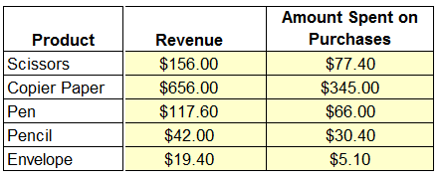
You are working as a trade analyst in Alpha Trading Corporation. The sales manager has asked you to perform some calculations using excel. In the table range B3:H8, data is given on products, quantity sold, quantity purchased, selling price and cost price. You are asked to compute Revenue and Amount Spent on purchases. The formula for computation is given below Revenue = Qty Sold * Selling Price; Amount Spent on purchases = Qty Purchased * Cost Price. 1. Enter a relative reference formula in G4 to compute Revenue. Now, copy the formula to the range G4:H8 and compute Revenue as well as Amount Spent on Purchsaes.
 |  |  |  |  |  |  |  | Correct Answer
 | Product | Qty Sold | Qty Purchased | Selling Price | Cost Price | Revenue | Amount Spent on Purchases
 | Scissors | 78 | 43 | $2.00 | $1.80 | $156.00 | $77.40
 | Copier Paper | 82 | 69 | $8.00 | $5.00 | $656.00 | $345.00
 | Pen | 98 | 66 | $1.20 | $1.00 | $117.60 | $66.00
 | Pencil | 84 | 76 | $0.50 | $0.40 | $42.00 | $30.40
 | Envelope | 97 | 51 | $0.20 | $0.10 | $19.40 | $5.10

The government has introduced a sales tax of 8% on all products sold by the firm. Alpha Trading corporation has decided to pass the cost to the customers. Given the data in B4:D19, Compute sales tax, gross revenue and net revenue to the firm. Formula to compute is given below 1. Sales Tax = Sales Tax Rate * Qty Sold * Selling Price 2.Gross Revenue = Qty Sold * Selling Price + Sales Tax 3. Net Revenue = Qty Sold * Selling Price 1. Enter a formula in E15 to compute sales tax, copy the formula to cells E16 to E19. 2. Enter a formula in F15 to compute gross revenue , copy the formula to cells F16 to F19. 3. Enter a formula in G15 to compute net revenue , copy the formula to cells G16 to G19.

 |  | Sales Tax rate | 8% |  |  |  |  | Correct Answer
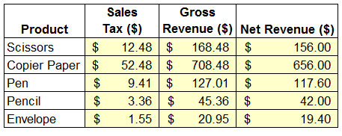
 | Product | Qty Sold | Selling Price | Sales Tax ($) | Gross Revenue ($) | Net Revenue ($)
 | Scissors | 78 | $2.00 | $12.48 | $168.48 | $156.00
 | Copier Paper | 82 | $8.00 | $52.48 | $708.48 | $656.00
 | Pen | 98 | $1.20 | $9.41 | $127.01 | $117.60
 | Pencil | 84 | $0.50 | $3.36 | $45.36 | $42.00
 | Envelope | 97 | $0.20 | $1.55 | $20.95 | $19.40

The firm recevied order to supply 100 quantity of each of the product as trial before a bulk business order. Cell D24 has the quantity value. Given the data in B26:D31, Compute Revenue and Cost of Goods Sold. Since, this is a new client, you are asked to compute Gross Profit and Gross Profit margin for the products. Formula to compute is given below (1) Gross Profit = Revenue - Cost of Goods Sold (2) Gross Profit Margin = Gross Profit / Revenue 1. Enter a formula in E27 to compute revenue. Copy the formula to cells E28 to E31. 2. Enter a formula in F27 to compute Cost of Goods Sold. Copy the formula to cells F28 to F31. 3. Enter a formula in G27 to compute gross profit, Copy the formula to cells G28 to G31. 4. Enter a formula in H27 to compute gross profit margin, Copy the formula to cells H28 to H31.
 |  |  |  |  |  |  |  | Correct Answer
 |  | Quantity | 100

 | Product | Selling Price | Cost Price | Revenue | Cost of Goods Sold | Gross Profit | Gross Profit Margin
 | Scissors | $2.10 | $1.80 | $210.00 | $180.00 | $30.00 | 14.29%
 | Copier Paper | $8.20 | $5.00 | $820.00 | $500.00 | $320.00 | 39.02%
 | Pen | $1.10 | $1.00 | $110.00 | $100.00 | $10.00 | 9.09%
 | Pencil | $0.45 | $0.40 | $45.00 | $40.00 | $5.00 | 11.11%
 | Envelope | $0.22 | $0.10 | $22.00 | $10.00 | $12.00 | 54.55%

