Q1
Instruction
Find the payment to be given to each student based on hours worked by them and their hourly rate.
Also find the total hours worked, the total payment made and the average hourly rate.
Marks: F8:F20 = 2.5; J9 = 1.5 ; J10 = 1.5 ; J11 = 3; J12 = 1.5; Total = 10 Marks
Don't Enter Values, everywhere use formula only.
 |  |  |  |  |  | Correct Answer
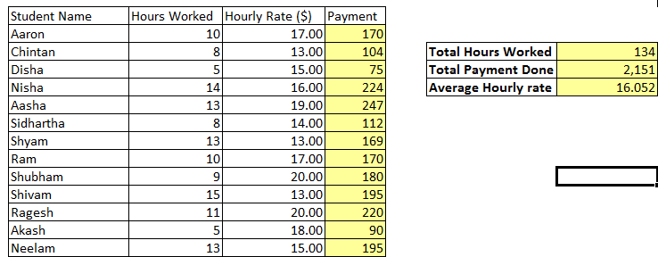
Student Name | Hours Worked | Hourly Rate ($) | Payment
Aaron | 10 | 17.00 | 170
Chintan | 8 | 13.00 | 104 | Total Hours Worked | 134
Disha | 5 | 15.00 | 75 | Total Payment Done | 2,151
Nisha | 14 | 16.00 | 224 | Average Hourly rate | 16.052
Aasha | 13 | 19.00 | 247 | Total Payment Done (Using Sumproduct) | 2,151.000
Sidhartha | 8 | 14.00 | 112
Shyam | 13 | 13.00 | 169
Ram | 10 | 17.00 | 170
Shubham | 9 | 20.00 | 180
Shivam | 15 | 13.00 | 195
Ragesh | 11 | 20.00 | 220
Akash | 5 | 18.00 | 90
Neelam | 13 | 15.00 | 195

 |  |  |  |  |  | H55LbkCd7D

Q2
Instructions
For each of the employee, Find the tax deduction and after tax salary.
Also find the total monthly payment, total tax deduction and total after tax salary. |  |  |  |  | Correct Answer
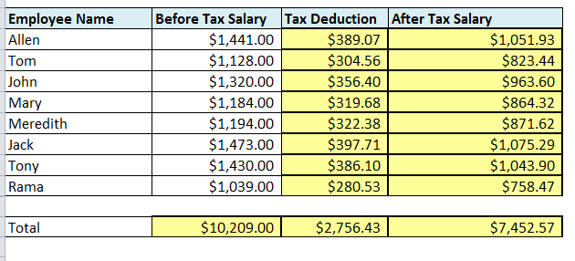
Marks: H10:H17 = 3; J10:J17 = 2 ; F20 = 1 ; H20 = 1; J20 =1; Total = 8 Marks
Don't Enter Values, everywhere use formula only.

Income Tax Rate | 27%

Employee Name | Before Tax Salary | Tax Deduction | After Tax Salary
Allen | $1,441.00 | $389.07 | $1,051.93
Tom | $1,128.00 | $304.56 | $823.44
John | $1,320.00 | $356.40 | $963.60
Mary | $1,184.00 | $319.68 | $864.32
Meredith | $1,194.00 | $322.38 | $871.62
Jack | $1,473.00 | $397.71 | $1,075.29
Tony | $1,430.00 | $386.10 | $1,043.90
Rama | $1,039.00 | $280.53 | $758.47

Total | $10,209.00 | $2,756.43 | $7,452.57

 |  |  |  | H55LbkCd7D

 |  |  |  |  |  | Shravani 9/25/2017 6:35:52 PM

Q4
Instruction
Find the accumulated amount at the end of the period based on the compound interest. |  |  |  |  |  |  |  | Hint
Amount is calculated as : A = P * (1+interest rate)^n |  |  |  |  |  |  |  | Use a formula in Cell C25 and drag that cell to all the cells.
Marks: C25:I34 = 10 Marks; Total = 10 Marks |  |  |  |  |  |  |  | Effectively you are entering formula only once.
Don't Enter Values, everywhere use formula only.

Interest Rate | 8% |  |  |  |  |  |  | Correct Answer

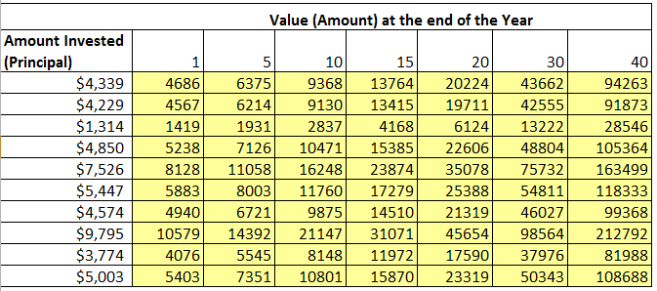
Value (Amount) at the end of the Year
Amount Invested (Principal) | 1 | 5 | 10 | 15 | 20 | 30 | 40
$4,339 | 4686 | 6375 | 9368 | 13764 | 20224 | 43662 | 94263
$4,229 | 4567 | 6214 | 9130 | 13415 | 19711 | 42555 | 91873
$1,314 | 1419 | 1931 | 2837 | 4168 | 6124 | 13222 | 28546
$4,850 | 5238 | 7126 | 10471 | 15385 | 22606 | 48804 | 105364
$7,526 | 8128 | 11058 | 16248 | 23874 | 35078 | 75732 | 163499
$5,447 | 5883 | 8003 | 11760 | 17279 | 25388 | 54811 | 118333
$4,574 | 4940 | 6721 | 9875 | 14510 | 21319 | 46027 | 99368
$9,795 | 10579 | 14392 | 21147 | 31071 | 45654 | 98564 | 212792
$3,774 | 4076 | 5545 | 8148 | 11972 | 17590 | 37976 | 81988
$5,003 | 5403 | 7351 | 10801 | 15870 | 23319 | 50343 | 108688

 |  |  |  |  |  |  |  | H55LbkCd7D

Q6
Instruction: Find the cumulative sales for each of the month. (Total 5 Marks) Hint : You have to write a formula in E7 and drag it till E14.
 |  |  | Correct Answer
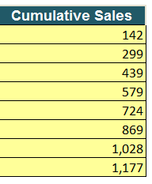
Month | Sales | Cumulative Sales
Aug-2011 | 142 | 142
Sep-2011 | 157 | 299
Oct-2011 | 140 | 439
Nov-2011 | 140 | 579
Dec-2011 | 145 | 724
Jan-2012 | 145 | 869
Feb-2012 | 159 | 1,028
Mar-2012 | 149 | 1,177

 |  |  |  | H55LbkCd7D

Q8
Instruction: (i) Find the sales, tax and total invoice amount for each of the month. (Total 7 Marks) F11: 1 Mark; F12:F19: 3 Marks; G11:G19: 2 Marks; H11:H19: 1 Mark

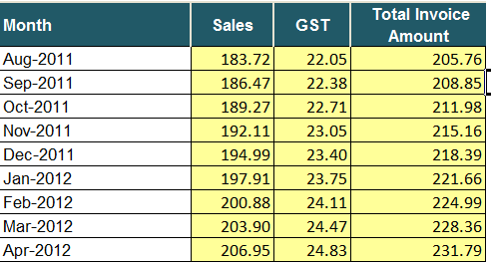
July 2011 Sales ($) | 181 |  |  | Correct Answer
Monthly Sales growth | 1.5%
GST rate % | 12.0%

Month | Sales | GST | Total Invoice Amount
Aug-2011 | 183.72 | 22.05 | 205.76
Sep-2011 | 186.47 | 22.38 | 208.85
Oct-2011 | 189.27 | 22.71 | 211.98
Nov-2011 | 192.11 | 23.05 | 215.16
Dec-2011 | 194.99 | 23.40 | 218.39
Jan-2012 | 197.91 | 23.75 | 221.66
Feb-2012 | 200.88 | 24.11 | 224.99
Mar-2012 | 203.90 | 24.47 | 228.36
Apr-2012 | 206.95 | 24.83 | 231.79

 |  |  |  |  | H55LbkCd7D

Q9
Instruction: Answer the following questions based on the problem statement and data

Question A) | A sample survey data is given below. Find the percentage of votes which came against the motion. Please round the answer to reflect the numbers. [2 Marks]

 | Against the Motion |  | 45
 | Total Participants |  | 436 |  |  | Correct Answer

 | Percentage vote received against motion |  | 10.32%

Question B) | In 1999, suppose that U.S. small cars averaged 10 km per litre and Indian cars averaged 12 km per litre . Also suppose that U.S. car owners drove 100 billion kilometers in their small cars and Indian car owners drove 36 billion kilometers in their cars. Find the average mileage of cars, all together. [5 Marks]

 |  |  |  |  |  | Correct Answer
 | Mileage of US Small Cars |  | 10 | Km/Litre
 | Mileage of Indian Cars |  | 12 | Km/Litre
 | Distance travelled by US Car Owners |  | 100 | billion Km
 | Distance travelled by Indian Car Owners |  | 36 | billion Km

 | Average mileage of US & Indian families |  | 10.529 | Km/Litre

Question C) | What is the total cost to ship an order weighing 5 kg. if the breakdown of the costs are
 | $ 0.2 per kg for packing, $ 0.15 per kg for insurance, $ 0.3 per kg for transportation
 | and $100 flat rate for the shipping crate? |  |  | [3 Marks]

 |  | Weight of order = | 5 |  | Correct Answer
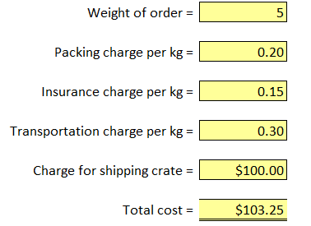
 |  | Packing charge per kg = | 0.20

 |  | Insurance charge per kg = | 0.15

 |  | Transportation charge per kg = | 0.30

 |  | Charge for shipping crate = | $100.00

 |  | Total cost = | $103.25

 |  |  |  |  |  |  | H55LbkCd7D

Q10
Question A) | You are the owner of a chain of successful multiplexes with the following number of seats
 | in each location (forum mall, phoenix mall, garuda mall)
 | If the property insurance premium is $50000 per year, how much of that premium should
 | be allocated to each of the multiplex, based on percent of total seating capacity? [5 Marks]

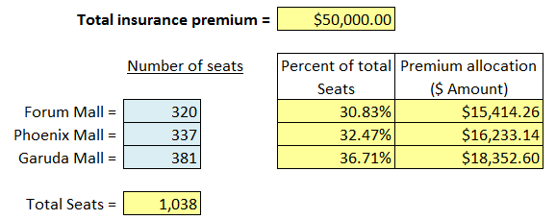
 |  |  |  |  |  |  | Correct Answer
 |  |  |  | Total insurance premium = | $500,000.00

 |  |  | Number of seats |  | Percent of total Seats | Premium allocation ($ Amount)

 |  | Forum Mall = | 320 |  | 30.83% | $154,142.58
 |  | Phoenix Mall = | 337 |  | 32.47% | $162,331.41
 |  | Garuda Mall = | 381 |  | 36.71% | $183,526.01

 |  | Total Seats = | 1,038

Question B) | If the multiplex chain opens a fourth multiplex at Mantri Mall with 498 seats,
 | and the total insurance premium increases by 20%.
 | What is the new allocation of insurance premiums among the four locations? [8 Marks]

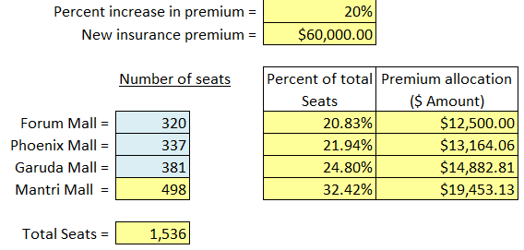
 |  |  |  | Percent increase in premium = | 20% |  | Correct Answer
 |  |  |  | New insurance premium = | $600,000.00

 |  |  | Number of seats |  | Percent of total Seats | Premium allocation ($ Amount)

 |  | Forum Mall = | 320 |  | 20.83% | $125,000.00
 |  | Phoenix Mall = | 337 |  | 21.94% | $131,640.63
 |  | Garuda Mall = | 381 |  | 24.80% | $148,828.13
 |  | Mantri Mall = | 498 |  | 32.42% | $194,531.25

 |  | Total Seats = | 1,536

 |  |  |  |  |  |  | H55LbkCd7D

