Planilha1
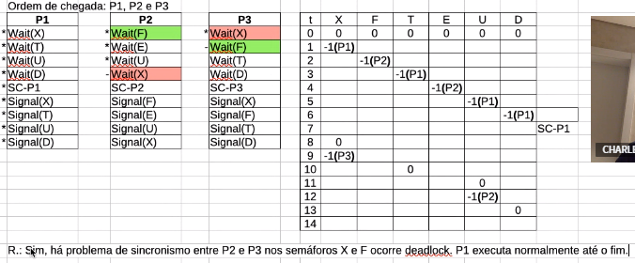
 | P1 |  | P2 |  | P3 | t | X | F | E | T | D | U | SC
* | Wait(X) | * | Wait(F) | * | Wait(X) | 0 | 0 | 0 | 0 | 0 | 0 | 0
* | Wait(T) | * | Wait(E) | - | Wait(F) | 1 | -1(P1)
* | Wait(U) | * | Wait(U) |  | Wait(T) | 2 |  | -1(P2)
* | Wait(D) | - | Wait(X) |  | Wait(D) | 3 |  |  |  | -1(P1)
* | SC-P1 |  | SC-P2 |  | SC-P3 | 4 |  |  | -1(P2)
* | Signal(X) |  | Signal(F) |  | Signal(X) | 5 |  |  |  |  |  | -1(P1)
* | Signal(T) |  | Signal(E) |  | Signal(F) | 6 |  |  |  |  | -1(P1)
* | Signal(U) |  | Signal(U) |  | Signal(T) | 7 |  |  |  |  |  |  | SC-P1
* | Signal(D) |  | Signal(X) |  | Signal(D) | 8 | 0
 |  |  |  |  |  | 9 | -1(P3)
 |  |  |  |  |  | 10 |  |  |  | 0
 |  |  |  |  |  | 11 |  |  |  |  |  | 0
 |  |  |  |  |  | 12 |  |  |  |  |  | -1(P2)
 |  |  |  |  |  | 13 |  |  |  |  | 0
 |  |  |  |  |  | 14
 |  |  |  |  |  | 15
 |  |  |  |  |  | 16
 |  |  |  |  |  | 17
 |  |  |  |  |  | 18
 |  |  |  |  |  | 19
 |  |  |  |  |  | 20
 |  |  |  |  |  | 21
 |  |  |  |  |  | 22
 |  |  |  |  |  | 23
 |  |  |  |  |  | 24
 |  |  |  |  |  | 25
 |  |  |  |  |  | 26
 |  |  |  |  |  | 27

