analysis_pivot_tables_&_charts
Age & Depression
Gender | Count of Depression | Sum of Work/Study Hours |  | Age | Count of Depression
F | 12354 | 43.94% |  | 18 | 47
M | 15547 | 56.06% |  | 19 | 58
Grand Total | 27901 | 100.00% |  | 20 | 85
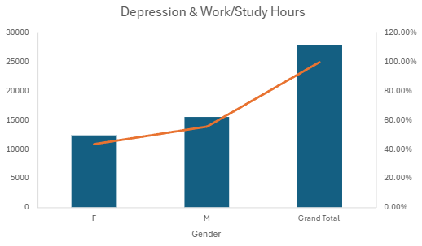
 |  |  |  | 21 | 52
 |  |  |  | 22 | 48
 |  |  |  | 23 | 60
 |  |  |  | 24 | 80
 |  |  |  | 25 | 63
 |  |  |  | 26 | 41
 |  |  |  | 27 | 50
 |  |  |  | 28 | 85
 |  |  |  | 29 | 80
 |  |  |  | 30 | 44
 |  |  |  | 31 | 43
 |  |  |  | 32 | 46
 |  |  |  | 33 | 61
 |  |  |  | 34 | 54
 |  |  |  | 35 | 1
 |  |  |  | 36 | 1
 |  |  |  | 48 | 1

City & Depression Levels
 | Total

Academic Pressure & Depression

Academic Pressure | Count of Depression
1 | 157
2 | 165
3 | 264
4 | 181
5 | 233

Study Satisfaction & Depression
 | Average of Depression | Count of Depression

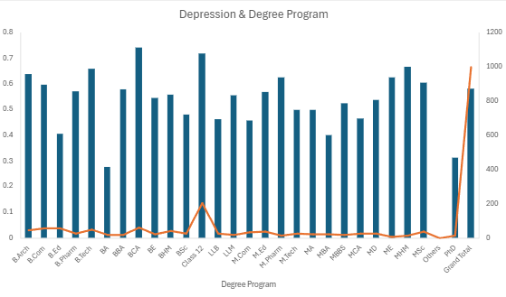

Suicidal Thoughts

 |  |  |  | p-value | 0.7057099464
 |  |  |  | Chi-square | 0.1425998719
 |  |  |  | Chi-critical | 3.841458821

Expected Suicidal Thoughts
Gender | 0 | 1 | Grand Total
F | 164.808 | 271.192 | 436
M | 213.192 | 350.808 | 564
Grand Total | 378 | 622 | 1000

Sleep Duration & Depression
 | Average of Sleep Duration | StdDev of Sleep Duration | Var of Sleep Duration

Depression & Financial Stress
 | Average of Financial Stress | StdDev of Financial Stress

Work/Study Hours & Depression
Work/Study Hours | Count of Depression
0 | 64
1 | 48
2 | 54
3 | 50
4 | 62
5 | 38
6 | 74
7 | 60
8 | 90
9 | 52
10 | 171
11 | 110
12 | 127

Factors That Affects Depression | Coefficent of correlation
Age | -0.226422041
Academic Pressure | 0.474834944
CGPA | 0.02221047
Study Satisfaction | -0.167971384
Suicidal Thoughts | 0.546276684
Work/Study Hours | 0.208562831
Financial Stress | 0.363591429
Mental Illness | 0.053430172

Coefficents of correlation

