label expl
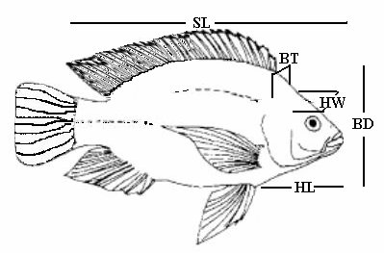
SL: Standard Length---Length1
FL: Fork Length--------Length2
TL: Total Length-------Length3
BT: Body Thickness----Height
BD: Body Depth--------Width

