Parallel Parking
PARALLEL PARKING
Driver No. | Driver No. | Top Offset error (%) | Bottom Offset error (%) | Average Acceleration during parallel parking (m/s^2) | Median Acceleration during parallel parking (m/s^2) | Std. Dev. Acceleration during parallel parking (m/s^2) | Average Pressure during parallel parking (Pa) | Minimum Pressure during parallel parking (Pa) | Maximum Pressure during parallel parking (Pa) | Std. Dev. Pressure during parallel parking (Pa) | Time to finish the parallel parking (sec) | Average of Offsets (m) | Angle of Parallel Parking (degree) | Final Result (Offset+Angle) using PCA
1 | 1 | 4.76 | 0.00 | 0.360 | 0.33 | 0.21551565662 | 75.872 | 4.00 | 268.91 | 68.432196251 | 60 | 1.625 | 0.36 | 0.26697792
13 | 2 | 14.29 | 11.11 | 0.801 | 0.78 | 0.34363308714 | 62.307 | 8.466 | 180.976 | 53.438108508 | 50 | 1.6 | 9.68 | 1.14060717
16 | 3 | 7.14 | 4.76 | 0.728 | 0.53 | 0.58970016549 | 58.411 | 0.308 | 227.288 | 43.758136944 | 65.45 | 1.75 | 1.29 | 1.14060717
4 | 4 | 27.78 | 18.75 | 0.519 | 0.44 | 0.53556311618 | 74.203 | 2.67 | 252.33 | 65.164814888 | 67 | 1.65 | 9.7 | 0.70109025
5 | 5 | 15.00 | 25.00 | 0.689 | 0.63 | 0.34186693117 | 77.195 | 4.4945454545 | 187.18454545 | 41.533399844 | 66 | 1.6 | 8.23 | 0.95600389
15 | 6 | 9.52 | 14.29 | 0.509 | 0.5 | 0.50672853892 | 63.632 | 8.466 | 180.976 | 43.758417863 | 44.96 | 1.75 | 9.99 | 0.14611544
7 | 7 | 16.67 | 0.00 | 0.920 | 0.78 | 0.46387390216 | 40.548 | 5.7377777778 | 145.75777778 | 29.932603012 | 39.76 | 1.775 | 1.29 | 1.47476671
8 | 8 | 7.14 | 5.56 | 0.744 | 0.62 | 0.44432170527 | 45.935 | 4.095 | 151.935 | 33.493119457 | 44 | 1.6 | 4.17 | 0.4391147
9 | 9 | 9.52 | 11.76 | 0.780 | 0.46 | 0.8496484984 | 34.567 | 0.3062962963 | 247.3662963 | 47.503511271 | 36 | 1.8 | 3.54 | 1.40934493
10 | 10 | 19.05 | 21.43 | 0.755 | 0.55 | 0.52453986158 | 55.326 | 3.72 | 188.2 | 37.312434393 | 44.94 | 1.725 | 9.13 | 0.0345727
11 | 11 | 7.14 | 0.00 | 0.785 | 0.69 | 0.56201319706 | 70.378 | 8.466 | 221.886 | 59.96771608 | 58.42 | 1.725 | 0.64 | 1.11545673
12 | 12 | 0.00 | 0.00 | 0.670 | 0.62 | 0.43141471351 | 63.292 | 2.156 | 180.976 | 55.034549336 | 49.94 | 1.65 | 0.97 | 1.11545673
14 | 13 | 14.29 | 11.76 | 0.215 | 0.62 | 0.86164660488 | 65.674 | 0.308 | 267.288 | 46.434379158 | 80.25 | 1.875 | 9.99 | 1.25127337 | 74
2 | 14 | 20.50 | 21.54 | 0.274 | 0.21221294 | 0.24214872769 | 78.321 | 1.067 | 258.367 | 59.580450394 | 90 | 1.65 | 21.65 | 1.25127337 | 76
3 | 15 | 15.79 | 21.43 | 0.521 | 0.45 | 0.41747820494 | 60.489 | 1.4778571429 | 232.03785714 | 54.354852443 | 76 | 1.65 | 9.13 | 0.62852206 | 87
6 | 16 | 16.67 | 28.57 | 0.743 | 0.64 | 0.55139308213 | 70.316 | 0.308 | 267.288 | 49.767726898 | 127 | 1.625 | 12.47 | 1.27477775 | 66

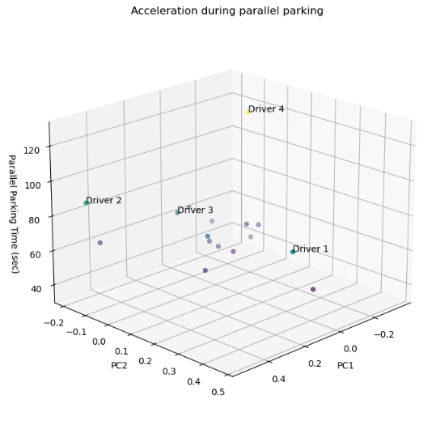
Case 1(a): |  | Independent |  | Acceleration |  | Training set performance: |  |  | MSE: | 18.23
 |  | Dependent |  | Time |  |  |  |  | R2: | 0.83

 |  | Mean Time taken by experts to park (sec): |  |  |  |  | 52.21
 |  |  |  |  |  |  |  |  | If observed < Mean: Above Average
 | D. No. | Oberved Time |  | Predicted Time |  | Score | Skill Level |  | If observed > Mean: Below Average
 | A | 80.25 |  | 52.32 |  | 52.16 | Below Average
 | B | 90 |  | 57.89 |  | 51.46 | Below Average
 | C | 76 |  | 54.16 |  | 57.01 | Below Average
 | D | 127 |  | 54.24 |  | 34.17 | Below Average

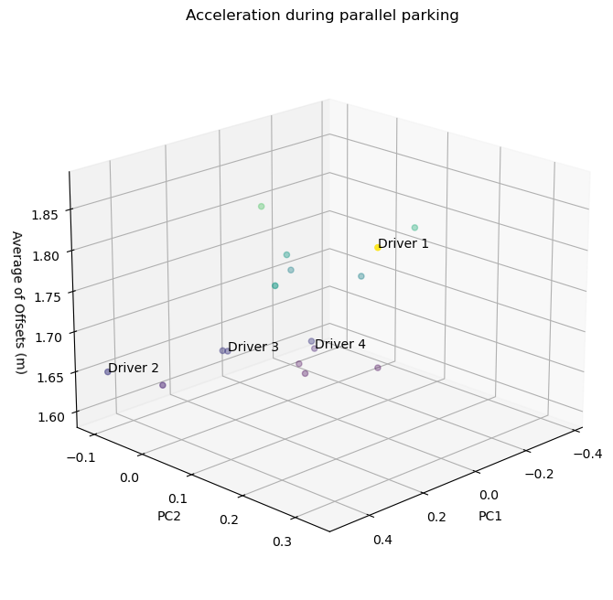
Case 1(b): |  | Independent |  | Acceleration |  | Training set performance: |  |  | MSE: | 0
 |  | Dependent |  | Final Offset |  |  |  |  | R2: | 0.9

 |  | Mean offset of drivers after parking (m): |  |  |  |  | 1.6875
 |  |  |  |  |  |  |  |  | If observed < Mean: Above Average
 | D. No. | Oberved Offset |  | Predicted Offset |  | Score | Skill Level |  | If observed > Mean: Below Average
 | A | 1.88 |  | 1.74 |  | 74.04 | Below Average
 | B | 1.65 |  | 1.63 |  | 79.03 | Above Average
 | C | 1.65 |  | 1.64 |  | 79.52 | Above Average
 | D | 1.62 |  | 1.72 |  | 81.16 | Above Average

 |  |  | D. No. | Final Score of Drivers w.r.t. Acceleration
 |  |  | A | 63
 |  |  | B | 65
 |  |  | C | 68
 |  |  | D | 58

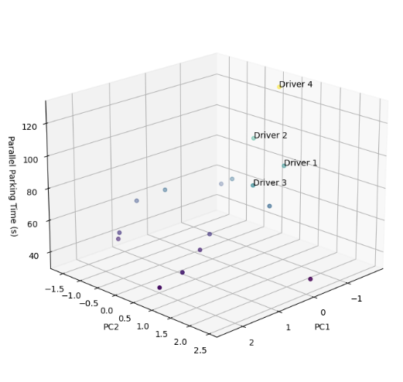
Case 2(a): |  | Independent |  | Pressure |  | Training set performance: |  |  | MSE: | 12.41
 |  | Dependent |  | Time |  |  |  |  | R2: | 0.88

 |  | Mean Time taken by experts to park (sec): |  |  |  |  | 52.21
 |  |  |  |  |  |  |  |  | If observed < Mean: Above Average
 | D. No. | Oberved Time |  | Predicted Time |  | Score | Skill Level |  | If observed > Mean: Below Average
 | A | 80.25 |  | 59.61 |  | 59.42 | Below Average
 | B | 90 |  | 64.26 |  | 57.12 | Below Average
 | C | 76 |  | 59.65 |  | 62.79 | Below Average
 | D | 127 |  | 63.11 |  | 39.75 | Below Average

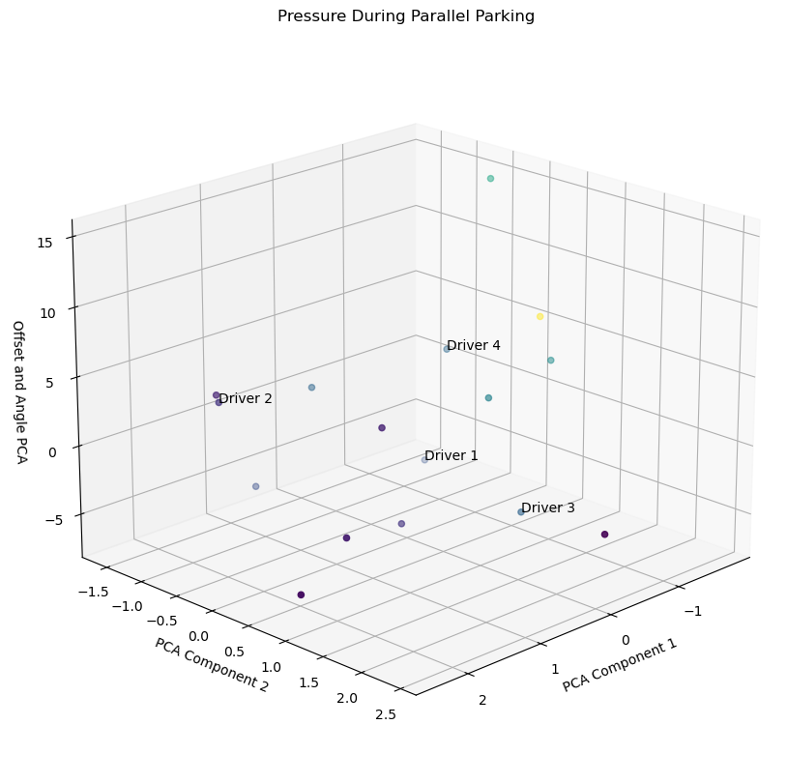
Case 1(b): |  | Independent |  | Pressure |  | Training set performance: |  |  | MSE: | 0.05
 |  | Dependent |  | Final Result Value |  |  |  |  | R2: | 0.76

 |  | Mean Final Result value of drivers after parking: |  |  |  |  | 0.83
 |  |  |  |  |  |  |  |  | If observed < Mean: Above Average
 | D. No. | Oberved Result Value |  | Predicted Result Value |  | Score | Skill Level |  | If observed > Mean: Below Average
 | A | 1.25 |  | 0.81 |  | 51.79 | Below Average | 0
 | B | 1.25 |  | 0.88 |  | 56.26 | Below Average | 0
 | C | 0.63 |  | 1.07 |  | 88.25 | Above Average | 1
 | D | 1.27 |  | 0.89 |  | 55.85 | Below Average | 0

 |  |  | D. No. | Final Score of Drivers w.r.t. Pressure
 |  |  | A | 56
 |  |  | B | 57
 |  |  | C | 76
 |  |  | D | 48

 |  |  | D. No. | Overall Score of Drivers
 |  |  | A | 59
 |  |  | B | 61
 |  |  | C | 72
 |  |  | D | 53

Sheet4
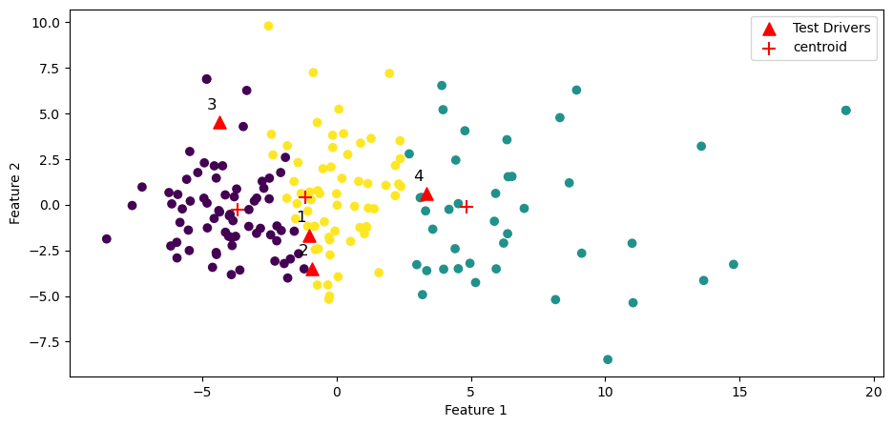
Cluster 1
Cluster 3
Cluster 2

 |  |  |  |  | Cluster 1 | Cluster 2 | Cluster 3 | Driver 1 | Driver 2 | Driver 3 | Driver 4
In the rainy situation, I can drive well on waterlogged roads |  |  |  |  | 7.81 | 4.75 | 6.99 | 7 | 8 | 5 | 7
On turning left, I look for cyclist or a person who may come up on my side |  |  |  |  | 8.77 | 6.25 | 8.41 | 8 | 10 | 8 | 9
On turning left, I look for cyclist or a person who may come up on my side |  |  |  |  | 8.51 | 5.77 | 7.85 | 9 | 10 | 7 | 8
On turning left, I look for cyclist or a person who may come up on my side |  |  |  |  | 8.60 | 5.85 | 7.89 | 9 | 10 | 7 | 7
I can peform reverse and parallel parking efficiently |  |  |  |  | 7.78 | 4.19 | 6.55 | 7 | 8 | 9 | 6
I don't lose my patience while driving behind a slow vehicle |  |  |  |  | 7.88 | 5.59 | 6.84 | 5 | 10 | 5 | 7
I do not involve in unnecessary race competition with other vehicles |  |  |  |  | 8.60 | 7.36 | 8.06 | 6 | 10 | 8 | 9
I do not involve in unnecessary race competition with other vehicles |  |  |  |  | 8.10 | 5.26 | 7.22 | 6 | 8 | 6 | 6
I do not involve in unnecessary race competition with other vehicles |  |  |  |  | 8.21 | 4.84 | 7.21 | 10 | 9 | 5 | 7
I calmly tolerate other driver's blunder in traffic |  |  |  |  | 7.40 | 5.60 | 6.68 | 8 | 10 | 7 | 8

 | Perceived Score | Cluster | Cluster Traits |  |  |  |  | Perceived Score | Actual Score
Driver 1 | 65 | 3 | Average Skilled |  |  |  | Driver A | 65 | 67
Driver 2 | 67 | 3 | Average Skilled |  |  |  | Driver B | 67 | 69.5
Driver 3 | 91 | 1 | High Skilled |  |  |  | Driver C | 91 | 78.5
Driver 4 | 44 | 2 | Low Skilled |  |  |  | Driver D | 44 | 64

 | Actual Score |  | Parallel Parking | Reverse Parking
Driver 1 | 67 |  | 59 | 75
Driver 2 | 70 |  | 61 | 78
Driver 3 | 79 |  | 72 | 85
Driver 4 | 64 |  | 53 | 75

