pivot1
 | successful | failed | canceled | live
film & video | 300 | 180 | 40
food | 34 | 140 | 20 | 6
games | 80 | 140
journalism |  |  | 24
music | 540 | 120 | 20 | 20
photography | 103 | 117
publishing | 80 | 127 | 30
technology | 209 | 213 | 178
theater | 839 | 493 | 37 | 24
Count of state | Column Labels
Row Labels | successful | failed | canceled | live | Grand Total
film & video | 300 | 180 | 40 |  | 520
food | 34 | 140 | 20 | 6 | 200
games | 80 | 140 |  |  | 220
journalism |  |  | 24 |  | 24
music | 540 | 120 | 20 | 20 | 700
photography | 103 | 117 |  |  | 220
publishing | 80 | 127 | 30 |  | 237
technology | 209 | 213 | 178 |  | 600
theater | 839 | 493 | 37 | 24 | 1393
Grand Total | 2185 | 1530 | 349 | 50 | 4114

pivot2
 | successful | failed | canceled | live
animation |  | 100
art books |  |  | 20
audio |  |  | 24
children's books |  | 40
classical music | 40
documentary | 180
drama |  | 80
electronic music | 40
faith |  | 40 |  | 20
fiction |  | 40
food trucks |  | 120 | 20
gadgets |  | 20
hardware | 140
indie rock | 140 | 20
jazz |  | 60
makerspaces | 9 | 11
metal | 20
mobile games |  | 40
musical | 60 | 60 | 20
nature |  | 20
nonfiction | 60
people |  | 20
photobooks | 103 | 57
places |  | 20
plays | 694 | 353 |  | 19
pop | 40
radio & podcasts | 20
restaurants |  | 20
rock | 260
science fiction |  |  | 40
shorts | 60
small batch | 34 |  |  | 6
space exploration | 40 | 2 | 18
spaces | 85 | 80 | 17 | 5
tabletop games | 80
television | 60
translations |  | 47 | 10
video games |  | 100
wearables | 20 | 120 | 60
web |  | 60 | 100
world music |  |  | 20
Count of state | Column Labels
Row Labels | successful | failed | canceled | live | Grand Total
animation |  | 100 |  |  | 100
art books |  |  | 20 |  | 20
audio |  |  | 24 |  | 24
children's books |  | 40 |  |  | 40
classical music | 40 |  |  |  | 40
documentary | 180 |  |  |  | 180
drama |  | 80 |  |  | 80
electronic music | 40 |  |  |  | 40
faith |  | 40 |  | 20 | 60
fiction |  | 40 |  |  | 40
food trucks |  | 120 | 20 |  | 140
gadgets |  | 20 |  |  | 20
hardware | 140 |  |  |  | 140
indie rock | 140 | 20 |  |  | 160
jazz |  | 60 |  |  | 60
makerspaces | 9 | 11 |  |  | 20
metal | 20 |  |  |  | 20
mobile games |  | 40 |  |  | 40
musical | 60 | 60 | 20 |  | 140
nature |  | 20 |  |  | 20
nonfiction | 60 |  |  |  | 60
people |  | 20 |  |  | 20
photobooks | 103 | 57 |  |  | 160
places |  | 20 |  |  | 20
plays | 694 | 353 |  | 19 | 1066
pop | 40 |  |  |  | 40
radio & podcasts | 20 |  |  |  | 20
restaurants |  | 20 |  |  | 20
rock | 260 |  |  |  | 260
science fiction |  |  | 40 |  | 40
shorts | 60 |  |  |  | 60
small batch | 34 |  |  | 6 | 40
space exploration | 40 | 2 | 18 |  | 60
spaces | 85 | 80 | 17 | 5 | 187
tabletop games | 80 |  |  |  | 80
television | 60 |  |  |  | 60
translations |  | 47 | 10 |  | 57
video games |  | 100 |  |  | 100
wearables | 20 | 120 | 60 |  | 200
web |  | 60 | 100 |  | 160
world music |  |  | 20 |  | 20
Grand Total | 2185 | 1530 | 349 | 50 | 4114

pivot3
Category | (All)

Count of state | Column Labels
Launched | successful | failed | canceled | Grand Total
Jan | 182 | 149 | 34 | 365
Feb | 202 | 106 | 27 | 335
Mar | 180 | 108 | 28 | 316
Apr | 192 | 102 | 27 | 321
May | 234 | 126 | 26 | 386
Jun | 211 | 147 | 27 | 385
Jul | 194 | 150 | 43 | 387
Aug | 166 | 134 | 33 | 333
Sep | 147 | 127 | 24 | 298
Oct | 183 | 149 | 20 | 352
Nov | 183 | 114 | 37 | 334
Dec | 111 | 118 | 23 | 252
Grand Total | 2185 | 1530 | 349 | 4064

bonus
Goal | Successful | Failed | Canceled | Total Projects | Percentage Successful | Percentage Failed | Percentage Canceled
Less than 1000 | 322 | 113 | 18 | 453 | 71% | 25% | 4%
1000 to 4999 | 931 | 420 | 60 | 1411 | 66% | 30% | 4%
5000 to 9999 | 380 | 282 | 51 | 713 | 53% | 40% | 7%
10000 to 14999 | 168 | 144 | 40 | 352 | 48% | 41% | 11%
15000 to 19999 | 94 | 90 | 17 | 201 | 47% | 45% | 8%
20000 to 24999 | 62 | 72 | 14 | 148 | 42% | 49% | 9%
25000 to 29999 | 55 | 64 | 18 | 137 | 40% | 47% | 13%
30000 to 34999 | 32 | 37 | 13 | 82 | 39% | 45% | 16%
35000 to 39999 | 26 | 22 | 7 | 55 | 47% | 40% | 13%
40000 to 44999 | 21 | 16 | 6 | 43 | 49% | 37% | 14%
45000 to 49999 | 6 | 11 | 4 | 21 | 29% | 52% | 19%
Greater than or equal to 50000 | 86 | 258 | 100 | 444 | 19% | 58% | 23%
 | 2183 | 1529 | 348 | 4060
 |  |  |  | 4064
 |  |  | variance | 4

Outcomes Based on Goal

question
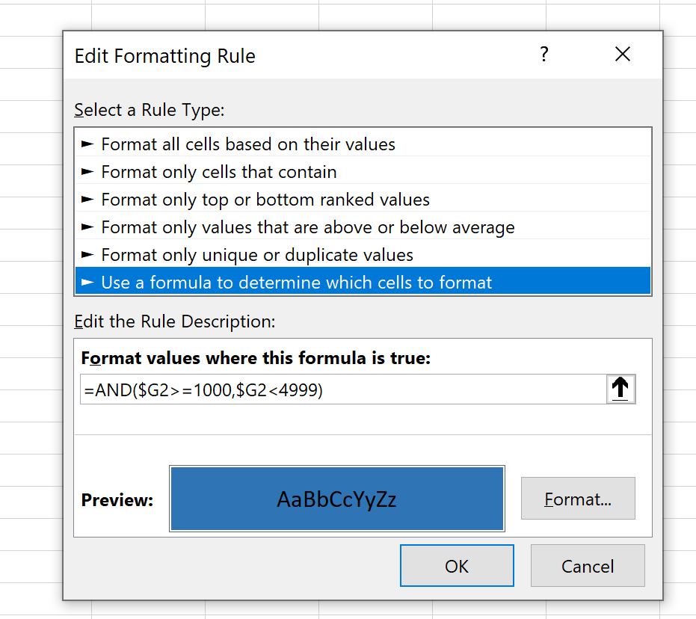
goal
$8,500
$500
$10,000
$44,000
$3,999
$8,000
$9,000
$500
$3,000
$5,000
$30,000
$3,500
$6,000
$2,000
$12,000
$1,500
$850
$2,000
$350
$2,000
$600
$1,250
$20,000 | *please advise what is wrong with my formatting formula, $600 is highlighted and it is not above 1,000; something wrong with the data? I copied and pasted column goal
$12,000
$3,000
$13
$28,450
$5,250
$2,600
$1,000
$6,000
$22,000
$2,500
$25,000
$2,000
$2,000
$14,000
$10,000
$2,000
$5,000
$8,400
$5,000
$2,000
$600
$11,000
$10,000
$3,000
$10,000
$8,600
$8,000
$15,000
$10,000
$20,000
$4,500
$5,000
$3,000
$2,000
$1,200
$7,000
$2,000
$600
$500
$1,800
$500
$50
$1,300
$750
$500
$1,200
$6,000
$2,500
$3,500
$500
$3,000
$5,000
$350
$400
$3,200
$1,500
$5,000
$3,500
$6,000
$500
$2,200
$5,000
$7,500
$1,500
$1,000
$1,300
$3,500
$5,000
$5,000
$450
$3,500
$4,500
$5,000
$3,250
$70,000
$3,000
$100,000,000
$55,000
$500
$25,000
$8,000
$100,000
$600
$1,200
$80,000
$71,764
$5,000
$3,000
$3,000
$55,000
$500
$200,000
$12,000
$3,000
$5,500
$7,500
$4,500
$20,000
$7,000
$50,000
$10,000
$130,000
$250,000
$380,000
$50,000
$1,500
$1,350,000
$35,000
$2,995
$5,000
$500,000
$5,000
$50,000
$2,800
$2,000,000
$120,000
$17,000
$5,000
$110,000
$8,000
$2,500
$10,000
$50,000
$95,000
$1,110
$6,000
$20,000
$450
$500,000
$1,000
$1,200
$3,423
$1,000
$12,500
$1,500
$40,000
$5,000
$5,000
$1,500
$500,000
$12,000
$5,000
$1,000,000
$1,000
$2,500
$2,000,000
$3,500
$2,500
$25,000
$10,000
$650
$6,000
$2,500
$300,000
$8,000
$12,700
$14,000
$50,000
$25,000
$12,000
$5,000
$6,300
$50,000
$12,500
$4,400
$50,000
$100,000
$5,000
$50,000
$50,000
$50,000
$1,000
$1,500,000
$200
$29,000
$28,000
$8,000
$3,000
$15,000
$1,500,000
$4,000
$350,000
$1,000
$10,000
$150,000
$15,000
$26,000
$1,000
$15,000
$36,400
$13,000
$25,000
$3,500
$5,000
$5,000
$5,000
$85,000
$10,000
$30,000
$3,500
$5,000
$1,500
$24,000
$8,000
$13,000
$35,000
$30,000
$75,000
$10,000
$20,000
$2,500
$25,000
$5,000
$5,000
$1,000
$9,850
$5,000
$100,000
$2,300
$30,000
$3,000
$5,000
$4,000
$20,000
$4,000
$65,000
$27,000
$17,000
$75,000
$5,500
$45,000
$18,000
$40,000
$14,000
$15,000
$15,000
$50,000
$15,000
$4,500
$5,000
$75,000
$26,000
$5,000
$50,000
$25,000
$20,000
$126,000
$10,000
$25,000
$13,000
$10,000
$3,000
$3,400
$7,500
$1,000
$22,000
$12,000
$18,000
$1,000
$20,000
$8,000
$17,000
$1,000
$25,000
$15,000
$30,000
$5,000
$5,000
$20,000
$35,000
$25,000
$5,400
$8,500
$50,000
$150,000
$4,000
$75,000
$10,000
$35,000
$40,000
$100,000
$40,000
$10,000
$8,500
$25,000
$3,000
$15,000
$6,000
$35,000
$3,500
$55,000
$30,000
$33,500
$14,500
$10,000
$40,000
$10,000
$11,260
$25,000
$34,000
$10,000
$58,425
$3,500
$35,000
$7,500
$15,000
$50,000
$24,200
$12,000
$35,000
$9,665
$8,925
$7,000
$15,000
$38,000
$10,000
$12,500
$6,500
$25,000
$300
$7,500
$500
$2,450
$12,000
$3,000
$15,000
$4,000
$999
$20,000
$600
$38,000
$5,000
$68,000
$1,000
$20,000
$18,500
$50,000
$4,700
$10,000
$15,000
$12,444
$7,500
$20,000
$10,000
$50,000
$2,000
$5,000
$35,000
$2,820
$2,800
$2,000
$500
$1,000
$30,000
$2,500
$12,800
$18,500
$1,400
$1,000
$10,500
$22,400
$8,000
$3,300
$15,000
$40,000
$20,000
$3,000
$50,000
$10,000
$6,500
$12,000
$5,000
$1,000
$3,000
$6,000
$3,000
$2,500
$110,000
$1,000
$7,000
$450
$400
$17,000
$10,000
$1,000
$60,000
$10,500
$30,000
$2,500
$2,000
$50,000
$750
$94,875
$10,000
$65,000
$8,888
$20,000
$10,000
$39,000
$550
$100,000
$55,000
$512
$10,000
$20,000
$7,500
$6,000
$5,000
$800
$30,000
$3,300
$2,000
$220,000
$1,500
$10,000
$15,000
$40,000
$30,000
$10,000
$15,000
$80,000
$37,956
$550,000
$50,000
$12,000
$74,997
$1,000
$10,000
$10,000,000
$30,000
$20,000
$7,000
$60,000
$4,480
$65,108
$20,000
$6,500
$10,000
$20,000
$6,500
$24,500
$12,000
$200,000
$20,000
$50,000
$5,000
$14,000
$5,000
$8,000
$50,000
$1,500
$97,000
$5,000
$15,000
$7,175
$12,001
$5,000
$5,000
$3,000
$5,000
$3,500
$12,000
$1,500
$10,000
$1,150
$1,200
$3,405
$4,000
$10,000
$2,000
$15,000
$2,000
$3,300
$2,000
$500
$15,000
$4,500
$250,000
$500
$50,000
$60,000
$7,500
$10,000
$2,500
$5,000
$75,000
$45,000
$25,000
$3,870
$7,500
$8,000
$750
$240,000
$100,000
$15,000
$50,000
$75,000
$18,000
$25,000
$5,000
$10,000
$24,500
$2,500
$85,000
$25,000
$2,500
$88,888
$11,180
$60,000
$80,000
$5,000
$125,000
$12,000
$400
$100,000
$9,000
$1,000
$9,000
$10,000
$30,000
$9,000
$7,500
$5,000
$100,000
$500
$25,000
$100,000
$20,000
$7,500
$2,500
$50,000
$5,000
$10,000
$70,000
$15,000
$1,500
$5,000
$250
$780
$13,803
$80,000
$10,000
$60,000
$515
$5,000
$400
$2,500,000
$30,000
$25,000
$6,000
$75,000
$5,000
$25,000
$25,000
$450,000
$5,000
$200,000
$11,999
$50,000
$20,000
$10,000
$5,000
$25,000
$2,000
$100,000
$200,000
$70
$40,000
$20,000
$25,000
$25,000
$800
$2,000
$35,000
$2,500
$1,500
$25,000
$3,000
$75,000
$12,000
$8,000
$5,000
$15,000
$28,888
$3,000
$50,000
$10,000
$39,000
$200,000
$12,000
$10,000
$200,000
$50,000
$15,000
$200,000
$90,000
$30,000
$50,000
$100,000
$50,000
$6,000
$100,000
$50,000
$29,000
$57,000
$75,000
$2,500
$50,000
$35,000
$320,000
$2,000
$500,000
$100,000
$20,000
$200,000
$20,000
$50,000
$20,000
$100,000
$150,000
$60,000
$175,000
$5,000
$100,000
$130,000
$15,000
$23,000
$15,000
$15,000
$55,000
$100,000
$100,000
$68,000
$40,000
$15,000
$1,200
$100,000
$48,500
$25,000
$15,000
$27,500
$7,000
$100,000
$12,000
$15,000
$1,900
$8,200
$25,000
$5,000
$7,000
$20,000
$2,500
$3,500
$7,500
$4,000
$20,000
$40
$2,500
$8,500
$47,000
$3,600
$5,000
$1,500
$6,000
$3,000
$13,000
$550
$5,000
$2,220
$2,987
$7,000
$2,000
$10,000
$4,444
$3,000
$5,000
$10,000
$2,000
$250
$2,500
$5,000
$2,200
$5,000
$3,500
$4,290
$5,000
$7,000
$4,000
$5,000
$2,500
$4,000
$17,500
$38,000
$1,500
$500
$10,000
$7,000
$500
$15,000
$700
$1,500
$500
$5,000
$1,200
$1,000
$1,700
$10,000
$7,500
$2,500
$2,750
$8,000
$14,000
$10,000
$3,000
$3,500
$5,000
$1,500
$2,000
$6,000
$2,300
$5,500
$3,000
$8,000
$4,000
$4,500
$4,000
$1,500
$600
$1,500
$1,000
$4,000
$7,000
$400
$2,000
$17,482
$800
$1,600
$12,500
$300
$500
$1,800
$1,500
$15,000
$6,000
$5,500
$2,000
$5,000
$2,500
$2,000
$5,000
$10,000
$5,000
$2,500
$3,000
$3,000
$5,000
$300
$4,000
$4,000
$2,000
$300
$27,800
$250
$1,200
$1,200
$4,000
$14,000
$4,500
$50,000
$2,000
$6,500
$2,200
$3,500
$5,000
$45,000
$8,800
$20,000
$6,000
$8,000
$3,500
$3,000
$5,000
$3,152
$2,000
$5,000
$2,100
$3,780
$3,750
$1,500
$5,000
$2,000
$500
$1,000
$1,000
$25,000
$3,000
$8,000
$6,000
$2,000
$20,000
$8,000
$8,000
$3,000
$750
$5,000
$6,500
$30,000
$5,000
$50,000
$6,500
$15,000
$2,900
$2,500
$550
$100,000
$3,500
$30,000
$1,500
$6,500
$3,300
$5,000
$3,900
$20,000
$5,500
$15,000
$27,000
$15,000
$3,000
$6,000
$7,000
$20,000
$900
$2,000
$9,500
$2,000
$5,000
$3,500
$1,400
$3,500
$7,000
$2,750
$9,000
$50,000
$7,500
$3,000
$50,000
$100,000
$850
$4,000
$20,000
$5,000
$50,000
$49,000
$15,000
$15,000
$300,000
$50,000
$12,000
$7,777
$50,000
$55,650
$95,000
$2,500
$35,000
$110,000
$25,000
$12,000
$20,000
$8,000
$30,000
$5,000
$100,000
$20,000
$20,000
$50,000
$100,000
$150,000
$2,700
$172,889
$35,000
$10,000
$88,888
$17,500
$104,219
$10,000
$30,000
$20,000
$50,000
$5,000
$10,000
$25,000
$5,000
$100,000
$70,000
$200,000
$10,000
$4,000
$5,000
$60,000
$150,000
$894,700
$5,000
$9,999
$20,000
$25,000
$200,000
$4,000
$30,000
$93,500
$50,000
$115,250
$20,000
$5,000
$25,000
$10,000
$9,000
$100,000
$250,000
$20,000
$45,000
$1,550
$3,000
$2,000
$2,000
$20,000
$70,000
$7,000
$7,501
$10,000
$10,000
$2,000
$10,000
$5,400
$1,328
$5,000
$4,600
$4,500
$1,000
$500
$650
$100,000
$7,000
$10,000
$3,000
$2,000
$15,000
$12,000
$500
$4,336
$1,500
$2,500
$3,500
$10,000
$10,000
$40,000
$1,100
$5,000
$199
$1,000
$90,000
$3,000
$500
$30,000
$2,200
$100
$750
$54,000
$1,000
$75,000
$600
$26,000
$20,000
$68,000
$10,000
$550
$30,000
$18,000
$1,100
$45,000
$15,000
$200
$300
$18,000
$500,000
$12,000
$100,000
$25,000
$5,000
$4,000
$100,000
$8,000
$15,000
$60,000
$400
$10,000
$25,000
$10,000
$50,000
$2,500
$88,000
$1,000
$6,000
$40,000
$500,000
$1,000
$4,500
$2,100
$25,000
$250,000
$3,200
$5,000
$90,000
$3,000
$2,000
$35,000
$1,000
$20,000
$5,000
$40,000
$10,000
$3,000
$25,000
$1,000
$4,190
$25,000
$35,000
$8,000
$500
$4,000
$45,000
$9,300
$80,000
$6,000
$25,000
$15,000
$50,000
$2,500
$25,000
$16,000
$8,000
$5,000
$25,000
$6,500
$10,000
$7,500
$6,750
$30,000
$18,000
$60,000
$5,200
$10,000
$10,000
$15,000
$60,000
$18,000
$10,000
$25,000
$25,000
$9,000
$125,000
$15,000
$20,000
$175,000
$6,000
$75,000
$60,000
$50,000
$50,000
$1,000
$2,500
$22,000
$12,500
$7,500
$8,750
$2,000
$500
$100
$21,000
$12,500
$10,000
$14,500
$15,000
$3,500
$2,658
$4,800
$6,000
$25,000
$16,300
$13,000
$900
$16,700
$10,000
$6,000
$20,000
$1,000
$2,500
$6,500
$2,000
$5,000
$14,000
$26,500
$9,000
$16,350
$15,000
$2,200
$4,000
$19,800
$15,000
$3,000
$50,000
$2,000
$5,000
$2,750
$500,000
$5,000
$5,000
$1,000
$50,000
$7,534
$2,500
$25,000
$1,000
$2,500
$8,000
$911
$12,000
$2,000
$2,000
$2,000
$3,500
$2,500
$5,000
$30,000
$6,000
$10
$6,700
$3,000
$30,000
$5,500
$12,000
$2,500
$3,300
$2,000
$6,500
$650
$3,500
$9,500
$22,000
$12,000
$18,800
$10,000
$7,500
$5,000
$4,000
$25,000
$15,000
$3,000
$15,000
$6,500
$12,516
$15,000
$7,000
$15,000
$1,000
$2,000
$2,000
$250
$4,000
$1,500
$3,500
$3,000
$1,700
$500
$850
$20,000
$2,000
$3,500
$3,000
$2,000
$2,500
$3,500
$40,000
$30,000
$110,000
$50,000
$10,000
$11,500
$20,000
$250,000
$4,600
$40,000
$180,000
$100,000
$75,000
$200,000
$40,000
$5,800
$100,000
$462,000
$35,000
$15,000
$50,000
$20,000
$100,000
$48,000
$75,000
$50,000
$35,000
$250,000
$10,115
$2,500
$133,000
$25,000
$100,000
$50,000
$30,000
$50,000
$1,680
$25,000
$50,000
$50,000
$300
$4,900
$2,500
$5,875
$5,000
$5,000
$20,000
$10,000
$1,000
$1,200
$2,500
$3,400
$2,000
$660
$1,500
$6,000
$200
$42,000
$7,500
$7,500
$5,000
$5,000
$32,360
$1,500
$500
$10,000
$1,500
$4,000
$3,700
$1,300
$2,000
$25
$5,000
$8,000
$2,200
$3,500
$400
$4,000
$500
$500
$2,500
$750
$3,500
$6,000
$10,000
$4,400
$350
$2,500
$2,500
$4,000
$14,500
$25,000
$12,000
$3,000
$1,000
$4,000
$6,000
$3,000
$7,000
$500
$4,400
$50,000
$4,500
$3,000
$110
$200,000
$25,000
$30,000
$7,500
$13,000
$1,000
$5,000
$1,000
$10,000
$5,000
$17,000
$40,000
$12,000
$82,000
$15,000
$10,000
$3,000
$20,000
$2,725
$13,000
$180,000
$1,500
$13,000
$4,950
$900
$500,000
...

