Dashboard Report
PIANAT.AI
King Abdulaziz Road, Riyadh, Saudi Arabia
Tel: +966 11 402 9000 | Web: www.pianat.ai
Dashboard Report

Comprehensive Analysis Report
Generated on: 2025-10-29 00:22:40

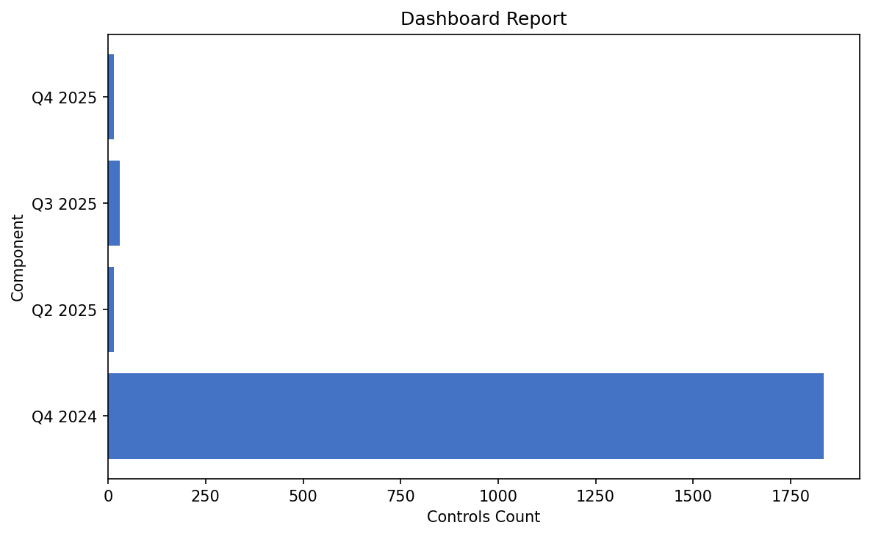
Name | Value
Q4 2024 | 1835
Q2 2025 | 15
Q3 2025 | 29
Q4 2025 | 14

