Dashboard Report
PIANAT.AI
King Abdulaziz Road, Riyadh, Saudi Arabia
Tel: +966 11 402 9000 | Web: www.pianat.ai
Dashboard Report
Comprehensive Analysis Report
Generated on: 2025-10-29 00:23:11

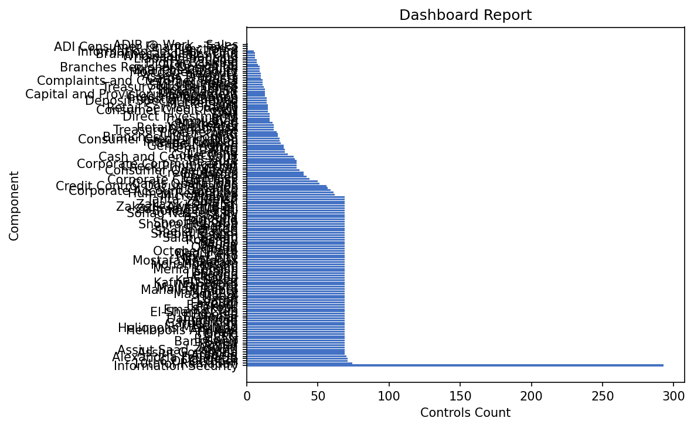
Function Name | Control Count
Information Security | 293
10th of Ramadan | 74
6 Of October | 71
Damietta | 71
Alexandria Fouad St. | 70
Arabela | 69
Assiut Gomhoria | 69
Assiut Saad Zagloul | 69
Aswan | 69
Azhar | 69
Banha | 69
Bani Sweif | 69
Belbais | 69
CFC | 69
Dokki | 69
Haram | 69
Heliopolis Andalos | 69
Heliopolis Meryland | 69
Helwan | 69
Garden City | 69
Hurghada | 69
Damanhour | 69
El Manial | 69
Elborsa | 69
El-Shams Club | 69
Emad El-Din | 69
Fakous | 69
Farskour | 69
Fayoum | 69
Louran | 69
Luxour | 69
Maadi | 69
Maadi 9 St | 69
Madinty | 69
Mahalla ElKobra | 69
Mall Of Egypt | 69
Mansoura | 69
Kafr El Shiekh | 69
Kafr Sakar | 69
Korba | 69
Lagoun | 69
Lebanon | 69
Ismailia | 69
Menia Kornish | 69
Miami | 69
Mohandessein | 69
Mokatam | 69
Mostafa El-Nahas | 69
Nasr City | 69
New Cairo | 69
Obour city | 69
October Plaza | 69
Opera | 69
Qalioub | 69
Qeuna | 69
Rehab | 69
Roushdy | 69
Salah Salem | 69
Sawah | 69
Shebin El Kom | 69
Sheikh Zayed | 69
Sheraton | 69
Shobra | 69
Shobra El khima | 69
Shooting Club | 69
Port Said | 69

Smouha | 69
Sodic | 69
Sohag Nasser City | 69
Sohag Nile St. | 69
Zahraa EL Maadi | 69
Zakazik Awkaff Buil. | 69
Zakazik Galla St. | 69
Zamalek | 69
Tanta - AlGeish | 69
Thawra | 69
Microfinance | 62
Human Resources | 61
Corporate Account Opening | 59
Finance | 57
Credit Control Documentation | 56
Cards Operations | 51
SME Risk | 50
Corporate Credit Risk | 44
Premises | 42
Shariaa | 40
Credit Admin | 40
Consumer Operations | 37
CFOD | 35
Check Printing Unit | 35
Corporate Communication | 35
Treasury | 35
IT | 34
Cash and Central Vault | 33
Collections | 29
Clearing | 27
RMU | 27
Remittance | 26
General Admin | 26
Trade Finance | 24
Internal Control | 23
Consumer Credit Initiation | 23
Branches HUB Control | 22
AMC | 22
Procurement | 21
Treasury Back Office | 19
Retail Fraud Risk | 19
Call Center | 19
Marketing | 18
Compliance | 16
BCM | 16
Direct Investments | 16
DSU | 16
CSU | 15
Consumer Credit Policy | 15
Retail Service Quality | 15
Swift | 15
Market Risk | 14
Deposit Special Handling | 14
Investor Relations | 14
Credit Information | 13
Capital and Provision Management | 13
Organization | 13
Sustainability | 13
Treasury Middle Office | 12
SMEs Business | 11
Insurance | 11
Complaints and Customer Rights | 11
Cards Products | 10
Assets Products | 10
Security | 10
Mortgage Product | 9
Branches Quality | 9
Branches Regional Operation | 9
ADIB Capital | 8
Digital Banking | 7
Legal | 7
Liability Products | 6
Wholesale Banking | 6
Branches Logistics Unit | 6
Information Security Team | 5
Function 2 | 1
ADI Consumer Finance - Takka | 1
ADIB @ Work - Sales | 1

