Dashboard Report
PIANAT.AI
King Abdulaziz Road, Riyadh, Saudi Arabia
Tel: +966 11 402 9000 | Web: www.pianat.ai
Dashboard Report
Comprehensive Analysis Report

Generated on: 2025-10-29 00:26:16

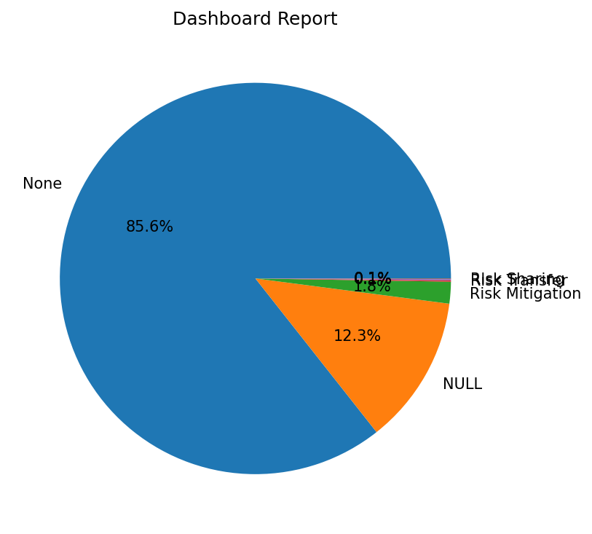
Name | Value
 | 1621
NULL | 233
Risk Mitigation | 34
Risk Transfer | 2
Risk Sharing | 2
 | 1

