Dashboard Report
PIANAT.AI
King Abdulaziz Road, Riyadh, Saudi Arabia
Tel: +966 11 402 9000 | Web: www.pianat.ai
Dashboard Report
Comprehensive Analysis Report

Generated on: 2025-10-29 00:26:47

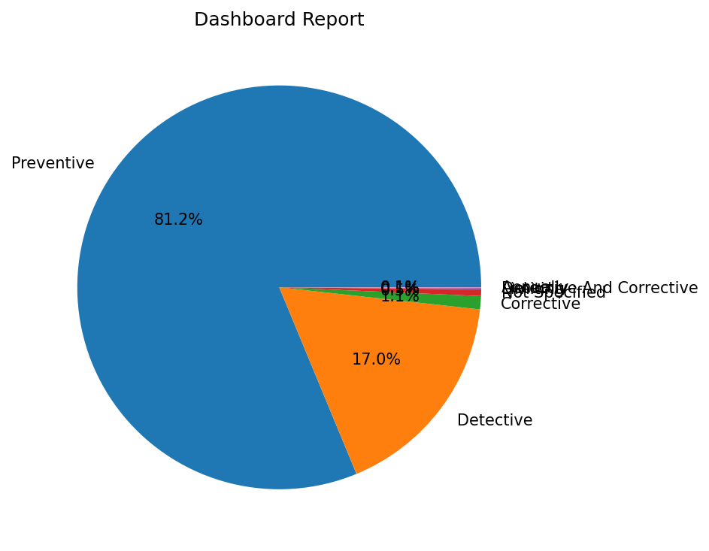
Name | Value
Preventive | 1538
Detective | 322
Corrective | 20
Not Specified | 10
Limiting | 1
Detective And Corrective | 1
Annually | 1

