Dashboard Report
PIANAT.AI
King Abdulaziz Road, Riyadh, Saudi Arabia
Tel: +966 11 402 9000 | Web: www.pianat.ai
Dashboard Report

Comprehensive Analysis Report
Generated on: 2025-10-29 00:27:16

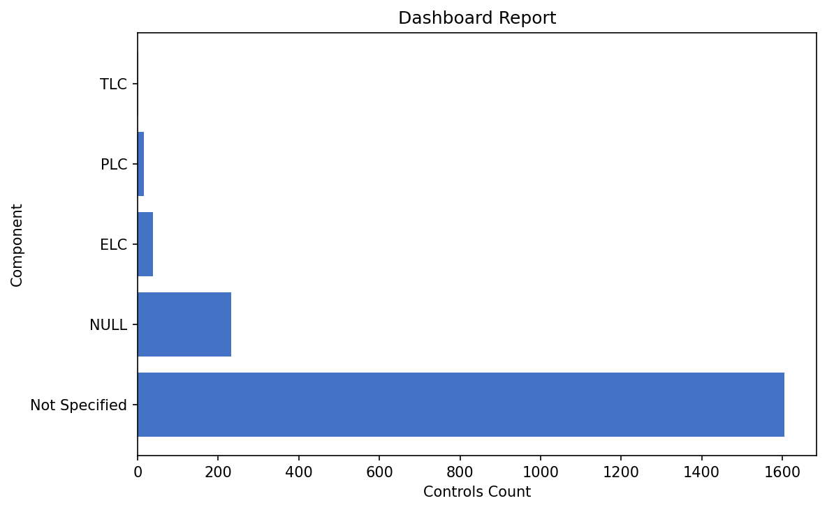
Name | Value
Not Specified | 1605
NULL | 233
ELC | 38
PLC | 16
TLC | 1

