Dashboard Report
PIANAT.AI
King Abdulaziz Road, Riyadh, Saudi Arabia
Tel: +966 11 402 9000 | Web: www.pianat.ai
Dashboard Report
Comprehensive Analysis Report
Generated on: 2025-10-29 00:27:29


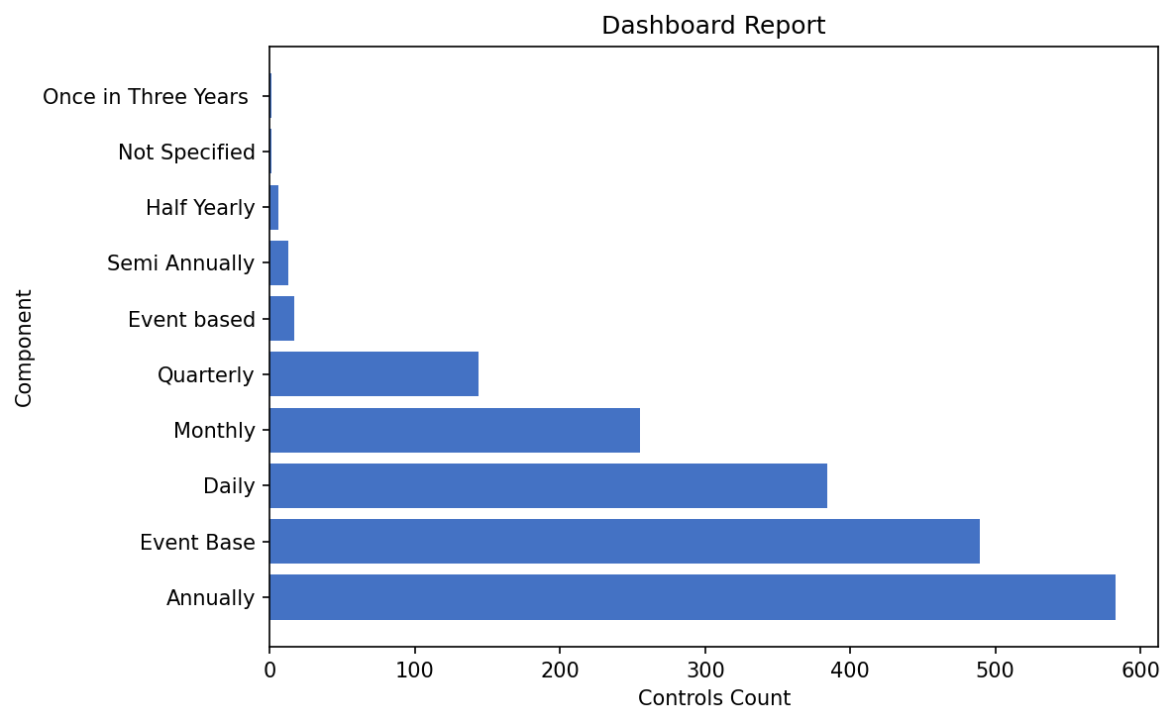
Name | Value
Annually | 583
Event Base | 489
Daily | 384
Monthly | 255
Quarterly | 144
Event based | 17
Semi Annually | 13
Half Yearly | 6
Not Specified | 1
Once in Three Years | 1

