Dashboard Report
PIANAT.AI
King Abdulaziz Road, Riyadh, Saudi Arabia
Tel: +966 11 402 9000 | Web: www.pianat.ai

Dashboard Report
Comprehensive Analysis Report
Generated on: 2025-10-29 00:27:41

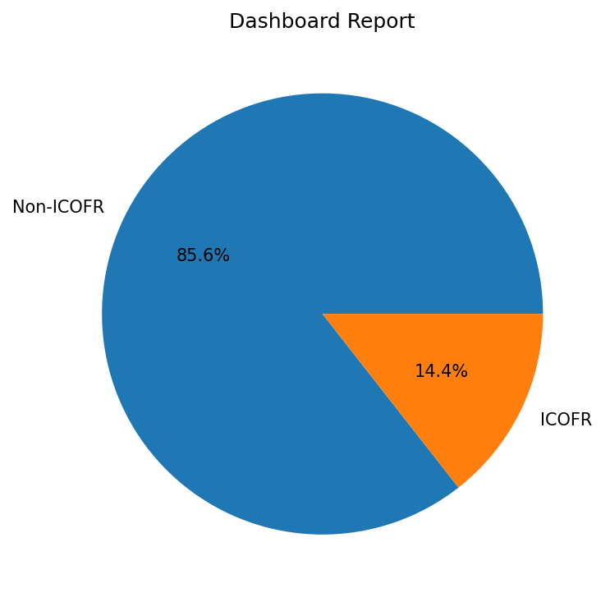
Name | Value
Non-ICOFR | 1620
ICOFR | 273

