Dashboard Report
PIANAT.AI
King Abdulaziz Road, Riyadh, Saudi Arabia
Tel: +966 11 402 9000 | Web: www.pianat.ai
Dashboard Report
Comprehensive Analysis Report
Generated on: 2025-10-29 00:27:55

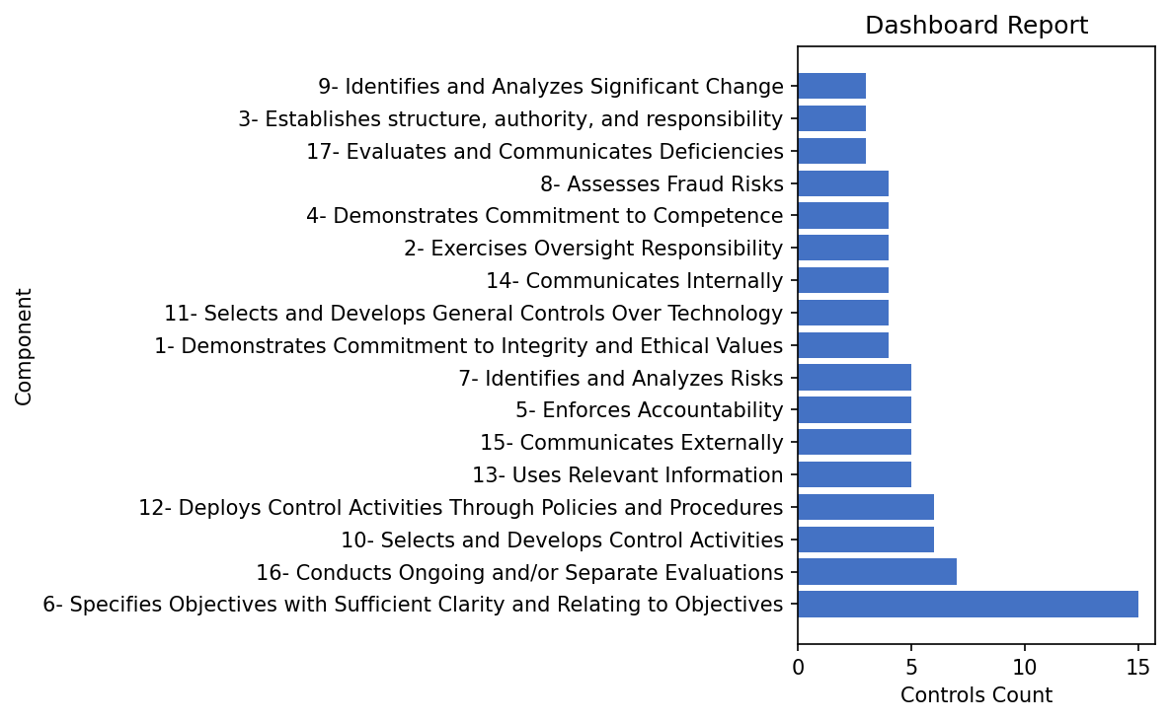
Name | Value
6- Specifies Objectives with Sufficient Clarity and Relating to Objectives | 15
16- Conducts Ongoing and/or Separate Evaluations | 7

10- Selects and Develops Control Activities | 6
12- Deploys Control Activities Through Policies and Procedures | 6
13- Uses Relevant Information | 5
15- Communicates Externally | 5
5- Enforces Accountability | 5
7- Identifies and Analyzes Risks | 5
1- Demonstrates Commitment to Integrity and Ethical Values | 4
11- Selects and Develops General Controls Over Technology | 4
14- Communicates Internally | 4
2- Exercises Oversight Responsibility | 4
4- Demonstrates Commitment to Competence | 4
8- Assesses Fraud Risks | 4
17- Evaluates and Communicates Deficiencies | 3
3- Establishes structure, authority, and responsibility | 3
9- Identifies and Analyzes Significant Change | 3

