Dashboard Report
PIANAT.AI
King Abdulaziz Road, Riyadh, Saudi Arabia
Tel: +966 11 402 9000 | Web: www.pianat.ai
Dashboard Report

Comprehensive Analysis Report
Generated on: 2025-10-29 00:28:12

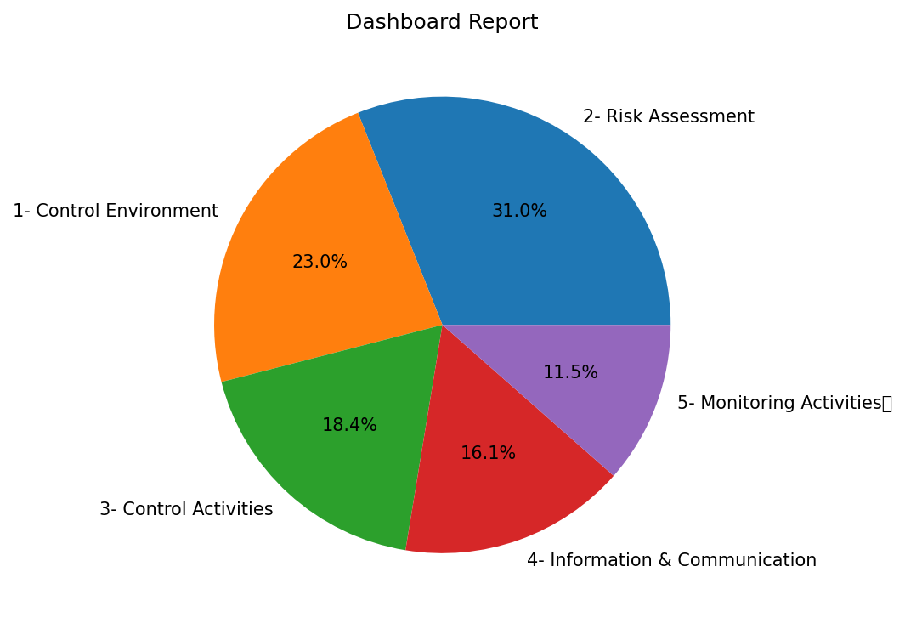
Name | Value
2- Risk Assessment | 27
1- Control Environment | 20
3- Control Activities | 16
4- Information & Communication | 14
5- Monitoring Activities | 10

