Dashboard Report
PIANAT.AI
King Abdulaziz Road, Riyadh, Saudi Arabia
Tel: +966 11 402 9000 | Web: www.pianat.ai
Dashboard Report

Comprehensive Analysis Report
Generated on: 2025-10-29 00:33:16

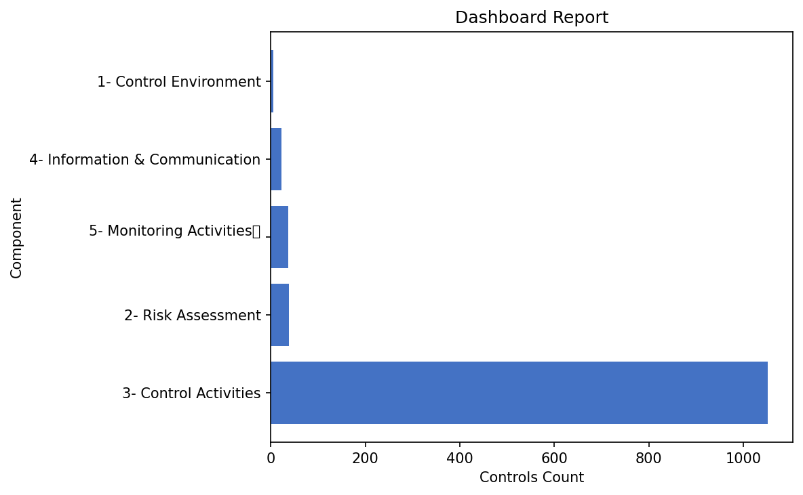
Name | Value
3- Control Activities | 1052
2- Risk Assessment | 38
5- Monitoring Activities | 37
4- Information & Communication | 23
1- Control Environment | 5

