Dashboard Report
PIANAT.AI
King Abdulaziz Road, Riyadh, Saudi Arabia
Tel: +966 11 402 9000 | Web: www.pianat.ai

Dashboard Report
Comprehensive Analysis Report
Generated on: 2025-10-29 00:33:24

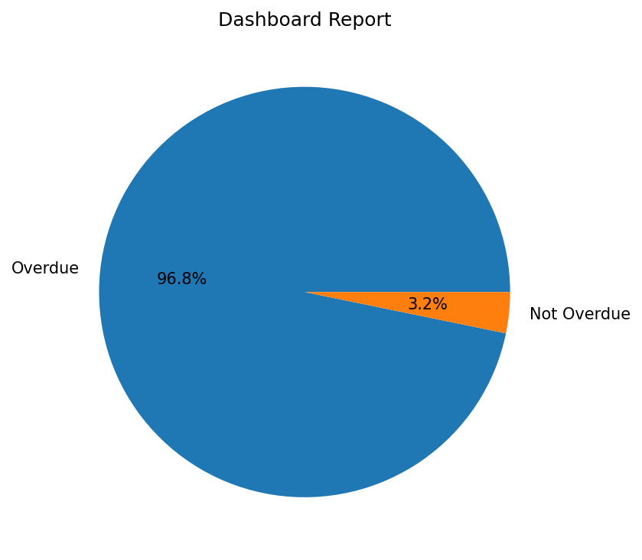
Name | Value
Overdue | 480
Not Overdue | 16

