Project List
SourceMonitor Analysis
Includes caArray, Firebird, NCIA, caDSR, CSM and PO

Project | Code Size (SLOC) | Classes/Iterfaces | Max Complexity | Avg Complexity
caArray2 | 202,623 | 1,163 | 56 | 1.84
caDSR | 29,610 | 88 | 70 | 2.79
Firebird | 98,793 | 639 | 86 | 2.73
NCIA | 241,526 | 1,835 | 82 | 2.35
PO | 20,160 | 134 | 28 | 1.30
UPT/CSM | 65,085 | 364 | 36 | 2.09

caArray
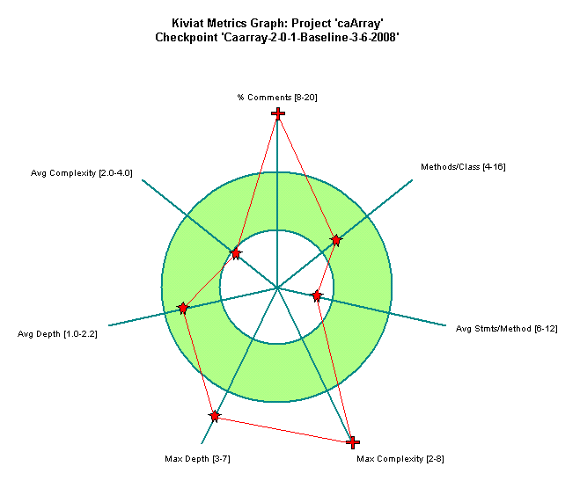
Project Attribute | Value
Project Name | caArray
Checkpoint Name | Caarray-2-0-1-Baseline-3-6-2008
Created On | 06 March 2008, 1:13:18 PM
Files | 1082
Lines | 202,623
Statements | 59,053
Percent Branch Statements | 10.6
Method Call Statements | 35,680
Percent Lines with Comments | 53.4
Classes and Interfaces | 1,163
Methods per Class | 7.54
Average Statements per Method | 4.14
Maximum Complexity | 56
Maximum Block Depth | 9+
Average Block Depth | 1.81
Average Complexity | 1.84

NCIA
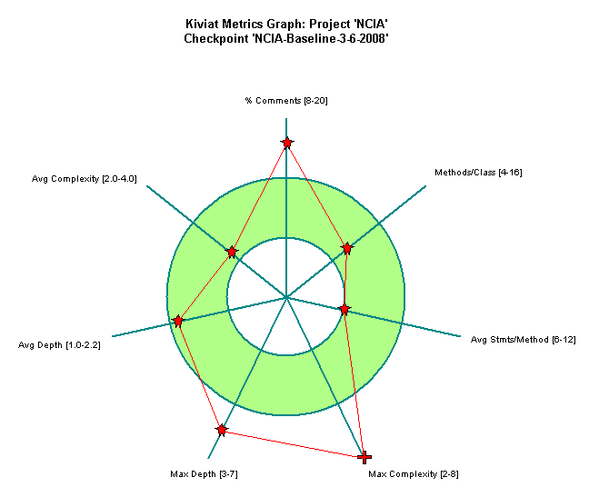
Project Attribute | Value
Project Name | NCIA
Checkpoint Name | NCIA-Baseline-3-6-2008
Created On | 06 March 2008, 1:38:19 PM
Files | 1436
Lines | 241,526
Statements | 115,621
Percent Branch Statements | 13.5
Method Call Statements | 64,241
Percent Lines with Comments | 26.9
Classes and Interfaces | 1,835
Methods per Class | 7.48
Average Statements per Method | 5.93
Maximum Complexity | 82
Maximum Block Depth | 9+
Average Block Depth | 2.05
Average Complexity | 2.35

PO
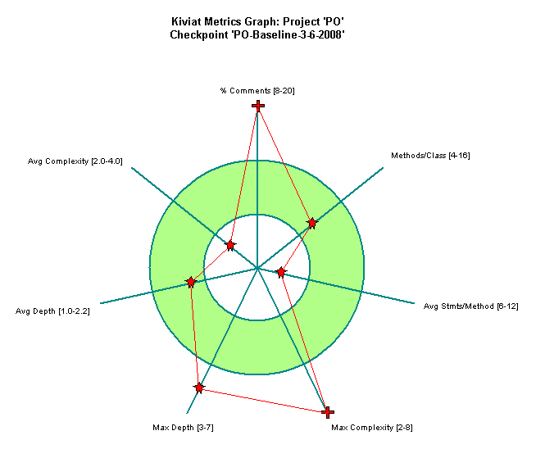
Project Attribute | Value
Project Name | PO
Checkpoint Name | PO-Baseline-3-6-2008
Created On | 06 March 2008, 2:01:41 PM
Files | 132
Lines | 20,160
Statements | 5,820
Percent Branch Statements | 4.7
Method Call Statements | 2,809
Percent Lines with Comments | 50.9
Classes and Interfaces | 134
Methods per Class | 7.66
Average Statements per Method | 2.72
Maximum Complexity | 28
Maximum Block Depth | 9+
Average Block Depth | 1.33
Average Complexity | 1.3

Firebird

Project Attribute | Value
Project Name | Firebird
Checkpoint Name | Firebird-Baseline-3-6-2008
Created On | 06 March 2008, 2:18:51 PM
Files | 448
Lines | 98,793
Statements | 49,896
Percent Branch Statements | 13.4
Method Call Statements | 37,831
Percent Lines with Comments | 22.3
Classes and Interfaces | 639
Methods per Class | 8.93
Average Statements per Method | 5.92
Maximum Complexity | 86
Maximum Block Depth | 9+
Average Block Depth | 2.08
Average Complexity | 2.73

caDSR
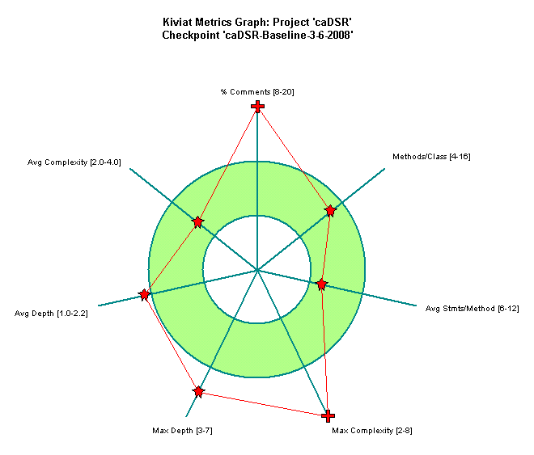
Project Attribute | Value
Project Name | caDSR
Checkpoint Name | caDSR-Baseline-3-6-2008
Created On | 06 March 2008, 2:27:35 PM
Files | 73
Lines | 29,610
Statements | 10,563
Percent Branch Statements | 14.9
Method Call Statements | 5,689
Percent Lines with Comments | 35.9
Classes and Interfaces | 88
Methods per Class | 12.78
Average Statements per Method | 7.27
Maximum Complexity | 70
Maximum Block Depth | 9+
Average Block Depth | 2.36
Average Complexity | 2.79

CSMUPT

Project Attribute | Value
Project Name | CSM
Checkpoint Name | CSM-Baseline-3-6-2008
Created On | 06 March 2008, 3:00:59 PM
Files | 348
Lines | 65,085
Statements | 25,112
Percent Branch Statements | 11.5
Method Call Statements | 15,778
Percent Lines with Comments | 35.2
Classes and Interfaces | 364
Methods per Class | 8.98
Average Statements per Method | 5.44
Maximum Complexity | 36
Maximum Block Depth | 9+
Average Block Depth | 1.99
Average Complexity | 2.09

