Tableau Elements
ID | Text | Visibility | Tag | XPath | Screenshot
typeStyleContainer |  | Hidden | style | /html/head/style[2]
twitter_creator |  | Hidden | head | /html/head/head
primaryContent |  | Hidden | iframe | /html/body/iframe
primaryContentLink |  | Hidden | a | /html/body/a
tableau-spinner-styles |  | Hidden | style | /html/body/style[2]
initializing_thin_client |  | Visible | div | /html/body/div
loadingSpinner |  | Hidden | div | /html/body/div/div
svg-spinner-container |  | Hidden | div | /html/body/div/div/div
svg-spinner |  | Hidden | svg | /html/body/div/div/div/svg
fade |  | Hidden | lineargradient | /html/body/div/div/div/svg/lineargradient
head |  | Hidden | path | /html/body/div/div/div/svg/path
tail |  | Hidden | path | /html/body/div/div/div/svg/path[2]
loadingGlassPane |  | Hidden | div | /html/body/div/div[2]
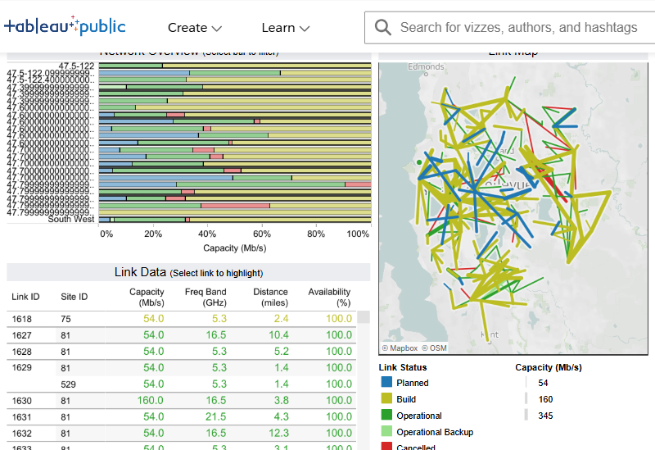
centeringContainer | Radio Towers Dashboard Link Map © Mapbox© OSM Network Overview (Select bar to filter) Link Data (Select link to highlight) Link Status Planned Build Operational Operational Backup Cancelled Capacity (Mb/s) 54 160 345 View on Tableau Public Undo Redo Revert Replay Animation Replay Speed Options Download Full Screen Share | Visible | div | /html/body/div[2]
staticImage |  | Hidden | div | /html/body/div[2]/div
tabBootErr |  | Hidden | div | /html/body/div[2]/div[2]
tabBootErrTitle |  | Hidden | div | /html/body/div[2]/div[2]/div
tabBootErrBody |  | Hidden | div | /html/body/div[2]/div[2]/div[2]
tabBootErrMsg |  | Hidden | div | /html/body/div[2]/div[2]/div[2]/div

viz-client-container | Radio Towers Dashboard Link Map © Mapbox© OSM Network Overview (Select bar to filter) Link Data (Select link to highlight) Link Status Planned Build Operational Operational Backup Cancelled Capacity (Mb/s) 54 160 345 View on Tableau Public Undo Redo Revert Replay Animation Replay Speed Options Download Full Screen Share | Visible | div | /html/body/div[2]/div[3]
main-content | Radio Towers Dashboard Link Map © Mapbox© OSM Network Overview (Select bar to filter) Link Data (Select link to highlight) Link Status Planned Build Operational Operational Backup Cancelled Capacity (Mb/s) 54 160 345 | Visible | div | /html/body/div[2]/div[3]/div
dashboard-viewport | Radio Towers Dashboard Link Map © Mapbox© OSM Network Overview (Select bar to filter) Link Data (Select link to highlight) Link Status Planned Build Operational Operational Backup Cancelled Capacity (Mb/s) 54 160 345 | Visible | div | /html/body/div[2]/div[3]/div/div
dashboard-spacer | Radio Towers Dashboard Link Map © Mapbox© OSM Network Overview (Select bar to filter) Link Data (Select link to highlight) Link Status Planned Build Operational Operational Backup Cancelled Capacity (Mb/s) 54 160 345 | Visible | div | /html/body/div[2]/div[3]/div/div/div
tab-container |  | Hidden | div | /html/body/div[2]/div[3]/div/div/div/div
tab-dashboard-region | Radio Towers Dashboard Link Map © Mapbox© OSM Network Overview (Select bar to filter) Link Data (Select link to highlight) Link Status Planned Build Operational Operational Backup Cancelled Capacity (Mb/s) 54 160 345 | Visible | div | /html/body/div[2]/div[3]/div/div/div/div[2]
tabZoneId8 | Radio Towers Dashboard | Visible | div | /html/body/div[2]/div[3]/div/div/div/div[2]/div
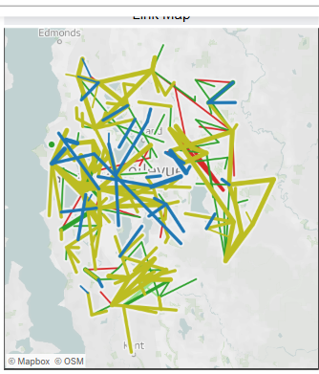
tabZoneId1 | Link Map © Mapbox© OSM | Visible | div | /html/body/div[2]/div[3]/div/div/div/div[2]/div[4]
title3855800012607193825_8182193712607494692 | Link Map | Visible | div | /html/body/div[2]/div[3]/div/div/div/div[2]/div[4]/div/div/div/div/h2/div
tab-title-description-3855800012607193825_8182193712607494692 |  | Visible | span | /html/body/div[2]/div[3]/div/div/div/div[2]/div[4]/div/div/div/div/h2/span
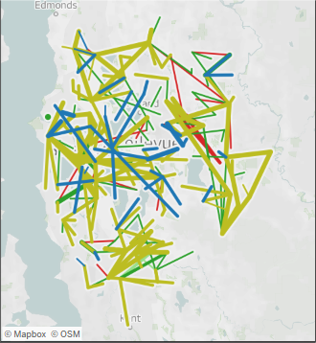
view3855800012607193825_8182193712607494692 | © Mapbox© OSM | Visible | div | /html/body/div[2]/div[3]/div/div/div/div[2]/div[4]/div/div/div/div/div[11]
tab-vizStatus |  | Visible | span | /html/body/div[2]/div[3]/div/div/div/div[2]/div[4]/div/div/div/div/div[11]/span
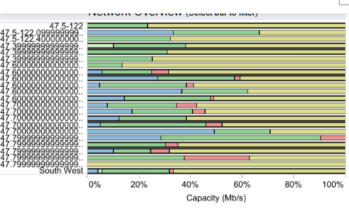
tabZoneId2 | Network Overview (Select bar to filter) | Visible | div | /html/body/div[2]/div[3]/div/div/div/div[2]/div[5]
title3855800012607193825_869433279981133230 | Network Overview (Select bar to filter) | Visible | div | /html/body/div[2]/div[3]/div/div/div/div[2]/div[5]/div/div/div/div/h2/div
tab-title-description-3855800012607193825_869433279981133230 |  | Visible | span | /html/body/div[2]/div[3]/div/div/div/div[2]/div[5]/div/div/div/div/h2/span
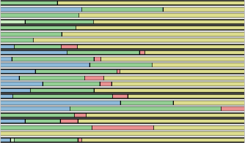
view3855800012607193825_869433279981133230 |  | Visible | div | /html/body/div[2]/div[3]/div/div/div/div[2]/div[5]/div/div/div/div/div[11]
tab-vizStatus |  | Visible | span | /html/body/div[2]/div[3]/div/div/div/div[2]/div[5]/div/div/div/div/div[11]/span
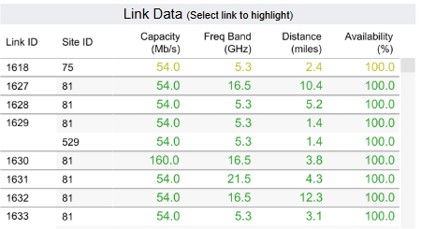
tabZoneId3 | Link Data (Select link to highlight) | Visible | div | /html/body/div[2]/div[3]/div/div/div/div[2]/div[6]
title3855800012607193825_5574288746370096560 | Link Data (Select link to highlight) | Visible | div | /html/body/div[2]/div[3]/div/div/div/div[2]/div[6]/div/div/div/div/h2/div
tab-title-description-3855800012607193825_5574288746370096560 |  | Visible | span | /html/body/div[2]/div[3]/div/div/div/div[2]/div[6]/div/div/div/div/h2/span
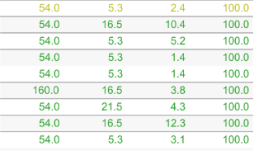
view3855800012607193825_5574288746370096560 |  | Visible | div | /html/body/div[2]/div[3]/div/div/div/div[2]/div[6]/div/div/div/div/div[11]
tab-vizStatus |  | Visible | span | /html/body/div[2]/div[3]/div/div/div/div[2]/div[6]/div/div/div/div/div[11]/span
tabZoneId4 |  | Visible | div | /html/body/div[2]/div[3]/div/div/div/div[2]/div[7]
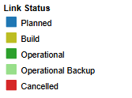
tabZoneId5 | Link Status Planned Build Operational Operational Backup Cancelled | Visible | div | /html/body/div[2]/div[3]/div/div/div/div[2]/div[8]
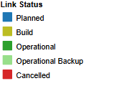
tableau_base_legend_color_q_Cell%20Map | Link Status Planned Build Operational Operational Backup Cancelled | Visible | div | /html/body/div[2]/div[3]/div/div/div/div[2]/div[8]/div/div/div
rgb(31,119,180) |  | Visible | span | /html/body/div[2]/div[3]/div/div/div/div[2]/div[8]/div/div/div/div[2]/div/div/span/div/span/span
rgb(188,189,34) |  | Visible | span | /html/body/div[2]/div[3]/div/div/div/div[2]/div[8]/div/div/div/div[2]/div/div/span/div[2]/span/span
rgb(44,160,44) |  | Visible | span | /html/body/div[2]/div[3]/div/div/div/div[2]/div[8]/div/div/div/div[2]/div/div/span/div[3]/span/span
rgb(152,223,138) |  | Visible | span | /html/body/div[2]/div[3]/div/div/div/div[2]/div[8]/div/div/div/div[2]/div/div/span/div[4]/span/span
rgb(214,39,40) |  | Visible | span | /html/body/div[2]/div[3]/div/div/div/div[2]/div[8]/div/div/div/div[2]/div/div/span/div[5]/span/span
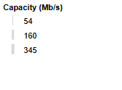
tabZoneId23 | Capacity (Mb/s) 54 160 345 | Visible | div | /html/body/div[2]/div[3]/div/div/div/div[2]/div[9]
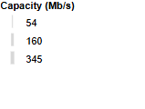
tableau_base_legend_size_q_Cell%20Map | Capacity (Mb/s) 54 160 345 | Visible | div | /html/body/div[2]/div[3]/div/div/div/div[2]/div[9]/div/div/div
line_1 |  | Visible | canvas | /html/body/div[2]/div[3]/div/div/div/div[2]/div[9]/div/div/div/div[2]/div/div/span/div/span/canvas
line_3 |  | Visible | canvas | /html/body/div[2]/div[3]/div/div/div/div[2]/div[9]/div/div/div/div[2]/div/div/span/div[2]/span/canvas
line_4 |  | Visible | canvas | /html/body/div[2]/div[3]/div/div/div/div[2]/div[9]/div/div/div/div[2]/div/div/span/div[3]/span/canvas
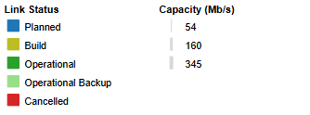
tabZoneId24 |  | Visible | div | /html/body/div[2]/div[3]/div/div/div/div[2]/div[10]
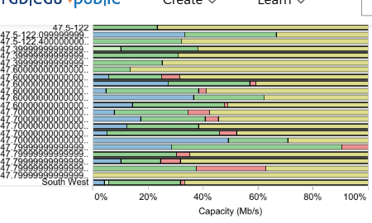
tabZoneId26 |  | Visible | div | /html/body/div[2]/div[3]/div/div/div/div[2]/div[11]
right-panel |  | Hidden | div | /html/body/div[2]/div[3]/div/div[2]
toolbar-container | View on Tableau Public Undo Redo Revert Replay Animation Replay Speed Options Download Full Screen Share | Visible | div | /html/body/div[2]/div[3]/div[2]
viz-viewer-toolbar | View on Tableau Public Undo Redo Revert Replay Animation Replay Speed Options Download Full Screen Share | Visible | div | /html/body/div[2]/div[3]/div[2]/div[2]
tableauPublicButton | View on Tableau Public | Visible | button | /html/body/div[2]/div[3]/div[2]/div[2]/div/div/button
undo | Undo | Visible | button | /html/body/div[2]/div[3]/div[2]/div[2]/div[2]/div/button
redo | Redo | Visible | button | /html/body/div[2]/div[3]/div[2]/div[2]/div[2]/div[2]/button
revert | Revert | Visible | button | /html/body/div[2]/div[3]/div[2]/div[2]/div[2]/div[3]/button
replay | Replay Animation | Visible | button | /html/body/div[2]/div[3]/div[2]/div[2]/div[2]/div[4]/div/button
replay-secondary | Replay Speed Options | Visible | button | /html/body/div[2]/div[3]/div[2]/div[2]/div[2]/div[4]/div/button[2]
download | Download | Visible | button | /html/body/div[2]/div[3]/div[2]/div[2]/div[2]/div[6]/button
fullscreen | Full Screen | Visible | button | /html/body/div[2]/div[3]/div[2]/div[2]/div[2]/div[7]/button
share | Share | Visible | button | /html/body/div[2]/div[3]/div[2]/div[2]/div[2]/div[8]/button
toolbar-overflow |  | Hidden | button | /html/body/div[2]/div[3]/div[2]/div[2]/div[2]/div[9]/button
tsConfigContainer |  | Hidden | textarea | /html/body/div[3]/textarea
staticConfigContainer |  | Hidden | textarea | /html/body/div[4]/textarea

