Temporal Model
Attack Rate Increase vs Time
Time (mins) | Attack rate | Attack rate increase (%)
0 | 0.121 | 0
1 | 0.12100611111 | 0.0050505050505
2 | 0.12102444444 | 0.020202020202
3 | 0.121055 | 0.045454545455
4 | 0.12109777778 | 0.080808080808
5 | 0.12115277778 | 0.12626262626
6 | 0.12122 | 0.18181818182
7 | 0.12129944444 | 0.24747474747
8 | 0.12139111111 | 0.32323232323
9 | 0.121495 | 0.40909090909
10 | 0.12161111111 | 0.50505050505
11 | 0.12173944444 | 0.61111111111
12 | 0.12188 | 0.72727272727
13 | 0.12203277778 | 0.85353535354
14 | 0.12219777778 | 0.9898989899
15 | 0.122375 | 1.1363636364
16 | 0.12256444444 | 1.2929292929
17 | 0.12276611111 | 1.4595959596
18 | 0.12298 | 1.6363636364
19 | 0.12320611111 | 1.8232323232
20 | 0.12344444444 | 2.0202020202
21 | 0.123695 | 2.2272727273
22 | 0.12395777778 | 2.4444444444
23 | 0.12423277778 | 2.6717171717
24 | 0.12452 | 2.9090909091
25 | 0.12481944444 | 3.1565656566
26 | 0.12513111111 | 3.4141414141
27 | 0.125455 | 3.6818181818
28 | 0.12579111111 | 3.9595959596
29 | 0.12613944444 | 4.2474747475
30 | 0.1265 | 4.5454545455
31 | 0.12687277778 | 4.8535353535
32 | 0.12725777778 | 5.1717171717
33 | 0.127655 | 5.5
34 | 0.12806444444 | 5.8383838384
35 | 0.12848611111 | 6.1868686869
36 | 0.12892 | 6.5454545455
37 | 0.12936611111 | 6.9141414141
38 | 0.12982444444 | 7.2929292929
39 | 0.130295 | 7.6818181818
40 | 0.13077777778 | 8.0808080808
41 | 0.13127277778 | 8.4898989899
42 | 0.13178 | 8.9090909091
43 | 0.13229944444 | 9.3383838384
44 | 0.13283111111 | 9.7777777778
45 | 0.133375 | 10.227272727
46 | 0.13393111111 | 10.686868687
47 | 0.13449944444 | 11.156565657
48 | 0.13508 | 11.636363636
49 | 0.13567277778 | 12.126262626
50 | 0.13627777778 | 12.626262626
51 | 0.136895 | 13.136363636
52 | 0.13752444444 | 13.656565657
53 | 0.13816611111 | 14.186868687
54 | 0.13882 | 14.727272727
55 | 0.13948611111 | 15.277777778
56 | 0.14016444444 | 15.838383838
57 | 0.140855 | 16.409090909
58 | 0.14155777778 | 16.98989899
59 | 0.14227277778 | 17.580808081
60 | 0.143 | 18.181818182
61 | 0.14373944444 | 18.792929293
62 | 0.14449111111 | 19.414141414
63 | 0.145255 | 20.045454545
64 | 0.14603111111 | 20.686868687
65 | 0.14681944444 | 21.338383838
66 | 0.14762 | 22
67 | 0.14843277778 | 22.671717172
68 | 0.14925777778 | 23.353535354
69 | 0.150095 | 24.045454545
70 | 0.15094444444 | 24.747474747
71 | 0.15180611111 | 25.45959596
72 | 0.15268 | 26.181818182
73 | 0.15356611111 | 26.914141414
74 | 0.15446444444 | 27.656565657
75 | 0.155375 | 28.409090909
76 | 0.15629777778 | 29.171717172
77 | 0.15723277778 | 29.944444444
78 | 0.15818 | 30.727272727
79 | 0.15913944444 | 31.52020202
80 | 0.16011111111 | 32.323232323
81 | 0.161095 | 33.136363636
82 | 0.16209111111 | 33.95959596
83 | 0.16309944444 | 34.792929293
84 | 0.16412 | 35.636363636
85 | 0.16515277778 | 36.48989899
86 | 0.16619777778 | 37.353535354
87 | 0.167255 | 38.227272727
88 | 0.16832444444 | 39.111111111
89 | 0.16940611111 | 40.005050505
90 | 0.1705 | 40.909090909
91 | 0.17160611111 | 41.823232323
92 | 0.17272444444 | 42.747474747
93 | 0.173855 | 43.681818182
94 | 0.17499777778 | 44.626262626
95 | 0.17615277778 | 45.580808081
96 | 0.17732 | 46.545454545
97 | 0.17849944444 | 47.52020202
98 | 0.17969111111 | 48.505050505
99 | 0.180895 | 49.5
100 | 0.18211111111 | 50.505050505
101 | 0.18333944444 | 51.52020202
102 | 0.18458 | 52.545454545
103 | 0.18583277778 | 53.580808081
104 | 0.18709777778 | 54.626262626
105 | 0.188375 | 55.681818182
106 | 0.18966444444 | 56.747474747
107 | 0.19096611111 | 57.823232323
108 | 0.19228 | 58.909090909
109 | 0.19360611111 | 60.005050505
110 | 0.19494444444 | 61.111111111
111 | 0.196295 | 62.227272727
112 | 0.19765777778 | 63.353535354
113 | 0.19903277778 | 64.48989899
114 | 0.20042 | 65.636363636
115 | 0.20181944444 | 66.792929293
116 | 0.20323111111 | 67.95959596
117 | 0.204655 | 69.136363636
118 | 0.20609111111 | 70.323232323
119 | 0.20753944444 | 71.52020202
120 | 0.209 | 72.727272727
121 | 0.21047277778 | 73.944444444
122 | 0.21195777778 | 75.171717172
123 | 0.213455 | 76.409090909
124 | 0.21496444444 | 77.656565657
125 | 0.21648611111 | 78.914141414
126 | 0.21802 | 80.181818182
127 | 0.21956611111 | 81.45959596
128 | 0.22112444444 | 82.747474747
129 | 0.222695 | 84.045454545
130 | 0.22427777778 | 85.353535354
131 | 0.22587277778 | 86.671717172
132 | 0.22748 | 88
133 | 0.22909944444 | 89.338383838
134 | 0.23073111111 | 90.686868687
135 | 0.232375 | 92.045454545
136 | 0.23403111111 | 93.414141414
137 | 0.23569944444 | 94.792929293
138 | 0.23738 | 96.181818182
139 | 0.23907277778 | 97.580808081
140 | 0.24077777778 | 98.98989899
141 | 0.242495 | 100.40909091
142 | 0.24422444444 | 101.83838384
143 | 0.24596611111 | 103.27777778
144 | 0.24772 | 104.72727273
145 | 0.24948611111 | 106.18686869
146 | 0.25126444444 | 107.65656566
147 | 0.253055 | 109.13636364
148 | 0.25485777778 | 110.62626263
149 | 0.25667277778 | 112.12626263
150 | 0.2585 | 113.63636364
151 | 0.26033944444 | 115.15656566
152 | 0.26219111111 | 116.68686869
153 | 0.264055 | 118.22727273
154 | 0.26593111111 | 119.77777778
155 | 0.26781944444 | 121.33838384
156 | 0.26972 | 122.90909091
157 | 0.27163277778 | 124.48989899
158 | 0.27355777778 | 126.08080808
159 | 0.275495 | 127.68181818
160 | 0.27744444444 | 129.29292929

Original Data Source
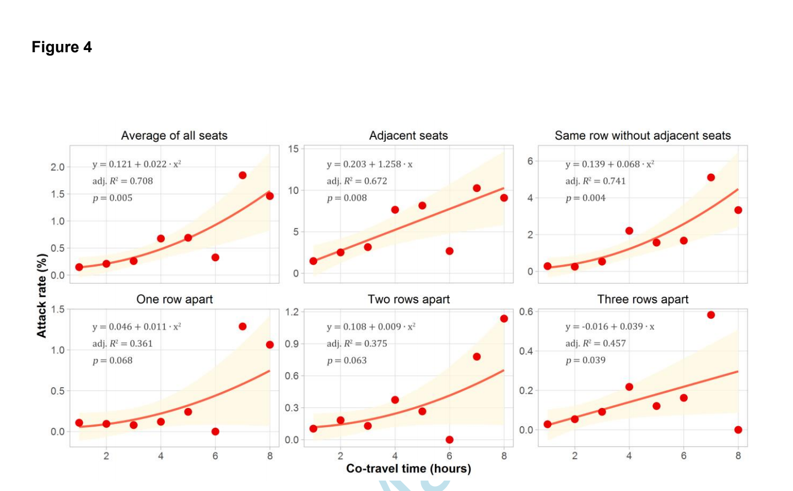
Article Link:
https://www.ncbi.nlm.nih.gov/pmc/articles/PMC7454391/pdf/ciaa1057.pdf

