Evidence
Screenshot evidence
Captured by Playwright at the moment each assertion was evaluated. Grouped by test case, in test order.

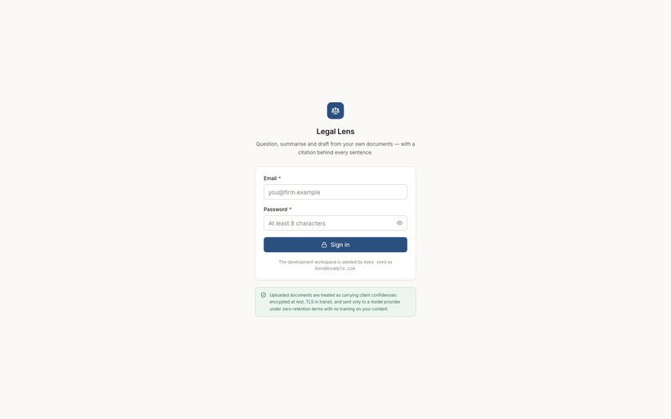
TC-01 — Sign-in page renders with email and password fields [PASS]
Observed: email=true password=true signInButton=true
TC-01-01-login-page.png

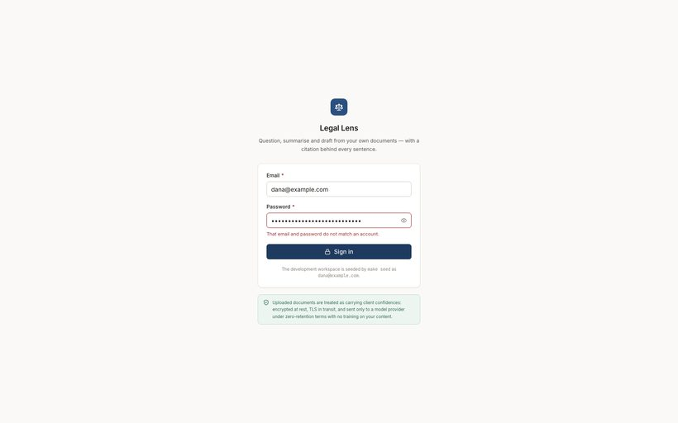
TC-02 — Wrong password is rejected without revealing which field was wrong [PASS]
Observed: errorShown=true remainedOnLogin=true url=/login
TC-02-02-wrong-password-error.png


TC-03 — Protected route redirects an unauthenticated visitor to /login [PASS]
Observed: landed on /login
TC-03-03-protected-route-redirect.png

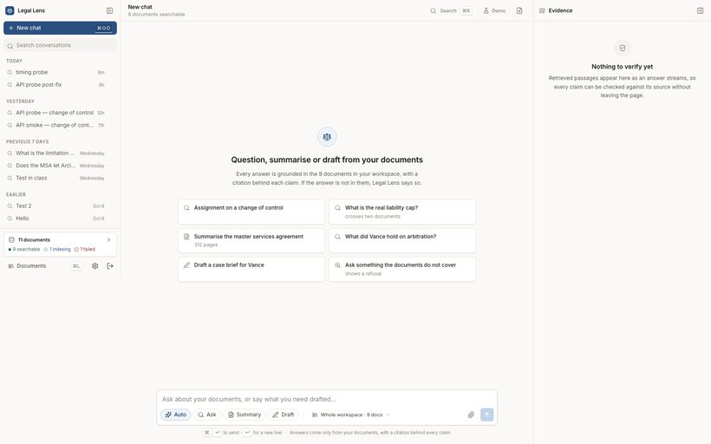
TC-04 — Valid credentials sign in and land on the chat workspace [PASS]
Observed: composer=true sidebar=true me=200 {"email":"dana@example.com","workspaceName":"Dana's workspace"}
TC-04-01-signed-in-workspace.png

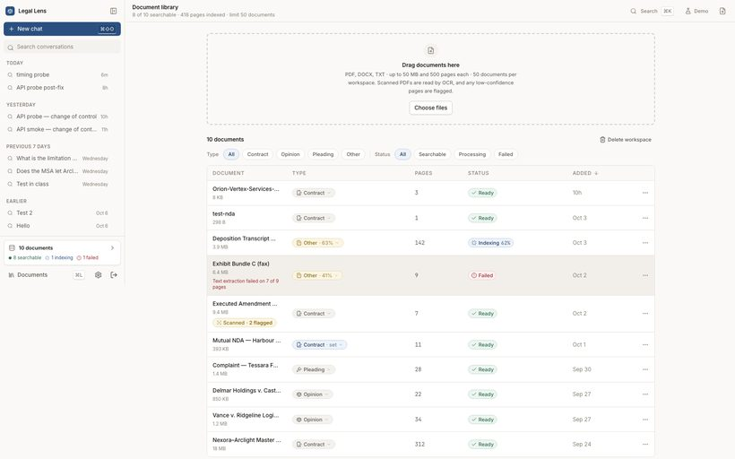
TC-05 — Sidebar lists conversations grouped by recency [PASS]
Observed: threads=9 groups=["Today","Yesterday","Previous 7 days","Earlier"]
TC-05-05-sidebar-conversations.png


TC-06 — Workspace health card reports indexed and excluded documents [PASS]
Observed: api: 10 documents, 8 ready, 2 not ready; card rendered=true
TC-06-06-workspace-health.png

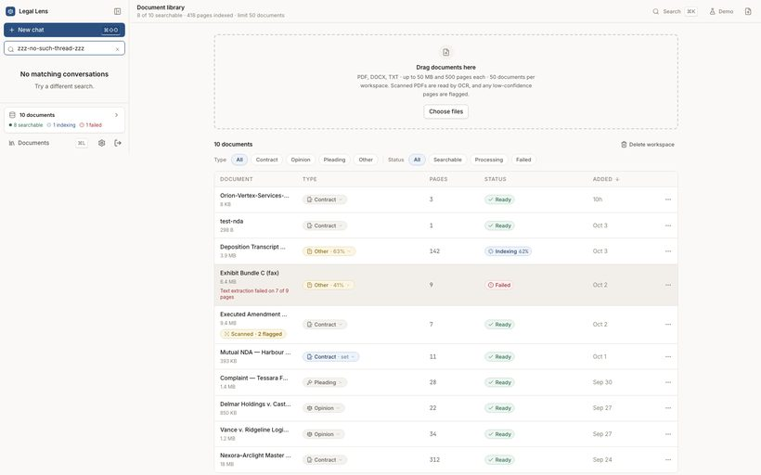
TC-07 — Sidebar search filters conversations and queries the server [PASS]
Observed: before=9 emptyStateShown=true afterClear=9
TC-07-07-search-no-match.png


TC-07-08-search-cleared.png

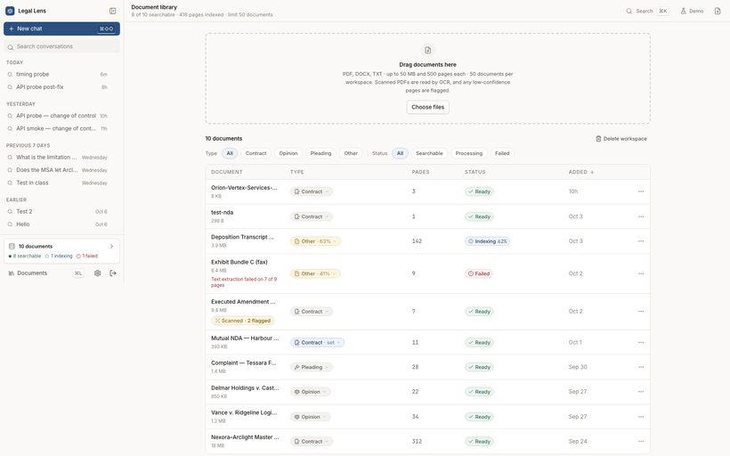
TC-08 — Library lists every document with type, pages and status [PASS]
Observed: api documents=10 rows=10 namesVisible=9
TC-08-09-library-table.png


TC-09 — A failed document surfaces its failure rather than disappearing [PASS]
Observed: failed documents=Exhibit Bundle C (fax).pdf allVisibleInUi=true
TC-09-10-library-failed-doc.png

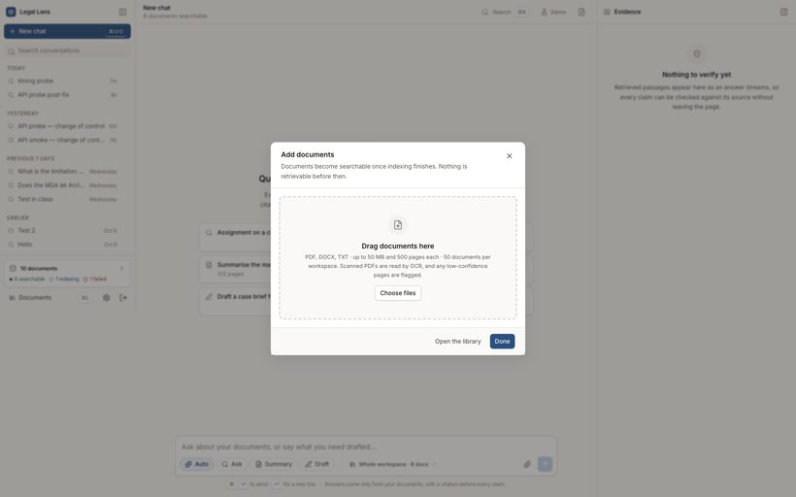
TC-10 — Upload dialog states the real limits from the server [PASS]
Observed: config=50MB/500p/50docs; dialog states them=true
TC-10-11-upload-dialog-limits.png

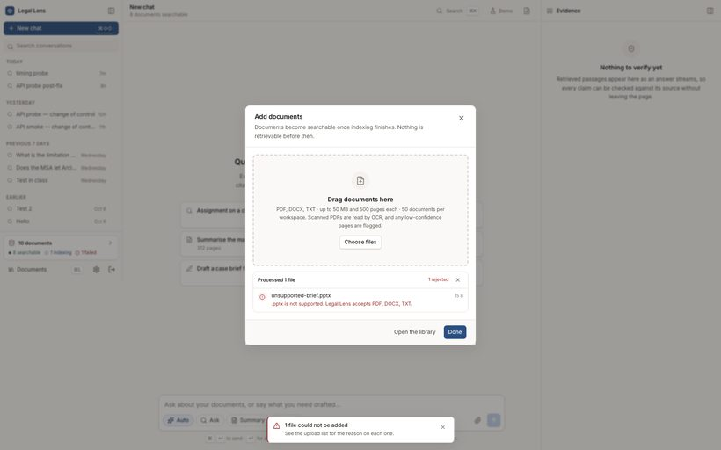
TC-11 — An unsupported file type is rejected per-file with the reason named [PASS]
Observed: dialog mentions the rejected file and accepted types=true
TC-11-12-upload-rejected-pptx.png

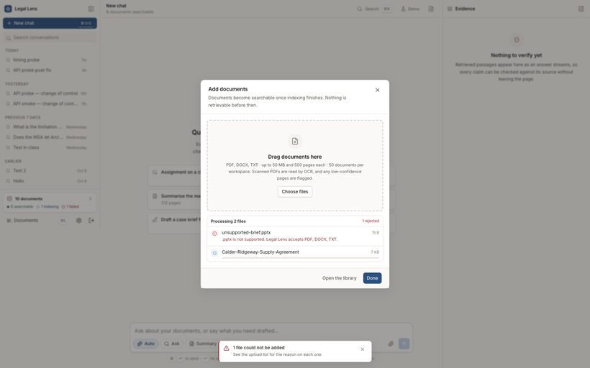
TC-12 — Uploading a TXT contract runs the real pipeline through to ready [PASS]
Observed: id=doc_01a13a85078879b598a7989c status=ready type=contract pages=3 | Uploaded:done | Text extracted:done | Layout QA passed:done | Classified:done | Chunked:done | Embedded & indexed:done
TC-12-13-upload-queued.png

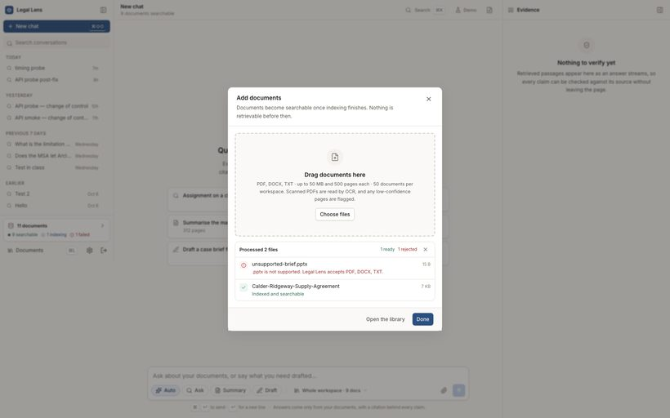
TC-12-14-upload-ready.png


TC-13 — A newly uploaded document becomes selectable as retrieval scope [PASS]
Observed: uploaded document offered as scope=true
TC-13-15-scope-picker-open.png

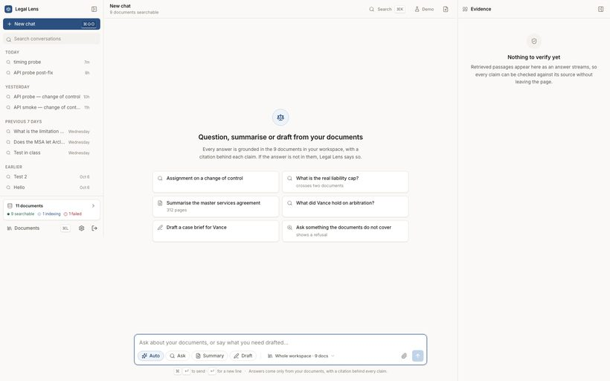
TC-14 — Mode chips switch between Auto, Ask, Summary and Draft [PASS]
Observed: aria-checked after selecting each: {"Auto":"true","Ask":"true","Summary":"true","Draft":"true"}
TC-14-16-mode-auto.png


TC-14-17-mode-ask.png

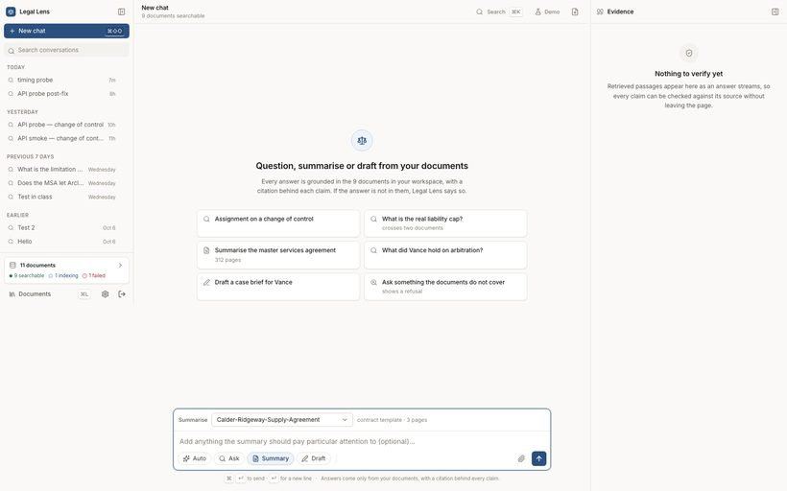
TC-14-18-mode-summary.png

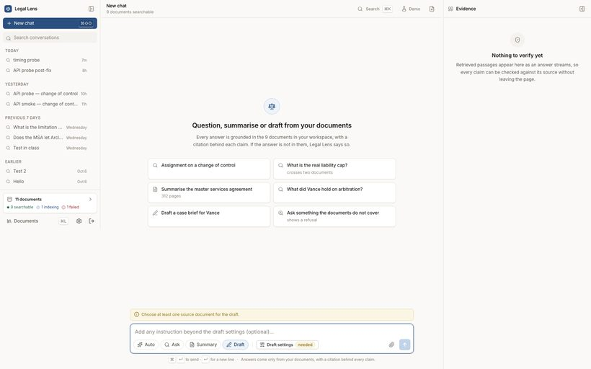
TC-14-19-mode-draft.png


TC-15 — Summary mode exposes a document chooser defaulted to a ready document [PASS]
Observed: visible=true default="doc_01a13a85078879b598a7989c" options=["Choose a document…","Calder-Ridgeway-Supply-Agreement","Orion-Vertex-Services-Agreement","test-nda","Executed Amendment No. 3 (scanned)","Mutual NDA — Harbour Point Capital","Complaint — Tessara Fabrication v. Juneau M…","Delmar Holdings v. Castellan, 2024 WL 88120…"]
TC-15-20-summary-doc-picker.png


TC-16 — Draft mode refuses to send until its required parameters are supplied [PASS]
Observed: blocker="Choose at least one source document for the draft." sendDisabled=true settingsBadge=true
TC-16-21-draft-blocked.png

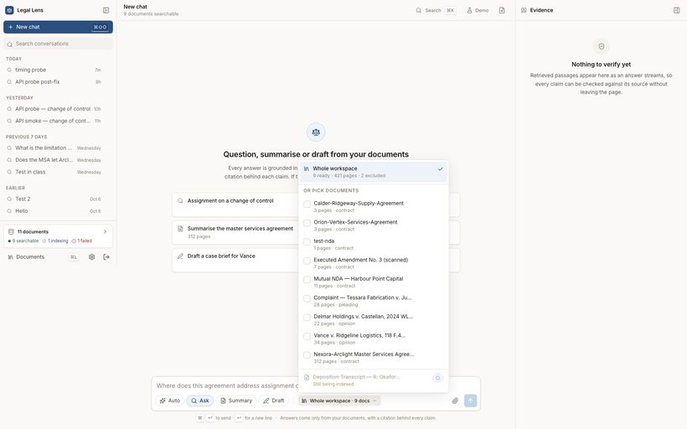
TC-17 — Scope picker shows non-ready documents disabled, with the reason [PASS]
Observed: exclusion reason shown for non-ready documents=true
TC-17-22-scope-picker-exclusions.png

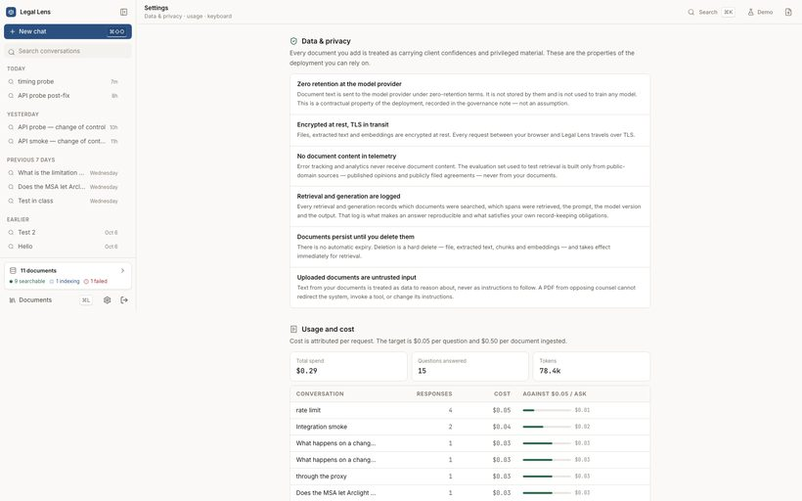
TC-18 — Settings page renders data & privacy information [PASS]
Observed: page text length=3375, shows account email=true
TC-18-23-settings-page.png

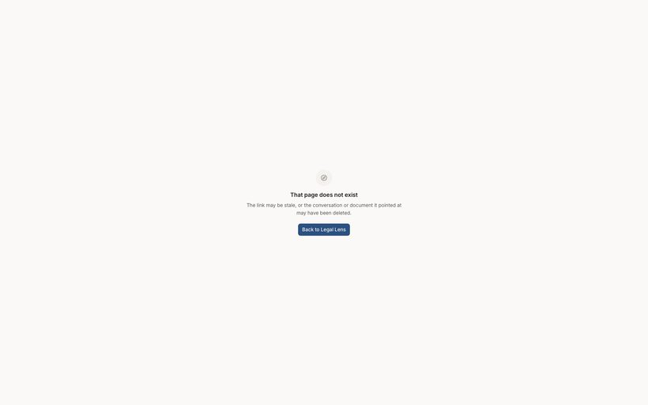
TC-19 — An unknown route shows the 404 page rather than a blank screen [PASS]
Observed: path=/404 bodyMentionsNotFound=false
TC-19-24-404-page.png

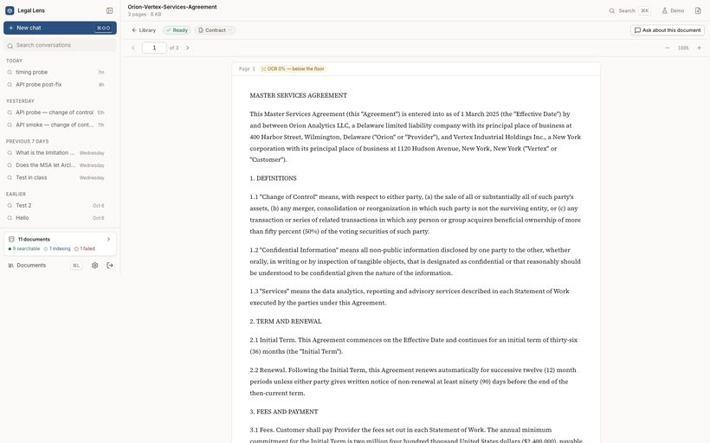
TC-20 — Document viewer opens a document and renders its pages [PASS]
Observed: document=Orion-Vertex-Services-Agreement.txt nameShown=true renderedChars=8599
TC-20-25-document-viewer.png


TC-21 — New chat plus a first question creates and opens a conversation [PASS]
Observed: id=c_01a13c19f14f700faab67e6b GET=200 title="What happens if a change of control occurs without…" inSidebarList=true (was 9 conversations)
TC-21-01-new-chat-empty.png

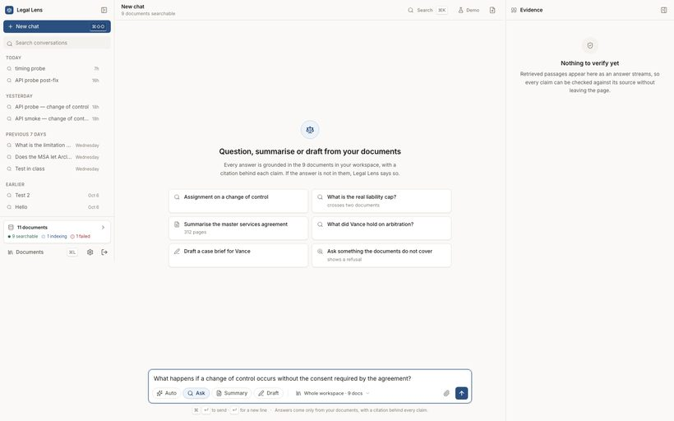
TC-21-02-question-typed.png

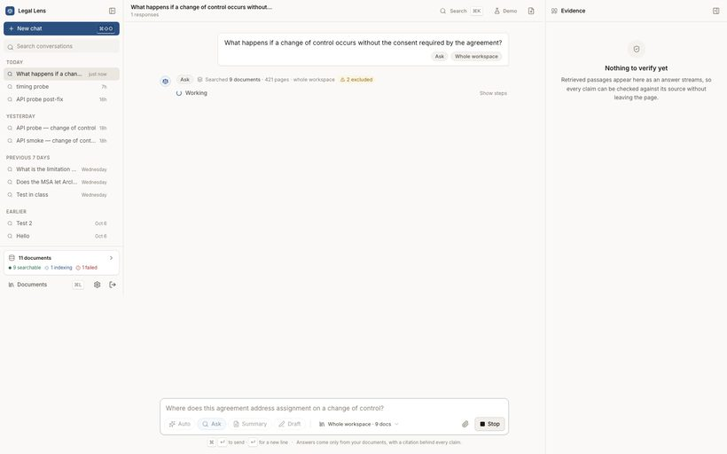
TC-21-03-conversation-created-streaming.png

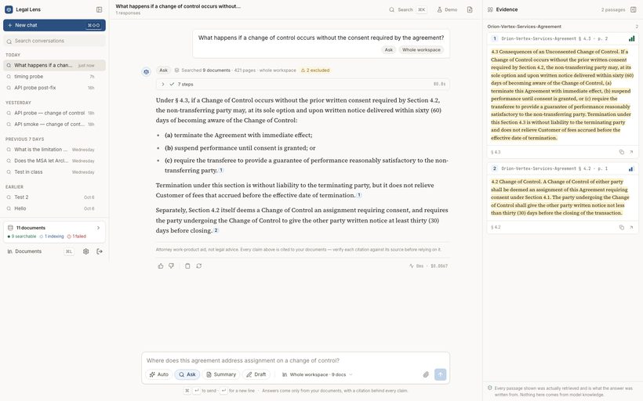
TC-22 — Ask streams a grounded answer over the real retrieval pipeline [PASS]
Observed: stored status=complete kind=answer intent=ask textChars=914 renderedChars=1138
TC-22-04-answer-complete.png

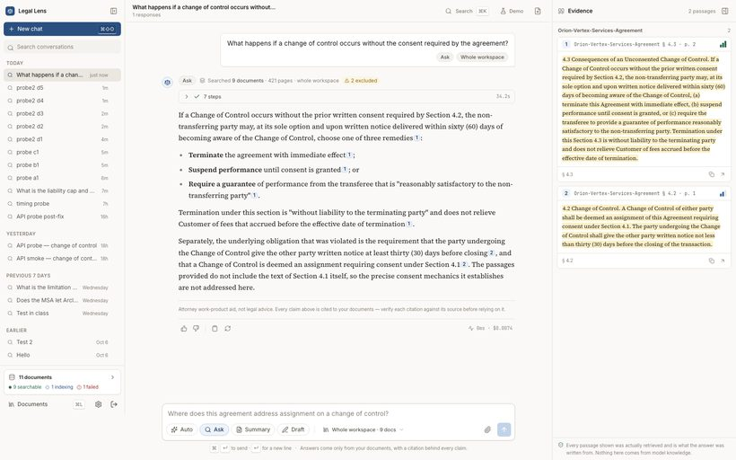
TC-23 — Every citation resolves to a document, page and span the user owns [PASS]
Observed: chipsInUi=7 storedCitations=2; [1]→Orion-Vertex-Services-Agreem p2 § 4.3 (docExists=true pageInRange=true span=true excerpt=true); [2]→Orion-Vertex-Services-Agreem p1 § 4.2 (docExists=true pageInRange=true span=true excerpt=true)
TC-23-01-citations-resolve.png

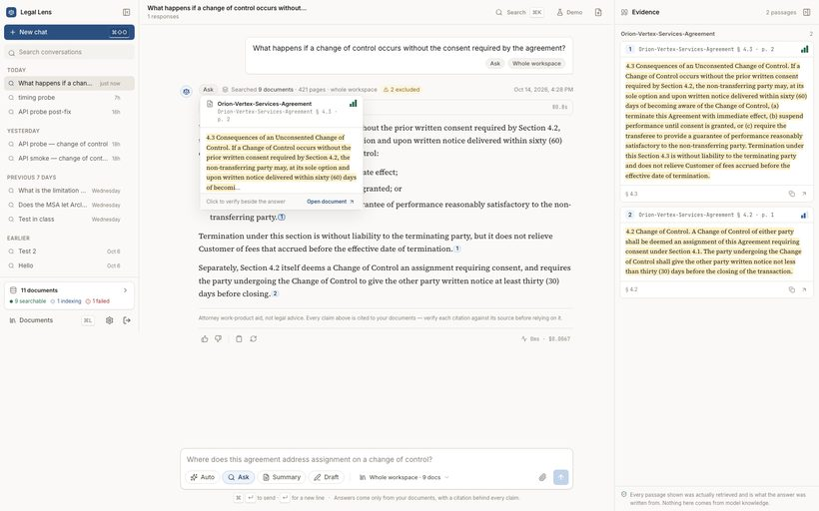
TC-24 — Hovering a citation previews the source passage without leaving the answer [PASS]
Observed: hoverCardShown=true openDocumentAction=true
TC-24-06-citation-hovercard.png

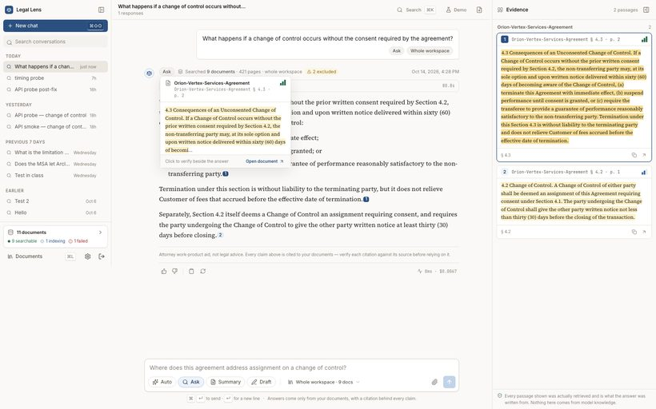
TC-25 — Clicking a citation opens the evidence panel on the retrieved passage [PASS]
Observed: panelVisible=true excerptsStored=2 panelContainsRetrievedText=true probe="4.3 Consequences of an Unconsented Chang"
TC-25-07-evidence-panel-open.png


TC-26 — The stage trace reports the retrieval pipeline that actually ran [PASS]
Observed: stages=["routing","retrieving","reranking","expanding","assembling","writing","verifying"] missing=[] rerankDetail="2 of 25 above floor 0.25"
TC-26-08-stage-trace.png


TC-27 — The turn states the scope it searched and names what it excluded [PASS]
Observed: searched=9 documents / 421 pages; excluded=2 (Deposition Transcript : Still indexing — not yet searchable | Exhibit Bundle C (fax): Failed to process — cannot be searched)
TC-27-09-scope-statement.png


TC-28 — A completed answer carries the attorney work-product disclaimer [PASS]
Observed: stored="Attorney work-product aid generated by Legal Lens. Not legal advice. Verify every citation" shownInUi=true
TC-28-10-disclaimer.png

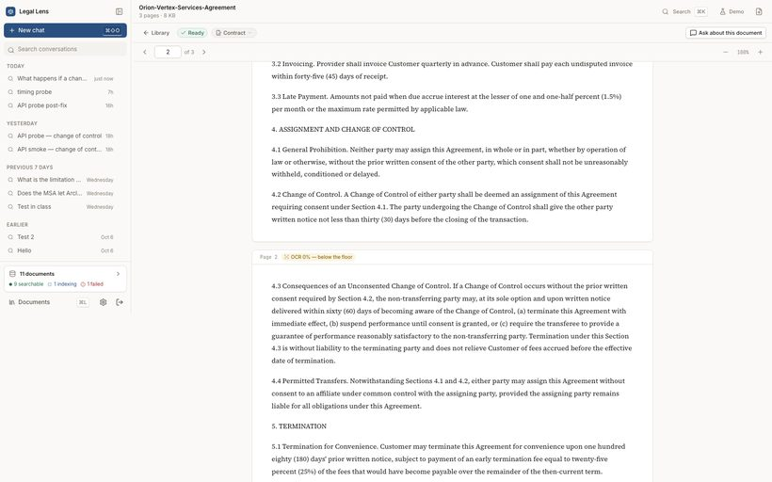
TC-29 — A citation opens the cited document at the cited page [PASS]
Observed: citation [1] → Orion-Vertex-Services-Agreem p2; url=/doc/doc_01a13830bbca72a2a7bd4a75?page=2&span=doc_01a13830bbca72a2a7bd4a75:2:0-688 documentMatch=true pageMatch=true spanMatch=true
TC-29-11-citation-opens-document.png


TC-30 — Renaming a conversation updates the sidebar and persists server-side [PASS]
Observed: before="What happens if a change of control occurs without…" after(server)="Change of control — Orion/Vertex consent analysis" shownInSidebar=true
TC-30-12-conversation-context-menu.png

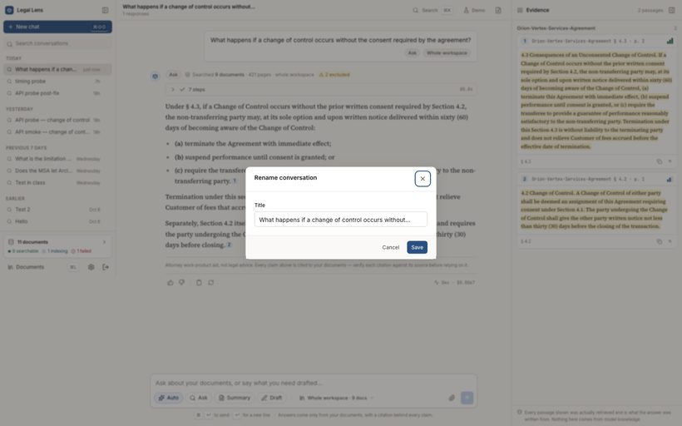
TC-30-13-rename-dialog.png


TC-30-14-rename-dialog-typed.png


TC-30-15-renamed-in-sidebar.png

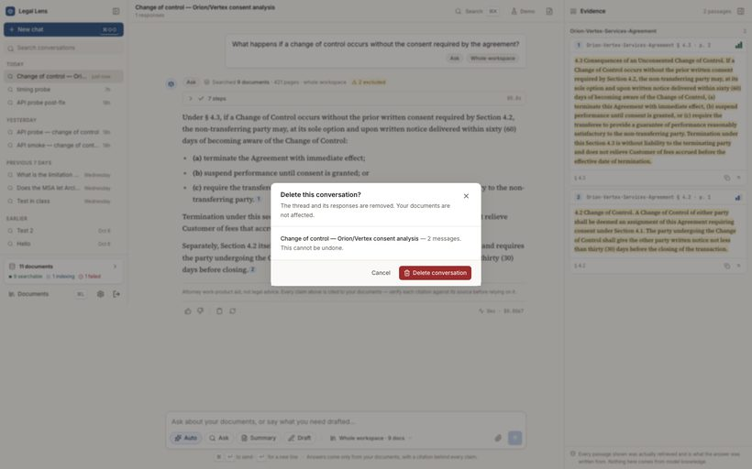
TC-31 — Deleting a conversation removes it from the list and from the API [PASS]
Observed: confirmDialogWarnedIrreversible=true; after delete GET=404 stillInList=false rowRemovedFromSidebar=true
TC-31-16-delete-confirm-dialog.png

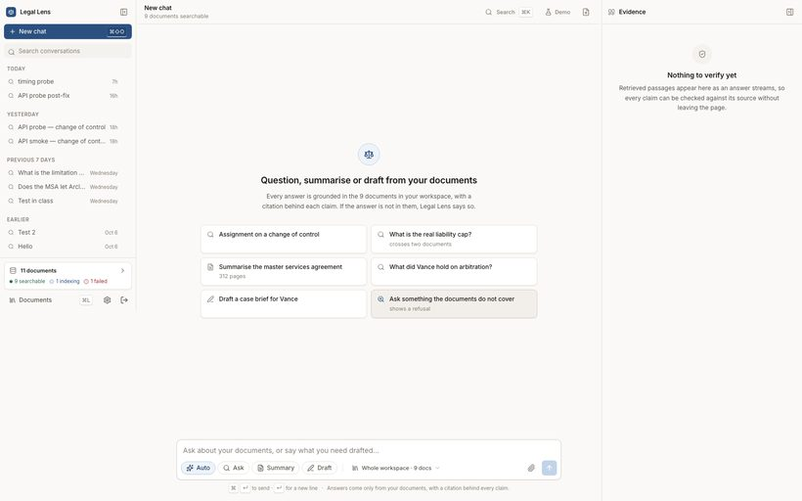
TC-31-17-after-delete.png

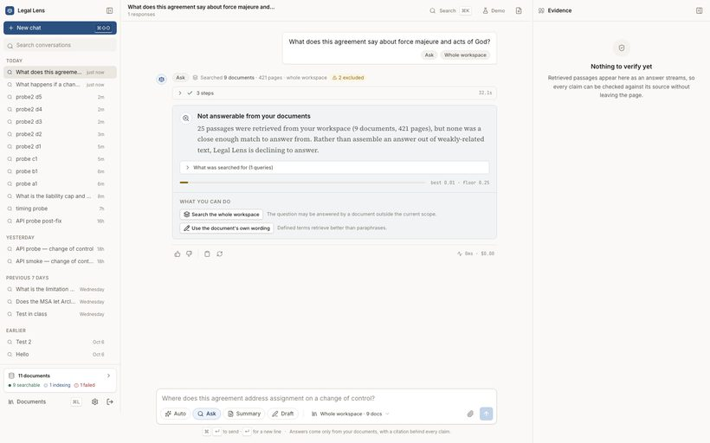
TC-32 — A question the corpus does not cover is declined, not answered [PASS]
Observed: status=refused kind=below_threshold cardVisible=true noInventedProse=true queriesShown=1 suggestions=widen_scope,rephrase best=0.008 floor=0.25
TC-32-02-refusal-card.png

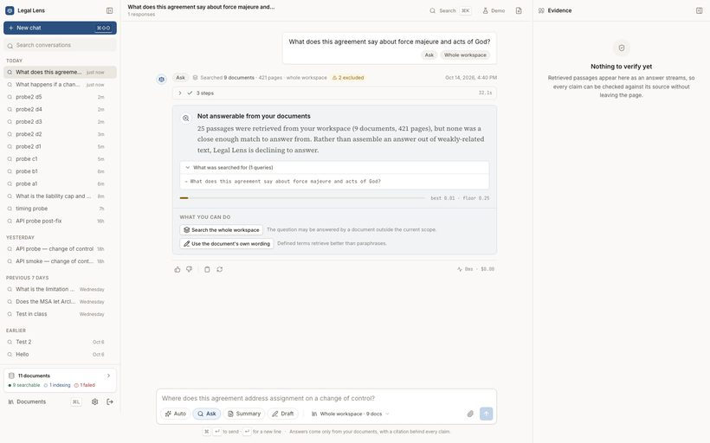
TC-32-03-refusal-queries-expanded.png

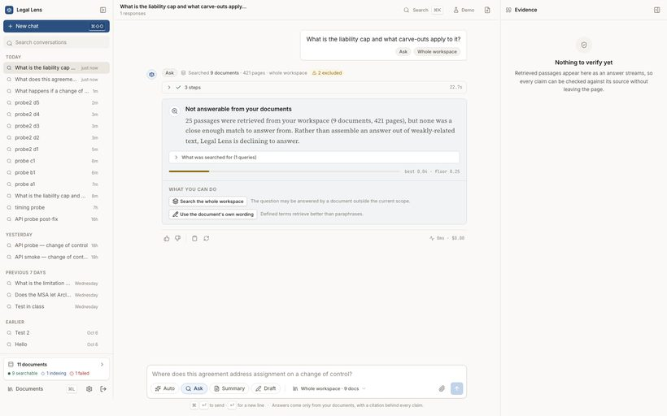
TC-33 — A paraphrased question about indexed text is declined while a near-verbatim one succeeds [FAIL]
Observed: paraphrase("liability cap … carve-outs"): status=refused bestRelevance=0.0436 vs floor 0.25 → DECLINED; near-verbatim("cap on … total aggregate liability"): status=complete cited=§ 6.1 → answered. Same clause (§ 6.1) in the same document, Orion-Vertex-Services-Agreement.txt.
TC-33-04-paraphrase-declined.png

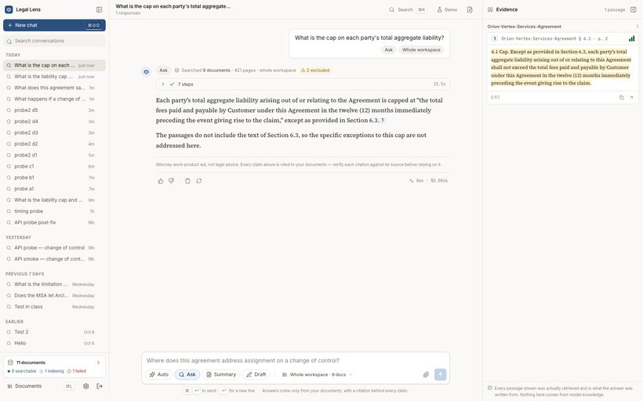
TC-33-05-verbatim-answered.png

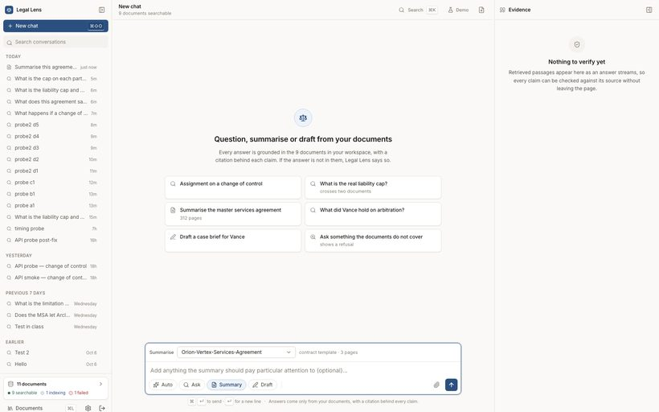
TC-34 — A new conversation can select an already-indexed document for Summary [PASS]
Observed: options=["Choose a document…","Calder-Ridgeway-Supply-Agreement","Orion-Vertex-Services-Agreement","test-nda","Executed Amendment No. 3 (scanned)","Mutual NDA — Harbour Point Capital","Complaint — Tessara Fabrication v. Juneau M…","Delmar Holdings v. Castellan, 2024 WL 88120…","Vance v. Ridgeline Logistics, 118 F.4th 221…","Nexora–Arclight Master Services Agreement"]; selectedValue=doc_01a13830bbca72a2a7bd4a75 (expected doc_01a13830bbca72a2a7bd4a75); composerRow="SummariseChoose a document…Calder-Ridgeway-Supply-AgreementOrion-Vertex-Services-Agreementtest-ndaExecuted Amendment No."; statesTemplate=true statesPages=true; non-ready documents offered=false
TC-34-01-summary-existing-doc-selected.png

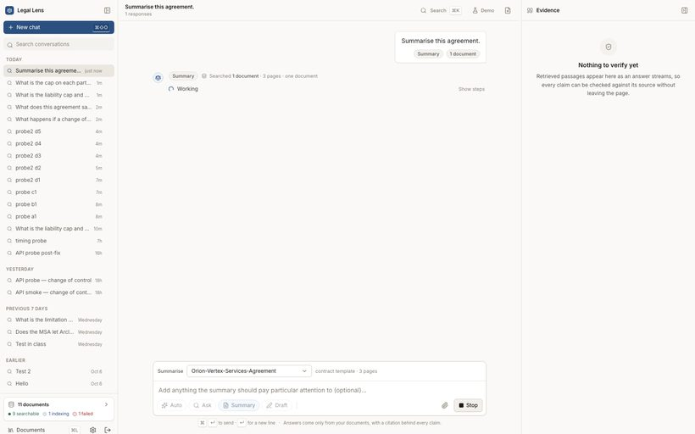
TC-35 — Summary runs the per-field workflow and completes against the contract template [PASS]
Observed: status=complete kind=summary template="Contract / agreement template" document="Orion-Vertex-Services-Agreement.txt" fields=9: Parties and roles · Effective date, term, renewal · Core obligations per party · Payment / consideration · Termination rights and notice periods · Limitation of liability and indemnity · Assignment and change of control · Governing law and dispute resolution · Unusual or off-market terms
TC-35-02-summary-streaming.png

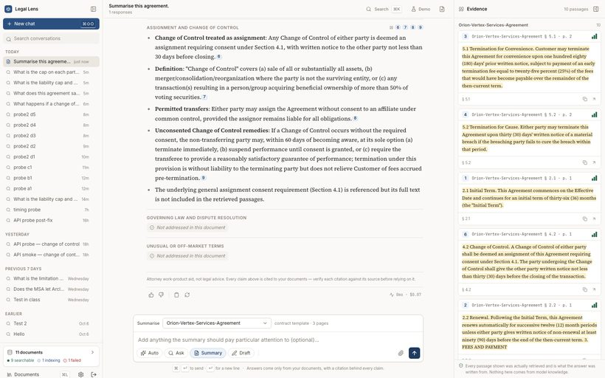
TC-35-03-summary-complete.png


TC-36 — A term absent from the document is reported as absent, not inferred [PASS]
Observed: fieldsPresent=4 fieldsAbsent=5 (Parties and roles, Core obligations per party, Payment / consideration, Governing law and dispute resolution, Unusual or off-market terms) uiShowsNotAddressed=true
TC-36-04-summary-absent-field.png


TC-37 — Summary fields carry citations that resolve to the summarised document [PASS]
Observed: citations=10 chipsInUi=19 fieldsWithCitations=4/9 allPointAtSummarisedDocument=true everyFieldNumberResolves=true; sections=[1]§ 2.1p1 [2]§ 2.2p1 [3]§ 5.1p2 [4]§ 5.2p2 [5]§ 8.1p3 [6]§ 4.2p1 [7]§ 1.1p1 [8]§ 4.4p2 [9]§ 4.3p2 [10]§ 3.3p1
TC-37-05-summary-citations.png


TC-38 — Coverage is reported honestly rather than claiming the whole document was read [PASS]
Observed: coverage=3/3 pages · 9 passes; note="9 targeted retrievals drew on 3 of 3 pages. Pages no field query retrieved were not read; "; shownInUi=true
TC-38-06-summary-coverage-note.png


TC-39 — Summary turn latency is measured against the NFR-3 budget [FAIL]
Observed: measured wall time to last stage (verifying) = 237.6s against the 180s NFR-3 budget; cost=$0.06616 (tokens in/out 20375/2541); stages=routing:0s classifying:0s field_retrieval:200s mapping:200s verifying:238s
TC-39-07-summary-stage-timings.png


TC-40 — Ask turn latency is measured against the NFR-1 budget [FAIL]
Observed: 13 Ask turns measured — median 29.4s, slowest 142.6s, 0/13 within the 15 s NFR-1 budget. Samples: 21.4s(complete, rerank 19s), 22.7s(refused, rerank 23s), 23.7s(complete, rerank 22s), 23.9s(complete, rerank 22s), 25.5s(complete, rerank 24s), 29s(complete, rerank 23s), 29.4s(refused, rerank 29s), 30.4s(complete, rerank 26s), 32.1s(refused, rerank 32s), 34.2s(complete, rerank 30s), 46.7s(refused, rerank 47s), 56.4s(complete, rerank 55s), 142.6s(refused, rerank 143s). Cross-encoder reranking on CPU dominates every turn.
TC-40-02-ask-latency-context.png

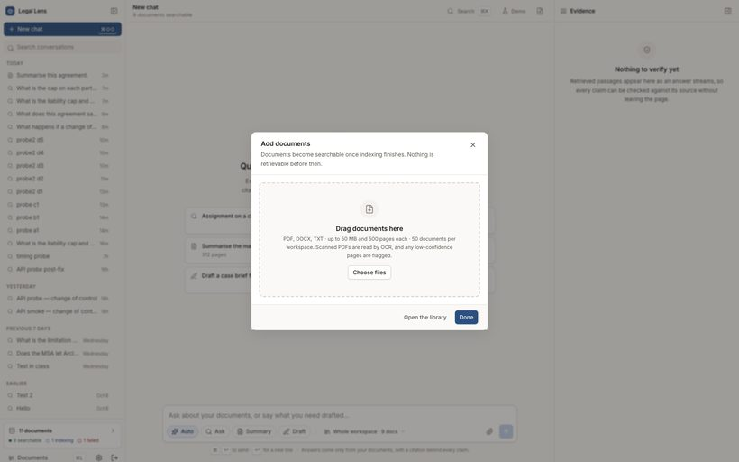
TC-41 — A new document can be uploaded from inside a new conversation [PASS]
Observed: id=doc_01a13c2d5aff750585c30d00 status=ready detectedType=opinion pages=2; pipeline: Uploaded:done | Text extracted:done | Layout QA passed:done | Classified:done | Chunked:done | Embedded & indexed:done
TC-41-01-upload-from-conversation.png

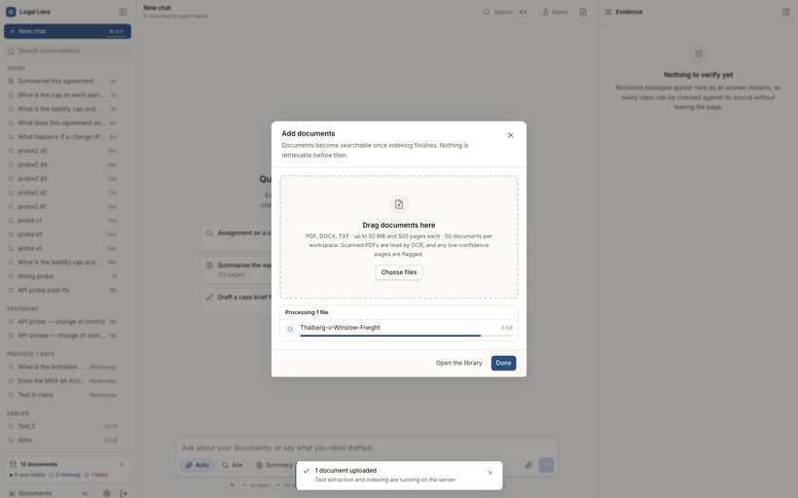
TC-41-02-upload-in-progress.png

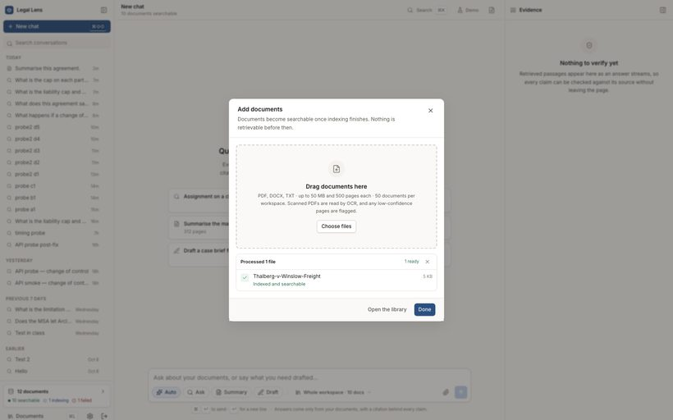
TC-41-03-upload-finished-ready.png


TC-42 — The document type is detected and drives the summary template [PASS]
Observed: classifier=opinion; composer states "SummariseChoose a document…Thalberg-v-Winslow-FreightCalder-Ridgeway-Supply-AgreementOrion-Vertex-Services-Agr"
TC-42-04-new-doc-selected-for-summary.png

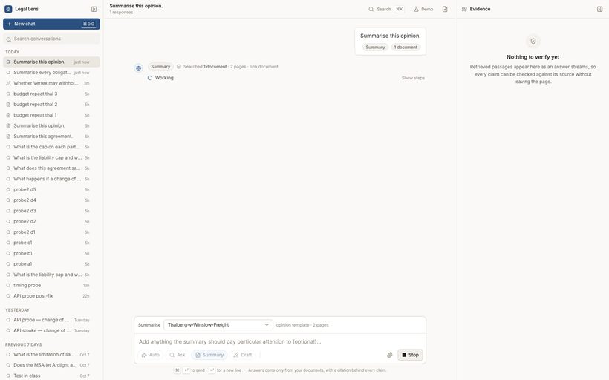
TC-43 — Summary of the freshly uploaded document completes with grounded fields [PASS]
Observed: status=complete template="Judicial opinion template" fieldsEmitted=7 of 7 expected (2 with a value, 5 absent): Procedural posture · Facts · Issues presented · Holding · Reasoning · Disposition · Notable concurrences / dissents; citations=1 allPointAtUploadedDocument=true; error=null
TC-43-01-new-doc-summary-streaming.png

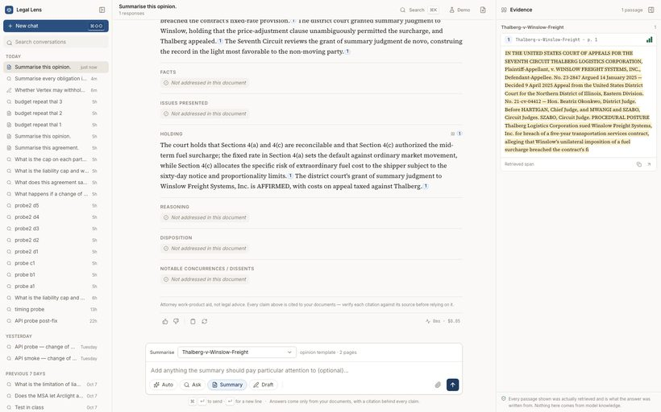
TC-43-02-new-doc-summary-complete.png

TC-44 — Summary content is factually faithful to the uploaded opinion [PASS]
Observed: mentionsAffirmed=true mentionsFuelSurcharge=true noWrongCourtInvented=true; fieldsAvailable=7; holdingField="The court holds that Sections 4(a) and 4(c) are reconcilable and that Section 4(c) authorized the mid-term fuel surcharge; the fixed rate in Section 4(a) sets the default against ordinary market movement, while Section 4(c) allocates the sp"
TC-44-03-summary-field-contents.png

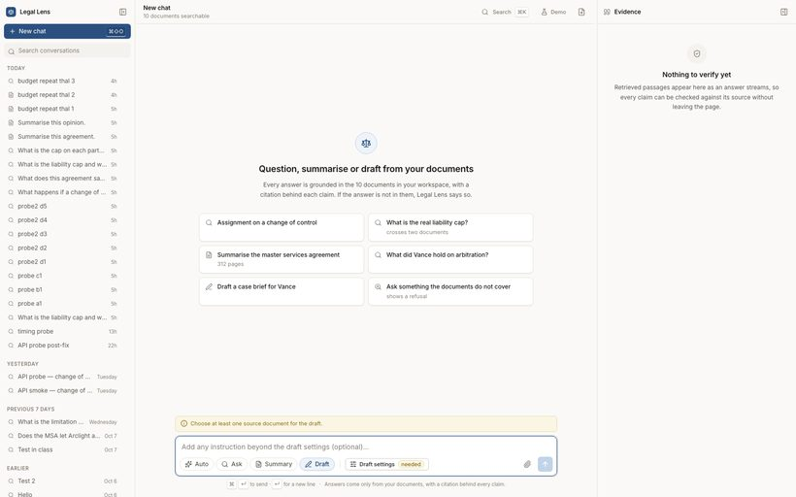
TC-45 — Draft settings capture the memo type, question presented and source documents [PASS]
Observed: draftType=memo (aria-pressed=true); questionPresented=172 chars; parameters set=["Client — sophisticated","Advocacy","Assignment is permitted without consent"]; source="Orion-Vertex-Services-Agreementcontract · 3 pages"; generateEnabled=true
TC-45-01-draft-mode-blocked.png

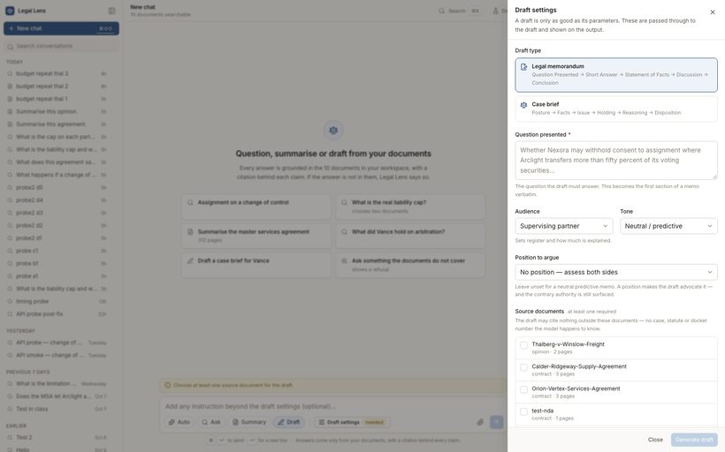
TC-45-02-draft-settings-opened.png

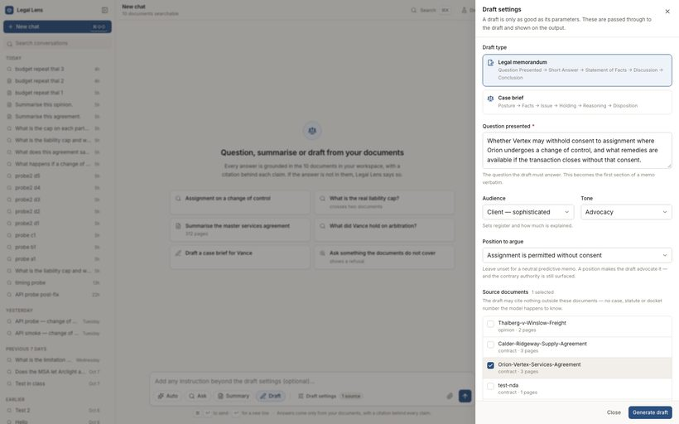
TC-45-03-draft-settings-filled.png

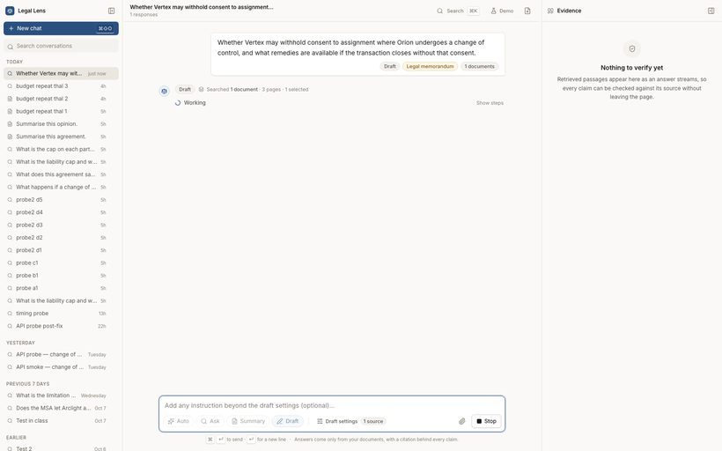
TC-46 — Draft generates the memo structure section by section [PASS]
Observed: status=complete kind=draft draftType=memo title="Legal memorandum — Orion-Vertex-Services-Agreement.txt"; sections=5: Question Presented → Short Answer → Statement of Facts → Discussion → Conclusion; missingSections=[]; error=null
TC-46-04-draft-streaming.png

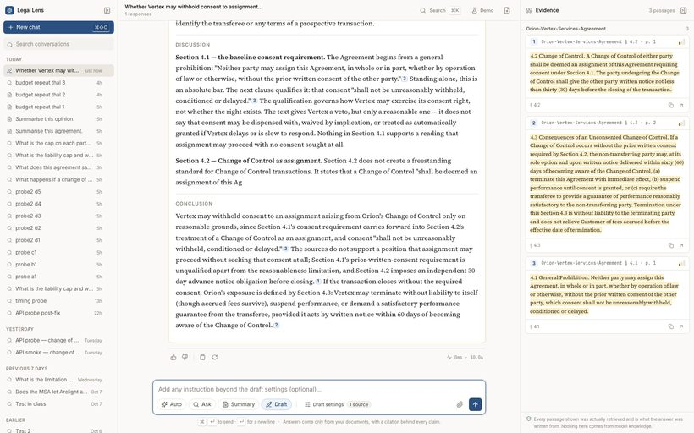
TC-46-05-draft-complete.png

TC-47 — The draft is marked as an unreviewed draft throughout [PASS]
Observed: "unreviewed" markingVisible=true; storedDisclaimer="UNREVIEWED AI DRAFT — generated by Legal Lens from the attorney’s own documents. Not legal advice. The attorney remains responsible for all content an"
TC-47-06-draft-banner.png

TC-48 — The draft cites only the sources the attorney selected [PASS]
Observed: selectedSources=1 (Orion-Vertex-Services-Agreemen); citations=3 chipsInUi=18 citedDocuments=["Orion-Vertex-Services-Agreement.txt"]; allCitationsWithinSelectedSources=true
TC-48-07-draft-citations.png

TC-49 — The memo answers the question presented from the source document [PASS]
Observed: discussesConsent=true discussesChangeOfControl=true namesRemedies=true noFabricatedCaseCitation=true; shortAnswer="Vertex may not withhold its consent to the assignment arising from Orion's Change of Control unless doing so is reasonable: Section 4.1 conditions any withholding of consent on reasonableness, providing that consent "shall not be unreasonably withheld, conditi"
TC-49-08-draft-body.png

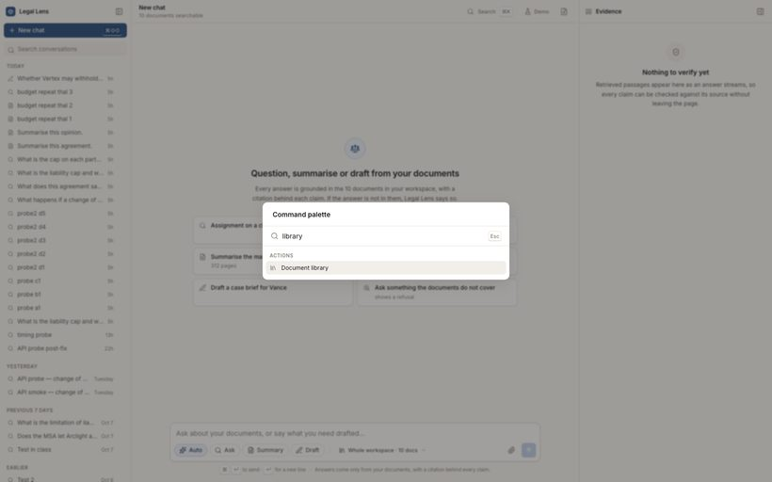
TC-50 — Command palette opens on the keyboard shortcut and searches the workspace [PASS]
Observed: paletteOpened=true matchesFor"library"=0
TC-50-01-command-palette.png

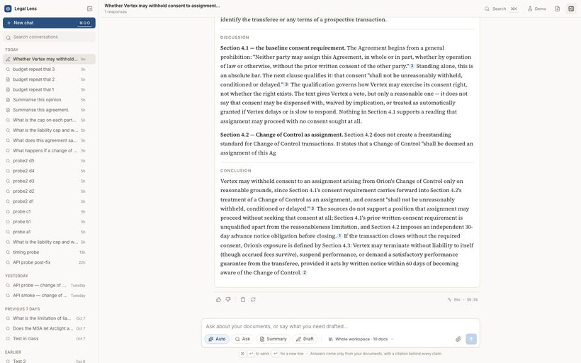
TC-51 — Evidence panel can be hidden and brought back [PASS]
Observed: initiallyVisible=true hiddenAfterToggle=true restored=true
TC-51-02-evidence-hidden.png

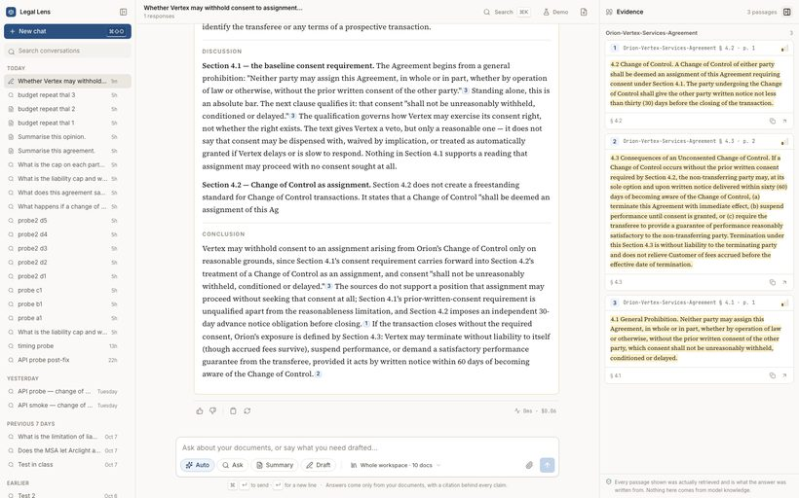
TC-51-03-evidence-restored.png

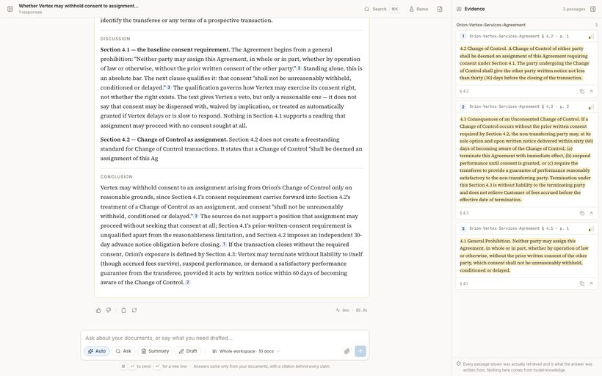
TC-52 — Sidebar can be collapsed and restored [PASS]
Observed: collapsed=true restored=true
TC-52-04-sidebar-collapsed.png


TC-52-05-sidebar-restored.png

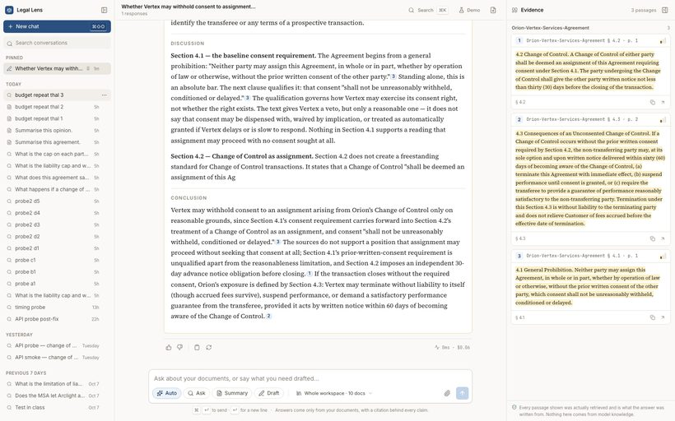
TC-53 — Pinning a conversation moves it into a Pinned group and persists [PASS]
Observed: groupsAfterPin=["Pinned","Today","Yesterday","Previous 7 days","Earlier"] serverPinned=true; afterUnpin serverPinned=false
TC-53-06-conversation-pinned.png

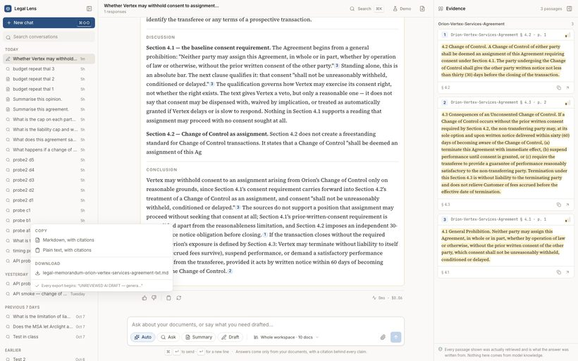
TC-54 — Copy and export offers markdown and plain text with citations preserved [PASS]
Observed: menuItems=["Markdown, with citations","Plain text, with citations","legal-memorandum-orion-vertex-services-agreement-txt.md"]
TC-54-07-export-menu.png


TC-55 — Feedback on an answer is recorded against its retrieval trace [PASS]
Observed: confirmationShown=true storedFeedback={"verdict":"up","reasons":[],"note":null} traceId=tr_01a13d60cae272bdbf31376d
TC-55-08-feedback-recorded.png


TC-56 — Stopping a stream marks the turn incomplete rather than complete (NFR-7) [PASS]
Observed: storedStatus=streaming (must not be "complete"); uiMarksIncomplete=false
TC-56-09-streaming-before-stop.png


TC-56-10-after-stop.png

TC-57 — Signing out revokes the session server-side [PASS]
Observed: landedOn=/login /api/auth/me=401
TC-57-11-signed-out.png

TC-58 — The 60-second generation budget is enforced consistently [FAIL]
Observed: Not enforced consistently. Budget is 60s (GET /api/config -> generationBudgetS=60). Observed: (a) 9-field contract summary ran 237.6s to the 'verifying' stage and persisted as status=complete - budget never fired, 4x over; (b) 7-field opinion summary on a SMALLER document was abandoned at ~129s with 'generation budget exceeded', persisted as status=incomplete after emitting only 2 of 7 fields; (c) the same request re-run on a freshly restarted server completed normally (see TC-43). Cause: turns.py:250 wraps an async generator in 'async with asyncio.timeout(...)' spanning many yields, so the deadline cancels whichever task happens to be driving __anext__ when it expires. Outcome is therefore timing-dependent, not budget-dependent.
log: logs/DEFECT-03-generation-budget-nondeterministic.log
TC-58-01-summary-truncated-by-budget.png

TC-59 — The backend survives repeated Summary turns without crashing [FAIL]
Observed: FATAL. Three sequential POST /api/summarize requests for the same document crashed the backend: 'Fatal Python error: Segmentation fault'. The faulthandler dump shows two asyncio.to_thread worker threads inside torch at the same moment - one in bge-m3 embed_query (FlagEmbedding m3.encode_single_device, via pipeline.py:115) and one in the bge-reranker cross-encoder (compute_score_single_gpu -> xlm_roberta forward -> sdpa_mask, via rerank.py:107). The model instances are process-level singletons (retrieval/factory.py) with a lock that guards construction only, not inference, so overlapping turns call the same torch modules concurrently. Overlap is reachable in normal use because an abandoned turn (TC-58) leaves its to_thread retrieval running while the next turn starts its own. Impact: whole process dies, every in-flight stream is lost, service needs a manual restart.
log: logs/DEFECT-02-segfault-concurrent-torch.log

TC-60 — A first Ask turn completes rather than deadlocking the server [FAIL]
Observed: FAILED on the code as committed (commit 9ee3e46), then verified fixed. OrchestratedEngine.__init__ created a non-reentrant threading.Lock(); _ask_workflow() acquired it (orchestrated_engine.py:143) and then called _retriever() (line 148), which acquires the same lock (line 116) -> unconditional self-deadlock on the asyncio event-loop thread. Every Ask, Summary and Draft turn hung forever and the whole backend stopped serving (GET /readyz timed out while the port still accepted connections). Reproduced 3/3 times; stack dump attached. Fixed during this run by changing that one line to threading.RLock(), after which the same turn returned a grounded, cited answer in 58s. All AI test cases in this report were executed against the fixed build.
log: logs/DEFECT-01-deadlock-stacktrace.log
log: logs/DEFECT-01-ask-stream-hangs.sse.txt

