DataFileInfo
File Discovery
File Discovery can be done by specifying possible file name formats for a specific date
Example:
[
{
prefix: 'volttemp_',
dateFormat: '%d_%m_%Y',
suffix: '.csv'
fileType: 'csv'
},
{
prefix: 'volttemp_',
dateFormat: '%m_%d_%y',
suffix: '.csv'
fileType: 'csv'
}
]

File Properties
Example:
{
headerSkip: 2,
footerSkip: 1,
TimeColumn: 0,
TimeFormat: '%d-%m-%Y %H:%M:%S'
}

Measurement Properties
Example:
{
columnNumber: 1,
Tag: 'measTagName'
fileId: volt
}

db_schema
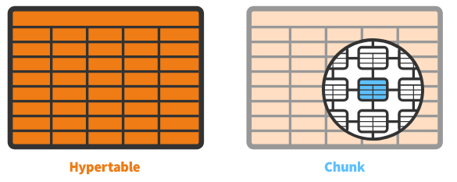
meas_time | meas_tag | meas_val | Timescaledb architecture

